Feuil4
 |  | CATEGORIE | CALIBRE
Pack Code | Mark Code | Grade Code | Count Code | Somme de No Cartons | Somme de Pallet Size | Somme de Pallet Size 2
A04I | FB | 1 | 1X | 216 | 1 | 1
 |  |  | 1XX | 648 | 3 | 3
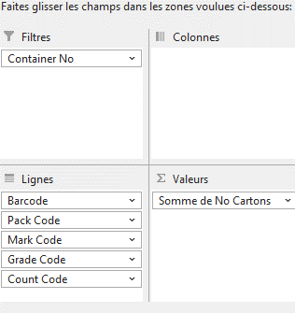
E10D | ALG | 1 | 1 | 208 | 2 | 2
 | BGEN | 1 | 1 | 416 | 4 | 4
 |  |  | 2 | 208 | 2 | 2
 |  |  | 3 | 208 | 2 | 2
 | FB | 1 | 1 | 312 | 3 | 3
 |  |  | 2 | 104 | 1 | 1
E16D | BLACK | 2H | 2 | 65 | 1 | 1
 |  |  | 3 | 65 | 1 | 1
(vide) | (vide) | (vide) | (vide)
Total général |  |  |  | 2450 | 20 | 20

