Defect Report-CaseStudy
Defect ID | Defect Description | Steps to Reproduce | Priority | Severity | Status | Created By | Assigned To | Screenshot
1 | While filling the Date of Birth section, I clicked on the Month box to select my birth month. But nothing showed up, no list of months came, the box just stayed empty. Day and Year boxes are working fine, only Month has this issue. | 1. Launch www.google.com 2. Search for Shaadi.com 3. Go to sign up page 4. Fill First Name and Last Name 5. Go to Date of Birth section 6. Click on Month dropdown | High | Critical | New | Harshit Chaudhary | Raghavendra BN | 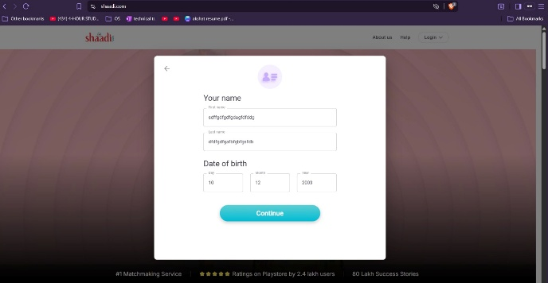
2 | In the About Yourself page, there is a checkbox for agreeing to Privacy Policy and Terms & Conditions. I filled everything correctly but purposely did NOT tick that checkbox and clicked Continue. Still the page moved forward like everything was fine. | 1. Launch www.google.com 2. Search Shaadi.com 3. Go to About Yourself registration page 4. Fill the About yourself text box 5. Do NOT tick the 'I agree to Privacy Policy and T&C;' checkbox 6. Click Continue button | High | Major | New | Harshit Chaudhary | Raghavendra BN | 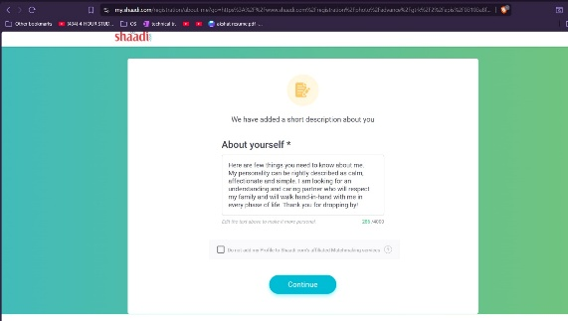
3 | On the Email ID and Mobile number page, I typed a random junk text in the email box (not a proper email format) just to test, and the system accepted it without giving any error. | 1. Launch www.google.com 2. Search for Shaadi.com 3. Go to Email ID & Mobile no. page . 4Type an invalid email like a random long string with @ symbol (not proper email format) 5. Fill mobile number correctly 6. Click the checkmark/submit button | High | Major | New | Harshit Chaudhary | Raghavendra BN | 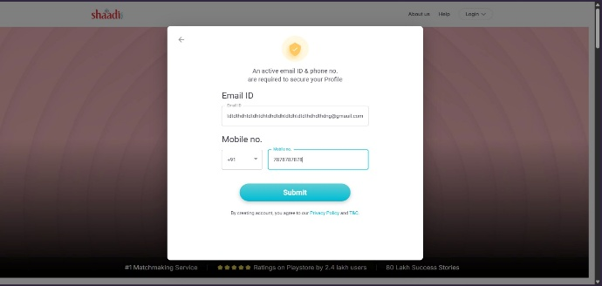
4 | Continue button remains enabled after clearing the mandatory First Name and Last Name fields | 1. Launch any web browser. 2. Navigate to https://www.shaadi.com/. 3. Start the registration process and reach the Your Name page. 4. Enter valid values in the First Name and Last Name fields. 5. Delete the entered values from both fields, leaving them blank. 6. Enter a valid Date of Birth (Day, Month, and Year). 7. Observe the Continue button and click it. | High | High | New | Harshit Chaudhary | Raghavendra BN | 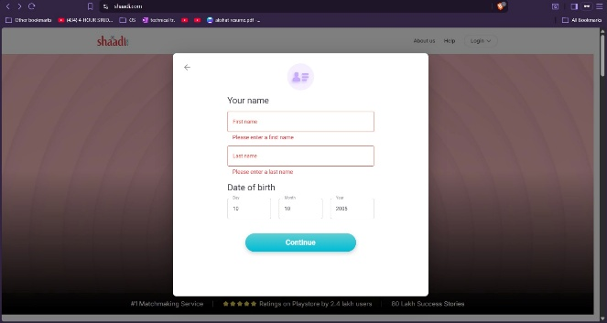
5 | In the Email ID field, I typed a very long string of random characters before the @ symbol (much longer than a real email would ever be), and the system accepted the whole thing without cutting it off or showing any warning about length. | 1. Launch www.google.com 2. Search for Shaadi.com 3. Login with newly created account 4. Skip completing mandatory profile sections 5. Observe system allows navigation to dashboard | Medium | Major | New | Harshit Chaudhary | Raghavendra BN | 