Process
Process Script

Operational Engineering
Project Planning
Post Mortem
Release
Monitor/Cntrl
Construct
Not all components are constructed
Minimal Viable Process |  |  | Minimal Effective Practices
 |  |  | MSA | MEP | Spreadsheet tab on which to document MEP
 |  |  | Pre-project | • Create a new branch named "assignment7"
 |  |  | Analyze | • Write acceptance tests | Acceptance
Analyze
 |  |  | Architect | • Create CRC cards for each new/modified component required to fix previous defects | Architecture
 |  |  |  | • Create CRC cards for each new/modified component required to implement new requirements | Architecture
Analyze
 |  |  | Plan Project | • Transfer process information from previous assignment | Historical Data
 |  |  |  | • Analyze past defects and develop code review checklist | Review
 |  |  |  | • Estimate component size based on historical data | Estimation
 |  |  |  | • Estimate project size LOC based on historical data | Estimation
 |  |  |  | • Estimate project effort (in minutes) based on historical data | Estimation
Failed review
 |  |  | Construction | • Repeat
 |  |  |  | • • Select/write a test case
Review
 |  |  |  | • • Run the test a red light test | Acceptance (if test is an acceptance test)
 |  |  |  | • • While the test is not red
 |  |  |  | • • • Diagnose why the test was not red
 |  |  |  | • • • If the problem was due to incorrect test code
 |  |  |  | • • • • Fix the defect and log it in the change log | Change Log
Refactor
 |  |  |  | • • • • Run the test as a red light test
 |  |  |  | • • • Else
 |  |  |  | • • • • Continue to the next red light test
 |  |  |  | • • Build enough production code to make the test pass
 |  |  |  | • • Run the test as a green light test
 |  |  |  | • • While the test is not green
 |  |  |  | • • • Fix the defect and log it in the change log | Change Log
 |  |  |  | • • • Run the test as a green light test
 |  |  |  | • • Clean up the code as appropriate and run as blue light
 |  |  |  | • Until test coverage is sufficient and all tests pass
 |  |  |  | • Commit all code to git
 |  |  | Review | • Perform rubber duck review of test code | Change Log
 |  |  | Refactor | • Refactor production code to remove odious smells; run as blue light | Change Log
 |  |  | Post Mortem | • Record acceptance test results | Acceptance
 |  |  |  | • Count production LOC | Plan
 |  |  |  | • Record lessons learned (optional) | Lessons
Minimal Guiding Indicators |  |  | Release | • Commit all code to git
Cost: |  | - |  | • Push your branch to GitHub.com
Schedule: |  | Submitted on time |  | • Merge your "assignment5" branch into your master branch
Performance: |  |  |  | • Push the master branch to GitHub.com
 | Product: |  |  | • Upload spreadsheet to Canvas
 | NFR: | Meets delivery requirements.
 | FR: | Boundary Value Analysis | Monitor | • Record time spent in each activity. | Time Log
 | Process: | Evident on spreadsheet |  | • Record defects, changes to requirements. | Change Log

Coding Standard
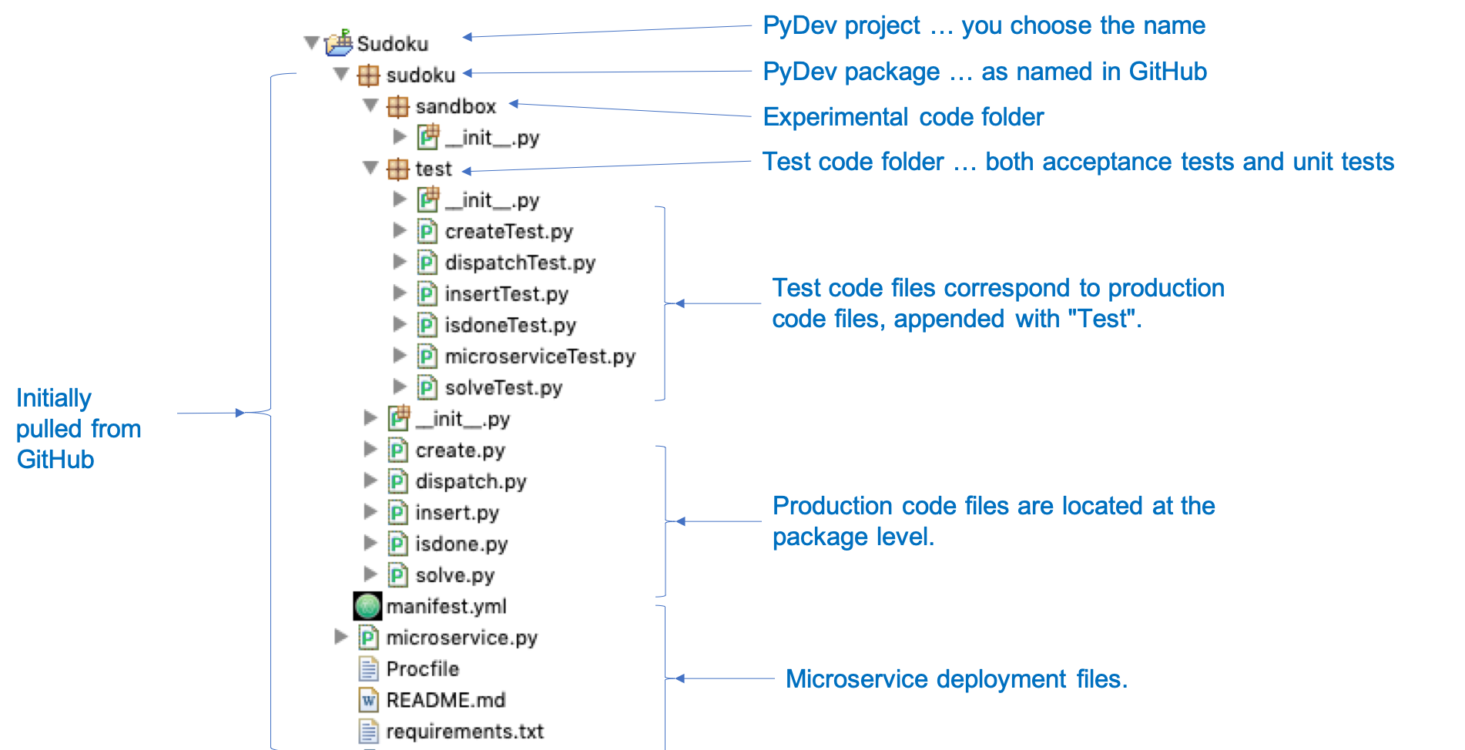
Coding Standard
A coding standard provides a map so that the code generated by a group of programmers will be consistent and, therefore, easier to read and maintain.

File headings
 | Place a doc string at the beginning of each file. The doc string should state the purpose of the file's contents, the date the file was baselined, the date of any modifications subsequent to being baselined, and the name of the author. Each line of the doc string should be indented by four spaces. It can be delimited by either three double quotes or three single quotes. [Rationale: This provides identifying information for the file.]
 |  | Example
 |  | '''
 |  | Created on Aug 27, 2088

 |  | @author: David Umphress
 |  | '''

 | Use of docstrings elsewhere is optional. If used, they may be free form; i.e., this coding standard specifies no format.
Comments
 | Use # for comments other than doc strings. [Rationale: This style of commenting makes comments consistent across other programming languages.]
 |  | Example
 |  | # Return the answer to the universe
 |  | return 42

 | Do not include comments such as "#end if" to denote end of structural constructs. [Rationale: Indentation gives a visual cue to nesting; comments that indicate end of blocks of code decrease readability.]
Multiple assignment statements
 | Avoid multiple assignment statements. Use only in situations where readability would be significantly affected by using single assignment statements. [Rationale: Multiple logical lines per physical line result in an inaccurate LOC count.]
 |  | Not OK | OK
 |  | myVar1, myVar2 = 0, 1 | myVar1 = 0
 |  |  | myVar2 = 1

 |  | import os, sys | import os
 |  |  | import sys
Spanning physical lines
 | Logical lines can span multiple physical lines (where a physical line is no more than 80 characters). In such cases, the continuation lines must be indented one indentation beyond the initial line. Break lines after operators or commas. [Rationale: Indentation improves readability.]

 | Do not span strings over more than one physical line. In cases where a string won’t fit on a physical line, break the string into individual parts that will fit on a line and concatenate the parts. [Rationale: This simplifies construction of tools that count lines of code.]
 |  | Not OK | OK
 |  | myVar1 = myVar2 + myVar3 + \ | myVar1 = myVar2 + myVar3 + \
 |  | myVar4 | myVar4

 |  | myString = '''multi-line | myString='multi-line ’ + \
 |  | string''' | ‘string’

Blank lines
 | Use blank lines to break up related chunks of code. Use at least one blank line between all methods. [Rationale: Blank lines visually segment blocks of related code, thus making it more understandable.]
Code readability
 | Code should be as self-documenting as possible. For example:
 | · Identifiers should be given meaningful names that indicate purpose or use.
 | · Single letters should only be used as names for loop indices when mirroring a mathematical equation specified in the requirements, otherwise, loop indices should be given names that indicate their use.
 | · Magic numbers – meaning, numbers that appear without explanation in source code – are to be avoided. If they appear, they should be assigned to identifiers that describe their purpose.
 | · Comments should be used sparingly as an aid to understanding non-intuitive code structure, complex calculations, unique circumstances, etc. It should not be a substitute for unreadable code.
 | [Rationale: These practices improve comprehension of code.]
Identifier naming
 | Variables should follow a camel-case convention (i.e., the identifier consists of a series of words with the spaces removed; the beginning letter should be lower case; the beginning letter of each word should be uppercase.)

 | Class names should be nouns in camel-case, with the first letter capitalized.
 |  | Example
 |  | class MyClass

 | Function names and method names should be in camel-case, with the first letter in lower case. The name should connote action and thus should be a verb or verb phrase.
 |  | Example
 |  | def run()
 |  | def getValue()

 | Methods that retrieve a Boolean object state must use the prefix is in the method name.
 |  | Example
 |  | isEnabled()

 | Identifiers designated to be constant should be nouns in all upper case with words separated by an underscore. All other identifiers should be nouns in camel-case, with the first letter in lower case.
Multiple inheritance
 | Do not use multiple inheritance. [Rationale: This practice decreases understandability.]
File contents
 | Unless specified otherwise, each class should be stored in its own file. The name of the file should be the name of the class followed by a “.py” extension. For example, class “MyComponent” should be located in a file named “MyComponent.py”.

 | Test code should be placed in a file whose file name clearly reflects what component is being tested. In most cases, the file name will be the component name appended with “Test.py”. For example, “MyComponentTest.py” would contain the code that tests “MyComponent.py”.
File structure
 | Code should be developed in your IDE using the following general directory/file structure:

