A549
Sample_ID | Class | Marker1 | Marker2 | Marker3 | Marker4 | Marker5 | Marker6 | Marker7 | Marker8 | Marker9 | 1 - CCAT1
A549 VRB1 | A | 0.26 | 0.50 | 1.8720697844 | 0.9883656951 | 1.3336201355 | 1.2221823936 | 1.373376489 | 1.3421840689 | 0.40477677901 | 2 - CCAT 2
A549 VRB2 | A | 3.23 | 0.89 | 1.1312094689 | 1.5906409698 | 1.2538465717 | 1.2359995083 | 1.0249124278 | 0.94636509453 | 1.6769169772 | 3 - GAS5
A549 VRB3 | A | 1.20 | 2.26 | 0.47220973315 | 0.63607770358 | 0.59803067246 | 0.66198123519 | 0.71043382752 | 0.7872799783 | 1.4732377826 | 4 - MALAT1
A549 CTR1 | B | 0.48 | 2.65 | 0.33606988467 | 0.6035796215 | 0.76100812104 | 1.1690006207 | 0.88296310095 | 1.2900544674 | 0.2891391175 | 5 - EGFR
A549 CTR2 | B | 1.07 | 1.36 | 0.22643908573 | 0.52056434019 | 0.59481466881 | 1.2328569898 | 0.87032455469 | 1.3834126248 | 0.35198462651 | 6 - NEAT1
A549 CTR3 | B | 1.17 | 2.03 | 0.25700406575 | 0.602713424 | 0.72284765761 | 1.0762316501 | 0.96742348403 | 1.3042750557 | 0.14122696866 | 7 - NORAD
 |  |  |  |  |  |  |  |  |  |  | 8 - XIST
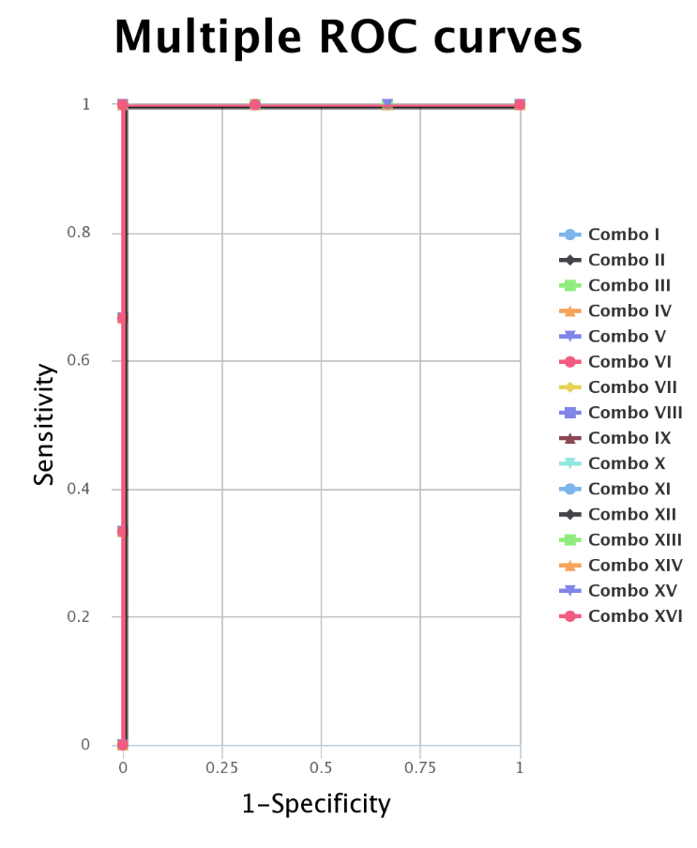
 |  |  |  |  |  |  |  |  |  |  | 9 - HOTAIR
Symbol | Marker | AUC
Combo I | CCAT1, GAS5, EGFR, HOTAIR | 1
Combo II | CCAT1, GAS5, NORAD, HOTAIR | 1
Combo III | CCAT1, EGFR, NORAD, HOTAIR | 1
Combo IV | CCAT2, GAS5, NEAT1, HOTAIR | 1
Combo V | CCAT2, GAS5, NORAD, HOTAIR | 1
Combo VI | CCAT2, EGFR, NORAD, HOTAIR | 1
Combo VII | CCAT1, GAS5, MALAT1, EGFR, HOTAIR | 1
Combo VIII | CCAT1, GAS5, MALAT1, NORAD, HOTAIR | 1
Combo IX | CCAT1, GAS5, EGFR, NORAD, HOTAIR | 1
Combo X | CCAT1, MALAT1, EGFR, NORAD, HOTAIR | 1
Combo XI | CCAT2, GAS5, MALAT1, EGFR, HOTAIR | 1
Combo XII | CCAT2, GAS5, MALAT1, NORAD, HOTAIR | 1
Combo XIII | CCAT2, GAS5, EGFR, NORAD, HOTAIR | 1
Combo XIV | CCAT2, MALAT1, EGFR, NORAD, HOTAIR | 1
Combo XV | CCAT1, GAS5, MALAT1, EGFR, NORAD, HOTAIR | 1
Combo XVI | CCAT2, GAS5, MALAT1, EGFR, NORAD, HOTAIR | 1

Calu6
Sample_ID | Class | Marker1 | Marker2 | Marker3 | Marker4 | Marker5 | Marker6 | 1 - GAS5
Calu6 VRB1 | A | 1.39 | 1.35 | 1.341895754 | 2.192364013 | 1.129457757 | 0.930632535 | 2 - MALAT1
Calu6 VRB2 | A | 1.32 | 1.14 | 0.927247772 | 0.612302611 | 0.92885119 | 0.823957459 | 3 - EGFR
Calu6 VRB3 | A | 0.54 | 0.65 | 0.803684186 | 0.744939878 | 0.953199631 | 1.304118269 | 4 - NEAT1
Calu6 CTR1 | B | 0.94 | 0.77 | 1.315219758 | 1.796211834 | 1.106276283 | 1.478212555 | 5 - NORAD
Calu6 CTR2 | B | 0.81 | 0.89 | 0.952263166 | 1.897515521 | 0.875417714 | 1.408506341 | 6 - XIST
Calu6 CTR3 | B | 1.38 | 1.09 | 1.00320656 | 2.115488486 | 0.653749151 | 0.748438312
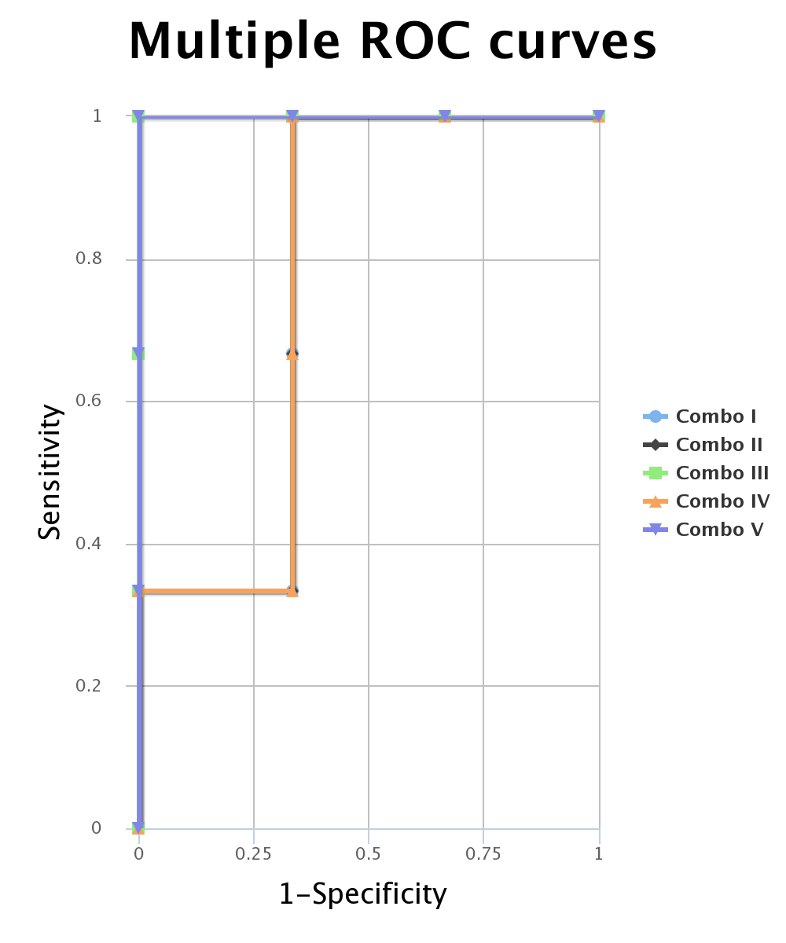

Symbol | Marker | AUC
Combo I | GAS5, MALAT1 | 0.778
Combo II | GAS5, MALAT1, EGFR | 0.778
Combo III | GAS5, MALAT1, NEAT1 | 1
Combo IV | GAS5, MALAT1, NORAD | 0.778
Combo V | GAS5, MALAT1, XIST | 1

H1792
Sample_ID | Class | Marker1 | Marker2 | Marker3 | Marker4 | Marker5 | Marker6 | Marker7 | 1 - GAS5
H1792 VRB1 | A | 1.80 | 1.20 | 1.59 | 0.64 | 1.10 | 0.98 | 1.14 | 2 - MALAT1
H1792 VRB2 | A | 0.66 | 0.87 | 0.76 | 1.32 | 0.92 | 1.02 | 0.83 | 3 - EGFR
H1792 VRB3 | A | 0.85 | 0.96 | 0.83 | 1.19 | 0.98 | 1.00 | 1.06 | 4 - NEAT1
H1792 CTR1 | B | 1.94 | 1.15 | 2.37 | 0.96 | 1.32 | 1.16 | 1.21 | 5 - NORAD
H1792 CTR2 | B | 2.24 | 2.10 | 2.05 | 1.71 | 1.46 | 1.92 | 1.38 | 6 - XIST
H1792 CTR3 | B | 3.33 | 2.27 | 2.30 | 2.19 | 1.47 | 1.35 | 1.20 | 7 - HOTAIR
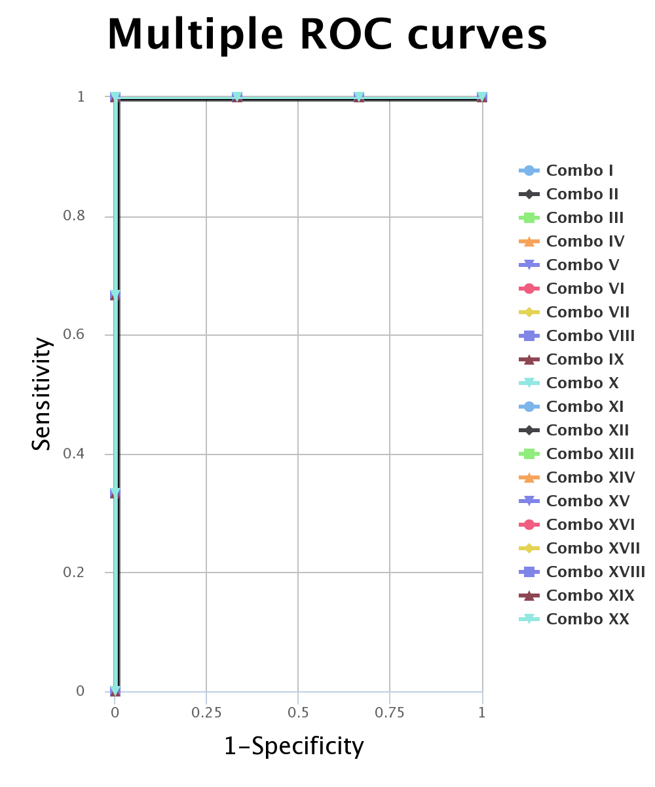
Symbol | Marker | AUC
Combo I | GAS5, MALAT1, EGFR, NEAT1 | 1
Combo II | GAS5, MALAT1, NEAT1, NORAD | 1
Combo III | GAS5, MALAT1, NEAT1, XIST | 1
Combo IV | GAS5, MALAT1, NEAT1, HOTAIR | 1
Combo V | GAS5, EGFR, NEAT1, NORAD | 1
Combo VI | GAS5, EGFR, NEAT1, XIST | 1
Combo VII | GAS5, EGFR, NEAT1, HOTAIR | 1
Combo VIII | GAS5, NEAT1, NORAD, XIST | 1
Combo IX | GAS5, NEAT1, NORAD, HOTAIR | 1
Combo X | GAS5, NEAT1, XIST, HOTAIR | 1
Combo XI | MALAT1, EGFR, NEAT1, NORAD | 1
Combo XII | MALAT1, EGFR, NEAT1, XIST | 1
Combo XIII | MALAT1, EGFR, NEAT1, HOTAIR | 1
Combo XIV | MALAT1, NEAT1, NORAD, XIST | 1
Combo XV | MALAT1, NEAT1, NORAD, HOTAIR | 1
Combo XVI | MALAT1, NEAT1, XIST, HOTAIR | 1
Combo XVII | EGFR, NEAT1, NORAD, XIST | 1
Combo XVIII | EGFR, NEAT1, NORAD, HOTAIR | 1
Combo XIV | EGFR, NEAT1, XIST, HOTAIR | 1
Combo XX | NEAT1, NORAD, XIST, HOTAIR | 1

