Sheet1
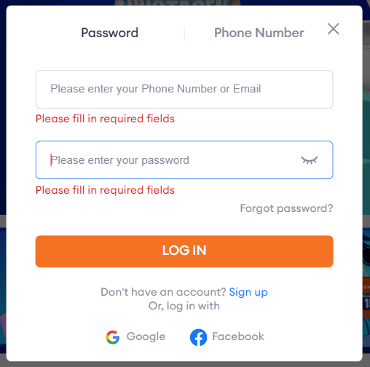
Test Case Senario Darraz - (01) Login Module
TC 001+A2:L14
 | Test Case | Test Case Description | PreRequests | Test Steps | Test Data | Expected Results | Actual Results | Status | Created By | Date Of Creation | Executed By | Date Of Execution
 | TC 001 | Verify login with correct credentials | User should have access to login page User should have Darraz account | Enter valid email/phone number Enter valid password Click on ‘Login’ button | Valid email and password | User should logged sucessfully | User can logged sucessfully | Pass | Hasanka | 2025.02.10 | Hasanka | 2025.02.12

 | TC 002 | Verify login with incorrect credentials | User should have access to login page | Enter invalid email or password | Invalid email | Display message invalid account | Disaply message invalid | Pass | Hasanka | 2025.02.10 | Hasanka | 2025.02.12
 |  |  |  | Click on ‘Login’ button | Invalid password | or invalid password | account or invalid password

 | TC 003 | Verify login with blank fields | User should have access to login page | Leave email/phone number blank | email/phone "" | Display message enter email/phone | Display message enter email/phone | Pass | Hasanka | 2025.02.10 | Hasanka | 2025.02.12
 |  |  |  |  | password '' | or password | or password

 | TC 004 | Verify forget password field | User should have access to login page | Click on forget password link | email 'valid email' | Display message password reset | password reset sucessfully | Pass | Hasanka | 2025.02.10 | Hasanka | 2025.02.12
 |  |  | should have access to forget password link | Enter Email or phone number | phone 'valid phone number' | sucessfully

 | TC 005 | Verify login with google account | User should have access to login page | Click on the google login button | valid google credentials | User should logged sucessfully | User can logged sucessfully | Pass | Hasanka | 2025.02.10 | Hasanka | 2025.02.12
 |  |  | should have valid google account | Select login with google account
 |  |  |  | Click continue button

 | TC 006 | Verify login with facebook account | User should have access to login page | Click on the facebook login button | valid facebook credentials | User should logged sucessfully | User can logged sucessfully | Pass | Hasanka | 2025.02.10 | Hasanka | 2025.02.12
 |  |  | should have valid facebook account | Select login with facebook account
 |  |  |  | Click continue button

