Total
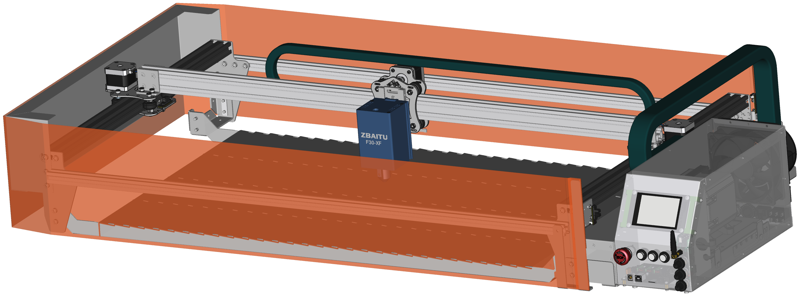
Reference | Value | Part Link | Part Number | Price | Qty
Laser | ZBAITU 30W LASER ~Price |  |  | 900 | 1 | 900.00
Devices Box Parts |  |  |  |  |  | 191.42
Mechanic Parts |  |  |  |  |  | 191.00
Metal Produced |  |  |  |  |  | 200.00

Grand Total |  |  |  |  |  | 1482.42

Devices Box Parts
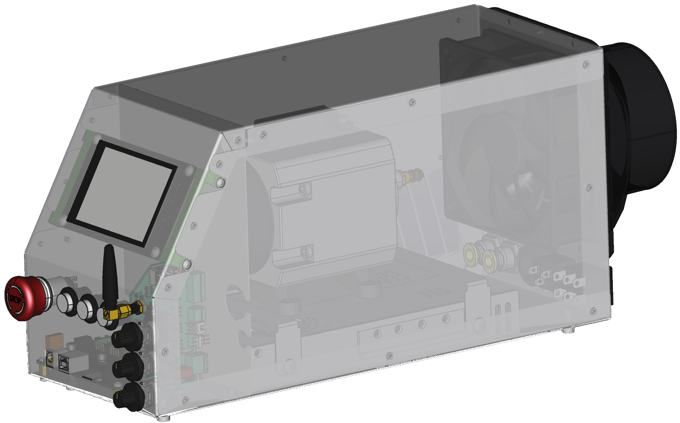
Reference | Value | Part Link | Part Number | Price | Qty
X_MCH7 | MKS DLC32 v2 | https://tr.aliexpress.com/item/1005005163045000.html | Suite 8 | 46 | 1 | 46.00
X_MCH8 | Air Flange 100mm | https://tr.aliexpress.com/item/1005005029283989.html | Color A | 6.7 | 1 | 6.70
X_MCH11 | Gland PG-13,5 | https://www.motorobit.com/pg-135-6-12-mm-polyamid-rakoru | OTO.SKP.02.000013 | 0.12 | 1 | 0.12
X_MCH12 | 2* Bulkhead Union 10mm | https://www.hidrofark.com/10-mm-perde-gecis-nipeli-pm-10 | PM-10 | 5 | 1 | 5.00
X_J3 | ACO318 | https://www.amazon.com.tr/gp/product/B00BNSQ16K/ref=ppx_yo_dt_b_asin_title_o00_s00 | ACO318 | 51 | 1 | 51.00
X_J4 | 220 Plug | https://www.motorobit.com/erkek-power-soketi-ic-212b | KOM.KNN.03.000014 | 0.25 | 1 | 0.25
X_J13 | PSU 24V | https://www.hatfon.com/urun/meanwell-lrs-350-24-350w-24v-14-6a-spms-guc-kaynagi | Lrs-350-24 | 35 | 1 | 35.00
X_M1 | Fan_3pin | https://www.perpaotomasyon.com/urun/krafe-120x120x38-24v-dc-turbo-fan | KF12038D24HB | 12 | 1 | 12.00
X_SW1 | Yellow | https://www.motorobit.com/rl16-503a-16mm-plastik-4-pin-kalici-buton-sari | BTN.PSH.01.000155 | 0.58 | 1 | 0.58
X_SW2 | Green | https://www.motorobit.com/rl16-503a-16mm-plastik-4-pin-kalici-buton-yesil | BTN.PSH.01.000154 | 0.58 | 1 | 0.58
X_SW3 | Blue | https://www.motorobit.com/rl16-503b-16mm-plastik-4-pin-yayli-buton-mavi | BTN.PSH.01.000161 | 0.58 | 1 | 12.00
X_SW4 | Emrgency | https://www.motorobit.com/19m-q1-19mm-metal-acil-stop-butonu | BTN.MTL.01.000419 | 6.8 | 1 | 11.60
SW5 | 220 SW | https://www.motorobit.com/kcd4-su-gecirmez-isikli-on-off-anahtar-4-pin | BTN.ROC.01.000020 | 1 | 1 | 0.01

MSConn |  |  |  |  |  | 10.58

Total |  |  |  |  |  | 191.42

Mechanic Parts
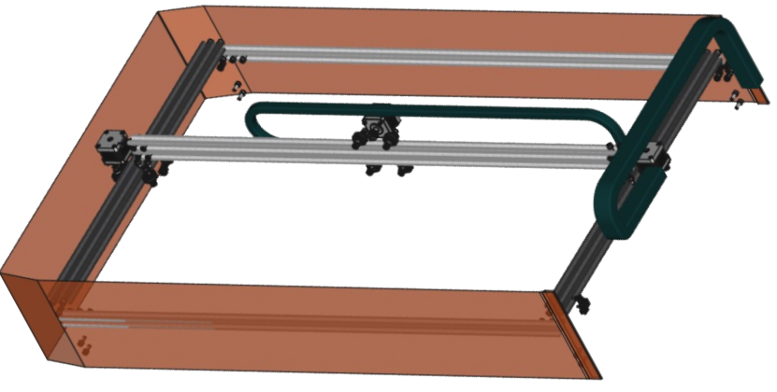
Reference | Value | Part Link | Part Number | Price | Qty
X_D2, X_D4 | LED 12V + 12V |  | CT-4538 | 6.5 | 1 | 6.50
X_J17, X_J18, X_J20 | -- mixed values -- | https://www.rhino3dprinter.com/urun/nema-17-step-motor-nema17 | rhn-513249 | 11 | 3 | 33.00
X_MCH2 | 12x V Wheel | https://www.rhino3dprinter.com/urun/v-slot-tekerlek/239 | 47944814 | 12 | 1 | 12.00
X_MCH3 | 6x 6mm Eccentric Nut Group | https://www.rhino3dprinter.com/urun/eksantrik-somun/713 | RHN-511474 | 11.6 | 1 | 11.60
X_MCH4 | 3M Strap | https://www.rhino3dprinter.com/urun/kaliteli-gt2-6mm-kaucuk-kayis/4470 | RHN-523002 | 8.5 | 1 | 8.50
X_MCH5 | 3x GT2 Pulley 20Teeth | https://www.rhino3dprinter.com/urun/gt2-kasnak-20-dis-5mm/1096 | rhn-510705 | 2.8 | 1 | 2.80
X_MCH6 | 4x Optic Limit SW | https://www.motorobit.com/3d-yazici-optik-limit-switch-endstop | 3DP.3DE.01.000015 | 5 | 1 | 5.00
X_MCH9 | 102MM - 5 M PVC Air Duct | https://www.toprakvesu.com/afs-yirtilmaz-pvc-hava-kanali-102-mm | LB003 | 15.3 | 1 | 15.30
X_MCH10 | 3M Transparent Orange PVC Tarpaulin | https://www.kumasci.com/urun/seffaf-branda-pvc-mika-0,60-mm-turuncu-renkli-137-cm-en/5457 | KM-5457 | 21 | 1 | 21.00
X_MCH13 | 12mm 1M Cable Sock | https://www.rhino3dprinter.com/urun/12mm-siyah-kablo-corabi/3859 | RHN-514802 | 0.8 | 1 | 0.80
X_MCH14 | 1M 18x25 Cable Carrier | https://www.parsrulman.com/18x25-kablo-tasiyici-kapali/ | 18X25 | 10 | 1 | 10.00
X_MCH15 | 2M 10x10 Cable Carrier | https://www.parsrulman.com/10x10-kablo-tasiyici/ | 10x10 | 13 | 1 | 13.00
X_MCH16 | 2*60 1*100cm V_Sigma_40x20 | https://www.rhino3dprinter.com/urun/v-slot-20x40-siyah-sigma-profil | RHN-504520 | 33.5 | 1 | 33.50
X_MCH17 | 2*100cm Sigma_20x20 | https://www.rhino3dprinter.com/urun/sigma-profil-gri-renk-20x20 | RHN-516882 | 18 | 1 | 18.00

Total |  |  |  |  |  | 191.00

Metal Produced
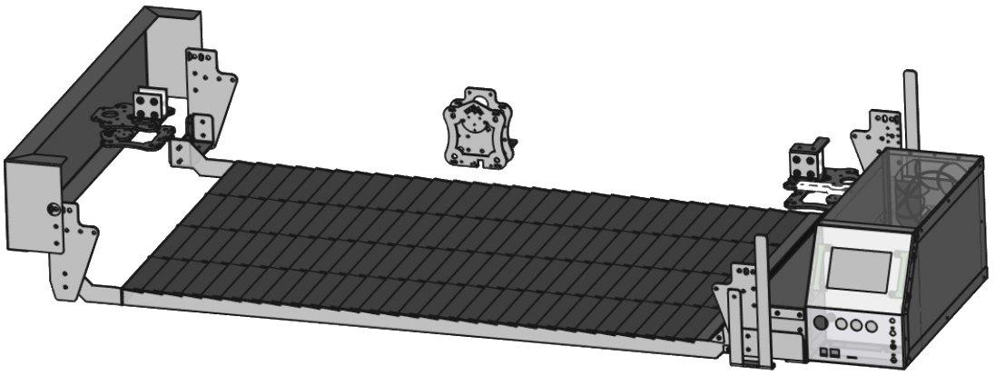
Reference | Part Link | Price
1.5mm aluminium cut
3mm aluminium cut
2mm Stainless steel cut
0.8mm Steel cut
2mm Steel cut
3mm Steel cut
Abkant Press Process
Mechanical Post Process

Total ~ |  |  | 200

MSConn
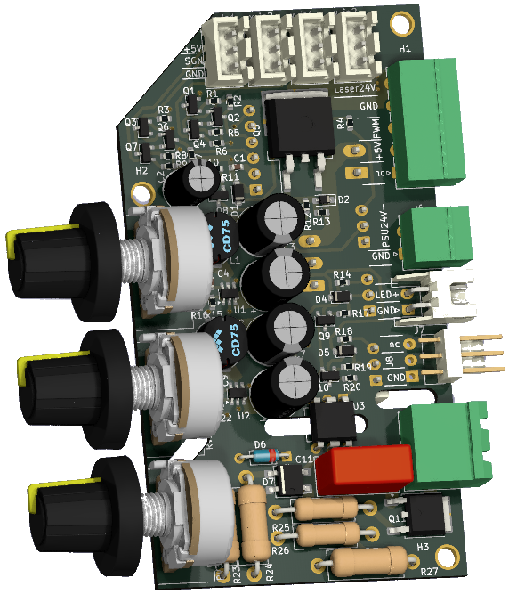
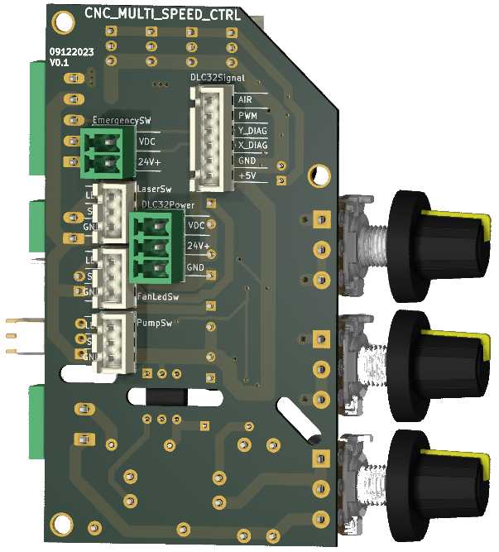
Reference | Value | Pad | Part Link | Part Number | Price | Qty
C1, C4, C9 | 100nF | 603 | https://ozdisan.com/Product/Detail/476015/CC0603KRX7R9BB104 | CC0603KRX7R9BB104 | 0.006 | 3 | 0.02
C2 | 220uF 25V | THT 6.3x11 P2.5 | https://ozdisan.com/Product/Detail/404352/TMP221M1EE11M | TMP221M1EE11M | 0.06 | 1 | 0.06
C3, C6, C7, C10 | 220uF 35V | THT 8x12 P3.5 | https://ozdisan.com/Product/Detail/593553/JRB1V221M05000800120000A | JRB1V221M05000800120000A | 0.04 | 4 | 0.16
C5, C8 | 47pF | 603 | https://ozdisan.com/Product/Detail/747244/CC0603JRNPO9BN470 | CC0603JRNPO9BN470 | 0.006 | 2 | 0.01
C11 | 100nF 275Vac |  | https://ozdisan.com/Product/Detail/605274/W42Q3104KK6SD1A0W1 | W42Q3104KK6SD1A0W1 | 0.05 | 1 | 0.05
D1, D3-D5 | 1N4148 | SOD323 | https://ozdisan.com/Product/Detail/453557/1N4148WS-HT | 1N4148WS-HT | 0.014 | 4 | 0.06
D2 | MM3Z12 | SOD323 | https://ozdisan.com/Product/Detail/581368/MM3Z12-HT | MM3Z12-HT | 0.025 | 1 | 0.03
D6 | DB3 |  | https://www.ozdisan.com/Product/Detail/27193/DB3 | DB3 | 0.07 | 1 | 0.07
D7 | MB6S |  | https://ozdisan.com/Product/Detail/467250/MB6S-0-5A-HT | MB6S-0.5A-HT | 0.036 | 1 | 0.04
J1-J4, J12, J14, J15 | -- mixed values -- |  | https://www.ozdisan.com/Product/Detail/493781/DS1066-3MVW6X | DS1066-3MVW6X | 0.015 | 7 | 0.11
J5 | Laser Terminal |  | https://www.ozdisan.com/Product/Detail/353433/15EDGRC-3-5-05P-14-00SH | 15EDGRC-3.5-05P-14-00SH | 0.13 | 1 | 0.13
J6 | PSU24V+ |  | https://www.ozdisan.com/Product/Detail/424780/15EGTRC-3-5-02P-14-00AH | 15EGTRC-3.5-02P-14-00AH | 0.06 | 1 | 0.06
J7 | LED+ |  | https://www.ozdisan.com/Product/Detail/347995/DS1069-2MRW6SA | DS1069-2MRW6SA | 0.01 | 1 | 0.01
J8 | FAN+ |  | https://www.ozdisan.com/Product/Detail/458356/L-KLS1-2-54-03-R | L-KLS1-2.54-03-R | 0.03 | 1 | 0.03
J9 | Pump220V |  | https://www.ozdisan.com/Product/Detail/701614/2EGTRC-5-0-02P-14-00AH | 2EGTRC-5.0-02P-14-00AH | 0.06 | 1 | 0.06
J10 | EmergencySW |  | https://www.ozdisan.com/Product/Detail/707708/15EDGVC-3-5-02P-12-00AH | 15EDGVC-3.5-02P-12-00AH | 0.09 | 1 | 0.09
J11 | DLC32Signal |  | https://www.ozdisan.com/Product/Detail/348001/DS1069-6MVW6X | DS1069-6MVW6X | 0.03 | 1 | 0.03
J13 | DLC32Power |  | https://www.ozdisan.com/Product/Detail/701062/15EDGVC-3-5-03P-14-00AH | 15EDGVC-3.5-03P-14-00AH | 0.1 | 1 | 0.10
L1, L2 | 10uH 3.4A | 7x7.8 | https://ozdisan.com/Product/Detail/527917/FPI0705-100M | FPI0705-100M | 0.2 | 2 | 0.40
Q1-Q4, Q6-Q8 | PJA3440 | SOT23-3 | https://ozdisan.com/Product/Detail/517995/PJA3440R200001 | PJA3440_R2_00001 | 0.1 | 7 | 0.70
Q5 | IRF9540N | TO263 | https://ozdisan.com/Product/Detail/612326/IRF9540NSTRLPBF | IRF9540NSTRLPBF | 0.9 | 1 | 0.90
Q9, Q10 | MMBTA92 | SOT23-3 | https://ozdisan.com/Product/Detail/433898/MMBTA92-HT | MMBTA92-HT | 0.03 | 2 | 0.06
Q11 | BTA204S-800E | TO252 | https://ozdisan.com/Product/Detail/981895/BTA204S-800E118 | BTA204S-800E,118 | 0.34 | 1 | 0.34
R1-R3, R5-R9 | 10K | 603 | https://ozdisan.com/Product/Detail/341790/0603SAF1002T5E | 0603SAF1002T5E | 0.0015 | 8 | 0.01
R4, R10, R12, R14, R18 | 4.7K | 603 | https://ozdisan.com/Product/Detail/341796/0603SAF4701T5E | 0603SAF4701T5E | 0.0015 | 5 | 0.01
R11, R13, R17, R19 | 100K | 603 | https://ozdisan.com/Product/Detail/339374/0603SAF1003T5E | 0603SAF1003T5E | 0.0015 | 4 | 0.01
R15 | 750R |  | https://ozdisan.com/Product/Detail/344357/0603SAF7500T5E | 0603SAF7500T5E | 0.001 | 1 | 0.00
R16 | 12K |  | https://ozdisan.com/Product/Detail/353308/0603SAF1202T5E | 0603SAF1202T5E | 0.001 | 1 | 0.00
R20 | 2K | 603 | https://ozdisan.com/Product/Detail/347334/0603SAF2001T5E | 0603SAF2001T5E | 0.0015 | 1 | 0.00
R21 | 3.9K |  | https://ozdisan.com/Product/Detail/357181/0603SAF3901T5E | 0603SAF3901T5E | 0.001 | 1 | 0.00
R22 | 470R |  | https://ozdisan.com/Product/Detail/348835/0603SAF4700T5E | 0603SAF4700T5E | 0.001 | 1 | 0.00
R23, R24 | 100K | THT 2W | https://www.ozdisan.com/Product/Detail/866960/CFR2WSJT-52-100K | CFR2WSJT-52-100K | 0.05 | 2 | 0.10
R25 | 1K |  | https://www.ozdisan.com/Product/Detail/904507/MFR-25FTE52-1K | MFR-25FTE52-1K | 0.015 | 1 | 0.02
R26 | 270R |  | https://www.ozdisan.com/Product/Detail/905436/MFR-25FTF52-270R | MFR-25FTF52-270R | 0.015 | 1 | 0.02
R27 | 47K | THT 2W | https://www.ozdisan.com/Product/Detail/867440/CFR3WSJT-73-47K | CFR3WSJT-73-47K | 0.06 | 1 | 0.06
RV1, RV2 | 10K |  | https://www.entegredunyasi.com.tr/urun/10k-mavi-potans | WH0162-10K POTANS | 0.84 | 2 | 1.68
RV3 | 500K |  | https://www.entegredunyasi.com.tr/urun/500k-mavi-potansiyometre-wh0162-500k | WH0162-500K POTANS | 0.84 | 1 | 0.84
U1, U2 | AP63300 |  | https://www.digikey.com/en/products/detail/diodes-incorporated/AP63300WU-7/10491510 | 31-AP63300WU-7CT-ND | 0.82 | 2 | 1.64
U3 | MOC3063M |  | https://ozdisan.com/Product/Detail/337684/MOC3063M | MOC3063M | 0.7 | 1 | 0.70
X_MCH1 | PCB Produced |  | https://jlcpcb.com/ |  | 2 | 1 | 2.00
 |  |  |  |  |  |  | 0.00
Total |  |  |  |  |  |  | 10.58

