Agile Project Charter (APC - V1
AGILE PROJECT CHARTER
GENERAL PROJECT INFORMATION
PROJECT NAME | Back Space
PROJECT CHAMPION | Aswad Tariq
PROJECT SPONSOR | None
PROJECT MANAGER | Haseeb-Ur-Rehman Faheem
STAKEHOLDERS | None
EXPECTED START DATE | 24/01/2022
EXPECTED COMPLETION DATE | 28/04/2022

PROJECT DETAILS
EXECUTIVE SUMMARY | Back Space’s main goal is to provide a single platform for the LUMS community with the purpose of connecting them with each other by providing a user-friendly and easy-to-use interface. This charter highlights the important aspects of our project such as project’s objectives, scope, and purpose. It emphasises on the features that are essential for any social media application as well as the risks and constraints in the project. Lastly, the total budget summary is presented at the end.
OBJECTIVES | The objective of this project is to implement a fully functioning app called Back Space that will be available for students at LUMS by the end of May 2022. The app would provide several functionalites that are required in a social media application such as a chat system, newsfeed and real-time notifications. The application will allow users to access information regarding courses and instructors, receive real-time notifications and much more.
EXPECTED BENEFITS | Expected benefits for Users: 1) Access filtered information regarding course or instructor as all the information will be retrieved from the database and displayed in a sorted order. 2) Stay up-to-date with the current news regarding LUMS. Access latest news of events, seminars and announcements made by PROVOST. 3) Obtain information using separate channels and tabs. Saves time for searching and retrieving any information. 4) Categorised data displayed. Allows user easy to navigate.
SCOPE | 1) Login - Will allow users to log in to the app 2) Chat System - Will allow users to send private messages to their friends. 3) Give Instructor/Course Reviews - Will allow users to provide a review for a course/instructor and view reviews of an existing course/instructor available on the app. 4) Add Friends - Will allow users to add other users as friends 5) LUMS Map - Will allow users to view the map of LUMS 6) Make Groups - Will allow users to chat in groups 7) News Feed - Will allow users to view the content posted on the application 8) Like/Comment on posts - Will allow users to like and comment on posts 9) Find Work - allow users to find work 10) Search Box - Allow users to search in a specific tab 11) Real-Time Notifications - allow users to receive real-time notifications on their device.
PRIORITIES | The priority of the development team is to implement the fundamental functionalities before the deadline of development phase. These functionalities include Login, Add friends, Chat system and Newsfeed. Additional features such as LUMS map and making groups may be added considering the time and resources available.
MILESTONES/PRODUCT ROADMAP | 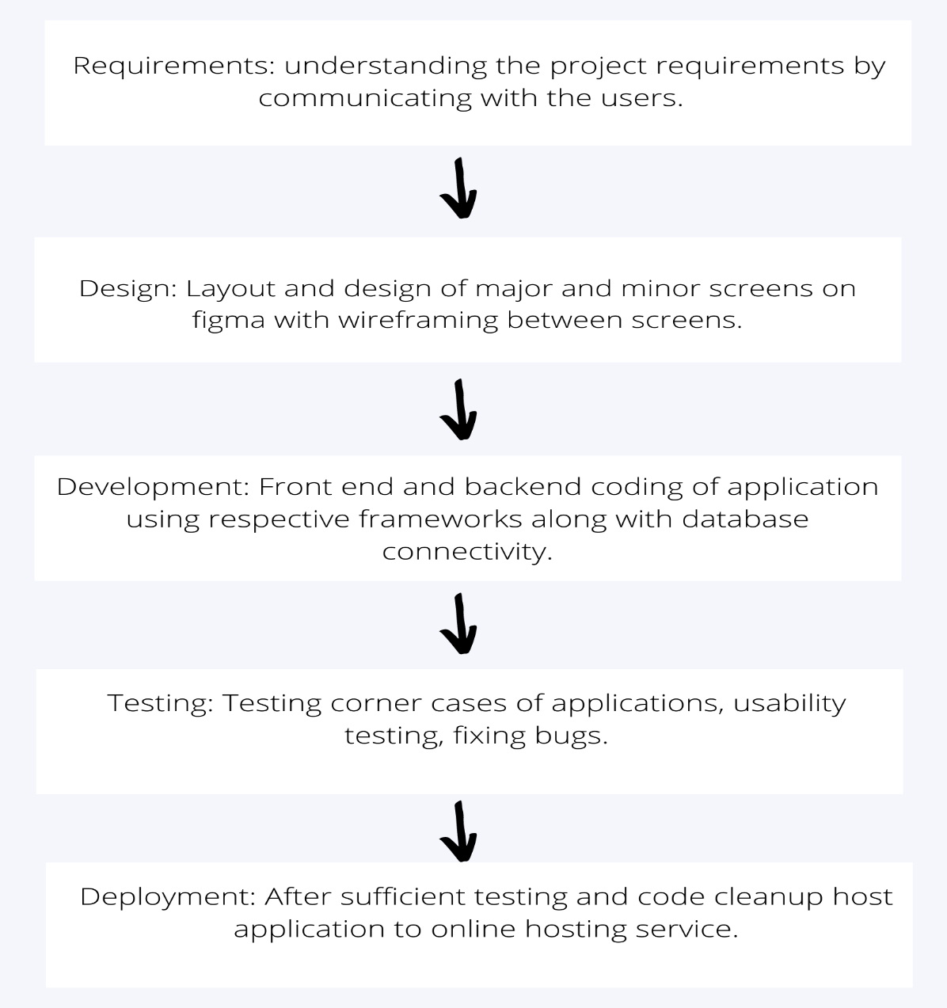
SUCCESS METRICS | 1) All use cases are implemented successfully. 2) No bugs in the main operations such as Login and chat system. 3) User’s perception of the application how quickly is user able to figure out where to go if he or she wants to use a certain feature. .
ASSUMPTIONS & CONSTRAINTS | 1) It is assumed that the intended group is familiar with the functionality and interface of any social media app such as facebook. 2) The user must have an active internet connection and mobile phone to access the application. 3) The users will be using all the groups and channels for their intended purposes and would not engage in any sort of malicious activity. 4) Since the intended users are from LUMS, the user must sign-up with a LUMS email id only. 5) Due to limited time to complete this project, the app would only consist of LUMS and will be available only on Play Store as our team does not have Mac OS. 6) The team is constrained with limited expertise in software development tools. 7) The performance of our application will be dependent upon the database management system used and the latency they provide. 8) The team will be relying on free APIs due to budget constraints.
RISKS & ISSUES | 1) Security breach may result in loss of credentials. 2) In case of user’s account being hacked, their data may be leaked. 3) If the website crashes, the user would not be able to access the app.
RESOURCES | 1) Graphic designer
ESTIMATED COST & RESOURCES | Average gross salary of a full stack developer in Pakistan = Rs. 2,209,951/- Average hourly rate of a full stack developer in Pakistan = Rs 1,062.48/- Item Hours Budget Project Proposal 10 10620 Proposal Presentation 8 8496 SRS Document 24 25488 Design Specifications and development plan 28 29736 Development 90 95580 QA Plan & Testing 35 37170 Final project report 25 26550 Presentations 6 6372 Total Budget The estimated budget is Rs. 230,404/- excluding the hosting charges. Hosting the app on Google Play store will cost an additional $25(Rs. 4,411/-). Therefore, the total estimated budget is Rs. 2,34,815/-.
DATE | 25/01/2022

