HELP
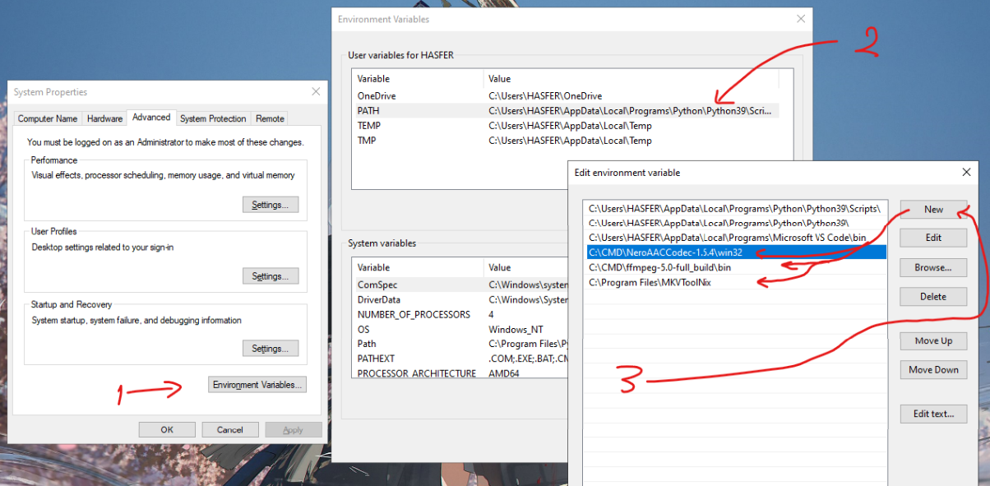
 | YOU NEED TO INSTALL AND ADD THEM TO PATH ---------> |  | scroll
 | ffmpeg | neroaacenc
 | mkvtoolnix

 | Guide :

 | open cmd
cmd : | cd <directory_of_your_videos>
cmd : | dir /b > file.txt
 | open file.txt
 | copy video name and format
 | open neroaac4-del_temp_keep_ori sheet (in this excel)
 | paste video name and format in the A column
 | change the output directory in L5 (column L ; row 5)
 | go to AE1, copy all column AE (right of "MIX")
 | go to file explorer directory_of_your_videos
 | edit file.txt and paste it
 | change file.txt to file.cmd
 | execute it
 | wait and done :)

 | what the heck is this
 | lol

