xml
Start | End | Name
0:00:00 | 0:01:41 | Pendahuluan | Create video chapter file
0:01:41 | 0:12:05 | Pengenalan Sistem Basis Data | .xml
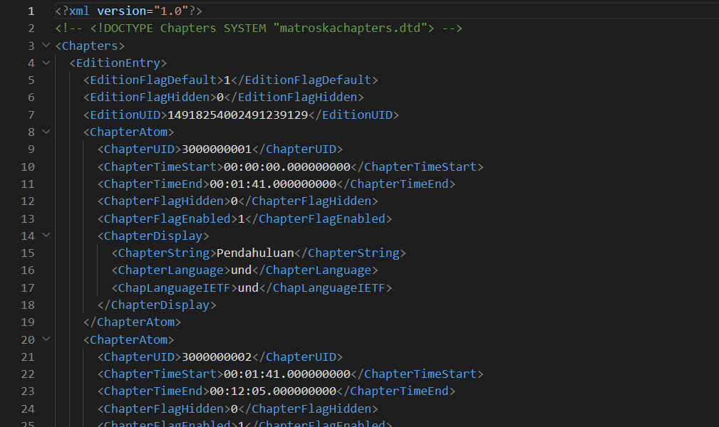
0:12:05 | 0:20:28 | Pengenalan SQL
0:20:28 | 0:37:07 | Menginstall MySQL
0:37:07 | 0:45:47 | Database
0:45:47 | 0:49:10 | Tipe Data
0:49:10 | 0:55:31 | Tipe Data Number
0:55:31 | 1:02:34 | Tipe Data String
1:02:34 | 1:05:50 | Tipe Data Date dan Time
1:05:50 | 1:06:49 | Tipe Data Boolean
1:06:49 | 1:08:22 | Tipe Data Lainnya
1:08:22 | 1:33:08 | Table
1:33:08 | 1:41:40 | Insert Data
1:41:40 | 1:44:21 | Select Data
1:44:21 | 1:50:38 | Primary key
1:50:38 | 1:54:14 | Where Clause
1:54:14 | 2:02:05 | Update Data
2:02:05 | 2:04:43 | Delete Data
2:04:43 | 2:08:57 | Alias
2:08:57 | 2:29:24 | Where Operator
2:29:24 | 2:33:10 | Order By Clause
2:33:10 | 2:37:19 | Limit Clause
2:37:19 | 2:39:24 | Select Distinct Data
2:39:24 | 2:45:36 | Numeric Function
2:45:36 | 2:52:34 | Auto Increment
2:52:34 | 2:55:29 | String Function
2:55:29 | 2:58:21 | Date dan Time Function
2:58:21 | 3:06:01 | Flow Control Function
3:06:01 | 3:10:31 | Aggregate Function
3:10:31 | 3:16:45 | Grouping
3:16:45 | 3:28:17 | Constraint
3:28:17 | 3:42:15 | Index
3:42:15 | 3:54:05 | Ful.000000000l-Text Search
3:54:05 | 4:11:58 | Table Relationship
4:11:58 | 4:23:19 | Join
4:23:19 | 4:31:42 | One to One Relationship
4:31:42 | 4:40:54 | One to Many Relationship
4:40:54 | 5:00:05 | Many to Many Relationship
5:00:05 | 5:14:40 | Jeni.000000000s-Jenis Join
5:14:40 | 5:20:20 | Subquery
5:20:20 | 5:34:22 | Set Operator
5:34:22 | 5:46:45 | Transaction
5:46:45 | 6:12:01 | Locking
6:12:01 | 6:24:11 | User Management
6:24:11 | 6:28:50 | Backup Database
6:28:50 | 6:33:27 | Restore Database
6:33:27 |  | Materi Selanjutnya

