2025-08-02-Bug-Report
Bug ID | Title | Date Reported | Reported By | Environment - Application Name/Version | Environment - Browser/OS | Steps to Reproduce | Expected Result | Actual Result | Screenshot(s) Included | Severity (Critical/High/Medium/Low) | Module/Feature Affected | Reproducibility (Always/Sometimes/Rare) | Additional Notes / Logs | Status (New/Open/In Progress/Fixed/Retested/Closed)
BUG-2025-08-02-001 | Reset App State does not revert 'Remove' button to 'Add to Cart' on product cards | 2025-08-02 | Hashan | Application Name : SWAG Lab Browser/OS : chrome/Windows 10 Test Environment : QA | Browser : chrome OS : Windows 10 | 1.open the Chrome Browser 2. Paste the URL (https://www.saucedemo.com/v1/) in Chrome Browser 3.Enter correct username "standard_user" & password "secret_sauce"& click login button 4.redirect to https://www.saucedemo.com/v1/inventory.html(product view collection page) 5.Click the Add to Cart button on the Sauce Labs Backpack product card 6.Click the Add to Cart button on the Sauce Labs Bike Light product card 7.Click the hamburger button left corner of the webpage 8.select the RESET APP STATE | 1.User is redirected to: https://www.saucedemo.com/v1/inventory.html 2.The cart icon count increases to 2 after adding items. 3.After clicking "Reset App State", the cart icon count is reset (not visible). 4.All "REMOVE" buttons are changed back to "ADD TO CART" buttons. | 1.User is redirected to: https://www.saucedemo.com/v1/inventory.html 2.The cart icon count increases to 2 after adding items. 3.After clicking "Reset App State", the cart icon count is reset (not visible). 4.All "REMOVE" buttons are not changed back to "ADD TO CART" buttons. | 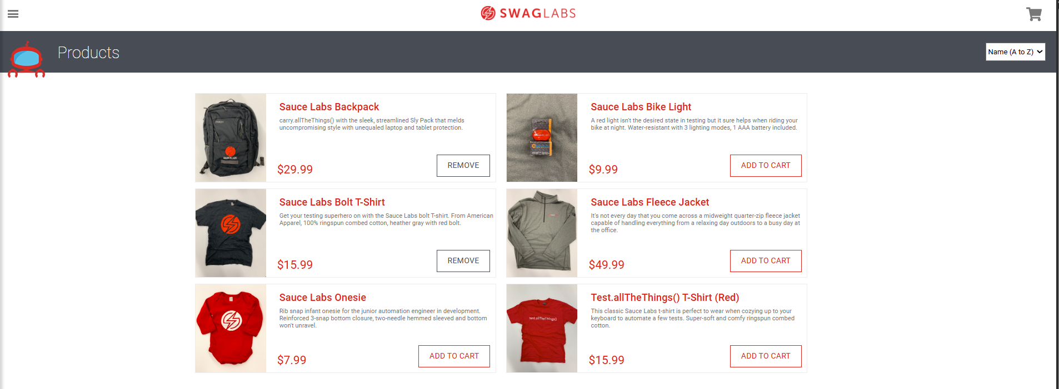 | Critical | Product view page | Always | Not Applicable | Open
BUG-2025-08-02-002 | Price symbol ($) missing when viewing selected product details in cart view | 2025-08-02 | Hashan | Application Name : SWAG Lab Browser/OS : chrome/Windows 10 Test Environment : QA | Browser : chrome OS : Windows 10 | 1.open the Chrome Browser 2. Paste the URL (https://www.saucedemo.com/v1/) in Chrome Browser 3.Enter correct username "standard_user" & password "secret_sauce"& click login button 4.redirect to https://www.saucedemo.com/v1/inventory.html(product view collection page) 5.Click the Add to Cart button on the Sauce Labs Backpack product card 6.Click the Add to Cart button on the Sauce Labs Bike Light product card 7.Click the cart icon in the right corner of the web page | Product Name: Sauce Labs Backpack Description: "carry.allTheThings() with the sleek, streamlined Sly Pack that melds uncompromising style with unequaled laptop and tablet protection." Price: $29.99 Action Button: "REMOVE" Product: Sauce Labs Bike Light Quantity: 1 Product Name: Sauce Labs Bike Light Description: "A red light isn't the desired state in testing but it sure helps when riding your bike at night. Water-resistant with 3 lighting modes, 1 AAA battery included." Price: $9.99 Action Button: "REMOVE" 3.CONTINUE SHOPPING and CHECKOUT button display | 1)price $ tag is not visible | 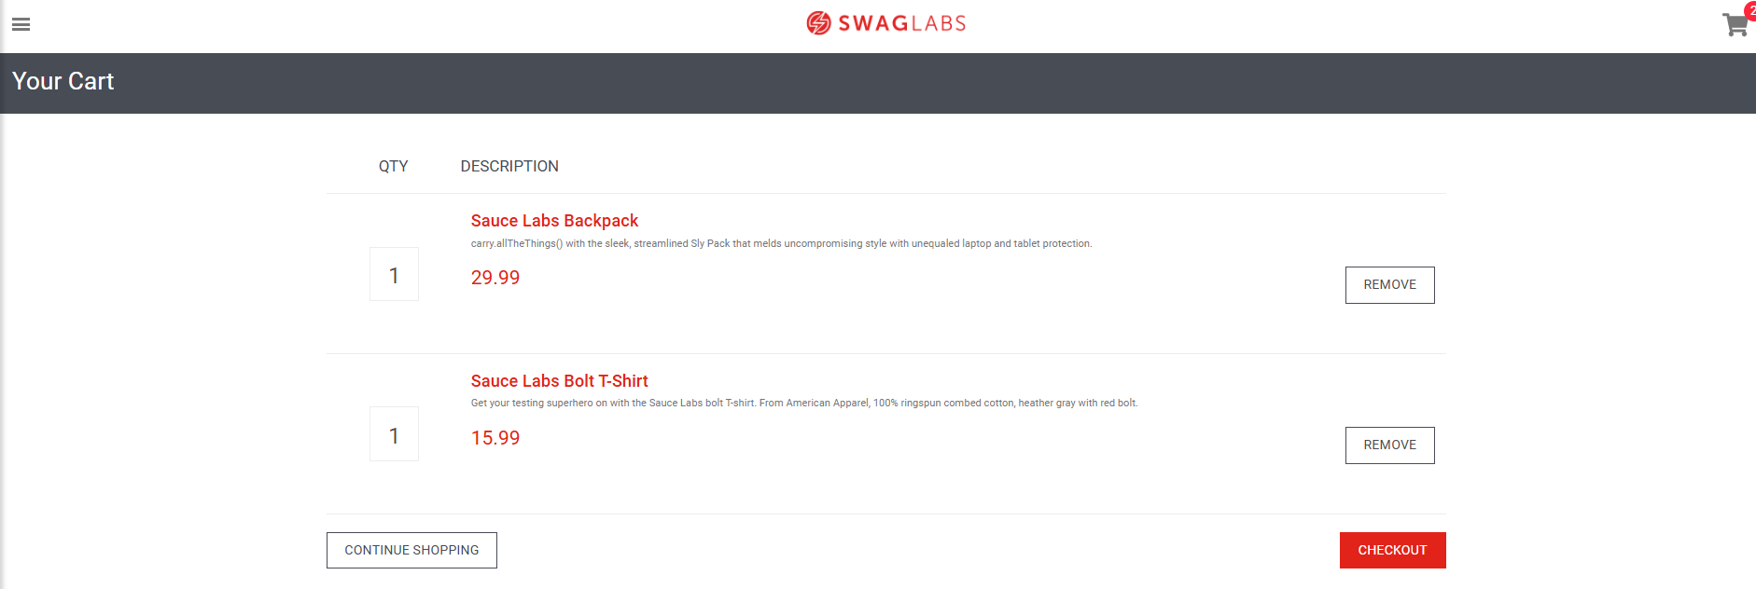 | Low | Cart view page | Always | Not Applicable | Open

