General
 |  |  |  | Report created on: 27/10/2021, 15:47:41
 |  |  |  | Spectrum name: animal room - cage back |  |  |  |  | https://ledmotive.com/photonfy
 |  |  |  | Author name: taylorc@neco.edu |  |  |  |  | https://photonfy.com

Report section: GENERAL

CIE1931-xy diagram and Spectral Power Distribution

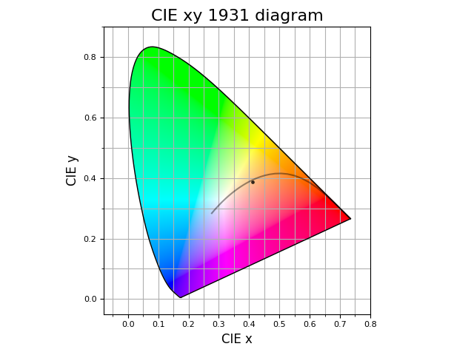
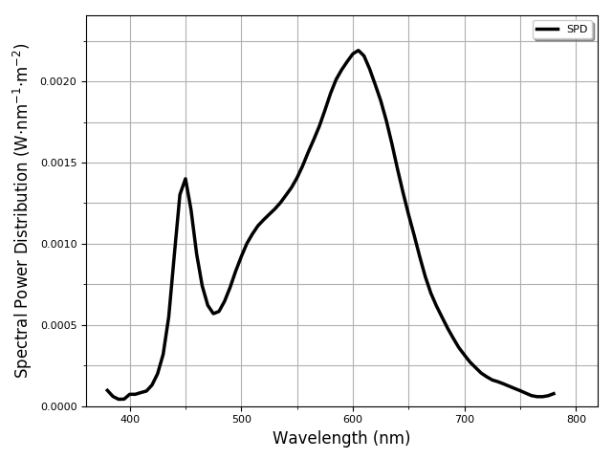

CIE1931-xy diagram and Spectral Power Distribution

 | CCT, Δuv, and Illuminance
 | CCT (K) | Δuv | Illuminance (lx)
 | 3349 | -2.47E-03 | 111.65

 | CIE Color Rendering Index |  |  | IES TM30-20 |  | Color coordinates
 | Ra | R9 |  | Rf | Rg | CIE 1931 XYZ | CIE 1931 xy | CIE 1976 u'v' | sRGB
 | 85.25 | 16.38 |  | 85.69 | 97.00 | (0.17, 0.16, 0.08) | (0.4112, 0.3879) | (0.2407, 0.5110) | (141, 105, 73)

General glossary

𝗖𝗜𝗘 𝟭𝟵𝟯𝟭 (𝗫,𝗬,𝗭) 𝗰𝗼𝗹𝗼𝗿 𝘀𝗽𝗮𝗰𝗲: The CIE XYZ color space encompasses all color sensations that are visible to a person with average eyesight. That is why CIE XYZ (Tristimulus values) is a device-invariant representation of color. It serves as a standard reference against which many other color spaces are defined. A set of color-matching functions, like the spectral sensitivity curves of the LMS color space, but not restricted to non-negative sensitivities, associates physically produced light spectra with specific tristimulus values. More info: https://en.wikipedia.org/wiki/CIE_1931_color_space
𝗖𝗜𝗘 𝗖𝗥𝗜 (𝗥𝗮): is a quantitative measure of the ability of a light source to reveal the colors of various objects faithfully in comparison with an ideal or natural light source. Light sources with a high CRI are desirable in color-critical applications such as neonatal care and art restoration. Ra is the average value of R1–R8, other values from R9 to R15 are missing in Ra calculation, including R9 "saturated red", R13 "skin color (light)", and R15 "skin color (medium)", which are all difficult colors to faithfully reproduce. More info: https://en.wikipedia.org/wiki/Color_rendering_index
𝗖𝗜𝗘 𝟭𝟵𝟯𝟭 𝘅𝘆 𝗰𝗵𝗿𝗼𝗺𝗮𝘁𝗶𝗰𝗶𝘁𝘆 𝗱𝗶𝗮𝗴𝗿𝗮𝗺: The CIE 1931 diagram represents all of the chromaticities visible to the average person. These are shown in color and this region is called the gamut of human vision. The gamut of all visible chromaticities on the CIE plot is a tongue-shaped or horseshoe-shaped figure. The curved edge of the gamut is called the spectral locus and corresponds to monochromatic light (each point representing a pure hue of a single wavelength), with wavelengths listed in nanometers. The straight edge on the lower part of the gamut is called the line of purples. These colors, although they are on the border of the gamut, have no counterpart in monochromatic light. Less saturated colors appear in the interior of the figure with white at the center. More info: https://en.wikipedia.org/wiki/CIE_1931_color_space. More info: https://en.wikipedia.org/wiki/CIE_1931_color_space
𝗦𝗣𝗗: Spectral power distribution (the visible range spans 380nm-780nm).
𝗖𝗜𝗘 𝗖𝗥𝗜 (𝗥𝟵): It describes the specific ability of light to accurately reproduce the red color of objects. The red color is the key color for many lighting applications, such as film and video lighting, textile printing, image printing, skin tone, medical lighting, and so on. Many lights manufacturers or retailers do not point out the score of R9, while it is a vital value to evaluate the color rendition performance of a light source. More info: https://en.wikipedia.org/wiki/Color_rendering_index
𝗖𝗖𝗧: Correlated Color Temperature in Kelvin degrees (K). More info: https://en.wikipedia.org/wiki/Color_temperature#Correlated_color_temperature
𝗖𝗜𝗘 𝟭𝟵𝟳𝟲 (𝘂',𝘃') 𝗰𝗼𝗼𝗿𝗱𝗶𝗻𝗮𝘁𝗲𝘀: The L*u*v* color space (also referred to as the CIELUV space) is one of the uniform color spaces defined by the CIE in 1976. (u', v') are the 2D chromaticity coordinates in this space. More info: https://en.wikipedia.org/wiki/CIELUV
𝗜𝗹𝗹𝘂𝗺𝗶𝗻𝗮𝗻𝗰𝗲: in lux (lx), total luminous flux incident on the sensor diffuser surface, per unit area. It is a measure of how much the incident light illuminates the surface, wavelength-weighted by the luminosity function to correlate with human brightness perception. More info: https://en.wikipedia.org/wiki/Illuminance
𝗖𝗜𝗘 𝟭𝟵𝟯𝟭 (𝘅,𝘆) 𝗰𝗼𝗼𝗿𝗱𝗶𝗻𝗮𝘁𝗲𝘀: The concept of color can be divided into two parts: brightness and chromaticity. The CIE XYZ color space was deliberately designed so that the Y parameter is a measure of the luminance of a color. The chromaticity is then specified by the two derived parameters x and y, two of the three normalized values being functions of all three tristimulus values X, Y, and Z. More info: https://en.wikipedia.org/wiki/CIE_1931_color_space
𝗜𝗘𝗦 𝗧𝗠 𝟯𝟬-𝟭𝟴 (𝗥𝗳): IES TM 30-18 describes a method for evaluating light source color rendition that takes an objective and statistical approach, quantifying both overall average properties (color fidelity, gamut area) and hue-specific properties (fidelity, chroma shift, hue shift) of a light source using numerical and graphical techniques. Rf is a similar metric to the CRI (Ra) standard that measures color rendering based on comparison to a color palette of 99 reflectance samples (CRI only had 9). More info: https://www.energy.gov/sites/prod/files/2016/04/f30/tm-30_fact-sheet.pdf
𝗜𝗘𝗦 𝗧𝗠 𝟯𝟬-𝟭𝟴 (𝗥𝗴): Rg measures the average gamut shift (hue/saturation) of the source. A graphical representation of Rg is also usually provided to visually represent which colors are washed out or more vivid due to the light source. More info: https://www.energy.gov/sites/prod/files/2016/04/f30/tm-30_fact-sheet.pdf
𝘀𝗥𝗚𝗕: sRGB is an RGB color space that HP and Microsoft created cooperatively in 1996 to use on monitors, printers, and the Web. More info: https://en.wikipedia.org/wiki/SRGB

Health
 |  | Report created on: 27/10/2021, 15:47:43
 |  | Spectrum name: animal room - cage back |  |  |  |  | https://ledmotive.com/photonfy
 |  | Author name: taylorc@neco.edu |  |  |  |  | https://photonfy.com

Report section: HEALTH AND WELLBEING

CIE S 026 metrology for ipRGC‐influenced responses to light (2018)
See https://cie.co.at/news/launch-cie-s-026-toolbox-and-user-guide
See https://www.preprints.org/manuscript/202012.0037/

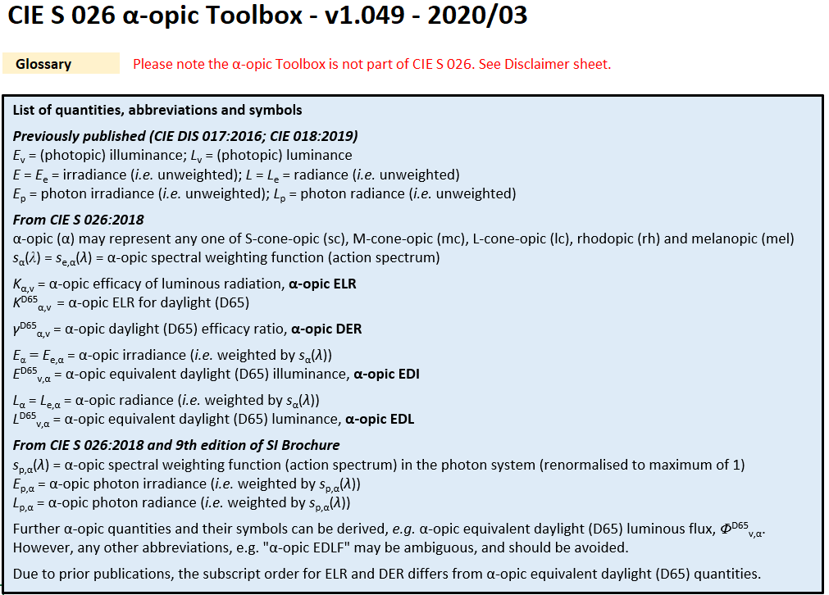

 | Melanopic equivalent daylight (D65) illuminance, lx | Recommended for?
 | Melanopic-EDI | Daytime | Evening | Night-time
 | 61.23 | No (M-EDI<250lx) | No (M-EDI>10lx) | No (M-EDI>1lx)
 | Melanopic efficacy of luminous radiation, mW.lm-1
 | Melanopic-ELR
 | 0.73
 | Melanopic Daylight efficacy ratio
 | Melanopic-DER
 | 0.55
 | Melanopic irradiance, W/m2
 | Melanopic-I
 | 0.08

 | Rhodopic equivalent daylight (D65) illuminance, lx |  |  |  |  | S-cone-opic equivalent daylight (D65) illuminance, lx
 | Rhodopic-EDI |  |  |  |  | S-cone-opic-EDI
 | 70.85 |  |  |  |  | 49.89
 | Rhodopic efficacy of luminous radiation, mW.lm-1 |  |  |  |  | S-cone-opic efficacy of luminous radiation, mW.lm-1
 | Rhodopic-ELR |  |  |  |  | S-cone-opic-ELR
 | 0.98 |  |  |  |  | 0.36
 | Rhodopic Daylight efficacy ratio |  |  |  |  | S-cone-opic Daylight efficacy ratio
 | Rhodopic-DER |  |  |  |  | S-cone-opic-DER
 | 0.63 |  |  |  |  | 0.45
 | Rhodopic irradiance, W/m2 |  |  |  |  | S-cone-opic irradiance, W/m2
 | Rhodopic-I |  |  |  |  | S-cone-opic-I
 | 0.11 |  |  |  |  | 0.04

 | M-cone-opic equivalent daylight (D65) illuminance, lx |  |  |  |  | L-cone-opic equivalent daylight (D65) illuminance, lx
 | M-cone-opic-EDI |  |  |  |  | L-cone-opic-EDI
 | 93.40 |  |  |  |  | 111.04
 | M-cone-opic efficacy of luminous radiation, mW.lm-1 |  |  |  |  | L-cone-opic efficacy of luminous radiation, mW.lm-1
 | M-cone-opic-ELR |  |  |  |  | L-cone-opic-ELR
 | 1.40 |  |  |  |  | 1.71
 | M-cone-opic Daylight efficacy ratio |  |  |  |  | L-cone-opic Daylight efficacy ratio
 | M-cone-opic-DER |  |  |  |  | L-cone-opic-DER
 | 0.84 |  |  |  |  | 0.99
 | M-cone-opic irradiance, W/m2 |  |  |  |  | L-cone-opic irradiance, W/m2
 | M-cone-opic-I |  |  |  |  | L-cone-opic-I
 | 0.16 |  |  |  |  | 0.19

Melanopic/Photopic MP ratio. See https://www.energy.gov/sites/prod/files/2020/03/f72/ssl-mp-ratios_lda_feb2020.pdf

 | MP ratio (WELL v2-2019 Standard, Illuminant E as reference)
 | MP WELL
 | 0.6055
 | MP ratio (CIE Standard, Illuminant D65 as reference)
 | MP CIE
 | 0.5484

Rensselaer Lighting Research Center Circadian Stimulus and Cicadian Light metrics
See: https://www.nature.com/articles/s41598-020-70619-5

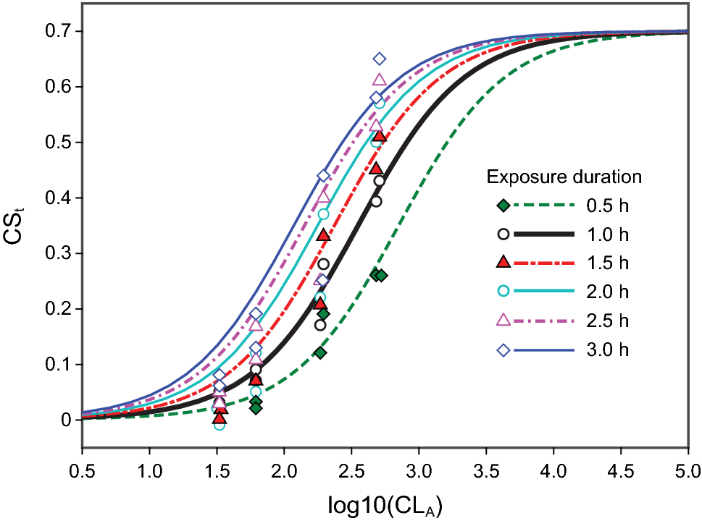

 | Circadian Stimulus
 | CS
 | 0.07
 | Circadian Light
 | CLA
 | 48.62

 |  |  |  |  | *Please see: https://www.nature.com/articles/s41598-020-70619-5

α-opic action spectra

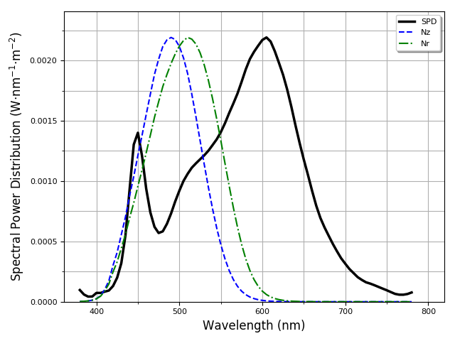
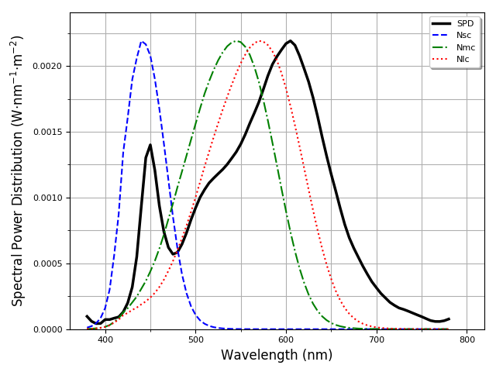

Glossary of important terms related to health

𝗖𝗖𝗧: Correlated Color Temperature in Kelvin degrees (K). More info: https://en.wikipedia.org/wiki/Color_temperature#Correlated_color_temperature
𝗖𝗶𝗿𝗰𝗮𝗱𝗶𝗮𝗻 𝗟𝗶𝗴𝗵𝘁 (𝗖𝗟𝗔): Is the irradiance at the cornea weighted to reflect the spectral sensitivity of the human circadian system as measured by acute melatonin suppression after a 1-hour exposure. More info: https://www.lrc.rpi.edu/programs/lightHealth/pdf/LookUpTable_Recessed-Downlight.pdf
𝗖𝗶𝗿𝗰𝗮𝗱𝗶𝗮𝗻 𝗦𝘁𝗶𝗺𝘂𝗹𝘂𝘀 (𝗖𝗦): Estimate whether a lighting system can provide the levels of light necessary for affecting the circadian system. More precisely, CS is defined as the calculated effectiveness of the spectrally weighted irradiance at the cornea from threshold (CS = 0.1) to saturation (CS = 0.7). It is important to keep in mind that the CS metric assumes a fixed duration of exposure (1 hour) and is agnostic with respect to timing and photic history. However, it is recommended that high circadian stimulus be provided during the day, especially in the morning hours. More info: https://www.lrc.rpi.edu/programs/lightHealth/pdf/LookUpTable_Recessed-Downlight.pdf
𝗘𝗳𝗳𝗲𝗰𝘁𝗶𝘃𝗲 𝗠𝗲𝗹𝗮𝗻𝗼𝗽𝗶𝗰 𝗟𝘂𝘅 (𝗘𝗠𝗟): The biological effects of light on humans can be measured in Equivalent Melanopic Lux (EML), a proposed alternate metric that is weighted to the ipRGCs instead of to the cones, which is the case with traditional lux. During Performance Verification, EML is measured on the vertical plane at eye level of the occupant. More info: https://standard.wellcertified.com/light/circadian-lighting-design
𝗜𝗹𝗹𝘂𝗺𝗶𝗻𝗮𝗻𝗰𝗲: in lux (lx), total luminous flux incident on the sensor diffuser surface, per unit area. It is a measure of how much the incident light illuminates the surface, wavelength-weighted by the luminosity function to correlate with human brightness perception. More info: https://en.wikipedia.org/wiki/Illuminance

Color
 |  |  |  |  | Report created on: 27/10/2021, 15:47:44
 |  |  |  |  | Spectrum name: animal room - cage back |  |  |  |  |  | https://ledmotive.com/photonfy
 |  |  |  |  | Author name: taylorc@neco.edu |  |  |  |  |  | https://photonfy.com

Report section: COLOR QUALITY

CIE1931-xy, CIE1976-u'v' spaces and ANSI C78.377-2015 Chomaticity of SSL products

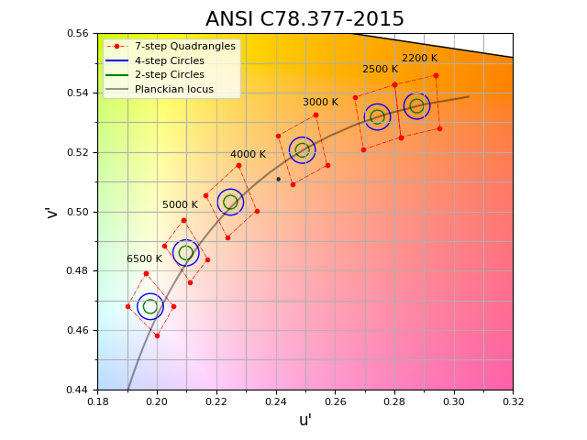
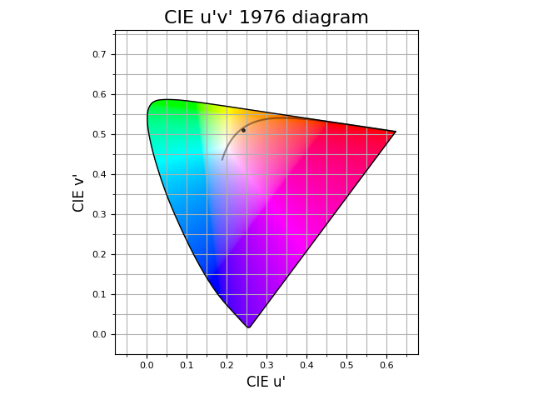

 |  | CCT, Δuv, and Illuminance |  |  |  |  |  | Color coordinates
 |  | CCT (K) | Δuv | Illuminance (lx) |  |  |  | CIE 1931 XYZ | CIE 1931 xy | CIE 1976 u'v' | sRGB
 |  | 3349 | -2.47E-03 | 111.65 |  |  |  | (0.17, 0.16, 0.08) | (0.4112, 0.3879) | (0.2407, 0.5110) | (141, 105, 73)

 |  | Dominant wavelength and purity |  |  | Cyanosis Observation Index |  |  | Other color spaces and names
 |  | λ (nm) | Purity (%) |  | COI |  |  | HSV | CMYK | HEX Color | Human-readable | Nearest Munsell chip
 |  | 585 | 38.78 |  | 5.94 |  |  | (28.235, 0.482, 0.553) | (0.000, 0.255, 0.482, 0.447) | #8D6949 | Pantone 876 C | 2.5Y 9/6

General and special CIE CRI indexes and associated CIE-L*a*b* color shifts

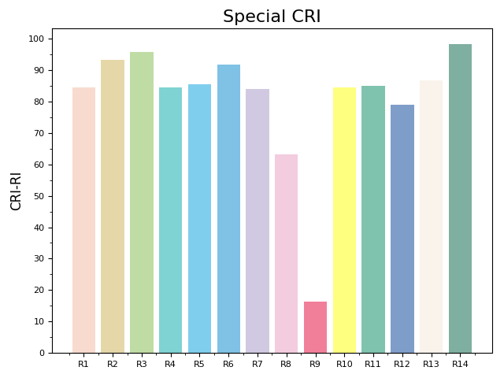
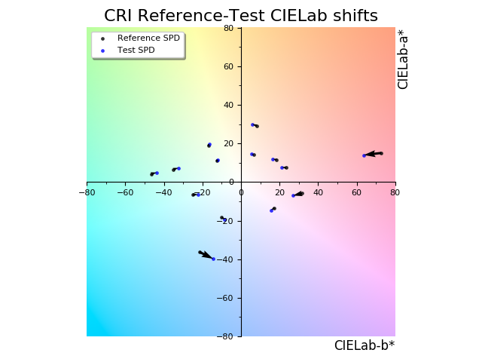

 |  |  | General and Special CRI values
 |  |  | Rₐ | R₁ | R₂ | R₃ | R₄
 |  |  | 85.25 | 84.51 | 93.13 | 95.73 | 84.43
 |  |  | R₅ | R₆ | R₇ | R₈ | R₉
 |  |  | 85.50 | 91.72 | 83.85 | 63.12 | 16.38
 |  |  | R₁₀ | R₁₁ | R₁₂ | R₁₃ | R₁₄
 |  |  | 84.48 | 84.90 | 78.90 | 86.79 | 98.24

IES TM30-20 Rf, Rg, Rf,h, Rcs,h, Rhs,h and Color Vector Graphic (CVG)

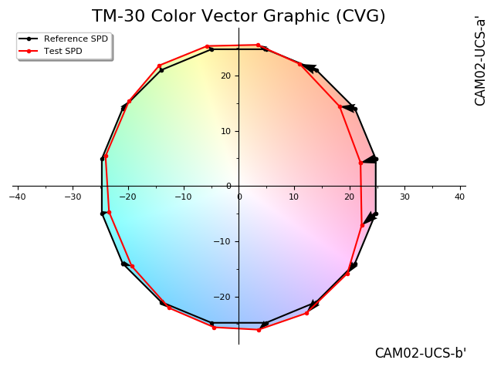
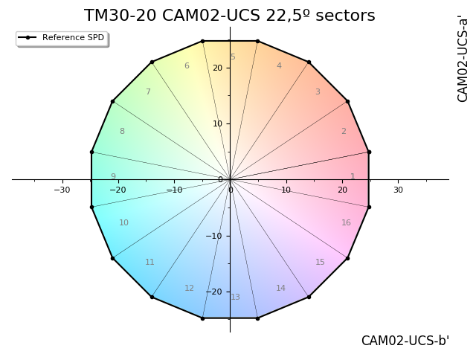

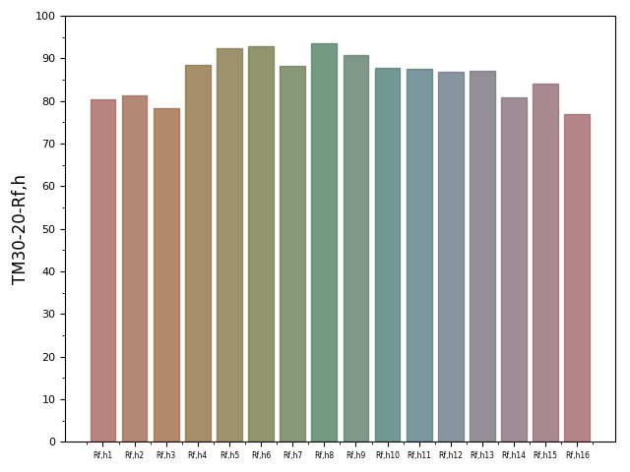
 | TM30-20 Rf and Rg values
 | Rf | Rg
 | 85.69 | 97.00

 |  |  |  | TM30-20 Rf,hj values
 |  |  |  | Rf,h1 | Rf,h2 | Rf,h3 | Rf,h4
 |  |  |  | 80.2745 | 81.3116 | 78.3926 | 88.3990
 |  |  |  | Rf,h5 | Rf,h6 | Rf,h7 | Rf,h8
 |  |  |  | 92.3479 | 92.7824 | 88.2617 | 93.5742
 |  |  |  | Rf,h9 | Rf,h10 | Rf,h11 | Rf,h12
 |  |  |  | 90.8035 | 87.8630 | 87.5265 | 86.8166
 |  |  |  | Rf,h13 | Rf,h14 | Rf,h15 | Rf,h16
 |  |  |  | 86.9876 | 80.9361 | 84.1199 | 76.9539

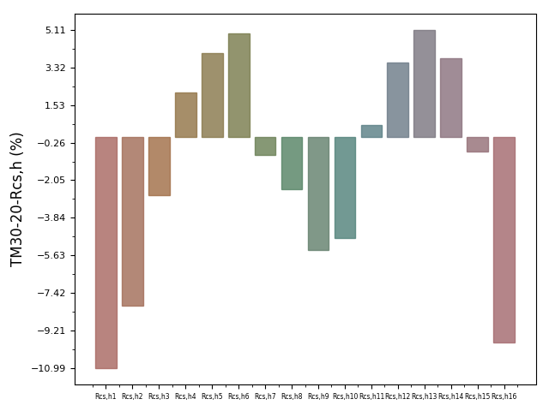

 |  |  |  | TM30-20 Rcs,hj values
 |  |  |  | Rcs,h1 | Rcs,h2 | Rcs,h3 | Rcs,h4
 |  |  |  | -10.9943 | -8.0393 | -2.7559 | 2.1275
 |  |  |  | Rcs,h5 | Rcs,h6 | Rcs,h7 | Rcs,h8
 |  |  |  | 4.0318 | 4.9390 | -0.8321 | -2.4622
 |  |  |  | Rcs,h9 | Rcs,h10 | Rcs,h11 | Rcs,h12
 |  |  |  | -5.3875 | -4.8045 | 0.5850 | 3.5548
 |  |  |  | Rcs,h13 | Rcs,h14 | Rcs,h15 | Rcs,h16
 |  |  |  | 5.1063 | 3.7611 | -0.6693 | -9.7718

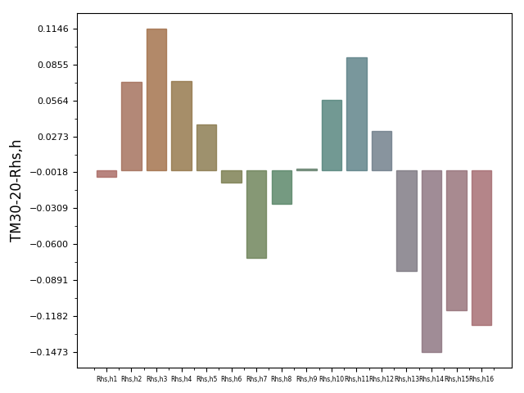

 |  |  |  | TM30-20 Rhs,hj values
 |  |  |  | Rhs,h1 | Rhs,h2 | Rhs,h3 | Rhs,h4
 |  |  |  | -0.0057 | 0.0718 | 0.1146 | 0.0722
 |  |  |  | Rhs,h5 | Rhs,h6 | Rhs,h7 | Rhs,h8
 |  |  |  | 0.0367 | -0.0100 | -0.0710 | -0.0272
 |  |  |  | Rhs,h9 | Rhs,h10 | Rhs,h11 | Rhs,h12
 |  |  |  | 0.0012 | 0.0570 | 0.0912 | 0.0315
 |  |  |  | Rhs,h13 | Rhs,h14 | Rhs,h15 | Rhs,h16
 |  |  |  | -0.0821 | -0.1473 | -0.1136 | -0.1255

IES TM30-20 Annex E Recommendations and Categories
*Please see IES TM30-20: https://store.ies.org/product/tm-30-20-ies-method-for-evaluating-light-source-color-rendition/

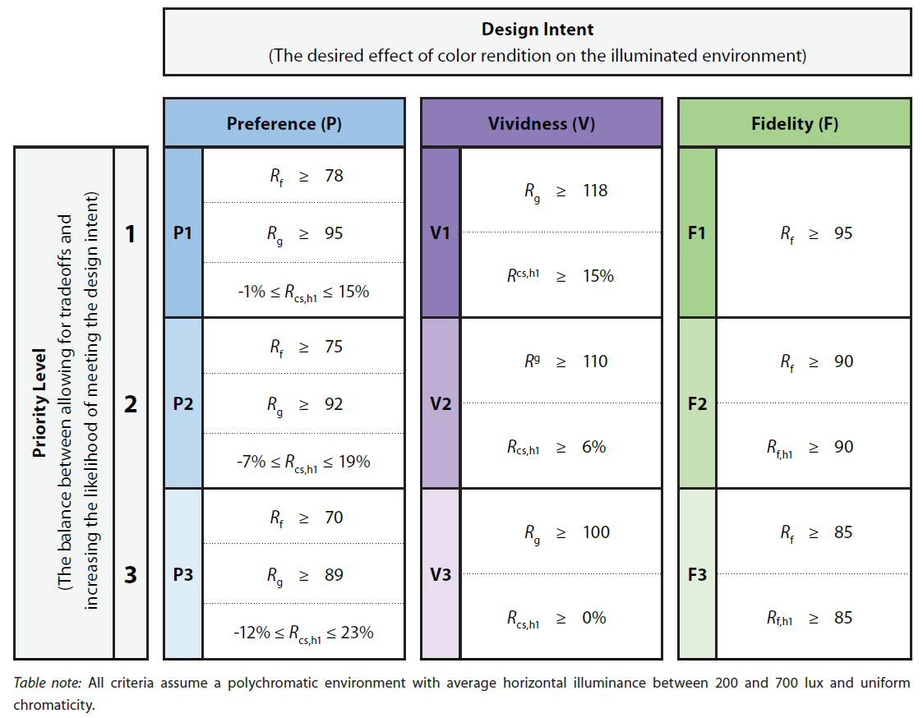

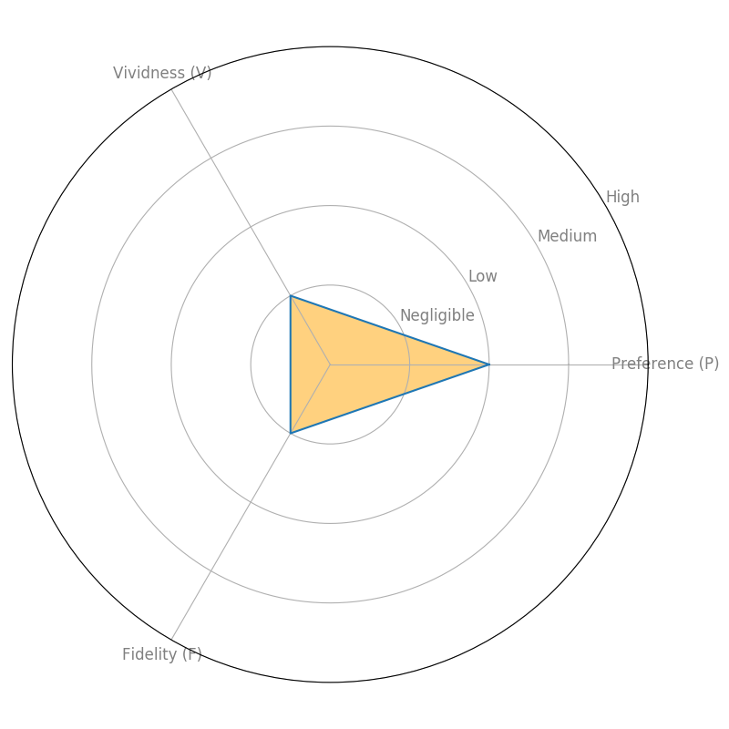

Glossary of important terms related to color quality

𝗖𝗜𝗘 𝗖𝗥𝗜 (𝗥𝗮): is a quantitative measure of the ability of a light source to reveal the colors of various objects faithfully in comparison with an ideal or natural light source. Light sources with a high CRI are desirable in color-critical applications such as neonatal care and art restoration. Ra is the average value of R1–R8, other values from R9 to R15 are missing in Ra calculation, including R9 "saturated red", R13 "skin color (light)", and R15 "skin color (medium)", which are all difficult colors to faithfully reproduce. More info: https://en.wikipedia.org/wiki/Color_rendering_index
𝗛𝗦𝗩 𝗰𝗼𝗹𝗼𝗿: HSV (hue, saturation and Value]) is an alternative representation of the RGB color model, designed in the 1970s by computer graphics researchers to more closely align with the way human vision perceives color-making attributes. In these models, colors of each hue are arranged in a radial slice, around a central axis of neutral colors which ranges from black at the bottom to white at the top. More info: https://en.wikipedia.org/wiki/HSL_and_HSV
𝗛𝘂𝗺𝗮𝗻 𝗿𝗲𝗮𝗱𝗮𝗯𝗹𝗲 𝗰𝗼𝗹𝗼𝗿: Human friendly manner to name a color as opposed to using color spaces.
𝗖𝗜𝗘 𝟭𝟵𝟯𝟭 (𝗫,𝗬,𝗭) 𝗰𝗼𝗹𝗼𝗿 𝘀𝗽𝗮𝗰𝗲: The CIE XYZ color space encompasses all color sensations that are visible to a person with average eyesight. That is why CIE XYZ (Tristimulus values) is a device-invariant representation of color. It serves as a standard reference against which many other color spaces are defined. A set of color-matching functions, like the spectral sensitivity curves of the LMS color space, but not restricted to non-negative sensitivities, associates physically produced light spectra with specific tristimulus values. More info: https://en.wikipedia.org/wiki/CIE_1931_color_space
𝗦𝗽𝗲𝗰𝘁𝗿𝗮𝗹 𝗽𝘂𝗿𝗶𝘁𝘆: Expressed as a percentage, it refers to the quantification of the monochromaticity of a given light sample. This is a particularly important parameter in areas like laser operation and time measurement. Spectral purity is easier to achieve in devices that generate visible and ultraviolet light, since higher frequency light results in greater spectral purity. More info: https://en.wikipedia.org/wiki/Spectral_purity
𝗡𝗲𝗮𝗿𝗲𝘀𝘁 𝗠𝘂𝗻𝘀𝗲𝗹𝗹: It provides the nearest Munsell chip to the color of the SPD under study.
𝗛𝗘𝗫 𝗰𝗼𝗹𝗼𝗿:
𝗜𝗹𝗹𝘂𝗺𝗶𝗻𝗮𝗻𝗰𝗲: in lux (lx), total luminous flux incident on the sensor diffuser surface, per unit area. It is a measure of how much the incident light illuminates the surface, wavelength-weighted by the luminosity function to correlate with human brightness perception. More info: https://en.wikipedia.org/wiki/Illuminance
𝗖𝗜𝗘 𝟭𝟵𝟯𝟭 (𝘅,𝘆) 𝗰𝗼𝗼𝗿𝗱𝗶𝗻𝗮𝘁𝗲𝘀: The concept of color can be divided into two parts: brightness and chromaticity. The CIE XYZ color space was deliberately designed so that the Y parameter is a measure of the luminance of a color. The chromaticity is then specified by the two derived parameters x and y, two of the three normalized values being functions of all three tristimulus values X, Y, and Z. More info: https://en.wikipedia.org/wiki/CIE_1931_color_space
𝗜𝗘𝗦 𝗧𝗠 𝟯𝟬-𝟭𝟴 (𝗥𝗴): Rg measures the average gamut shift (hue/saturation) of the source. A graphical representation of Rg is also usually provided to visually represent which colors are washed out or more vivid due to the light source. More info: https://www.energy.gov/sites/prod/files/2016/04/f30/tm-30_fact-sheet.pdf
𝘀𝗥𝗚𝗕: sRGB is an RGB color space that HP and Microsoft created cooperatively in 1996 to use on monitors, printers, and the Web. More info: https://en.wikipedia.org/wiki/SRGB
𝗖𝗜𝗘 𝟭𝟵𝟯𝟭 𝘅𝘆 𝗰𝗵𝗿𝗼𝗺𝗮𝘁𝗶𝗰𝗶𝘁𝘆 𝗱𝗶𝗮𝗴𝗿𝗮𝗺: The CIE 1931 diagram represents all of the chromaticities visible to the average person. These are shown in color and this region is called the gamut of human vision. The gamut of all visible chromaticities on the CIE plot is a tongue-shaped or horseshoe-shaped figure. The curved edge of the gamut is called the spectral locus and corresponds to monochromatic light (each point representing a pure hue of a single wavelength), with wavelengths listed in nanometers. The straight edge on the lower part of the gamut is called the line of purples. These colors, although they are on the border of the gamut, have no counterpart in monochromatic light. Less saturated colors appear in the interior of the figure with white at the center. More info: https://en.wikipedia.org/wiki/CIE_1931_color_space
𝗖𝗖𝗧: Correlated Color Temperature in Kelvin degrees (K). More info: https://en.wikipedia.org/wiki/Color_temperature#Correlated_color_temperature
𝗧𝗠𝟯𝟬-𝟮𝟬 𝗵𝘂𝗲 𝗿𝗲𝗴𝗶𝗼𝗻𝘀: In some cases, it may be necessary to specify numerical values for specific hue regions, such as red. The measures Rf,hj and Rcs,hj (where j indicates the number of the hue bin) correspond to the fidelity and chroma change for the average chromaticity in each of 16 hue bins. The bins are numbered in a counterclockwise order beginning with the positive a' axis of the CAM02-UCS. For example, Rf,h1 corresponds to the fidelity in hue bin 1, which is red. Rf,h1 is correlated with the CIE R9 value, but does not share the same scale. All fidelity values in TM-30 are scaled from 0 to 100, with 100 indicating an exact match with the reference. More info: https://www.energy.gov/sites/prod/files/2016/04/f30/tm-30_fact-sheet.pdf
𝗖𝗠𝗬𝗞 𝗰𝗼𝗹𝗼𝗿: The CMYK color model is a subtractive color model, based on the CMY color model, used in color printing, and is also used to describe the printing process itself. CMYK refers to the four ink plates used in some color printers: cyan, magenta, yellow, and key (black). More info: https://en.wikipedia.org/wiki/CMYK_color_model
𝗖𝗜𝗘 𝟭𝟵𝟳𝟲 (𝘂',𝘃') 𝗰𝗼𝗼𝗿𝗱𝗶𝗻𝗮𝘁𝗲𝘀: The L*u*v* color space (also referred to as the CIELUV space) is one of the uniform color spaces defined by the CIE in 1976. (u', v') are the 2D chromaticity coordinates in this space. More info: https://en.wikipedia.org/wiki/CIELUV
𝗦𝗣𝗗: Spectral power distribution (the visible range spans 380nm-780nm). More info: https://en.wikipedia.org/wiki/Spectral_power_distribution
𝗖𝗜𝗘 𝗖𝗥𝗜 (𝗥𝟵): It describes the specific ability of light to accurately reproduce the red color of objects. The red color is the key color for many lighting applications, such as film and video lighting, textile printing, image printing, skin tone, medical lighting, and so on. Many lights manufacturers or retailers do not point out the score of R9, while it is a vital value to evaluate the color rendition performance of a light source. More info: https://en.wikipedia.org/wiki/Color_rendering_index
𝗗𝗼𝗺𝗶𝗻𝗮𝗻𝘁 𝘄𝗮𝘃𝗲𝗹𝗲𝗻𝗴𝘁𝗵: In nanometers (nm), is the wavelength of the monochromatic spectral light that evokes an identical perception of hue. More info: https://en.wikipedia.org/wiki/Dominant_wavelength
𝗖𝗼𝗹𝗼𝗿 𝗮𝗻𝗱 𝗖𝗖𝗧 𝗯𝗶𝗻𝗻𝗶𝗻𝗴. 𝗔𝗡𝗦𝗜 𝗖𝟳𝟴.𝟯𝟳𝟳-𝟮𝟬𝟭𝟳: Standard that specifies the range of chromaticities recommended for general lighting with solid state lighting (SSL) products, as well as to ensure that the white light chromaticities of the products can be communicated to consumers. More info: https://www.techstreet.com/standards/ansi-c78-377-2017?product_id=1986630
𝗖𝗜𝗘 𝗦𝗽𝗲𝗰𝗶𝗮𝗹 𝗖𝗥𝗜: Particular CRI values for the different samples TCS 1-14 described in the method. More info: https://en.wikipedia.org/wiki/Color_rendering_index
𝗜𝗘𝗦 𝗧𝗠 𝟯𝟬-𝟭𝟴 (𝗥𝗳): IES TM 30-18 describes a method for evaluating light source color rendition that takes an objective and statistical approach, quantifying both overall average properties (color fidelity, gamut area) and hue-specific properties (fidelity, chroma shift, hue shift) of a light source using numerical and graphical techniques. Rf is a similar metric to the CRI (Ra) standard that measures color rendering based on comparison to a color palette of 99 reflectance samples (CRI only had 9). More info: https://www.energy.gov/sites/prod/files/2016/04/f30/tm-30_fact-sheet.pdf
𝗖𝗜𝗘 𝗟*𝗮*𝗯* 𝘀𝗽𝗮𝗰𝗲: CIE L*a*b* (CIELAB) is a color space specified by the International Commission on Illumination (CIE). It describes all the colors visible to the human eye and was created to serve as a device-independent model to be used as a reference. The three coordinates of CIELAB represent the lightness of the color (L* = 0 yields black and L* = 100 indicates diffuse white; specular white may be higher), its position between red/magenta and green (a*, negative values indicate green while positive values indicate magenta) and its position between yellow and blue (b*, negative values indicate blue and positive values indicate yellow). The asterisk (*) after L, a and b are pronounced star and are part of the full name, since they represent L*, a* and b*, to distinguish them from Hunter's L, a, and b. More info: https://en.wikipedia.org/wiki/CIELAB_color_space

Artwork damage
 |  | Report created on: 27/10/2021, 15:47:55
 |  | Spectrum name: animal room - cage back |  |  |  |  |  | https://ledmotive.com/photonfy
 |  | Author name: taylorc@neco.edu |  |  |  |  |  | https://photonfy.com

Report section: DAMAGE CAUSED BY OPTICAL RADIATION

CIE CIE 157:2004 Control of damage to museum objects by optical radiation

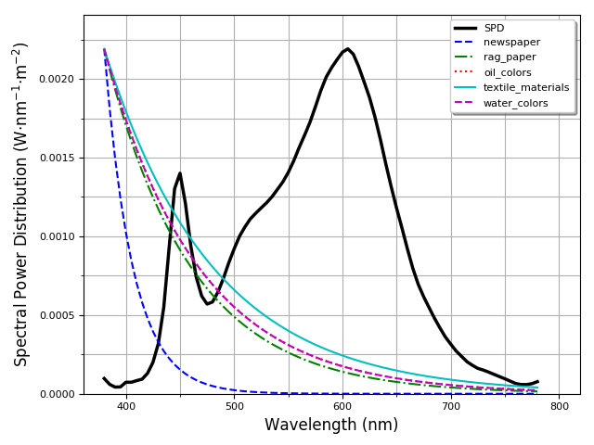
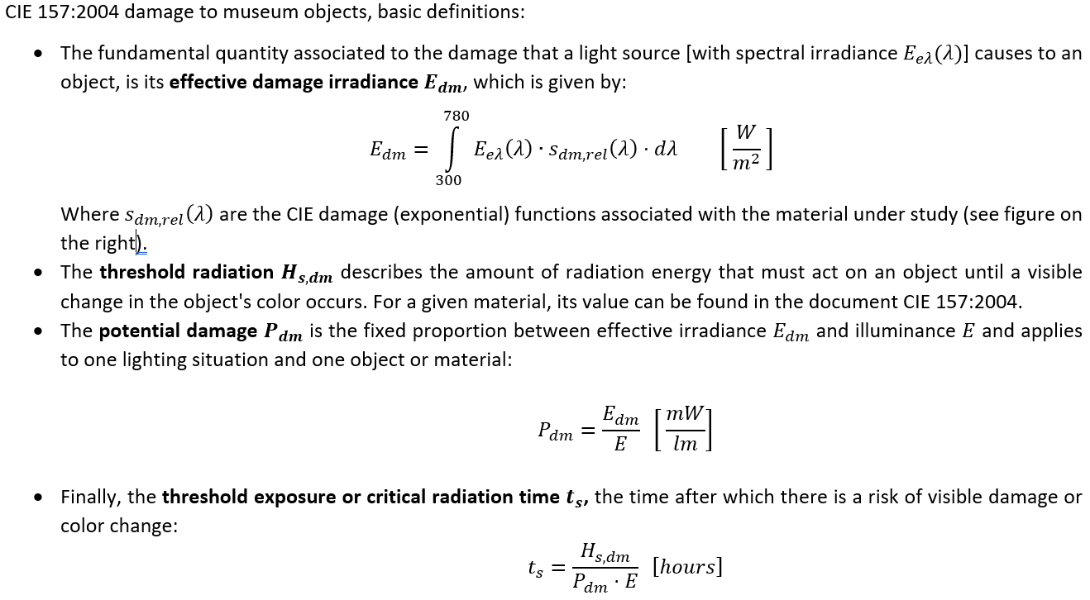

 | *See http://cie.co.at/publications/control-damage-museum-objects-optical-radiation

Material: NEWSPAPER. Effective Irradiance, Potential damage and Threshold Exposure time

 |  | Newspaper
 |  |  |  |  |  |  | Illuminance [lx]
 |  |  |  | 50 | 150 | 300 | 500 | 1000 | 2000 | 5000 | 20000
 |  |  | Pdm [mW/lm] |  |  |  | Threshold exposure [hours]
Newspaper |  |  | 0.01 | 10000 | 3334 | 1667 | 1000 | 500 | 250 | 100 | 25
 | Effective Irradiance (Edm) |  | 0.05 | 2000 | 667 | 334 | 200 | 100 | 50 | 20 | 5
 | Edm [W/m²] |  | 0.10 | 1000 | 334 | 167 | 100 | 50 | 25 | 10 | 3
 | 0.0003 |  | 0.11 | 910 | 304 | 152 | 91 | 46 | 23 | 10 | 3
 | Damage potential (Pdm) |  | 0.12 | 834 | 278 | 139 | 84 | 42 | 21 | 9 | 3
 | Pdm [mW/lm] |  | 0.13 | 770 | 257 | 129 | 77 | 39 | 20 | 8 | 2
 | 0.0022 |  | 0.14 | 715 | 239 | 120 | 72 | 36 | 18 | 8 | 2
 | Threshold exposure (ts) |  | 0.15 | 667 | 223 | 112 | 67 | 34 | 17 | 7 | 2
 | ts [hours] |  | 0.16 | 625 | 209 | 105 | 63 | 32 | 16 | 7 | 2
 | 19927 |  | 0.17 | 589 | 197 | 99 | 59 | 30 | 15 | 6 | 2
 | Illuminance (E) |  | 0.18 | 556 | 186 | 93 | 56 | 28 | 14 | 6 | 2
 | Illuminance [lx] |  | 0.20 | 500 | 167 | 84 | 50 | 25 | 13 | 5 | 2
 | 111.65 |  | 0.23 | 435 | 145 | 73 | 44 | 22 | 11 | 5 | 2
 |  |  | 0.27 | 371 | 124 | 62 | 38 | 19 | 10 | 4 | 1
 |  |  | 0.54 | 186 | 62 | 31 | 19 | 10 | 5 | 2 | 1

Material: RAG PAPER. Effective Irradiance, Potential damage and Threshold Exposure time

 |  | Rag paper
 |  |  |  |  |  |  | Illuminance [lx]
 |  |  |  | 50 | 150 | 300 | 500 | 1000 | 2000 | 5000 | 20000
 |  |  | Pdm [mW/lm] |  |  |  | Threshold exposure [hours]
Rag paper |  |  | 0.01 | 2400000 | 800000 | 400000 | 240000 | 120000 | 60000 | 24000 | 6000
 | Effective Irradiance (Edm) |  | 0.05 | 480000 | 160000 | 80000 | 48000 | 24000 | 12000 | 4800 | 1200
 | Edm [W/m²] |  | 0.10 | 240000 | 80000 | 40000 | 24000 | 12000 | 6000 | 2400 | 600
 | 0.0175 |  | 0.11 | 218182 | 72728 | 36364 | 21819 | 10910 | 5455 | 2182 | 546
 | Damage potential (Pdm) |  | 0.12 | 200000 | 66667 | 33334 | 20000 | 10000 | 5000 | 2000 | 500
 | Pdm [mW/lm] |  | 0.13 | 184616 | 61539 | 30770 | 18462 | 9231 | 4616 | 1847 | 462
 | 0.1567 |  | 0.14 | 171429 | 57143 | 28572 | 17143 | 8572 | 4286 | 1715 | 429
 | Threshold exposure (ts) |  | 0.15 | 160000 | 53334 | 26667 | 16000 | 8000 | 4000 | 1601 | 401
 | ts [hours] |  | 0.16 | 150000 | 50000 | 25000 | 15000 | 7500 | 3750 | 1500 | 375
 | 68575 |  | 0.17 | 141177 | 47059 | 23530 | 14118 | 7059 | 3530 | 1412 | 353
 | Illuminance (E) |  | 0.18 | 133334 | 44445 | 22223 | 13334 | 6667 | 3334 | 1334 | 334
 | Illuminance [lx] |  | 0.20 | 120000 | 40000 | 20000 | 12000 | 6000 | 3000 | 1200 | 300
 | 111.65 |  | 0.23 | 104348 | 34783 | 17392 | 10435 | 5218 | 2609 | 1044 | 261
 |  |  | 0.27 | 88889 | 29630 | 14815 | 8889 | 4445 | 2223 | 889 | 223
 |  |  | 0.54 | 44445 | 14815 | 7408 | 4445 | 2223 | 1112 | 445 | 112

Material: OIL COLORS. Effective Irradiance, Potential damage and Threshold Exposure time

 |  | Oil Colors
 |  |  |  |  |  |  | Illuminance [lx]
 |  |  |  | 50 | 150 | 300 | 500 | 1000 | 2000 | 5000 | 20000
 |  |  | Pdm [mW/lm] |  |  |  | Threshold exposure [hours]
Oil colors |  |  | 0.01 | 1700000 | 566667 | 283334 | 170000 | 85000 | 42500 | 17000 | 4250
 | Effective Irradiance (Edm) |  | 0.05 | 340000 | 113334 | 56667 | 34000 | 17000 | 8500 | 3400 | 850
 | Edm [W/m²] |  | 0.10 | 170000 | 56667 | 28334 | 17000 | 8500 | 4250 | 1700 | 425
 | 0.0216 |  | 0.11 | 154546 | 51516 | 25758 | 15455 | 7728 | 3864 | 1546 | 387
 | Damage potential (Pdm) |  | 0.12 | 141667 | 47223 | 23612 | 14167 | 7084 | 3542 | 1417 | 355
 | Pdm [mW/lm] |  | 0.13 | 130770 | 43590 | 21795 | 13077 | 6539 | 3270 | 1308 | 327
 | 0.1933 |  | 0.14 | 121429 | 40477 | 20239 | 12143 | 6072 | 3036 | 1215 | 304
 | Threshold exposure (ts) |  | 0.15 | 113334 | 37778 | 18889 | 11334 | 5667 | 2834 | 1134 | 284
 | ts [hours] |  | 0.16 | 106250 | 35417 | 17709 | 10625 | 5313 | 2657 | 1063 | 266
 | 39389 |  | 0.17 | 100000 | 33334 | 16667 | 10000 | 5000 | 2500 | 1000 | 250
 | Illuminance (E) |  | 0.18 | 94445 | 31482 | 15741 | 9445 | 4723 | 2362 | 945 | 237
 | Illuminance [lx] |  | 0.20 | 85000 | 28334 | 14167 | 8500 | 4250 | 2125 | 850 | 213
 | 111.65 |  | 0.23 | 73914 | 24638 | 12319 | 7392 | 3696 | 1848 | 740 | 185
 |  |  | 0.27 | 62963 | 20988 | 10494 | 6297 | 3149 | 1575 | 630 | 158
 |  |  | 0.54 | 31482 | 10494 | 5247 | 3149 | 1575 | 788 | 315 | 79

Material: TEXTILE MATERIALS. Effective Irradiance, Potential damage and Threshold Exposure time

 |  | Textile materials
 |  |  |  |  |  |  | Illuminance [lx]
 |  |  |  | 50 | 150 | 300 | 500 | 1000 | 2000 | 5000 | 20000
 |  |  | Pdm [mW/lm] |  |  |  | Threshold exposure [hours]
Textile materials |  |  | 0.01 | 580000 | 193334 | 96667 | 58000 | 29000 | 14500 | 5800 | 1450
 | Effective Irradiance (Edm) |  | 0.05 | 116000 | 38667 | 19334 | 11600 | 5800 | 2900 | 1160 | 290
 | Edm [W/m²] |  | 0.10 | 58000 | 19334 | 9667 | 5800 | 2900 | 1450 | 580 | 145
 | 0.0298 |  | 0.11 | 52728 | 17576 | 8788 | 5273 | 2637 | 1319 | 528 | 132
 | Damage potential (Pdm) |  | 0.12 | 48334 | 16112 | 8056 | 4834 | 2417 | 1209 | 484 | 121
 | Pdm [mW/lm] |  | 0.13 | 44616 | 14872 | 7436 | 4462 | 2231 | 1116 | 447 | 112
 | 0.2671 |  | 0.14 | 41429 | 13810 | 6905 | 4143 | 2072 | 1036 | 415 | 104
 | Threshold exposure (ts) |  | 0.15 | 38667 | 12889 | 6445 | 3867 | 1934 | 967 | 387 | 97
 | ts [hours] |  | 0.16 | 36250 | 12084 | 6042 | 3625 | 1813 | 907 | 363 | 91
 | 9725 |  | 0.17 | 34118 | 11373 | 5687 | 3412 | 1706 | 853 | 342 | 86
 | Illuminance (E) |  | 0.18 | 32223 | 10741 | 5371 | 3223 | 1612 | 806 | 323 | 81
 | Illuminance [lx] |  | 0.20 | 29000 | 9667 | 4834 | 2900 | 1450 | 725 | 290 | 73
 | 111.65 |  | 0.23 | 25218 | 8406 | 4203 | 2522 | 1261 | 631 | 253 | 64
 |  |  | 0.27 | 21482 | 7161 | 3581 | 2149 | 1075 | 538 | 215 | 54
 |  |  | 0.54 | 10741 | 3581 | 1791 | 1075 | 538 | 269 | 108 | 27

Material: WATER COLORS. Effective Irradiance, Potential damage and Threshold Exposure time

 |  | Water colors
 |  |  |  |  |  |  | Illuminance [lx]
 |  |  |  | 50 | 150 | 300 | 500 | 1000 | 2000 | 5000 | 20000
 |  |  | Pdm [mW/lm] |  |  |  | Threshold exposure [hours]
Water colors |  |  | 0.01 | 350000 | 116667 | 58334 | 35000 | 17500 | 8750 | 3500 | 875
 | Effective Irradiance (Edm) |  | 0.05 | 70000 | 23334 | 11667 | 7000 | 3500 | 1750 | 700 | 175
 | Edm [W/m²] |  | 0.10 | 35000 | 11667 | 5834 | 3500 | 1750 | 875 | 350 | 88
 | 0.0216 |  | 0.11 | 31819 | 10607 | 5304 | 3182 | 1591 | 796 | 319 | 80
 | Damage potential (Pdm) |  | 0.12 | 29167 | 9723 | 4862 | 2917 | 1459 | 730 | 292 | 73
 | Pdm [mW/lm] |  | 0.13 | 26924 | 8975 | 4488 | 2693 | 1347 | 674 | 270 | 68
 | 0.1933 |  | 0.14 | 25000 | 8334 | 4167 | 2500 | 1250 | 625 | 250 | 63
 | Threshold exposure (ts) |  | 0.15 | 23334 | 7778 | 3889 | 2334 | 1167 | 584 | 234 | 59
 | ts [hours] |  | 0.16 | 21875 | 7292 | 3646 | 2188 | 1094 | 547 | 219 | 55
 | 8110 |  | 0.17 | 20589 | 6863 | 3432 | 2059 | 1030 | 515 | 206 | 52
 | Illuminance (E) |  | 0.18 | 19445 | 6482 | 3241 | 1945 | 973 | 487 | 195 | 49
 | Illuminance [lx] |  | 0.20 | 17500 | 5834 | 2917 | 1750 | 875 | 438 | 175 | 44
 | 111.65 |  | 0.23 | 15218 | 5073 | 2537 | 1522 | 761 | 381 | 153 | 39
 |  |  | 0.27 | 12963 | 4321 | 2161 | 1297 | 649 | 325 | 130 | 33
 |  |  | 0.54 | 6482 | 2161 | 1081 | 649 | 325 | 163 | 65 | 17

Glossary of important terms related to damage of materials by optical radiation

𝗖𝗜𝗘 𝗱𝗮𝗺𝗮𝗴𝗲 𝗳𝘂𝗻𝗰𝘁𝗶𝗼𝗻𝘀 𝘀𝗱𝗳(λ): Damage function curves for materials which follow an exponential decay with the increase of wavelength. These functions depend on the type of material (water colors, oil paint, paper, textile materials, etc). More info: http://cie.co.at/publications/control-damage-museum-objects-optical-radiation
𝗣𝗼𝘁𝗲𝗻𝘁𝗶𝗮𝗹 𝗱𝗮𝗺𝗮𝗴𝗲: Typically expressed in mW/lm, evaluates the damage generated by a light spectrum on a given material under a certain exposure, in which the illuminance in lux, exposure time t and Spectral Power Distribution are known. The thermal effect of infrared in the light source dry, deform and crack the materials. The UV radiation is a chemical effect, which will cause the fading and discoloration of the material. More info: http://cie.co.at/publications/control-damage-museum-objects-optical-radiation
𝗧𝗿𝗲𝘀𝗵𝗼𝗹𝗱 𝗲𝘅𝗽𝗼𝘀𝘂𝗿𝗲: Its the photon energy threshold in lux-hours that the object can bear, before experimenting a photochemical reaction in the material, thus showing a color change. More info: http://cie.co.at/publications/control-damage-museum-objects-optical-radiation

Horticulture
 |  | Report created on: 27/10/2021, 15:47:56
 |  | Spectrum name: animal room - cage back |  |  | https://ledmotive.com/photonfy
 |  | Author name: taylorc@neco.edu |  |  | https://photonfy.com

Report section: HORTICULTURE LIGHTING METRICS

Plant pigment absorption and PAR action spectrum

 | Absorption spectra for chlorophyll-A, chlorophyll-B, and carotenoids |  |  | PAR action spectrum (oxygen evolution per incident photon) of an isolated chloroplast

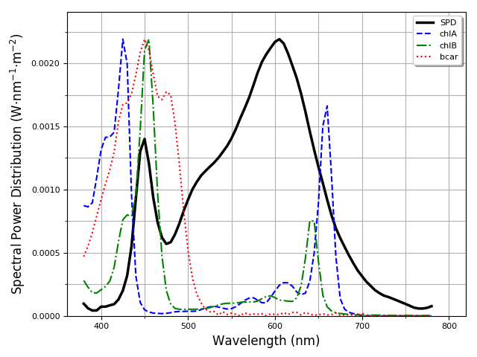
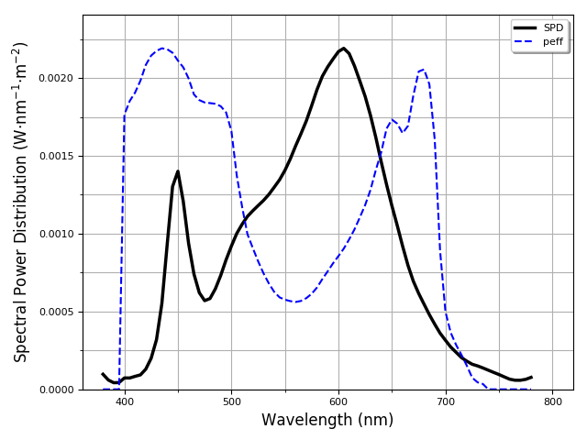

PPFD and YPFD: Photosynthetic Photon Flux density and Yield Photon Flux density

 | PPFD in the whole PAR zone (400-700 nm), in µmol/s/m² |  |  | YPFD in the whole PAR zone (400-700 nm), in µmol/s/m²
 | PPFD PAR (400-700 nm) |  |  | YPFD PAR (400-700 nm)
 | 1.59 |  |  | 1.41
 | PPFD in the UVA zone (350-400 nm), in µmol/s/m² |  |  | YPFD in the UVA zone (350-400 nm), in µmol/s/m²
 | PPFD UVA (350-400 nm) |  |  | YPFD UVA (350-400 nm)
 | 0.00 |  |  | 0.00
 | PPFD in the BLUE zone (400-500 nm), in µmol/s/m² |  |  | YPFD in the BLUE zone (400-500 nm), in µmol/s/m²
 | PPFD BLUE (400-500 nm) |  |  | YPFD BLUE (400-500 nm)
 | 0.23 |  |  | 0.17
 | PPFD in the GREEN zone (500-600 nm), in µmol/s/m² |  |  | YPFD in the GREEN zone (500-600 nm), in µmol/s/m²
 | PPFD GREEN (500-600 nm) |  |  | YPFD GREEN (500-600 nm)
 | 0.68 |  |  | 0.60
 | PPFD in the RED zone (600-700 nm), in µmol/s/m² |  |  | YPFD in the RED zone (600-700 nm), in µmol/s/m²
 | PPFD RED (600-700 nm) |  |  | YPFD RED (600-700 nm)
 | 0.68 |  |  | 0.65
 | PPFD in the NIR zone (700-800 nm), in µmol/s/m² |  |  | YPFD in the NIR zone (700-800 nm), in µmol/s/m²
 | PPFD NIR (700-800 nm) |  |  | YPFD NIR (700-800 nm)
 | 0.06 |  |  | 0.01

Ratios and and DLI (Daily Light Integral)

 |  |  |  | Photon-weighted curve to convert PPF to YPF

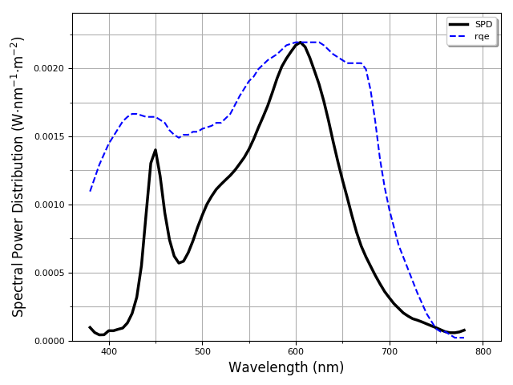
 | Red-to-Blue PPDF ratio
 | R-B ratio
 | 2.95
 | Red-to-NIR PPDF ratio
 | R-NIR ratio
 | 10.92
 | Daily Light Integral (DLI), in mol/m²/day
 | DLI
 | 0.14

Conversion factors

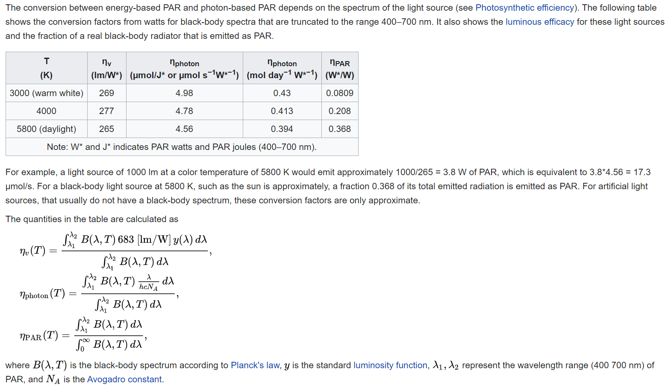
 | η_par: Percentage of spectral power inside the PAR region
 | η_par
 | 0.96
 | η_photon: Conversion factor, units: µmol/s/W*
 | η_photon
 | 4.74
 | η_v: Conversion factor, units: lm/W*
 | η_v
 | 333.28

 |  |  | *Please see: https://en.wikipedia.org/wiki/Photosynthetically_active_radiation

Glossary of important terms related to horticultural lighting

𝗬𝗣𝗙𝗗 𝗧𝗼𝘁𝗮𝗹 𝗣𝗮𝗿 𝗭𝗼𝗻𝗲 (𝟰𝟬𝟬-𝟳𝟬𝟬𝗻𝗺): PPFD is just calculated from a known spectrum and not related to the plant light response itself. In order to estimate how efficient a given light is for plants, we need to weight PPFD values with the PAR action spectrum (400 nm to 700 nm) to get Yield Photon Flux Density (YPFD). Of course, YPFD will change when the reference PAR action spectrum changes
𝗥𝗲𝗱/𝗕𝗹𝘂𝗲 𝗿𝗮𝘁𝗶𝗼: R/B is the ration bwtween PPFD Red Zone (600-700nm) and the PPFD Blue Zone (400-500nm). Indicates the effects on the growth productivity related to stem elongation and leaf expansion. Blue light has significant effects on the morphology of plants aside from Photo-synthesis.
η_𝗽𝗮𝗿: Conversion factor. Percentage of spectral power inside the PAR region. More info: https://en.wikipedia.org/wiki/Photosynthetically_active_radiation
𝗬𝗣𝗙𝗗 𝗕𝗹𝘂𝗲 𝗭𝗼𝗻𝗲 (𝟯𝟲𝟬-𝟱𝟬𝟬𝗻𝗺): Weights the spectral characteristics of photons with the PAR action spectrum in the 360 to 500 nm range
η_𝘃: Conversion factor. From W/m² to lx. More info: https://en.wikipedia.org/wiki/Photosynthetically_active_radiation
𝗣𝗣𝗙𝗗 𝗡𝗜𝗥 𝗭𝗼𝗻𝗲 (𝟳𝟬𝟬-𝟳𝟴𝟬𝗻𝗺): Far red Photosynthetic photon flux density in the range of 700-800 nm.
𝗥𝗲𝗱/𝗙𝗮𝗿-𝗿𝗲𝗱 𝗿𝗮𝘁𝗶𝗼: R/FR ratio between the PPFD Red Zone (600-700nm) and the PPFD NIR Zone (700-800nm). Indicates the effects on the growth productivity related to flowering, setting winter buds and vegetative growth.
𝗬𝗣𝗙𝗗 𝗜𝗥 𝗭𝗼𝗻𝗲 (𝟳𝟬𝟬-𝟳𝟴𝟬𝗻𝗺): Weights the spectral characteristics of photons with the PAR action spectrum in the far red range
η_𝗽𝗵𝗼𝘁𝗼𝗻: Conversion factor. From W/m² to µmol/s/m². More info: https://en.wikipedia.org/wiki/Photosynthetically_active_radiation
𝗣𝗣𝗙𝗗 𝗕𝗹𝘂𝗲 𝗭𝗼𝗻𝗲 (𝟰𝟬𝟬-𝟱𝟬𝟬𝗻𝗺): Photosynthetic photon flux density in the range of 400 to 500 nm.
𝗬𝗣𝗙𝗗 𝗥𝗲𝗱 𝗭𝗼𝗻𝗲 (𝟲𝟬𝟬-𝟳𝟬𝟬𝗻𝗺): Weights the spectral characteristics of photons with the PAR action spectrum in the 600 to 700 nm range
𝗣𝗣𝗙𝗗 𝗚𝗿𝗲𝗲𝗻 𝗭𝗼𝗻𝗲 (𝟱𝟬𝟬-𝟲𝟬𝟬𝗻𝗺): Photosynthetic photon flux density in the range of 500 to 600 nm.
𝗗𝗮𝗶𝗹𝘆 𝗟𝗶𝗴𝗵𝘁 𝗜𝗻𝘁𝗲𝗴𝗿𝗮𝗹 (𝗗𝗟𝗜): Is the aggregated amount of PAR light that a surface receives over the course of a day. It is a very useful metric to determine if a particular location receives sufficient amounts of light for plants to grow well. Low light plants require between 5-10 mol/m²/day, medium light plants 10-15 mol/m²/day, and high light plants will require more than 15 mol/m²/day. More info: https://en.wikipedia.org/wiki/Daily_light_integral
𝗣𝗣𝗙𝗗 𝗥𝗲𝗱 𝗭𝗼𝗻𝗲 (𝟲𝟬𝟬-𝟳𝟬𝟬𝗻𝗺): Photosynthetic photon flux density in the range of 600 to 700 nm.
𝗣𝗣𝗙𝗗 𝗧𝗼𝘁𝗮𝗹 𝗣𝗮𝗿 𝗭𝗼𝗻𝗲 (𝟰𝟬𝟬-𝟳𝟬𝟬𝗻𝗺): Numer of photons within a specific range（from 400- 700 nm for plant growth) of the visible light spectrum (photosynthetic active radiation or PAR) that fall on a square meter of target area per second. The unit is µmol/m²s. Intensity mainly affects the overall yield of your crop. In general, the minimum PPFD value needed for plant growth is 53 µmol/m²s. For more info: https://en.wikipedia.org/wiki/Photosynthetically_active_radiation
𝗬𝗣𝗙𝗗 𝗚𝗿𝗲𝗲𝗻 𝗭𝗼𝗻𝗲 (𝟱𝟬𝟬-𝟲𝟬𝟬𝗻𝗺): Weights the spectral characteristics of photons with the PAR action spectrum in the 500 to 600 nm range
𝗬𝗣𝗙𝗗 𝗨𝗩 𝗭𝗼𝗻𝗲 (𝟯𝟱𝟬-𝟰𝟬𝟬𝗻𝗺): Weights the spectral characteristics of photons with the PAR action spectrum in the UV-A zone
𝗣𝗣𝗙𝗗 𝗨𝗩 𝗭𝗼𝗻𝗲 (𝟯𝟱𝟬-𝟰𝟬𝟬𝗻𝗺): UV-A Photosynthetic photon flux density in the range of 350-400 nm

