Overview
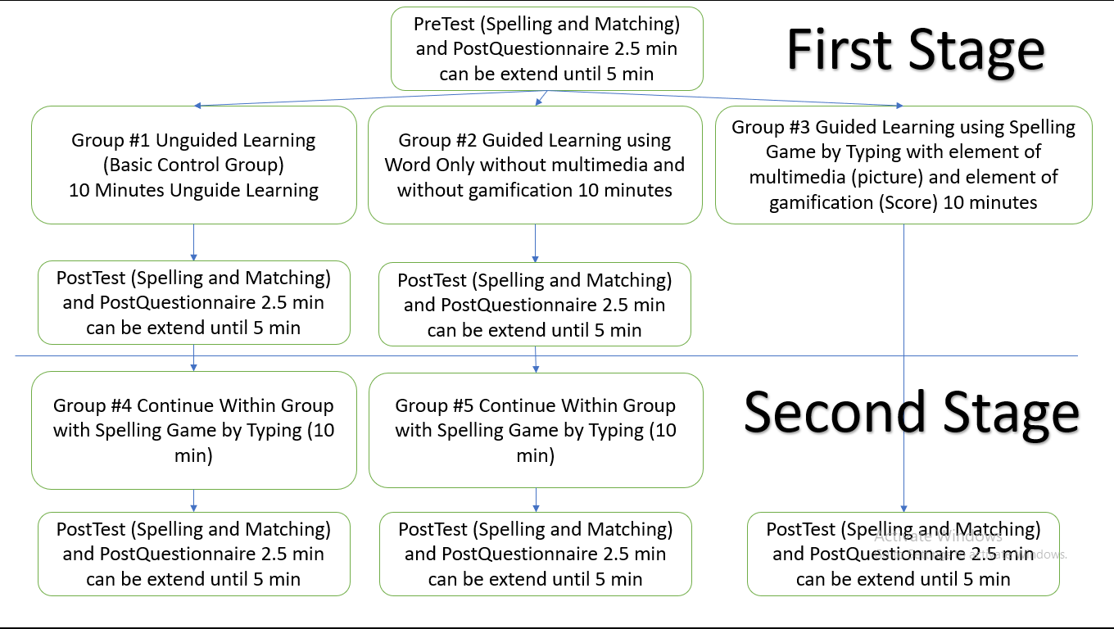
Actually I Had already collected and analyzed data from group #1, #2, #3, #4
#5 haven't yet

#3 Spelling Game by Typing
 |  |  |  |  | Spelling Section |  |  |  |  |  |  |  | Matching Section |  |  |  |  |  |  | Free Remember Section
 |  |  |  |  | Focus on Form |  |  |  |  |  |  |  | Focus on Meaning |  |  |  |  |  |  | Focus on Form |  |  |  | Focus on Meaning |  |  | 1 | 2 | 3 | a | b
 |  |  |  |  |  | #3 |  |  |  |  |  |  |  |  |  |  |  |  |  |  |  |  |  |  |  |  | perceived | motivation | engagement | actual spelling | actual meaning | advantage | disadvantage | experience | suggestion
 | Name |  |  |  | PreSpelling | PostSpelling | Percent Gain | Percent Gain Without Full Score | Full Score | Gain Scale 10 | Gain non Top performer | Gain | PreMatching | Pre Improvement over form | Post Improvement over form | PostMatching | Percent Gain | Gain | Total Gain | Remember Form | Loss Remember | percent remember | Post Improvement over form | Remember meaning | Loss Remember | percent remember
1 | Andy |  | M |  | 10 | 80 | 700.00% | 700.00% | 0 | 7 | 70 | 70 | 60 | 500.00% | -12.50% | 70 | 16.67% | 10 | 600.00% | 6 | 2 | 75.00% | 0.00% | 6 | 1 | 85.71% | 5 | 5 | 5 | 8 | 7 | for review the word | only review the word | [blank] | create listening, speaking or something
2 | David |  | M |  | 60 | 90 | 50.00% | 50.00% | 0 | 3 | 30 | 30 | 100 | 66.67% | 11.11% | 100 | 0.00% | 0 | 66.67% | 7 | 2 | 77.78% | 14.29% | 8 | 2 | 80.00% | 5 | 3 | 4 | 9 | 10 | only need very little time, but learn a lot | it's a bit boring HaHa | It's a fast way, but the whole system can improve better. Cheer up!! | can put more words and phrase in the database
3 | Jack |  | M |  | 0 | 50 | U | U | 0 | 5 | 50 | 50 | 50 | U | 40.00% | 70 | 40.00% | 20 |  |  |  |  |  |  |  |  | 3 | 4 | 3 | 5 | 7 | useing easy | some words need space, and some maynot | I think is good | I don't know
4 | Julia |  | F |  | 30 | 60 | 100.00% | 100.00% | 0 | 3 | 30 | 30 | 70 | 133.33% | 50.00% | 90 | 28.57% | 20 | 200.00% | 2 | 4 | 33.33% | 0.00% | 2 | 7 | 22.22% | 4 | 3 | 2 | 6 | 9 | [blank] | [blank] | [blank] | 1. tinggi koneksi gambar harus ditingkatkan deskripsi bahasa Inggris yang lebih lengkap 2. menambah efek suara
5 | Sean |  | M |  | 10 | 100 | 900.00% |  | 1 | 9 |  | 90 | 30 | 200.00% | 0.00% | 100 | 233.33% | 70 | 900.00% | 7 | 3 | 70.00% | 0.00% | 7 | 3 | 70.00% |  |  |  |  |  | [blank] | [blank] | [blank] | [blank]
6 | Xuan | 110524031 | M |  | 20 | 70 | 250.00% | 250.00% | 0 | 5 | 50 | 50 | 30 | 50.00% | -57.14% | 30 | 0.00% | 0 | 50.00% | 2 | 5 | 28.57% | 50.00% | 3 | 0 | 100.00% |  |  |  |  |  | [blank] | [blank] | [blank] | [blank]
7 | Wang |  | M |  | 10 | 40 | 300.00% | 300.00% | 0 | 3 | 30 | 30 | 40 | 300.00% | 150.00% | 100 | 150.00% | 60 | 900.00% | 2 | 2 | 50.00% | 0.00% | 2 | 8 | 20.00% | 3 | 3 | 3 | 4 | 10 | Typing game can enhance me to play this game | Some words I don't know need to type "I" or "l", and some phrase need to use "space" but some words doesn't. they confused me | Typing game is exciting for me, but the hit or the English transport on the left side is too small to see | Maybe adjust the disadvantages which I mentioned above
8 | Liw |  | M | Intensive attendance | 10 | 60 | 500.00% | 500.00% | 0 | 5 | 50 | 50 |  |  | 33.33% | 80 |  |  | 700.00% | 1 | 5 | 16.67% | 300.00% | 4 | 4 | 50.00% |  |  |  |  |  | [blank] | [blank] | [blank] | [blank]
9 | Sandra | 111584602 | F |  | 40 | 80 | 100.00% | 100.00% | 0 | 4 | 40 | 40 |  |  |  |  |  |  |  | 4 | 4 | 50.00% | 100.00% | 8 |  |  |  |  |  |  |  | easy to use | no sound | easy to use but dont know the prononciation of phrases | block the answer
10 | Dong Jia | 110524003 | M |  | 20 | 50 | 150.00% | 150.00% | 0 | 3 | 30 | 30 | 30 | 50.00% | 0.00% | 50 | 66.67% | 20 | 150.00% | 3 | 2 | 60.00% | 33.33% | 4 | 1 | 80.00% | 4 | 4 | 4 |  |  | word has relate image | it can have more word | easy to type | some word looks like need space, but actually it not
11 | Yi |  | M | Intensive attendance | 70 |  |  |  | 0 |  |  |  | 90 | 28.57% |  | 100 |  | 10 | 42.86% | 4 |  |  | 0.00% | 4 | 6 | 40.00% |  |  |  |  |  | Easy to use, have a good graphic, have very clear instruction | The UI little bit small | It is fun, because it is fun and easy to use, I want to try more and more | 1. Make the UI more bigger 2. Add more picture to describe the word
12 | Hoho |  | F |  |  |  |  |  |  |  |  |  | 60 |  |  | 100 |  | 40 |  | 5 |  |  | 0.00% | 5 | 5 | 50.00% |  |  |  |  |  | It can help us remember the words | If I haven't learn the language before, I don't know the meaning of this language | The word to long. ex. do you speak? In French | Add more words
 | AVG |  |  |  | 25.454545455 | 68 | 350.00% | 240.00% | 9.09% | 4.7142857143 | 42.222222222 | 47 | 55.555555556 | 208.33% | 26.85% | 79 | 66.90% | 25.714285714 | 488.10% | 3.9090909091 | 3.2222222222 | 51.26% | 45.24% | 4.8181818182 | 3.5714285714 | 61.13%

Motivation
Actual spelling performance
Perceived learning
 |  |  | t-Test: Two-Sample Assuming Unequal Variances
 |  |  |  |  |  |  |  |  |  |  |  |  |  |  |  |  |  |  |  |  |  |  |  | 0.27950849719 |  | 0.96
 |  |  |  | Variable 1 | Variable 2
 |  |  | Mean | 25.454545455 | 68 |  |  |  |  |  |  |  |  |  |  |  |  |  |  |  |  | 0.68640647298 | 3.6 |  |  |  |  | 6.4
Actual vocabulary performance
 |  |  | Variance | 507.27272727 | 373.33333333 |  |  |  |  |  |  |  |  |  |  |  |  |  |  |  |  |  |  |  |  | 0.00
Engagement
 |  |  | Observations | 11 | 10 |  |  |  |  |  |  |  |  |  |  |  |  |  |  |  |  |  |  | 0.65779351448 | 4
 |  |  | Hypothesized Mean Difference | 0
 |  |  | df | 19 |  |  |  |  |  |  |  |  |  |  |  |  |  |  |  |  |  |  |  |  |  |  |  | 8.6
 |  |  | t Stat | -4.6573889276 |  |  |  |  |  |  |  |  |  |  |  |  |  |  |  |  |  |  | 3.4 |  | NOTE: IN HERE WE CAN SEE, IN THE EXPERIMENT GROUP PERCEIVED LEARNING RELATED TO FOCUS ON FORM
 |  |  | P(T<=t) one-tail | 8.5835875179E-05 |  |  |  |  |  |  |  |  |  |  |  |  |  |  |  |  |  |  |  |  | WHILE IN THE CONTROL GROUP PERCEIVED LEARNING RELATED TO FOCUS ON MEANING
 |  |  | t Critical one-tail | 1.7291328115 |  |  |  |  |  |  |  |  |  |  |  |  |  |  |  |  |  |  |  |  | THIS MEANS THAT ALLEZ-Y SUCESSFULY ACHIEVE ITS OBJECTIVE
 |  |  | P(T<=t) two-tail | 0.00017167175036 |  |  |  |  |  |  |  |  |  |  |  |  |  |  |  |  |  |  |  |  | TO LEARN SPELLING (FOCUS ON FORM)
 |  |  | t Critical two-tail | 2.0930240544

Motivation
Engagement
Perceived learning
 |  |  |  |  |  |  |  |  |  |  |  |  |  |  |  |  |  |  |  |  |  |  |  |  |  | 0.96 | actual spelling performance

 |  |  |  |  |  |  |  |  |  |  |  |  |  |  |  |  |  |  |  |  |  | 0.68640647298 |  | 0.65779351448 |  | 0 | actual meaning performance

