Sheet2
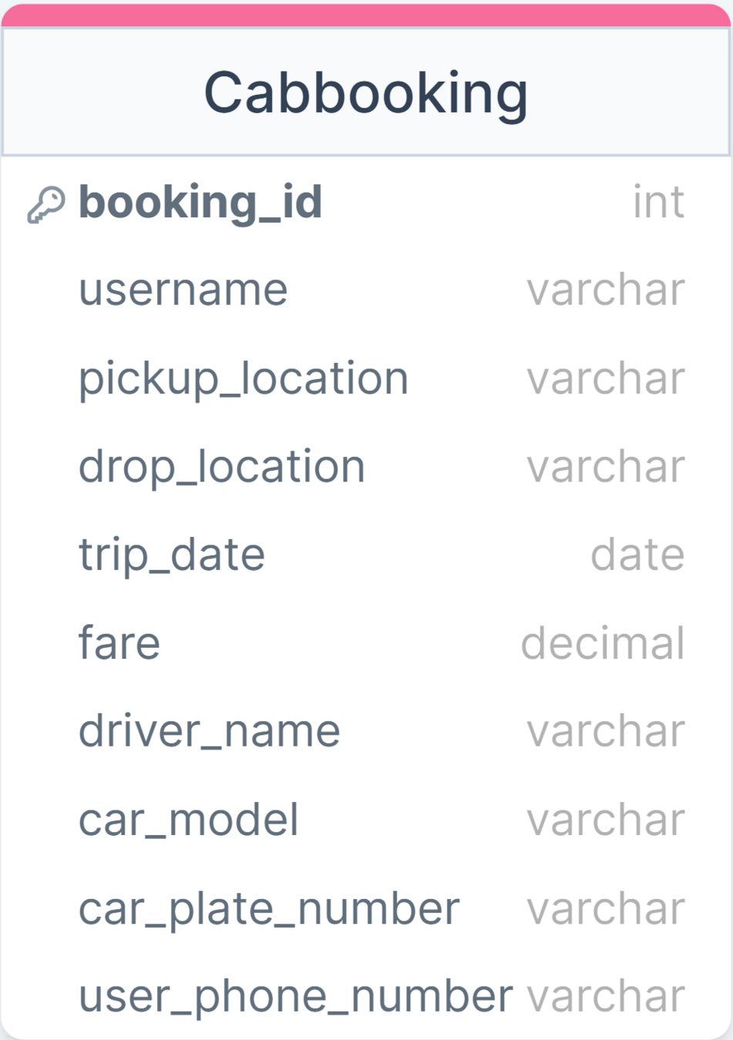

booking_id | username | pickup_ | drop_ | trip_date | fare | driver_ | car_ | car_ plate_ number | user_phone_ number
 |  | location | location |  |  | name | model
1001 | Priya, Rohan | Borivali, Goregaon | Grant Road | 2024-02-12 | 400, 450 | Rajesh | Maruti Suzuki Swift | KA-01-1234 | 9876543210, 9876543211
1002 | Sameer | Delhi Metro Station | Connaught Place | 2024-02-13 | 400 | Ananya | Hyundai i20 | MH-02-5678 | 9876543212
1003 | Deepa, Aisha | Andheri, Santacruz | Dadar, Mumbai Central | 2024-02-14 | 580, 650 | Karan | Tata Indigo | TN-03-9012 | 9876543213, 9876543214

