reverse dict lookup
Song | Interpret | Tags
Anoana | Heilung | tribal,mystic
Svitjod | Forndom | tribal,sad,gurdy
Over the hills | Patty Gurdy | upbeat,gurdy,folk

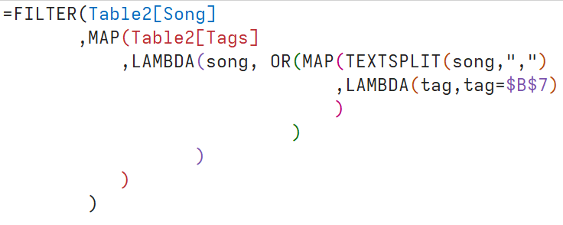
Tag | gurdy
Svitjod | B8
Over the hills

concat
Dataset1 | Dataset2 | Dataset Whole
a | d | a
b | e | d
c | f | b
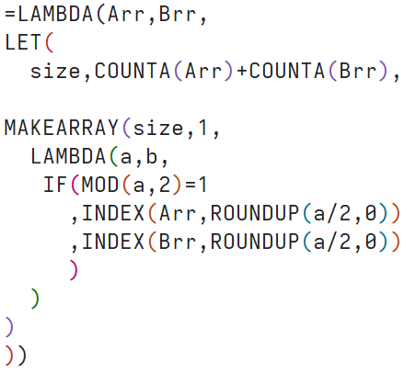
 |  | e | CONCAT_RANGES
 |  | c
 |  | f

 | (i) MAKEARRAY: generates an array of size `size`x1 using the function (x,y)->value. The used LAMBDA simply takes an element from list Arr if the index is even and from list Brr otherwise.

fixpoint
1 | 1 | B1 | 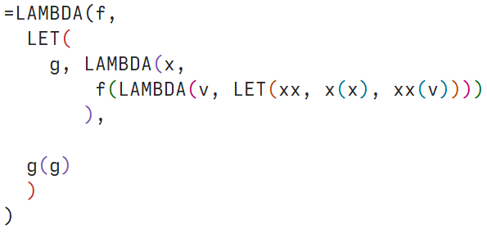
2 | 2
3 | 6
4 | 24
5 | 120

 |  |  | (i) Y_COMB f = let g = \x -> f(\v -> let xx=x x, x v) in g g | fix f = let x = f x in x

