60SERIES
NO | PICTURES | NAME | CODE | DESCRIPTION
60 SERIES WINDOW

1 | 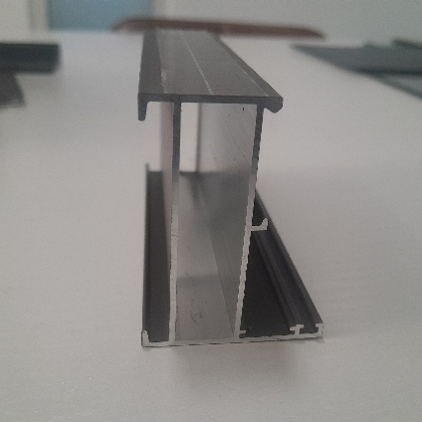 | OUTER FRAME | PC60D11 | THICKNES 1.4-1.5(SIZE 45*60)
2 | 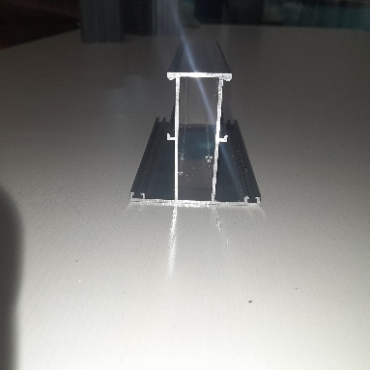 | MUNTIN | PC60D12A | THICKNES 1.4-1.5 (SIZE 60*61)
3 | 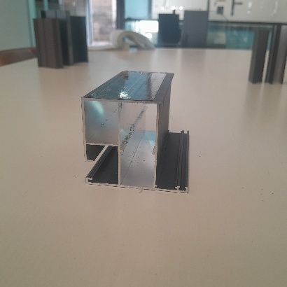 | WINDOW SASH | PC60D13A | THICKNES 1.4-1.5
4 | 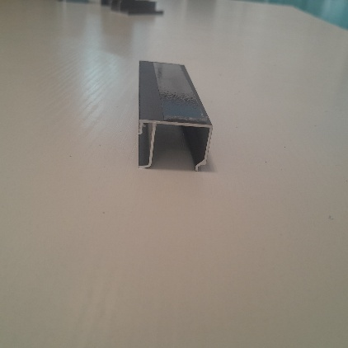 | PANNEL BEADING | PC60D15A | for double glass size 28.5*20.8
5 | 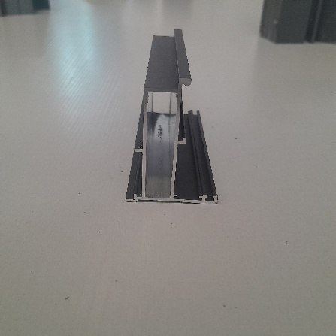 | TRANSFORM FRAME | PC60D22 | 60
6 | 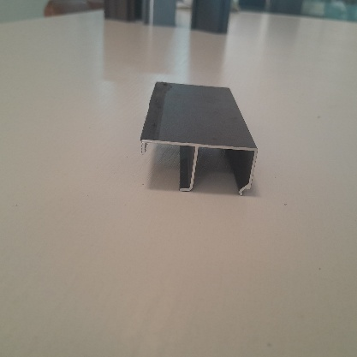 | PANNEL BEADING | PC60D15C | for single glass 42.7*20.8
60 SERIES WINDOW ACCESSORIES
1 | 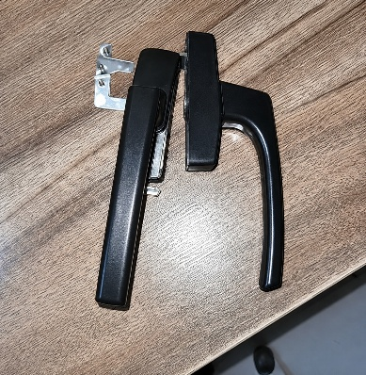 | HANDLE |  | 216 TWO POINT LOCK
2 | 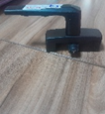 | LOCK HANDLE RIGHT
3 |  | LOCK HANDLE LEFT
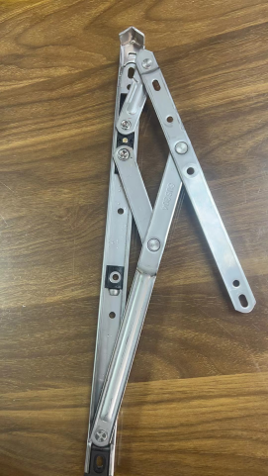
4 |  | ARM HINGES |  | 10 inches 2.5 thick 304#
 |  |  |  | 12 inches 2.5 thick 304#
 |  |  |  | 14 inches 2.5 thick 304#
 |  |  |  | 18 inches 2.5 thick 304#
5 | 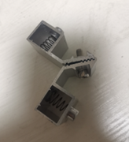 | WINDOW SASH CONNECTOR |  | SIZE (21*30.7)
6 | 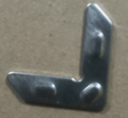 | PANNEL CONNECTOR |  | SIZE (13.2*1.4)
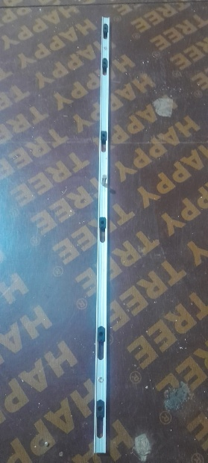
7 |  | 216 TWO POINT LOCK |  | 300mm
 |  |  |  | 600mm
 |  |  |  | 800mm
8 | 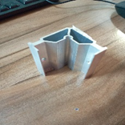 | FRAME CONNECTOR |  | 13.7*56.7
9 |  | Lock Keeper |  | Locking and operating aluminum top-hung windows
10 | 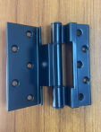 | HINGE |  | Small for casement window
11 | 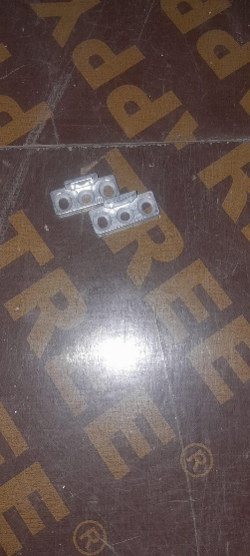 | Lock Keeper |  | Top-Hung / Casement Windows
12 |  | WINDBRACE |  | control sash opening and provide wind resistance.
13 |  | WINDOW HINGE SUPPORT |  | 12 inch 2.5 thick 304#casement door with 22mm square
60 SERIES CASEMENT DOOR
1 |  | OUTER FRAME |  | THICKNES 1.4-1.5(SIZE 45*60)
2 |  | MUNTIN |  | THICKNES 1.4-1.5 (SIZE 60*61)
3 |  | PANNEL BEADING | PC60D15C | for single glass 42.7*20.8
4 | 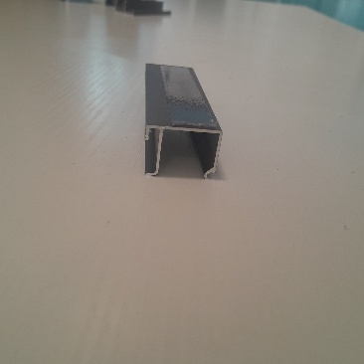 | PANNEL BEADING | PC60D15A | for double glass size 28.5*20.8
5 | 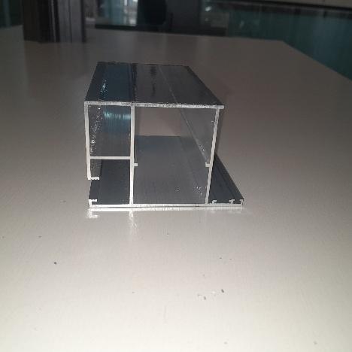 | DOOR SASH | PC60D20 | 70*60
6 | 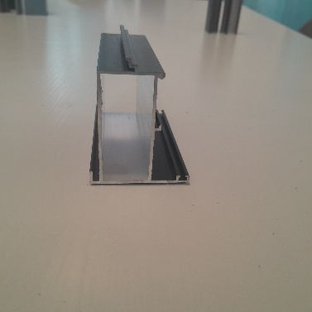 | DOOR INTERSEAL | PC60D21 | 55*60
60 SERIES CASEMENT DOOR ACCESSORIES
1 |  | FRAME CONNECTOR |  | 13.7*56.7
2 | 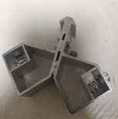 | DOOR SASH CONNECTOR |  | 30.7*40.5
3 |  | DOOR SASH CONNECTOR |  | 14*21.5
4 | 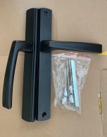 | HANDLE WITHOUT KEY |  | 60 Series oxidized swing door façade handle lock
5 |  | HANDLE WITH KEY |  | 60 Series oxidized swing
6 |  | 60 DOOR HINGES |  | BIG SIZE
7 | 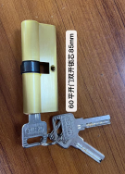 | lock cylinder 85mm |  | 60 flat door double key
8 | 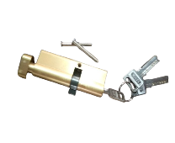 | lock cylinder 85mm |  | 60 single key lock cylinder for flat door 85mm
9 |  | LATCH |  | Door bolt 500mm long
10 | 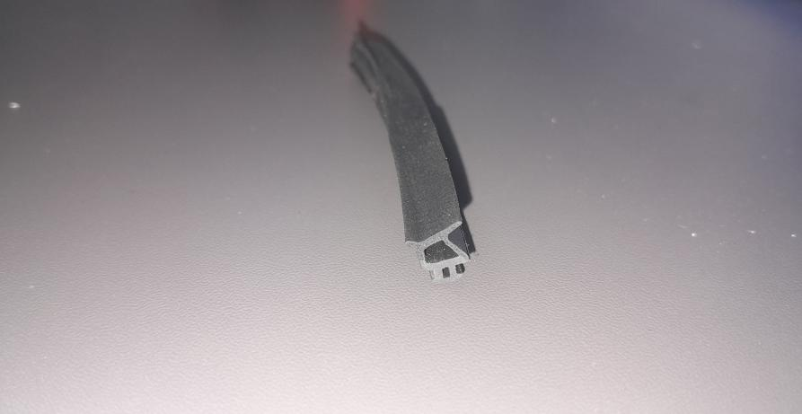 | RUBBER | F1023 | 4.7/1.6 8.5/8.0
11 | 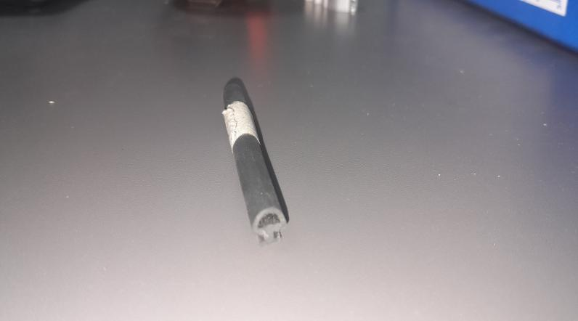 | RUBBER | F499 | 5.0/0.8

73 SERIES
NO | PICTURE | NAME | CODE | DESCRIPTION
73 SERIES STANDARD
1 | 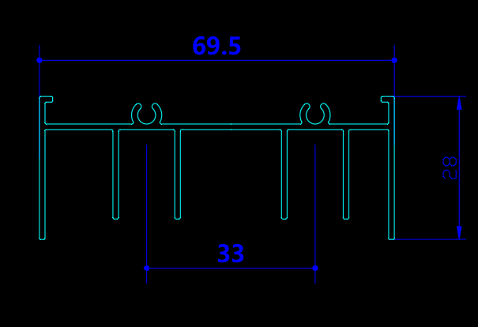 | TOP TRACK | FDQ-7301 | 69.5*28
2 | 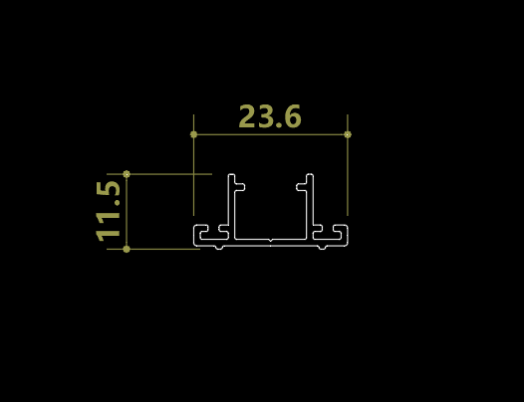 | LOCK SLOT | FDQ-1015 | 23.6*11.5
3 | 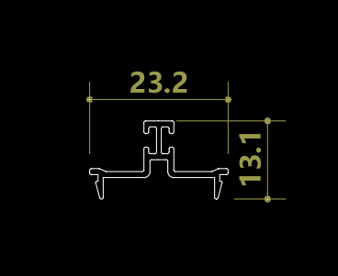 | LOWER TACK MIDDLE COVER | FDQ-1018 | 23.2*13.1
4 | 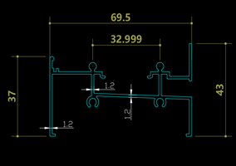 | BOTTOM TRACK | FDQ-7303 | 69.5*37
5 | 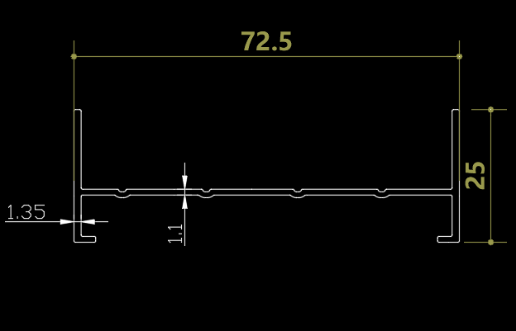 | FRAME | FDQ-7306 | 72.5*25
6 | 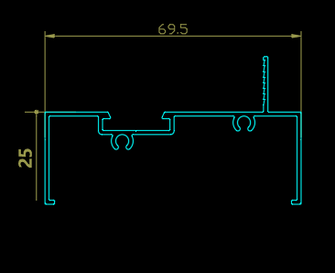 | PANNEL/SASH FRAME | FDQ-7305 | 69.5*25
7 | 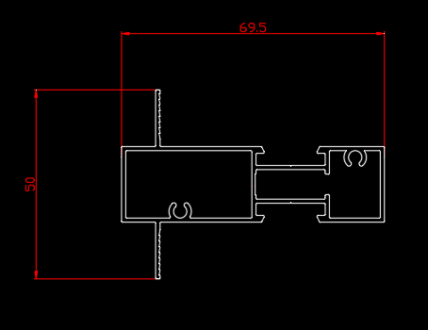 | MUNTIN CONNECTOR | FDQ-7308 | 69.5*50
8 | 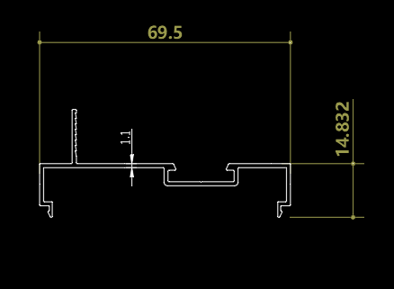 | COVER | FDQ-7309 | 69.5*14.83
9 | 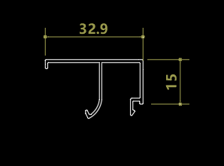 | BEADING | FDQ-1017 | 32.9*15
10 | 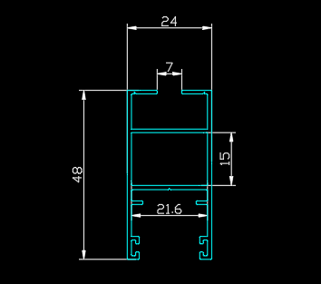 | SASH | FDQ-1011 | 48*24
11 | 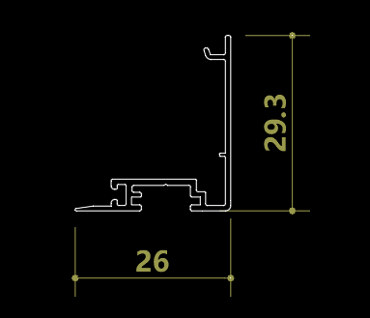 | INTERLOCK | FDQ-1013 | 29.3*26
12 | 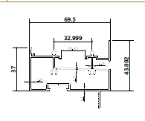 | INTERGRATED BOTTOM TRACK | FDQ-7304 | 69.5*37
13 |  | INTERLOCK | FDQ-1013 | 29.3*26
14 |  | INTERGRATED TOP TRACK | FDQ-7302 | 69.5*37
73 SERIES 3 TRACK
1 | 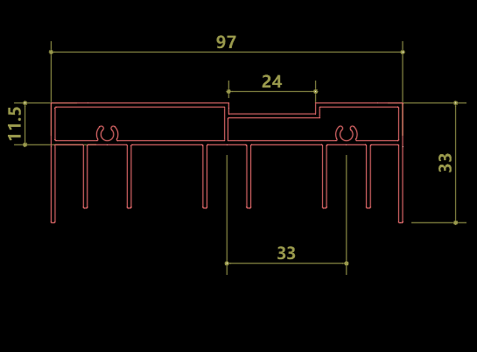 | TOP RAIL | FDQ-1019 | 97*11.5
2 | 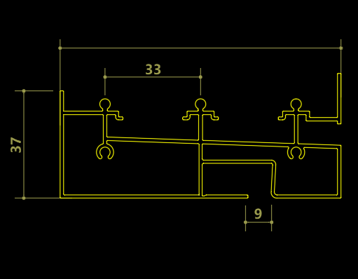 | BOTTOM TRACK | FDQ-1020 | 97*37
3 | 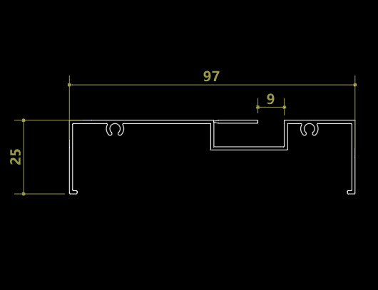 | FIXED FRAME | FDQ-1021 | 97*25
4 | 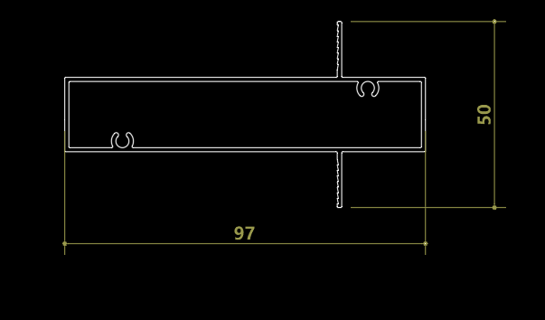 | MUNTIN | FDQ-1022 | 97*50
5 | 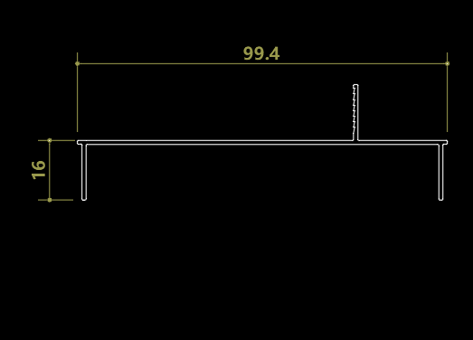 | COVER | FDQ-1023 | 99*16
6 | 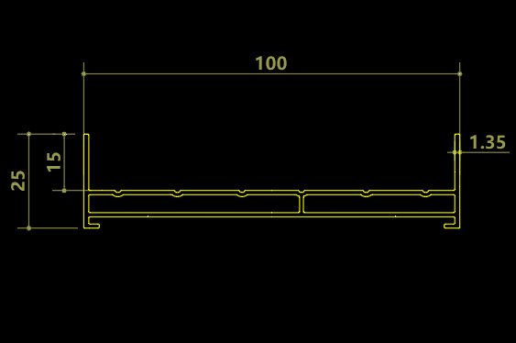 | FRAME | FDQ-1005 | 100*25
7 |  | LOCK SLOT | FDQ-1015 | 23.6*11.5
8 |  | LOWER TACK MIDDLE COVER | FDQ-1018 | 23.2*13.1
9 | 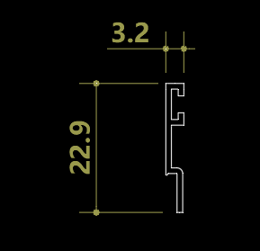 | OCCULTING BAR | FDQ-1011 | 22.9*3.2
10 | 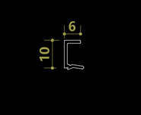 | NET BEAD | FDQ-1024 | 10*6
11 | 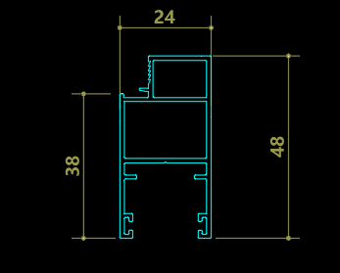 | NET SASH | FDQ-1012 | 48*24
12 | 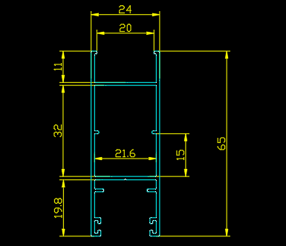 | SASH | FDQ-1027 | 65*24(Double glass)
13 | 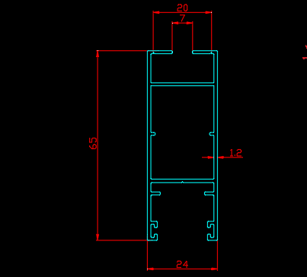 | SASH | FDQ-1033 | 65*24(Single glass)
14 | 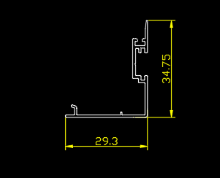 | INTERLOCK | FDQ-1028 | 34.75*29.3
15 | 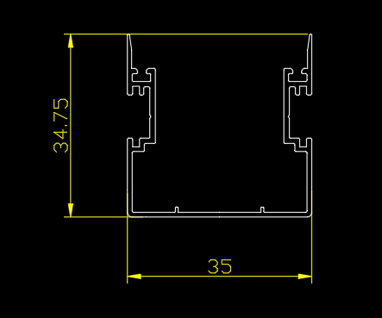 | DOUBLE INTERLOCK | FDQ-1014 | 35*34.75

73 SERIES 2 TRACK
1 |  | DOUBLE INTERLOCK | FDQ-1014 | 35*34.75
2 |  | INTERLOCK | FDQ-1028 | 34.7*29.3
3 |  | SASH | FDQ-1033 | 65*24(Single glass)
4 |  | SASH | FDQ-1027 | 65*24(Double glass)
5 |  | LOWER TACK MIDDLE COVER | FDQ-1018 | 23.2*13.1
6 |  | LOCK SLOT | FDQ-1015 | 23.6*11.5
7 |  | BEADING | FDQ-1017 | 32.9*15
8 |  | TOP RAIL | FDQ-7301 | 69.5*25
9 |  | BOTTOM RAIL | FDQ-7303 | 69.5*37
10 |  | FRAME | FDQ-7306 | 72.5*25
11 |  | PANNEL/SASH FRAME | FDQ-7305 | 69.5*25
12 |  | MUNTIN | FDQ-7308 | 69.5*50
13 |  | INTERGRATED BOTTOM TRACK | FDQ-7304 | 69.5*37
14 |  | COVER | FDQ-7309 | 69.5*14.83
15 |  | INTERGRATED TOP TRACK | FDQ-7302 | 69.5*37
73 SERIES ACCESSORIES
1 |  | DOUBLE LOCK |  | Double lock
2 |  | WATER SEALANT
3 |  | MUNTIN CONNECTOR |  | 17.65*36.2
4 | 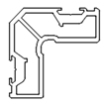 | SASH CONNECTOR |  | 8.5*12.5
5 |  | TOP ROLLER
6 |  | BOTTOM ROLLER
7 |  | ANGLE PLATE |  | 4.3*1.0*1.25
8 |  | BUMPERS |  | bottom and top

TL-100 SERIES
TL-100 2 TRACK
NO | PICTURE | NAME | CODE | DESCRIPTION
1 |  | sash | TL-7004-1.4 | 70*30.9
2 |  | top rail | TL-2001 | 100*38
3 |  | bottom track | TL-2002A | 100*42
4 |  | side frme | TL-2003A | 100*30
5 |  | cover plate | TL-2004 | 100*4.5
6 |  | flat bottom rail | TL-2005 | 100*10
7 |  | muntin-double | TL-2006 | 100*30
8 |  | transom | TL-1004 | 45*38.5
9 |  | double beading | TL-1006 | 19.9*19
10 |  | single beading | TL-1006C | single glass
11 |  | interseal | TL-1007A
12 |  | glass guide channel | TL-1009-1.3 | holds single glass
13 |  | cover plate | TL-3002B | bottom track
14 |  | interlock | TL-7001 | 47.1*35.4
15 |  | double interlock | TL-7002 | 55.3*35.3
TL-152 3 TRACK
1 |  | sash | TL-1009-1.3 | 1000*30.9
2 |  | bottom track | TL-3002A | 152*42
3 |  | side frame | TL-3003A | 152*30
4 |  | cover plate | TL-3004 | 152*4.5
5 |  | flat bottom track | TL-3005 | 152*10
6 |  | triple muntin | TL-3006 | 152*30
7 |  | interlock | TL-1001 | TRIPLE
8 |  | double interlock | TL-1002 | Three track door
9 |  | top rail | TL-3001 | 152*38
TL-100 ACCESSORIES
1 |  | LOCKS WITH KEY OLD
2 |  | ROD |  | 1.5MM,1.2MM,800MM,1.2,600MM
3 |  | BUMPERS |  | bottom and top(prevents collision against wall)
4 |  | ANGLE PLATE |  | 13.2*1
5 |  | Ssh connector |  | 19*33.5
6 |  | Bottom rail end cap |  | FOR FRAME CONNECTION
7 |  | plastic clip
8 |  | door sash connector |  | 20*30.6
9 |  | lock
10 |  | lock cylinder with key |  | 65mm
11 |  | bumpers |  | prevents collision
12 |  | 100 sd new lock with key
13 |  | 100 sd new lock without key
14 |  | 100sd double sided lock core hole with lock body
15 |  | Latch bolt |  | used with rod
16 |  | Latch plate |  | for lock
17 |  | top roller
18 |  | bottom roller (2 wheel) |  | for tl-100 window
19 |  | Roller 4 wheels |  | for high bottom track
20 |  | Roller 4 wheels |  | for low bottom track(15*21*230)
21 |  | roller small 4 Wheel |  | 15*20*250 (For high track)
22 |  | big roller 4 Wheel |  | used for door sash more than 1.5m(15*27*270)
23 |  | handle silver and black |  | for heavy duty
24 |  | brush seal
25 |  | frame plastic seal |  | for frame and interseal
26 |  | steel rail |  | for bottom track

85 SERIES
85 ALUMINIUM PROFILE
NO | PICTURE | NAME | CODE | DESCRIPTION
1 |  | FRAME | LC8501 | 85 width
2 |  | MUNTIN | LC8502 | 85 width
3 |  | SUB-FRAME | LC8504 | inner frame
4 |  | NET SASH | TJ05B | 54*24
5 |  | NET BEADING | TJ05C | holding net
6 |  | SASH | LC8503B | For single glass
7 |  | GUARD TUBE | TJ08 | grill
8 |  | open the protective frame | TJ09 | For grill frame
9 |  | FRAME BEADING | LC8507 | For single glass
10 |  | FRAME BEADING | LC8505 | For double glass
 |  | SASH | LC8503B | Double glass sash
85 ACCESSORIES
1 |  | OUTER FRAME CONNECTOR | LC8501 | 12.5*40.4
2 |  | CENTRE PILLAR CONNECTOR | LC8502 | 36.6*12.8
3 |  | SUB-FRAME CONNECTOR | LC8504 | 13*11.5
4 |  | SUBFRAME CONNECTOR | LC8504 | 12.5*26.5
5 |  | CONNECTOR | LC8504 | 31.5*28
6 |  | SASH CONNECTOR | LC8503B | 10.7*26
7 |  | ANGLE PLATE |  | 7*1*1.45
8 |  | ANGLE PLATE |  | 10.2*1
9 |  | HINGES |  | NET HINGES
10 |  | single threaded four piece set |  | FOR LOCK BODY
11 |  | LOCK BODY |  | FOR NET(11)
12 |  | LOCK BODY |  | FOR GLASS SASH30mm
13 |  | HANDLE net |  | FOR NET
14 |  | LEFT HANDLE glass sash 1 |  | FOR GLASS SASH
15 |  | RIGHT HANDLE Glass sash 2 |  | FOR GLASS SASH
16 |  | HINGES |  | 12" (FOR SASH)
17 |  | VENTS |  | for ventilation

50 FOLDING DOOR
50 FOLDING DOOR ALUMINIUM
NO | PICTURE | NAME | CODE | DESCRIPTION
1 |  | Bottom rail | KSZD-5013 | 58*24.6
2 |  | Outer frame transform frame | KSZD-5004 | 51.6*46.8
3 |  | Cover plate | KSZD-5003 | 52.5*12.26
4 |  | Transform frame | KSZD-5014 | 67*50
5 |  | Outer frame | KSZD-5001 | 58.5*50.42
6 |  | Panel frame transform frame | KSZD-5008 | 50*34.4
7 |  | Outer frame | KSZD-5002 | 54.3*28.32
8 |  | Top rail | KSZD-5005 | 58.5*2
9 |  | Bottom rail | KSZD-5006 | 53.7*15
10 |  | Panel frame | KSZD-5007 | 50*44.5
50 FOLDING DOOR ACCESSORY
1 |  | COVER
2 |  | SASH HINGES
3 |  | LOCK BODY
4 |  | LOCK AND KEY |  | 95mm
5 |  | TOP ROLLER |  | for left sie
6 |  | Upper load-bearing pulley |  | for right
7 |  | Upper load-bearing pulley |  | LEFT SIDE
8 |  | BOTTOM ROLLER |  | RIGHT SIDE
10 |  | 3585 lock body + adjustable buckle plate
11 |  | Sliding door guide |  | left side
12 |  | Sliding door guide |  | rightside
13 |  | SASH CONNECTOR |  | 14*21.5
14 |  | LOCK ROD
15 |  | HANDLE left and right |  | left and right
16 |  | FRAME CONNECTOR |  | 12*52.1
17 |  | HINGES |  | for double door centre
18 |  | lower loading pulley |  | for double door
19 |  | Extension brackets |  | for lock rod
20 |  | Bidirectional drive Left |  | for coverplate

