50 SERIES
50 SERIES ALUMINIUM
NO | PICTURE | NAME | CODE | DESCRIPTION
1 | 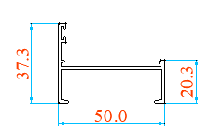 | FRAME | WP5009 | 37.3*20.3
2 | 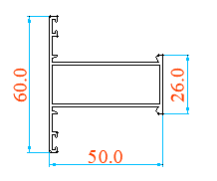 | MUNTIN | WP5002A | 60*50
3 | 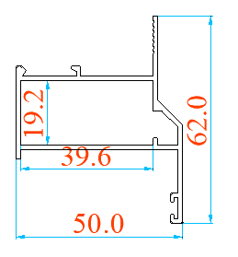 | SASH | WP5003 | 62*50
4 |  | FRAME BEADING | WP5004B | 17
5 | 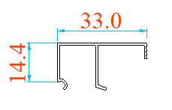 | SASH BEADING | WP5005B | 33*14.4
6 | 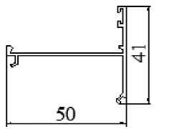 | TRANSFER FRAME | WP5006 | 41*50
50 SERIES ACCESSORIES
1
 |  | LOCK HANDLE |  | RIGHT
 | 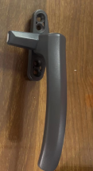 | LOCK HANDLE | 738B | LEFT
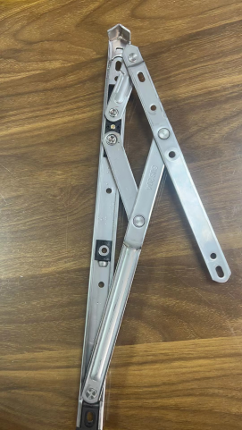
2 |  |  |  | 10寸2.5厚304#
 |  |  |  | 10寸2.5厚304#
 |  | HINGES |  | 10寸2.5厚304#
 |  |  |  | 10寸2.5厚304#
 |  |  |  | 10寸2.5厚304#

35 SERIES
35 ALUMINIUM
NO | PICTURE | NAME | CODE
1 | 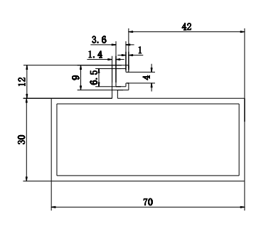 | Outer frame | GC702
2 | 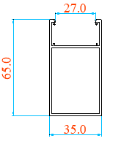 | SASH | DJ43
3 | 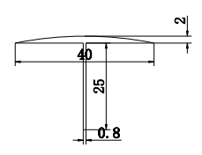 | Inter seal | 2PT
4 | 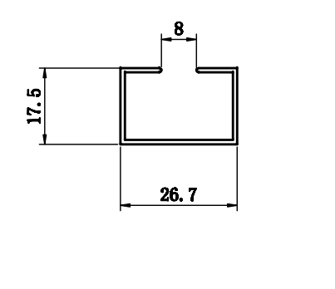 | GLASS SLOT | ZHL-D43
5 | 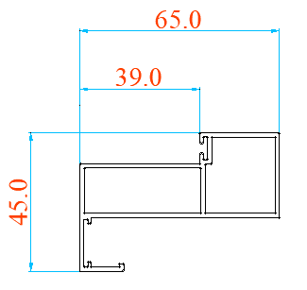 | Outer frame | DJ-44
6 | 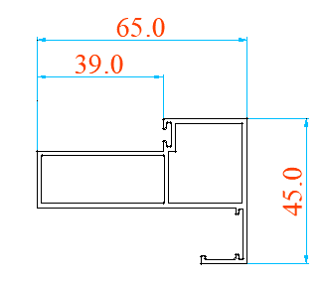 | Outer frame | DJ-45
 |  | SASH | YXP-019
35 ACCESSORIES
1 | 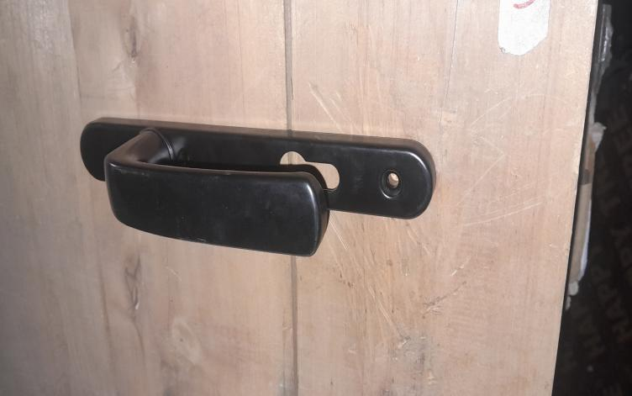 | LOCK HANDLE
 | 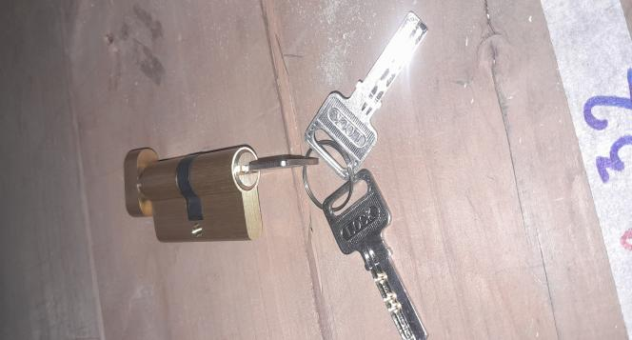 A B | CYLNDER LOCK | A.WITH KEY BOTH ,B.WITH KNOB
 | 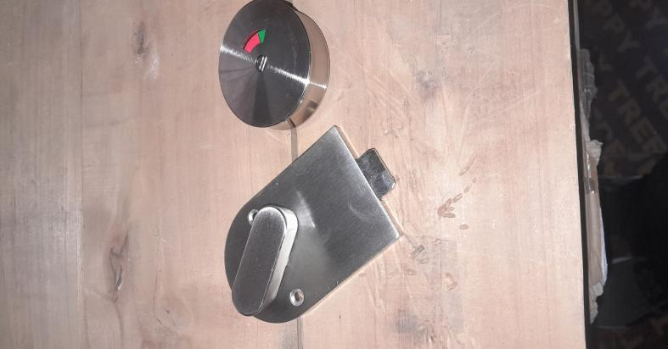 | LOCK HANDLE
 | 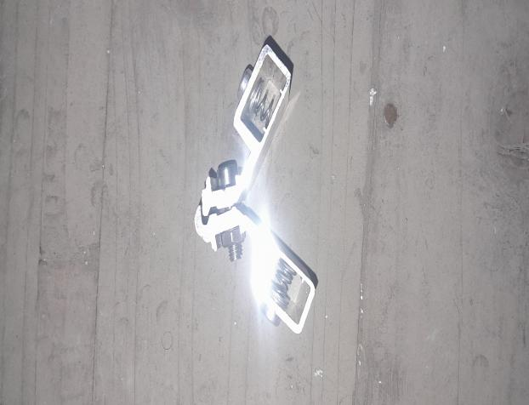 | CONNECTOR
 | 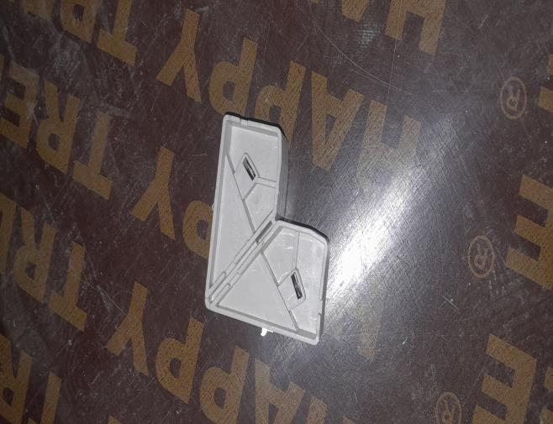 | CONNECTOR
 | 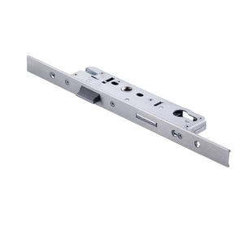 | LOCKBODY

76 SERIES
NO | PICTURE | CODE
1 | 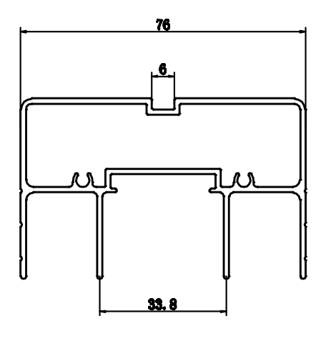 | HL-76801B
2 |  | 76802
3 | 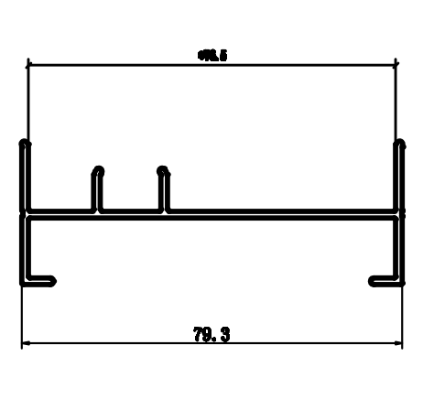 | 76803
4 | 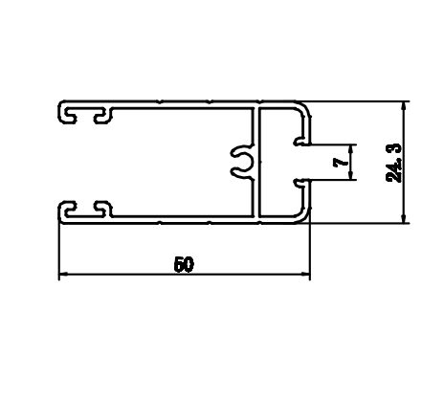 | 76804A
5 | 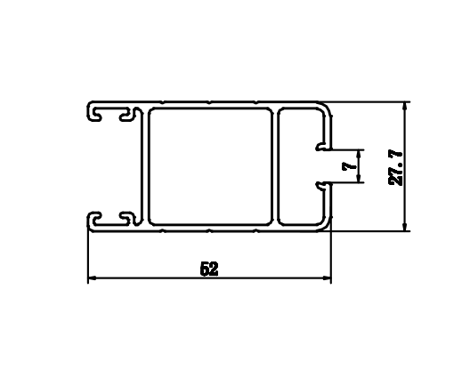 | HL-76806A
6 | 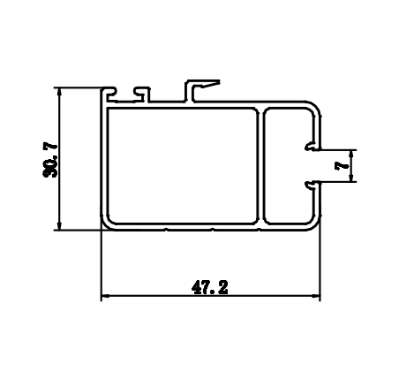 | 76807B
7 | 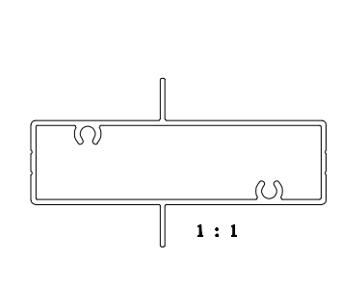 | 76808
8 |  | 76809
9 | 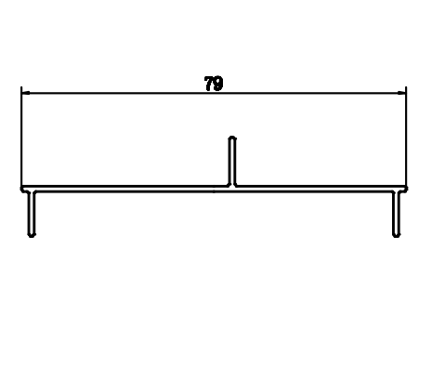 | 76810
10 | 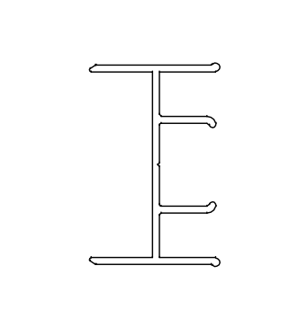 | 76812
76 ALUMINIUM
11
1 | 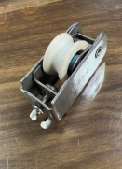 | ONE ROLLER
2 | 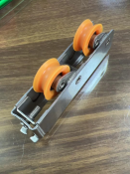 | 2 ROLLER
3 | 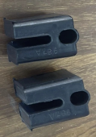 | PANNEL CONNECTOR

90 SERIIES
90 ALUMINIUM
NO | PICTURES | CODE | NAME
1 | 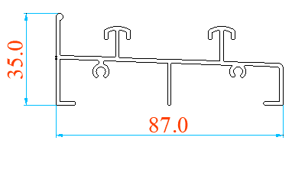 | PY43 | BOTTOM RAIL
2 |  | PY08 | OUTER FRAME
3 | 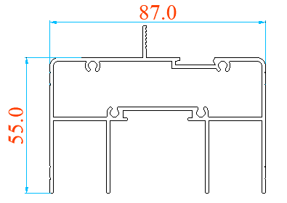 | PY06 | TOP RAIL
4 | 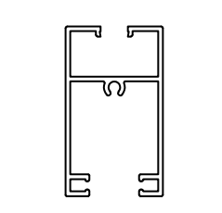 | PY52 | Panel/sash frame
5 | 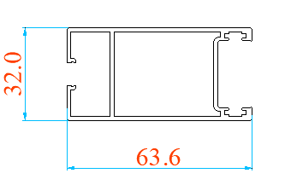 | PY-24 | SASH
6 | 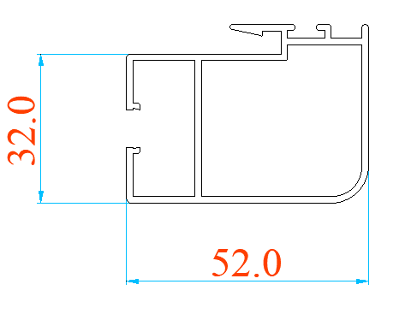 | PY-25 | INTERLOCK
7 | 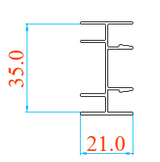 | PY-35 | INTERSEAL
8 |  | PY-51 | LOW BOTTOM TRACK
9 | 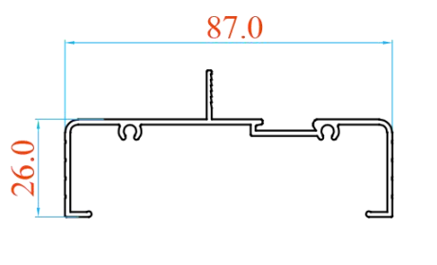 | PY-10 | Top frame
10 | 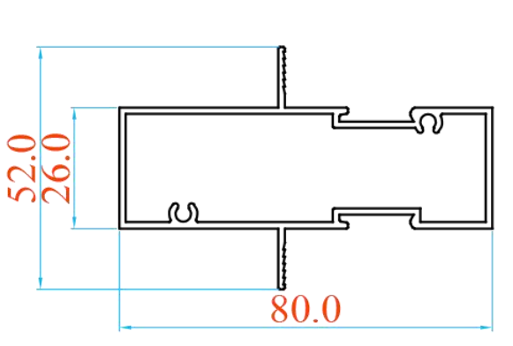 | PY-45 | MUNTIN
11 | 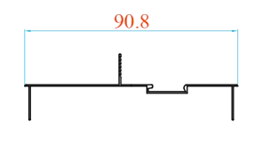 | PY-11 | COVER
12 | 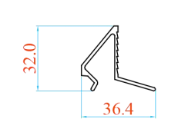 | WY-82827 | BEAD
13 |  | PY-06 | TOP RAIL
14 |  | PY-47 | BEAD
90 ACCESSORIES
 |  | PY25
1 | 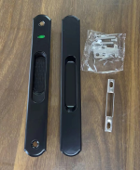 | LOCK WITHOUT KEY
2 | 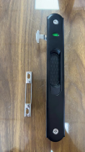 | SINGLE LOCK
3 |  | PANNEL CONNECTOR
4 | 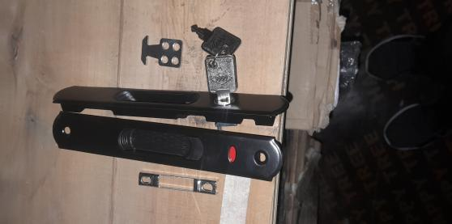 | LOCK WITH KEY
5 | 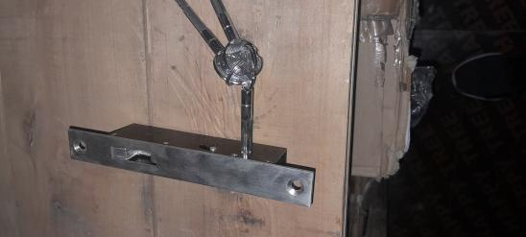 | LOCK TO THE CORNER
6 |  | PANNEL CONNECTOR

