Charts
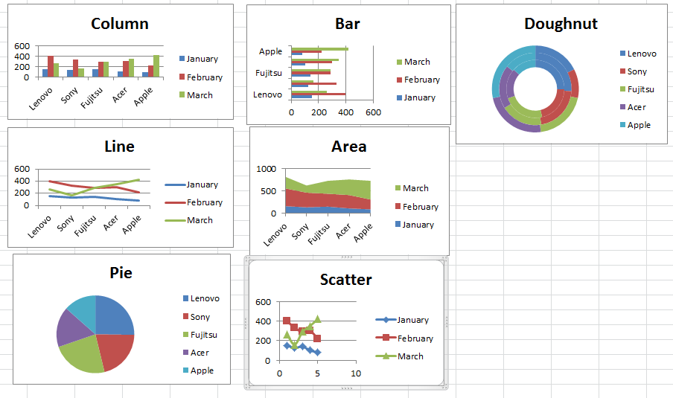
 | January | February | March
Lenovo | 150 | 400 | 260
Sony | 125 | 329 | 160
Fujitsu | 140 | 290 | 290
Acer | 100 | 300 | 350
Apple | 80 | 220 | 420

PictureColumns
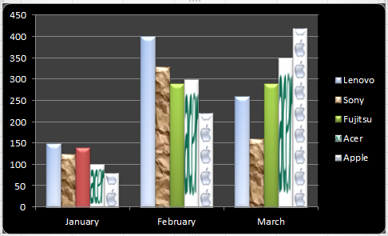
 | January | February | March
Lenovo | 150 | 400 | 260
Sony | 125 | 329 | 160
Fujitsu | 140 | 290 | 290
Acer | 100 | 300 | 350
Apple | 80 | 220 | 420

Quarter
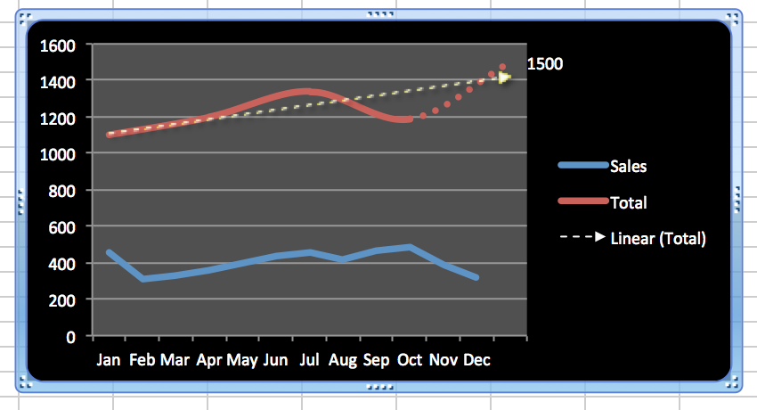
Month | Sales | Total | Quarter
Jan | 461 | 1101 | Q1
Feb | 310
Mar | 330
Apr | 355 | 1198 | Q2
May | 402
Jun | 441
Jul | 458 | 1340 | Q3
Aug | 419
Sep | 463
Oct | 482 | 1187 | Q4
Nov | 390
Dec | 315

