Stack
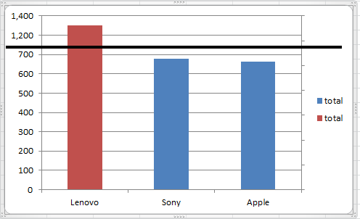
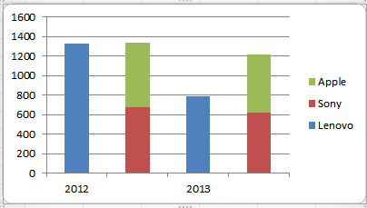
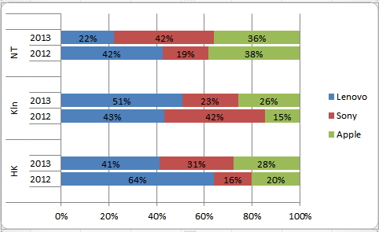
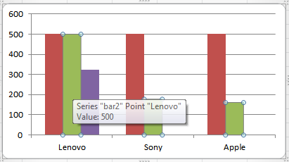
 |  | Lenovo | Sony | Apple | total
HK | 2012 | 559 | 139 | 176 | 874
 | 2013 | 274 | 203 | 185 | 662
Kln | 2012 | 365 | 357 | 124 | 846
 | 2013 | 385 | 176 | 197 | 758
NT | 2012 | 400 | 182 | 361 | 943
 | 2013 | 130 | 243 | 211 | 584

Stack2
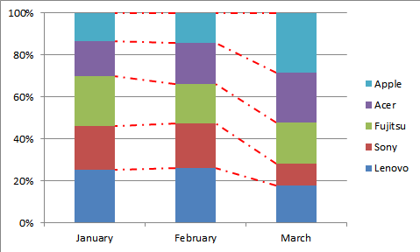
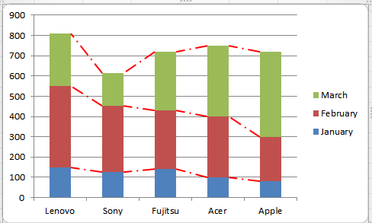
 | January | February | March
Lenovo | 150 | 400 | 260
Sony | 125 | 329 | 160
Fujitsu | 140 | 290 | 290
Acer | 100 | 300 | 350
Apple | 80 | 220 | 420

Population
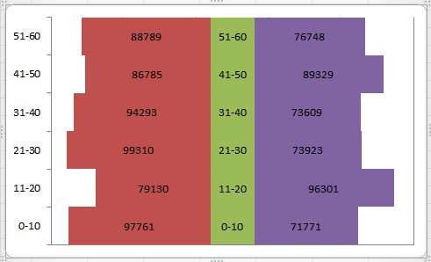
Age | M | F
0-10 | 97761 | 71771
11-20 | 79130 | 96301
21-30 | 99310 | 73923
31-40 | 94293 | 73609
41-50 | 86785 | 89329
51-60 | 88789 | 76748

topbottom bar
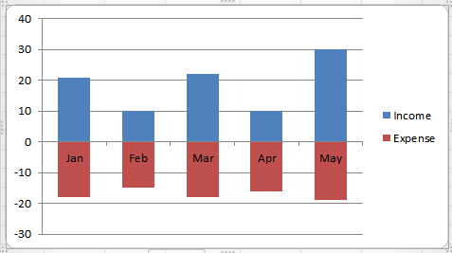
 | Income | Expense
Jan | 21 | 18
Feb | 10 | 15
Mar | 22 | 18
Apr | 10 | 16
May | 30 | 19

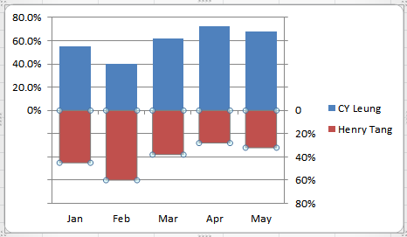

 | CY Leung | Henry Tang
Jan | 55% | 45%
Feb | 40% | 60%
Mar | 62% | 38%
Apr | 72% | 28%
May | 68% | 32%

Weekday
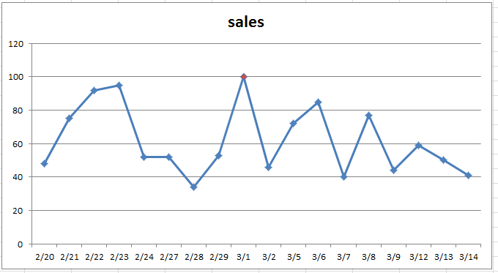
date | sales
2012-02-20 | 48
2012-02-21 | 75
2012-02-22 | 92
2012-02-23 | 95
2012-02-24 | 52
2012-02-27 | 52
2012-02-28 | 34
2012-02-29 | 53
2012-03-01 | 100
2012-03-02 | 46
2012-03-05 | 72
2012-03-06 | 85
2012-03-07 | 40
2012-03-08 | 77
2012-03-09 | 44
2012-03-12 | 59
2012-03-13 | 50
2012-03-14 | 41

1 | Insert Line Chart (Line with Markers)
2 | Hide the Saturdays and Sundays
3 | change the date format to show just day and month
4 | change the maximum point to red

Time
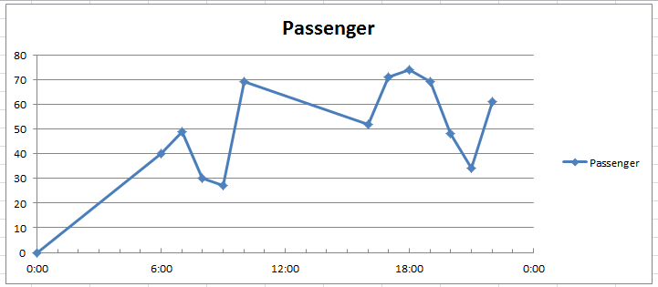
Time | Passenger
0:00:00 | 0
6:00:00 | 40
7:00:00 | 49
8:00:00 | 30
9:00:00 | 27
10:00:00 | 69
16:00:00 | 52
17:00:00 | 71
18:00:00 | 74
19:00:00 | 69
20:00:00 | 48
21:00:00 | 34
22:00:00 | 61

Line
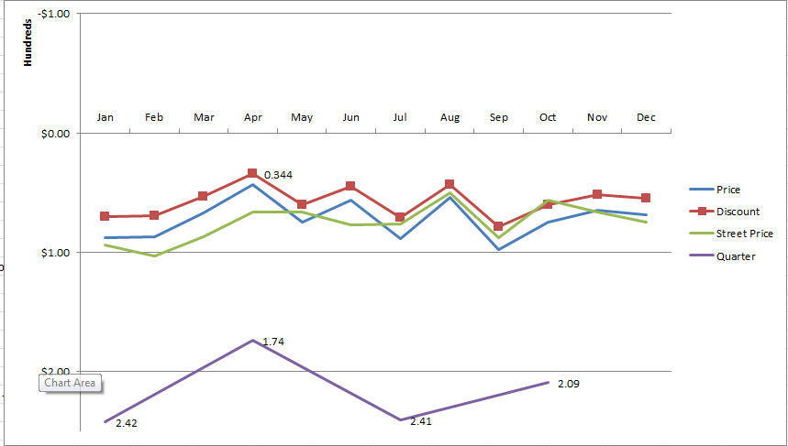
 | Month | Price | Street Price | Quarter
Loss | Jan | 88 | 94 | 242
 | Feb | 87 | 103
 | Mar | 67 | 87
 | Apr | 43 | 66 | 174
 | May | 75 | 66
 | Jun | 56 | 77
 | Jul | 89 | 76 | 241
 | Aug | 54 | 50
 | Sep | 98 | 88
 | Oct | 75 | 56 | 209
 | Nov | 65 | 66
 | Dec | 69 | 75

1 | Create a line graph
2 | put month at bottom
3 | Show hidden column D
4 | show Quarter
5 | show Quarter label
6 | show minimum value at -100
7 | show maximum value at 250
8 | reverse the table
9 | show it per hundreds
10 | show value on lowest red
11 | move chart to another page

Area
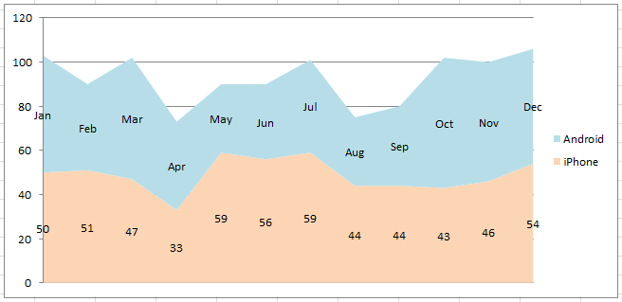
Month | Android | iPhone
Jan | 53 | 50
Feb | 39 | 51
Mar | 55 | 47
Apr | 40 | 33
May | 31 | 59
Jun | 34 | 56
Jul | 42 | 59
Aug | 31 | 44
Sep | 36 | 44
Oct | 59 | 43
Nov | 54 | 46
Dec | 52 | 54

sincos
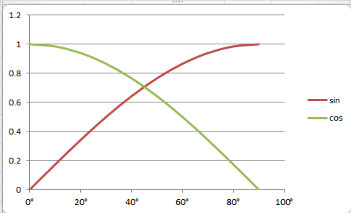
Degrees | RADIAN | sin | cos
0° | 0° | 0 | 1
10° | 0° | 0.17364817767 | 0.98480775301
20° | 0° | 0.34202014333 | 0.93969262079
30° | 1° | 0.5 | 0.86602540378
40° | 1° | 0.64278760969 | 0.76604444312
50° | 1° | 0.76604444312 | 0.64278760969
60° | 1° | 0.86602540378 | 0.5
70° | 1° | 0.93969262079 | 0.34202014333
80° | 1° | 0.98480775301 | 0.17364817767
90° | 2° | 1 | 6.1257422745E-17

Algebra
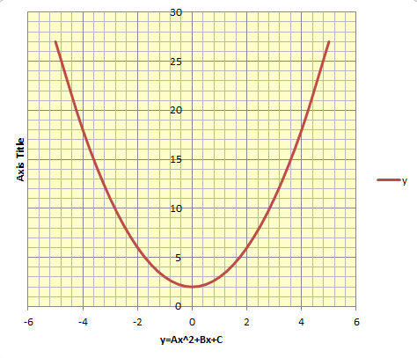

y=Ax^2+Bx+C |  |  | x | y
A= | 1 | -5 | -4 | 27
B= | -2 | -4 | -3 | 18
C= | 3 | -3 | -2 | 11
 |  | -2 | -1 | 6
X0 | 1 | -1 | 0 | 3
Y0 | -0.25 | 0 | 1 | 2
 |  | 1 | 2 | 3
 |  | 2 | 3 | 6
 |  | 3 | 4 | 11
 |  | 4 | 5 | 18
 |  | 5 | 6 | 27

POWER
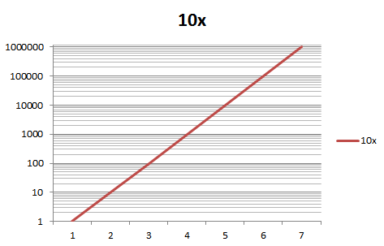
x | 10x
0 | 1
1 | 10
2 | 100
3 | 1000
4 | 10000
5 | 100000
6 | 1000000

x | 2x
0 | 1.00
1 | 2.00
2 | 4.00
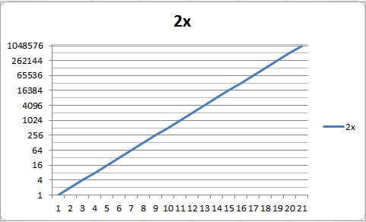
3 | 8.00
4 | 16.00
5 | 32.00
6 | 64.00
7 | 128.00
8 | 256.00
9 | 512.00
10 | 1024.00
11 | 2048.00
12 | 4096.00
13 | 8192.00
14 | 16384.00
15 | 32768.00
16 | 65536.00
17 | 131072.00
18 | 262144.00
19 | 524288.00
20 | 1048576.00

Predict
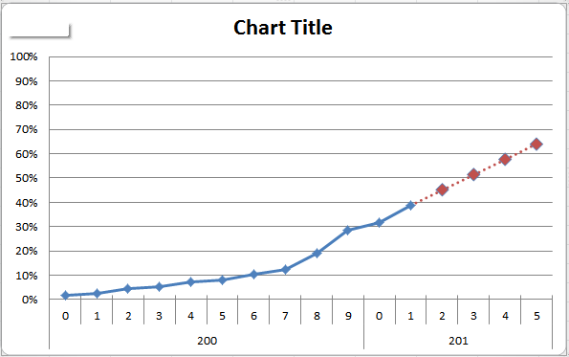
China Internet Usage Stats and Population Report
 | YEAR | Users | Population | Percentage %
200 | 0 | 22,500,000 | 1,288,307,100 | 1.75%
 | 1 | 33,700,000 | 1,288,307,100 | 2.62%
 | 2 | 59,100,000 | 1,288,307,100 | 4.59%
 | 3 | 69,000,000 | 1,288,307,100 | 5.36%
 | 4 | 94,000,000 | 1,288,307,100 | 7.30%
 | 5 | 103,000,000 | 1,289,664,808 | 7.99%
 | 6 | 137,000,000 | 1,317,431,495 | 10.40%
 | 7 | 162,000,000 | 1,317,431,495 | 12.30%
 | 8 | 253,000,000 | 1,330,044,605 | 19.02%
 | 9 | 384,000,000 | 1,338,612,968 | 28.69%
201 | 0 | 420,000,000 | 1,330,141,295 | 31.58%
 | 1 | 519,333,333 | 1,333,029,646 | 38.96%
 | 2 | 602,833,333 | 1,333,077,991 | 45.22%
 | 3 | 686,333,333 | 1,333,126,336 | 51.48%
 | 4 | 769,833,333 | 1,333,174,681 | 57.74%
 | 5 | 853,333,333 | 1,333,223,026 | 64.01%

2charts
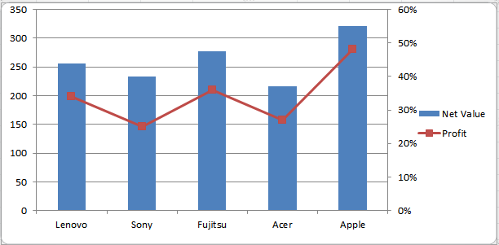
 | January | February | March
Lenovo | 150 | 400 | 260
Sony | 125 | 329 | 160
Fujitsu | 140 | 290 | 290
Acer | 100 | 300 | 350
Apple | 80 | 220 | 420

2Lines Compare
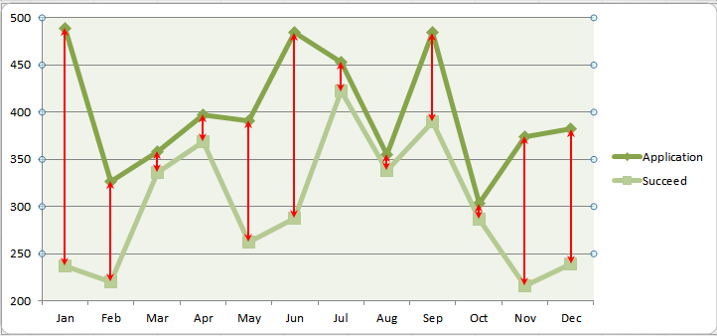
 | Application | Succeed | Failed
Jan | 489 | 237 | 252
Feb | 327 | 220 | 107
Mar | 358 | 336 | 22
Apr | 397 | 369 | 28
May | 391 | 262 | 129
Jun | 484 | 288 | 196
Jul | 453 | 422 | 31
Aug | 355 | 338 | 17
Sep | 484 | 390 | 94
Oct | 303 | 287 | 16
Nov | 374 | 216 | 158
Dec | 382 | 239 | 143

Ranking
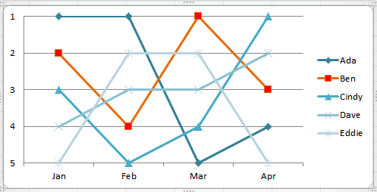
Ranking
Name | Jan | Feb | Mar | Apr
Ada | 1 | 1 | 5 | 4
Ben | 2 | 4 | 1 | 3
Cindy | 3 | 5 | 4 | 1
Dave | 4 | 3 | 3 | 2
Eddie | 5 | 2 | 2 | 5

Stairs
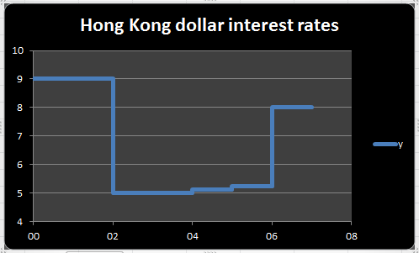
Hong Kong dollar interest rates
Year | Savings Deposit Rate
01 | 9
02 | 5
03 | 5
04 | 5.13
05 | 5.25
06 | 8

Travel
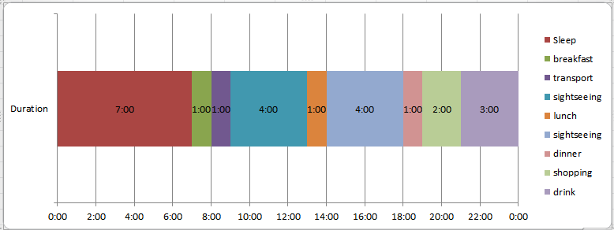
Time | Event | Duration
0:00:00 | Sleep | 7:00:00
7:00:00 | breakfast | 1:00:00
8:00:00 | transport | 1:00:00
9:00:00 | sightseeing | 4:00:00
13:00:00 | lunch | 1:00:00
14:00:00 | sightseeing | 4:00:00
18:00:00 | dinner | 1:00:00
19:00:00 | shopping | 2:00:00
21:00:00 | drink | 3:00:00
1900-01-01 00:00:00

Stock
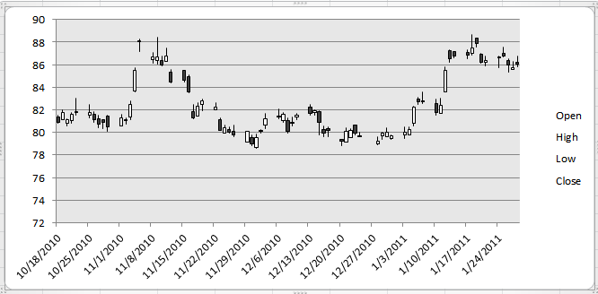
Date | Open | High | Low | Close | Volume | Adj Close
2011-01-28 | 86.2 | 86.75 | 85.8 | 86.05 | 22209300 | 86.05
2011-01-27 | 85.6 | 86.25 | 85.6 | 85.7 | 21450800 | 85.7
2011-01-26 | 86.35 | 86.55 | 85.3 | 86 | 26961400 | 86
2011-01-25 | 87 | 87.6 | 86.65 | 86.8 | 18934400 | 86.8
2011-01-24 | 86.6 | 86.8 | 85.75 | 86.65 | 18936300 | 86.65
2011-01-21 | 86.2 | 86.75 | 85.9 | 86.4 | 26847600 | 86.4
2011-01-20 | 86.95 | 87 | 86.1 | 86.2 | 34651300 | 86.2
2011-01-19 | 88.35 | 88.35 | 87.6 | 87.9 | 30145000 | 87.9
2011-01-18 | 87 | 88.7 | 86.85 | 87.5 | 57694200 | 87.5
2011-01-17 | 87.1 | 87.3 | 86.5 | 86.85 | 27782900 | 86.85
2011-01-14 | 87.2 | 87.2 | 86.6 | 86.75 | 45098900 | 86.75
2011-01-13 | 87.25 | 87.35 | 86.2 | 86.55 | 74038300 | 86.55
2011-01-12 | 83.6 | 85.8 | 83.55 | 85.5 | 78328900 | 85.5
2011-01-11 | 81.7 | 83.05 | 81.7 | 82.4 | 26128900 | 82.4
2011-01-10 | 82.55 | 82.95 | 81.55 | 81.75 | 20843700 | 81.75
2011-01-07 | 82.8 | 83.6 | 82.55 | 82.75 | 28182100 | 82.75
2011-01-06 | 82.95 | 83.1 | 82.45 | 82.7 | 27712900 | 82.7
2011-01-05 | 80.8 | 82.35 | 80.55 | 82.25 | 44631500 | 82.25
2011-01-04 | 79.8 | 80.45 | 79.8 | 80.25 | 14060500 | 80.25
2011-01-03 | 79.75 | 80.45 | 79.45 | 80.05 | 14119500 | 80.05
2010-12-31 | 79.45 | 79.8 | 79.35 | 79.7 | 10262800 | 79.7
2010-12-30 | 79.65 | 80.4 | 79.65 | 80 | 9347100 | 80
2010-12-29 | 79.7 | 80.05 | 79.4 | 79.9 | 8340500 | 79.9
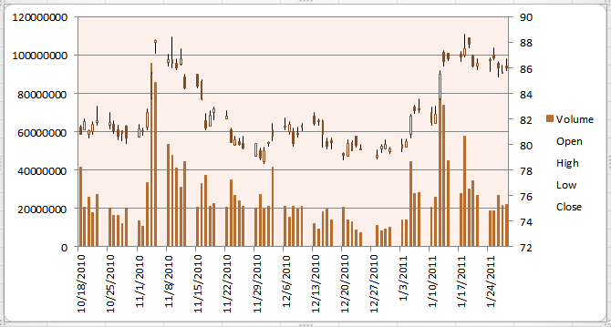
2010-12-28 | 79 | 79.6 | 78.9 | 79.2 | 10954700 | 79.2
2010-12-24 | 79.7 | 80 | 79.6 | 79.7 | 7307000 | 79.7
2010-12-23 | 80.65 | 80.65 | 79.8 | 79.95 | 8791800 | 79.95
2010-12-22 | 79.55 | 80.35 | 79.55 | 80.2 | 13154200 | 80.2
2010-12-21 | 79.1 | 80.4 | 79.1 | 80.1 | 14191200 | 80.1
2010-12-20 | 79.35 | 79.4 | 78.85 | 79.2 | 20676500 | 79.2
2010-12-17 | 80.3 | 80.5 | 79.65 | 80.15 | 14185600 | 80.15
2010-12-16 | 80.25 | 80.55 | 79.65 | 79.9 | 19601600 | 79.9
2010-12-15 | 81.85 | 81.95 | 79.8 | 80.85 | 18348400 | 80.85
2010-12-14 | 81.8 | 82 | 81.55 | 81.9 | 9323300 | 81.9
2010-12-13 | 82.25 | 82.5 | 81.5 | 81.7 | 12334200 | 81.7
2010-12-10 | 81.4 | 81.65 | 81.1 | 81.5 | 21310900 | 81.5
2010-12-09 | 80.85 | 81.35 | 80.6 | 80.9 | 19637800 | 80.9
2010-12-08 | 81.05 | 81.3 | 79.9 | 80.1 | 21058200 | 80.1
2010-12-07 | 81.05 | 81.8 | 80.85 | 81.6 | 15408600 | 81.6
2010-12-06 | 81.45 | 82.1 | 81.2 | 81.4 | 21326800 | 81.4
2010-12-03 | 80.65 | 81.7 | 80.3 | 81.2 | 41471600 | 81.2
2010-12-02 | 80.15 | 80.25 | 79.9 | 80.1 | 21322700 | 80.1
2010-12-01 | 78.65 | 79.85 | 78.55 | 79.5 | 19524600 | 79.5
2010-11-30 | 79.5 | 79.75 | 78.85 | 78.95 | 27131000 | 78.95
2010-11-29 | 79.1 | 80.1 | 79.1 | 80.1 | 20219800 | 80.1
2010-11-26 | 80.1 | 80.65 | 79.65 | 79.75 | 21054200 | 79.75
2010-11-25 | 80.25 | 80.5 | 79.95 | 80.05 | 24050900 | 80.05
2010-11-24 | 79.95 | 80.65 | 79.95 | 80.4 | 26859000 | 80.4
2010-11-23 | 81.15 | 81.3 | 80.15 | 80.2 | 34869400 | 80.2
2010-11-22 | 82 | 82.65 | 82 | 82.25 | 20495100 | 82.25
2010-11-19 | 82.5 | 82.95 | 81.95 | 82.8 | 22446300 | 82.8
2010-11-18 | 81.45 | 82.65 | 81.45 | 82.3 | 21108700 | 82.3
2010-11-17 | 81.85 | 82.45 | 81.2 | 81.3 | 37316500 | 81.3
2010-11-16 | 84.95 | 85.1 | 83.5 | 83.6 | 33209300 | 83.52
2010-11-15 | 85.5 | 85.5 | 84.45 | 84.6 | 20890300 | 84.52
2010-11-12 | 85.3 | 85.55 | 84.35 | 84.45 | 44708600 | 84.37
2010-11-11 | 86.3 | 87.5 | 86.25 | 86.75 | 31221500 | 86.67
2010-11-10 | 86.4 | 86.75 | 85.9 | 86 | 41300800 | 85.92
2010-11-09 | 86.35 | 88.45 | 86.05 | 86.65 | 47899900 | 86.57
2010-11-08 | 86.45 | 87.1 | 86.15 | 86.7 | 53686900 | 86.62
2010-11-05 | 88 | 88.25 | 87.2 | 88.15 | 85764200 | 88.07
2010-11-04 | 83.7 | 85.7 | 83.6 | 85.5 | 96073100 | 85.42
2010-11-03 | 81.4 | 82.8 | 81.15 | 82.5 | 33585100 | 82.42
2010-11-02 | 81.1 | 81.3 | 80.75 | 81.1 | 10741200 | 81.02
2010-11-01 | 80.6 | 81.6 | 80.6 | 81.25 | 13495500 | 81.17
2010-10-29 | 81.45 | 81.5 | 80.1 | 80.5 | 20020700 | 80.42
2010-10-28 | 81.1 | 81.1 | 80.35 | 80.9 | 12299300 | 80.82
2010-10-27 | 81.2 | 81.5 | 80.4 | 80.7 | 16622300 | 80.62
2010-10-26 | 81.6 | 81.85 | 80.9 | 81.1 | 16434900 | 81.02
2010-10-25 | 81.5 | 82.5 | 81.25 | 81.75 | 20201200 | 81.67
2010-10-22 | 81.75 | 83 | 81.55 | 81.85 | 27487000 | 81.77
2010-10-21 | 81.05 | 81.8 | 80.8 | 81.6 | 17922800 | 81.52
2010-10-20 | 80.8 | 81.2 | 80.55 | 81.1 | 25792700 | 81.02
2010-10-19 | 81.15 | 82 | 81.15 | 81.8 | 20498900 | 81.72
2010-10-18 | 81.4 | 81.5 | 80.8 | 80.85 | 41769900 | 80.77

Stock2
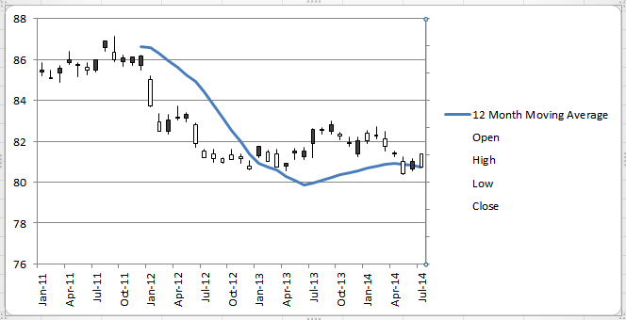
Date | 12 Month Moving Average | Open | High | Low | Close
Jan-11 |  | 86.2 | 86.75 | 85.8 | 86.05
Feb-11 |  | 85.6 | 86.25 | 85.6 | 85.7
Mar-11 |  | 86.35 | 86.55 | 85.3 | 86
Apr-11 |  | 87 | 87.6 | 86.65 | 86.8
May-11 |  | 86.6 | 86.8 | 85.75 | 86.65
Jun-11 |  | 86.2 | 86.75 | 85.9 | 86.4
Jul-11 |  | 86.95 | 87 | 86.1 | 86.2
Aug-11 |  | 88.35 | 88.35 | 87.6 | 87.9
Sep-11 |  | 87 | 88.7 | 86.85 | 87.5
Oct-11 |  | 87.1 | 87.3 | 86.5 | 86.85
Nov-11 |  | 87.2 | 87.2 | 86.6 | 86.75
Dec-11 | 86.6 | 87.25 | 87.35 | 86.2 | 86.55
Jan-12 | 86.6 | 83.6 | 85.8 | 83.55 | 85.5
Feb-12 | 86.3 | 81.7 | 83.05 | 81.7 | 82.4
Mar-12 | 85.9 | 82.55 | 82.95 | 81.55 | 81.75
Apr-12 | 85.6 | 82.8 | 83.6 | 82.55 | 82.75
May-12 | 85.3 | 82.95 | 83.1 | 82.45 | 82.7
Jun-12 | 84.9 | 80.8 | 82.35 | 80.55 | 82.25
Jul-12 | 84.4 | 79.8 | 80.45 | 79.8 | 80.25
Aug-12 | 83.8 | 79.75 | 80.45 | 79.45 | 80.05
Sep-12 | 83.1 | 79.45 | 79.8 | 79.35 | 79.7
Oct-12 | 82.6 | 79.65 | 80.4 | 79.65 | 80
Nov-12 | 82.0 | 79.7 | 80.05 | 79.4 | 79.9
Dec-12 | 81.4 | 79 | 79.6 | 78.9 | 79.2
Jan-13 | 80.9 | 80.65 | 80.65 | 79.8 | 79.95
Feb-13 | 80.7 | 79.55 | 80.35 | 79.55 | 80.2
Mar-13 | 80.6 | 79.1 | 80.4 | 79.1 | 80.1
Apr-13 | 80.3 | 79.35 | 79.4 | 78.85 | 79.2
May-13 | 80.1 | 80.3 | 80.5 | 79.65 | 80.15
Jun-13 | 79.9 | 80.25 | 80.55 | 79.65 | 79.9
Jul-13 | 79.9 | 81.85 | 81.95 | 79.8 | 80.85
Aug-13 | 80.1 | 81.8 | 82 | 81.55 | 81.9
Sep-13 | 80.3 | 82.25 | 82.5 | 81.5 | 81.7
Oct-13 | 80.4 | 81.4 | 81.65 | 81.1 | 81.5
Nov-13 | 80.5 | 80.85 | 81.35 | 80.6 | 80.9
Dec-13 | 80.5 | 81.05 | 81.3 | 79.9 | 80.1
Jan-14 | 80.7 | 81.05 | 81.8 | 80.85 | 81.6
Feb-14 | 80.8 | 81.45 | 82.1 | 81.2 | 81.4
Mar-14 | 80.9 | 80.65 | 81.7 | 80.3 | 81.2
Apr-14 | 80.9 | 80.15 | 80.25 | 79.9 | 80.1
May-14 | 80.9 | 78.65 | 79.85 | 78.55 | 79.5
Jun-14 | 80.8 | 79.5 | 79.75 | 78.85 | 78.95
Jul-14 | 80.7 | 79.1 | 80.1 | 79.1 | 80.1

Contour
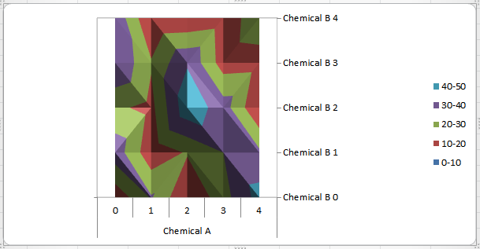
 |  | Chemical A
 |  | 0 | 1 | 2 | 3 | 4
Chemical B | 0 | 13 | 31 | 10 | 26 | 44
 | 1 | 36 | 13 | 21 | 30 | 32
 | 2 | 22 | 17 | 47 | 35 | 10
 | 3 | 40 | 21 | 39 | 15 | 16
 | 4 | 38 | 10 | 11 | 14 | 26

Radar
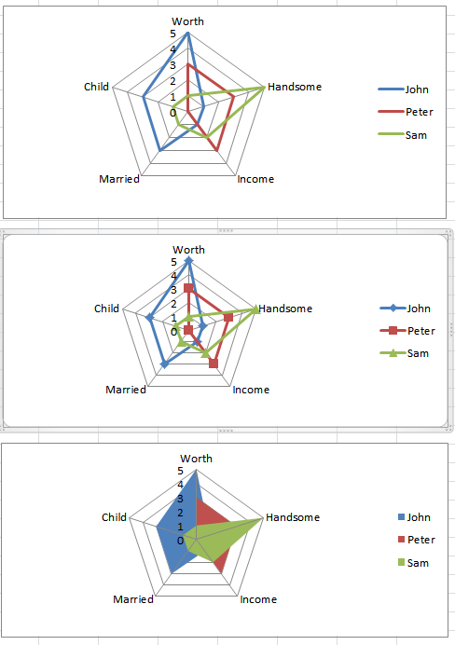
Column1 | Worth | Handsome | Income | Married | Child
John | 5 | 1 | 1 | 3 | 3
Peter | 3 | 3 | 3 | 0 | 0
Sam | 1 | 5 | 2 | 1 | 1

