Summary
Last Year
NOD Publishers
nodpublishers.com

Annual Sales Summary
Country or Region | Last Year | Current Year
United Kingdom | $10,562,525 | $12,321,994
France | $6,335,752 | $4,983,672
China | $8,992,570 | $6,851,693
Germany | $8,987,835 | $8,551,102
Australia | $9,520,485 | $10,093,539
Italy | $3,348,134 | $3,581,635
Spain | $9,426,070 | $8,772,250

Authors
Author | Genre | Books Sold | Bonus
Achong, Gustavo | Horror | 15,016
Albrecht, Brian T. | Crime | 14,278
Bento, Nuno | Historic | 16,513
Brown. Jo | Horror | 19,263
Cao, Jun | Thriller | 18,955
Carbonati, Cyril | Thriller | 18,063
D'Hers, Thierry | Non-Fiction | 6,346
Danner, Ryan | Non-Fiction | 17,080
Desai, Prashanth | Crime | 14,608
Evans, Join | Romance | 10,694
Eyink, Scott | Crime | 10,161
Fitzmaurice, Mike | Sci-Fi | 9,809
Grachev, Nikolay | Thriller | 8,173
Hendergart, James | Thriller | 8,633
Henningsen, Jay | Thriller | 7,792
Iallo, Licio | Horror | 7,182
Ihrig, Ryan | Romance | 6,819
Ingle, Marc J. | Romance | 12,844
Johnson, David | Sci-Fi | 7,945
Krapauskas, Mindaugas | Romance | 19,234
Kurijan, Eric S. | Horror | 11,419
Lang, Eric | Historic | 9,002
Lannin, Adrian | Thriller | 19,881
Moseley, Julia | Crime | 17,630
Reeves, Randy | Drama | 19,050
Rienstra, Martin | Romance | 17,202
Sheperdigian, Janet | Horror | 15,408
Thorpe, Steven | Thriller | 12,310
Usman, Rubina | Thriller | 17,441
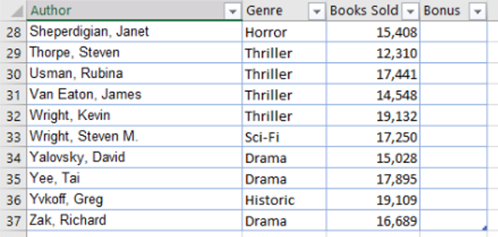
Van Eaton, James | Thriller | 14,548
Wright, Keven | Thriller | 19,132
Wright, Steven M. | Sci-Fi | 17,250
Yalovsky, David | Drama | 15,028
Yee, Tai | Drama | 17,895
Yvkoff, Greg | Historic | 19,109
Zak, Richard | Drama | 16,689

