January
Humongous Insurance
Polices Due for Renewal
January = | 16
Client ID | Policy Number | VIN Number | Renewal Date | Years as Member | Policy Type | Discount
53303 | BP-555222 | 2XXGI1A13DG031332 | 2022-01-15 | 6 | BP | Yes
23552 | SP-522252 | 3FRXF1FE1BV110231 | 2022-01-24 | 3 | SP | No
55223 | SP-253503 | 2GTDC11H2F1220202 | 2022-01-24 | 1 | SP | No
35220 | BP-202332 | 1G2FK13C0DF131232 | 2022-01-25 | 2 | BP | No
92527 | MP-222132 | 2FNDA21U3IBA33213 | 2022-01-04 | 5 | MP | Yes
23253 | SP-123130 | 1GNEC13R1XJ33313 | 2022-01-08 | 2 | SP | No
35225 | BP-100138 | LM1AC113GT$DT1211 | 2022-01-05 | 12 | BP | Yes
55253 | SP-110880 | 2KRD509222H321232 | 2022-01-09 | 1 | SP | No
41412 | MP-318388 | 1GBT1H1J2JTX73022 | 2022-01-12 | 3 | MP | No
45896 | SP-210033 | 95HYTB3XORS063232 | 2022-01-14 | 11 | SP | Yes
14422 | MP-133233 | 97HTB03R3K2295F823 | 2022-01-04 | 3 | MP | No
41221 | BP-100132 | LM1AC113321121211 | 2022-01-05 | 1 | BP | No
66262 | SP-110220 | 2HGES12222H3321232 | 2022-01-16 | 4 | SP | Yes
36362 | MP-712722 | 1GBT1H1J2WJ122322 | 2022-01-24 | 3 | MP | No
63302 | SP-210077 | 1NKDLB3X0RS332232 | 2022-01-31 | 12 | SP | Yes
93322 | MP-199299 | 1GCBS12R3K2221323 | 2022-01-23 | 3 | MP | No

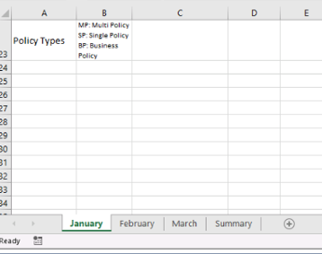
Policy Types | MP: Multi Policy SP: Single Policy BP: Business Policy

Summary
Humongous Insurance
Renewal Summary
Month | Policies
Jan | 16
Feb | 14
Mar | 20

