Sheet1
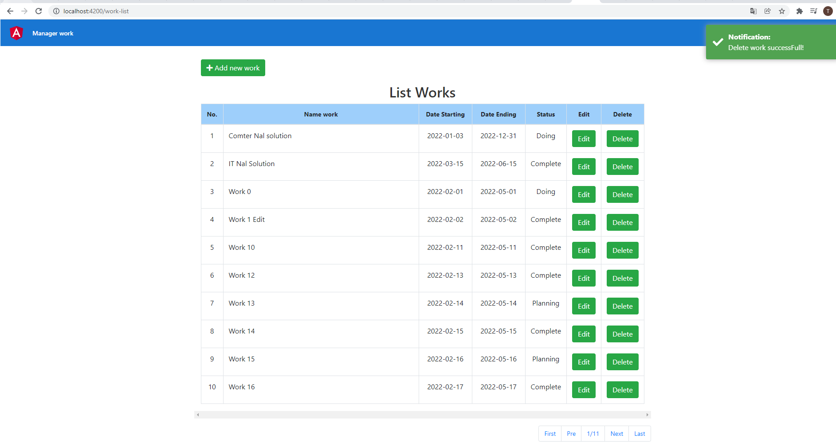
 | Test API
Get all
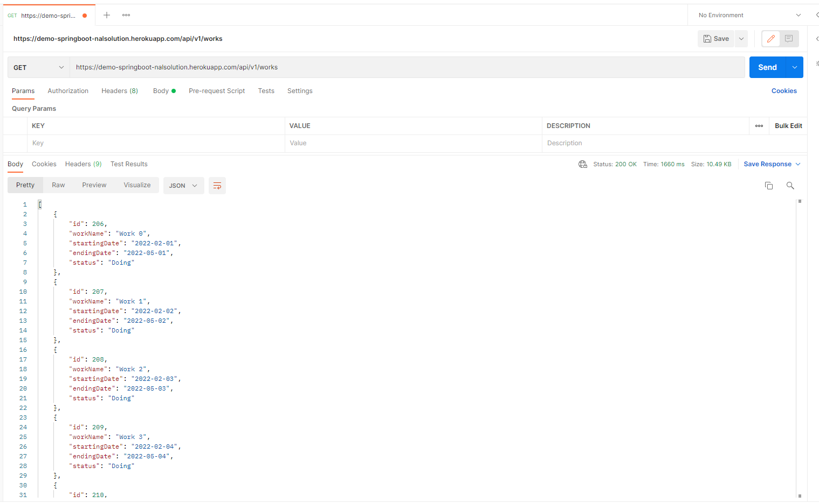

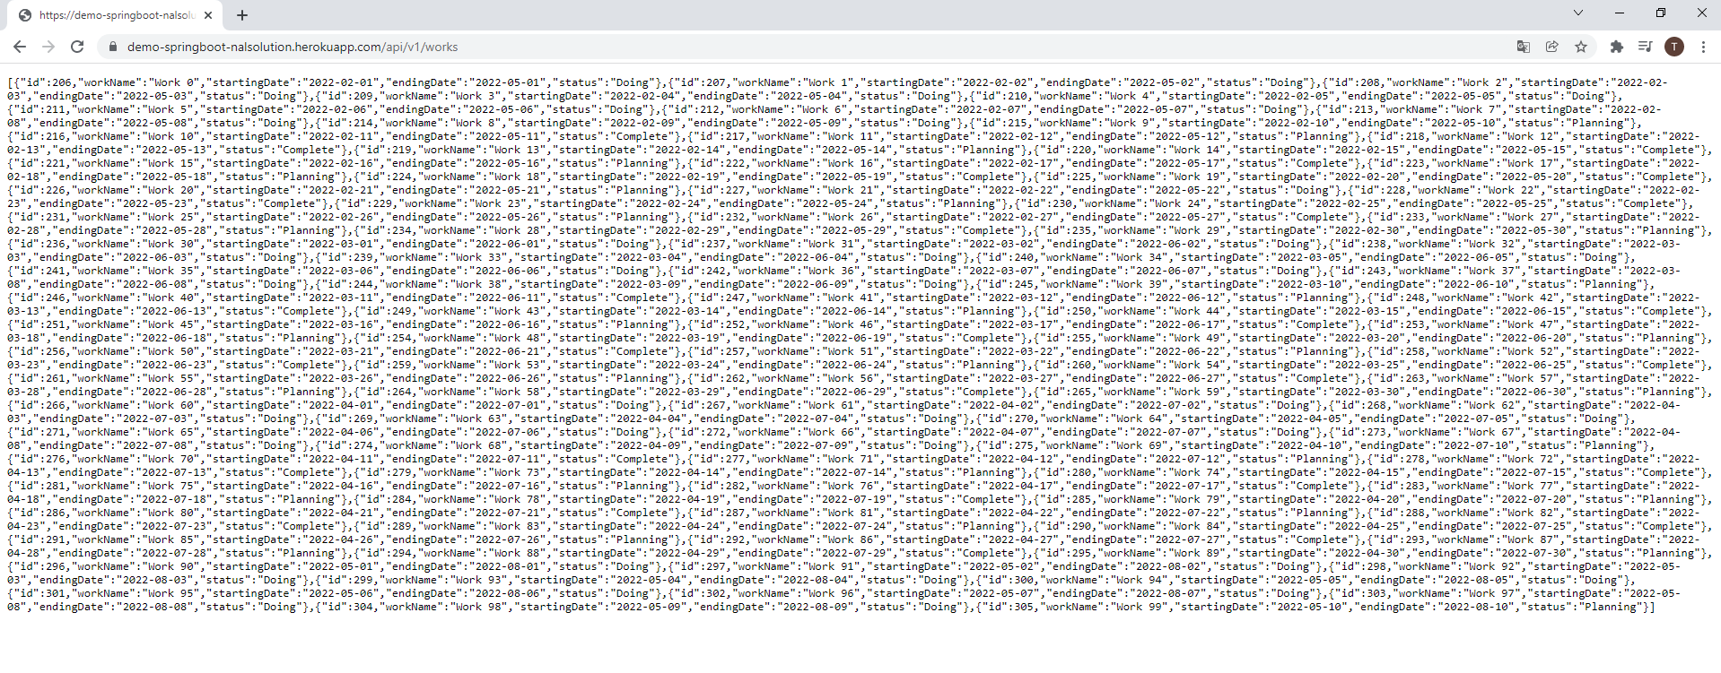

Get with sort and paging
https://demo-springboot-nalsolution.herokuapp.com/api/v1/works?pageNo=1&pageSize=10&sortBy=workName&desc=false
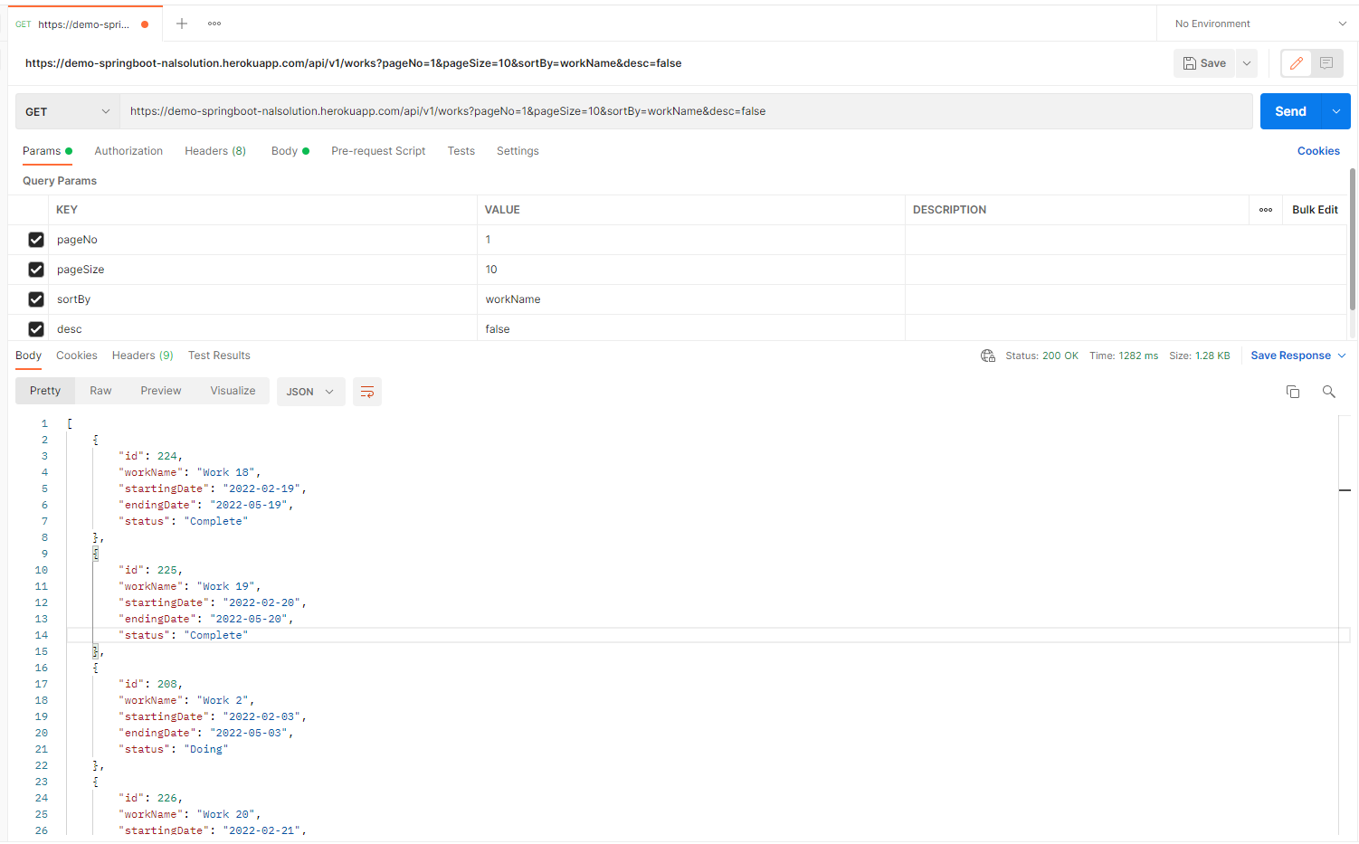

Get detail with Id
https://demo-springboot-nalsolution.herokuapp.com/api/v1/works/250
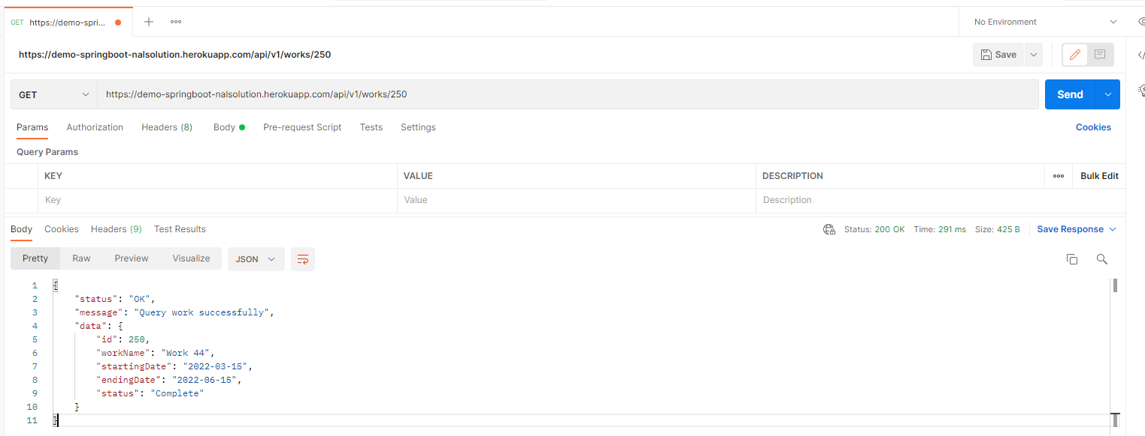

Update
https://demo-springboot-nalsolution.herokuapp.com/api/v1/works/250
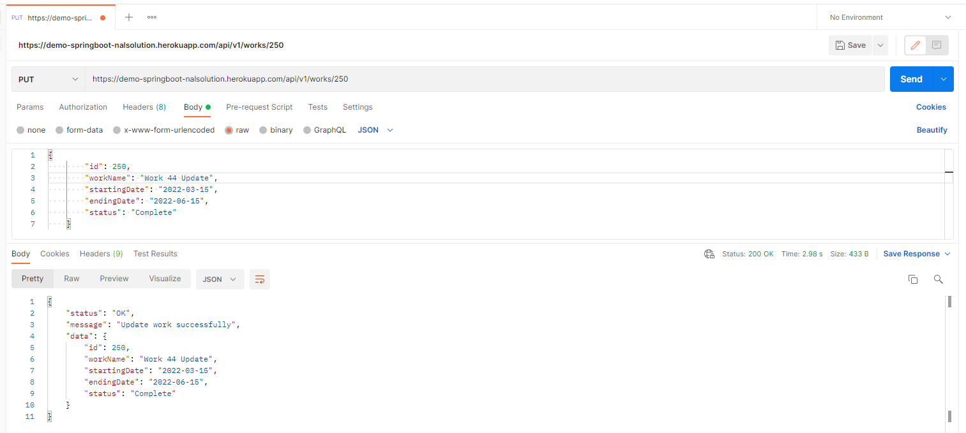

Insert
https://demo-springboot-nalsolution.herokuapp.com/api/v1/works/insert
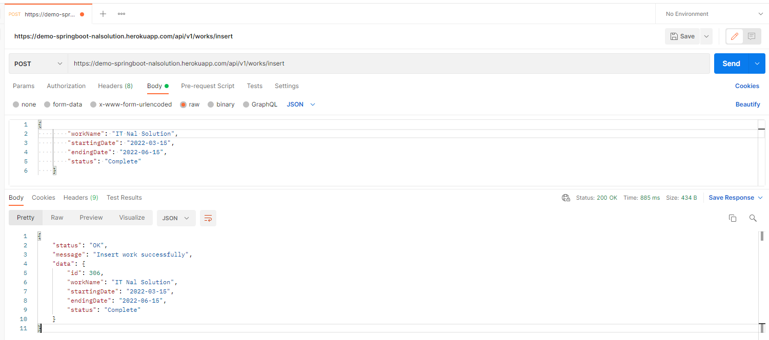

Delete
https://demo-springboot-nalsolution.herokuapp.com/api/v1/works/251
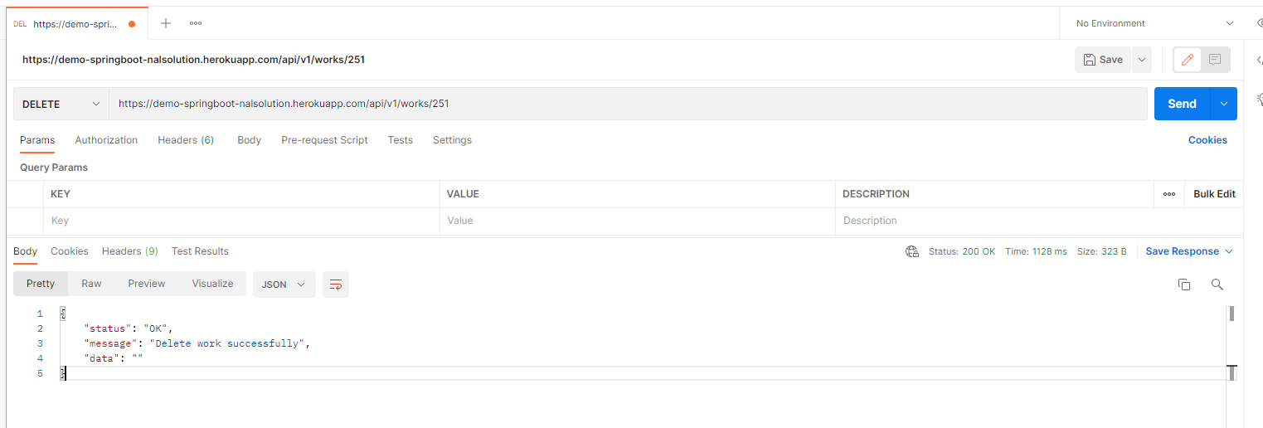

 | Test with angular app
Get all
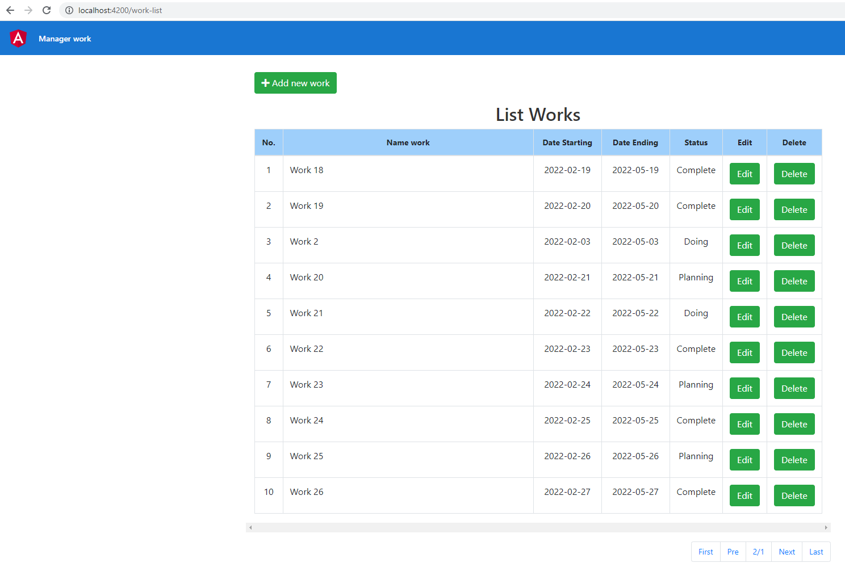

Insert
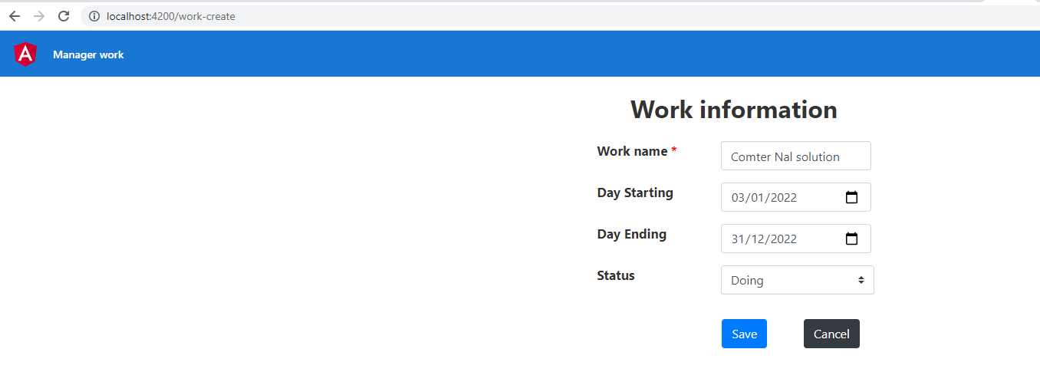

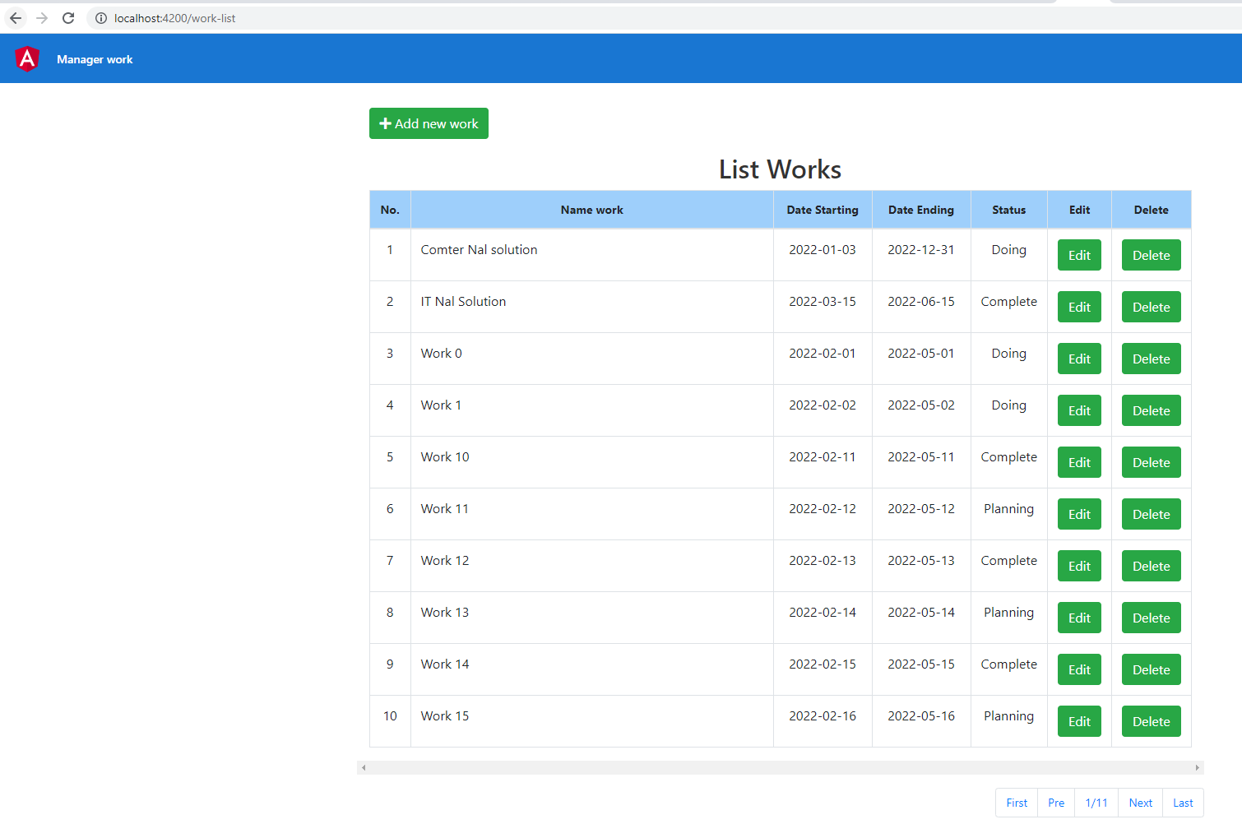

Edit

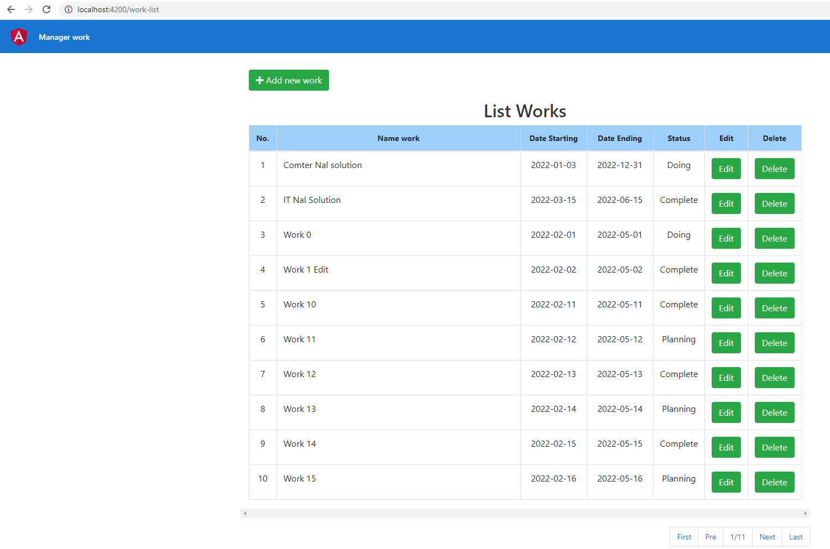

Delete

