Experiments (official)
Experiment No | TARGET_VARIABLE | No. of flights | D_MODEL | LR | N_EPOCHS | NUM_LAYERS | Dropout | DIM_FEEDFORWARD | Acc | F1 | Recall(fail) | ROC-AUC | PR-AUC
1 | rul_2d | 500 | 64 | 1E-03 | 5 | 4 | 0.1 | 512 | 0.5278 | 0.3455 | 1 | 0.5445 | 0.5119
2 | rul_2d | 500 | 128 | 3E-05 | 10 | 4 | 0.1 | 512 | 0.5972 | 0.5934 | 0.6579 | 0.6053 | 0.5725
3 | rul_2d | 500 | 128 | 1E-04 | 15 | 4 | 0.15 | 512 | 0.6667 | 0.6601 | 0.7632 | 0.7206 | 0.6659
4 | rul_2d | 500 | 256 | 1E-04 | 10 | 4 | 0.1 | 1024 | 0.6944 | 0.6935 | 0.6053 | 0.7368 | 0.7312
5 | rul_2d | 9212 | 256 | 3E-05 | 10 | 4 | 0.1 | 1024 | 0.697 | 0.6789 | 0.5689 | 0.7579 | 0.8161
6 | rul_5d | 9212 | 256 | 3E-05 | 10 | 4 | 0.1 | 1024 | 0.74 | 0.7394 | 0.7667 | 0.81 | 0.8078
7 | rul_10d | 9212 | 256 | 3E-05 | 10 | 4 | 0.1 | 1024 | 0.7472 | 0.7457 | 0.7746 | 0.8194 | 0.8111

Ex1

Ex2

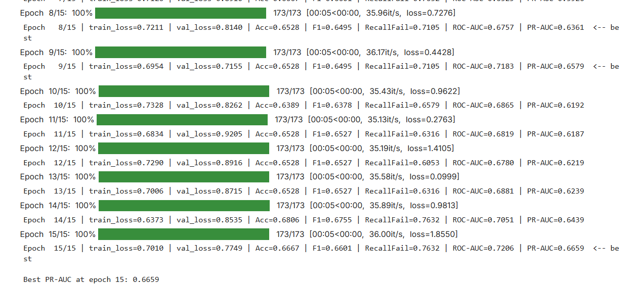
Ex3

Ex4

Ex5

Ex6

Ex7

