Sheet1
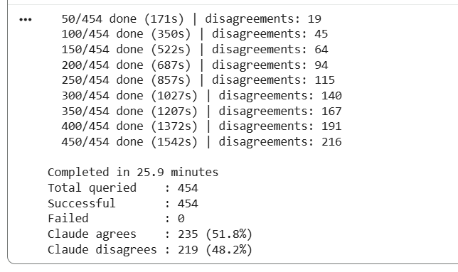
Submission file | Kaggle score | Change | weight
20260611_02_ensemble_tf_idf_logreg_deberta_v3_F1_0.9242 | 0.81081 | Cleanlab remove noisy label | weight = 0.5 if 0.3 <= quality_score < 0.5 else 1.0
20260611_04_deberta_v3_F1_0.9214 | 0.81281 | Cleanlab remove noisy label | weight = 0.5 if 0.3 <= quality_score < 0.5 else 1.0
20260611_03_roberta_F1_0.8911 | 0.80066 | Cleanlab remove noisy label | weight = 0.5 if 0.3 <= quality_score < 0.5 else 1.0
20260611_05_hatespeech_roberta_F1_0.8611 | 0.76112 | Cleanlab remove noisy label | weight = 0.5 if 0.3 <= quality_score < 0.5 else 1.0
20260611_03_kfold_deberta_thresh0.46_OOF_F1_0.8172 | 0.81300 | Cleanlab remove noisy label | weight = 0.5 if 0.3 <= quality_score < 0.5 else 1.0
20260611_02_kfold_deberta_default_OOF_F1_0.8156 | 0.81239 | Cleanlab remove noisy label | weight = 0.5 if 0.3 <= quality_score < 0.5 else 1.0
20260612_02_kfold_deberta_thresh0.55_OOF_F1_0.9103 | 0.82539 | Prompt change, keep all train row, label flip, change weight for low confident | weight = 0.5 if 0.3 <= quality_score < 0.5 else 1.0
20260612_01_kfold_deberta_default_OOF_F1_0.9094 | 0.82148 | Prompt change, keep all train row, label flip, change weight for low confident | weight = 0.5 if 0.3 <= quality_score < 0.5 else 1.0
20260612_09_kfold_deberta_thresh0.56_OOF_F1_0.9099 | 0.8267 | try all threshold 0.5-0.6, 0.01 step | weight = 0.5 if 0.3 <= quality_score < 0.5 else 1.0
20260612_10_kfold_deberta_thresh0.57_OOF_F1_0.9096 | 0.82802 | try all threshold 0.5-0.6, 0.01 step, BEST_THRESHOLD = 0.57 | weight = 0.5 if 0.3 <= quality_score < 0.5 else 1.0
20260612_11_kfold_deberta_thresh0.58_OOF_F1_0.9092 | 0.82747 | try all threshold 0.5-0.6, 0.01 step | weight = 0.5 if 0.3 <= quality_score < 0.5 else 1.0
20260611_02_ensemble_tf_idf_logreg_deberta_v3_F1_0.9242 | 0.81081 | Run Claude: 26min, Run Groq: 5 hours
20260613_03_roberta_F1_0.8929 | 0.79276 | Run Claude: 26min, Run Groq: 5 hours
20260613_04_deberta_v3_F1_0.9098 | 0.81747 | Run Claude: 26min, Run Groq: 5 hours
20260613_02_kfold_deberta_thresh0.57_OOF_F1_0.9144 | 0.81713 | Run Claude: 26min, Run Groq: 5 hours
20260613_01_kfold_deberta_default_OOF_F1_0.9127 | 0.81372 | Run Claude: 26min, Run Groq: 5 hours
20260613_02_ensemble_deberta_roberta_default_OOF_F1_0.9085 | 0.82026 | k-fold deberta, k-fold reoberta then ensemble
20260613_03_ensemble_deberta_roberta_thresh0.49_OOF_F1_0.9088 | 0.81818 | k-fold deberta, k-fold reoberta then ensemble
20260613_04_ensemble_deberta_roberta_thresh0.57_OOF_F1_0.9026 | 0.81322 | k-fold deberta, k-fold reoberta then ensemble
20260613_13_ensemble_deberta0.7_roberta0.3_thresh0.57_OOF_F1_0.9465 | 0.8127 | ensemble two models
20260613_12_ensemble_deberta0.8_roberta0.2_thresh0.57_OOF_F1_0.9463 | 0.81144 | ensemble two models
20260613_14_ensemble_deberta0.6_roberta0.4_thresh0.57_OOF_F1_0.9325 | 0.8153 | ensemble two models
20260613_15_ensemble_deberta0.5_roberta0.5_thresh0.57_OOF_F1_0.0000 | 0.81322 | ensemble two models
20260614_01_multiseed_deberta_10fold_default_OOF_F1_0.9195 | 0.82051 | multiseed (42, 123)
20260614_02_multiseed_deberta_10fold_thresh0.5_OOF_F1_0.9195 | 0.82051 | multiseed (42, 123)
20260614_03_multiseed_deberta_10fold_thresh0.57_OOF_F1_0.9141 | 0.81239 | multiseed (42, 123)

