Desktop VM Block
Only Edit These Values |  |  |  |  |  | Tỉ lệ vCPU pCPU | 4 nhóm VM | Máy Ảo - dành cho các đối tượng người dùng
Max Number of Standard Desktops | 200 |  | Max Number of Workstation Desktops | 150
PCPU to VCPU ratio | 3 |  | PCPU to VCPU ratio | 4 |  |  |  | Loại nhóm | Đối tượng người dùng | IOPS / VM | Throughput MBps | Latency ms
Resource Overhead | 10% |  |  |  | Light | 1:8 - 1:16 | VM1: | VM Task to do | Bảo vệ , IP cam, máy chấm công… | 50 - 700 | 2.25 - 31.44 | 1 - 1.3
 |  |  |  |  | Normal | 1:4 - 1:6 | VM2: | VM Office | Kế toán, CRM, ERP, IT Audit, HRM, SCM | 1269 - 2.000 | 57 - 89.83 | 1 - 1.4
 | vCPU | vRAM(GB) |  |  | Morden | 1:2 | VM3: | VM KB | Supervisor, VS design Web, 2 - 4 monitors, BIM, PBI, DWH | 2.500 - 7.500 | 112.29 - 215 | 1 - 2.5
Standard Desktop Resources | 2 | 4 |  |  | Heavy | 1:1 | VM4: | VM Power | Architecture AI/ML, Simulator, BigData, Merge DB | 15.736 - 19.073 | 321 - 659 | 1 - 7.5
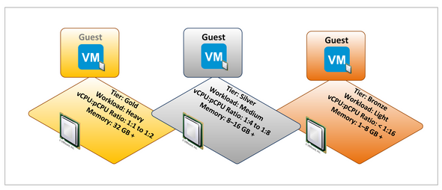
Workstation Desktop Resources | 4 | 8 | vRAM is LOCKED AND RESERVED

CPU Core Count (2x CPU) | 32
RAM Capacity (GB) | 512

vCPU VM Capacity Per host (with OH) | 44 |  | vCPU Capacity Per host (With OH) | 29
vRAM VM Capacity Per host (With OH) | 116 |  | vRAM Capacity Per host (With OH) | 58

M10-0B Max VMs per Host | 128 |  | M60-0Q Max Users per Host | 64 |  | <-- vGPU
vGPU Memory per VM | 512 |  | vGPU Memory per VM | 512
Number of Hosts to Support Req Standard | 5 |  | Number of hosts to support req WKS | 6
Max number of VMs | 220 |  | Max number of users | 174
Growth Capacity | 9% |  | Growth Capacity | 14%
Number of hosts for N+1 | 6 |  | Number of hosts for N+1 | 7 |  |  | https://download3.vmware.com/vcat/vmw-vcloud-architecture-toolkit-spv1-webworks/index.html#page/Core%20Platform/Architecting%20a%20vSphere%20Compute%20Platform/Architecting%20a%20vSphere%20Compute%20Platform.1.019.html
N+1 Max VMs | 264 |  | N+1 Max Users | 203
N+1 Growth Capacity | 24% |  | N+1 Growth Capacity | 26%

M10-1B Max VMs per Host | 64 |  | M60-1Q Max VMs per Host | 32 |  | <-- vGPU
vGPU Memory per VM | 1GB |  | vGPU Memory per VM | 1GB |  |  | Bottleneck Calculator between CPU vs GPU
Number of Hosts to Support Req Standard | 5 |  | Number of hosts to support req WKS | 6 |  |  | https://pc-builds.com/bottleneck-calculator/result/0MU0O6/1/general-tasks/solutions/upgrade-processor/3840x1600
Max number of VMs | 220 |  | Max number of VMs | 174
Growth Capacity | 9% |  | Growth Capacity | 14%
Number of hosts for N+1 | 6 |  | Number of hosts for N+1 | 7
N+1 Max VMs | 264 |  | N+1 Max VMs | 203
N+1 Growth Capacity | 24% |  | N+1 Growth Capacity | 26%

