Tasks
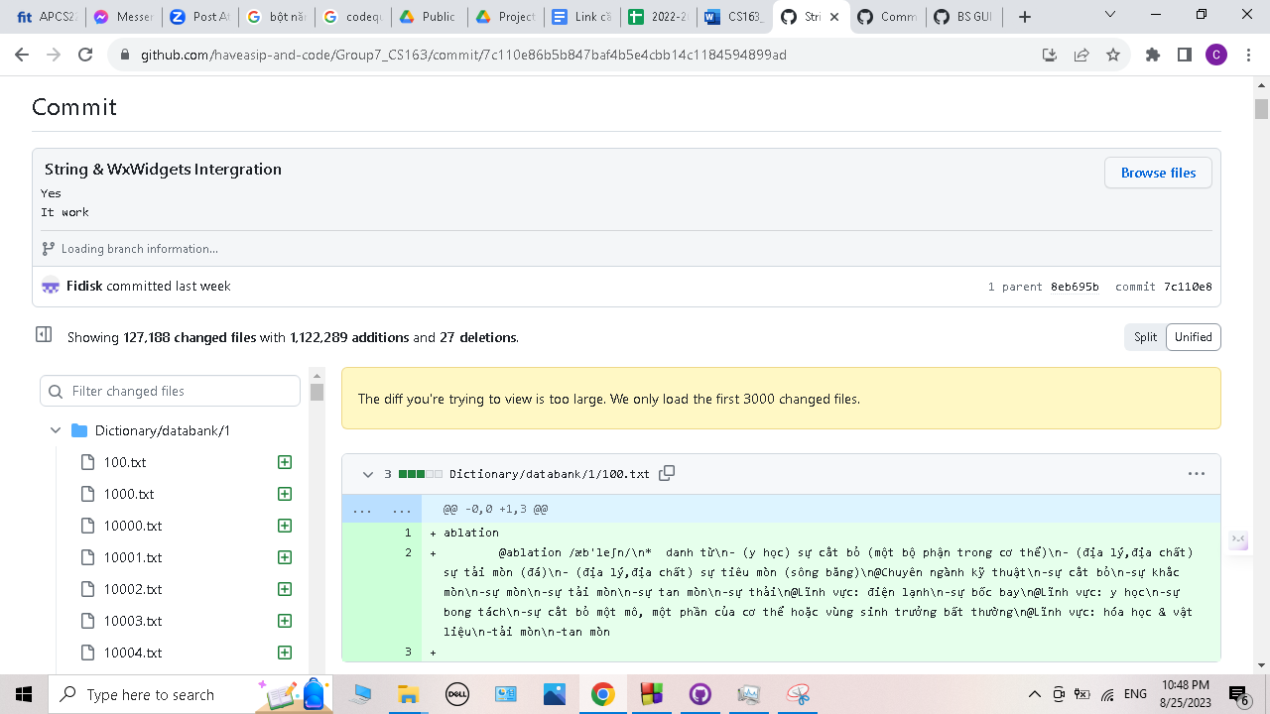
A task should be done by only 1-2 students. Duplicate tasks are not recommended Each member should work on at least 5 tasks

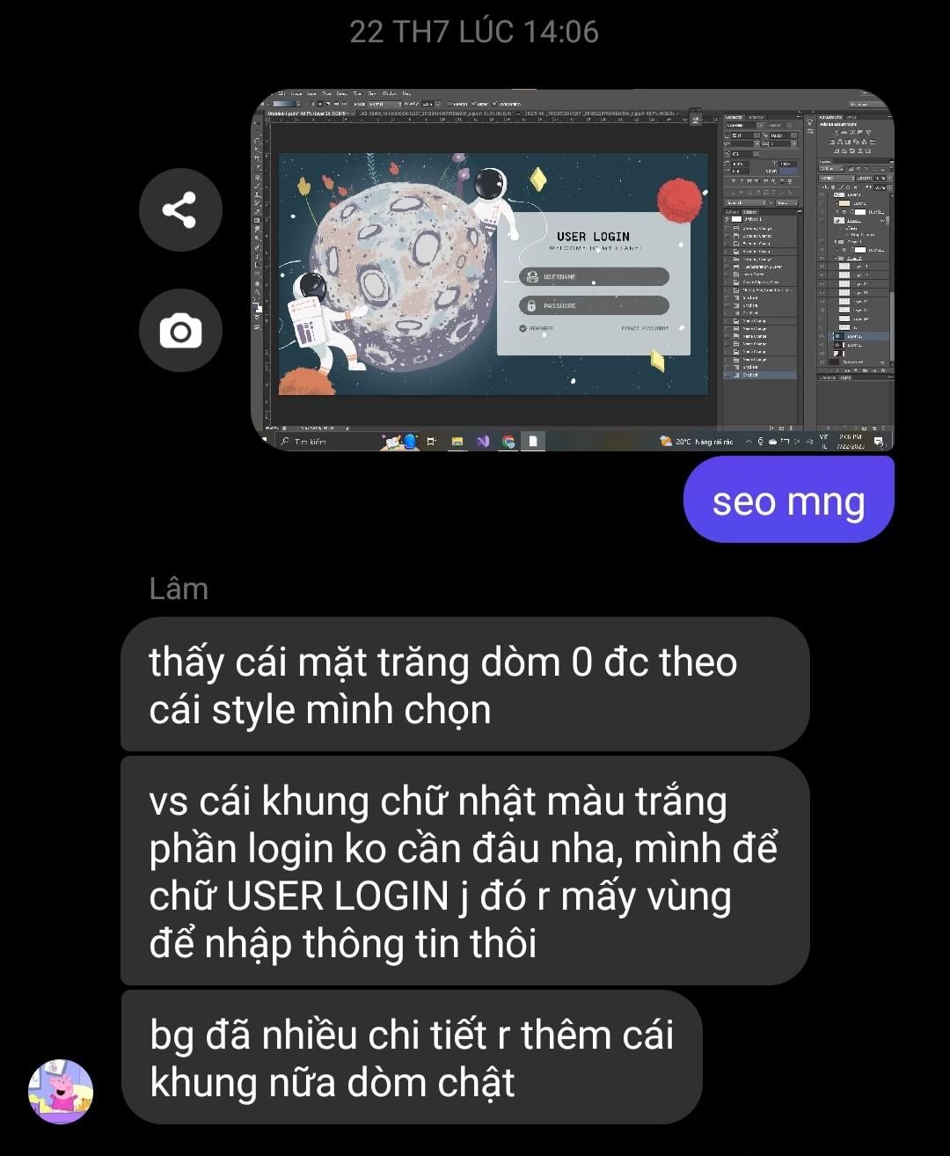
No | Student ID | Full name | Task Description | Hours | Evidence (screenshots of chat messages, of Git commits... proving that you perform and finish the task)
1 | 22125020 | Nguyễn Bạch Trường Giang | Write report | 8 | 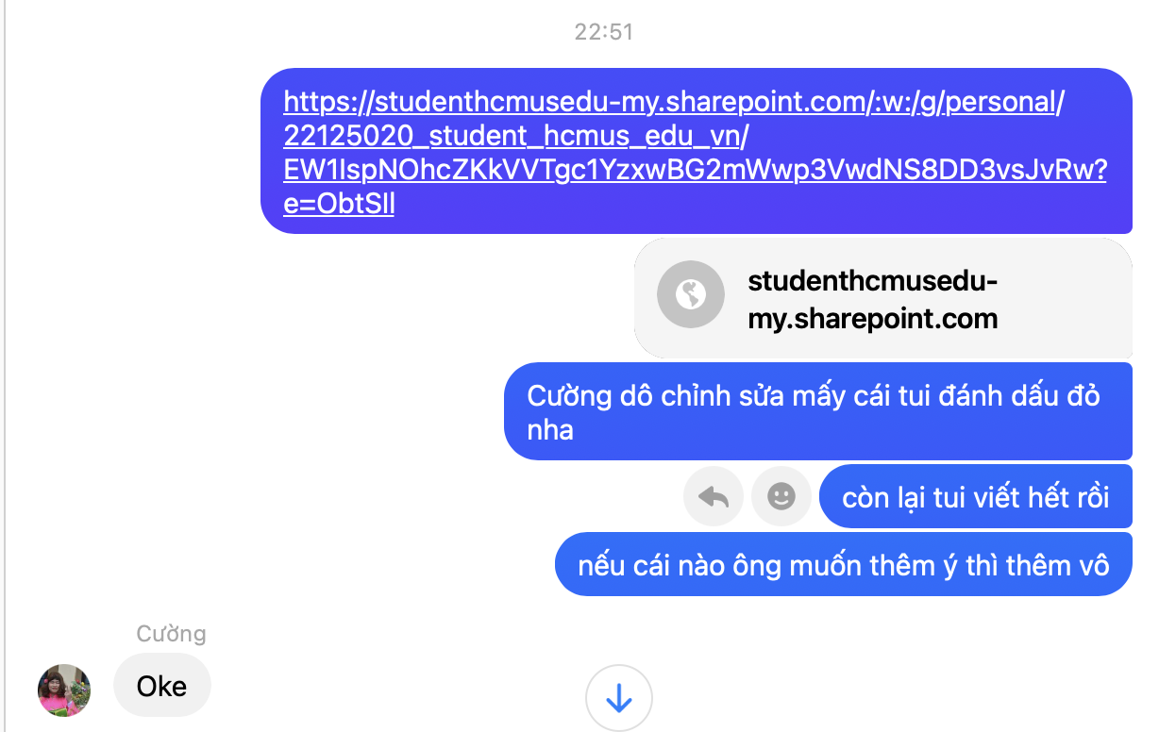
2 | 22125020 | Nguyễn Bạch Trường Giang | Develop login window | 15
3 | 22125020 | Nguyễn Bạch Trường Giang | Build foundation for dictionary window | 20
4 | 22125020 | Nguyễn Bạch Trường Giang | Develop Dictionary Page | 15
5 | 22125020 | Nguyễn Bạch Trường Giang | Format data files | 6 | 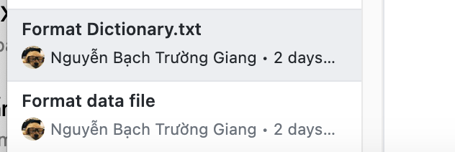
6 | 22125069 | Lâm Tú Nhi | Fine-tune background | 2.5 | 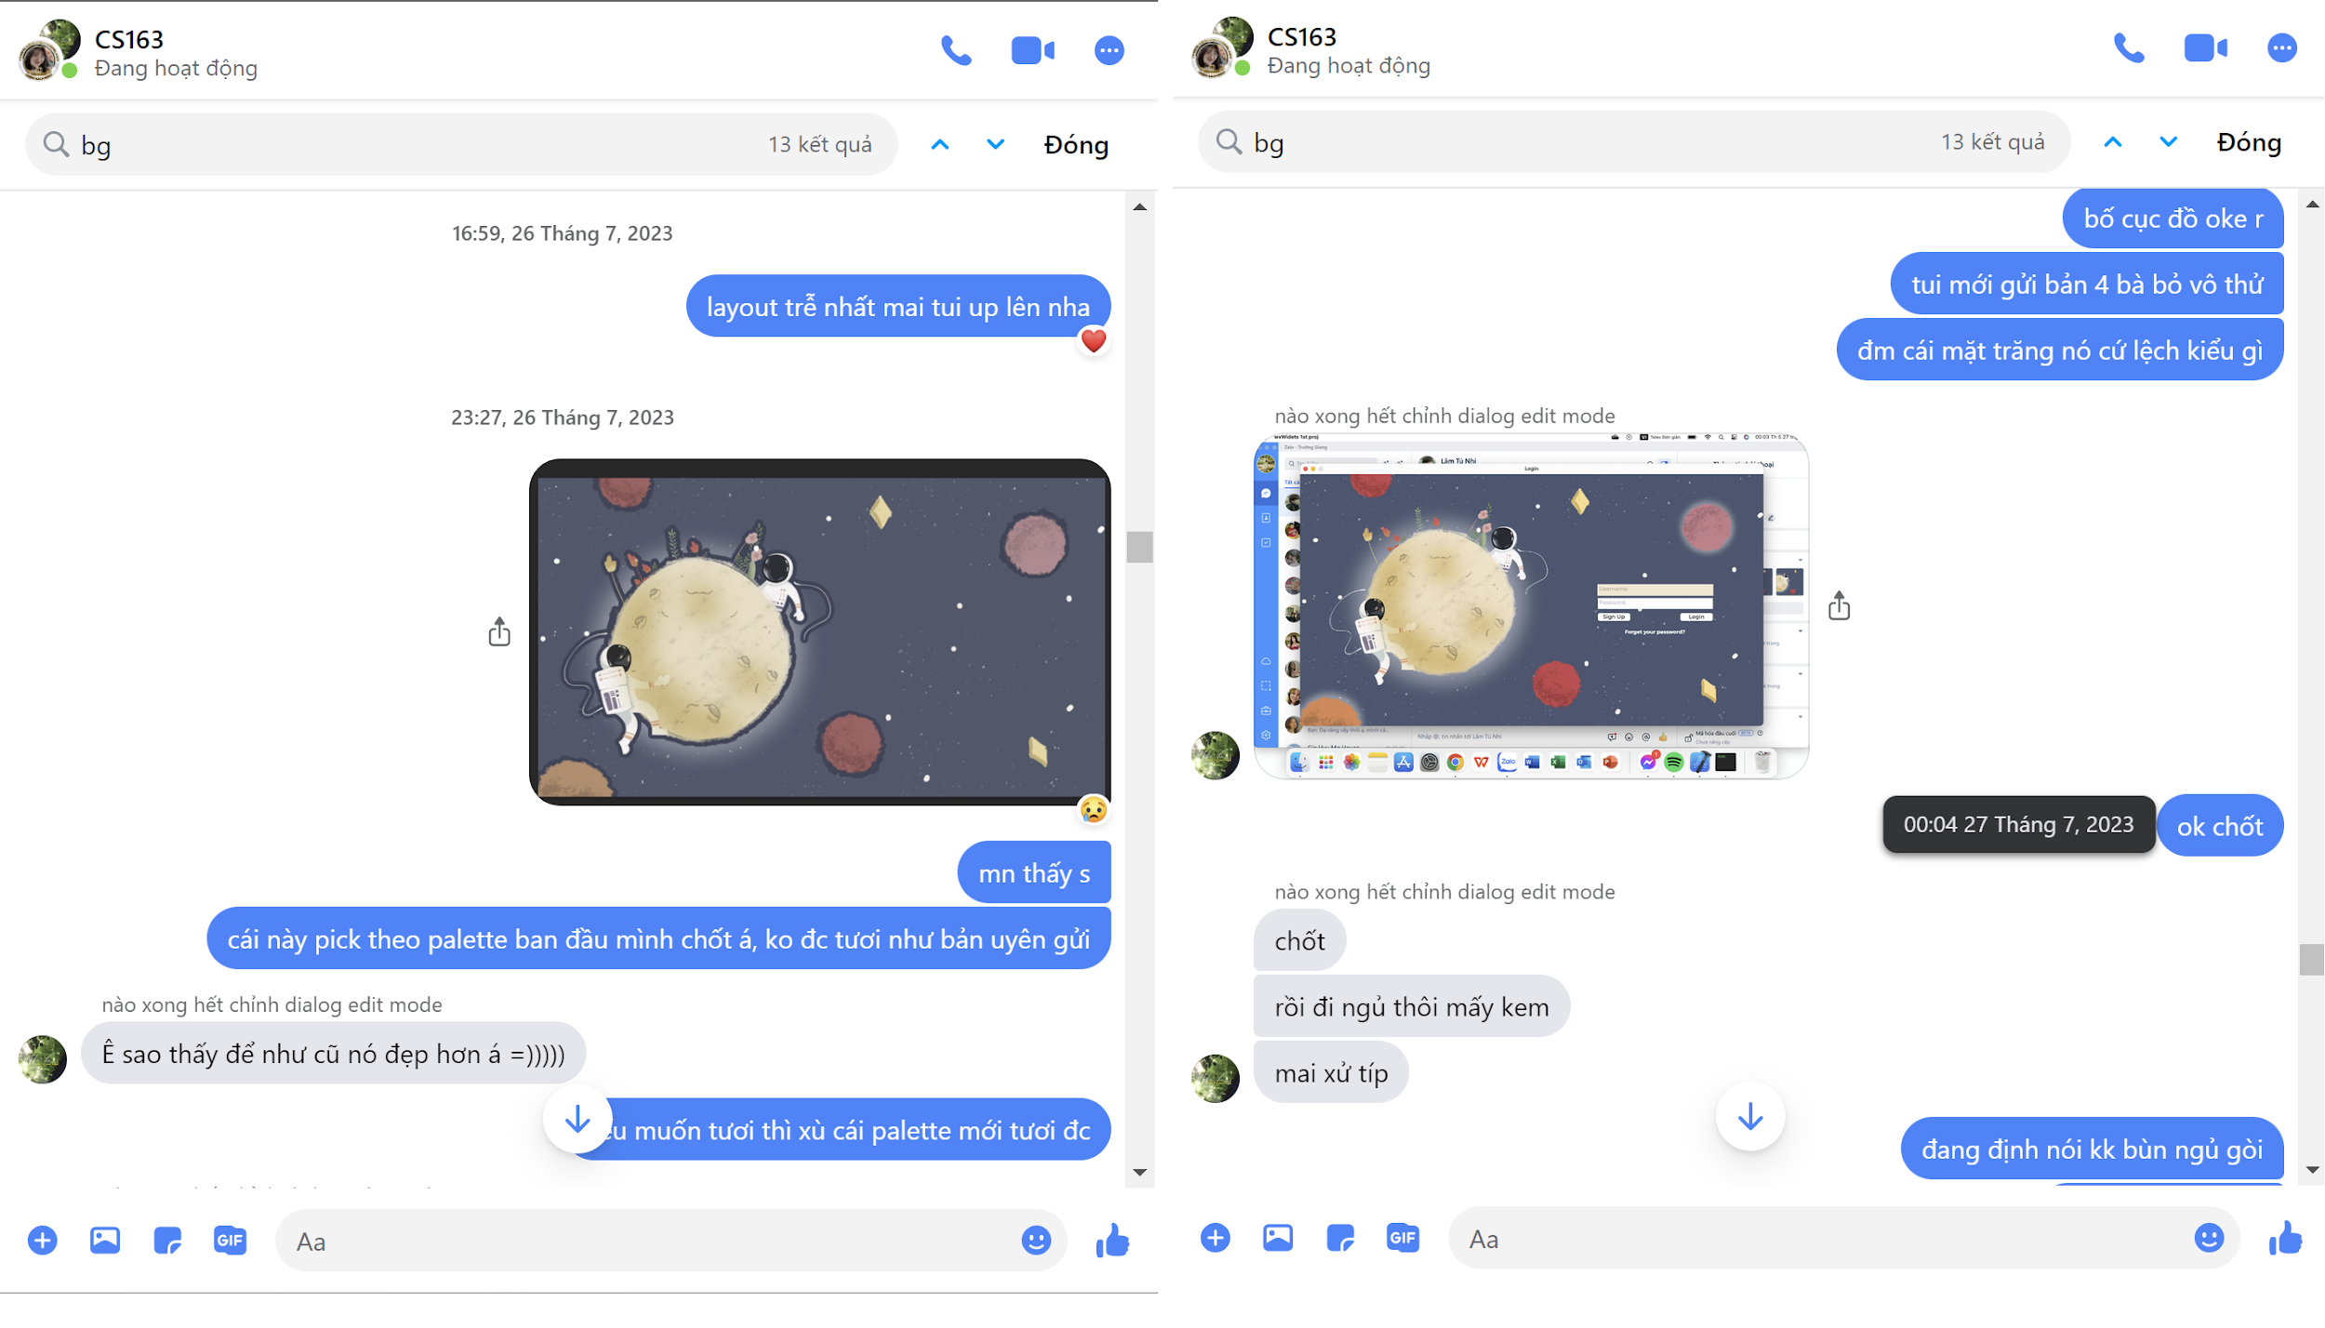
7 | 22125069 | Lâm Tú Nhi | Design layout for app | 72 | 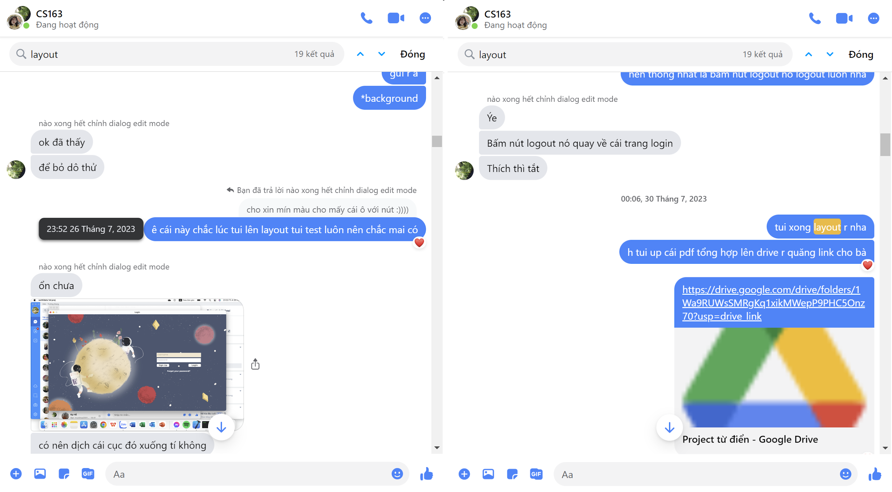
8 | 22125069 | Lâm Tú Nhi | Add Favorite List function | 6 | 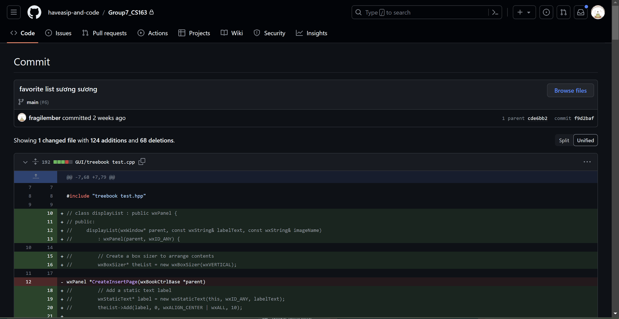
9 | 22125069 | Lâm Tú Nhi | Fix các loại bug linh tinh, test chương trình (cap màn hình tượng trưng) | 42 | 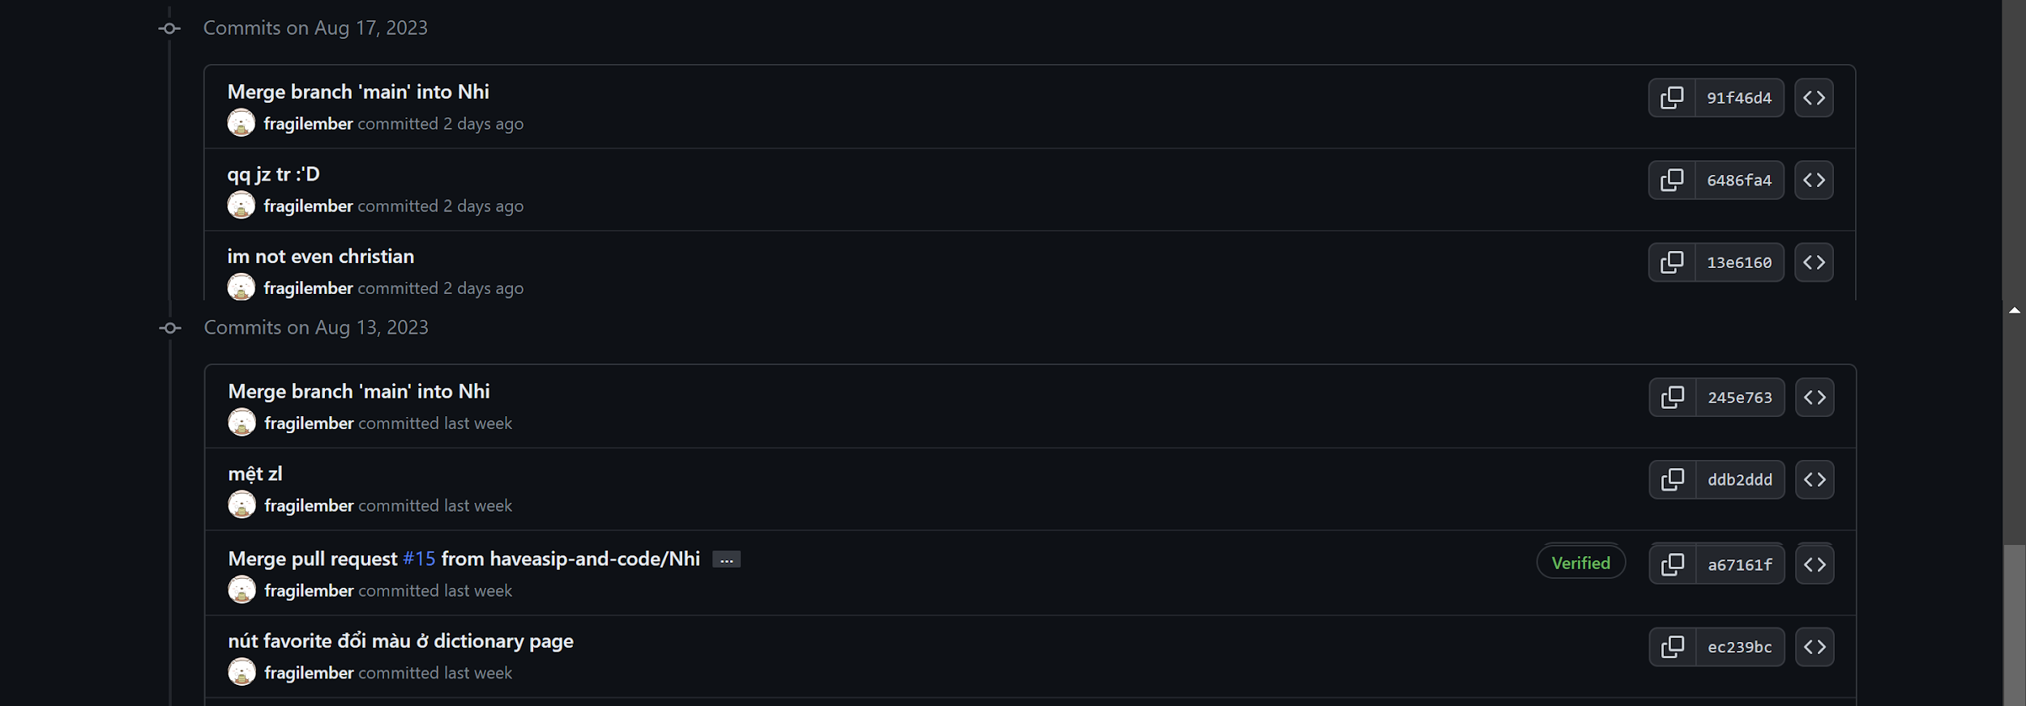
10
11
12 | 22125117 | Đỗ Huỳnh Diễm Uyên | Draw and design BG login | 12 | 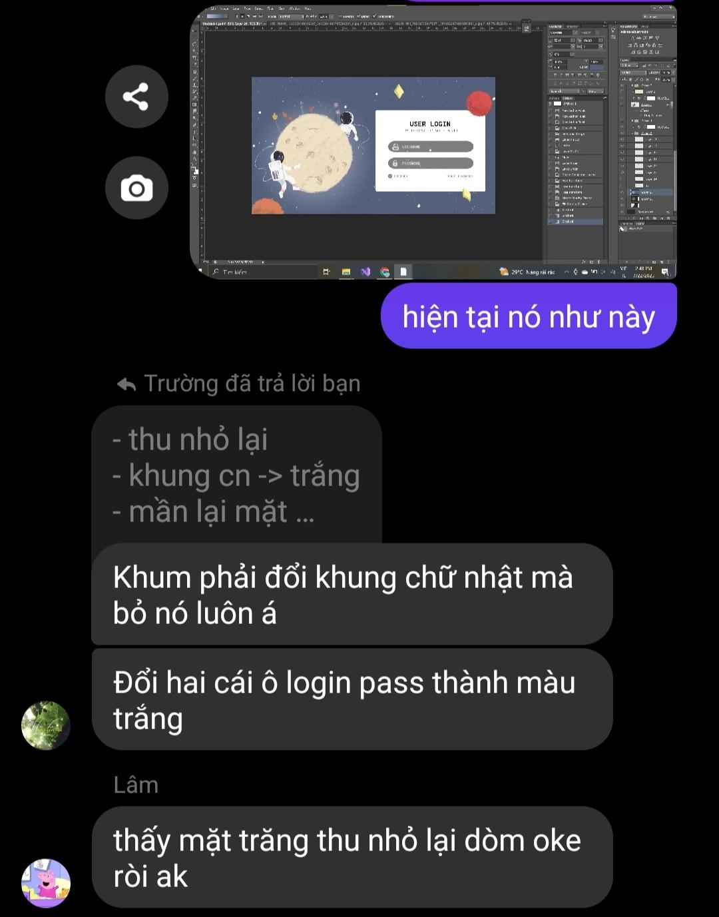
13 | 22125117 | Đỗ Huỳnh Diễm Uyên | Develop Game Page | 30 | 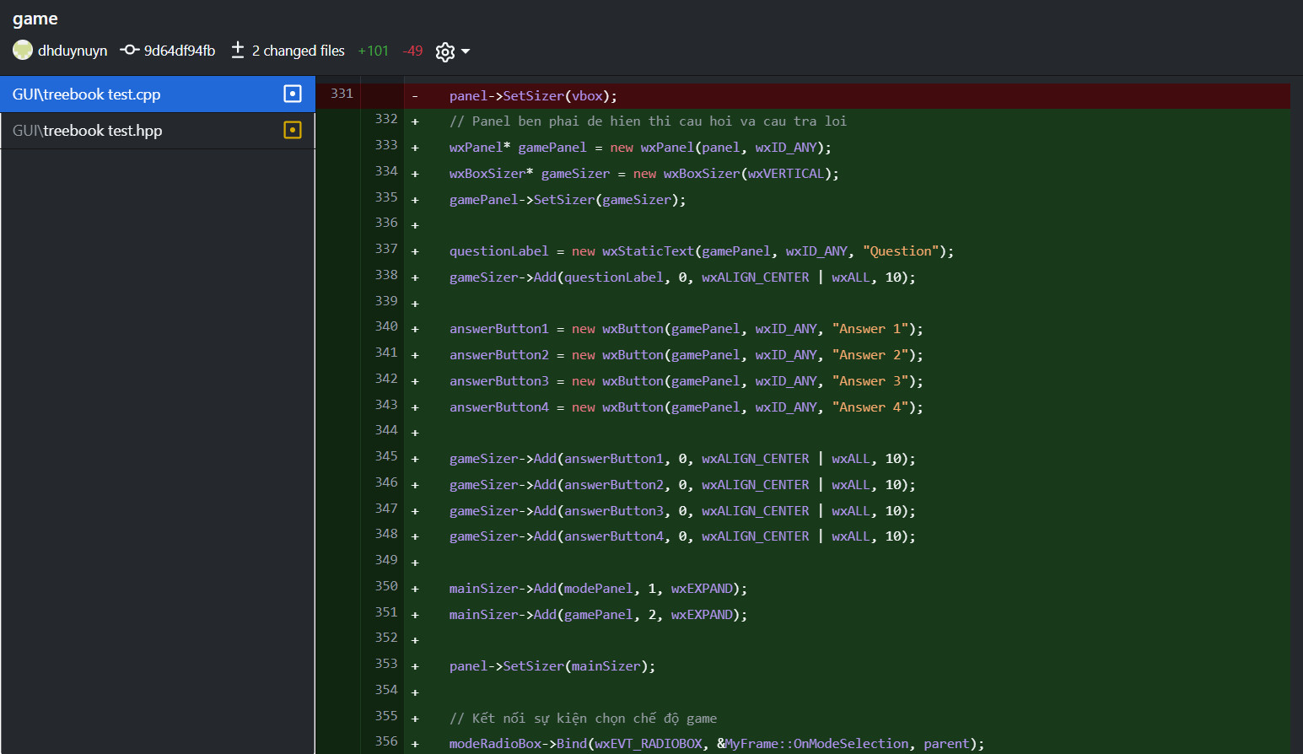
14 | 22125117 | Đỗ Huỳnh Diễm Uyên | Tinh chỉnh màu sắc, hộp cho add new word page | 2 | 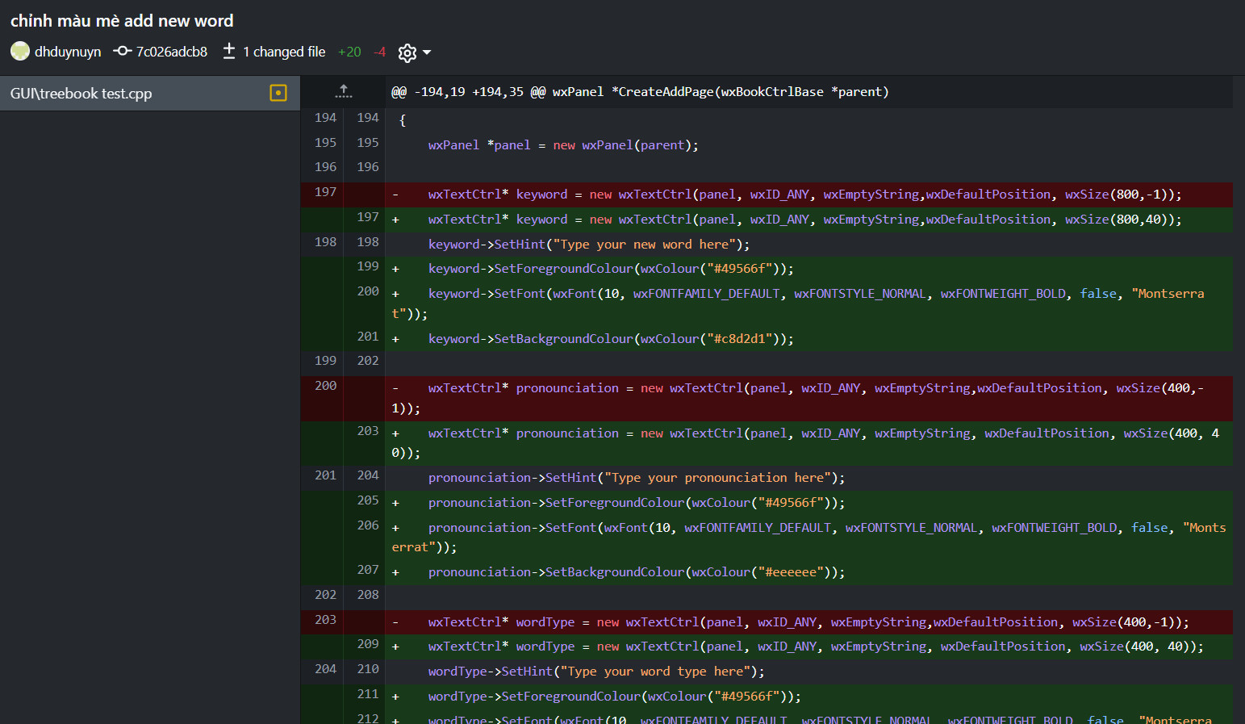
16 | 22125117 | Đỗ Huỳnh Diễm Uyên | Fix lỗi hiển thị | 1
15 | 22125117 | Đỗ Huỳnh Diễm Uyên | Chỉnh icon cho DictionaryPage | 3 | 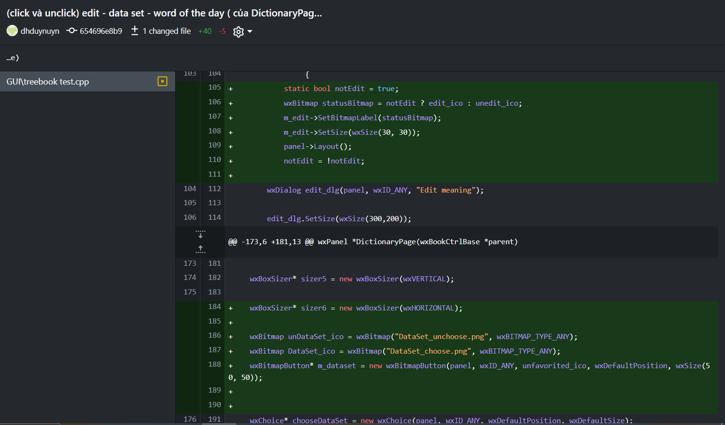
17 | 22125069 | Lâm Tú Nhi | Fine-tune GUI (main dictionary interface) | 10 | 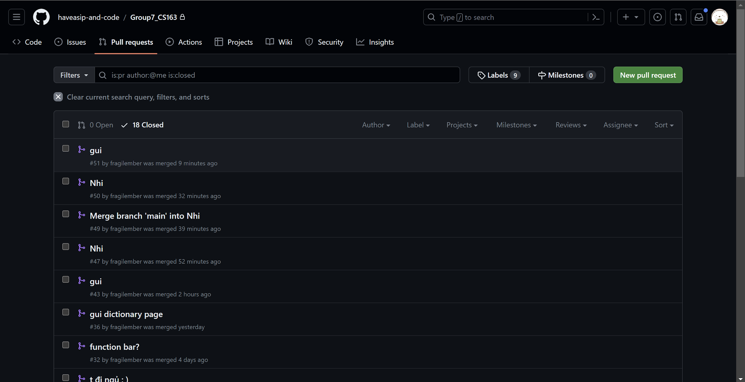
18 | 22125013 | Lê Văn Cường | Build backend function | 10 | 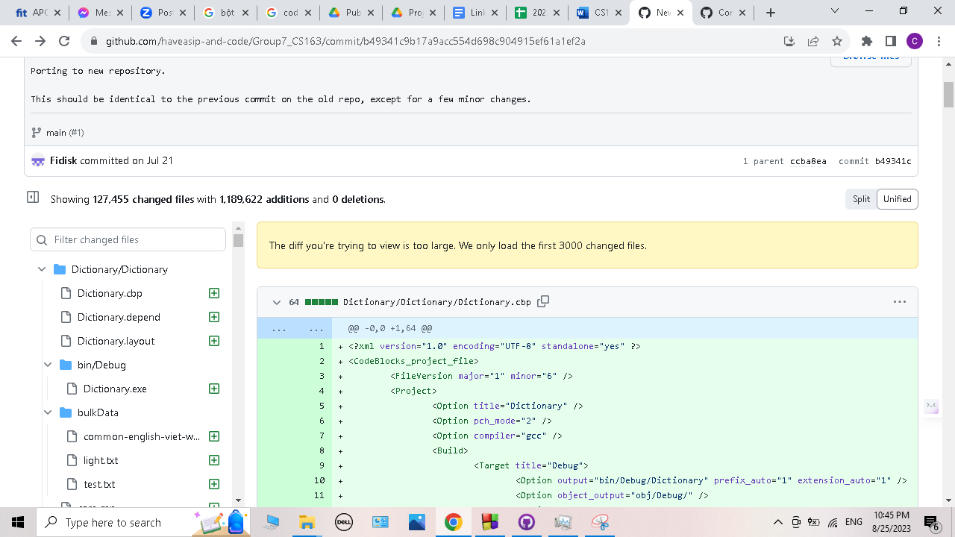
19 | 22125013 | Lê Văn Cường | Find and format dataset | 10 | 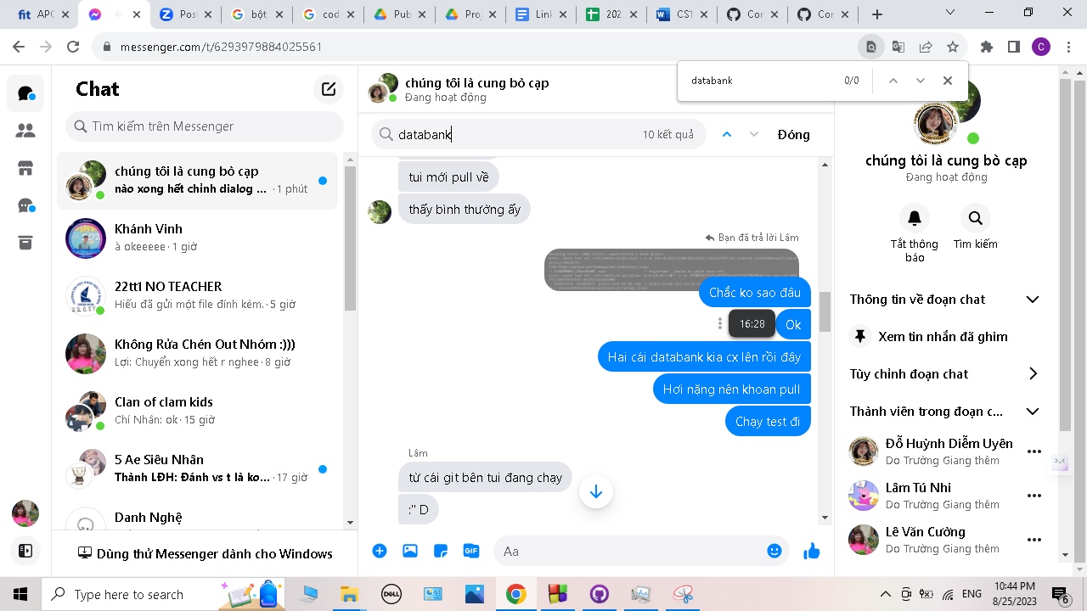
20 | 22125013 | Lê Văn Cường | Merge backend function to GUI | 20
21 | 22125013 | Lê Văn Cường | Add sound system | 10
22 | 22125013 | Lê Văn Cường | Favorite & History GUI building | 10 | 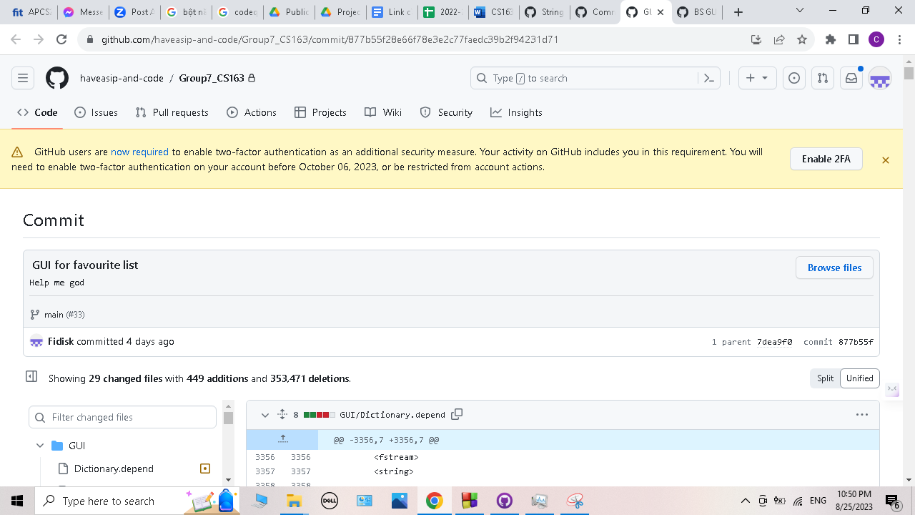
23
24
25
26
27
28
29
30
31
32
33
34
35
36
37
38
39
40
41
42
43
44
45
46
47
48
49
50
51
52
53
54
55
56
57
58
59
60
61
62
63
64
65
66
67
68
69
70
71
72
73
74
75
76
77
78
79
80
81
82
83
84
85
86
87
88
89
90
91
92
93
94
95
96
97
98
99
100

