Profile
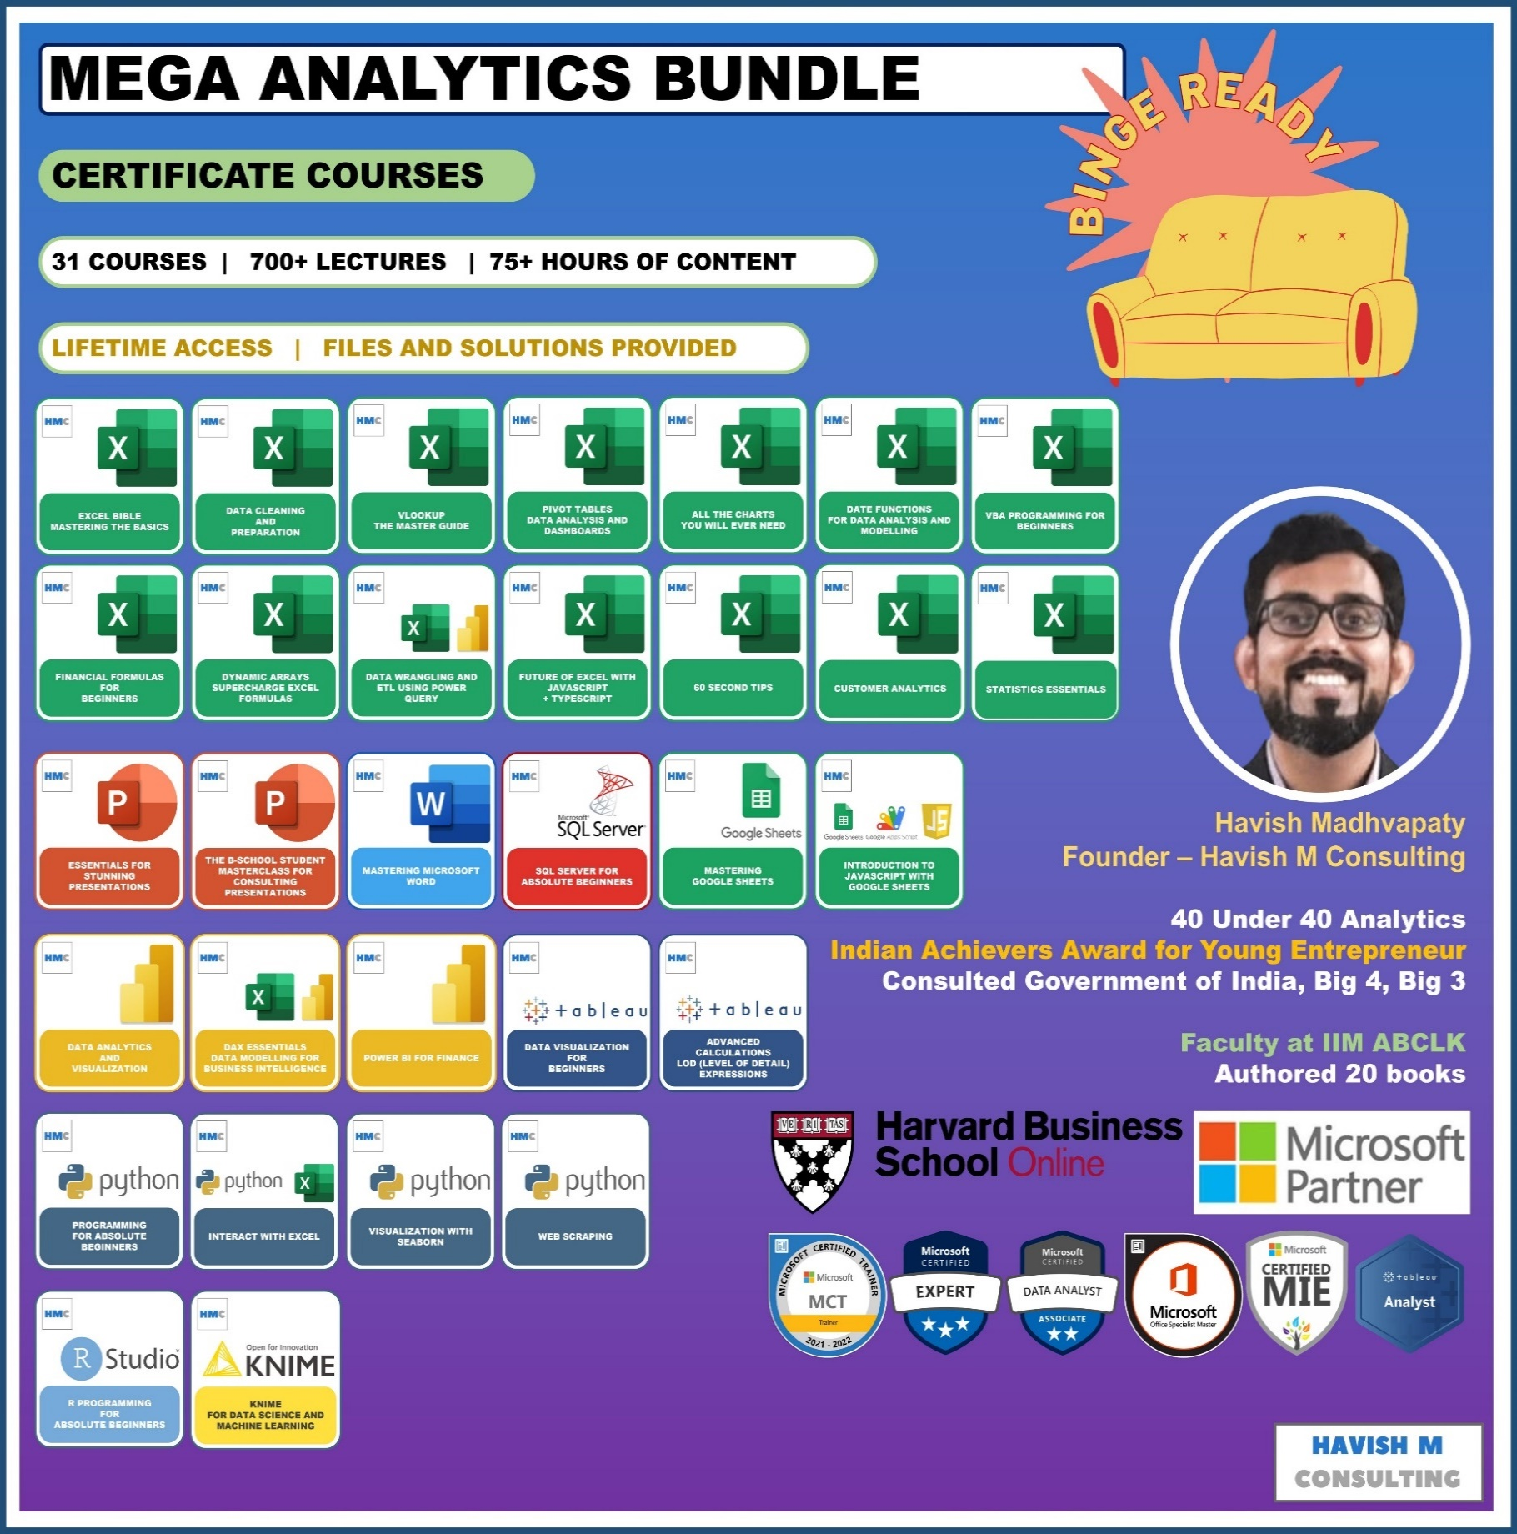
See Course Details:
https://www.havishmconsulting.com/mega-bundle

YouTube:
https://www.youtube.com/c/havishmadhvapaty

Buy from Shop:
https://www.havishmconsulting.com/shop

Medium:
https://medium.com/@havish-madhvapaty

Github:
https://github.com/havishmad

Sheet1
Name | Sales | Region | Sales | Product | Sales
Aaron Bergman | 100 | N | 100 | Phones | 50
Justin Ritter | 150 | S | 200 | Copiers | 40
Craig Reiter | 250 | W | 500 | Paper | 35
Katherine Murray | 200
Rick Hansen | 350

