EVALUATE FORMULA
Name | Region | Search for:
AMRIT | N | HAVISH | #N/A
RAHUL | S
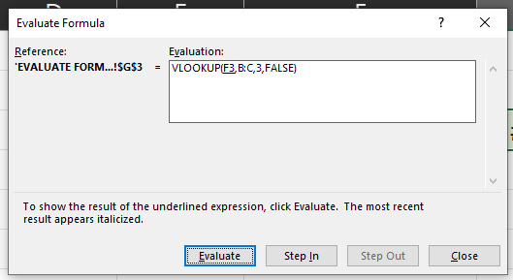
DIVYA MEHTA | S
CHRISTOPHER | W
HUSAIN | E

DATA VALIDATION
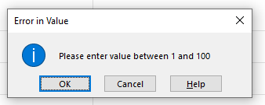
Name | Employee Score
AMRIT | 110
RAHUL
DIVYA MEHTA
CHRISTOPHER
HUSAIN

