Profile
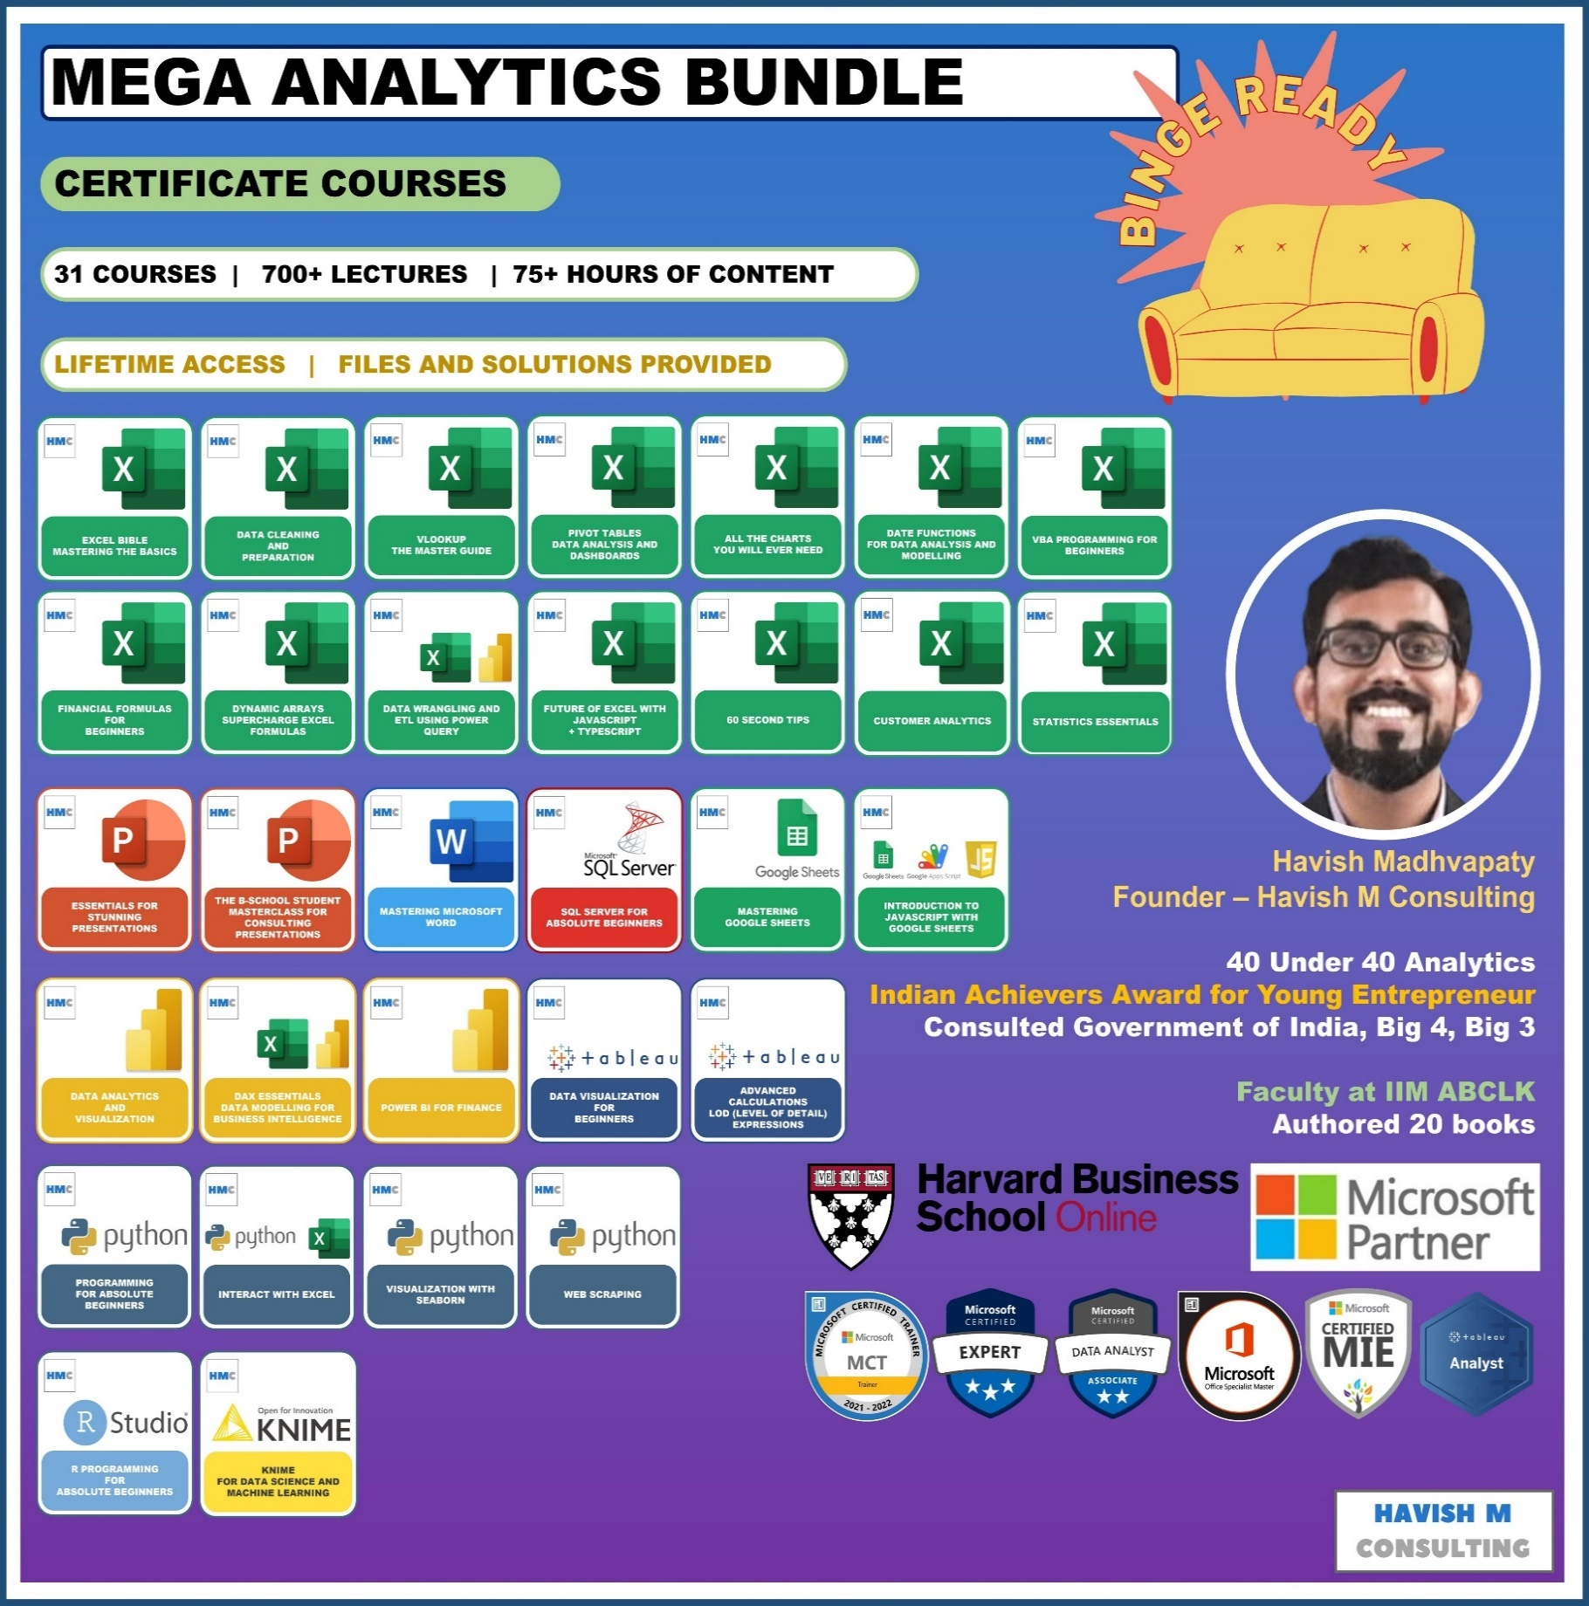
See Course Details:
https://www.havishmconsulting.com/mega-bundle

YouTube:
https://www.youtube.com/c/havishmadhvapaty

Buy from Shop:
https://www.havishmconsulting.com/shop

Medium:
https://medium.com/@havish-madhvapaty

Github:
https://github.com/havishmad

EVALUATE FORMULA
Name | Region | Search for:
AMRIT | N | HAVISH | #N/A
RAHUL | S
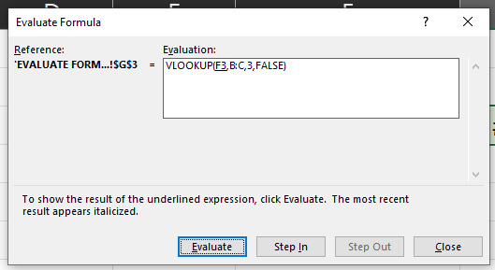
DIVYA MEHTA | S
CHRISTOPHER | W
HUSAIN | E

DATA VALIDATION
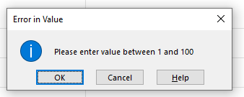
Name | Employee Score
AMRIT | 110
RAHUL
DIVYA MEHTA
CHRISTOPHER
HUSAIN

