Profile
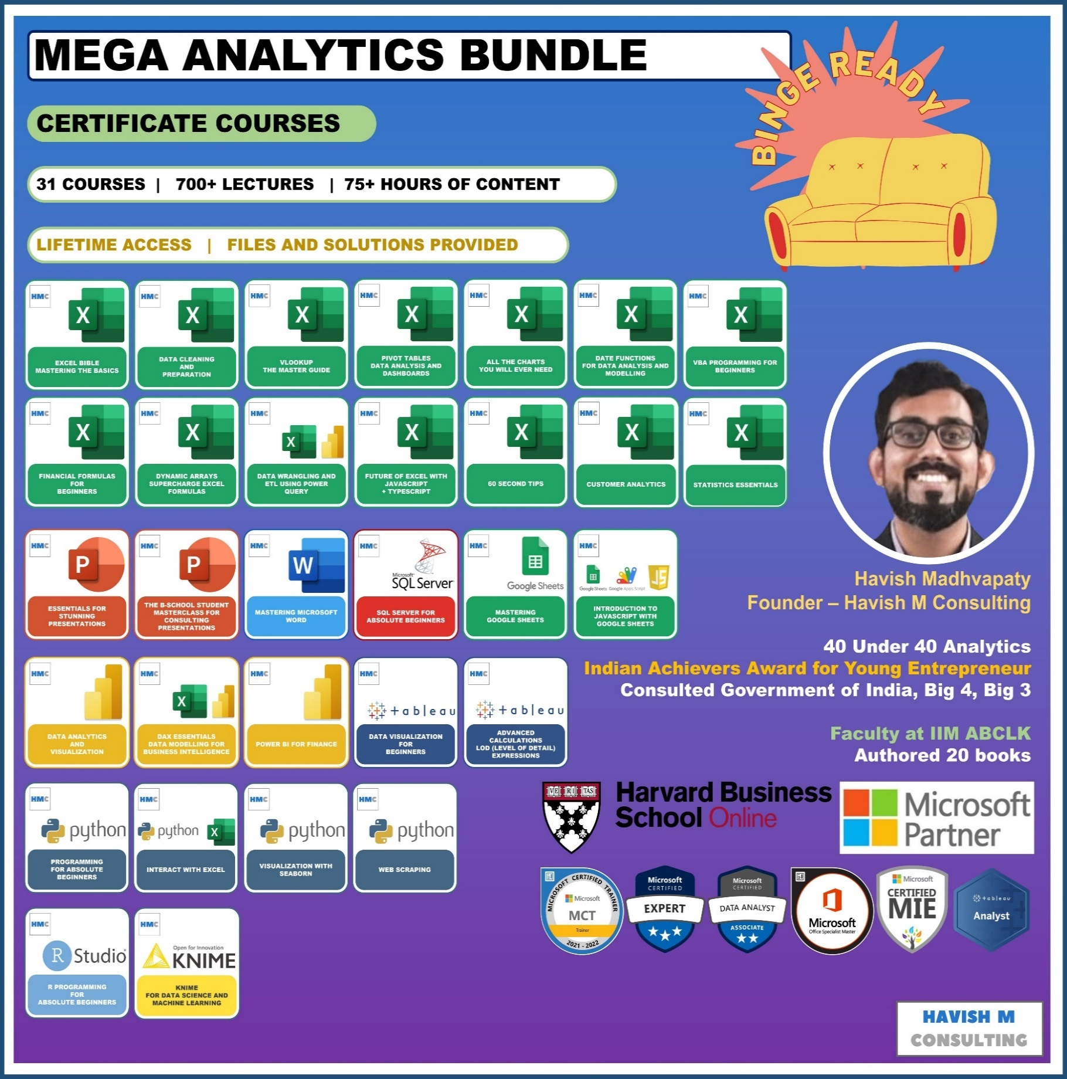
See Course Details:
https://www.havishmconsulting.com/mega-bundle

YouTube:
https://www.youtube.com/c/havishmadhvapaty

Buy from Shop:
https://www.havishmconsulting.com/shop

