Profile
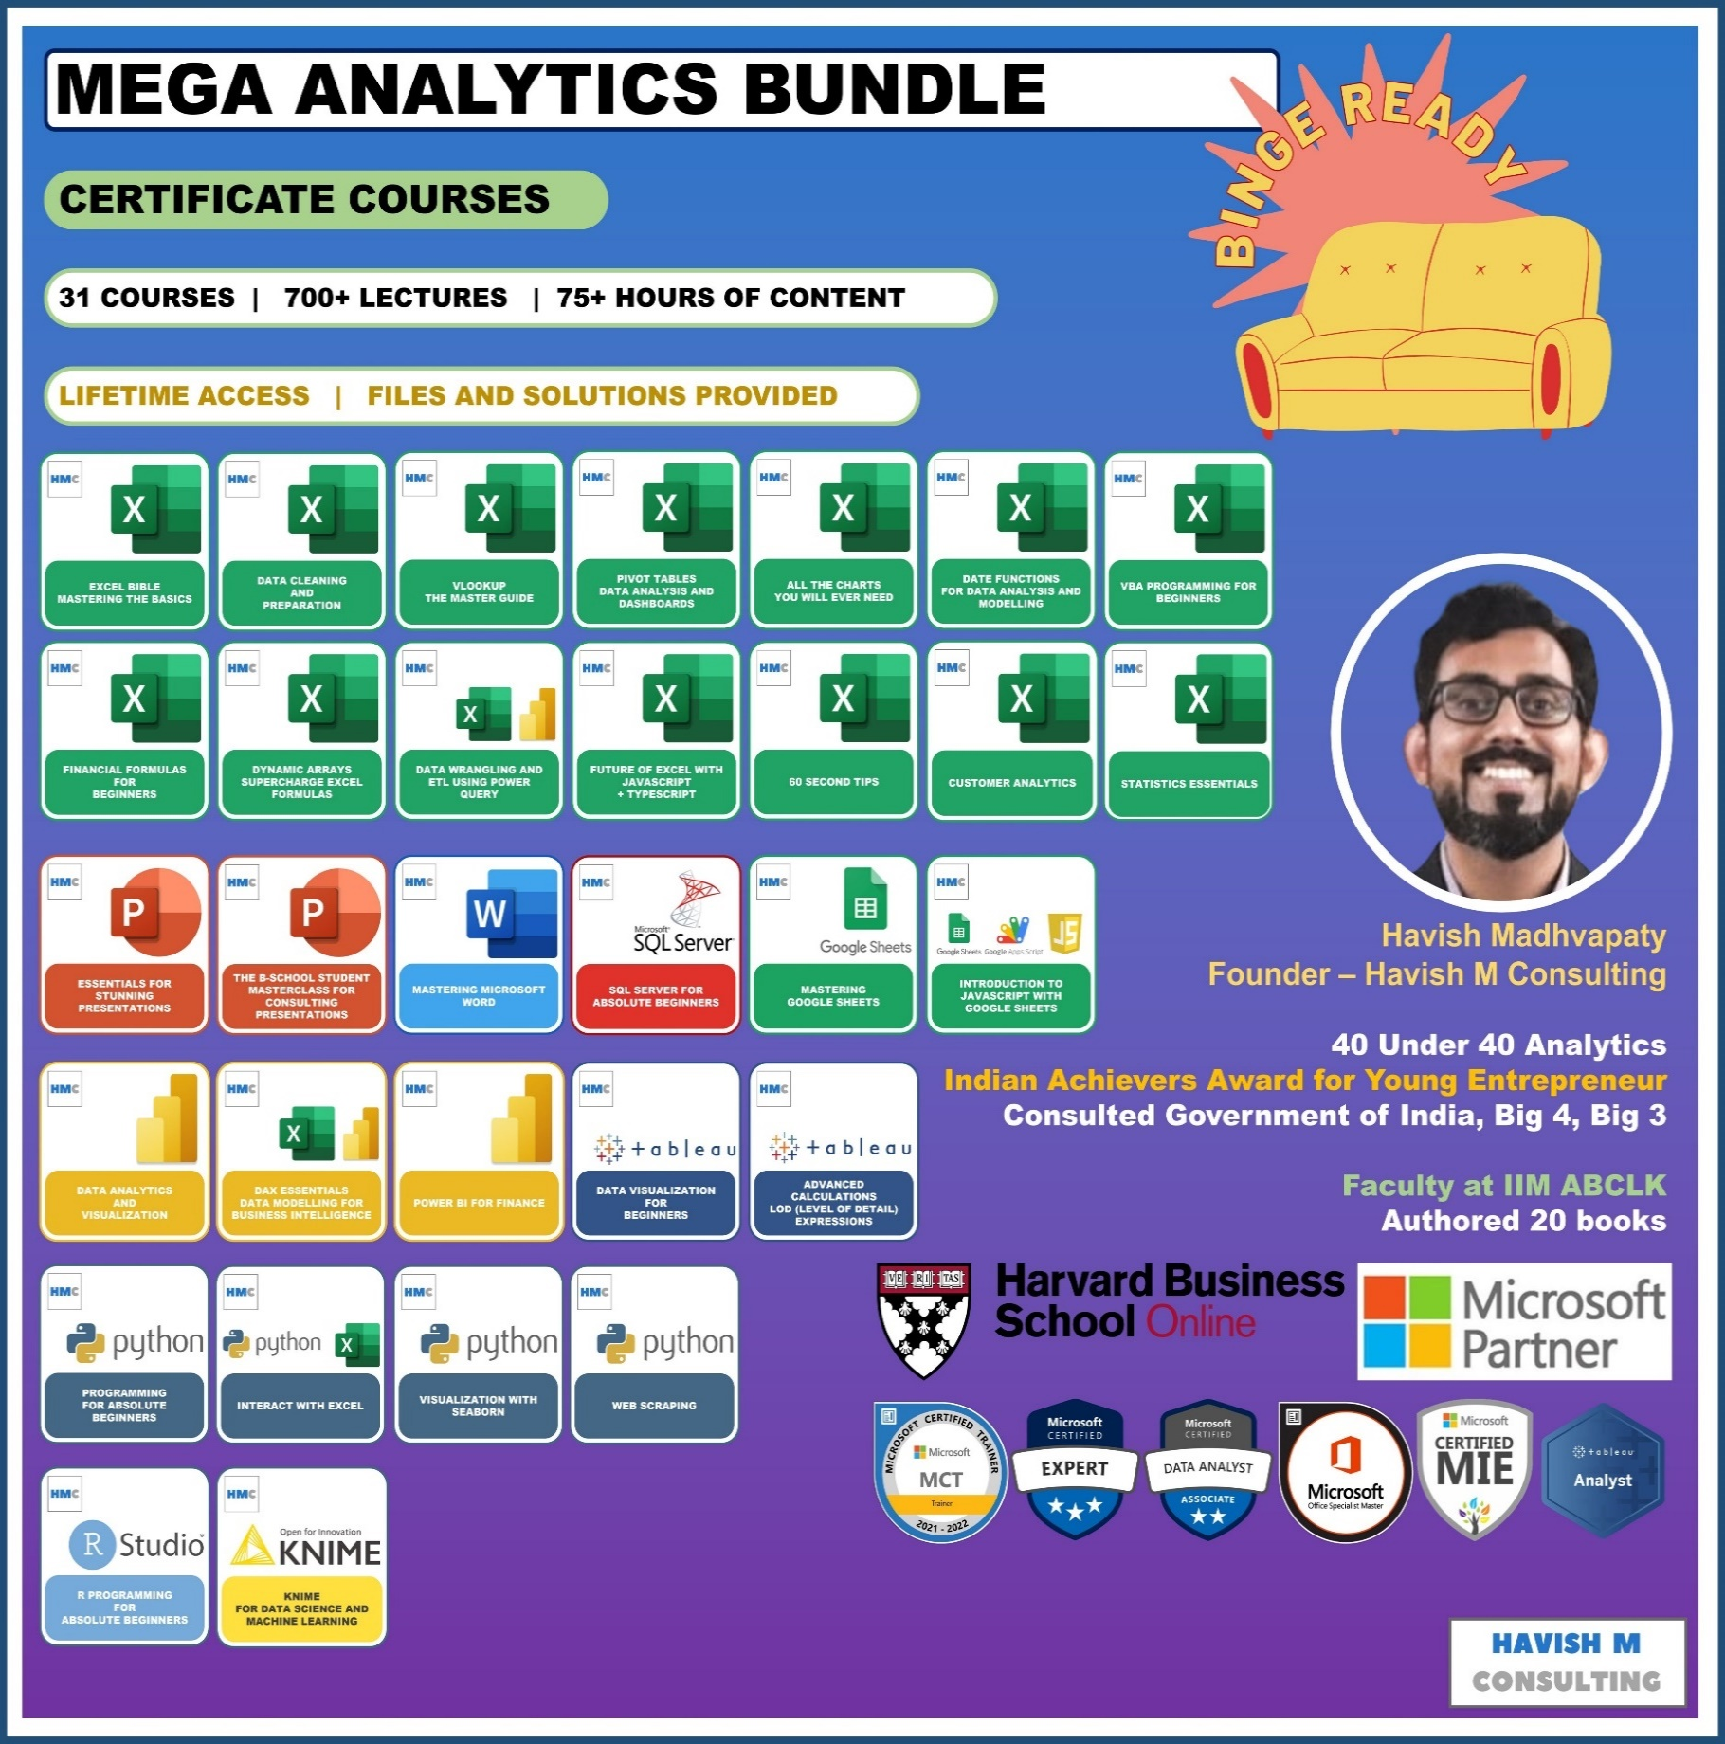
See Course Details:
https://www.havishmconsulting.com/mega-bundle

YouTube:
https://www.youtube.com/c/havishmadhvapaty

Buy from Shop:
https://www.havishmconsulting.com/shop

Medium:
https://medium.com/@havish-madhvapaty

Github:
https://github.com/havishmad

SheetForSendingEmail
SEND EMAIL
Name | To | Subject | Body | Attachment | .CC
Havish | havishrao@gmail.com | Hello | Please find the file attached | C:\Users\havis\OneDrive - HAVISH M. CONSULTING\Desktop\desktop\IIM-K\Files\ToAdd.txt | havish.hmconsulting@gmail.com
Havish | havish.hmconsulting@gmail.com | Hello | Please find the file attached below | C:\Users\havis\OneDrive - HAVISH M. CONSULTING\Desktop\desktop\IIM-K\Files\Notes.pptx | havishrao@gmail.com

