Profile
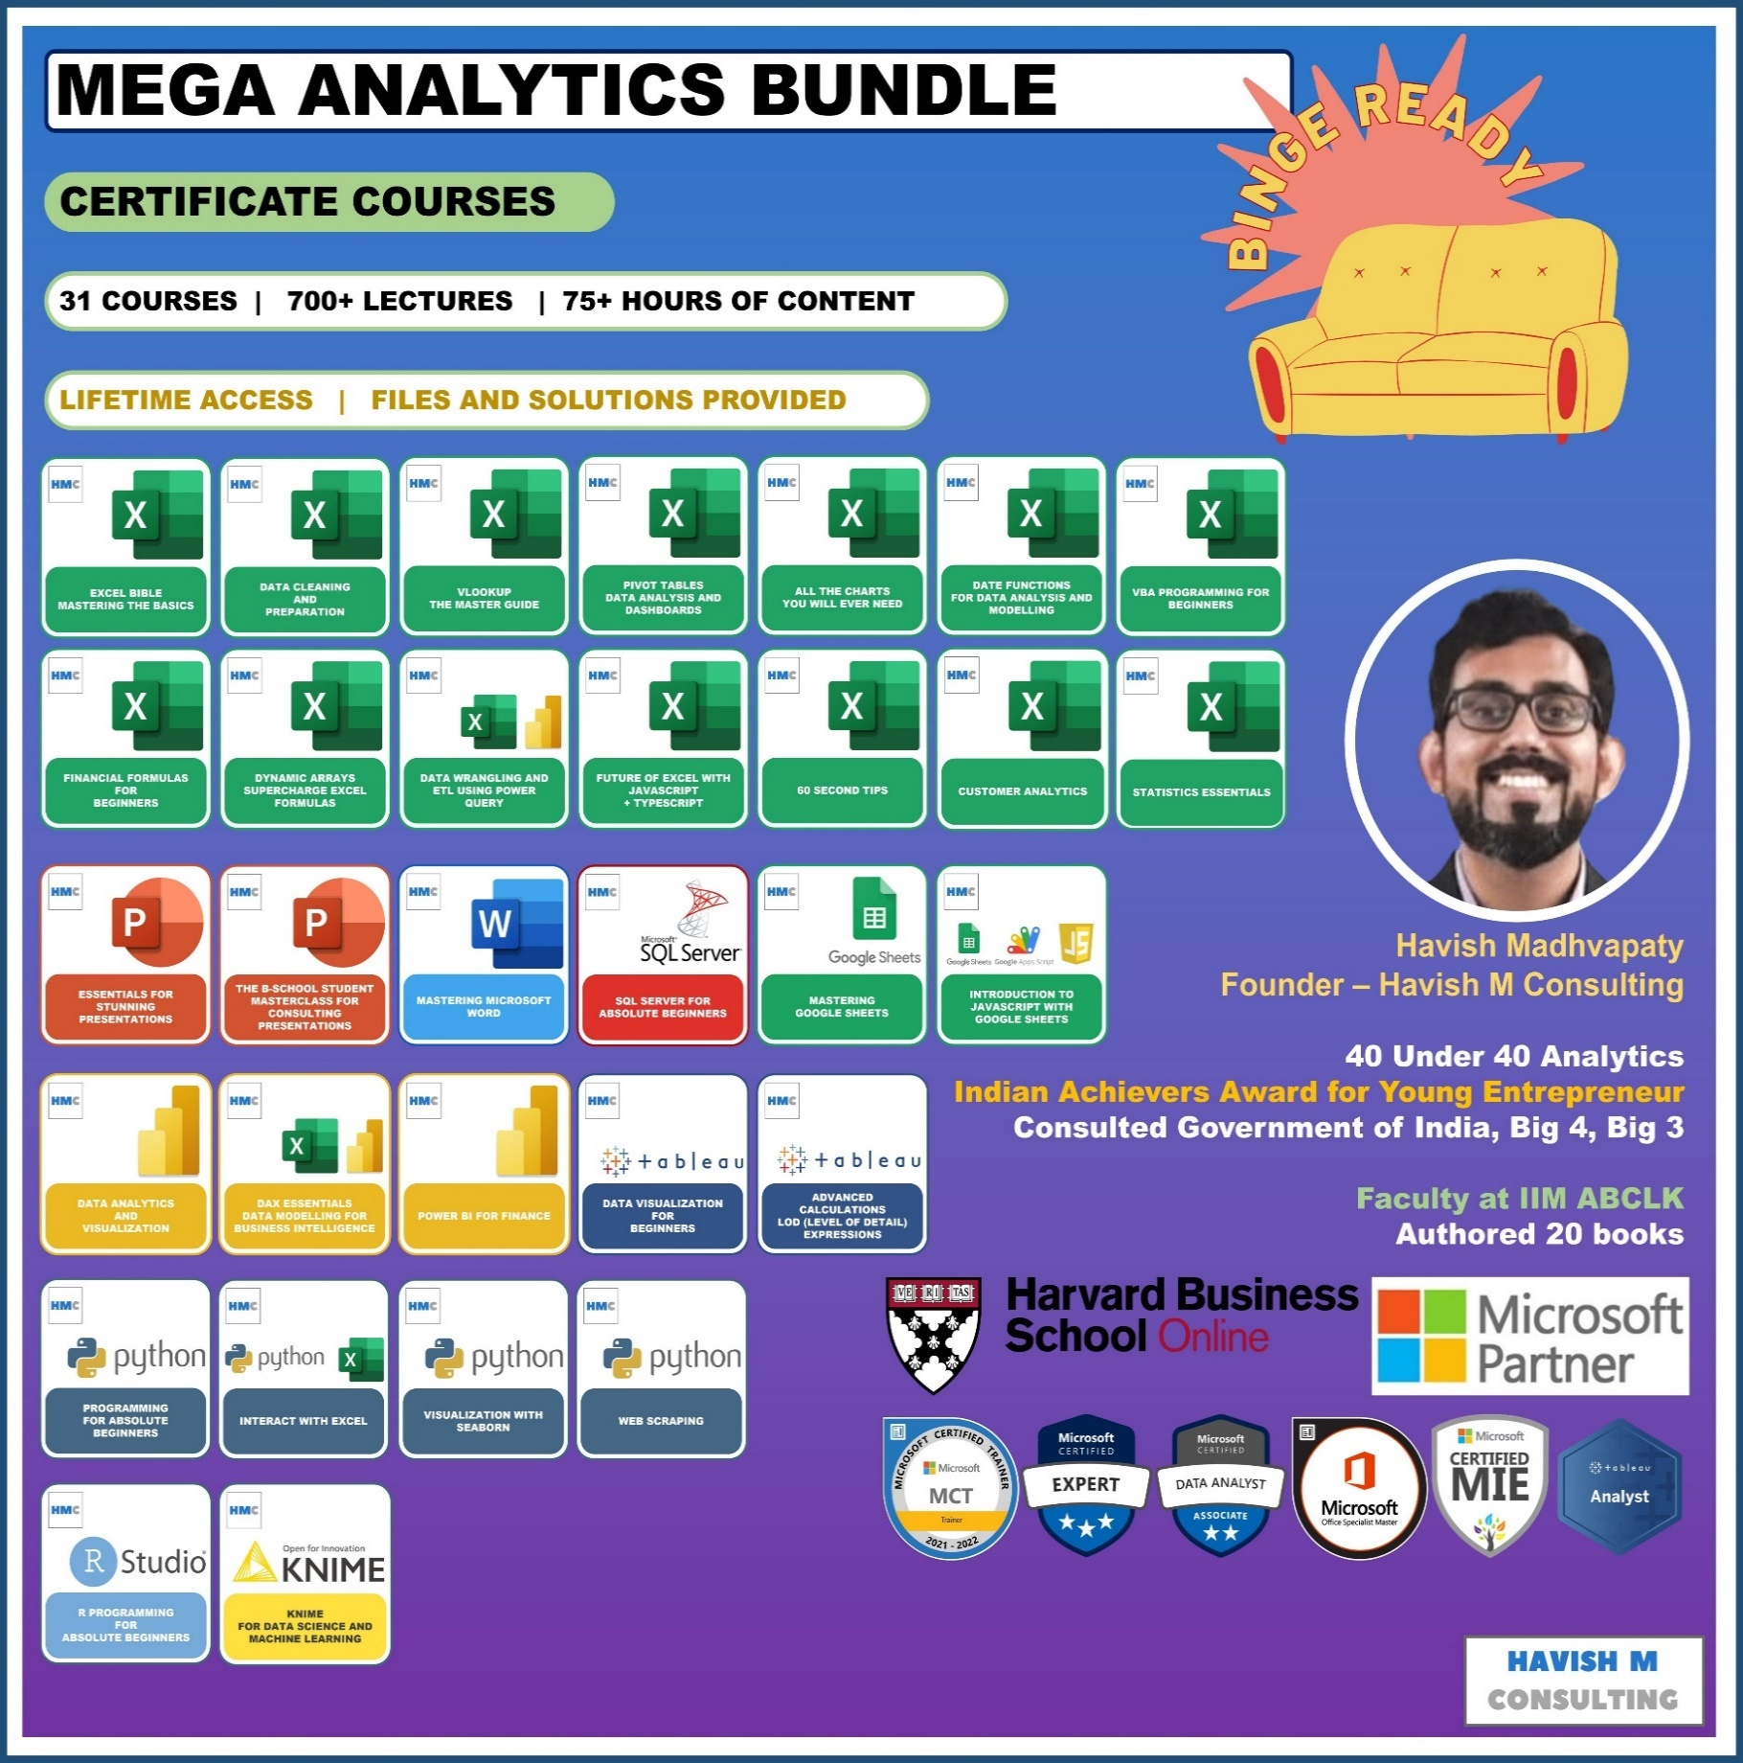
See Course Details:
https://www.havishmconsulting.com/mega-bundle

YouTube:
https://www.youtube.com/c/havishmadhvapaty

Buy from Shop:
https://www.havishmconsulting.com/shop

Medium:
https://medium.com/@havish-madhvapaty

Github:
https://github.com/havishmad

Sheet1
Product | Sales | Above | Below | Ref Line | Ref Line | 1000000
Accessories | 749237 |  | 749237 | 1000000
Appliances | 1010536 | 1010536 |  | 1000000
 | Above | Below | Ref Line
Accessories | 0 | 749237 | 1000000
Appliances | 1010536 | 0 | 1000000
Art | 0 | 371613 | 1000000
Binders | 0 | 461869 | 1000000
Bookcases | 1466572 | 0 | 1000000
Chairs | 1501682 | 0 | 1000000
Copiers | 1509436 | 0 | 1000000
Envelopes | 0 | 169217 | 1000000
Fasteners | 0 | 89495 | 1000000
Furnishings | 0 | 385156 | 1000000
Labels | 0 | 73350 | 1000000
Machines | 0 | 779060 | 1000000
Paper | 0 | 241788 | 1000000
Phones | 1706824 | 0 | 1000000
Storage | 1126813 | 0 | 1000000
Supplies | 0 | 242811 | 1000000
Tables | 0 | 757042 | 1000000
Art | 371613 |  | 371613 | 1000000
Binders | 461869 |  | 461869 | 1000000
Bookcases | 1466572 | 1466572 |  | 1000000
Chairs | 1501682 | 1501682 |  | 1000000
Copiers | 1509436 | 1509436 |  | 1000000
Envelopes | 169217 |  | 169217 | 1000000
Fasteners | 89495 |  | 89495 | 1000000
Furnishings | 385156 |  | 385156 | 1000000
Labels | 73350 |  | 73350 | 1000000
Machines | 779060 |  | 779060 | 1000000
Paper | 241788 |  | 241788 | 1000000
Phones | 1706824 | 1706824 |  | 1000000
Storage | 1126813 | 1126813 |  | 1000000
Supplies | 242811 |  | 242811 | 1000000
Tables | 757042 |  | 757042 | 1000000

