Profile
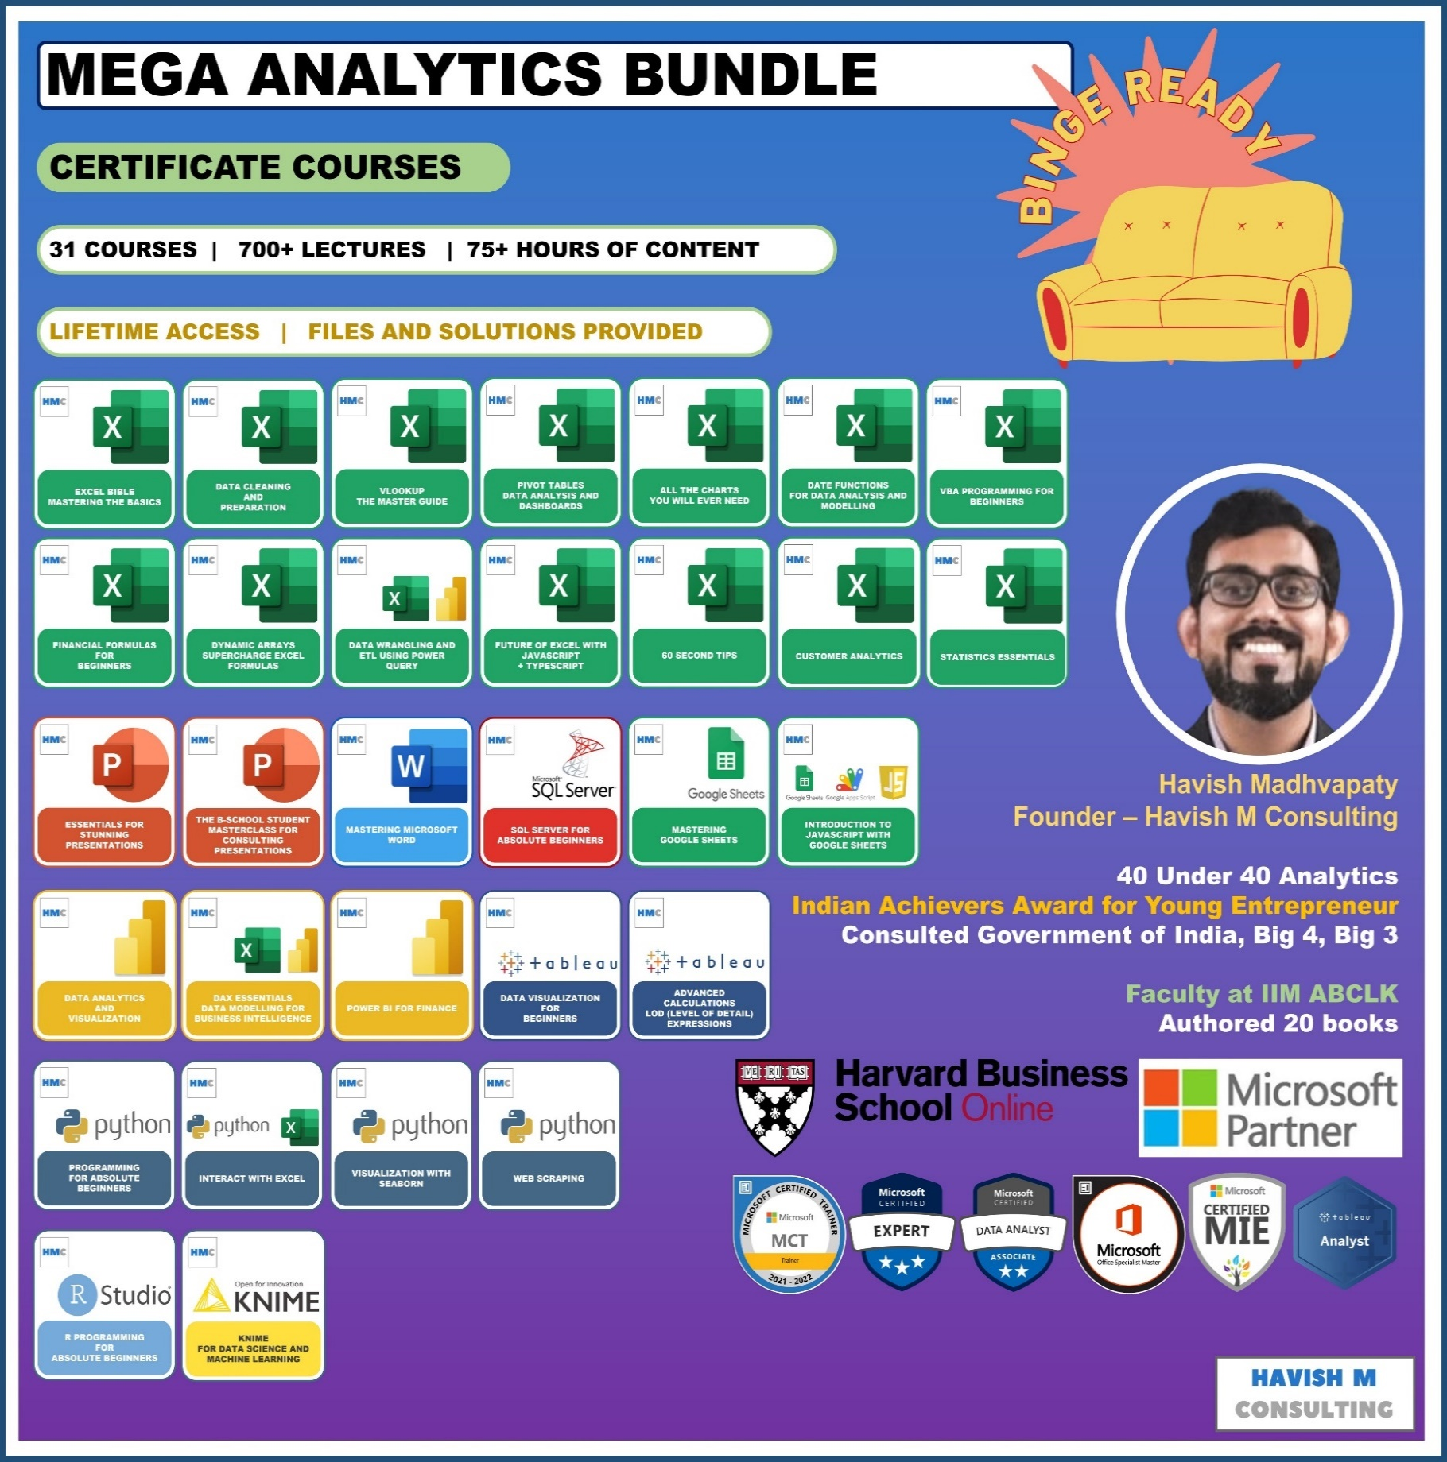
See Course Details:
https://www.havishmconsulting.com/mega-bundle

YouTube:
https://www.youtube.com/c/havishmadhvapaty

Buy from Shop:
https://www.havishmconsulting.com/shop

Medium:
https://medium.com/@havish-madhvapaty

Github:
https://github.com/havishmad

Data Sheet
CREATE PIVOT TABLE
Order Date | Customer Name | Region | Market | Category | Segment | Sub-Category | Sales | Quantity | Profit
2014-11-11 | Aaron Bergman | Central US | USCA | Technology | Consumer | Phones | $221.98 | 2 | $62.15
2014-02-05 | Justin Ritter | Oceania | Asia Pacific | Furniture | Corporate | Chairs | $3,709.39 | 9 | -$288.77
2014-10-17 | Craig Reiter | Oceania | Asia Pacific | Technology | Consumer | Phones | $5,175.17 | 9 | $919.97
2014-01-28 | Katherine Murray | Western Europe | Europe | Technology | Home Office | Phones | $2,892.51 | 5 | -$96.54
2014-11-05 | Rick Hansen | Western Africa | Africa | Technology | Consumer | Copiers | $2,832.96 | 8 | $311.52
2014-06-28 | Jim Mitchum | Oceania | Asia Pacific | Technology | Corporate | Phones | $2,862.68 | 5 | $763.28
2012-11-06 | Toby Swindell | Oceania | Asia Pacific | Furniture | Consumer | Chairs | $1,822.08 | 4 | $564.84
2013-04-14 | Mick Brown | Oceania | Asia Pacific | Furniture | Consumer | Tables | $5,244.84 | 6 | $996.48
2014-11-11 | Aaron Bergman | Central US | USCA | Furniture | Consumer | Bookcases | $341.96 | 2 | $54.71
2012-03-06 | Aaron Bergman | Western US | USCA | Furniture | Consumer | Chairs | $48.71 | 1 | $5.48
2012-03-06 | Aaron Bergman | Western US | USCA | Office Supplies | Consumer | Art | $17.94 | 3 | $4.66
2013-04-19 | Anthony Jacobs | Southern Asia | Asia Pacific | Furniture | Corporate | Tables | $4,626.15 | 5 | $647.55
2012-12-26 | Magdelene Morse | Western Asia | Asia Pacific | Technology | Consumer | Phones | $2,616.96 | 4 | $1,151.40
2013-11-13 | Vicky Freymann | South America | LATAM | Furniture | Home Office | Chairs | $2,221.80 | 7 | $622.02
2014-06-06 | Peter Fuller | Eastern Asia | Asia Pacific | Office Supplies | Consumer | Appliances | $3,701.52 | 12 | $1,036.08
2015-07-31 | Ben Peterman | Western Europe | Europe | Office Supplies | Corporate | Appliances | $1,869.59 | 4 | $186.95
2012-02-19 | Aaron Bergman | Central US | USCA | Office Supplies | Consumer | Storage | $12.62 | 2 | -$2.52
2015-09-08 | Patrick Jones | Southern Europe | Europe | Office Supplies | Corporate | Appliances | $7,958.58 | 14 | $3,979.08
2015-01-31 | Jim Sink | Oceania | Asia Pacific | Technology | Corporate | Copiers | $2,565.59 | 9 | $28.40
2015-12-05 | Ritsa Hightower | Eastern Africa | Africa | Office Supplies | Consumer | Appliances | $3,409.74 | 6 | $818.28

