FltRecording&ReportingOverview
Software Test Design Specification (SWTDS) - Overview

The Fault manager feature to memorized DTC and vehicle condition information to support customer reading vehicle information after system failure occured.
Project information |  |  | Feature for customer (Motivation, Scope, Purpose) |  |  |  |  |  | Document information
Product / Project | MAZDA AB12 |  |  |  |  |  |  |  | Document Nr. | [DEM] Fault Management
Test item | [DEM] Fault Management |  |  |  |  |  |  |  | Author | Luu Duc Trong Nhan (RBVH/ESS2)
Review history |  |  |  |  |  |  |  |  | Time frame | 2019-05-14
Date on review | Review team |  |  |  |  |  |  |  | Test basis
May 2019 | Kasahara Yoichi |  |  |  |  |  |  |  | Name |  | Baseline/Revision

Visualization of the test design (overview)
1st step : Structure of this test item (Input, Function, Output) |  |  |  | 2nd step : Which information is exchanged? |  | 3rd step : When/where is this information exchanged? (Timing, Dynamic behaviour)
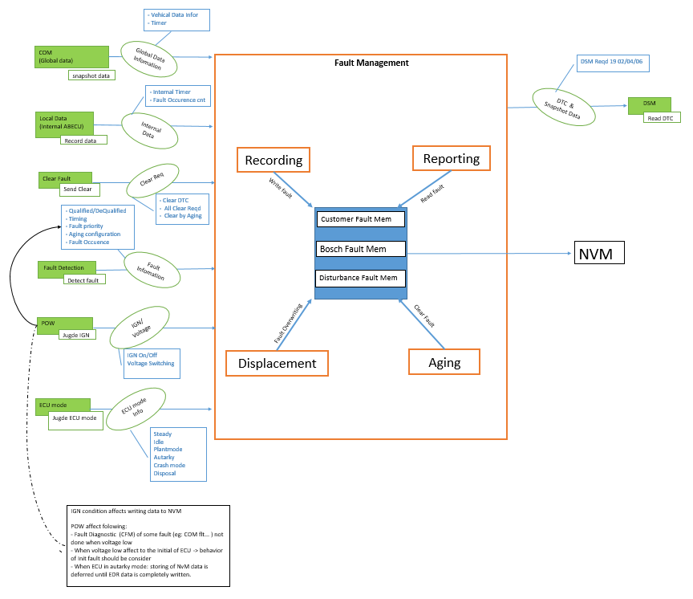

Hint to find test conditions in airbag system -> Please find details in the "Feature library". |  |  |  |  |  |  | Change history
Feature |  | Awareness keywords |  | Feature | Awarness keywords
ECU mode |  | Idle, Disposal, Autarky, Plant mode, transition |  | Inputs | Switch, Central/Peripheral sensor |  | 1 | Add Aging and Displacement func
Power supply condition |  | High, Low, Normal, Fractuation |  | Outputs | Hardwired/CAN Crash output
Fault recorder |  | Step-up/down, Next power-on cycle |  | Communication (CAN/LIN) | Diagnositc communication, Periodical signals
Indicator lamp |  | Airbag warning lamp, PADI ON/OFF lamp |  | Bosch/Customer plant | Plant mode operation, Customer plant features
Crash detection, Deployment |  | Disabling/Enabling algorithms, SCON |  | System configuration | Driver position (D/P or L/R), variant configuration
Crash recorder (EDR) |  | Trigger, Recording data/time/completion

FltRecording&ReportingDenpenden
Software Test Design Specification (SWTDS) - Finding Dependency

1st step : Structure of this test item with external (controllable/measurable) inputs/outputs |  |  |  |  | Behaviour analysis (to find out scenarios)
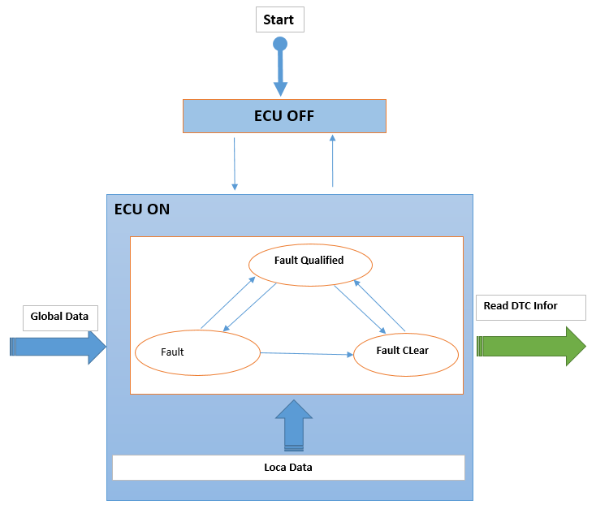
Step 3: Think behaviours of this structure.
Mentioned in SWTDS overview sheet

Step 2: Think functions of this structure.
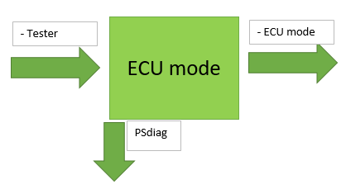
 |  |  |  |  | Normal 0: To verify snapshot datas when fault quali/dequali/Cleared |  | Normal 1: To verify snapshot datas when ECU enter Idle Mod |  |  |  | Normal 2:To check Snapshot data when Multi Fault with same DTC | Normal 3:To check Snapshot data when ECU reset Multi time | Normal 4: To verify snapshot datas when data change during quali/dequali time |  | Normal 4: To verify snapshot datas Fault Qualified Autarky time | AbNormal 1: send ClearREQ with Non-erasble Flt present |  | AbNormal 2: To verify snapshot datas stored when Invalid data/Msg time out |  | AbNormal 3: To Check Distub Fault |  |  | AbNormal 4: Additional fault created when Max Nbr fault resent in CFM |  | Normal : Check Record data after Fault clear by Aging
Functions (Test conditions) | Input (=>) | ECU mode | Aspects of this function
 |  |  | 1. ECU mode
 |  |  |  | Steady
 |  |  |  | Idle
 |  |  |  | Autarky
 |  |  |  | Crash mode: | Steady state |  | Steady state |  |  | Idle | Steady state | Steady state | Steady state |  | Consider Fault Qualified in Crash Mode/Normal Mode | Steady state |  | Steady state |  | Steady state |  |  | Steady state |  | Steady state
 |  |  |  | Disposal: not yet implemented
 |  |  |  | Plant mode: consider below
 |  |  |  |  |  |  |  |  |  |  |  |  |  |  |  |  |  |  |  |  |  |  |  |  |  |  |  | `

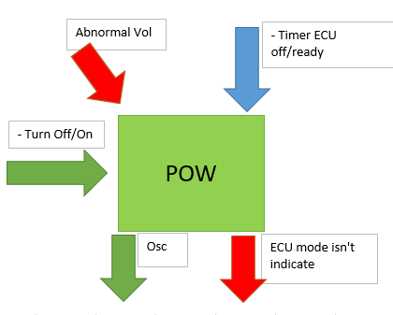
 | Input (=>) | POW Power supply condition | Aspects of this function
 |  |  | 1. Voltage range
 |  |  |  | Low: 7V |  |  |  |  |  |  |  |  |  |  |  |  |  |  |  |  |  |  |  |  |  | Triger Reset ECU multiTime utill more than Aging counter max of fault reached
Reset 1st
 |  |  |  | Hight: 17V
Reset 2nd
Reset n time
 |  |  |  | Nomal: 12V |  | Reset |  |  | Reset |  |  |  |  |  |  |  | Reset |  | Reset
 |  |  | 2. Timer to ECU ready/off
 |  |  |  | Timer to ECU ready: >4s
 |  |  |  | Timer to ECU Off: >4s

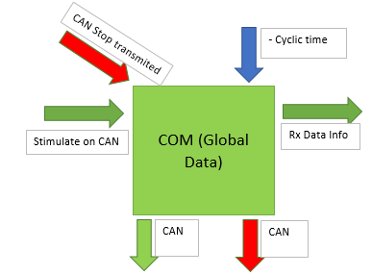
 | Input (=>) | Global Data | Aspects of this function
 |  |  | 1. Output: Rx Data Info |  |  |  |  |  |  |  |  |  |  | `
 |  |  |  | Valid value (min/max)
 |  |  |  | Invalid value
Data 1
Data 2
Data 3
Data 4
Data 1
Data 3
Data 4
Data 3
Data 2
Msg No-recieved
Data 1
Data 2
Data 3
Data 1
Data 2
Data 2
Data 1
Data 2
Data 3
Data 1
Data 1
Data 1
Data 2
Data 3
Data 1
Invalid Data
Data 3
Data 1
Data 1
Data 1
Data 1
Data 1
Msg Stop transmit
 |  |  | 2. Condition to Stop transmit
 |  |  |  | Bus-off
 |  |  |  | Time Out
 |  |  |  | Voltage low

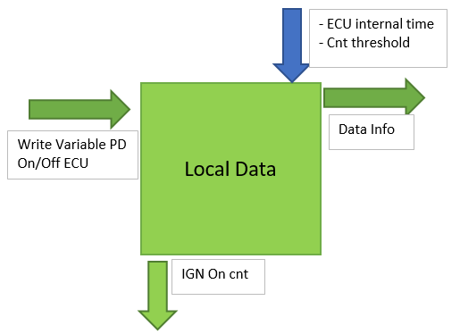
 | Input (=>) | Local Data | Aspects of this function
 |  |  | 1. Output
 |  |  |  | Note: Can not stimulate Internal Timer
Timer reset - Increase
 |  |  |  | Fault Occurrence time
- increase
- increase
 |  |  | 2. Power On counter
Timer Increase
Timer restart
- increase
Timer Increase
Timer restart
- increase
timer increase
Timer Increase
Timer reset - Increase
Timer reset - Increase
- increase
- increase
- increase
Timer Increase
Timer restart
- increase
- increase
- increase
- increase
 |  |  | 3. ECU reset
 |  |  |  | Soft reset
 |  |  |  | Hard reset

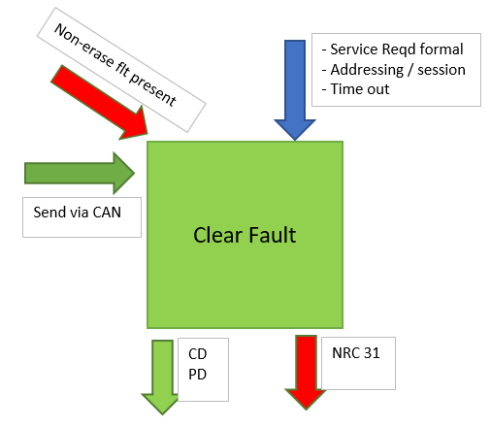
 | Input (=>) | Clear Fault | Aspects of this function
 |  |  | 1. Non-erased Internal fault

Clear
Clear
Clear
Clear
Clear
Clear
 |  |  | 2. Clear Reqd
 |  |  |  | All clear
 |  |  |  | CD reqd
Clear
 |  |  |  | Clear by Aging

 |  |  |  |  |  |  |  |  |  |  |  |  |  |  |  |  |  |  |  |  |  | qualified threshold
Qualified
Qualified
Dequalified
Qualified
Qualified
Qualified
NRC
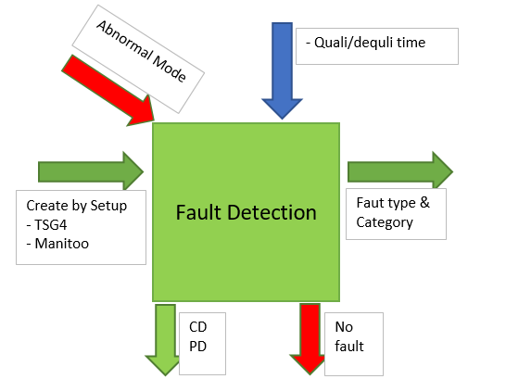
Flt 1
Flt 1
 | Input (=>) | Fault Detection | Aspects of this function |  |  |  |  | Critical Fault |  |  |  |  |  |  |  |  |  |  |  |  | Remove faul condiion
 |  |  | 1. Fault create |  |  |  |  |  |  |  |  |  |  |  |  | Non-Eraserble Flt
 |  |  | 2. Abnormal Mode
Qualified
 |  |  |  | Plant Mode |  |  |  |  |  |  |  |  |  |  |  |  |  |  |  |  |  |  | 20 fault present | Create (20+1) fault | Qualified/Dequalifed Fault |  | Fault clear |  | Fault re.qulified
Dequalified
 |  |  |  | Fault Nbr max in FM
Flt 2
 |  |  | 3. Fault Category
De Qualified
 |  |  |  | Internal: ereaser and Non-ereaser
 |  |  |  | External fault
De Qualified
Dequalified
 |  |  |  | Cyclic fault
 |  |  |  | Init Fault
 |  |  | Under plant mode, faults in the ACU are storage inhibited hence no snapshot data is recorded.

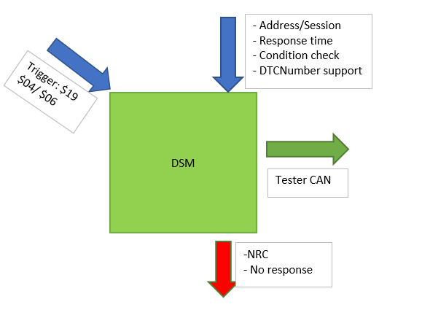
 | (=>) Output | DSM | Aspects of this function
 |  |  | 1. DSM service
 |  |  |  | 19 04 XX XX XX
 |  |  |  | 19 06 XX XX XX

0
1
4
1
1
 |  |  | NOTE: No need conside NRC/No-Response case, this covered by DSM testing
2
3
4
1
2
1
2
3
4
1
2
3
4
1
2
3
1
2
3
2
3
4
2
3
4
5
1
Fault(20 +1)DTC
 |  |  |  |  | Observe point |  |  |  |  |  | Observe point | Observe point | Observe point |  | Observe point | Observe point |  | Observe point |  | Observe point |  |  | Observe point |  | Observe point
 |  |  |  |  | Repeat this scenarios with abnormal votage |  |  |  |  |  |  | Observe DTC/Fault occurrence time info when fault qualified/dequalified after Reset Observe The Snapshot data when Fault quli/dequali multi time |  |  |  | NOTE: Combine this Scenarios with <Normal1> in one test definition in TS |  |  |  | #Note: Distub FM record but CFM no record
 |  |  |  |  | Repeat this scenarios with Crash mode(create Crash fault)

SnapshotData
 |  |  | DEFINITION

1. Document refer
Nbr | Doc. Name |  | Rev | Link |  |  |  |  |  |  |  | Remark
1 | SRS04_DEM_MazdaDiagnosticEventManager |  | 0.9 | https://si-airbag-doors-dwa.de.bosch.com:8443/dwa/rm/urn:rational::1-0000000000000000-M-00109225?doors.view=00000009
2 | TS_DEM_DiagnosticEventManager |  | 0.11 | https://si-airbag-doors-dwa.de.bosch.com:8443/dwa/rm/urn:rational::1-0000000000000000-M-000e9b0a?doors.view=00000001 |  |  |  |  |  |  |  | CoC's TS
3 | TS_DEM_DiagnosticEventManager |  | 3.102 | https://si-airbag-doors-dwa.de.bosch.com:8443/dwa/rm/urn:rational::1-0000000000000000-O-1766-0004baae?doors.view=00000001 |  |  |  |  |  |  |  | CA's TS
2. Snapshot Data
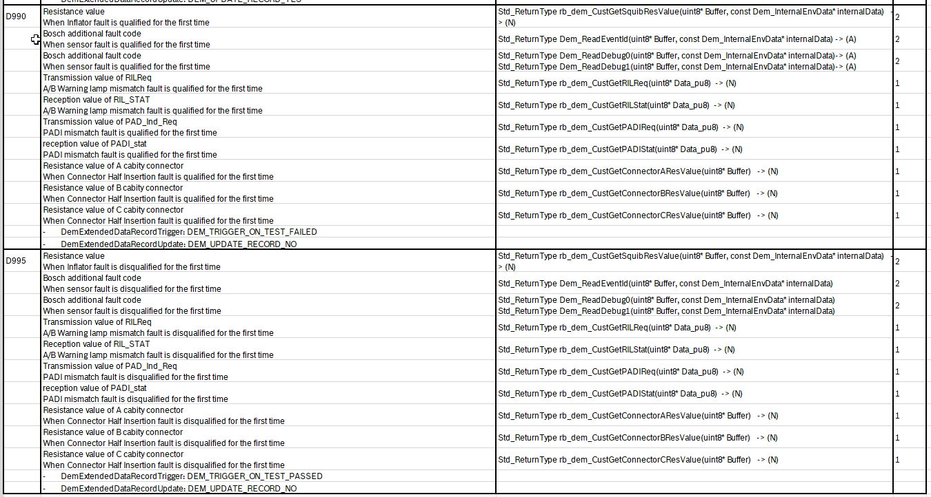
Data |  |  | Length (byte) | DID | CAN ID | CAN signal | Data Resolution | Offset | Remark
1) Global Real Time |  |  | 4 | DD00 | 0x40a | Global_Real_Time | 1/600 | 0
2) Total Distance |  |  | 3 | DD01 |  | Total_Distance | 1 | 0
3) Main ECU Voltage Supply |  |  | 1 | DD02 |  | MECU_supply_voltage | 1/4 | 0
4) Outside temperature |  |  | 1 | DD05 |  | Out_car_temperature | 1 | -40
5) Power Mode |  |  | 1 | DD06 |  | PwMdeExtern_D_Actl | -- | -- | Data range: $0: OFF $1: ACC $2: ON $3: CRANK

6) IG_OnTimer |  |  | 2 | DCE1 |  | IG_OnTimer | 1/60 | 0
7) SOC(StateOfCharge) |  |  | 1 | DCE2 |  | SOC (State Of Charge) | 0.5 | 0
8) ECU Power Supply Voltage |  |  | 1 | D111 | -- | -- | 0.1 | 0 | Get from Power supplier
9) AccelPedalPosition |  |  | 1 | 032B | 0x40a | AccelPedalPosition | 0.5 | 0
10) EngClnt |  |  | 1 | F405 |  | EngClnt | 1 | -40
11) EngineRotationSpeed |  |  | 2 | F40C |  | EngineRotationSpeed | 0.25 | 0
12) VehicleSpeed |  |  | 2 | F40D |  | VehicleSpeed_signal | 1 | 0
13) ShiftPosition |  |  | 1 | DD1B |  | ShiftPosition | -- | -- | Data range: $00: Parking/Neutral $01: Parking $02: Reverse $03: Neutral $04: between 2 position $05: Forward Drive 1 $06: Forward Drive 2 $07: Forward Drive 3 $08: Forward Drive 4 $09: Forward Drive 5 $0A: Forward Drive 6 $0B: Forward Drive 7 $0C: Forward Drive 8 $FF: Invalid $0D-$FE: Reserved
14) Brake Pedal Status |  |  | 1 | DD17 |  | BrakePedal | -- | -- | Data range: $0: Not stepping $1: Stepping
15) EngRunTimer |  |  | 2 | F41F |  | EngRunTimer | 1 | 0
16) Motor RPM |  |  | 2 | DD08 |  | MotorRPM_SS | 0.5 | -6000
17) SOC (StateOfCharge) 2 |  |  | 1 | DD09 |  | SOC2_SS | 0.5 | --
18) Last Time Fault Qualify |  |  | 4 | D960 |  | Global_Real_Time | 1/60 | 0 | Update on last time qualification
19) Last Time Fault Disqualify |  |  | 4 | D961 |  | Global_Real_Time | 1/60 | 0 | Update on last time dequalification
20) Fault Occurrence Time |  |  | 1 | D962 |  |  | 1 | 0 | fault qualification counter
21) First Time Fault Qualify (in Key On Cycle) |  |  | 2 | D963 | 0x40A | IG_OnTimer | 1 | 0
22) Last Time Fault Qualify (in Key On Cycle) |  |  | 2 | D9C5 |  | IG_OnTimer | 1 | 0
23) Last Time Fault Disqualify (in Key On Cycle) |  |  | 2 | D9C6 |  | IG_OnTimer | 1 | 0
24) First Time Fault Qualify (Internal Timer) |  |  | 4 | D9C7 |  |  | 1 | 0 | Internal Timer
25) Last Time Fault Qualify (Internal Timer) |  |  | 4 | D9C8 |  |  | 1 | 0 | Internal Timer
26) Last Time Fault Disqualify (Internal Timer) |  |  | 4 | D9C9 |  |  | 1 | 0 | Internal Timer
27) Recorded Time when first Time Fault Qualify |  |  | 6 | D966 | 0x439 |  | 1 | -- | Recorded time: - year - month - day - hour - minute - second
28) Recorded Time when first Time Fault Disqualify |  |  | 6 | D967 |  |  | 1
29) Recorded time when Last Time Fault Qualify |  |  | 6 | D968 |  |  | 1
28) Recorded time when Last Time Fault Disqualify |  |  | 6 | D969 |  |  | 1
29) Some Others Data when the first time Fault Qualify |  |  | 13 | D990 |  |  | For each type of fault, only one specific data will be logged. Check table. | 0 | For each type of fault, only one specific data will be logged. Check table.
30) Some Others Data when the first time Fault Disqualify |  |  | 13 | D995 |  |  | For each type of fault, only one specific data will be logged. Check table. | 0 | For each type of fault, only one specific data will be logged. Check table.

3. Extended Data
Data |  |  | Length (byte) | RecNbr | CAN ID | CAN signal | Remark
Aging Counter |  |  | 1 | 0x02
Fault Detection Counter |  |  | 1 | 0x10

 |  |  | Snapshot Data

1. To verify snapshot datas when fault quali/dequali/Cleared
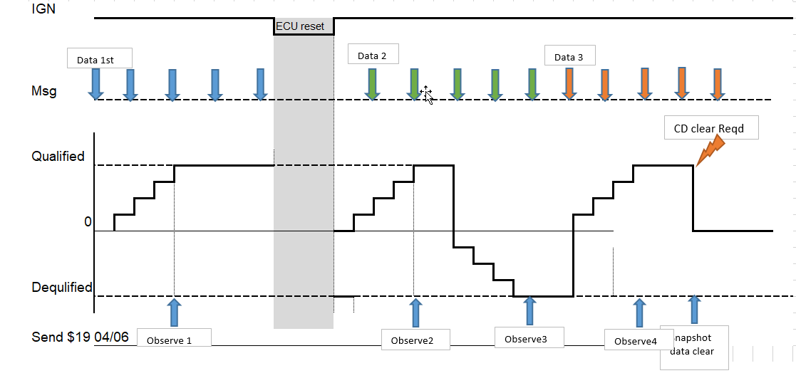

a. Freeze Frame Data

SRS ID | ECU mode | Fault | FreezeFrameData | DID | CAN ID | CAN signal | TS ID | technique | Remark
735 734 736 737 738 739 740 741 742 743 744 745 746 747 814 749 750 751 748 752 753 789 800 809 1147 1156 1165 1174 1179 1188 1191 1194 1197 1200 1207 1203 1210 1213 1226 1229 1232 1235 1238 1241 1244 1247 1250 1253 | Normal | External/Internal Init/Cyclic | Refer to Sheet DataDefinition - Table 2 |  |  |  | 520 521 522 525 | Use case

 |  | Firing Fault |  |  |  |  | 529
 |  | Com TimeOut |  |  |  |  | 528
 |  | Hight/Low Voltage |  |  |  |  | 519/543
 |  | Sensor Fault |  |  |  |  | 586
 |  | Config fault |  |  |  |  | 589
 |  | WL fault |  |  |  |  | 696
 |  | PADI fault |  |  |  |  | 697
 |  | ConnectorA fault
 |  | ConnectorB fault
 |  | ConnectorC fault

b. Extended data
SRS ID | ECU mode | Fault | Extended Data | DID | CAN ID | CAN signal | TS ID | technique | Remark
1256 1265 | Normal | External/Internal Init/Cyclic | Refer to Sheet DataDefinition - Table 3 |  |  |  | 531 533 534 536 537 539 | Use case | Covered by CoC's TS:: TS: TS_DEM_DiagnosticEventManager - 0.11 Link: https://si-airbag-doors-dwa.de.bosch.com:8443/dwa/rm/urn:rational::1-0000000000000000-M-000e9b0a?doors.view=00000001 This scenarios cover normal value/ max/min

 |  | Firing Fault |  |  |  |  | 541
 |  | COM timeout |  |  |  |  | 540
 |  | High/Low Voltage |  |  |  |  | 532/544
 |  | Sensor Fault |  |  |  |  | 587
 |  | Config fault |  |  |  |  | 588
 |  | WL fault |  |  |  |  | 698
 |  | PADI fault |  |  |  |  | 699

#NOTE : Reuse test scenarios from CoC's TS with specific Mazda Data-DID

c. Freeze Frame Data/Snapshot data after fault is cleared

SRS ID | Precondition |  |  |  |  | INPUT1 |  |  |  | OUTPUT1 |  |  | INPUT2 |  |  |  | OUTPUT2 |  |  | INPUT3 | OUTPUT3 | INPUT4 |  |  |  |  | OUTPUT4 |  |  | INPUT5 |  |  |  | OUTPUT5 |  |  | TS ID | Remark
 | System | ECU mode | Fault type | Clear DTC | Voltage | Event condition | Value1 (Phys) | Create fault with DTC 1 | ECU Reset | Fault status | Read snapshot data (hex value) |  | Event condition | Value2 (Phys) | Remove fault condition of DTC 1 | ECU Reset | Fault status | Read snapshot data (hex value) |  | Clear fault by CD/ Aging | $14 Reponse | ECU Reset | Event condition | Value3 (Phys) | Create fault with DTC 1 | ECU Reset | Fault status | Read snapshot data (hex value) |  | Event condition | Value4 (Phys) | Remove fault with DTC 1 | ECU Reset | Fault status | Read snapshot data (hex value)
735 734 736 737 738 739 740 741 688 749 692 703 750 707 751 748 789 800 809 1179 1276 1277 1278 1279 1280 1273 1275 1282 1281 1283 1284 1179 1188 1191 1194 1197 1200 1207 1203 1210 1213 1226 1229 1232 1235 1238 1241 1244 1247 1250 1253 1124 | No fault in System | Normal mode | Cycle | Erasable (**) | 13V | Change value of 'Global_Real_Time' signal | 10 | DTC1 of Device | No ECU Reset | 0bxxxx1x11 | DD00 | 64 | Change value of 'Global_Real_Time' signal | 20 | DTC1 of Device | No ECU Reset | 0bxxxx1x10 | DD00 | 64 | Yes | Positive reponse ( 54 ) | ECU Reset | Change value of 'Global_Real_Time' signal | 30 | DTC1 of Device | No ECU Reset | 0bxxxx1x11 | DD00 | 12C | Change value of 'Global_Real_Time' signal | 40 | DTC1 of Device | No ECU Reset | 0bxxxx1x10 | DD00 | 12C |  | (*) DTC of fault Read snapshot data (hex value) need correct with byte length of DID: Refer to Sheet DataDefinition - Table 2 Checking Max value of DID for Global Snapshot and Local Snapshot has been handled in TS DID $D966, $D967, $D968, $D969 will handle data in TS Maximun and minimun value for DID will handle in TS For data of DID related with internal timer type: - FirstTimeFaultQualify: Data should not equal Default data. - LastTimeFaultQualify : Data should not equal Default data - First Time Fault Disqualify: Data should not equal Default data. - Last Time Fault Disqualify: Data should not equal Default data - (*) Following the SRS04_DEM_1123 about clear fault by Service $14 FF FF FF -> with any fault is erasable or non-erasable allway reponse Positive reponse $54 - (**) Fault can be Erasable but have special condition. If special condition not satify will handle like inerasable
 |  |  |  |  |  | Change value of 'Total_Distance' signal | 50 |  |  |  | DD01 | 32 | Change value of 'Total_Distance' signal | 60 |  |  |  | DD01 | 32 | Yes |  |  | Change value of 'Total_Distance' signal | 70 |  |  |  | DD01 | 46 | Change value of 'Total_Distance' signal | 80 |  |  |  | DD01 | 46
 |  |  |  |  |  | Change value of 'MECU_supply_voltage' signal | 10 |  |  |  | DD02 | 28 | Change value of 'MECU_supply_voltage' signal | 20 |  |  |  | DD02 | 28 | Yes |  |  | Change value of 'MECU_supply_voltage' signal | 30 |  |  |  | DD02 | 78 | Change value of 'MECU_supply_voltage' signal | 40 |  |  |  | DD02 | 78
 |  |  |  |  |  | Change value of 'Out_car_temperature' signal | 0 |  |  |  | DD05 | 28 | Change value of 'Out_car_temperature' signal | 10 |  |  |  | DD05 | 28 | Yes |  |  | Change value of 'Out_car_temperature' signal | 20 |  |  |  | DD05 | 3C | Change value of 'Out_car_temperature' signal | 30 |  |  |  | DD05 | 3C
 |  |  |  |  |  | Change value of 'PwMdeExtern_D_Actl' signal | 1 |  |  |  | DD06 | 1 | Change value of 'PwMdeExtern_D_Actl' signal | 11 |  |  |  | DD06 | 1 | Yes |  |  | Change value of 'PwMdeExtern_D_Actl' signal | 21 |  |  |  | DD06 | 15 | Change value of 'PwMdeExtern_D_Actl' signal | 31 |  |  |  | DD06 | 15
 |  |  |  |  |  | Change value of 'IG_OnTimer' signal | 60 |  |  |  | DCE1 | 3C | Change value of 'IG_OnTimer' signal | 70 |  |  |  | DCE1 | 3C | Yes |  |  | Change value of 'IG_OnTimer' signal | 80 |  |  |  | DCE1 | 50 | Change value of 'IG_OnTimer' signal | 90 |  |  |  | DCE1 | 50
 |  |  |  |  |  | Change value of 'SOC' signal | 20 |  |  |  | DCE2 | 28 | Change value of 'SOC' signal | 30 |  |  |  | DCE2 | 28 | Yes |  |  | Change value of 'SOC' signal | 40 |  |  |  | DCE2 | 50 | Change value of 'SOC' signal | 50 |  |  |  | DCE2 | 50
 |  |  |  |  |  | Change Voltage | 8 |  |  |  | D111 | 50 | Change Voltage | 13V |  |  |  | D111 | 50 | Yes |  |  | Change Voltage | 13 |  |  |  | D111 | 82 | Change Voltage | 13V |  |  |  | D111 | 82
 |  |  |  |  |  | Change value of 'AccelPedalPosition' signal | 35 |  |  |  | 032B | 46 | Change value of 'AccelPedalPosition' signal | 45 |  |  |  | 032B | 46 | Yes |  |  | Change value of 'AccelPedalPosition' signal | 55 |  |  |  | 032B | 6E | Change value of 'AccelPedalPosition' signal | 65 |  |  |  | 032B | 6E
 |  |  |  |  |  | Change value of 'EngClnt' signal | 0 |  |  |  | F405 | 28 | Change value of 'EngClnt' signal | 10 |  |  |  | F405 | 28 | Yes |  |  | Change value of 'EngClnt' signal | 20 |  |  |  | F405 | 14 | Change value of 'EngClnt' signal | 30 |  |  |  | F405 | 14
 |  |  |  |  |  | Change value of 'EngineRotationSpeed' signal | 10 |  |  |  | F40C | 28 | Change value of 'EngineRotationSpeed' signal | 20 |  |  |  | F40C | 28 | Yes |  |  | Change value of 'EngineRotationSpeed' signal | 30 |  |  |  | F40C | 78 | Change value of 'EngineRotationSpeed' signal | 40 |  |  |  | F40C | 78
 |  |  |  |  |  | Change value of 'VehicleSpeed_signal' signal | 35 |  |  |  | F40D | 23 | Change value of 'VehicleSpeed_signal' signal | 45 |  |  |  | F40D | 23 | Yes |  |  | Change value of 'VehicleSpeed_signal' signal | 55 |  |  |  | F40D | 37 | Change value of 'VehicleSpeed_signal' signal | 65 |  |  |  | F40D | 37
 |  |  |  |  |  | Change value of 'ShiftPosition' signal | 1 |  |  |  | DD1B | 1 | Change value of 'ShiftPosition' signal | 11 |  |  |  | DD1B | 1 | Yes |  |  | Change value of 'ShiftPosition' signal | 21 |  |  |  | DD1B | 15 | Change value of 'ShiftPosition' signal | 31 |  |  |  | DD1B | 15
 |  |  |  |  |  | Change value of 'BrakePedal' signal | 0 |  |  |  | DD17 | 0 | Change value of 'BrakePedal' signal | 10 |  |  |  | DD17 | 0 | Yes |  |  | Change value of 'BrakePedal' signal | 20 |  |  |  | DD17 | 14 | Change value of 'BrakePedal' signal | 30 |  |  |  | DD17 | 14
 |  |  |  |  |  | Change value of 'EngRunTimer' signal | 15 |  |  |  | F41F | F | Change value of 'EngRunTimer' signal | 25 |  |  |  | F41F | F | Yes |  |  | Change value of 'EngRunTimer' signal | 35 |  |  |  | F41F | 23 | Change value of 'EngRunTimer' signal | 45 |  |  |  | F41F | 23
 |  |  |  |  |  | Change value of 'MotorRPM_SS' signal | 0 |  |  |  | DD08 | 2EE0 | Change value of 'MotorRPM_SS' signal | 2000 |  |  |  | DD08 | 2EE0 | Yes |  |  | Change value of 'MotorRPM_SS' signal | 4000 |  |  |  | DD08 | 4E20 | Change value of 'MotorRPM_SS' signal | 6000 |  |  |  | DD08 | 4E20
 |  |  |  |  |  | Change value of 'SOC2_SS' signal | 15 |  |  |  | DD09 | 1E | Change value of 'SOC2_SS' signal | 25 |  |  |  | DD09 | 1E | Yes |  |  | Change value of 'SOC2_SS' signal | 35 |  |  |  | DD09 | 46 | Change value of 'SOC2_SS' signal | 45 |  |  |  | DD09 | 46
 |  |  |  |  |  | Change value of 'Global_Real_Time' signal | 10 |  |  |  | D960 | A | Change value of 'Global_Real_Time' signal | 20 |  |  |  | D960 | A | Yes |  |  | Change value of 'Global_Real_Time' signal | 30 |  |  |  | D960 | 1E | Change value of 'Global_Real_Time' signal | 40 |  |  |  | D960 | 1E
 |  |  |  |  |  | Change value of 'Global_Real_Time' signal | 10 |  |  |  | D961 | Default value | Change value of 'Global_Real_Time' signal | 20 |  |  |  | D961 | 14 | Yes |  |  | Change value of 'Global_Real_Time' signal | 30 |  |  |  | D961 | Default value | Change value of 'Global_Real_Time' signal | 40 |  |  |  | D961 | 28
 |  |  |  |  |  | -- | -- |  |  |  | D962 | 01 | -- | -- |  |  |  | D962 | 01 | Yes |  |  | -- | -- |  |  |  | D962 | 01 | -- | -- |  |  |  | D962 | 01
 |  |  |  |  |  | Change value of 'IG_OnTimer' signal | 60 |  |  |  | D963 | 3C | Change value of 'IG_OnTimer' signal | 70 |  |  |  | D963 | 3C | Yes |  |  | Change value of 'IG_OnTimer' signal | 80 |  |  |  | D963 | 50 | Change value of 'IG_OnTimer' signal | 90 |  |  |  | D963 | 50
 |  |  |  |  |  | Change value of 'IG_OnTimer' signal | 60 |  |  |  | D9C5 | 3C | Change value of 'IG_OnTimer' signal | 70 |  |  |  | D9C5 | 3C | Yes |  |  | Change value of 'IG_OnTimer' signal | 80 |  |  |  | D9C5 | 50 | Change value of 'IG_OnTimer' signal | 90 |  |  |  | D9C5 | 50
 |  |  |  |  |  | Change value of 'IG_OnTimer' signal | 60 |  |  |  | D9C6 | Default value | Change value of 'IG_OnTimer' signal | 70 |  |  |  | D9C6 | 46 | Yes |  |  | Change value of 'IG_OnTimer' signal | 80 |  |  |  | D9C6 | Default value | Change value of 'IG_OnTimer' signal | 90 |  |  |  | D9C6 | 5A
 |  |  |  |  |  | -- | -- |  |  |  | D9C7 | FirstTimeFaultQualify | -- | -- |  |  |  | D9C7 | The same in output 1 | Yes |  |  | -- | -- |  |  |  | D9C7 | FirstTimeFaultQualify | -- | -- |  |  |  | D9C7 | The same in output 4
 |  |  |  |  |  | -- | -- |  |  |  | D9C8 | LastTimeFaultQualify | -- | -- |  |  |  | D9C8 | The same in output 1 | Yes |  |  | -- | -- |  |  |  | D9C8 | LastTimeFaultQualify | -- | -- |  |  |  | D9C8 | The same in output 4
 |  |  |  |  |  | -- | -- |  |  |  | D9C9 | Default value | -- | -- |  |  |  | D9C9 | Difference with Default Value | Yes |  |  | -- | -- |  |  |  | D9C9 | Default value | -- | -- |  |  |  | D9C9 | Difference with Default Value
 |  |  |  |  |  | -- | -- |  |  |  | D966 | FirstTimeFaultQualify | -- | -- |  |  |  | D966 | FirstTimeFaultQualify | Yes |  |  | -- | -- |  |  |  | D966 | FirstTimeFaultQualify | -- | -- |  |  |  | D966 | FirstTimeFaultQualify
 |  |  |  |  |  | -- | -- |  |  |  | D967 | Default value | -- | -- |  |  |  | D967 | First Time Fault Disqualify | Yes |  |  | -- | -- |  |  |  | D967 | Default value | -- | -- |  |  |  | D967 | First Time Fault Disqualify
 |  |  |  |  |  | -- | -- |  |  |  | D968 | LastTimeFaultQualify | -- | -- |  |  |  | D968 | LastTimeFaultQualify | Yes |  |  | -- | -- |  |  |  | D968 | LastTimeFaultQualify | -- | -- |  |  |  | D968 | LastTimeFaultQualify
 |  |  |  |  |  | -- | -- |  |  |  | D969 | Default value | -- | -- |  |  |  | D969 | Last Time Fault Disqualify | Yes |  |  | -- | -- |  |  |  | D969 | Default value | -- | -- |  |  |  | D969 | Last Time Fault Disqualify
 |  |  |  |  |  | -- | -- | DTC1 of Device (Squib fault) |  |  | D990 | (Byte 1-2) = resistance value S1 | -- | -- | DTC1 of Device (Squib fault) |  |  | D990 | The same in output 1 | Yes |  |  | -- | -- | DTC1 of Device (Squib fault) |  |  | D990 | (Byte 1-2) = resistance value S1 | -- | -- | DTC1 of Device (Squib fault) |  |  | D990 | The same in output 1
 |  |  |  |  |  | -- | -- |  |  |  | D995 | (Byte 1-2) == 0 | -- | -- |  |  |  | D995 | (Byte 1-2) = resistance value S2 | Yes |  |  | -- | -- |  |  |  | D995 | (Byte 1-2) == 0 | -- | -- |  |  |  | D995 | (Byte 1-2) = resistance value S2
 |  |  |  |  |  | -- | -- | DTC1 of Device (Sensor fault) |  |  | D990 | (Byte 3-4) = bosch fault code '(Byte 5-6) = bosch additional fault code | -- | -- | DTC1 of Device (Sensor fault) |  |  | D990 | The same in output 1 | Yes |  |  | -- | -- | DTC1 of Device (Sensor fault) |  |  | D990 | (Byte 3-4) = bosch fault code '(Byte 5-6) = bosch additional fault code | -- | -- | DTC1 of Device (Sensor fault) |  |  | D990 | The same in output 1
 |  |  |  |  |  | -- | -- |  |  |  | D995 | (Byte 3-4) == 0 '(Byte 5-6) == 0 | -- | -- |  |  |  | D995 | (Byte 3-4) = bosch fault code '(Byte 5-6) = bosch additional fault code | Yes |  |  | -- | -- |  |  |  | D995 | (Byte 3-4) == 0 '(Byte 5-6) == 0 | -- | -- |  |  |  | D995 | (Byte 3-4) = bosch fault code '(Byte 5-6) = bosch additional fault code
 |  |  |  |  |  | -- | -- | DTC1 of Device (A/B Warning Lamp mismatch fault) |  |  | D990 | (Byte 7) == RILReq mismatch value '(Byte 8) == RIL_STAT mismatch value | -- | -- | DTC1 of Device (A/B Warning Lamp mismatch fault) |  |  | D990 | The same in output 1 | Yes |  |  | -- | -- | DTC1 of Device (A/B Warning Lamp mismatch fault) |  |  | D990 | (Byte 7) == RILReq mismatch value '(Byte 8) == RIL_STAT mismatch value | -- | -- | DTC1 of Device (A/B Warning Lamp mismatch fault) |  |  | D990 | The same in output 1
 |  |  |  |  |  | -- | -- |  |  |  | D995 | (Byte 7) == 0 '(Byte 8) == 0 | -- | -- |  |  |  | D995 | (Byte 7) == RILReq = RIL_STAT= = non-mismatch value '(Byte 8) == RIL_STAT=RILReq= non-mismatch value | Yes |  |  | -- | -- |  |  |  | D995 | (Byte 7) == 0 '(Byte 8) == 0 | -- | -- |  |  |  | D995 | (Byte 7) == RILReq = RIL_STAT= = non-mismatch value '(Byte 8) == RIL_STAT=RILReq= non-mismatch value
 |  |  |  |  |  | -- | -- | DTC1 of Device (PADI mismatch fault) |  |  | D990 | (Byte 9) == PAD_Ind_Req mismatch value '(Byte 10) == PADI_STAT mismatch value | -- | -- | DTC1 of Device (PADI mismatch fault) |  |  | D990 | The same in output 1 | Yes |  |  | -- | -- | DTC1 of Device (PADI mismatch fault) |  |  | D990 | (Byte 9) == PAD_Ind_Req mismatch value '(Byte 10) == PADI_STAT mismatch value | -- | -- | DTC1 of Device (PADI mismatch fault) |  |  | D990 | The same in output 1
 |  |  |  |  |  | -- | -- |  |  |  | D995 | (Byte 9) == 0 '(Byte 10) == 0 | -- | -- |  |  |  | D995 | (Byte 9) == PAD_Ind_Req = PADI_STAT = non-mismatch value '(Byte 10) == PADI_STAT = PAD_Ind_Req = non-mismatch value | Yes |  |  | -- | -- |  |  |  | D995 | (Byte 9) == 0 '(Byte 10) == 0 | -- | -- |  |  |  | D995 | (Byte 9) == PAD_Ind_Req = PADI_STAT = non-mismatch value '(Byte 10) == PADI_STAT = PAD_Ind_Req = non-mismatch value
 |  |  |  |  |  | -- | -- | DTC1 of Device (Connector A Half Insertion fault) |  |  | D990 | (Byte 11) = resistance value of switch A1 | -- | -- | DTC1 of Device (Connector A Half Insertion fault) |  |  | D990 | The same in output 1 | Yes |  |  | -- | -- | DTC1 of Device (Connector A Half Insertion fault) |  |  | D990 | (Byte 11) = resistance value of switch A1 | -- | -- | DTC1 of Device (Connector A Half Insertion fault) |  |  | D990 | The same in output 1
 |  |  |  |  |  | -- | -- |  |  |  | D995 | (Byte 11) == 0 | -- | -- |  |  |  | D995 | (Byte 11) = resistance value of switch A2 | Yes |  |  | -- | -- |  |  |  | D995 | (Byte 11) == 0 | -- | -- |  |  |  | D995 | (Byte 11) = resistance value of switch A2
 |  |  |  |  |  | -- | -- | DTC1 of Device (Connector B Half Insertion fault) |  |  | D990 | (Byte 12) = resistance value of switch B1 | -- | -- | DTC1 of Device (Connector B Half Insertion fault) |  |  | D990 | The same in output 1 | Yes |  |  | -- | -- | DTC1 of Device (Connector B Half Insertion fault) |  |  | D990 | (Byte 12) = resistance value of switch B1 | -- | -- | DTC1 of Device (Connector B Half Insertion fault) |  |  | D990 | The same in output 1
 |  |  |  |  |  | -- | -- |  |  |  | D995 | (Byte 12) == 0 | -- | -- |  |  |  | D995 | (Byte 12) = resistance value of switch B2 | Yes |  |  | -- | -- |  |  |  | D995 | (Byte 12) == 0 | -- | -- |  |  |  | D995 | (Byte 12) = resistance value of switch B2
 |  |  |  |  |  | -- | -- | DTC1 of Device (Connector C Half Insertion fault) |  |  | D990 | (Byte 13) = resistance value of switch C1 | -- | -- | DTC1 of Device (Connector C Half Insertion fault) |  |  | D990 | The same in output 1 | Yes |  |  | -- | -- | DTC1 of Device (Connector C Half Insertion fault) |  |  | D990 | (Byte 13) = resistance value of switch C1 | -- | -- | DTC1 of Device (Connector C Half Insertion fault) |  |  | D990 | The same in output 1
 |  |  |  |  |  | -- | -- |  |  |  | D995 | (Byte 13) == 0 | -- | -- |  |  |  | D995 | (Byte 13) = resistance value of switch C2 | Yes |  |  | -- | -- |  |  |  | D995 | (Byte 13) == 0 | -- | -- |  |  |  | D995 | (Byte 13) = resistance value of switch C2
 | No fault in System | Normal mode | Cycle | Inerasable | 13V | Change value of 'Global_Real_Time' signal | 10 | DTC1 of Device | No ECU Reset | 0bxxxx1x11 | DD00 | 64 | Change value of 'Global_Real_Time' signal | 20 | DTC1 of Device | No ECU Reset | 0bxxxx1x11 | DD00 | 64 | Yes | Positive reponse ( 54 )* |  | Change value of 'Global_Real_Time' signal | 30 | DTC1 of Device | No ECU Reset | 0bxxxx1x11 | DD00 | 64 | Change value of 'Global_Real_Time' signal | 40 | DTC1 of Device | No ECU Reset | 0bxxxx1x11 | DD00 | 64
 |  |  |  |  |  | Change value of 'Total_Distance' signal | 50 |  |  |  | DD01 | 32 | Change value of 'Total_Distance' signal | 60 |  |  |  | DD01 | 32 | Yes |  |  | Change value of 'Total_Distance' signal | 70 |  |  |  | DD01 | 32 | Change value of 'Total_Distance' signal | 80 |  |  |  | DD01 | 32
 |  |  |  |  |  | Change value of 'MECU_supply_voltage' signal | 10 |  |  |  | DD02 | 28 | Change value of 'MECU_supply_voltage' signal | 20 |  |  |  | DD02 | 28 | Yes |  |  | Change value of 'MECU_supply_voltage' signal | 30 |  |  |  | DD02 | 28 | Change value of 'MECU_supply_voltage' signal | 40 |  |  |  | DD02 | 28
 |  |  |  |  |  | Change value of 'Out_car_temperature' signal | 0 |  |  |  | DD05 | 28 | Change value of 'Out_car_temperature' signal | 10 |  |  |  | DD05 | 28 | Yes |  |  | Change value of 'Out_car_temperature' signal | 20 |  |  |  | DD05 | 28 | Change value of 'Out_car_temperature' signal | 30 |  |  |  | DD05 | 28
 |  |  |  |  |  | Change value of 'PwMdeExtern_D_Actl' signal | 1 |  |  |  | DD06 | 1 | Change value of 'PwMdeExtern_D_Actl' signal | 11 |  |  |  | DD06 | 1 | Yes |  |  | Change value of 'PwMdeExtern_D_Actl' signal | 21 |  |  |  | DD06 | 1 | Change value of 'PwMdeExtern_D_Actl' signal | 31 |  |  |  | DD06 | 1
 |  |  |  |  |  | Change value of 'IG_OnTimer' signal | 60 |  |  |  | DCE1 | 3C | Change value of 'IG_OnTimer' signal | 70 |  |  |  | DCE1 | 3C | Yes |  |  | Change value of 'IG_OnTimer' signal | 80 |  |  |  | DCE1 | 3C | Change value of 'IG_OnTimer' signal | 90 |  |  |  | DCE1 | 3C
 |  |  |  |  |  | Change value of 'SOC' signal | 20 |  |  |  | DCE2 | 28 | Change value of 'SOC' signal | 30 |  |  |  | DCE2 | 28 | Yes |  |  | Change value of 'SOC' signal | 40 |  |  |  | DCE2 | 28 | Change value of 'SOC' signal | 50 |  |  |  | DCE2 | 28
 |  |  |  |  |  | Change Voltage | 8 |  |  |  | D111 | 50 | Change Voltage | 13V |  |  |  | D111 | 50 | Yes |  |  | Change Voltage | 13V |  |  |  | D111 | 50 | Change Voltage | 13V |  |  |  | D111 | 50
 |  |  |  |  |  | Change value of 'AccelPedalPosition' signal | 35 |  |  |  | 032B | 46 | Change value of 'AccelPedalPosition' signal | 45 |  |  |  | 032B | 46 | Yes |  |  | Change value of 'AccelPedalPosition' signal | 55 |  |  |  | 032B | 46 | Change value of 'AccelPedalPosition' signal | 65 |  |  |  | 032B | 46
 |  |  |  |  |  | Change value of 'EngClnt' signal | 0 |  |  |  | F405 | 28 | Change value of 'EngClnt' signal | 10 |  |  |  | F405 | 28 | Yes |  |  | Change value of 'EngClnt' signal | 20 |  |  |  | F405 | 14 | Change value of 'EngClnt' signal | 30 |  |  |  | F405 | 14
 |  |  |  |  |  | Change value of 'EngineRotationSpeed' signal | 10 |  |  |  | F40C | 28 | Change value of 'EngineRotationSpeed' signal | 20 |  |  |  | F40C | 28 | Yes |  |  | Change value of 'EngineRotationSpeed' signal | 30 |  |  |  | F40C | 28 | Change value of 'EngineRotationSpeed' signal | 40 |  |  |  | F40C | 28
 |  |  |  |  |  | Change value of 'VehicleSpeed_signal' signal | 35 |  |  |  | F40D | 23 | Change value of 'VehicleSpeed_signal' signal | 45 |  |  |  | F40D | 23 | Yes |  |  | Change value of 'VehicleSpeed_signal' signal | 55 |  |  |  | F40D | 23 | Change value of 'VehicleSpeed_signal' signal | 65 |  |  |  | F40D | 23
 |  |  |  |  |  | Change value of 'ShiftPosition' signal | 1 |  |  |  | DD1B | 1 | Change value of 'ShiftPosition' signal | 11 |  |  |  | DD1B | 1 | Yes |  |  | Change value of 'ShiftPosition' signal | 21 |  |  |  | DD1B | 1 | Change value of 'ShiftPosition' signal | 31 |  |  |  | DD1B | 1
 |  |  |  |  |  | Change value of 'BrakePedal' signal | 0 |  |  |  | DD17 | 0 | Change value of 'BrakePedal' signal | 10 |  |  |  | DD17 | 0 | Yes |  |  | Change value of 'BrakePedal' signal | 20 |  |  |  | DD17 | 0 | Change value of 'BrakePedal' signal | 30 |  |  |  | DD17 | 0
 |  |  |  |  |  | Change value of 'EngRunTimer' signal | 15 |  |  |  | F41F | F | Change value of 'EngRunTimer' signal | 25 |  |  |  | F41F | F | Yes |  |  | Change value of 'EngRunTimer' signal | 35 |  |  |  | F41F | F | Change value of 'EngRunTimer' signal | 45 |  |  |  | F41F | F
 |  |  |  |  |  | Change value of 'MotorRPM_SS' signal | 0 |  |  |  | DD08 | 2EE0 | Change value of 'MotorRPM_SS' signal | 2000 |  |  |  | DD08 | 2EE0 | Yes |  |  | Change value of 'MotorRPM_SS' signal | 4000 |  |  |  | DD08 | 2EE0 | Change value of 'MotorRPM_SS' signal | 6000 |  |  |  | DD08 | 2EE0
 |  |  |  |  |  | Change value of 'SOC2_SS' signal | 15 |  |  |  | DD09 | 1E | Change value of 'SOC2_SS' signal | 25 |  |  |  | DD09 | 1E | Yes |  |  | Change value of 'SOC2_SS' signal | 35 |  |  |  | DD09 | 1E | Change value of 'SOC2_SS' signal | 45 |  |  |  | DD09 | 1E
 |  |  |  |  |  | Change value of 'Global_Real_Time' signal | 10 |  |  |  | D960 | A | Change value of 'Global_Real_Time' signal | 20 |  |  |  | D960 | A | Yes |  |  | Change value of 'Global_Real_Time' signal | 30 |  |  |  | D960 | A | Change value of 'Global_Real_Time' signal | 40 |  |  |  | D960 | A
 |  |  |  |  |  | Change value of 'Global_Real_Time' signal | 10 |  |  |  | D961 | Default value | Change value of 'Global_Real_Time' signal | 20 |  |  |  | D961 | Default value | Yes |  |  | Change value of 'Global_Real_Time' signal | 30 |  |  |  | D961 | Default value | Change value of 'Global_Real_Time' signal | 40 |  |  |  | D961 | Default value
 |  |  |  |  |  | -- | -- |  |  |  | D962 | 01 | -- | -- |  |  |  | D962 | 01 | Yes |  |  | -- | -- |  |  |  | D962 | 01 | -- | -- |  |  |  | D962 | 01
 |  |  |  |  |  | Change value of 'IG_OnTimer' signal | 60 |  |  |  | D963 | 3C | Change value of 'IG_OnTimer' signal | 70 |  |  |  | D963 | 3C | Yes |  |  | Change value of 'IG_OnTimer' signal | 80 |  |  |  | D963 | 3C | Change value of 'IG_OnTimer' signal | 90 |  |  |  | D963 | 3C
 |  |  |  |  |  | Change value of 'IG_OnTimer' signal | 60 |  |  |  | D9C5 | 3C | Change value of 'IG_OnTimer' signal | 70 |  |  |  | D9C5 | 3C | Yes |  |  | Change value of 'IG_OnTimer' signal | 80 |  |  |  | D9C5 | 3C | Change value of 'IG_OnTimer' signal | 90 |  |  |  | D9C5 | 3C
 |  |  |  |  |  | Change value of 'IG_OnTimer' signal | 60 |  |  |  | D9C6 | Default value | Change value of 'IG_OnTimer' signal | 70 |  |  |  | D9C6 | Default value | Yes |  |  | Change value of 'IG_OnTimer' signal | 80 |  |  |  | D9C6 | Default value | Change value of 'IG_OnTimer' signal | 90 |  |  |  | D9C6 | Default value
 |  |  |  |  |  | -- | -- |  |  |  | D9C7 | FirstTimeFaultQualify | -- | -- |  |  |  | D9C7 | The same in output 1 | Yes |  |  | -- | -- |  |  |  | D9C7 | The same in output 1 | -- | -- |  |  |  | D9C7 | The same in output 1
 |  |  |  |  |  | -- | -- |  |  |  | D9C8 | LastTimeFaultQualify | -- | -- |  |  |  | D9C8 | The same in output 1 | Yes |  |  | -- | -- |  |  |  | D9C8 | The same in output 1 | -- | -- |  |  |  | D9C8 | The same in output 1
 |  |  |  |  |  | -- | -- |  |  |  | D9C9 | Default value | -- | -- |  |  |  | D9C9 | Default value | Yes |  |  | -- | -- |  |  |  | D9C9 | Default value | -- | -- |  |  |  | D9C9 | Default value
 |  |  |  |  |  | -- | -- |  |  |  | D966 | FirstTimeFaultQualify | -- | -- |  |  |  | D966 | FirstTimeFaultQualify | Yes |  |  | -- | -- |  |  |  | D966 | FirstTimeFaultQualify | -- | -- |  |  |  | D966 | FirstTimeFaultQualify
 |  |  |  |  |  | -- | -- |  |  |  | D967 | Default value | -- | -- |  |  |  | D967 | Default value | Yes |  |  | -- | -- |  |  |  | D967 | Default value | -- | -- |  |  |  | D967 | Default value
 |  |  |  |  |  | -- | -- |  |  |  | D968 | LastTimeFaultQualify | -- | -- |  |  |  | D968 | LastTimeFaultQualify | Yes |  |  | -- | -- |  |  |  | D968 | LastTimeFaultQualify | -- | -- |  |  |  | D968 | LastTimeFaultQualify
 |  |  |  |  |  | -- | -- |  |  |  | D969 | Default value | -- | -- |  |  |  | D969 | Default value | Yes |  |  | -- | -- |  |  |  | D969 | Default value | -- | -- |  |  |  | D969 | Default value
 |  |  |  |  |  | -- | -- | DTC1 of Device (Squib fault) |  |  | D990 | (Byte 1-2) = resistance value S1 | -- | -- | DTC1 of Device (Squib fault) |  |  | D990 | The same in output 1 | Yes |  |  | -- | -- | DTC1 of Device (Squib fault) |  |  | D990 | The same in output 1 | -- | -- | DTC1 of Device (Squib fault) |  |  | D990 | The same in output 1
 |  |  |  |  |  | -- | -- |  |  |  | D995 | (Byte 1-2) == 0 | -- | -- |  |  |  | D995 | The same in output 1 | Yes |  |  | -- | -- |  |  |  | D995 | The same in output 1 | -- | -- |  |  |  | D995 | The same in output 1
 |  |  |  |  |  | -- | -- | DTC1 of Device (Sensor fault) |  |  | D990 | (Byte 3-4) = bosch fault code '(Byte 5-6) = bosch additional fault code | -- | -- | DTC1 of Device (Sensor fault) |  |  | D990 | The same in output 1 | Yes |  |  | -- | -- | DTC1 of Device (Sensor fault) |  |  | D990 | The same in output 1 | -- | -- | DTC1 of Device (Sensor fault) |  |  | D990 | The same in output 1
 |  |  |  |  |  | -- | -- |  |  |  | D995 | (Byte 3-4) == 0 '(Byte 5-6) == 0 | -- | -- |  |  |  | D995 | The same in output 1 | Yes |  |  | -- | -- |  |  |  | D995 | The same in output 1 | -- | -- |  |  |  | D995 | The same in output 1
 |  |  |  |  |  | -- | -- | DTC1 of Device (A/B Warning Lamp mismatch fault) |  |  | D990 | (Byte 7) == RILReq mismatch value '(Byte 8) == RIL_STAT mismatch value | -- | -- | DTC1 of Device (A/B Warning Lamp mismatch fault) |  |  | D990 | The same in output 1 | Yes |  |  | -- | -- | DTC1 of Device (A/B Warning Lamp mismatch fault) |  |  | D990 | The same in output 1 | -- | -- | DTC1 of Device (A/B Warning Lamp mismatch fault) |  |  | D990 | The same in output 1
 |  |  |  |  |  | -- | -- |  |  |  | D995 | (Byte 7) == 0 '(Byte 8) == 0 | -- | -- |  |  |  | D995 | The same in output 1 | Yes |  |  | -- | -- |  |  |  | D995 | The same in output 1 | -- | -- |  |  |  | D995 | The same in output 1
 |  |  |  |  |  | -- | -- | DTC1 of Device (PADI mismatch fault) |  |  | D990 | (Byte 9) == PAD_Ind_Req mismatch value '(Byte 10) == PADI_STAT mismatch value | -- | -- | DTC1 of Device (PADI mismatch fault) |  |  | D990 | The same in output 1 | Yes |  |  | -- | -- | DTC1 of Device (PADI mismatch fault) |  |  | D990 | The same in output 1 | -- | -- | DTC1 of Device (PADI mismatch fault) |  |  | D990 | The same in output 1
 |  |  |  |  |  | -- | -- |  |  |  | D995 | (Byte 9) == 0 '(Byte 10) == 0 | -- | -- |  |  |  | D995 | The same in output 1 | Yes |  |  | -- | -- |  |  |  | D995 | The same in output 1 | -- | -- |  |  |  | D995 | The same in output 1
 |  |  |  |  |  | -- | -- | DTC1 of Device (Connector A Half Insertion fault) |  |  | D990 | (Byte 11) = resistance value of switch A1 | -- | -- | DTC1 of Device (Connector A Half Insertion fault) |  |  | D990 | The same in output 1 | Yes |  |  | -- | -- | DTC1 of Device (Connector A Half Insertion fault) |  |  | D990 | The same in output 1 | -- | -- | DTC1 of Device (Connector A Half Insertion fault) |  |  | D990 | The same in output 1
 |  |  |  |  |  | -- | -- |  |  |  | D995 | (Byte 11) == 0 | -- | -- |  |  |  | D995 | The same in output 1 | Yes |  |  | -- | -- |  |  |  | D995 | The same in output 1 | -- | -- |  |  |  | D995 | The same in output 1
 |  |  |  |  |  | -- | -- | DTC1 of Device (Connector B Half Insertion fault) |  |  | D990 | (Byte 12) = resistance value of switch B1 | -- | -- | DTC1 of Device (Connector B Half Insertion fault) |  |  | D990 | The same in output 1 | Yes |  |  | -- | -- | DTC1 of Device (Connector B Half Insertion fault) |  |  | D990 | The same in output 1 | -- | -- | DTC1 of Device (Connector B Half Insertion fault) |  |  | D990 | The same in output 1
 |  |  |  |  |  | -- | -- |  |  |  | D995 | (Byte 12) == 0 | -- | -- |  |  |  | D995 | The same in output 1 | Yes |  |  | -- | -- |  |  |  | D995 | The same in output 1 | -- | -- |  |  |  | D995 | The same in output 1
 |  |  |  |  |  | -- | -- | DTC1 of Device (Connector C Half Insertion fault) |  |  | D990 | (Byte 13) = resistance value of switch C1 | -- | -- | DTC1 of Device (Connector C Half Insertion fault) |  |  | D990 | The same in output 1 | Yes |  |  | -- | -- | DTC1 of Device (Connector C Half Insertion fault) |  |  | D990 | The same in output 1 | -- | -- | DTC1 of Device (Connector C Half Insertion fault) |  |  | D990 | The same in output 1
 |  |  |  |  |  | -- | -- |  |  |  | D995 | (Byte 13) == 0 | -- | -- |  |  |  | D995 | The same in output 1 | Yes |  |  | -- | -- |  |  |  | D995 | The same in output 1 | -- | -- |  |  |  | D995 | The same in output 1
 | No fault in System | Normal mode | Init | Erasable (**) | 13V | Change value of 'Global_Real_Time' signal | 10 | DTC1 of Device | ECU Reset | 0bxxxx1x11 | DD00 | 64 | Change value of 'Global_Real_Time' signal | 20 | DTC1 of Device | ECU Reset | 0bxxxx1x10 | DD00 | 64 | Yes | Positive reponse ( 54 ) |  | Change value of 'Global_Real_Time' signal | 30 | DTC1 of Device | ECU Reset | 0bxxxx1x11 | DD00 | 12C | Change value of 'Global_Real_Time' signal | 40 | DTC1 of Device | ECU Reset | 0bxxxx1x10 | DD00 | 12C
 |  |  |  |  |  | Change value of 'Total_Distance' signal | 50 |  |  |  | DD01 | 32 | Change value of 'Total_Distance' signal | 60 |  |  |  | DD01 | 32 | Yes |  |  | Change value of 'Total_Distance' signal | 70 |  |  |  | DD01 | 46 | Change value of 'Total_Distance' signal | 80 |  |  |  | DD01 | 46
 |  |  |  |  |  | Change value of 'MECU_supply_voltage' signal | 10 |  |  |  | DD02 | 28 | Change value of 'MECU_supply_voltage' signal | 20 |  |  |  | DD02 | 28 | Yes |  |  | Change value of 'MECU_supply_voltage' signal | 30 |  |  |  | DD02 | 78 | Change value of 'MECU_supply_voltage' signal | 40 |  |  |  | DD02 | 78
 |  |  |  |  |  | Change value of 'Out_car_temperature' signal | 0 |  |  |  | DD05 | 28 | Change value of 'Out_car_temperature' signal | 10 |  |  |  | DD05 | 28 | Yes |  |  | Change value of 'Out_car_temperature' signal | 20 |  |  |  | DD05 | 3C | Change value of 'Out_car_temperature' signal | 30 |  |  |  | DD05 | 3C
 |  |  |  |  |  | Change value of 'PwMdeExtern_D_Actl' signal | 1 |  |  |  | DD06 | 1 | Change value of 'PwMdeExtern_D_Actl' signal | 11 |  |  |  | DD06 | 1 | Yes |  |  | Change value of 'PwMdeExtern_D_Actl' signal | 21 |  |  |  | DD06 | 15 | Change value of 'PwMdeExtern_D_Actl' signal | 31 |  |  |  | DD06 | 15
 |  |  |  |  |  | Change value of 'IG_OnTimer' signal | 60 |  |  |  | DCE1 | 3C | Change value of 'IG_OnTimer' signal | 70 |  |  |  | DCE1 | 3C | Yes |  |  | Change value of 'IG_OnTimer' signal | 80 |  |  |  | DCE1 | 50 | Change value of 'IG_OnTimer' signal | 90 |  |  |  | DCE1 | 50
 |  |  |  |  |  | Change value of 'SOC' signal | 20 |  |  |  | DCE2 | 28 | Change value of 'SOC' signal | 30 |  |  |  | DCE2 | 28 | Yes |  |  | Change value of 'SOC' signal | 40 |  |  |  | DCE2 | 50 | Change value of 'SOC' signal | 50 |  |  |  | DCE2 | 50
 |  |  |  |  |  | Change Voltage | 8 |  |  |  | D111 | 50 | Change Voltage | 13V |  |  |  | D111 | 50 | Yes |  |  | Change Voltage | 13V |  |  |  | D111 | #VALUE! | Change Voltage | 13V |  |  |  | D111 | 13V
 |  |  |  |  |  | Change value of 'AccelPedalPosition' signal | 35 |  |  |  | 032B | 46 | Change value of 'AccelPedalPosition' signal | 45 |  |  |  | 032B | 46 | Yes |  |  | Change value of 'AccelPedalPosition' signal | 55 |  |  |  | 032B | 6E | Change value of 'AccelPedalPosition' signal | 65 |  |  |  | 032B | 6E
 |  |  |  |  |  | Change value of 'EngClnt' signal | 0 |  |  |  | F405 | 28 | Change value of 'EngClnt' signal | 10 |  |  |  | F405 | 28 | Yes |  |  | Change value of 'EngClnt' signal | 20 |  |  |  | F405 | 14 | Change value of 'EngClnt' signal | 30 |  |  |  | F405 | 14
 |  |  |  |  |  | Change value of 'EngineRotationSpeed' signal | 10 |  |  |  | F40C | 28 | Change value of 'EngineRotationSpeed' signal | 20 |  |  |  | F40C | 28 | Yes |  |  | Change value of 'EngineRotationSpeed' signal | 30 |  |  |  | F40C | 78 | Change value of 'EngineRotationSpeed' signal | 40 |  |  |  | F40C | 78
 |  |  |  |  |  | Change value of 'VehicleSpeed_signal' signal | 35 |  |  |  | F40D | 23 | Change value of 'VehicleSpeed_signal' signal | 45 |  |  |  | F40D | 23 | Yes |  |  | Change value of 'VehicleSpeed_signal' signal | 55 |  |  |  | F40D | 37 | Change value of 'VehicleSpeed_signal' signal | 65 |  |  |  | F40D | 37
 |  |  |  |  |  | Change value of 'ShiftPosition' signal | 1 |  |  |  | DD1B | 1 | Change value of 'ShiftPosition' signal | 11 |  |  |  | DD1B | 1 | Yes |  |  | Change value of 'ShiftPosition' signal | 21 |  |  |  | DD1B | 15 | Change value of 'ShiftPosition' signal | 31 |  |  |  | DD1B | 15
 |  |  |  |  |  | Change value of 'BrakePedal' signal | 0 |  |  |  | DD17 | 0 | Change value of 'BrakePedal' signal | 10 |  |  |  | DD17 | 0 | Yes |  |  | Change value of 'BrakePedal' signal | 20 |  |  |  | DD17 | 14 | Change value of 'BrakePedal' signal | 30 |  |  |  | DD17 | 14
 |  |  |  |  |  | Change value of 'EngRunTimer' signal | 15 |  |  |  | F41F | F | Change value of 'EngRunTimer' signal | 25 |  |  |  | F41F | F | Yes |  |  | Change value of 'EngRunTimer' signal | 35 |  |  |  | F41F | 23 | Change value of 'EngRunTimer' signal | 45 |  |  |  | F41F | 23
 |  |  |  |  |  | Change value of 'MotorRPM_SS' signal | 0 |  |  |  | DD08 | 2EE0 | Change value of 'MotorRPM_SS' signal | 2000 |  |  |  | DD08 | 2EE0 | Yes |  |  | Change value of 'MotorRPM_SS' signal | 4000 |  |  |  | DD08 | 4E20 | Change value of 'MotorRPM_SS' signal | 6000 |  |  |  | DD08 | 4E20
 |  |  |  |  |  | Change value of 'SOC2_SS' signal | 15 |  |  |  | DD09 | 1E | Change value of 'SOC2_SS' signal | 25 |  |  |  | DD09 | 1E | Yes |  |  | Change value of 'SOC2_SS' signal | 35 |  |  |  | DD09 | 46 | Change value of 'SOC2_SS' signal | 45 |  |  |  | DD09 | 46
 |  |  |  |  |  | Change value of 'Global_Real_Time' signal | 10 |  |  |  | D960 | A | Change value of 'Global_Real_Time' signal | 20 |  |  |  | D960 | A | Yes |  |  | Change value of 'Global_Real_Time' signal | 30 |  |  |  | D960 | 1E | Change value of 'Global_Real_Time' signal | 40 |  |  |  | D960 | 1E
 |  |  |  |  |  | Change value of 'Global_Real_Time' signal | 10 |  |  |  | D961 | Default value | Change value of 'Global_Real_Time' signal | 20 |  |  |  | D961 | 14 | Yes |  |  | Change value of 'Global_Real_Time' signal | 30 |  |  |  | D961 | Default value | Change value of 'Global_Real_Time' signal | 40 |  |  |  | D961 | 28
 |  |  |  |  |  | -- | -- |  |  |  | D962 | 01 | -- | -- |  |  |  | D962 | 01 | Yes |  |  | -- | -- |  |  |  | D962 | 01 | -- | -- |  |  |  | D962 | 01
 |  |  |  |  |  | Change value of 'IG_OnTimer' signal | 60 |  |  |  | D963 | 3C | Change value of 'IG_OnTimer' signal | 70 |  |  |  | D963 | 3C | Yes |  |  | Change value of 'IG_OnTimer' signal | 80 |  |  |  | D963 | 50 | Change value of 'IG_OnTimer' signal | 90 |  |  |  | D963 | 50
 |  |  |  |  |  | Change value of 'IG_OnTimer' signal | 60 |  |  |  | D9C5 | 3C | Change value of 'IG_OnTimer' signal | 70 |  |  |  | D9C5 | 3C | Yes |  |  | Change value of 'IG_OnTimer' signal | 80 |  |  |  | D9C5 | 50 | Change value of 'IG_OnTimer' signal | 90 |  |  |  | D9C5 | 50
 |  |  |  |  |  | Change value of 'IG_OnTimer' signal | 60 |  |  |  | D9C6 | Default value | Change value of 'IG_OnTimer' signal | 70 |  |  |  | D9C6 | 46 | Yes |  |  | Change value of 'IG_OnTimer' signal | 80 |  |  |  | D9C6 | Default value | Change value of 'IG_OnTimer' signal | 90 |  |  |  | D9C6 | 5A
 |  |  |  |  |  | -- | -- |  |  |  | D9C7 | FirstTimeFaultQualify | -- | -- |  |  |  | D9C7 | The same in output 1 | Yes |  |  | -- | -- |  |  |  | D9C7 | FirstTimeFaultQualify | -- | -- |  |  |  | D9C7 | The same in output 4
 |  |  |  |  |  | -- | -- |  |  |  | D9C8 | LastTimeFaultQualify | -- | -- |  |  |  | D9C8 | The same in output 1 | Yes |  |  | -- | -- |  |  |  | D9C8 | LastTimeFaultQualify | -- | -- |  |  |  | D9C8 | The same in output 4
 |  |  |  |  |  | -- | -- |  |  |  | D9C9 | Default value | -- | -- |  |  |  | D9C9 | Difference with Default Value | Yes |  |  | -- | -- |  |  |  | D9C9 | Default value | -- | -- |  |  |  | D9C9 | Difference with Default Value
 |  |  |  |  |  | -- | -- |  |  |  | D966 | FirstTimeFaultQualify | -- | -- |  |  |  | D966 | FirstTimeFaultQualify | Yes |  |  | -- | -- |  |  |  | D966 | FirstTimeFaultQualify | -- | -- |  |  |  | D966 | FirstTimeFaultQualify
 |  |  |  |  |  | -- | -- |  |  |  | D967 | Default value | -- | -- |  |  |  | D967 | First Time Fault Disqualify | Yes |  |  | -- | -- |  |  |  | D967 | Default value | -- | -- |  |  |  | D967 | First Time Fault Disqualify
 |  |  |  |  |  | -- | -- |  |  |  | D968 | LastTimeFaultQualify | -- | -- |  |  |  | D968 | LastTimeFaultQualify | Yes |  |  | -- | -- |  |  |  | D968 | LastTimeFaultQualify | -- | -- |  |  |  | D968 | LastTimeFaultQualify
 |  |  |  |  |  | -- | -- |  |  |  | D969 | Default value | -- | -- |  |  |  | D969 | Last Time Fault Disqualify | Yes |  |  | -- | -- |  |  |  | D969 | Default value | -- | -- |  |  |  | D969 | Last Time Fault Disqualify
 |  |  |  |  |  | -- | -- | DTC1 of Device (Squib fault) |  |  | D990 | (Byte 1-2) = resistance value S1 | -- | -- | DTC1 of Device (Squib fault) |  |  | D990 | The same in output 1 | Yes |  |  | -- | -- | DTC1 of Device (Squib fault) |  |  | D990 | (Byte 1-2) = resistance value S1 | -- | -- | DTC1 of Device (Squib fault) |  |  | D990 | The same in output 1
 |  |  |  |  |  | -- | -- |  |  |  | D995 | (Byte 1-2) == 0 | -- | -- |  |  |  | D995 | (Byte 1-2) = resistance value S2 | Yes |  |  | -- | -- |  |  |  | D995 | (Byte 1-2) == 0 | -- | -- |  |  |  | D995 | (Byte 1-2) = resistance value S2
 |  |  |  |  |  | -- | -- | DTC1 of Device (Sensor fault) |  |  | D990 | (Byte 3-4) = bosch fault code '(Byte 5-6) = bosch additional fault code | -- | -- | DTC1 of Device (Sensor fault) |  |  | D990 | The same in output 1 | Yes |  |  | -- | -- | DTC1 of Device (Sensor fault) |  |  | D990 | (Byte 3-4) = bosch fault code '(Byte 5-6) = bosch additional fault code | -- | -- | DTC1 of Device (Sensor fault) |  |  | D990 | The same in output 1
 |  |  |  |  |  | -- | -- |  |  |  | D995 | (Byte 3-4) == 0 '(Byte 5-6) == 0 | -- | -- |  |  |  | D995 | (Byte 3-4) = bosch fault code '(Byte 5-6) = bosch additional fault code | Yes |  |  | -- | -- |  |  |  | D995 | (Byte 3-4) == 0 '(Byte 5-6) == 0 | -- | -- |  |  |  | D995 | (Byte 3-4) = bosch fault code '(Byte 5-6) = bosch additional fault code
 |  |  |  |  |  | -- | -- | DTC1 of Device (A/B Warning Lamp mismatch fault) |  |  | D990 | (Byte 7) == RILReq mismatch value '(Byte 8) == RIL_STAT mismatch value | -- | -- | DTC1 of Device (A/B Warning Lamp mismatch fault) |  |  | D990 | The same in output 1 | Yes |  |  | -- | -- | DTC1 of Device (A/B Warning Lamp mismatch fault) |  |  | D990 | (Byte 7) == RILReq mismatch value '(Byte 8) == RIL_STAT mismatch value | -- | -- | DTC1 of Device (A/B Warning Lamp mismatch fault) |  |  | D990 | The same in output 1
 |  |  |  |  |  | -- | -- |  |  |  | D995 | (Byte 7) == 0 '(Byte 8) == 0 | -- | -- |  |  |  | D995 | (Byte 7) == RILReq = RIL_STAT= = non-mismatch value '(Byte 8) == RIL_STAT=RILReq= non-mismatch value | Yes |  |  | -- | -- |  |  |  | D995 | (Byte 7) == 0 '(Byte 8) == 0 | -- | -- |  |  |  | D995 | (Byte 7) == RILReq = RIL_STAT= = non-mismatch value '(Byte 8) == RIL_STAT=RILReq= non-mismatch value
 |  |  |  |  |  | -- | -- | DTC1 of Device (PADI mismatch fault) |  |  | D990 | (Byte 9) == PAD_Ind_Req mismatch value '(Byte 10) == PADI_STAT mismatch value | -- | -- | DTC1 of Device (PADI mismatch fault) |  |  | D990 | The same in output 1 | Yes |  |  | -- | -- | DTC1 of Device (PADI mismatch fault) |  |  | D990 | (Byte 9) == PAD_Ind_Req mismatch value '(Byte 10) == PADI_STAT mismatch value | -- | -- | DTC1 of Device (PADI mismatch fault) |  |  | D990 | The same in output 1
 |  |  |  |  |  | -- | -- |  |  |  | D995 | (Byte 9) == 0 '(Byte 10) == 0 | -- | -- |  |  |  | D995 | (Byte 9) == PAD_Ind_Req = PADI_STAT = non-mismatch value '(Byte 10) == PADI_STAT = PAD_Ind_Req = non-mismatch value | Yes |  |  | -- | -- |  |  |  | D995 | (Byte 9) == 0 '(Byte 10) == 0 | -- | -- |  |  |  | D995 | (Byte 9) == PAD_Ind_Req = PADI_STAT = non-mismatch value '(Byte 10) == PADI_STAT = PAD_Ind_Req = non-mismatch value
 |  |  |  |  |  | -- | -- | DTC1 of Device (Connector A Half Insertion fault) |  |  | D990 | (Byte 11) = resistance value of switch A1 | -- | -- | DTC1 of Device (Connector A Half Insertion fault) |  |  | D990 | The same in output 1 | Yes |  |  | -- | -- | DTC1 of Device (Connector A Half Insertion fault) |  |  | D990 | (Byte 11) = resistance value of switch A1 | -- | -- | DTC1 of Device (Connector A Half Insertion fault) |  |  | D990 | The same in output 1
 |  |  |  |  |  | -- | -- |  |  |  | D995 | (Byte 11) == 0 | -- | -- |  |  |  | D995 | (Byte 11) = resistance value of switch A2 | Yes |  |  | -- | -- |  |  |  | D995 | (Byte 11) == 0 | -- | -- |  |  |  | D995 | (Byte 11) = resistance value of switch A2
 |  |  |  |  |  | -- | -- | DTC1 of Device (Connector B Half Insertion fault) |  |  | D990 | (Byte 12) = resistance value of switch B1 | -- | -- | DTC1 of Device (Connector B Half Insertion fault) |  |  | D990 | The same in output 1 | Yes |  |  | -- | -- | DTC1 of Device (Connector B Half Insertion fault) |  |  | D990 | (Byte 12) = resistance value of switch B1 | -- | -- | DTC1 of Device (Connector B Half Insertion fault) |  |  | D990 | The same in output 1
 |  |  |  |  |  | -- | -- |  |  |  | D995 | (Byte 12) == 0 | -- | -- |  |  |  | D995 | (Byte 12) = resistance value of switch B2 | Yes |  |  | -- | -- |  |  |  | D995 | (Byte 12) == 0 | -- | -- |  |  |  | D995 | (Byte 12) = resistance value of switch B2
 |  |  |  |  |  | -- | -- | DTC1 of Device (Connector C Half Insertion fault) |  |  | D990 | (Byte 13) = resistance value of switch C1 | -- | -- | DTC1 of Device (Connector C Half Insertion fault) |  |  | D990 | The same in output 1 | Yes |  |  | -- | -- | DTC1 of Device (Connector C Half Insertion fault) |  |  | D990 | (Byte 13) = resistance value of switch C1 | -- | -- | DTC1 of Device (Connector C Half Insertion fault) |  |  | D990 | The same in output 1
 |  |  |  |  |  | -- | -- |  |  |  | D995 | (Byte 13) == 0 | -- | -- |  |  |  | D995 | (Byte 13) = resistance value of switch C2 | Yes |  |  | -- | -- |  |  |  | D995 | (Byte 13) == 0 | -- | -- |  |  |  | D995 | (Byte 13) = resistance value of switch C2
 | No fault in System | Normal mode | Init | Inerasable | 13V | Change value of 'Global_Real_Time' signal | 10 | DTC1 of Device | ECU Reset | 0bxxxx1x11 | DD00 | 64 | Change value of 'Global_Real_Time' signal | 20 | DTC1 of Device | ECU Reset | 0bxxxx1x11 | DD00 | 64 | Yes | Positive reponse ( 54 )* |  | Change value of 'Global_Real_Time' signal | 30 | DTC1 of Device | ECU Reset | 0bxxxx1x11 | DD00 | 64 | Change value of 'Global_Real_Time' signal | 40 | DTC1 of Device | ECU Reset | 0bxxxx1x11 | DD00 | 64
 |  |  |  |  |  | Change value of 'Total_Distance' signal | 50 |  |  |  | DD01 | 32 | Change value of 'Total_Distance' signal | 60 |  |  |  | DD01 | 32 | Yes |  |  | Change value of 'Total_Distance' signal | 70 |  |  |  | DD01 | 32 | Change value of 'Total_Distance' signal | 80 |  |  |  | DD01 | 32
 |  |  |  |  |  | Change value of 'MECU_supply_voltage' signal | 10 |  |  |  | DD02 | 28 | Change value of 'MECU_supply_voltage' signal | 20 |  |  |  | DD02 | 28 | Yes |  |  | Change value of 'MECU_supply_voltage' signal | 30 |  |  |  | DD02 | 28 | Change value of 'MECU_supply_voltage' signal | 40 |  |  |  | DD02 | 28
 |  |  |  |  |  | Change value of 'Out_car_temperature' signal | 0 |  |  |  | DD05 | 28 | Change value of 'Out_car_temperature' signal | 10 |  |  |  | DD05 | 28 | Yes |  |  | Change value of 'Out_car_temperature' signal | 20 |  |  |  | DD05 | 28 | Change value of 'Out_car_temperature' signal | 30 |  |  |  | DD05 | 28
 |  |  |  |  |  | Change value of 'PwMdeExtern_D_Actl' signal | 1 |  |  |  | DD06 | 1 | Change value of 'PwMdeExtern_D_Actl' signal | 11 |  |  |  | DD06 | 1 | Yes |  |  | Change value of 'PwMdeExtern_D_Actl' signal | 21 |  |  |  | DD06 | 1 | Change value of 'PwMdeExtern_D_Actl' signal | 31 |  |  |  | DD06 | 1
 |  |  |  |  |  | Change value of 'IG_OnTimer' signal | 60 |  |  |  | DCE1 | 3C | Change value of 'IG_OnTimer' signal | 70 |  |  |  | DCE1 | 3C | Yes |  |  | Change value of 'IG_OnTimer' signal | 80 |  |  |  | DCE1 | 3C | Change value of 'IG_OnTimer' signal | 90 |  |  |  | DCE1 | 3C
 |  |  |  |  |  | Change value of 'SOC' signal | 20 |  |  |  | DCE2 | 28 | Change value of 'SOC' signal | 30 |  |  |  | DCE2 | 28 | Yes |  |  | Change value of 'SOC' signal | 40 |  |  |  | DCE2 | 28 | Change value of 'SOC' signal | 50 |  |  |  | DCE2 | 28
 |  |  |  |  |  | Change Voltage | 8 |  |  |  | D111 | 50 | Change Voltage | 13V |  |  |  | D111 | 50 | Yes |  |  | Change Voltage | 13V |  |  |  | D111 | 50 | Change Voltage | 13V |  |  |  | D111 | 50
 |  |  |  |  |  | Change value of 'AccelPedalPosition' signal | 35 |  |  |  | 032B | 46 | Change value of 'AccelPedalPosition' signal | 45 |  |  |  | 032B | 46 | Yes |  |  | Change value of 'AccelPedalPosition' signal | 55 |  |  |  | 032B | 46 | Change value of 'AccelPedalPosition' signal | 65 |  |  |  | 032B | 46
 |  |  |  |  |  | Change value of 'EngClnt' signal | 0 |  |  |  | F405 | 28 | Change value of 'EngClnt' signal | 10 |  |  |  | F405 | 28 | Yes |  |  | Change value of 'EngClnt' signal | 20 |  |  |  | F405 | 14 | Change value of 'EngClnt' signal | 30 |  |  |  | F405 | 14
 |  |  |  |  |  | Change value of 'EngineRotationSpeed' signal | 10 |  |  |  | F40C | 28 | Change value of 'EngineRotationSpeed' signal | 20 |  |  |  | F40C | 28 | Yes |  |  | Change value of 'EngineRotationSpeed' signal | 30 |  |  |  | F40C | 28 | Change value of 'EngineRotationSpeed' signal | 40 |  |  |  | F40C | 28
 |  |  |  |  |  | Change value of 'VehicleSpeed_signal' signal | 35 |  |  |  | F40D | 23 | Change value of 'VehicleSpeed_signal' signal | 45 |  |  |  | F40D | 23 | Yes |  |  | Change value of 'VehicleSpeed_signal' signal | 55 |  |  |  | F40D | 23 | Change value of 'VehicleSpeed_signal' signal | 65 |  |  |  | F40D | 23
 |  |  |  |  |  | Change value of 'ShiftPosition' signal | 1 |  |  |  | DD1B | 1 | Change value of 'ShiftPosition' signal | 11 |  |  |  | DD1B | 1 | Yes |  |  | Change value of 'ShiftPosition' signal | 21 |  |  |  | DD1B | 1 | Change value of 'ShiftPosition' signal | 31 |  |  |  | DD1B | 1
 |  |  |  |  |  | Change value of 'BrakePedal' signal | 0 |  |  |  | DD17 | 0 | Change value of 'BrakePedal' signal | 10 |  |  |  | DD17 | 0 | Yes |  |  | Change value of 'BrakePedal' signal | 20 |  |  |  | DD17 | 0 | Change value of 'BrakePedal' signal | 30 |  |  |  | DD17 | 0
 |  |  |  |  |  | Change value of 'EngRunTimer' signal | 15 |  |  |  | F41F | F | Change value of 'EngRunTimer' signal | 25 |  |  |  | F41F | F | Yes |  |  | Change value of 'EngRunTimer' signal | 35 |  |  |  | F41F | F | Change value of 'EngRunTimer' signal | 45 |  |  |  | F41F | F
 |  |  |  |  |  | Change value of 'MotorRPM_SS' signal | 0 |  |  |  | DD08 | 2EE0 | Change value of 'MotorRPM_SS' signal | 2000 |  |  |  | DD08 | 2EE0 | Yes |  |  | Change value of 'MotorRPM_SS' signal | 4000 |  |  |  | DD08 | 2EE0 | Change value of 'MotorRPM_SS' signal | 6000 |  |  |  | DD08 | 2EE0
 |  |  |  |  |  | Change value of 'SOC2_SS' signal | 15 |  |  |  | DD09 | 1E | Change value of 'SOC2_SS' signal | 25 |  |  |  | DD09 | 1E | Yes |  |  | Change value of 'SOC2_SS' signal | 35 |  |  |  | DD09 | 1E | Change value of 'SOC2_SS' signal | 45 |  |  |  | DD09 | 1E
 |  |  |  |  |  | Change value of 'Global_Real_Time' signal | 10 |  |  |  | D960 | A | Change value of 'Global_Real_Time' signal | 20 |  |  |  | D960 | A | Yes |  |  | Change value of 'Global_Real_Time' signal | 30 |  |  |  | D960 | A | Change value of 'Global_Real_Time' signal | 40 |  |  |  | D960 | A
 |  |  |  |  |  | Change value of 'Global_Real_Time' signal | 10 |  |  |  | D961 | Default value | Change value of 'Global_Real_Time' signal | 20 |  |  |  | D961 | Default value | Yes |  |  | Change value of 'Global_Real_Time' signal | 30 |  |  |  | D961 | Default value | Change value of 'Global_Real_Time' signal | 40 |  |  |  | D961 | Default value
 |  |  |  |  |  | -- | -- |  |  |  | D962 | 01 | -- | -- |  |  |  | D962 | 01 | Yes |  |  | -- | -- |  |  |  | D962 | 01 | -- | -- |  |  |  | D962 | 01
 |  |  |  |  |  | Change value of 'IG_OnTimer' signal | 60 |  |  |  | D963 | 3C | Change value of 'IG_OnTimer' signal | 70 |  |  |  | D963 | 3C | Yes |  |  | Change value of 'IG_OnTimer' signal | 80 |  |  |  | D963 | 3C | Change value of 'IG_OnTimer' signal | 90 |  |  |  | D963 | 3C
 |  |  |  |  |  | Change value of 'IG_OnTimer' signal | 60 |  |  |  | D9C5 | 3C | Change value of 'IG_OnTimer' signal | 70 |  |  |  | D9C5 | 3C | Yes |  |  | Change value of 'IG_OnTimer' signal | 80 |  |  |  | D9C5 | 3C | Change value of 'IG_OnTimer' signal | 90 |  |  |  | D9C5 | 3C
 |  |  |  |  |  | Change value of 'IG_OnTimer' signal | 60 |  |  |  | D9C6 | Default value | Change value of 'IG_OnTimer' signal | 70 |  |  |  | D9C6 | Default value | Yes |  |  | Change value of 'IG_OnTimer' signal | 80 |  |  |  | D9C6 | Default value | Change value of 'IG_OnTimer' signal | 90 |  |  |  | D9C6 | Default value
 |  |  |  |  |  | -- | -- |  |  |  | D9C7 | FirstTimeFaultQualify | -- | -- |  |  |  | D9C7 | The same in output 1 | Yes |  |  | -- | -- |  |  |  | D9C7 | The same in output 1 | -- | -- |  |  |  | D9C7 | The same in output 1
 |  |  |  |  |  | -- | -- |  |  |  | D9C8 | LastTimeFaultQualify | -- | -- |  |  |  | D9C8 | The same in output 1 | Yes |  |  | -- | -- |  |  |  | D9C8 | The same in output 1 | -- | -- |  |  |  | D9C8 | The same in output 1
 |  |  |  |  |  | -- | -- |  |  |  | D9C9 | Default value | -- | -- |  |  |  | D9C9 | Default value | Yes |  |  | -- | -- |  |  |  | D9C9 | Default value | -- | -- |  |  |  | D9C9 | Default value
 |  |  |  |  |  | -- | -- |  |  |  | D966 | FirstTimeFaultQualify | -- | -- |  |  |  | D966 | FirstTimeFaultQualify | Yes |  |  | -- | -- |  |  |  | D966 | FirstTimeFaultQualify | -- | -- |  |  |  | D966 | FirstTimeFaultQualify
 |  |  |  |  |  | -- | -- |  |  |  | D967 | Default value | -- | -- |  |  |  | D967 | Default value | Yes |  |  | -- | -- |  |  |  | D967 | Default value | -- | -- |  |  |  | D967 | Default value
 |  |  |  |  |  | -- | -- |  |  |  | D968 | LastTimeFaultQualify | -- | -- |  |  |  | D968 | LastTimeFaultQualify | Yes |  |  | -- | -- |  |  |  | D968 | LastTimeFaultQualify | -- | -- |  |  |  | D968 | LastTimeFaultQualify
 |  |  |  |  |  | -- | -- |  |  |  | D969 | Default value | -- | -- |  |  |  | D969 | Default value | Yes |  |  | -- | -- |  |  |  | D969 | Default value | -- | -- |  |  |  | D969 | Default value
 |  |  |  |  |  | -- | -- | DTC1 of Device (Squib fault) |  |  | D990 | (Byte 1-2) = resistance value S1 | -- | -- | DTC1 of Device (Squib fault) |  |  | D990 | The same in output 1 | Yes |  |  | -- | -- | DTC1 of Device (Squib fault) |  |  | D990 | The same in output 1 | -- | -- | DTC1 of Device (Squib fault) |  |  | D990 | The same in output 1
 |  |  |  |  |  | -- | -- |  |  |  | D995 | (Byte 1-2) == 0 | -- | -- |  |  |  | D995 | The same in output 1 | Yes |  |  | -- | -- |  |  |  | D995 | The same in output 1 | -- | -- |  |  |  | D995 | The same in output 1
 |  |  |  |  |  | -- | -- | DTC1 of Device (Sensor fault) |  |  | D990 | (Byte 3-4) = bosch fault code '(Byte 5-6) = bosch additional fault code | -- | -- | DTC1 of Device (Sensor fault) |  |  | D990 | The same in output 1 | Yes |  |  | -- | -- | DTC1 of Device (Sensor fault) |  |  | D990 | The same in output 1 | -- | -- | DTC1 of Device (Sensor fault) |  |  | D990 | The same in output 1
 |  |  |  |  |  | -- | -- |  |  |  | D995 | (Byte 3-4) == 0 '(Byte 5-6) == 0 | -- | -- |  |  |  | D995 | The same in output 1 | Yes |  |  | -- | -- |  |  |  | D995 | The same in output 1 | -- | -- |  |  |  | D995 | The same in output 1
 |  |  |  |  |  | -- | -- | DTC1 of Device (A/B Warning Lamp mismatch fault) |  |  | D990 | (Byte 7) == RILReq mismatch value '(Byte 8) == RIL_STAT mismatch value | -- | -- | DTC1 of Device (A/B Warning Lamp mismatch fault) |  |  | D990 | The same in output 1 | Yes |  |  | -- | -- | DTC1 of Device (A/B Warning Lamp mismatch fault) |  |  | D990 | The same in output 1 | -- | -- | DTC1 of Device (A/B Warning Lamp mismatch fault) |  |  | D990 | The same in output 1
 |  |  |  |  |  | -- | -- |  |  |  | D995 | (Byte 7) == 0 '(Byte 8) == 0 | -- | -- |  |  |  | D995 | The same in output 1 | Yes |  |  | -- | -- |  |  |  | D995 | The same in output 1 | -- | -- |  |  |  | D995 | The same in output 1
 |  |  |  |  |  | -- | -- | DTC1 of Device (PADI mismatch fault) |  |  | D990 | (Byte 9) == PAD_Ind_Req mismatch value '(Byte 10) == PADI_STAT mismatch value | -- | -- | DTC1 of Device (PADI mismatch fault) |  |  | D990 | The same in output 1 | Yes |  |  | -- | -- | DTC1 of Device (PADI mismatch fault) |  |  | D990 | The same in output 1 | -- | -- | DTC1 of Device (PADI mismatch fault) |  |  | D990 | The same in output 1
 |  |  |  |  |  | -- | -- |  |  |  | D995 | (Byte 9) == 0 '(Byte 10) == 0 | -- | -- |  |  |  | D995 | The same in output 1 | Yes |  |  | -- | -- |  |  |  | D995 | The same in output 1 | -- | -- |  |  |  | D995 | The same in output 1
 |  |  |  |  |  | -- | -- | DTC1 of Device (Connector A Half Insertion fault) |  |  | D990 | (Byte 11) = resistance value of switch A1 | -- | -- | DTC1 of Device (Connector A Half Insertion fault) |  |  | D990 | The same in output 1 | Yes |  |  | -- | -- | DTC1 of Device (Connector A Half Insertion fault) |  |  | D990 | The same in output 1 | -- | -- | DTC1 of Device (Connector A Half Insertion fault) |  |  | D990 | The same in output 1
 |  |  |  |  |  | -- | -- |  |  |  | D995 | (Byte 11) == 0 | -- | -- |  |  |  | D995 | The same in output 1 | Yes |  |  | -- | -- |  |  |  | D995 | The same in output 1 | -- | -- |  |  |  | D995 | The same in output 1
 |  |  |  |  |  | -- | -- | DTC1 of Device (Connector B Half Insertion fault) |  |  | D990 | (Byte 12) = resistance value of switch B1 | -- | -- | DTC1 of Device (Connector B Half Insertion fault) |  |  | D990 | The same in output 1 | Yes |  |  | -- | -- | DTC1 of Device (Connector B Half Insertion fault) |  |  | D990 | The same in output 1 | -- | -- | DTC1 of Device (Connector B Half Insertion fault) |  |  | D990 | The same in output 1
 |  |  |  |  |  | -- | -- |  |  |  | D995 | (Byte 12) == 0 | -- | -- |  |  |  | D995 | The same in output 1 | Yes |  |  | -- | -- |  |  |  | D995 | The same in output 1 | -- | -- |  |  |  | D995 | The same in output 1
 |  |  |  |  |  | -- | -- | DTC1 of Device (Connector C Half Insertion fault) |  |  | D990 | (Byte 13) = resistance value of switch C1 | -- | -- | DTC1 of Device (Connector C Half Insertion fault) |  |  | D990 | The same in output 1 | Yes |  |  | -- | -- | DTC1 of Device (Connector C Half Insertion fault) |  |  | D990 | The same in output 1 | -- | -- | DTC1 of Device (Connector C Half Insertion fault) |  |  | D990 | The same in output 1
 |  |  |  |  |  | -- | -- |  |  |  | D995 | (Byte 13) == 0 | -- | -- |  |  |  | D995 | The same in output 1 | Yes |  |  | -- | -- |  |  |  | D995 | The same in output 1 | -- | -- |  |  |  | D995 | The same in output 1

2. To verify snapshot datas stored when Invalid data/Msg time out

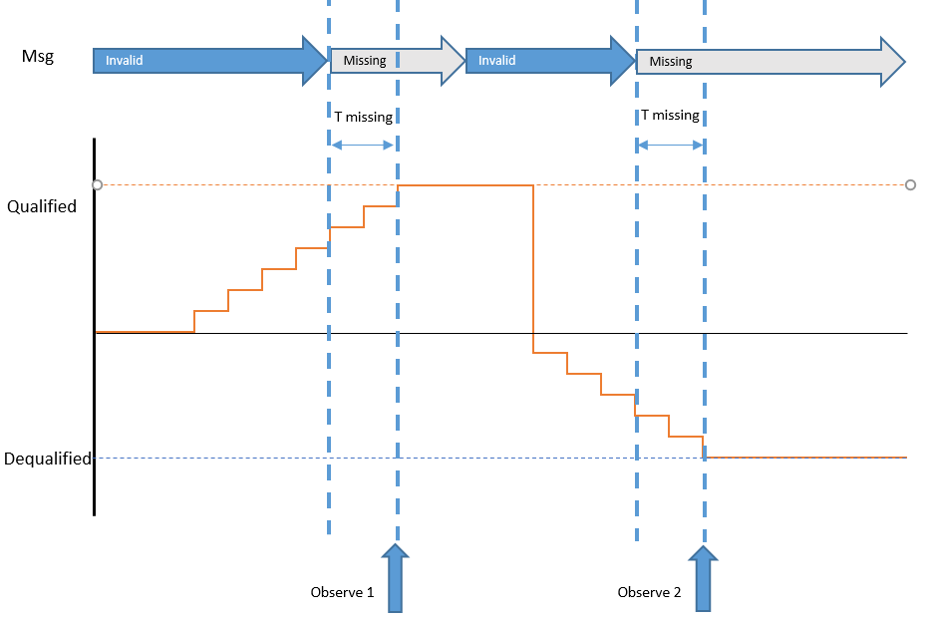

 |  |  |  |  |  |  |  |  |  |  |  |  |  |  | ,

SRS ID | ECU Mode | Fault | Snapshot data to control | Value |  | Timeout condition | T missing | Observe 2 | Observe 2 | TS ID | Remark
562 585 592 606 613 620 634 641 650 658 667 676 814 692 707 683 983 984 1149 1158 1167 1176 | Normal | Squib openline | Signals of 0x40A | Invalid data (max range) |  | Missing | < 5s | 0x40A data = raw CAN value | 0x40A data = raw CAN value | 506
 |  | Vbat Low | Signals of 0x40A |  |  | Missing | > 5s | 0x40A data = invalid value | 0x40A data = invalid value | 700
 |  | Squib crosscouple | Signals of 0x40A |  |  | Missing | since IGN On | 0x40A data = init value | 0x40A data = init value | 701
 |  | Squib openline | Signals of 0x439 |  |  | Missing | < 2s | 0x439 data = raw CAN value | 0x439 data = raw CAN value | 702
 |  | Vbat Low | Signals of 0x439 |  |  | Missing | > 2s | 0x439 data = invalid value | 0x439 data = invalid value | 703
 |  | Squib crosscouple | Signals of 0x439 |  |  | Missing | since IGN On | 0x439 data = init value | 0x439 data = init value | 704
 |  | VbatLow | Signals of 0x40A & 0x439 |  |  | Bus off | > 5s | 0x40A & 0x439 data = invalid | 0x40A & 0x439 data = invalid | 507

3. To check Snapshot data recoded when signal data change during quali time of Fault
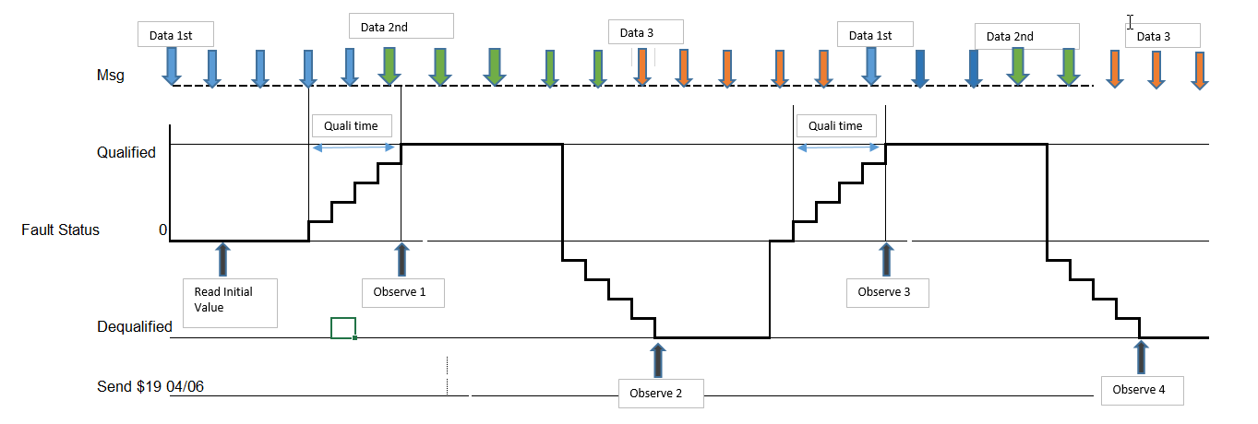

a. Freeze Frame Data
SRS ID | ECU mode | Fault | FreezeFrameData + Extended Data |  |  | Stimulate data |  | Fault Stattus (1) | Stimulate data | Fault stt | Observe 1 | Fault Stattus (5) | Wait (ms) (6) | Stimulate data (7) | Fault stt (8) | Observe 2 | TS ID | technique | Remark
562 585 592 606 613 620 634 641 650 658 667 676 814 692 707 683 983 984 1149 1158 1167 1176 | IGN on and wait ECU in Steady state | Squib fault | See definition |  |  | Data1 |  | Condition Created | Data2 | Qualified | Data2 | Condition Removed | 500 | Data 3 | Dequalified | Data 3 | 569 | Use case

4. To check Snapshot data when Multi Fault with same DTC

a. Freeze Frame Data
SRS ID | ECU mode | Fault | FreezeFrameData + Extended Data |  |  | Stimulate data | Fault | Observe 1 | Stimulate data | Fault | Observe 2 | Stimulate data | Fault | Observe 4 | Stimulate data | Fault | Observe 5 | Stimulate data | TS | technique | Remark
562 585 592 606 613 620 634 641 650 658 667 676 814 692 707 683 983 984 1149 1158 1167 1176 | IGN on and wait ECU in Steady state | Any external fault with same DTC | See definition |  |  | Data1 | Qualified Fault1 | -- | Data2 | Qualified Fault2 | Data2 | Data3 | Dequalified Fault1 | -- | Data4 | Deualified Fault2 | Data 1 | Data5 | 500 | usecase | Note: don't need observe Freeze frame data at "Observe 1/4", covered by "Observe 2/5" #Update: Recored data of llast event will be report for read DTC info

#NOTE: The faults with same DTC
DTC | BOSCH fault name |  |  | Remark
0x80A009 | rb_ocs_OCSECUerror_flt
 | rb_ocs_IndeterminateOCSCondition_flt

#Update: Recored data of llast event will be report for read DTC info

5. To check Fault Occurrence Time
a. Purpose: To check if fault occurrence is more than configured value, the fault entry update shall be written after triggered at reset or PowerDown.
SRS ID | Fault | Extended Data | DID | CAN ID | CAN signal | Fault Status Qualified/Dequalified | Fault Occurrence Time | Fault Status Qualified/Dequalified | Fault Occurrence Time | Fault Status Qualified/Dequalified | Fault Occurrence Time | Reset ECU | Fault Status Qualified/Dequalified | Fault Occurrence Time | TS ID | Remark
751 | Any fault | Fault Occurrence Time | D962 | -- | -- | First time | 1 | (255th)time | 255 | (255 th +1)time | 255 | -- | (255 +1)time | 1 | 494 571 572 | Covered by CA's TS: TS: TS_DEM_DiagnosticEventManager - 3.102 - part: Customer Fault Memory - Fault Occurences Link:https://si-airbag-doors-dwa.de.bosch.com:8443/dwa/rm/urn:rational::1-0000000000000000-O-1766-0004baae?doors.view=00000001 #NOTE: CA's TS test scenario to check occurrence time by read Variables using PD, need to be update read fault occurence by read DEM - DID using DSM base on configured value of Mazda Project # Ocurrence time Max: 255/ Min 0

b. Purpose: To check fault occurrence if multi fault with same DTC qualified -> Covered by Table 4b

6 . To check Additional fault created when Max Nbr fault resent in CFM
SRS ID | ECU mode | Fault type | Data type | Stimulate data | FaultNbr | snap shot data & extended data | Stimulate data | Fault | snap shot data & extended data | TS | technique | Remark
735 734 736 737 738 739 740 741 742 743 744 745 746 747 814 748 789 | Normal | External Firing Fault Com TimeOut Internal.. | SnapshotData -Refer to Sheet DataDefinition - Table 2 | Data1 | 20 | Recorded | Data2 | New fault(21) | same as previous | 556 | Use Case

749 750 751 752 753 800 809 |  |  | ExtendedData- Refer to Sheet DataDefinition - Table 3 | Data1 | 20 |  | Data2 | New fault(21) |  |  | Use Case

7. To check Distub Fault
SRS ID | ECU mode | Fault type | Data type | Stimulate data | Fault Condition | Wait (ms) | Fault Condition | Distub FM check bu PD and CD | snap shot data & extended data | TS | technique | Remark
735 734 736 737 738 739 740 741 742 743 744 745 746 747 814 748 789 | Normal | External Device | SnapshotData -Refer to Sheet DataDefinition - Table 2 | Data1 | Created | Before Fault qualified | Remove | Record | 0 | 550 574 | Use Case

749 750 751 752 753 800 809 |  |  | ExtendedData- Refer to Sheet DataDefinition - Table 3 | Data1

8 .To check the snapshot data recoding by creating fault enter idle mode
a. Snapshot data
SRS ID | ECU mode | Fault | FreezeFrameData |  |  | Stimulate data | Fault | Sys reaction | Stimulate data | Fault | Observe Snapshot data | Remark
562 585 592 606 613 620 634 641 650 658 667 676 814 692 707 683 983 984 1149 1158 1167 1176 | IGN on and wait ECU in Steady state | Any Critical Fault mke ECU enter Idle mode | See definition |  |  | Data1 | Qualified | ECU reset and Enter IIdlemode | Data2 | Dequalified | Data 2

9. To check Fault qualified In autarky
a. Snapshot data
SRS ID | ECU mode | Fault | FreezeFrameData + Extended Data |  |  | Stimulate data | IGN | Fault | IGN | Stimulate data | Fault | Observe Snapshot data | Fault | Observe Snapshot data | Remark
735 | IGN on and wait ECU in Steady state | Any External Fault | See definition |  |  | Data1 | IGN Off | Qualified | IGN on | Data2 | Re - Qualified | Data 1 | Dequalified | Data 1
734
736
737
738
739
740
741
742
743
744
745
746
747
814
748
789

10. To verify Data Record after fault clear by Aging

SRS ID | ECU mode | Fault | Data record |  |  | Stimulate data | Fault | Observe Snapshot data | Fault | Reset ECU |  |  | Fault | Observe Snapshot data | TS | technique | Remark
735 734 736 737 738 739 740 741 742 743 744 745 746 747 814 748 789 | Steady | Extenal Fault | Snapshot |  |  | Data1 | Qualified | Recorded | Dequlified | Triger Reset ECU multiTime utill more than Aging counter max of fault reached |  |  | Clear | Empty | 514 573 575 |  | Combine Table 10 to Table 3 -> Test definition in TS
749 750 751 752 753 800 809 |  |  | Extended

11. To verify Data Record after ECU reset multi time

SRS ID | ECU mode | Fault | Data |  |  | Stimulate data (1) | Fault (2) | Snapshot data/extended (3) | Reset ECU | Action |  |  | TS | technique | Remark
735 734 736 737 738 739 740 741 742 743 744 745 746 747 814 748 789 | Steady | Extenal Fault | Snapshot |  |  | Data1 | Qualified | Recorded | Reset | Repeat step 1-4 with difference data at step 1 each time reset. Observe/evalue new data recorded |  |  | 583 584 585 | Use case
749 750 751 752 753 800 809 |  |  | Extended |  |  |  |  |  |  |  |  |  |  | Use case

 |  |  |  |  |  | 5

Displacement
 | Displacement
 | 1. Fault Displacement, Memory Overflow

SRS ID | Nbr | Faults created full PFM |  |  |  | Additional fault |  | Faults recorded in Primary Fault memory |  | TS_ID | Remark
986 990 991 988 989 985 | 1 | ('IAHp','IALp','IPHp','IPLp','EAHp','EALp','EPHp','EPLp') |  |  |  | Internal_HighPriority_1 |  | ('IAHp','IALp','IPHp','IPLp','EAHp','EALp','EPHp','Event') |  | 618
 | 2 | ('IAHp','IALp','IPHp','IPLp','EAHp','EALp','EPHp','EPLp') |  |  |  | Internal_LowPriority_2 |  | ('IAHp','IALp','IPHp','IPLp','EAHp','EALp','EPHp','Event') |  | 619 | Covered by TC1
 | 3 | ('IAHp','IALp','IPHp','IPLp','EPHp','EPLp','EPHp','EPLp') |  |  |  | External_HighPriority_3 |  | ('IAHp','IALp','IPHp','IPLp','EAHp','EALp','EPHp','Event') |  | 634
 | 4 | ('IAHp','IALp','IPHp','IPLp','EAHp','EALp','EPHp','EPLp') |  |  |  | External_LowPriority_4 |  | ('IAHp','IALp','IPHp','IPLp','EAHp','EALp','EPHp','Event') |  | 635
 | 5 | ('IAHp','IALp','IPHp','IPLp','EAHp','EALp','EPHp','EPHp') |  |  |  | Internal_LowPriority_5 |  | ('IAHp','IALp','IPHp','IPLp','EAHp','Event','EPHp') |  | 676
 | 6 | ('IAHp','IALp','IPHp','IPLp','EAHp','EAHp','EAHp','EAHp') |  |  |  | Internal_LowPriority_6 |  | ('IAHp','IALp','IPHp','IPLp','Event','EAHp,'EAHp','EAHp') |  | 637
 | 7 | ('IAHp','IALp','IAHp','IALp','EAHp','EAHp','EALp','EALp') |  |  |  | Internal_LowPriority_7 |  | ('IAHp','IALp','IAHp','IALp','EAHp','EAHp','Event','EALp') |  | 638
 | 8 | ('IAHp','IALp','IAHp','IALp','IAHp','IALp','IAHp','IALp') |  |  |  | Internal_LowPriority_8 |  | ('IAHp','IALp','IAHp','IALp','IAHp','IALp','IAHp','IALp) |  | 639 | no overwrote
 | 9 | ('IAHp','IALp','IAHp','IALp','EAHp','EAHp','EALp','EALp') |  |  |  | Internal_HighPriority_9 |  | ('IAHp','IALp','IAHp','IALp','EAHp','EAHp','Event','EALp') |  | 640 | Covered by TC7
 | 10 | ('IAHp','IALp','IAHp','IALp','IAHp','IALp','IAHp','IALp') |  |  |  | internal_HighPriority_10 |  | ('IAHp','IALp','IAHp','IALp','IAHp','IALp','IAHp','IALp) |  | 641 | Covered by TC8
 | 11 | ('IAHp','IALp','IPHp','IPLp','EAHp','EAHp','EAHp','EAHp') |  |  |  | Internal_HighPriority_11 |  | ('IAHp','IALp','IPHp','IPLp'','Event','EAHp,'EAHp','EAHp') |  | 642 | covered by TC6
 | 12 | ('IAHp','IALp','IPHp','IPLp','EAHp','EALp','EPHp','EPHp') |  |  |  | Internal_HighPriority_12 |  | ('IAHp','IALp','IPHp','IPLp','EAHp','EALp','Event','EPHp') |  | 643
 | 13 | ('IAHp','IAHp','IAHp','IAHp','IALp','IALp','IALp','IALp') |  |  |  | Internal_HighPriority_13 |  | ('IAHp','IAHp','IAHp','IAHp','IALp','IALp','IALp','IALp','IALp') |  | 655 | Covered by TC8
 | 14 | ('IAHp','IAHp','IAHp','IAHp','IALp','IALp','IALp','IPHp') |  |  |  | Internal_HighPriority_14 |  | ('IAHp','IAHp','IAHp','IAHp','IALp','IALp','IALp','IALp','IPHp') |  | 656 | no overwrote
 | 15 | ('EAHp','EAHp','EAHp','EAHp','EALp','EALp','EALp','EALp') |  |  |  | Internal_HighPriority_15 |  | ('Event','Event','Event','Event','Event','Event','Event','Event') |  | 657
 | 16 | ('EPHp','EPHp','EPHp','EPHp','EPLp','EPLp','EPLp','EPLp') |  |  |  | Internal_HighPriority_16 |  | ('Event','Event','Event','Event','Event','Event','Event','Event') |  | 658
 | 17 | ('IAHp','IALp','IPHp','IPLp','EAHp','EAHp','EPHp','EPHp') |  |  |  | External_LowPriority_4 |  | ('IAHp','IALp','IPHp','IPLp','EAHp','EAHp','EPHp','EPHp') |  | 659 | No overwrote
 | 18 | ('IAHp','IALp','IPHp','IPLp','EAHp','EALp','EPHp','EPLp') and 'disturb fault' |  |  |  | Internal fault, External Hiigh Priority fault, External Low Priority fault |  | ('IAHp','IALp','IPHp','IPLp','EAHp','EALp','EPHp','Event') and 'disturb fault' |  | 662 | high priority faults fill in the blank, low priority faults be overwrote, disturb faults not be replaced

IAp = Internal Active Event
IALp = Internal Active Event
IPHp = Internal Passive High priority Event
IPLp = Internal Passive Low priority Event
EAHp = External Active High priority Event
EALp = External Active Low priority Event
EPHp = External Passive High priority Event
EPLp = External Passive Low priority Event
 |  |  |  |  | NOTE
 |  |  |  |  | (*) : All internal fault with High priority: 1

 |  |  |  |  | Fault select
Nbr | IAHp |  | IALp | IPHp |  |  | IPLp | EAHp | EALp |  | EPHp | EPLp | additional fault |  |  |  |  | Result
1 | rb_sqm_HighsidePowerstageAB1FD_flt rb_sqm_HighsidePowerstageAB1FP_flt rb_sqm_HighsidePowerstageAB2FD_flt |  |  | rb_sqm_HighsidePowerstageHOODRL_flt rb_sqm_HighsidePowerstageHOODRR_flt rb_sqm_HighsidePowerstageALLFD_flt |  |  |  | rb_acc_AlgoVerifySensorId_flt rb_acc_ParameterLayoutIDInvalid_flt rb_acc_ParaIDConsistenceCheck_flt | rb_psem_OpenLineUFSD_flt rb_psem_OpenLineUFSP_flt rb_sqm_SquibResistanceOpenAB1FD_flt rb_sqm_SquibResistanceOpenAB1FP_flt |  | rb_acc_ParameterTransferIDInvalid_flt rb_sdm_CRCExternal_flt | rb_swm_OpenLineBLFD_flt rb_swm_OpenLineBLFP_flt rb_swm_OpenLineSPSFD_flt rb_swm_OpenLineSPSFP_flt rb_swm_OpenLineRSD_flt | rb_sqm_ConnectorCap_flt rb_sqm_SqrefTooHigh_flt |  |  |  |  | rb_swm_OpenLineBLFD_flt overwrote by rb_sqm_ConnectorCap_flt rb_swm_OpenLineBLFP_flt overwrote by rb_sqm_SqrefTooHigh_flt
2
3 | rb_sqm_HighsidePowerstageAB1FD_flt rb_sqm_HighsidePowerstageAB1FP_flt rb_sqm_HighsidePowerstageAB2FD_flt |  |  | rb_sqm_HighsidePowerstageHOODRL_flt rb_sqm_HighsidePowerstageHOODRR_flt rb_sqm_HighsidePowerstageALLFD_flt |  |  |  | rb_acc_AlgoVerifySensorId_flt rb_acc_ParameterLayoutIDInvalid_flt rb_acc_ParaIDConsistenceCheck_flt | rb_psem_OpenLineUFSD_flt rb_psem_OpenLineUFSP_flt rb_sqm_SquibResistanceOpenAB1FD_flt rb_sqm_SquibResistanceOpenAB1FP_flt |  | rb_acc_ParameterTransferIDInvalid_flt rb_sdm_CRCExternal_flt | rb_swm_OpenLineBLFD_flt rb_swm_OpenLineBLFP_flt rb_swm_OpenLineSPSFD_flt rb_swm_OpenLineSPSFP_flt rb_swm_OpenLineRSD_flt | rb_syc_ConfigurationDataInconsistent_flt rb_utsv_SwVersionWrong_flt |  |  |  |  | rb_swm_OpenLineBLFD_flt overwrote by rb_syc_ConfigurationDataInconsistent_flt rb_swm_OpenLineBLFP_flt overwrote by rb_utsv_SwVersionWrong_flt
4 | rb_sqm_HighsidePowerstageAB1FD_flt rb_sqm_HighsidePowerstageAB1FP_flt rb_sqm_HighsidePowerstageAB2FD_flt |  |  | rb_sqm_HighsidePowerstageHOODRL_flt rb_sqm_HighsidePowerstageHOODRR_flt rb_sqm_HighsidePowerstageALLFD_flt |  |  |  | rb_acc_AlgoVerifySensorId_flt rb_acc_ParameterLayoutIDInvalid_flt rb_acc_ParaIDConsistenceCheck_flt | rb_psem_OpenLineUFSD_flt rb_psem_OpenLineUFSP_flt rb_sqm_SquibResistanceOpenAB1FD_flt rb_sqm_SquibResistanceOpenAB1FP_flt |  | rb_acc_ParameterTransferIDInvalid_flt rb_sdm_CRCExternal_flt | rb_swm_OpenLineBLFD_flt rb_swm_OpenLineBLFP_flt rb_swm_OpenLineSPSFD_flt rb_swm_OpenLineSPSFP_flt rb_swm_OpenLineRSD_flt | rb_aod_AOutCrashOutput2Short2Gnd_flt rb_aod_AOutCrashOutput3Short2Gnd_flt |  |  |  |  | rb_swm_OpenLineBLFD_flt overwrote by rb_aod_AOutCrashOutput2Short2Gnd_flt rb_swm_OpenLineBLFP_flt overwrote by rb_aod_AOutCrashOutput3Short2Gnd_flt
5 | rb_sqm_HighsidePowerstageAB1FD_flt rb_sqm_HighsidePowerstageAB1FP_flt rb_sqm_HighsidePowerstageAB2FD_flt |  |  | rb_sqm_HighsidePowerstageHOODRL_flt rb_sqm_HighsidePowerstageHOODRR_flt rb_sqm_HighsidePowerstageALLFD_flt |  |  |  | rb_acc_AlgoVerifySensorId_flt rb_acc_ParameterLayoutIDInvalid_flt rb_acc_ParaIDConsistenceCheck_flt | rb_psem_OpenLineUFSD_flt rb_psem_OpenLineUFSP_flt rb_sqm_SquibResistanceOpenAB1FD_flt rb_sqm_SquibResistanceOpenAB1FP_flt rb_sqm_SquibResistanceOpenAB2FD_flt rb_sqm_SquibResistanceOpenAB2FP_flt rb_sqm_SquibResistanceOpenAB1RD_flt |  | rb_acc_ParameterTransferIDInvalid_flt rb_sdm_CRCExternal_flt rb_syc_ConfigurationDataInconsistent_flt rb_utsv_SwVersionWrong_flt |  | rb_sqm_ConnectorCap_flt rb_sqm_SqrefTooHigh_flt |  |  |  |  | rb_acc_ParameterTransferIDInvalid_flt overwrote by rb_sqm_ConnectorCap_flt rb_sdm_CRCExternal_flt overwrote by rb_sqm_SqrefTooHigh_flt
6 | rb_sqm_HighsidePowerstageAB1FD_flt rb_sqm_HighsidePowerstageAB1FP_flt rb_sqm_HighsidePowerstageAB2FD_flt |  |  | rb_sqm_HighsidePowerstageHOODRL_flt rb_sqm_HighsidePowerstageHOODRR_flt rb_sqm_HighsidePowerstageALLFD_flt rb_sqm_HighsidePowerstageALLFP_flt rb_sqm_HighsidePowerstageALLRD_flt rb_sqm_HighsidePowerstageALLRP_flt rb_sqm_HighsidePowerstagePPABL_flt rb_sqm_HighsidePowerstagePPABR_flt rb_sqm_HighsidePowerstageCS1FD_flt rb_sqm_HighsidePowerstageCS1FP_flt |  |  |  | rb_acc_AlgoVerifySensorId_flt rb_acc_ParameterLayoutIDInvalid_flt rb_acc_ParaIDConsistenceCheck_flt rb_acc_ParameterTransferIDInvalid_flt rb_sdm_CRCExternal_flt rb_syc_ConfigurationDataInconsistent_flt rb_utsv_SwVersionWrong_flt |  |  |  |  | rb_sqm_ConnectorCap_flt rb_sqm_SqrefTooHigh_flt |  |  |  |  | rb_acc_AlgoVerifySensorId_flt overwrote by rb_sqm_ConnectorCap_flt rb_acc_ParameterLayoutIDInvalid_flt overwrote by rb_sqm_SqrefTooHigh_flt
7 | rb_sqm_HighsidePowerstageAB1FD_flt rb_sqm_HighsidePowerstageAB1FP_flt rb_sqm_HighsidePowerstageAB2FD_flt |  |  | rb_sqm_HighsidePowerstageHOODRL_flt rb_sqm_HighsidePowerstageHOODRR_flt rb_sqm_HighsidePowerstageALLFD_flt |  |  |  | rb_acc_AlgoVerifySensorId_flt rb_acc_ParameterLayoutIDInvalid_flt rb_acc_ParaIDConsistenceCheck_flt rb_acc_ParameterTransferIDInvalid_flt rb_sdm_CRCExternal_flt rb_syc_ConfigurationDataInconsistent_flt rb_utsv_SwVersionWrong_flt | rb_psem_OpenLineUFSD_flt rb_psem_OpenLineUFSP_flt rb_sqm_SquibResistanceOpenAB1FD_flt rb_sqm_SquibResistanceOpenAB1FP_flt rb_sqm_SquibResistanceOpenAB2FD_flt rb_sqm_SquibResistanceOpenAB2FP_flt rb_sqm_SquibResistanceOpenAB1RD_flt |  |  |  | rb_sqm_ConnectorCap_flt rb_sqm_SqrefTooHigh_flt |  |  |  |  | rb_psem_OpenLineUFSD_flt overwrote by rb_sqm_ConnectorCap_flt rb_psem_OpenLineUFSP_flt overwrote by rb_sqm_SqrefTooHigh_flt
8 | rb_sqm_HighsidePowerstageAB1FD_flt rb_sqm_HighsidePowerstageAB1FP_flt rb_sqm_HighsidePowerstageAB2FD_flt rb_sqm_HighsidePowerstageAB2FP_flt rb_sqm_HighsidePowerstageAB1RD_flt rb_sqm_HighsidePowerstageAB1RP_flt rb_sqm_HighsidePowerstageAB2RD_flt rb_sqm_HighsidePowerstageAB2RP_flt rb_sqm_HighsidePowerstageBT1FD_flt rb_sqm_HighsidePowerstageBT1FP_flt rb_sqm_HighsidePowerstageBT1RD_flt rb_sqm_HighsidePowerstageBT1RP_flt rb_sqm_HighsidePowerstageSA1FD_flt rb_sqm_HighsidePowerstageSA1FP_flt rb_sqm_HighsidePowerstageSA1RD_flt rb_sqm_HighsidePowerstageSA1RP_flt rb_sqm_HighsidePowerstageKA1FD_flt rb_sqm_HighsidePowerstageKA1FP_flt rb_sqm_HighsidePowerstageIC1FD_flt rb_sqm_HighsidePowerstageIC1FP_flt |  |  |  |  |  |  |  |  |  |  |  | rb_sqm_ConnectorCap_flt rb_sqm_SqrefTooHigh_flt |  |  |  |  | No overwrote
9
10
11
12
13
14 | rb_sqm_HighsidePowerstageAB1FD_flt rb_sqm_HighsidePowerstageAB1FP_flt rb_sqm_HighsidePowerstageAB2FD_flt rb_sqm_HighsidePowerstageAB2FP_flt rb_sqm_HighsidePowerstageAB1RD_flt rb_sqm_HighsidePowerstageAB1RP_flt rb_sqm_HighsidePowerstageAB2RD_flt rb_sqm_HighsidePowerstageAB2RP_flt rb_sqm_HighsidePowerstageBT1FD_flt rb_sqm_HighsidePowerstageBT1FP_flt rb_sqm_HighsidePowerstageBT1RD_flt rb_sqm_HighsidePowerstageBT1RP_flt rb_sqm_HighsidePowerstageSA1FD_flt rb_sqm_HighsidePowerstageSA1FP_flt rb_sqm_HighsidePowerstageSA1RD_flt rb_sqm_HighsidePowerstageSA1RP_flt rb_sqm_HighsidePowerstageKA1FD_flt rb_sqm_HighsidePowerstageKA1FP_flt rb_sqm_HighsidePowerstageIC1FD_flt |  |  | rb_sqm_HighsidePowerstageHOODRL_flt |  |  |  |  |  |  |  |  | rb_sqm_ConnectorCap_flt rb_sqm_SqrefTooHigh_flt |  |  |  |  | No overwrote
15 |  |  |  |  |  |  |  | rb_acc_AlgoVerifySensorId_flt rb_acc_ParameterLayoutIDInvalid_flt rb_acc_ParaIDConsistenceCheck_flt | rb_psem_OpenLineUFSD_flt rb_psem_OpenLineUFSP_flt rb_sqm_SquibResistanceOpenAB1FD_flt rb_sqm_SquibResistanceOpenAB1FP_flt rb_sqm_SquibResistanceOpenAB2FD_flt rb_sqm_SquibResistanceOpenAB2FP_flt rb_sqm_SquibResistanceOpenAB1RD_flt rb_sqm_SquibResistanceOpenAB1RP_flt rb_sqm_SquibResistanceOpenAB2RD_flt rb_sqm_SquibResistanceOpenAB2RP_flt rb_sqm_SquibResistanceOpenBT1FD_flt rb_sqm_SquibResistanceOpenBT1FP_flt rb_sqm_SquibResistanceOpenBT1RD_flt rb_sqm_SquibResistanceOpenBT1RP_flt rb_sqm_SquibResistanceOpenSA1FD_flt rb_aod_AOutCrashOutput1Short2Gnd_flt rb_aod_AOutCrashOutput2Short2Gnd_flt |  |  |  | rb_sqm_HighsidePowerstageAB1FD_flt rb_sqm_HighsidePowerstageAB1FP_flt rb_sqm_HighsidePowerstageAB2FD_flt rb_sqm_HighsidePowerstageAB2FP_flt rb_sqm_HighsidePowerstageAB1RD_flt rb_sqm_HighsidePowerstageAB1RP_flt rb_sqm_HighsidePowerstageAB2RD_flt rb_sqm_HighsidePowerstageAB2RP_flt rb_sqm_HighsidePowerstageBT1FD_flt rb_sqm_HighsidePowerstageBT1FP_flt rb_sqm_HighsidePowerstageBT1RD_flt rb_sqm_HighsidePowerstageBT1RP_flt rb_sqm_HighsidePowerstageSA1FD_flt rb_sqm_HighsidePowerstageSA1FP_flt rb_sqm_HighsidePowerstageSA1RD_flt rb_sqm_HighsidePowerstageSA1RP_flt rb_sqm_HighsidePowerstageKA1FD_flt rb_sqm_HighsidePowerstageKA1FP_flt rb_sqm_HighsidePowerstageIC1FD_flt rb_sqm_HighsidePowerstageIC1FP_flt |  |  |  |  | rb_sqm_HighsidePowerstageAB1FD_flt rb_sqm_HighsidePowerstageAB1FP_flt rb_sqm_HighsidePowerstageAB2FD_flt rb_sqm_HighsidePowerstageAB2FP_flt rb_sqm_HighsidePowerstageAB1RD_flt rb_sqm_HighsidePowerstageAB1RP_flt rb_sqm_HighsidePowerstageAB2RD_flt rb_sqm_HighsidePowerstageAB2RP_flt rb_sqm_HighsidePowerstageBT1FD_flt rb_sqm_HighsidePowerstageBT1FP_flt rb_sqm_HighsidePowerstageBT1RD_flt rb_sqm_HighsidePowerstageBT1RP_flt rb_sqm_HighsidePowerstageSA1FD_flt rb_sqm_HighsidePowerstageSA1FP_flt rb_sqm_HighsidePowerstageSA1RD_flt rb_sqm_HighsidePowerstageSA1RP_flt rb_sqm_HighsidePowerstageKA1FD_flt rb_sqm_HighsidePowerstageKA1FP_flt rb_sqm_HighsidePowerstageIC1FD_flt rb_sqm_HighsidePowerstageIC1FP_flt Correspondingly
16 |  |  |  |  |  |  |  |  |  |  | rb_acc_ParameterTransferIDInvalid_flt rb_sdm_CRCExternal_flt | rb_psem_OpenLineUFSD_flt rb_psem_OpenLineUFSP_flt rb_sqm_SquibResistanceOpenAB1FD_flt rb_sqm_SquibResistanceOpenAB1FP_flt rb_sqm_SquibResistanceOpenAB2FD_flt rb_sqm_SquibResistanceOpenAB2FP_flt rb_sqm_SquibResistanceOpenAB1RD_flt rb_sqm_SquibResistanceOpenAB1RP_flt rb_sqm_SquibResistanceOpenAB2RD_flt rb_sqm_SquibResistanceOpenAB2RP_flt rb_sqm_SquibResistanceOpenBT1FD_flt rb_sqm_SquibResistanceOpenBT1FP_flt rb_sqm_SquibResistanceOpenBT1RD_flt rb_sqm_SquibResistanceOpenBT1RP_flt rb_sqm_SquibResistanceOpenSA1FD_flt rb_aod_AOutCrashOutput1Short2Gnd_flt rb_aod_AOutCrashOutput2Short2Gnd_flt rb_aod_AOutCrashOutput3Short2Gnd_flt | rb_sqm_HighsidePowerstageAB1FD_flt rb_sqm_HighsidePowerstageAB1FP_flt rb_sqm_HighsidePowerstageAB2FD_flt rb_sqm_HighsidePowerstageAB2FP_flt rb_sqm_HighsidePowerstageAB1RD_flt rb_sqm_HighsidePowerstageAB1RP_flt rb_sqm_HighsidePowerstageAB2RD_flt rb_sqm_HighsidePowerstageAB2RP_flt rb_sqm_HighsidePowerstageBT1FD_flt rb_sqm_HighsidePowerstageBT1FP_flt rb_sqm_HighsidePowerstageBT1RD_flt rb_sqm_HighsidePowerstageBT1RP_flt rb_sqm_HighsidePowerstageSA1FD_flt rb_sqm_HighsidePowerstageSA1FP_flt rb_sqm_HighsidePowerstageSA1RD_flt rb_sqm_HighsidePowerstageSA1RP_flt rb_sqm_HighsidePowerstageKA1FD_flt rb_sqm_HighsidePowerstageKA1FP_flt rb_sqm_HighsidePowerstageIC1FD_flt rb_sqm_HighsidePowerstageIC1FP_flt |  |  |  |  | rb_sqm_HighsidePowerstageAB1FD_flt rb_sqm_HighsidePowerstageAB1FP_flt rb_sqm_HighsidePowerstageAB2FD_flt rb_sqm_HighsidePowerstageAB2FP_flt rb_sqm_HighsidePowerstageAB1RD_flt rb_sqm_HighsidePowerstageAB1RP_flt rb_sqm_HighsidePowerstageAB2RD_flt rb_sqm_HighsidePowerstageAB2RP_flt rb_sqm_HighsidePowerstageBT1FD_flt rb_sqm_HighsidePowerstageBT1FP_flt rb_sqm_HighsidePowerstageBT1RD_flt rb_sqm_HighsidePowerstageBT1RP_flt rb_sqm_HighsidePowerstageSA1FD_flt rb_sqm_HighsidePowerstageSA1FP_flt rb_sqm_HighsidePowerstageSA1RD_flt rb_sqm_HighsidePowerstageSA1RP_flt rb_sqm_HighsidePowerstageKA1FD_flt rb_sqm_HighsidePowerstageKA1FP_flt rb_sqm_HighsidePowerstageIC1FD_flt rb_sqm_HighsidePowerstageIC1FP_flt Correspondingly
17 | rb_sqm_HighsidePowerstageAB1FD_flt rb_sqm_HighsidePowerstageAB1FP_flt rb_sqm_HighsidePowerstageAB2FD_flt rb_sqm_HighsidePowerstageAB2FP_flt rb_sqm_HighsidePowerstageAB1RD_flt rb_sqm_HighsidePowerstageAB1RP_flt rb_sqm_HighsidePowerstageAB2RD_flt rb_sqm_HighsidePowerstageAB2RP_flt rb_sqm_HighsidePowerstageBT1FD_flt rb_sqm_HighsidePowerstageBT1FP_flt rb_sqm_HighsidePowerstageBT1RD_flt rb_sqm_HighsidePowerstageBT1RP_flt |  |  | rb_sqm_HighsidePowerstageHOODRL_flt rb_sqm_HighsidePowerstageHOODRR_flt rb_sqm_HighsidePowerstageALLFD_flt |  |  |  | rb_acc_AlgoVerifySensorId_flt rb_acc_ParameterLayoutIDInvalid_flt rb_acc_ParaIDConsistenceCheck_flt |  |  | rb_acc_ParameterTransferIDInvalid_flt rb_sdm_CRCExternal_flt |  | rb_aod_AOutCrashOutput2Short2Gnd_flt rb_aod_AOutCrashOutput3Short2Gnd_flt |  |  |  |  | No overwrote

Nbr | IAHp |  | IALp | IPHp |  |  | IPLp | EAHp | EALp |  | EPHp | EPLp | Disturb fault |  |  |  |  | additional fault | Result
1 | rb_sqm_HighsidePowerstageAB1FD_flt rb_sqm_HighsidePowerstageAB1FP_flt rb_sqm_HighsidePowerstageAB2FD_flt |  |  | rb_sqm_HighsidePowerstageHOODRL_flt rb_sqm_HighsidePowerstageHOODRR_flt rb_sqm_HighsidePowerstageALLFD_flt |  |  |  | rb_acc_AlgoVerifySensorId_flt rb_acc_ParameterLayoutIDInvalid_flt rb_acc_ParaIDConsistenceCheck_flt | rb_psem_OpenLineUFSD_flt rb_psem_OpenLineUFSP_flt rb_sqm_SquibResistanceOpenAB1FD_flt rb_sqm_SquibResistanceOpenAB1FP_flt |  | rb_acc_ParameterTransferIDInvalid_flt rb_sdm_CRCExternal_flt | rb_swm_OpenLineBLFD_flt rb_swm_OpenLineBLFP_flt rb_swm_OpenLineSPSFD_flt | rb_sqm_SquibResistanceOpenBT1RD_flt rb_sqm_SquibResistanceOpenBT1RP_flt |  |  |  |  | rb_sqm_ConnectorCap_flt rb_sqm_SqrefTooHigh_flt rb_syc_ConfigurationDataInconsistent_flt rb_utsv_SwVersionWrong_flt rb_aod_AOutCrashOutput2Short2Gnd_flt rb_aod_AOutCrashOutput3Short2Gnd_flt | rb_sqm_ConnectorCap_flt and rb_sqm_SqrefTooHigh_flt fill in the blank rb_swm_OpenLineBLFD_flt overwrote by rb_syc_ConfigurationDataInconsistent_flt rb_swm_OpenLineBLFP_flt overwrote by rb_utsv_SwVersionWrong_flt rb_swm_OpenLineSPSFD_flt overwrote by rb_aod_AOutCrashOutput2Short2Gnd_flt rb_psem_OpenLineUFSD_flt overwrote by rb_aod_AOutCrashOutput3Short2Gnd_flt

NOTE: Using Psdiag to create faults, therefore only passive internal and passive External Highprio is fault created

Table : Fault displacement with ClearDTC and ResetECU condition
SRS ID | IAHp |  | IALp | IPHp |  |  | IPLp | EAHp | EALp |  | EPHp | EPLp | Condition | Fault record | addional fault | Fault record | TS ID
188 470 322 387 388 | rb_sqm_HighsidePowerstageAB1FD_flt rb_sqm_HighsidePowerstageAB1FP_flt rb_sqm_HighsidePowerstageAB2FD_flt |  |  | rb_sqm_HighsidePowerstageHOODRL_flt rb_sqm_HighsidePowerstageHOODRR_flt rb_sqm_HighsidePowerstageALLFD_flt |  |  |  | rb_acc_AlgoVerifySensorId_flt rb_acc_ParameterLayoutIDInvalid_flt rb_acc_ParaIDConsistenceCheck_flt | rb_psem_OpenLineUFSD_flt rb_psem_OpenLineUFSP_flt rb_sqm_SquibResistanceOpenAB1FD_flt rb_sqm_SquibResistanceOpenAB1FP_flt |  | rb_acc_ParameterTransferIDInvalid_flt rb_sdm_CRCExternal_flt | rb_swm_OpenLineBLFD_flt rb_swm_OpenLineBLFP_flt rb_swm_OpenLineSPSFD_flt rb_swm_OpenLineSPSFP_flt rb_swm_OpenLineRSD_flt | Clear DTC request | No faults cleared | rb_sqm_ConnectorCap_flt rb_syc_ConfigurationDataInconsistent_flt rb_aod_AOutCrashOutput3Short2Gnd_flt | Older external faults with lower priority will be replaced | 669
...

Aging
...
 |  | When the aging counter reach the aging threshold that is configurable.
 |  | - Fault Snapshot data is also cleared at the same time.

 |  | oh
a. Fault Aging
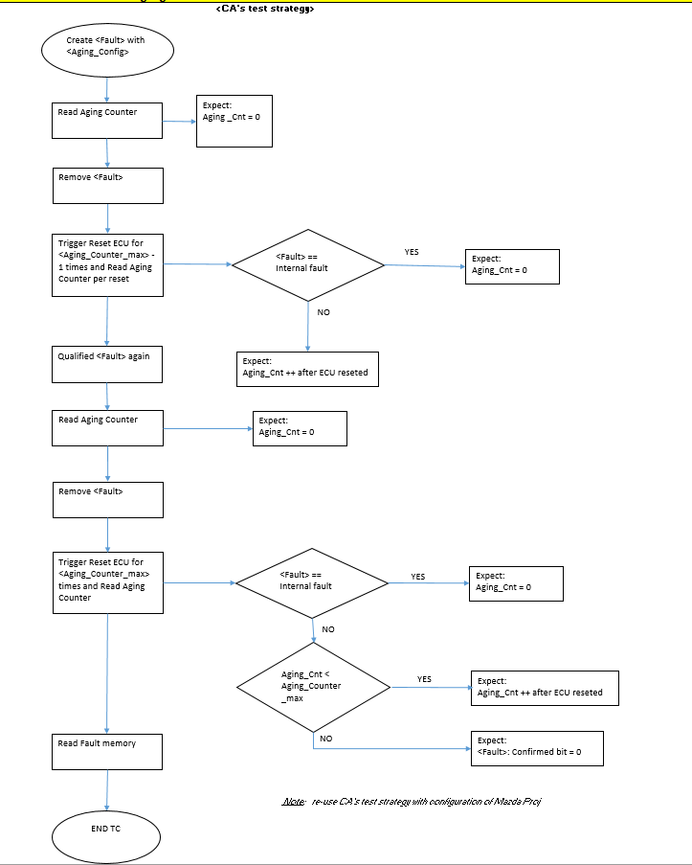

 | CA configuration |  |  | Mazda configuration
 | Max value: 40 |  |  | Max value: 64

 | SRS_ID |  | <Fault> |  | Aging_Max | TS_ID | Remark
 | 418 419 |  | Internal', 'External', 'ErasableInternal' |  |  | 626 | #CA TC (combination)
 |  |  | Squib fault |  | 64 | 644
 |  |  | Sensor fault |  | 64 | 645
...

