2.AB10 hint
VIN - VehicleIdentificationNumber Programming

8.1 Purpose
Write VIN Data (SID-$2E $F190) service allows the Diagnostic Tester to write the VIN data in EEPROM memory of Airbag ECU.

8.2 Test Conditions
In this section, the functionality of Write VIN Data (SID-$2E $F190) service is verified under below conditions (as shown in below diagram): -Diagnostic sessions -Addressing modes -$2E diagnostic request -Security level -ECU modes -EEPROM write conditions -ECU reset -Other Diagnostic requests -Batterty cut condition -More than 1 VIN data writein same IGN cycle
Other Diagnostic requests
Addressing mode
Diagnostic
session
Length
Security level

ECU modes
Write VIN Data
By Identifier
(SID-$2E, LID-$F190)
Diagnostic Request ($2E $F190)
ECU Reset

EEPROM write conditions

LID

Fault memory in ECU
VIN Data in RAM/EEPROM
Positive response
Negative response

Test conditions
Confirmation points
Diagnostic functionality

1.Diagnostic session | Default session
 | Extended session
 | Programming session
2. Security level | No security level
 | Security level -$01
 | Security level -$03
3. Addressing mode | Physical Addressing (CANId-737)
 | Functional Addressing (CANId-7DF)
4. $2E $F190 Diagnostic request | Length | Valid length
 |  | Invalid length | Above valid length
 |  |  | Below valid length
 | LID | Supported | $F190
 |  | Not-supported | Other than $F190, $DE00, $DE01(*22) .
5. ECU Reset after data write | by SID-$11
 | IGN Off and On
6. ECU modes | Normal mode
 | Idle mode
7. EEPROM write conditions | Busy | >50ms & <4s from Diagnostic request
 |  | >4s from Diagnostic request
 | Success
 | Failed
8. Other conditions | Other Diagnostic request during this SID execution | SID-$14
 |  | SID-$2E $F190
 | Battery cut condition during EEPROM write
 | More than 1 VIN Data write

Note:
(*22) - LIDs $F190, $DE00, $DE01 are all supported in $2E. For other than these LIDs, NRc-$31 is sent by ECU.

8.3 Confirmation Points
The following points are verified to confirm the functionality:
- Positive response and negative response.
- Negative response codes:
- InvalidLength ($13)
- ConditionsNotCorrect ($22)
- RequestOutOfRange ($31)
- SecurityAccessDenied ($33)
- ProgrammingFailed ($72)
- RequestReceiveResponsePending ($78)
- ServiceNotSupportedInActiveSession ($7F)
-Below data in fault memory of ECU (Customer snapshot and Bosch fault memory areas):
- DTC status byte
- Fault DTC
-VIN data in RAM/EEPROM
-Request to final response time

3.Summary
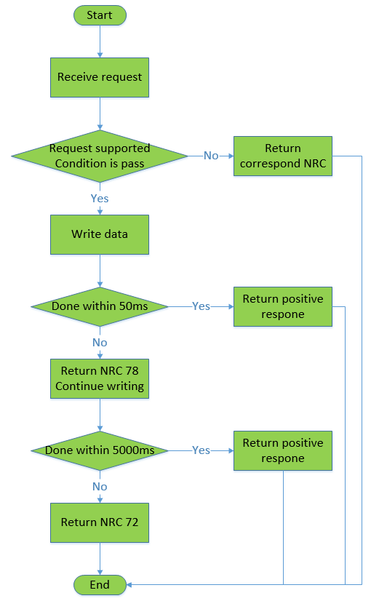
Mazda AB12_ DSM_VIN SRTP Matrix

<Purpose>
The document is created for DSM_VIN SRTP to test all possible and robust test scenarios

Test scenarios covered under each section is listed below

Part 1
SRTP Section | DESCRIPTION | SHEET
Read default VIN data and read in Proveout time | To check the default VIN data and behavious when read in Proveout time | 4.Read VIN data
Write VIN data and verify | To check behavious of DSM when writing and reading ECU in many scenarios | 5.Write VIN data and check
Writing NRC | To check negative response when sending invalid writing VIN request | 6.Writing VIN NRC
Reading NRC | To check negative response when sending invalid reading VIN request | 7.Reading VIN NRC

