Overview
Overview:

The Data Collector shall capture relevant data items from other system entities based on trigger information provided by the Event Manager.
The Data Collector shall store captured information to non volatile memory upon storage trigger given by the Event Manager.
EDID Generic included information taken from sensors sources, switches, OCS ECU, COM signals, the status of lamp when crash happened, the number of cycle happened when crash is triggered.
This generic data is mandatory to be recorded to NVM every time crash happened

Sensors
Switches
(BLFD, BLFP, SPSFD, PADS)
OCS
(Occupant status from OCS ECU)
Mandatory data (Generic EDID)
COM Signals
(Vehicle speed, Accelerator pedal, brake serivce )
Crash Triggered
DSM
EDR
Data Capturing
Data Storage
Reporting
OEM Data
Supplier Data

ALGO

Lamps

TIM, FCL
Internal EDR operation

POM

DEM

Note: In this time, the reporting by customer diagnostic will not be shown due to the service implemented is not available yet
Note: 1: The test specification will be inherited from core asset TS, this document only show the EDID which is rejected in CoreAsset
2: The crash scenarios which contain EPP crash is not considered here due to the decision of using 4 RAM buffer and 4 storage buffer in which 2 buffer are used for EPP specifially has not released yet

OCS Status
a) To check the recording of the Occupant status in EDR with input from OCS ECU; the value of occupant status

SRS ID | EDID | ECU mode | IGN cycle | OCS ECU configuration | Occupant status from OCS ECU | Data updated in CAN signal OCS_Status | Crash Scenario | Record value in EDR0 | Record value in EDR1 | Record value in EDR2 | Record value in EDR3 | Test Strategy | SRTP ID | Remarks
gen_edidlst_73 | 79 | Normal mode | Same | Configured | Indeterminate AAh | $0 (Unknown) | Single_EDR_Front_above_8kph_NoDeployment;5 |  |  |  |  | Use case testing | TS_EDID_1931 | SRS not have enough info
 |  |  |  |  | When OCS Status not fixed | $1 (Vacancy_Initial status since IGN On) | Single_EDR_Front_NonInflatable;5 |  |  |  |  | Use case testing | TS_EDID_1932 | SRS not have enough info
 |  |  |  |  | Child (06h) | $1 (Status is fixed) | Multi_EDR_Ext_Frt_ND_Front_NAD_SideP_AD_Front_AD;5 | 0x00 | 0x00 | 0xFF | 0xFF | Use case testing | TS_EDID_1933
 |  |  |  |  | Empty (03h) | $1 (Status is fixed) | Parallel_EDR_Front_Inflate_SideLeft_Inflate;5 | 0x00 | 0xFF | 0xFF | 0xFF | Use case testing | TS_EDID_1934
 |  |  |  |  | Small Adult (09h) | $2 (Occupied) | Multi_EDR_Ext_Frt_ND_Front_NAD_SideP_AD_Front_AD;5 | 0x01 | 0x01 | 0xFF | 0xFF | Use case testing | TS_EDID_1935
 |  |  |  |  | Large Adult (12h) | $2 (Occupied) | Parallel_EDR_Front_Inflate_SideLeft_Inflate;5 | 0x01 | 0xFF | 0xFF | 0xFF | Use case testing | TS_EDID_1936
 |  |  |  |  | Timeout response fault qualified | $3 (Malfunction) | Single_EDR_Front_Inflatable;5 | Default value from ALGO | 0xFF | 0xFF | 0xFF | Use case testing | TS_EDID_2041 | SRS not have enough info
 |  |  |  |  | Abnormal response data fault | $3 (Malfunction) | Multi_EDR_FrontAD_SideND_FrontNoise;5 | Default value from ALGO | Default value from ALGO | 0xFF | 0xFF | Use case testing | TS_EDID_2042 | SRS not have enough info
 |  |  |  |  | Abnormal communication fault | $3 (Malfunction) | Parallel_EDR_Front_ND_Side_ND;5 | Default value from ALGO | 0xFF | 0xFF | 0xFF | Use case testing | TS_EDID_2043 | SRS not have enough info
 |  |  |  |  | Data not Available |  | No crash injection | 0xFF | 0xFF | 0xFF | 0xFF
 |  |  |  | Not configured | ------- | ------- | Multi_EDR_Ext_Frt_ND_Front_NAD_SideP_AD_Front_AD;5 | 0x01 | 0x01 | 0xFF | 0xFF | Use case testing | TS_EDID_2044
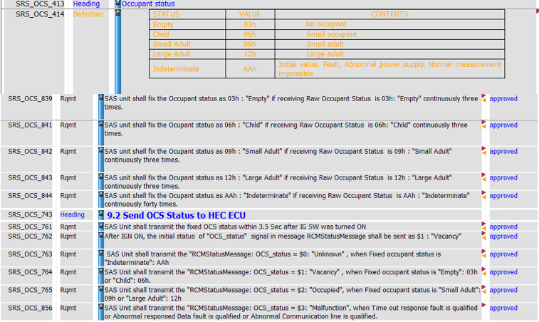
 |  |  |  | SRS:

 |  |  |  | OCS | CAN | Data value to convert | Invalid Condition
 |  |  |  | Empty 03h Child 06 h Small Adult 09 h Large Adult 12h Indeterminate Aah | $0: Unknown $1: Vacancy $2: Occupied $3: Malfunction | 0x00: Not-Adult 0x01: Adult/Not-config 0xFE: invalid 0xFF: data not available | NA

 |  |  |  | Note: The value of Occupant status is updated on CAN signal OCS_Status

 |  |  |  | The value of the OCS to be recorded as 0xFE is not available in SRS

 |  |  |  | AB10: If OCS is configured but faulty, Default value considered by algo freezed information is recorded.

