OverView
Mazda_Gen7
VDS_MazdaVehicleDynamicSensor SRTP Matrix

Purpose of this document
This document is created for Vehicle dynamic sensor SRTP(software requirement test plan) to test all possible and robust scenarios .

VDS Application Function
Vehicle Dynamic Sensors (VDS) provide high resolution data about the inertial movement of the car which are used for: --> MRCC - Mazda Radar Cruise Control --> HLA - Hill Launch Assit for i-Stop Control --> RSC - Roll Stability Control

Functionality of VDS Application
1.Monitoring rolling counter.
2. Control CAN communication when IG voltage drop or iRCM failure.
3.Fault diagnosis for sensor out of range.
4. VDS is to collect the sensor data,process it,check it ,covert it and send the data via CAN.

B1 sample Scope
1.Function: VDS Data Handling

VDS Interface
--> VDS module will cyclically take input from "Sensor Filter handler" , "Power Manager", "BSW Manager", "Central Sensor Manager" and "DEM".
-->Output will be reflected by "COM Application".
-->iRCM shall transmit sensor converted data and sensor signal state (Yaw Rate, Lateral Acceleration, Temperature) through CAN message ID: 0x075 (_RCM_Yaw_Rate).
-->iRCM shall transmit sensor converted data and sensor signal state (Roll Rate, Longitudinal Acceleration) through CAN message ID: 0x076 (_RCM_Roll_Rate).
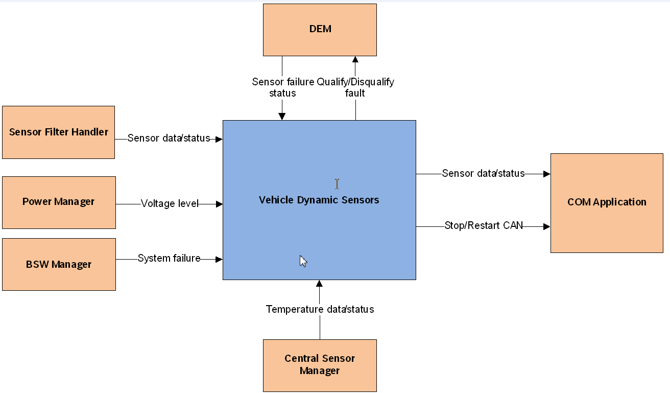

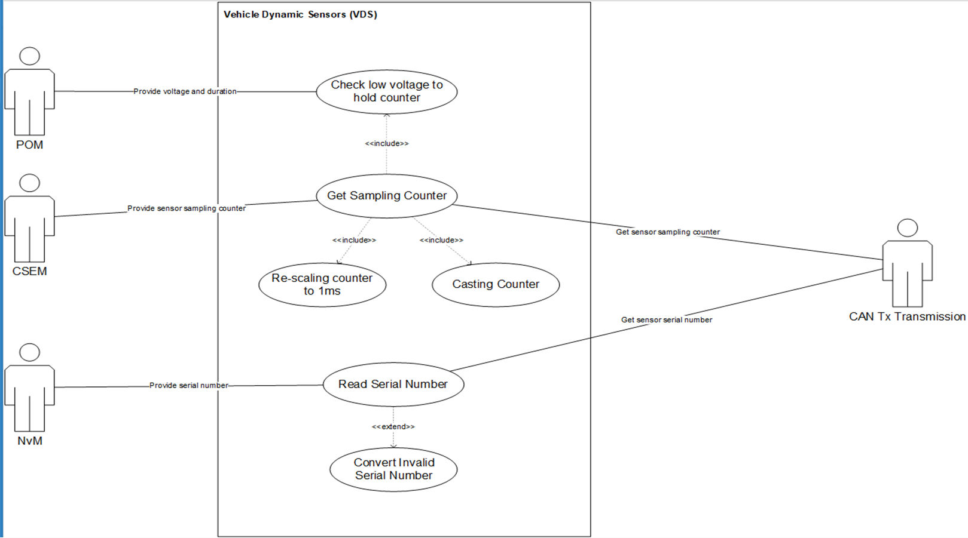

VDS Signals:
_RCM_Yaw_Rate.Signal_State_Yaw_Rate(0x075)
_RCM_Yaw_Rate.Lateral_Acceleration(0x075)
_RCM_Yaw_Rate.Temperature(0x075)
_RCM_Roll_Rate.Roll_Rate(0x076)
_RCM_Roll_Rate.Longitudinal_Acceleration(0x076
_RCM_Yaw_Rate.Rolling_Counter_Yaw_Rate (0x75)
_RCM_Roll_Rate.Rolling_Counter_Roll_Rate (0x76)
_RCMSerialNumber (CAN ID 0x454)

Abbreviations
iRCM: Integrated Restraints Control Module
VDS: Vehicle Dynamic Sensors
BCS: Brake Control System
CAN: Control Area Network
HS-CAN: High Speed CAN
CSEM: Central Sensor Manager
DEM: Diagnosis Event Manager
SFH: Sensor Filter Handler
BSW: Basic Software
POM: Power Management
DEM: Diagnostic Event Manager

Test Design Technique

Use Case Testing : | Use Case Testing, is a technique that helps identify test cases that cover the entire system, on a transaction by transaction basis from start to the finishing point.
 | Boundary value analysis.

Change Format Message in J30A |  |  |  |  | Reference J34A

 | J30A | Size (Bits) | Position | Meaning |  | J34A | Size (Bits) | Meaning | Position
 | 070:RCM_Yaw_Rate_MAC | 64 |  |  |  | 0x075 RCM_Yaw_Rate | 64
 | ID070_E2E_CRCProfile2 | 8 | Byte 1 Bit0-7 |  |  | Rolling counter Yaw Rate | 8 |  | Byte 1 Bit0-7
 | Signal_State_Yaw_Rate | 2 | Byte2 Bit0-1 | $0: Valid $1: Invalid $2: Potentially Invalid $3: Invalid Initialize |  | Signal State - Lateral Acceleration | 2 | $0: Valid $1: Invalid $2: Potentially Invalid $3: Invalid Initialize | Byte2 Bit0-1
 | Reserved | 2 | Byte2 Bit2-3 |  |  | Signal State - Yaw rate | 2 | $0: Valid $1: Invalid $2: Potentially Invalid $3: Invalid Initialize | Byte2 Bit2-3
 | ID070_E2E_CNTProfile2 | 4 | Byte2 Bit4-7 |  |  | Signal State - Temperature | 2 |  | Byte2 Bit4-5
 | Yaw_Rate | 16 | Byte3 Bit0-7 Byte4 Bit0-7 |  |  | Reserved | 2 |  | Byte2 Bit6-7
 | RCM_Yaw_Rate_FVTx | 4 | Byte5 Bit0-3 |  |  | Lateral Acceleration | 16 |  | Byte3 Bit0-7 Byte4 Bit0-7
 | RCM_Yaw_Rate_MACTx | 28 | Byte5 Bit4-7 Byte6 Bit0-7 Byte7 Bit0-7 Byte8 Bit0-7 |  |  | Yaw rate | 16 |  | Byte5 Bit0-7 Byte6 Bit0-7
 | 071:RCM_Late_Acc_MAC | 64 |  |  |  | Temperature | 8 |  | Byte7 Bit0-7
 | ID071_E2E_CRCProfile2 | 8 | Byte1 Bit0-7 |  |  | RCM Yaw Rate CRC | 8 |  | Byte8 Bit0-7
 | Signal_State_Lateral_Acceleration | 2 | Byte2 Bit0-1 | $0: Valid $1: Invalid $2: Potentially Invalid $3: Invalid Initialize |  | 0x076 RCM_Roll_Rate | 64
 | Reserved | 2 | Byte2 Bit2-3 |  |  | Rolling counter Roll Rate | 8 |  | Byte1 Bit0-7
 | ID071_E2E_CNTProfile2 | 4 | Byte2 Bit4-7 |  |  | Signal State - Longitudinal Acceleration | 2 | $0: Valid $1: Invalid $2: Potentially Invalid $3: Invalid Initialize | Byte2 Bit0-1
 | Lateral_Acceleration | 16 | Byte3 Bit0-7 Byte4 Bit0-7 |  |  | Signal State - Roll rate | 2 |  | Byte2 Bit2-3
 | RCM_Late_Acc_FVTx | 4 | Byte5 Bit0-3 |  |  | Reserved | 4 |  | Byte2 Bit4-7
 | RCM_Late_Acc_MACTx | 28 | Byte5 Bit4-7 Byte6 Bit0-7 Byte7 Bit0-7 Byte8 Bit0-7 |  |  | Longitudinal Acceleration | 16 |  | Byte3 Bit0-7 Byte4 Bit0-7
 | 072:RCM_Long_Acc_MAC | 64 |  |  |  | Roll rate | 16 |  | Byte5 Bit0-7 Byte6 Bit0-7
 | ID072_E2E_CRCProfile2 | 8 | Byte1 Bit0-7 |  |  | Reserved | 8 |  | Byte7 Bit0-7
 | Signal_State_Longitudinal_Acceleration | 2 | Byte2 Bit0-1 | $0: Valid $1: Invalid $2: Potentially Invalid $3: Invalid Initialize |  | RCM Roll Rate CRC | 8 | $0: Valid $1: Invalid $2: Potentially Invalid $3: Invalid Initialize | Byte8 Bit0-7
 | Reserved | 2 | Byte2 Bit2-3
 | ID072_E2E_CNTProfile2 | 4 | Byte2 Bit4-7
 | Longitudinal_Acceleration | 16 | Byte3 Bit0-7 Byte4 Bit0-7
 | RCM_Long_Acc_FVTx | 4 | Byte5 Bit0-3
 | RCM_Long_Acc_MACTx | 28 | Byte5 Bit4-7 Byte6 Bit0-7 Byte7 Bit0-7 Byte8 Bit0-7

RollingCounter
 | 6.VDS: Rolling Counter Handling

 | Purpose:
 | To check VDS module shall handle a rolling counter which is incremented every data aquisition to indicate that sensor data sampling still running.

 | Confirmation points:
 | Check Rolling Counter Value observed by Rolling Counter Signals in _RCM_Yaw_Rate message (0x75) and _RCM_Roll_Rate message (0x76) in different Conditions.

 | Conditions considered:
 | 1. Normal Mode
 | 2. Idle Mode
 | 3. Abnormal Voltage
 | 4. Faulty Condition

 | Voltage Dependency:
 | 1. Set Voltage as 12V
 | 2. Set Abnormal Voltage
 | 3. Autarky Mode

 | Testing Technique:
 | Use Case Testing

 | Note: Operation Voltage mode:
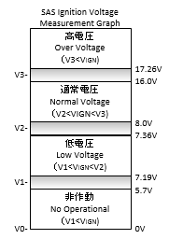

 |  |  | https://si-airbag-doors-dwa.de.bosch.com:8443/dwa/rm/urn:rational::1-0000000000000000-O-711-0012b8ae?doors.view=00000002

 | Autarky Time: 410ms |  | https://si-airbag-doors-dwa.de.bosch.com:8443/dwa/rm/urn:rational::1-0000000000000000-O-733-000fe5a0?doors.view=0000000c

updated | Scenario 1.1 : Check behavior Rolling counter in all signal states

 | SRS_Tag | Precondition |  |  |  | Output | Input |  | Output | TS | Remark
 |  | ECU Mode | Voltage | Wait Time (from IGN ON ) | Signal | CAN signal Value | Fault | Wait time | CAN signal Value
 | SRS_VDS_346 SRS_VDS_369 SRS_VDS_368 SRS_VDS_370 SRS_VDS_371 SRS_VDS_376 SRS_VDS_383 SRS_VDS_377 SRS_VDS_378 SRS_VDS_380 SRS_VDS_386 SRS_VDS_456 | Normal | 12V | 1000ms | ID070_E2E_CNTProfile2 | 0, 10, 20,…250, 4,… ...ValueA | No fault (Valid and Invalid Initializing) | 11 000ms | ValueA,… and continue increase by 10 during Wait time | TS_VDS_1357 | COMSignal1 = 'RCM_Yaw_Rate_MAC .ID070_E2E_CNTProfile2' COMSignal2 = 'RCM_Late_Acc_MAC.ID071_E2E_CNTProfile2' COMSignal3 = 'RCM_Long_Acc_MAC.ID072_E2E_CNTProfile2'
 |  |  |  |  |  | 0, 10, 20,…250, 4,… ...ValueA | rb_csem_MonPermAccYLgChl_flt (Potentially Invalid and Invalid) |  |  | TS_VDS_1483
 |  |  |  |  |  | 0, 10, 20,…250, 4,… ...ValueA | rb_csem_MonPermAccXLgChl_flt (Potentially Invalid and Invalid) |  |  | TS_VDS_1502
 |  |  |  |  |  | 0, 10, 20,…250, 4,… ...ValueA | rb_csem_MonPermYawRateLfChl_flt (Potentially Invalid and Invalid) |  |  | TS_VDS_1484
 |  |  |  |  |  | 0, 10, 20,…250, 4,… ...ValueA | rb_csem_MonPermRollRateLfChl_flt (Potentially Invalid and Invalid) |  |  | TS_VDS_1499
 |  |  |  |  | ID071_E2E_CNTProfile2 | 0, 10, 20,…250, 4,… ...ValueA | No fault (Valid and Invalid Initializing) |  |  | TS_VDS_1357
 |  |  |  |  |  | 0, 10, 20,…250, 4,… ...ValueA | rb_csem_MonPermAccYLgChl_flt (Potentially Invalid and Invalid) |  |  | TS_VDS_1483
 |  |  |  |  |  | 0, 10, 20,…250, 4,… ...ValueA | rb_csem_MonPermAccXLgChl_flt (Potentially Invalid and Invalid) |  |  | TS_VDS_1502
 |  |  |  |  |  | 0, 10, 20,…250, 4,… ...ValueA | rb_csem_MonPermYawRateLfChl_flt (Potentially Invalid and Invalid) |  |  | TS_VDS_1484
 |  |  |  |  |  | 0, 10, 20,…250, 4,… ...ValueA | rb_csem_MonPermRollRateLfChl_flt (Potentially Invalid and Invalid) |  |  | TS_VDS_1499
 |  |  |  |  | ID072_E2E_CNTProfile2 | 0, 10, 20,…250, 4,… ...ValueA | No fault (Valid and Invalid Initializing) |  |  | TS_VDS_1357
 |  |  |  |  |  | 0, 10, 20,…250, 4,… ...ValueA | rb_csem_MonPermAccYLgChl_flt (Potentially Invalid and Invalid) |  |  | TS_VDS_1483
 |  |  |  |  |  | 0, 10, 20,…250, 4,… ...ValueA | rb_csem_MonPermAccXLgChl_flt (Potentially Invalid and Invalid) |  |  | TS_VDS_1502
 |  |  |  |  |  | 0, 10, 20,…250, 4,… ...ValueA | rb_csem_MonPermYawRateLfChl_flt (Potentially Invalid and Invalid) |  |  | TS_VDS_1484
 |  |  |  |  |  | 0, 10, 20,…250, 4,… ...ValueA | rb_csem_MonPermRollRateLfChl_flt (Potentially Invalid and Invalid) |  |  | TS_VDS_1499

 | Scenario 1.2 : Check behavior in difference voltage condition

 | SRS_Tag | Precondition |  |  |  | Output | Input |  | Output | Input |  | Output | Input |  | Output | TS | Remark
 |  | ECU Mode | Voltage | Wait Time (from IGN ON ) | Signal | CAN signal Value | Voltage | Wait time | CAN signal Value | Voltage | Wait time | CAN signal Value | Condition | Wait time | CAN signal Value
 | SRS_VDS_408 SRS_VDS_471 | Normal | 12V | 8000ms | Rolling_Counter_Yaw_Rate | 0, 10, 20,…250, 4,… ...ValueA | < 6.3V | 2000ms | ValueA+150ms then no transmit | 12V | 2000ms | ValueA+150ms,… and continue increase by 10 | Reset ECU | 250ms | ...0, 10, 20,…250, 5,…
 |  |  |  |  |  |  |  |  |  |  |  |  | rb_csem_MonPermInitInertialSensor1_flt
 |  |  |  |  |  |  |  |  |  |  |  |  | rb_csem_MonPermBGInertialSensor1_flt
 |  |  |  |  | Rolling_Counter_Roll_Rate |  |  |  |  |  |  |  | Reset ECU
 |  |  |  |  |  |  |  |  |  |  |  |  | rb_csem_MonPermInitInertialSensor1_flt
 |  |  |  |  |  |  |  |  |  |  |  |  | rb_csem_MonPermBGInertialSensor1_flt

 | Scenario 1.3 : Check behavior in Bus Off condition

 | SRS_Tag | Precondition |  |  |  | Output | Input |  | Output | Input |  | Output | TS | Remark
 |  | ECU Mode | Voltage | Wait Time (from IGN ON ) | Signal | CAN signal Value | Condition | Wait time | CAN signal Value | Condition | Wait time | CAN signal Value
 | SRS_VDS_378 | Normal | 12V | 8000ms | Rolling_Counter_Yaw_Rate | 0, 10, 20,…250, 4,… ...ValueA | CAN Bus off | 2000ms | No CAN transmit | Remove CAN Bus off | 2000ms | ValueA+4000ms,… ...0, 10, 20,…250, 5,… with tolerance +/-9 | TS_VDS_1509 | CAN message cycle is 10ms. Rolling Counter is started counted up at random time afer sensor initialization, not coincide with the time CAN signal transmits periodically (0ms, 10ms, 20ms), so CAN signal will send the rolling counter value with tolerance +/-9.
 |  |  |  |  | Rolling_Counter_Roll_Rate | 0, 10, 20,…250, 4,… ...ValueA | CAN Bus off | 2000ms | No CAN transmit | Remove CAN Bus off | 2000ms | ValueA+4000ms,… ...0, 10, 20,…250, 5,… with tolerance +/-9 | TS_VDS_1509

 | Scenario 1.3 : Check behavior with different VDS Signal State

 | SRS_Tag | Precondition |  |  |  |  | Output |  |  |  |  |  | Remark
 |  | ECU Mode | Voltage | Wait Time from IGN ON | Create Signal State Condition |  | Rolling_Counter_Yaw_Rate (in Message _RCM_Yaw_Rate ID: 0x75) |  | Rolling_Counter_Roll_Rate (in Messgae _RCM_Roll_Rate ID: 0x76) |  |  | TS

 |  |  |  |  | Signal States in _RCM_Yaw_Rate (0x75) | Signal States in _RCM_Roll_Rate (0x076)
 | SRS_VDS_380 | Normal | 12V | > 500 ms (Rolling counter counted up) | Valid | Valid | ...0, 10, 20,…250, 5,… with tolerance +/-9 |  | ...0, 10, 20,…250, 5,… with tolerance +/-9 |  |  | TS_VDS_1538 | These TCs are in scenario 1.1 because when create sensor fault, signal state will change to invalid
 |  |  |  | > 500 ms (Rolling counter counted up) | Invalid | Invalid | ...0, 10, 20,…250, 5,… with tolerance +/-9 |  | ...0, 10, 20,…250, 5,… with tolerance +/-9 |  |  | TS_VDS_1539

 | Scenario 1.4 : Check behavior in Autarky mode

 |  | A. Go to Autarky Mode by SwitchOFF Power Supply
 | SRS_Tag | Precondition |  |  | Input |  | Output |  |  |  |  |  |  |  |  |  |  | TS
 |  | ECU Mode | Voltage | Wait Time from IGN ON | SwitchOFF Power Supply and wait for WaitTime (ms) | Switch ON Power Supply | Rolling_Counter_Yaw_Rate (in Message _RCM_Yaw_Rate ID: 0x75) |  |  |  |  |  |  | Rolling_Counter_Roll_Rate (in Messgae _RCM_Roll_Rate ID: 0x76)

 | SRS_VDS_405 | Normal | 12V | > 250 ms (Rolling counter counted up) | WaitTime < 150 ms | Yes | ...0, 10, 20,…250, 5,… with tolerace +/-9 |  |  |  |  |  |  | ...0, 10, 20,…250, 5,… |  |  |  | TS_VDS_1546
 |  |  |  | > 250 ms (Rolling counter counted up) | 150ms =< WaitTime < Autaky time | Yes | From beginning to within 150 ms from PowerOff : ...0, 10, 20,…250, 5,… …ValueA with tolerance +/-9 After 150ms from PowerOff to within 250ms from PowerON: No CAN Transmission After 250ms from PowerON: ValueA+250 ...0, 10, 20,…250, 5,… with tolerance +/-9 |  |  |  |  |  |  | From beginning to within 150 ms from PowerOff : ...0, 10, 20,…250, 5,… …ValueA with tolerance +/-9 After 150ms from PowerOff to within 250ms from PowerON: No CAN Transmission After 250ms from PowerON: ValueA+250 ...0, 10, 20,…250, 5,… with tolerance +/-9 |  |  |  | TS_VDS_1554

 |  | B. Go to Autarky Mode by Change Voltage to value < LowVoltage
 | SRS_Tag | Precondition |  |  | Input |  | Output |  |  |  |  |  |  |  |  |  |  |  | TS
 |  | ECU Mode | Voltage | Wait Time from IGN ON | Change voltage to <7.19V and wait for WaitTime (ms) | Change voltage to 7.2V | Rolling_Counter_Yaw_Rate (in Message _RCM_Yaw_Rate ID: 0x75) |  |  |  |  |  |  |  | Rolling_Counter_Roll_Rate (in Messgae _RCM_Roll_Rate ID: 0x76)

 | SRS_VDS_405 | Normal | 12V | > 250 ms (Rolling counter counted up) | WaitTime < 150 ms | Yes | ...0, 10, 20,…250, 5,… with tolerace +/-9 |  |  |  |  |  |  |  | ...0, 10, 20,…250, 5,… |  |  |  | TS_VDS_1547
 |  |  |  | > 250 ms (Rolling counter counted up) | 150ms =< WaitTime < Autaky time | Yes | From beginning to within 150 ms from VoltageChangedTo7.1 : ...0, 10, 20,…250, 5,… …ValueA with tolerance +/-9 After 150ms from VoltageChangedTo7.1 to within 250ms from VoltageChangedTo12: No CAN Transmission After 250ms from VoltageChangedTo12: ValueA+250 ...0, 10, 20,…250, 5,… with tolerance +/-9 |  |  |  |  |  |  |  | From beginning to within 150 ms from PowerOff : ...0, 10, 20,…250, 5,… …ValueA with tolerance +/-9 After 150ms from PowerOff to within 250ms from PowerON: No CAN Transmission After 250ms from PowerON: ValueA+250 ...0, 10, 20,…250, 5,… with tolerance +/-9 |  |  |  | TS_VDS_1555

 | Scenario 1.6 : Check behavior in Autarky mode with mutiple event

 | SRS_Tag | Precondition |  |  | Input |  |  |  | Output |  |  |  |  |  |  |  | TS
 |  | ECU Mode | Voltage | Wait Time from IGN ON | 1st SwitchOFF Power Supply and wait for WaitTime1 | 1st Switch ON Power Supply and wait for WaitTimeOn1 | 2nd SwitchOFF Power Supply and wait for WaitTime2 | 2nd Switch ON Power Supply | VDS Rolling Counter Value observed by Rolling_Counter_Yaw_Rate (0x75) and Rolling_Counter_Roll_Rate (0x76) |  |  |  | VDS Rolling Counter Value observed by Rolling_Counter_Yaw_Rate (0x75) and Rolling_Counter_Roll_Rate (0x76)

 |  | Normal | 12V | > 250 ms (Rolling counter counted up) | WaitTime1 < 150 ms | Yes & WaitTimeOn1 < 250ms | WaitTime2 < 150 ms | Yes | ...0, 10, 20,…250, 5,… with tolerace +/-9 |  |  |  | ...0, 10, 20,…250, 5,… with tolerace +/-9 |  |  |  | TS_VDS_1562
 | SRS_VDS_408 |  |  | > 250 ms (Rolling counter counted up) | 150ms =< WaitTime1 < Autaky time | Yes & WaitTimeOn1 < 250ms | 150ms < WaitTime2 < Autaky time | Yes - and wait for WaitTimeOn2 >= 250 | - From beginning to within 150 ms from 1stPowerOff : ...0, 10, 20,…250, 5,… …ValueA with tolerance +/-9 |  |  |  | - From beginning to within 150 ms from 1stPowerOff : ...0, 10, 20,…250, 5,… …ValueA with tolerance +/-9 |  |  |  | TS_VDS_1570
 |  |  |  |  |  |  |  |  | - From after 150ms from 1stPowerOff to wihin 250ms from 2ndPowerOn: No transmission |  |  |  | - From after 150ms from 1stPowerOff to wihin 250ms from 2ndPowerOn: No transmission
 |  |  |  |  |  |  |  |  | - From after 250ms from 2ndPowerOn: ValueA+WaitTimeOn1+150+250ms,… ...0, 10, 20,…250, 5,… with tolerace +/-9 |  |  |  | -From after 250ms from 2ndPowerOn: ValueA+WaitTimeOn1+150+250,… ...0, 10, 20,…250, 5,… with tolerace +/-9

 | Scenario 1.7: Check Rolling Counter CAN Signal Transmission in Idle mode

 | SRS_Tag | Precondition |  |  | Output |  |  | Remark
 |  | ECU Mode | Voltage | Wait Time from IGN ON | Rolling_Counter_Yaw_Rate (in Message _RCM_Yaw_Rate ID: 0x75) |  | Rolling_Counter_Roll_Rate (in Messgae _RCM_Roll_Rate ID: 0x76)
 | SRS_VDS_399 | Idle | 12V | <= 250 ms (CAN Started) | 0 |  | 0 | Covered in Unit Test

 | Scenario 1.8 : Check Serial Number CAN Signal transmission in Idle mode
 | SRS_Tag | Precondition |  |  | Output |  |  | TS | Remark
 |  | ECU Mode | Voltage | Wait Time from IGN ON | Rolling_Counter_Yaw_Rate (in Message _RCM_Yaw_Rate ID: 0x75) | Rolling_Counter_Roll_Rate (in Messgae _RCM_Roll_Rate ID: 0x76)
 | SRS_VDS_444 | Idle | Normal | >= 250 ms | No transmission |  |  | TS_VDS_1961 | This scenario is covered in VDS_DataHanding_Init sheet
 |  |  |  | (CAN started within 250ms)

