OverviewLOWGxySensorCalibration
Software Test Design Specification (SWTDS) - Overview (Finding test conditions)

Project information |  |  | Feature for customer (Motivation, Scope, Purpose) |  |  |  |  | Document information
Product / Project | AB12/Mazda Gen7 |  | The feature to initialize 0 point calibration for static rollover sensor. |  |  |  |  | Document Nr. | SWTDS_DSM_MazdaLowGyzCalibration
Test item | DSM |  |  |  |  |  |  | Author | Trinh Duy Thanh (Ban Vien, RVBH/EPS42)
Review history |  |  |  |  |  |  |  | Time frame | 31 May, 2021
Date on review | Review team |  |  |  |  |  |  | Test basis
 |  |  |  |  |  |  |  | Name |  | Baseline/Revision
 |  |  |  |  |  |  |  | CRS544_SpecialPROC_LOWGyzSensor_for_eCall |  | 10.22
 |  |  |  |  |  |  |  | SRS05_DSM_MazdaCustomerDiagnostic |  | 0.151
 |  |  |  |  |  |  |  | SYRS319_SSDS_DID |  | 8.5
 |  |  |  |  |  |  |  | SYRS315_SelfTest |  | 7.11
Visualization of the test design (overview)

DEM
Fault information
Event : Calibration error
Function : Indicate fault status
LowGxy Calibration
DSM
Function : Request triger calibration
$2F or $31 or $22
Event : Tester trigger

DSM
Calibration status
Event : After request $31 or $22
Function : Receive calibration status
LowG sensor
Function : Send CAL status
CAL Status
Event : After request triger calibration
Use case :
Calibration LowGyz sensor
(The process to trigger start and read calibration status after triger calibration)

ALGO
Calibration status
Event : When start Calibration LowG sensor Disable all ALGO
Function : Receive calibration status
CAN
Function : CAN signal data
Vehicle speed/Engine status data
Event : Send message

Hint to find test conditions in airbag system -> Please find details in the "Feature library". |  |  |  |  |  | Change history
Feature |  | Awareness keywords |  | Feature | Awarness keywords | Nr. | Change
ECU mode |  | Idle, Disposal, Autarky, Plant mode, transition |  | Inputs | Switch, Central/Peripheral sensor
Power supply condition |  | High, Low, Normal, Fractuation |  | Outputs | Hardwired/CAN Crash output
Fault recorder |  | Step-up/down, Next power-on cycle |  | Communication (CAN/LIN) | Diagnositc communication, Periodical signals
Indicator lamp |  | Airbag warning lamp, PADI ON/OFF lamp |  | Bosch/Customer plant | Plant mode operation, Customer plant features
Crash detection, Deployment |  | Disabling/Enabling algorithms, SCON |  | System configuration | Driver position (D/P or L/R), variant configuration
Crash recorder (EDR) |  | Trigger, Recording data/time/completion

FindDependency_LowGxyCalib
Software Test Design Specification (SWTDS) - Finding Dependency |  |  |  |  |  | Behaviour analysis (to find out scenarios)

1st step : Structure of this test item with external (controllable/measurable) inputs/outputs

Step 3: Think behavior of this structure.

DSM
Function : Request trigger calibration
$2F or $31 or $22
Event : Tester trigger
LowGyz Calibration
DEM
Fault information
Event : Don't trigger calibration or calibration process unsuccessfully
Function : Indicate fault status

LowG sensor
Function : Send CAL status
CAL Status
Event : After request triger calibration
Use case :
Calibration LowGyz sensor
(The process to trigger start and read CAL status after triger calibration)
DSM
Calibration Status
Event : After request $31 or $22
Function : Receive calibration status

CAN
Function : Provide CAN signal state
Vehicle speed/Engine status
Event : Send message
ALGO
Calibration status
Event : When start Calibration LowG sensor Disable all ALGO
Function : Disable all ALGO

Step 2: Think function of this structure.

DSM
Request to trigger calibration
TESTER
PRC
- Voltage [8-16]V
- Vehicle speed <5kph
- Elapsed time from IG-ON/Reset: >20s
- Engine or Motor stop
- Sensor have not error when initializing
- VIN is received.
NRC-22
NRC-13
NRC-7F
NRC-21
Failure
mode
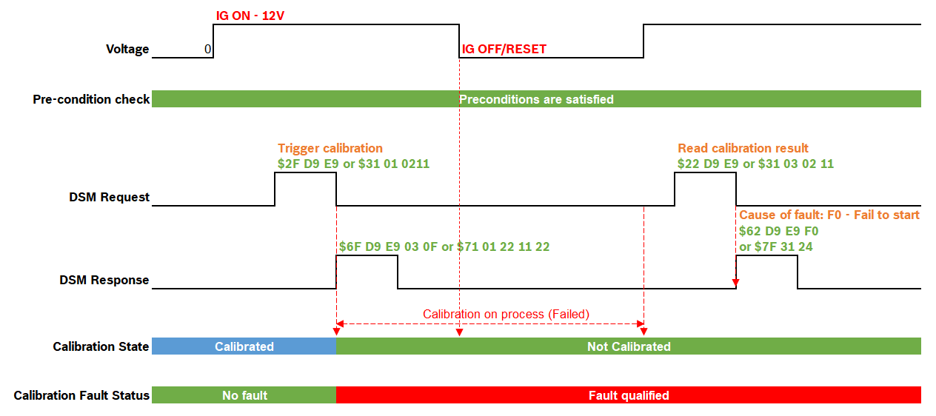
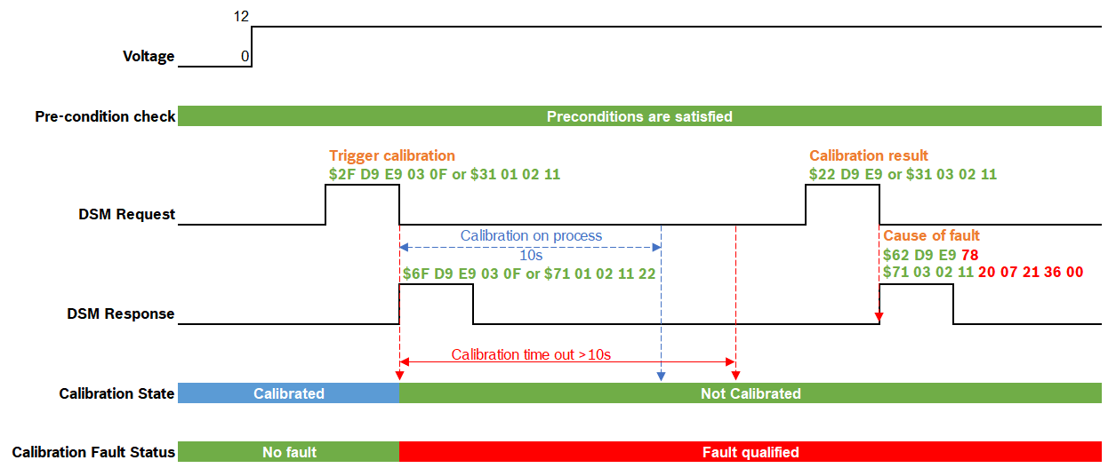
Functions (Test conditions) | Input (=>) | Send request trigger calibration | Aspects of this function |  |  | Scenario 1: Normal case - Calibration fault status when starting calibration isn't triggered |  | Scenario 4: Abnormal case - Failure When Reset/IG-OFF During Calibration |  | Scenario 8: Abnormal case - Failure when calibration time out
 |  |  | (1) DSM Pre-condition: |  |  | - Calibration fault status when starting calibration is not triggerd. |  | - Cause of fault when Reset/IG-OFF during calibration |  | - Check failure when calibration time out (>10s)
 |  |  |  | 1. Power supplies voltage of out range of normal condition (8-16V) |  | - Calibration fault: rb_csem_FieldCalibMissing_flt - DTC $073600
 |  |  |  | 2. Vehicle speed is over than 5kph
 |  |  |  | 3. Elapsed time from IG-ON/Reset is within 20 seconds
 |  |  |  | 4. Engine or Motor (in case of PHEV) is running
 |  |  |  | 5. Sensor have problem when initializing.
 |  |  |  | 6. VIN isn't received.
 |  |  | (2) Service:
 |  |  |  | 1. $2F Request trigger calibration
 |  |  |  | 2. $31 Request trigger calibration
 |  |  | (3) DSM condition
 |  |  |  | 1. Length check
 |  |  |  | 2. Session support
 |  |  |  | 3. Addressing mode support
 |  |  | (4) Variant handling
 |  |  |  | 1. Russian variant
 |  |  |  | 2. Other than Russian variant

- Trigger Calibration
- Calibration state not successfully
Fault recoder reading
DEM
Indicate Calibration fault status
Calibration fault isn't qualified
Normal mode
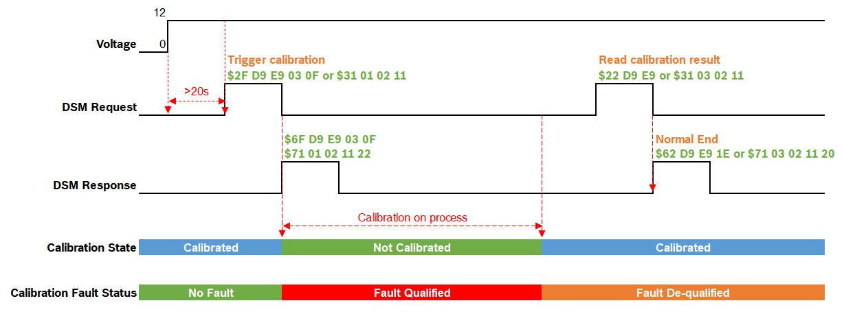
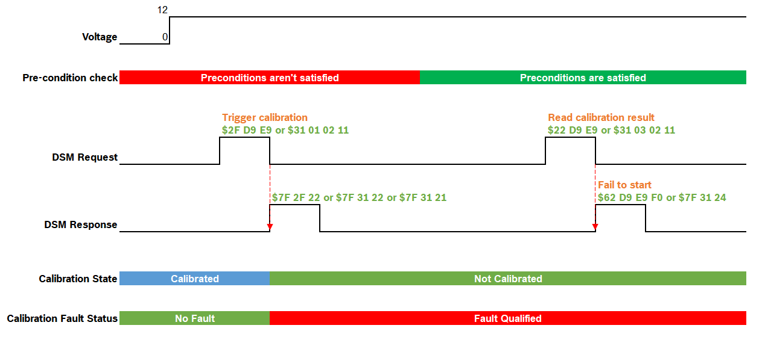
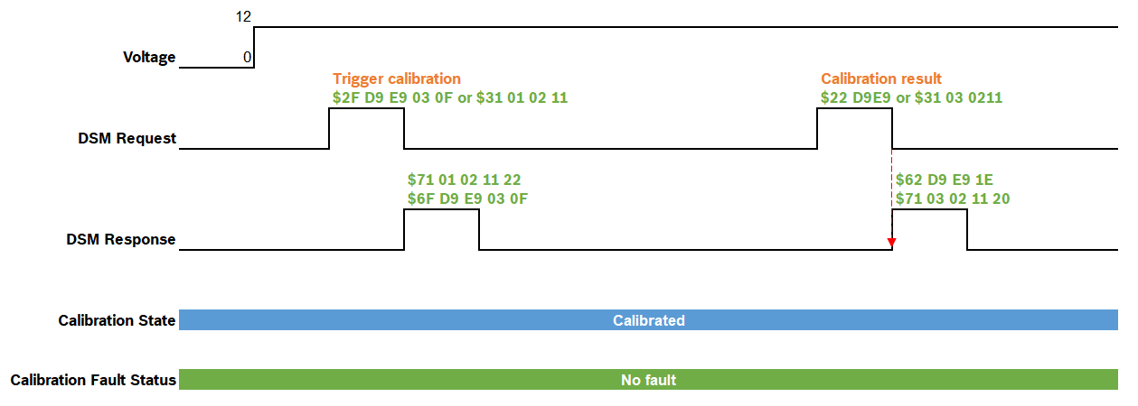
 | (=>) Output | Indicate Calib fault status | Aspects of this function |  |  | Scenario 2: Normal case - Normal End |  | Scenario 5: Abnormal case - Preconditions incorrect |  | Scenario 9: Normal case - Normal End (Other than Russian variants)
 |  |  | (1) Calibration fault status: |  |  |  |  | -Negative response behaviour of DSM service $2F, $31 with DID $D9E9, RID $0211 when precondition check failed. |  | - Check Calibration result and Calibration fault status
 |  |  |  | 1. No fault
 |  |  |  | 2. Field calibration missing fault qualify (Calibration state not successfully)
 |  |  |  | 3. Field calibration missing fault de-qualify (Calibration state successfully)
 |  |  |  | 4. VDS calibration latest failed fault qualify (Trigger starting calibration)
 |  |  |  | 5. VDS calibration latest failed fault de-qualify (Calibration state successfully)
 |  |  | (2) Calibration fault:
 |  |  |  | 1. rb_csem_FieldCalibMissing_flt - DTC $073600
 |  |  |  | 2. rb_drc_VdsCalibLatestFailed_flt - DTC $073600

- Request Calibration result
DSM
Receive service response
NRC
- Response timing <50ms
 | (=>) Output | Receive service response | Aspects of this function |  |  | Scenario 3: Abnormal case - Failure during Calibration |  | Scenario 6: Abnormal case - DSM condition |  | Scenario 10: Abnormal case - Reques calibration trigger multiple times
 |  |  | (1) LowGxy Calibration result: |  |  | - Check cause of fault when calibration process is not successfully |  | - Request Calibration in session not support, length check and addressing mode. |  | - Reques calibration trigger multiple times
 |  |  |  | 1Eh - Normally ended |  | - Check calibration fault when the Calibration state is not successfully |  | - DSM condition: | - Session not support (NRC31, NRC7F)
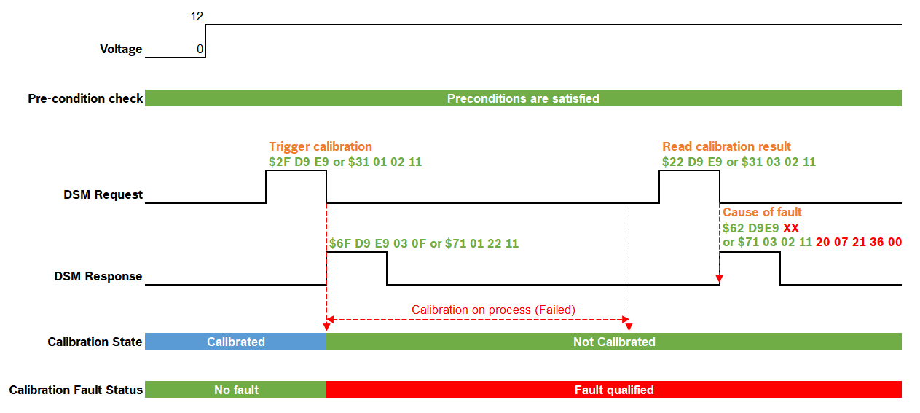
 |  |  |  | 2Dh - Failure caused by other command process |  |  |  |  | - Message length (NRC13)
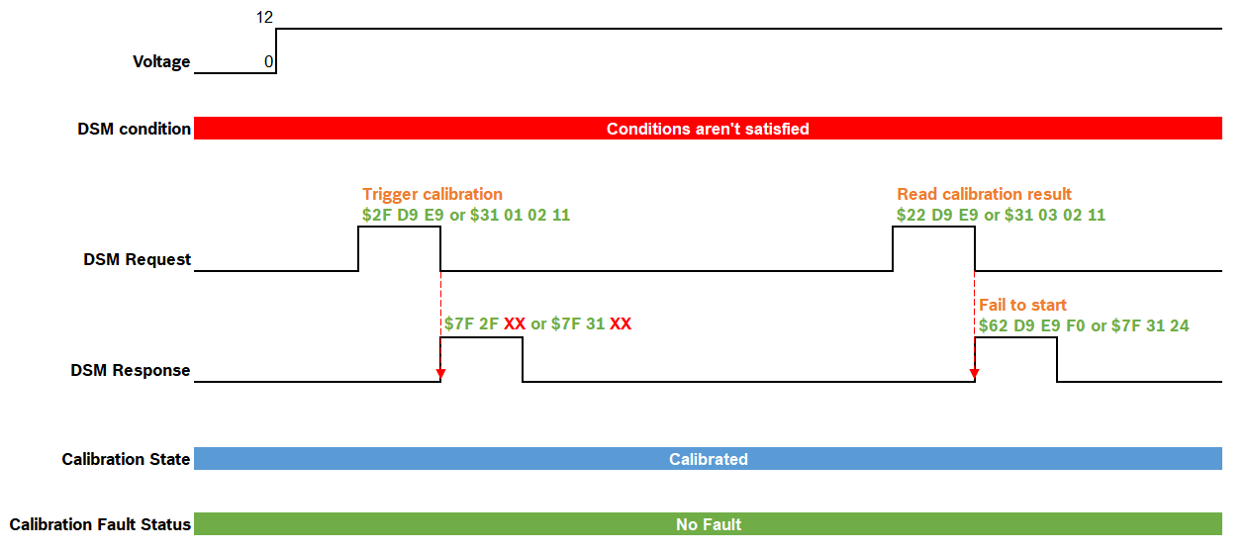
 |  |  |  | 3Ch - Failure caused by abnormal voltage
 |  |  |  | 4Bh - Failure caused by abnormal measured value
 |  |  |  | 78h - Failure caused by timeout
 |  |  |  | F0h - Fail to start/Failure caused by sensor fault
 |  |  |  | 5Ch - Fault that depends on over the limit of sensors
TESTER
 |  |  |  | 87h - In Process
 |  |  | (2) Service:
 |  |  |  | 1. $22 Request calibration result
 |  |  |  | 2. $31 Request calibration result

- Not Trigger Calibration Start
- Calibration process unsuccessfully
- Power off/Reset during Calibration
LowGxy Sensor
Receive request trigger calibration
- Not calibrated
- Calibration fault qualified
- Normal voltage
- No calibration process error
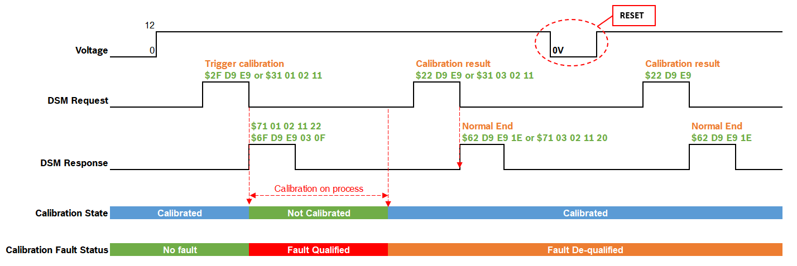
 | Input (=>) | Receive request calibration status | Aspects of this function |  |  | Cause of fault: | 2Dh - Failure caused by other command process | Scenario 7: Normal case - Calibration result of the last calibration is done in past ignition cycle |  | Scenario 11: Abnormal case - Missing CAN signal
 |  |  | (1) Calibration state: |  |  |  | 3Ch - Failure caused by abnormal voltage | -Request calibration result of the last calibration is done in past ignition cycle. |  | Signal: | - PowerSourceState
 |  |  |  | 1. Calibration is not triggered |  |  | 4Bh - Failure caused by abnormal measured value |  |  |  | - Veh_V_ActlBrk
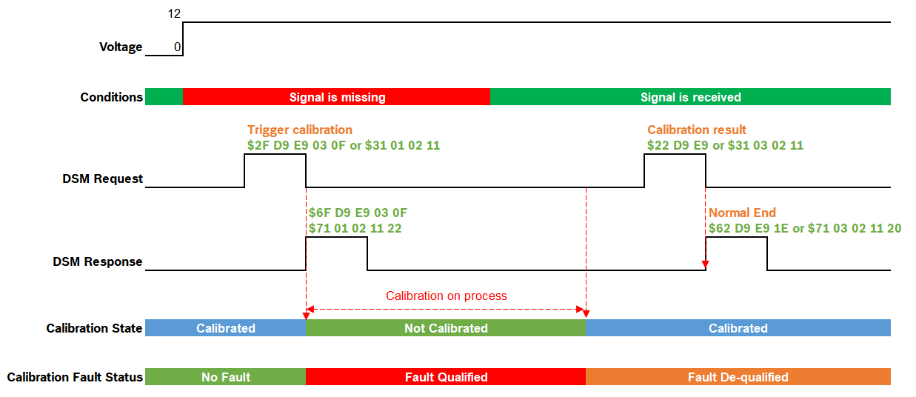
 |  |  |  | 2. Calibration is triggered |  |  | 78h - Failure caused by timeout
 |  |  |  | 3. Calibration process unsuccessfully: |  |  | F0h - Fail to start/Failure caused by sensor fault
 |  |  |  | Reasons: | - Failure caused by other command process |  | 5Ch - Fault that depends on over the limit of sensors
 |  |  |  |  | - Failure caused by abnormal voltage |  | 87h - In Process
 |  |  |  |  | - Failure caused by abnormal measured value | Calibration fault:
 |  |  |  |  | - Failure caused by timeout |  | - rb_csem_FieldCalibMissing_flt - DTC $073600
 |  |  |  |  | - Fail to start/Failure caused by sensor fault |  | - rb_drc_VdsCalibLatestFailed_flt - DTC $07360
 |  |  |  |  | - Fault that depends on over the limit of sensors
Trigger Calibration
 |  |  |  | 4. Calibration process successfully

- Calibrated
- Calibration fault de-qualified

- CAN bus off
- CAN errors
CAN
Provide input to accept calibration request
- Missing data
- Normal voltage
- Normal mode
- Bus off not occur
 | Input (=>) | Send message | Aspects of this function
 |  |  | (1) CAN signal data
 |  |  |  | 1. PowerSourceState
 |  |  |  | 2. Veh_V_ActlBrk

Read from CANoe

- CAN data

