Overview_FaultHandling
Software Test Design Specification (SWTDS) - Overview (Finding test conditions)

This use case is to check all qualified conditions for VIN & TVV faults
If this use case is failed, ECU cannot detect VIN & TVV fault when it happens
Project information |  |  | Feature for customer (Motivation, Scope, Purpose) |  |  |  |  |  |  | Document information
Product / Project | AB12/Mazda-Custlib |  |  |  |  |  |  |  |  | Document Nr. | SWTDS_DSM_VIN_TVV_Custlib
Test item | DSM |  |  |  |  |  |  |  |  | Author | Dang Mai Nhi (MS/EPS42-CC)
Review history |  |  |  |  |  |  |  |  |  | Time frame | November, 2022
Date on review | Review team |  |  |  |  |  |  |  |  | Test basis
 |  |  |  |  |  |  |  |  |  | Name |  | Baseline/Revision
 |  |  |  |  |  |  |  |  |  | SRS05_DSM_MazdaCustomerDiagnostic__CustLib |  | 0.191
 |  |  |  |  |  |  |  |  |  | SRS11_FL_MazdaFaultList__CustLib |  | 3.5
Visualization of the test design (overview)
1st step : Structure of this test item (Input, Function, Output) |  |  |  | 2nd step : Which information is exchanged? |  |  | 3rd step : When/where is this information exchanged? (Timing, Dynamic behaviour)

Mode of ECU
Service response
DSM
ECU Mode
DSM

Function : Indicate ECU mode
Function : Indicate service response for $2E
Use case
Create qualified - dequalified conditions for VIN & TVV fault

Event: Mode changes
Event: After service request

$2E $F190,
$2E $F196
Fault VIN-TVV information

Value of VIN, TVV
DEM
Function : Create/remove fault conditions
Function : Indicate faults VIN-TVV status

Event: Tester trigger
Event: Fault qualified/ dequalified

Hint to find test conditions in airbag system -> Please find details in the "Feature library". |  |  |  |  |  |  |  | Change history
Feature |  | Awareness keywords |  |  | Feature | Awarness keywords |  | Nr. | Change
Power supply condition |  | High, Low, Normal, Fractuation |  |  | Inputs | Switch, Central/Peripheral sensor |  | 1 | Dang Mai Nhi update on 15/11/2022:
ECU mode |  | Idle, Disposal, Autarky, Plant mode, transition |  |  | Outputs | Hardwired/CAN Crash output |  |  | - First creation of Overview_FaultHandling sheet
Fault recorder |  | Step-up/down, Next power-on cycle |  |  | Communication (CAN/LIN) | Diagnositc communication, Periodical signals
 |  |  |  |  | Bosch/Customer plant | Plant mode operation, Customer plant features
 |  |  |  |  | System configuration | Driver position (D/P or L/R), variant configuration

FindDependency_FaultHandling
Software Test Design Specification (SWTDS) - Finding Dependency

1st step : Structure of this test item with external (controllable/measurable) inputs/outputs |  |  |  |  | Behaviour analysis (to find out scenarios)

Step 3: Think behaviours of this structure.
IG ON
Within ECU ITM, 0 < t < 8000ms
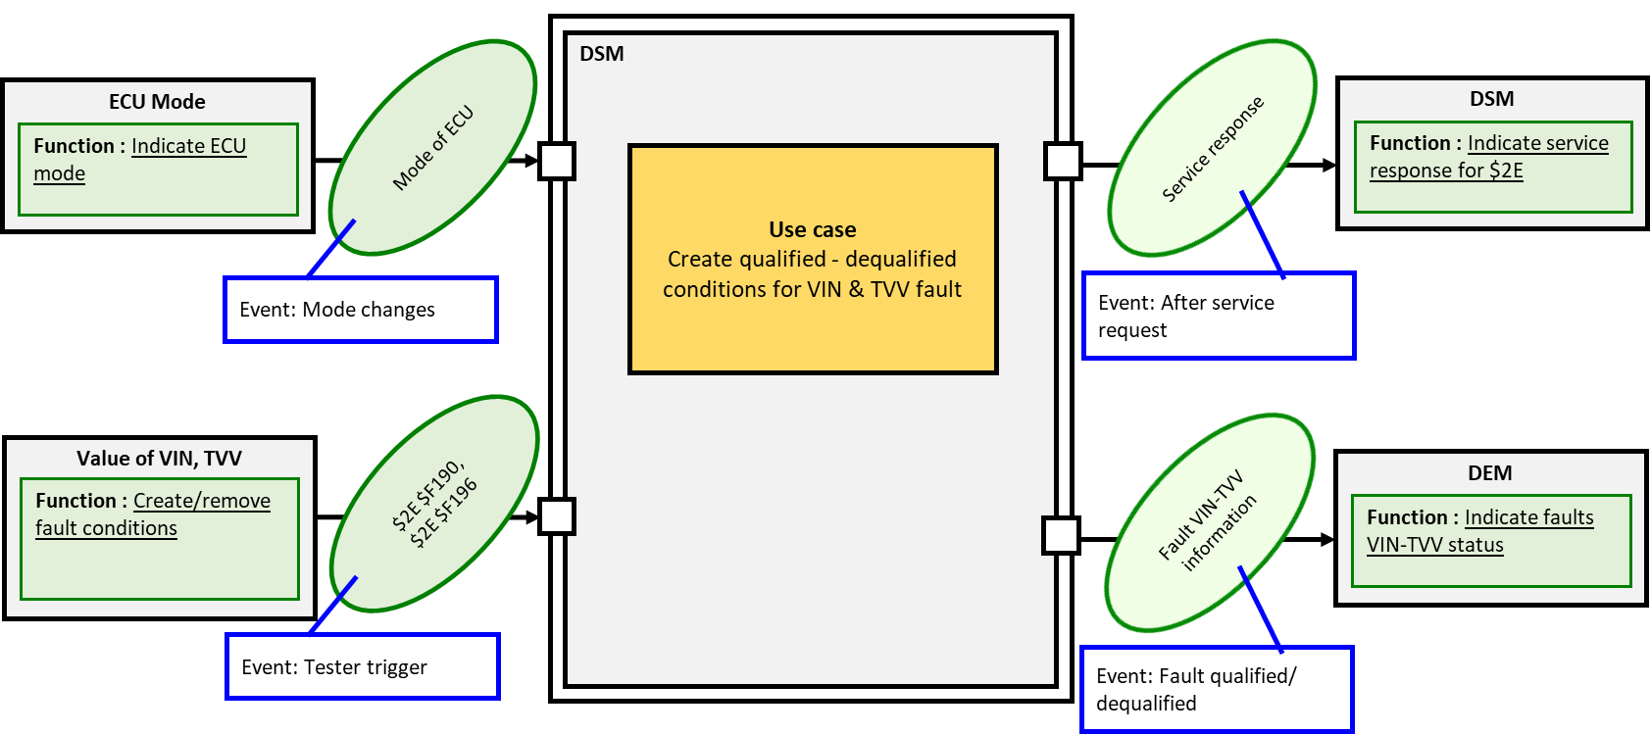
AB ECU evaluate configuration

 |  |  |  |  |  |  |  |  |  |  | *Note: | Refer '(3) State of data' in block Input: 'Value of VIN, TVV' for detail data information

'valid_data'
'valid_data'
'invalid_data'
'valid_data'
'invalid_data'
 |  |  |  |  |  |  |  | $VIN data*

'valid_data'
'invalid_data'
'valid_data'
'invalid_data'
 |  |  |  |  |  |  |  | $TVV data*

Invalid configuration
Valid configuration
Valid configuration
Invalid configuration
 |  |  |  |  |  |  |  | $VIN - $TVV configuration

Fault qualified
Fault dequalified
Fault dequalified
Fault qualified
 |  |  |  |  |  |  |  | Status of fault Configuration Error

Step 2: Think functions of this structure.
Create fault condition
 |  |  |  |  | Normal scenario 1: Qualified fault Configuration Error in Normal condition
 | Input (=>) | Indicate ECU mode | Aspects of this function
 |  |  | (1) Mode of ECU[1]
- Voltage
- Timing
- System configuration
 |  |  |  | - Init mode
 |  |  |  | - Normal driving
 |  |  |  | - Idle mode
Variantion point:
ECU mode
ECU Reset
ECU Mode
Function: Indicate ECU mode
 |  |  | [1] Note: SW will not check Configuration Error fault in ECU Plant mode, so Plant mode will not be checked in this use case.

 |  |  |  |  |  |  |  |  | 8000ms
ECU Mode change
Mode of ECU
Init
Steady State
Init
Steady State
 |  |  |  |  |  | Input | ECU Mode

Variantion point:
Change value of both $VIN and $TVV
Invalid Configuration
Mode of ECU
 |  |  |  |  |  |  | Value of VIN,TVV

Positive Response
- Unsupported address/session
- Invalid length
- State of data
- Power on cycle
 | Input (=>) | Request write data | Aspects of this function
 |  |  | (1) DSM DID |  |  | Output | DSM Response
 |  |  |  | - $VIN: $F190
 |  |  |  | - $TVV: $F196
 |  |  | (2) Data length
 |  |  |  | - $VIN: 24 bytes ASCII
Value of VIN, TVV
Function: Create/ Remove fault conditions
No fault
Configuration Error fault is qualified
 |  |  |  | - $TVV: 24 bytes ASCII |  |  | Fault's status
 |  |  | (3) State of data
 |  |  |  | - 'invalid_data'
Tester request via DSM $2E
VIN-TVV configuration
 |  |  |  | + 'not_written': 1st byte = 0xFF
 |  |  |  | + 'error_reading': 1st bytes = 0x00
 |  |  |  | - 'valid_data': 1st bytes != (0x00 & 0xFF)
 |  |  | (4) VIN & TVV configuration
 |  |  |  | - Valid configuration: only one $VIN or $TVV is 'valid_data' | Normal scenario 2: Dequalified-Requalified fault Configuration Error in Normal condition
Positive response
Negative response
Create fault condition
Remove fault condition
Re-create fault condition
 |  |  |  | - Invalid configuration
 |  |  |  | + both $VIN and $TVV is 'valid_data'
 |  |  |  | + both $VIN and $TVV is 'invalid_data'

Variantion point:
ECU mode
ECU Reset
ECU Reset
ECU Reset
- Unsupported address/session
- Invalid length
- Response timming
- Voltage
 | (=>) Output | Get diagnotic response | Aspects of this function
 |  |  | (1) Response Addressing mode
 |  |  |  | - Physical address: 0x73F
 |  |  |  | - Functional address: 0x73F |  |  |  |  | 8000ms
 |  |  | (2) DSM Respinse format
DSM
Function: Indicate service response for $2E
Init
Steady State
Init
Steady State
Init
Steady State
Init
Steady State
 |  |  |  | - Positive Response: $6E $F190 / $F196 |  | Input | ECU Mode
Positive response
 |  |  |  | - Negative Response: $7F $2E $NRC[2]
Variantion point:
Change value of both $VIN and $TVV
Variantion point:
Change value of only $VIN or $TVV
Variantion point:
Change value of only $VIN or $TVV
Request from $2E
Invalid Configuration
Valid Configuration
Invalid Configuration
 |  |  | [2] Note: This aspect will be covered in use case 'Writing_ReadingVIN,TVV' and not to be checked in this use case

 |  |  |  |  |  |  | Value of VIN,TVV

Negative response
Tester trigger
Positive Response
Positive Response
Positive Response

 |  |  |  |  |  | Output | DSM Response

Power cut-off
Voltage
 | (=>) Output | Get fault information | Aspects of this function
 |  |  | (1) Fault information
 |  |  | Fautl name: rb_vdt_VinTvvConfigurationError_flt
No fault
Configuration Error fault is qualified
Configuration Error fault is de-qualified
Configuration Error fault is re-qualified
 |  |  |  | - Qualification time: init |  |  | Fault's status
 |  |  |  | - Dequalification time: init
DEM
Function: Indicate fault VIN-TVV status
 |  |  |  | - Fault DTC: 0x454600[3]
Fault VIN-TVV information
 |  |  |  | - WL type: WL on latched fault[3]
 |  |  |  | - WL status[3]
Data from
$VIN & $TVV
 |  |  |  | - Debounce counter[3]

 |  |  | [3] Note: These aspects are covered in TS_FLT and not to be checked in this use case |  | Normal scenario 3: Qualified-Dequalified fault Configuration Error in new flashing condition

No fault recorded
ECU Reset
Create fault condition
Remove fault condition

Flashing SW to create condition: both $VIN & $TVV haven't been written
Then write EOL to exit Mazda Plant mode
ECU Reset
ECU Reset

 |  |  |  |  |  |  |  |  |  | 8000ms

Init
Steady State
Init
Steady State
 |  |  |  |  |  | Input | ECU Mode

Variantion point:
Change value of only $VIN or $TVV
Valid Configuration

 |  |  |  |  |  |  | Value of VIN,TVV

Positive Response

 |  |  |  |  |  | Output | DSM Response

Configuration Error fault is qualified
Configuration Error fault is de-qualified
 |  |  |  |  |  |  | Fault's status

OLD_SRTPMatrix ===>
From this sheet,
Old SRTPMatrix template is used

2.AB10 hint
VIN - VehicleIdentificationNumber Programming

8.1 Purpose
Write VIN Data (SID-$2E $F190) service allows the Diagnostic Tester to write the VIN data in EEPROM memory of Airbag ECU.

8.2 Test Conditions
In this section, the functionality of Write VIN Data (SID-$2E $F190) service is verified under below conditions (as shown in below diagram): -Diagnostic sessions -Addressing modes -$2E diagnostic request -Security level -ECU modes -EEPROM write conditions -ECU reset -Other Diagnostic requests -Batterty cut condition -More than 1 VIN data writein same IGN cycle
Other Diagnostic requests
Addressing mode
Diagnostic
session
Length
Security level

ECU modes
Write VIN Data
By Identifier
(SID-$2E, LID-$F190)
Diagnostic Request ($2E $F190)
ECU Reset

EEPROM write conditions

LID

Fault memory in ECU
VIN Data in RAM/EEPROM
Positive response
Negative response

Test conditions
Confirmation points
Diagnostic functionality

1.Diagnostic session | Default session
 | Extended session
 | Programming session
2. Security level | No security level
 | Security level -$1A ($33)
3. Addressing mode | Physical Addressing (CANId-737)
 | Functional Addressing (CANId-7DF)
4. $2E $F190 Diagnostic request | Length | Valid length
 |  | Invalid length | Above valid length
 |  |  | Below valid length
 | LID | Supported | $F190
 |  | Not-supported | Other than $F190, $F196, $DE00 (*) .
5. ECU Reset after data write | by SID-$11
 | IGN Off and On
6. ECU modes | Normal mode
 | Idle mode
7. EEPROM write conditions | Busy | >50ms & <4s from Diagnostic request
 |  | >4s from Diagnostic request
 | Success
 | Failed
8. Other conditions | Other Diagnostic request during this SID execution | SID-$14
 |  | SID-$2E $F190
 | Battery cut condition during EEPROM write
 | More than 1 VIN Data write

Note:
(*) - LIDs $F190, $DE00 are all supported in $2E. For other than these LIDs, NRc-$31 is sent by ECU.

8.3 Confirmation Points
The following points are verified to confirm the functionality:
- Positive response and negative response.
- Negative response codes:
- InvalidLength ($13)
- ConditionsNotCorrect ($22)
- RequestOutOfRange ($31)
- SecurityAccessDenied ($33)
- ProgrammingFailed ($72)
- RequestReceiveResponsePending ($78)
- ServiceNotSupportedInActiveSession ($7F)
-Below data in fault memory of ECU (Customer snapshot and Bosch fault memory areas):
- DTC status byte
- Fault DTC
-VIN data in RAM/EEPROM
-Request to final response time

TVV - Type Variant Version

8.1 Purpose
Write TVV data (SID-$2E $F196) service allows the Diagnostic Tester to write the TVV data in EEPROM memory of Airbag ECU.

8.2 Test Conditions
In this section, the functionality of Write TVV Data (SID-$2E $F196) service is verified under below conditions (as shown in below diagram): -Diagnostic sessions -Addressing modes -$2E diagnostic request -Security level -ECU modes -EEPROM write conditions -ECU reset -Other Diagnostic requests -Batterty cut condition -More than 1 TVV data writein same IGN cycle
Other Diagnostic requests
Addressing mode
Diagnostic
session
Length
Security level

ECU modes
Write TVV Data
By Identifier
(SID-$2E, LID-$F196)
Diagnostic Request ($2E $F196)
ECU Reset

EEPROM write conditions

LID

Fault memory in ECU
VIN Data in RAM/EEPROM
Positive response
Negative response

Test conditions
Confirmation points
Diagnostic functionality

1.Diagnostic session | Default session
 | Extended session
 | Programming session
2. Security level | No security level
 | Security level - $1A ($33)
3. Addressing mode | Physical Addressing (CANId-737)
 | Functional Addressing (CANId-7DF)
4. $2E $F196 Diagnostic request | Length | Valid length
 |  | Invalid length | Above valid length
 |  |  | Below valid length
 | LID | Supported | $F196
 |  | Not-supported | Other than $F190, $F196, $DE00 (*) .
5. ECU Reset after data write | by SID-$11
 | IGN Off and On
6. ECU modes | Normal mode
 | Idle mode
7. EEPROM write conditions | Busy | >50ms & <4s from Diagnostic request
 |  | >4s from Diagnostic request
 | Success
 | Failed
8. Other conditions | Other Diagnostic request during this SID execution | SID-$14
 |  | SID-$2E $F196
 | Battery cut condition during EEPROM write
 | More than 1 TVV Data write

Note:
(*) - LIDs $F190, $F196, $DE00 are all supported in $2E. For other than these LIDs, NRC-$31 is sent by ECU.

8.3 Confirmation Points
The following points are verified to confirm the functionality:
- Positive response and negative response.
- Negative response codes:
- InvalidLength ($13)
- ConditionsNotCorrect ($22)
- RequestOutOfRange ($31)
- SecurityAccessDenied ($33)
- ProgrammingFailed ($72)
- RequestReceiveResponsePending ($78)
- ServiceNotSupportedInActiveSession ($7F)
-Below data in fault memory of ECU (Customer snapshot and Bosch fault memory areas):
- DTC status byte
- Fault DTC
-TVV data in RAM/EEPROM
-Request to final response time

3.Summary
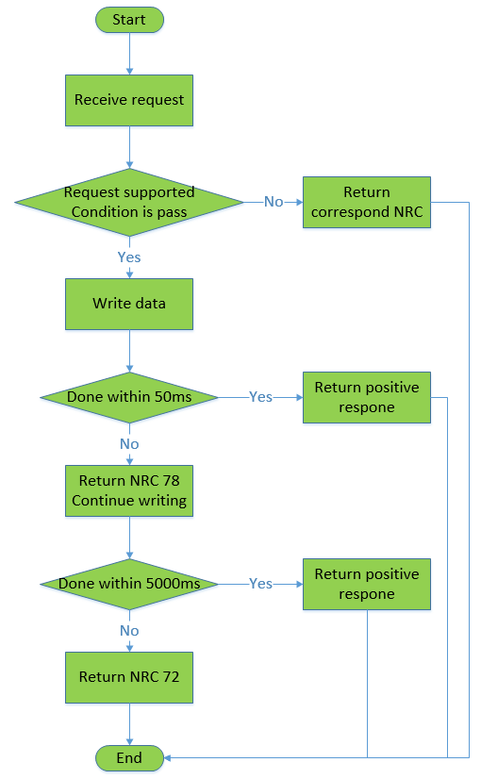
Mazda AB12_ DSM_VIN_TVV SRTP Matrix

<Purpose>
The document is created for DSM_VIN_TVV SRTP to test all possible and robust test scenarios

Test scenarios covered under each section is listed below

Part 1
SRTP Section | DESCRIPTION | SHEET
Read default VIN, TVV data and read in Proveout time | To check the default VIN, TVV data and behavious when read in Proveout time | 4.Read VIN, TVV data
Write VIN, TVV data and verify | To check behavious of DSM when writing and reading ECU in many scenarios | 5.Write VIN, TVV data and check
Writing NRC | To check negative response when sending invalid writing VIN, TVV request | 6.Writing VIN, TVV NRC
Reading NRC | To check negative response when sending invalid reading VIN, TVV request | 7.Reading VIN, TVV NRC

