EDR DCC Overview
Software Test Design Specification (SWTDS) - Mazda EDR DCC | V2.1

Overview EDR Data Collector

EDR Data Collector (EDR Functionality)

Data Sampler
Buffer Manager

Sensors
COM, Switch
POM
EVM
...
EDR Env
SoE
300 ms
EoE
...
5
DC Controller
4
Report
Manager
2
Control
Capture Buffer
Control Storage
CD/PD
3
6

Handle
Multi Event
7
- Use Customer Diagnostic Service ($22) to read out the EDR storage Data in NVM (EDR Record)
- Evaluate some mandatory data which can ensure the accuracy of the event type, severity, direction - The EDID 45, 48 for event number and time from 1st to nth event are used for checking the overwrite or multi event event handling

Storage Manager

1
8

NVM

SWTDS gives inputs for Testona and reasons why these inputs are chosen.

SWTDS
Overview (Finding Test Condition) Finding Dependency
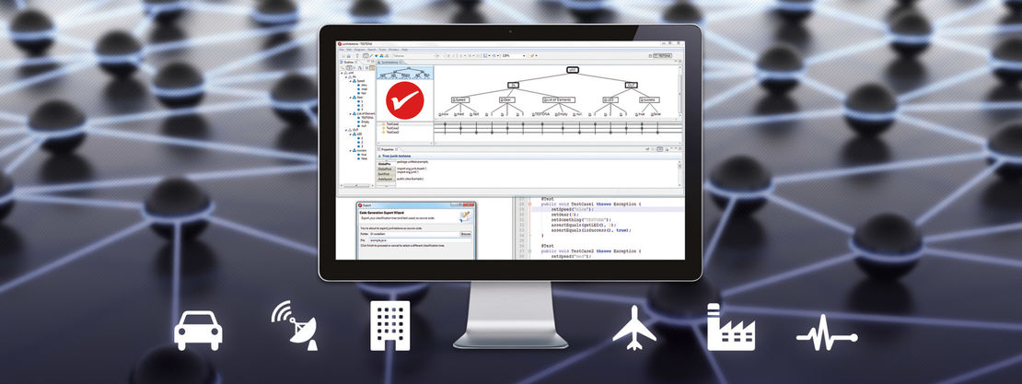
Testona
Test detailed design

Behaviour
Classification tree method; pairwise; state transition
Timing, Event (Behaviour)
Input
Output
Dependency rules
Information
Normal
case
Abnormal cases
(ELSE conditions)

Input
EDR DCC
Information
CustomerDiagnostic
Function
ELSE

Use case

ELSE
Timing, Event (Behaviour)
Dependency rules
Test implementation
Test case
Test arhcitecture design

Overview
Software Test Design Specification (SWTDS) - Use Case Analysis |  |  |  |  |  |  |  |  |  |  |  | V2.1

- This feature is required to ensure that the neccessay crash-related system data is recorded to NVM when crashes happen.
- With this feature, customer can read out the car state when collision happen . This will lead to an improve on the car design later
- The goal of this feature is to record accurate data for different types of crashes and avoid recording unnessesary data. Besides, this feature will decide the way data being recorded
Project information |  |  | Feature for customer (Motivation, Scope, Purpose) |  |  |  |  |  |  | Document information
Product / Project | Mazda J03A |  |  |  |  |  |  |  |  | Document Nr. | 1
Test item | EDR Event Data Recording |  |  |  |  |  |  |  |  | Author | Pham Thi Nu
Review history |  |  |  |  |  |  |  |  |  | Time frame | 20-May-19
Date on review | Review team |  |  |  |  |  |  |  |  | Test basis
2019-06-03 | Kasahara Yoichi (CC-PS/EPS1-JP) |  |  |  |  |  |  |  |  | Name |  | Baseline/Revision
 | Toshihiro Saito (CC-PS/EPS1-JP) |  |  |  |  |  |  |  |  | SYRS320_EDR_Recording_Data (4,5,6,7,8,9) |  | 11.26
 | Ballolli Vinay Kumar (CC-PS/RBVH - ESS2)
 | Le Xuan Truong (CC-PS/RBVH - ESS2)

Customer Diagnostic
Data set (EDIDs)
Function : Report crash data set of each storage buffer $22
- Tester sent request
- At plant, garage...
Fault Recorder
Fault status
Function : Store crashes related fault
- Crash threshold reached to >= NAD
At squib fired
Function : Fire airbag
Squib firing stus
Storage Buffer 3
Function : Contain crash data set of Crash Z
Event Data Recording (EDR Functionality )
Use case 1
Store data with different event priority
(Storage order: Most recent last)
In CA: when crash NAD reached, the buffer locked
Use case 4
Freeze memory when any squib/belt pretensioner deployed
Crash Detection (Evm)
Function : Detect and provide crash X, Y, Z...
Crash information
When any crash trigger
Power Supply
Function : Provide voltage condition
IGN status
IG voltage changing/switching during crash
ECU Mode
Function : Control system mode
System mode
When init EDR, crash trigger
Switch Management
Function : Provide switch status of driver and passenger
CAN
Function : Provide CAN signal state
Sensors Management
Function : Provide sensor ring buffer data
Airbag WL (AWL)
Function : Provide WL information
Fault Management (DEM)
Function : Provide fault information
system fault status
(Squib fault...)
When crash detected
Buckled/Unbuckled/Front/Rear most
NHTSA dynamic data
Data set of Crash X, Y, Z...
Use case 2
Handle multi event
(When number of events detected > number of storage/ capture buffer)
Storage Buffer 1
Function : Contain crash data set of Crash X
- Crash threshold reached
- No storage buffer available
- No capture buffer available
Lock/Unlock/Overwrite Information
Mazda: Rollover is considered as regular event
Mazda: ME Handling = 'Drop'
Visualization of the test design (overview)
1st step : Structure of this test item (Input, Function, Output) |  |  |  | 2nd step : Which information is exchanged? |  |  | 3rd step : When/where is this information exchanged? (Timing, Dynamic behaviour)

Storage Buffer 2
Function : Contain crash data set of Crash Y

Mazda: Static Rose is considered as regular event
Use case 3
Handle parallel event
(When Rollover and Static rollover along with Front/Side/Rear event)

Mazda number of storage buffer
WL status

Use case 5
Store data basing on data section priortity

Use case 6
Provide EDR Fault status

Use case 7
Check that the data is recorded for correct time and coordinate system

Use case 8
Check that the diagnostic services diag work correctly

Squib FL Management
Use case 9
Check that the recording is correct with strict threshold of sensor
Hint to find test conditions in airbag system -> Please find details in the "Feature library". |  |  |  |  |  |  |  | Change history
Feature |  | Awareness keywords |  |  | Feature | Awarness keywords |  | Nr. | Change
ECU mode |  | Idle, Disposal, Autarky, Plant mode, transition |  |  | Inputs | Switch, Central/Peripheral sensor |  | 1 | Delta Change of Mazda compared with Core-Asset
Power supply condition |  | High, Low, Normal, Fluctuation |  |  | Outputs | Hardwired/CAN Crash output
Fault recorder |  | Qualified/ Dequalified |  |  | Communication (CAN/LIN) | Vehicle speed, service brake, accelerator pedal
Indicator lamp |  | Airbag warning lamp, PADI ON/OFF lamp |  |  | Bosch/Customer plant | Plant mode operation, Customer plant features
Crash detection (EvM) |  | Crash detected information '- T0 (algo active time) - Crash severity (Noise, ND, NAD, AD) - Crash type (Single, parallel, multi) - Crash direction (Front, Side, Roll, Rear) |  |  | System configuration | Driver position (D/P or L/R), variant configuration
Crash recorder (EDR) |  | - Event priority (Event severity, event order) - Storage order (Most recent last) - Freeze memory

Use case 2 - MEHandling
Software Test Design Specification (SWTDS) - Finding Dependency (Multi Event Handling) |  |  |  |  |  |  |  |  |  |  |  |  |  |  |  |  |  |  |  | V2.1 |  |  |  |  |  |  |  |  |  |  |  |  |  |  |  |  |  |  |  |  |  |  |  |  |  |  |  |  |  |  |  |  |  |  |  |  |  |  |  |  |  |  |  |  |  |  | V2.1

EDR DCC
Use case 2: Handle multi event
(When number of events detected > number of storage/ capture buffer)
Storage Buffer 1 - 2 - 3
Lock/Unlock/Overwrite Information
Function : Contain crash data set of Crash X - Y - Z
- Crash threshold reached
- No storage buffer available
- No capture buffer available
Env data
DSM $22
Data set (EDIDs)
Function : Report crash data set of each storage buffer $22
- Tester sent request
- At plant, garage...
Crash trigger
Crash information
Event management
Function : Detect and provide crash X, Y, Z...
Until crash trigger
IGN status
Power Supply
Function : Provide voltage condition
Before or During crash
Data status
Data Set X, Y, Z
Function : : Provide environment data information
1st step : Structure of this test item with external (controllable/measurable) inputs/outputs |  |  |  |  |  |  |  |  | Behaviour analysis (to find out scenarios) |  |  |  |  |  |  |  |  |  |  |  |  |  |  |  |  |  |  |  | Behaviour analysis (to find out scenarios)
 |  |  |  |  |  |  |  |  | Note: Discard new event: All crash - related data will not be recorded |  |  |  |  |  |  |  |  |  |  |  |  |  |  |  |  |  |  |  | Note: Discard new event: All crash - related data will not be recorded
 |  |  |  |  |  |  |  |  |  | Mazda has 3 storage and capture buffers |  |  |  |  |  |  |  |  |  |  |  |  |  |  |  |  |  |  |  | Mazda has 3 storage and capture buffers |  |  |  |  |  |  |  |  |  |  |  |  |  |  |  |  |  |  |  |  | Case 1: Event 3 is AD |  |  |  |  |  |  |  |  |  |  |  |  | Case 2: Event 3 is NAD/ND
 |  |  |  |  |  |  |  |  |  |  |  |  |  |  |  |  |  |  |  |  |  |  |  |  |  |  |  |  |  |  |  |  |  |  |  |  |  |  |  |  |  |  |  |  |  |  |  |  |  |  | When autarky happened at the 4th incident, event is close to each other |  |  |  |  |  |  |  |  |  |  |  |  | When autarky happened at the 4th incident, event is close to each other
 |  |  |  |  |  |  |  |  |  |  |  |  |  |  |  | Crashes standard chosen for testing |  |  |  |  |  |  |  |  |  |  |  |  |  |  |  |  |  |  |  |  |  | Crashes standard chosen for testing |  |  |  |  |  |  |  |  |  |  |  |  | - Only mandatory data of the 3rd event is need to be completed |  |  |  |  |  |  |  |  |  |  |  |  | - Data of the previous incident is not cared
 |  |  |  |  |  |  |  |  |  |  |  |  |  |  |  | 1. Time to complete data recording for event: >5s |  |  |  |  |  |  |  |  |  |  |  |  |  |  |  |  |  |  |  |  |  | 1. Time to complete data recording for event: >5s |  |  |  |  |  |  |  |  |  |  |  |  | - The data of 4th incident is discard |  |  |  |  |  |  |  |  |  |  |  |  | - The only data of 4th incident is need to be recorded
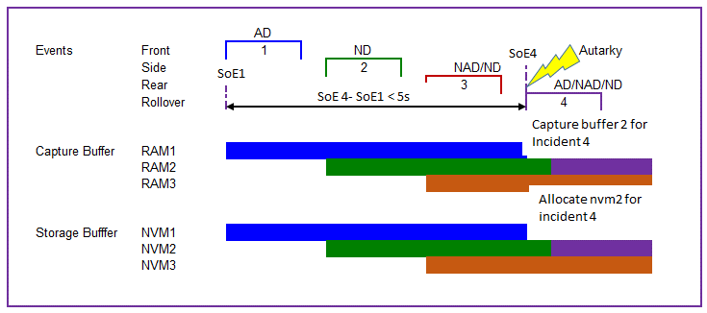
 |  |  |  |  |  |  |  |  |  |  |  |  |  |  |  | 2. Number of events > number of capture and storage buffers |  |  |  |  |  |  |  |  |  |  |  |  |  |  |  |  |  |  |  |  |  | 2. Number of events > number of capture and storage buffers
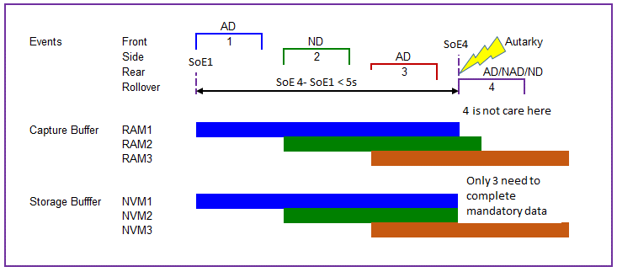
 |  |  |  |  |  |  |  |  |  |  |  |  |  |  |  | 3. To make that capture bufffer not available: |  |  |  |  |  |  |  |  |  |  |  |  |  |  |  |  |  |  |  |  |  | 3. To make that capture bufffer not available:
 |  |  |  |  |  |  |  |  |  |  |  |  |  |  |  | => Timing between event should be small (But with Mazda, it can be <5s, close to each other) |  |  |  |  |  |  |  |  |  |  |  |  |  |  |  |  |  |  |  |  |  | => Timing between event should be small (But with Mazda, it can be <5s, close to each other)
 |  |  |  |  |  |  |  |  |  |  |  |  |  |  |  |  |  |  |  |  |  |  |  |  |  |  |  |  |  |  |  |  |  |  |  |  |  | 4. Choose crashes which lead to the discard of new event
 |  |  |  |  |  |  |  |  |  |  |  |  |  |  |  | Multi Event Handling type Drop description
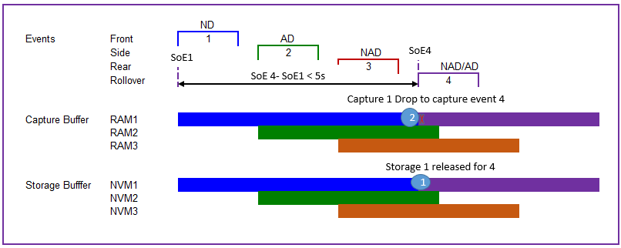
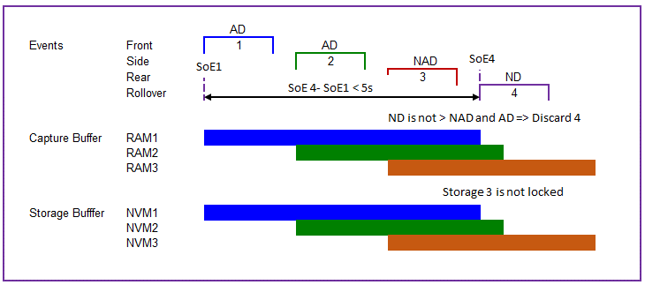

1. Using EDID 45 for event number check:
- parallel event/single event/1st Incident => 0x01
- from 2nd incident => 0x02...
2. Using EDID 48 for Time form initial to current event
3. Using other NTHSA EDIDs to read the data recorded to NVM
(Sensor => 31, 32, 27; CAN => 91, 92, 95; Switch => 71, 77)
4. Event Type EDID 1600 and 1601 are OEM data, which cannnot complete recording in autarky condition. => No use to verify in this case

Squib Management
 |  |  |  |  |  |  |  |  |  |  |  |  |  |  |  | With the current implementation of Mazada:
 |  |  |  |  |  |  |  |  |  |  |  |  |  |  |  | - Overwrite the buffer will be same for Multi Event Handling |  |  |  |  |  |  |  |  |  |  |  |  |  |  |  |  |  |  |  |  |  |  |  |  |  | Example
Function : Fire airbag

At squib fired
Central censor faulty ECU is in Idle mode, Init mode
 |  |  |  |  |  |  |  |  | Normal scenario - Multiple crashes detected closely < 5s, 1 storage buffer is not locked, lowest & oldest event is dropped |  |  |  |  |  |  |  |  |  |  |  |  |  |  |  |  |  |  |  | Abnormal scenario - Multiple crashes detected closely < 5s and no capture buffer available (Discard new event) |  |  |  |  |  |  |  |  |  |  |  |  |  |  |  |  |  |  |  |  | Abnormal Scenario - Autarky happened at the incident 4 when storage buffer is not locked
Functions (Test conditions) | Input (=>) | Detect crash | Aspects of this function
 |  |  | (1) Event active time |  |  |  |  |  |  |  |  | ON |  |  |  |  |  |  |  |  |  |  |  |  |  |  |  |  |  |  |  |  | ON
Normal driving mode
Init mode
Normal driving mode
Init mode
Normal driving mode
Init mode
Normal driving mode
Init mode
Normal driving
 |  |  |  | T01-T02-T03-T04
 |  |  | (2) Event Direction |  |  |  |  |  | IGN Volt | OFF |  |  |  |  |  |  |  |  |  |  |  |  |  |  |  |  |  |  | IGN Volt | OFF |  |  |  |  |  |  |  |  |  |  |  |  |  |  |  |  |  |  |  | ECU Mode
 |  |  |  | Front
Event management
 |  |  |  | Side
Event Active Time
Event Direction
Event Severity
 |  |  |  | Rollover
Sensor
Using Quate to simulate crashes
 |  |  |  | Rear
 |  |  | (3) Event severity |  |  |  |  |  |  | Severity |  |  |  |  |  |  |  |  |  |  |  |  |  |  |  |  |  |  |  | Severity |  |  |  |  |  |  |  |  |  |  |  |  |  |  |  |  |  |  |  |  | Severity
 |  |  |  | Noise |  |  |  |  |  |  |  |  |  |  |  |  | <5s |  |  |  |  |  |  |  |  |  |  |  |  |  |  |  |  |  |  |  |  |  | <5s |  |  |  |  |  |  |  |  |  |  |  |  |  |  |  |  |  |  |  |  | <5s
 |  |  |  | ND |  |  |  |  | AD |  |  |  |  |  |  |  |  |  |  |  |  |  |  |  |  |  |  |  | AD |  |  |  |  |  |  |  |  |  |  |  |  |  |  |  |  |  |  |  |  | AD
 |  |  |  | NAD |  |  |  |  |  |  |  |  |  |  | Incident 1 |  |  |  |  |  |  | Incident 4 |  |  |  |  |  |  |  |  |  |  |  |  | Incident 1 |  |  |  |  |  |  |  |  |  |  |  |  |  |  |  |  |  |  |  |  | Incident 1
 |  |  |  | AD |  |  |  |  | NAD |  |  |  |  |  |  |  |  |  |  |  |  |  |  |  |  |  |  |  | NAD |  |  |  |  |  |  |  |  | Incident 2 |  |  |  |  |  |  |  |  |  |  |  | NAD |  |  |  |  |  |  |  | Incident 2
 |  |  | (4) System mode |  |  |  |  |  | ND |  |  |  |  |  |  |  |  |  |  |  |  |  |  |  |  |  |  |  | ND |  |  |  |  |  |  |  |  |  |  |  | Incident 3 |  |  |  |  |  |  |  |  | ND |  |  |  |  |  |  |  |  |  |  |  | Incident 3
Fault record
AWL
Sensor Fault record, ECU is Idle
Crash cannot be detected
 |  |  |  | Normal driving mode |  |  |  |  | Noise |  |  |  |  |  |  |  | Incident 2 |  | Incident 3 |  |  |  |  |  |  |  |  |  | Noise |  |  |  |  |  |  |  |  |  |  |  |  |  |  | Incident 4 |  |  |  |  |  | Noise |  |  |  |  |  |  |  |  |  |  |  |  |  | Incident 4
 |  |  |  | Init mode |  |  |  |  |  |  |  |  |  |  |  |  |  |  |  |  |  |  |  |  |  |  |  | Time (s) |  |  |  |  |  |  |  |  |  |  |  |  |  |  |  |  |  |  |  | Time (s) |  |  |  |  |  |  |  |  |  |  |  |  |  |  |  |  |  |  | Time (s)
 |  |  |  | Idle mode |  |  |  |  |  |  |  |  |  |  | t01 |  | t02 |  | t03 |  |  | t04 |  |  |  |  |  |  |  |  |  |  |  |  | t01 |  |  | t02 |  |  | t03 |  |  | t04 |  |  |  |  |  |  |  |  |  |  |  | t01 |  | t02 |  |  |  | t03 |  | t04
 |  |  |  | Plant mode
 |  |  |  | Autarky mode
IGN Voltage
Power supply
Control by TSG4
Normal driving mode
ECU is in Idle mode, Init mode
IGN value
Sensor Fault record, ECU is Idle
Crash cannot be detected
Autarky Time
 | Input (=>) | Power Supply | Aspects of this function
Init mode
Normal driving mode
 |  |  | (1) IGN Volatge |  |  |  |  |  | Normal, Low, High |  |  | ON |  |  |  |  |  |  |  |  |  |  |  |  |  |  |  |  | Normal, Low, High |  |  |  | ON |  |  |  |  |  |  |  |  |  |  |  |  |  |  |  |  | Normal |  |  |  | ON
Init mode
Normal driving mode
Init mode
Normal driving mode
 |  |  |  | Low
 |  |  |  | Normal |  |  |  |  | IGN Volt | OFF |  |  |  |  |  |  |  |  |  |  |  |  |  |  |  |  |  |  | IGN Volt | OFF |  |  |  |  |  |  |  |  |  |  |  |  |  |  |  |  |  |  |  | IGN Volt | OFF
 |  |  |  | High

ECU is in Idle mode, Init mode
 | Input (=>) | Squib management | Aspects of this function

Crash direction, severity
 |  |  | (1) Squib deploy time |  |  |  |  |  |  | Squib deploy |  |  |  |  |  |  |  |  |  |  |  |  |  |  |  |  |  |  |  | Squib deploy |  |  |  |  |  |  |  |  |  |  |  |  |  |  |  |  |  |  |  |  | Squib Deploy

Squib managment
Squibs deployed time
 |  |  |  | AB1FD | AB1RD | IC1FD | FS1FD | BT1FP |  |  |  |  |  |  | Deploy |  |  |  |  |  |  |  |  |  |  |  |  |  |  |  |  |  |  |  |  | Deploy |  |  |  |  |  |  |  |  |  |  |  |  |  |  |  |  |  |  |  |  | Deploy
 |  |  |  | AB1FP | AB1RP | IC1FP | SA1RD |  |  |  |  |  |  |  | LCT measure |  |  |  |  |  |  | LCT measure |  |  |  |  |  |  |  |  |  |  |  |  | LCT measure |  |  |  |  |  |  |  |  |  |  |  |  |  |  |  |  |  |  |  |  | LCT measure
 |  |  |  | AB2FD | AB2RD | SA1FD | SA1RP |  |  |  |  |  |  |  |  |  |  |  |  |  |  |  |  |  |  |  |  |  |  |  |  |  |  |  |  |  |  | LCT measure |  |  |  |  |  |  |  |  |  |  |  |  |  |  |  |  |  |  |  | LCT measure
Control by TSG4, measured with LCT
 |  |  |  | AB2FP | AB2RP | SA1FP | BT1FD |  |  |  |  |  |  |  |  |  |  |  |  |  |  |  |  |  |  |  |  |  |  |  |  |  |  |  |  |  |  |  |  |  | LCT measure |  |  |  |  |  |  |  |  |  |  |  |  |  |  |  |  |  |  |  |  | LCT measure
 |  |  |  |  |  |  |  |  |  |  |  |  |  |  |  |  | LCT measure |  | LCT measure |  |  |  |  |  |  |  |  |  |  |  |  |  |  |  |  |  |  |  |  |  |  |  |  | LCT measure |  |  |  |  |  |  |  |  |  |  |  |  |  |  |  |  |  |  |  | LCT measure
 |  |  |  |  |  |  |  |  |  |  |  |  |  |  |  |  |  |  |  |  |  |  |  |  |  |  |  | Time (s) |  |  |  |  |  |  |  |  |  |  |  |  |  |  |  |  |  |  |  | Time (s) |  |  |  |  |  |  |  |  |  |  |  |  |  |  |  |  |  |  | Time (s)
Squib firing current
Crash cannot be detected
Airbag will not deployed

ECU is in Idle mode, Init mode
 | Input (=>) | CAN, Switch, Sensor Module (Data Set) | Aspects of this function

No faulty source
 |  |  | (1) Switch status |  |  |  |  |  |  |  |  |  |  |  |  |  |  |  |  |  |  |  |  |  |  |  |  |  |  | Data set
 |  |  |  | State 1 = Position A |  |  |  |  |  |  |  |  |  |  |  |  |  |  |  |  |  |  |  |  |  |  |  |  |  |  |  |  |  |  |  |  |  |  |  |  |  |  |  |  |  |  |  |  |  |  | Data Set
 |  |  |  | State 2 = Position B |  |  |  |  |  | Data Set |  |  | Data Set 1 |  |  | Data Set 2 |  | Data Set 3 |  |  | Data Set 4 |  |  |  |  |  |  |  |  |  |  |  |  | Data Set 1 |  |  | Data Set 2 |  |  | Data Set 3 |  |  | Data Set 4 |  |  |  |  |  |  |  |  |  |  |  | Data Set 1 |  | Data Set 2 |  |  |  | Data Set 3 |  | Data Set 4
Data Set X, Y, Z
Environment data
Control by TSG4, Quate
 |  |  | (2) Sensor simulation data from Quate |  |  |  |  |  |  |  |  |  |  |  | Event type 1 |  |  |  |  |  |  | Event type 4 |  |  |  |  |  |  |  |  |  |  |  |  | Event type 1 |  |  |  |  |  |  |  |  |  |  |  |  |  |  |  |  |  |  |  |  | Event type 1
 |  |  |  |  |  |  |  |  |  |  |  |  |  |  |  |  |  |  |  |  |  |  |  |  |  |  |  |  |  |  |  |  |  |  |  |  |  | Event type 2 |  |  |  |  |  |  |  |  |  |  |  |  |  |  |  |  |  |  |  | Event type 2
 |  |  | (3) CAN data from CAN |  |  |  |  |  |  |  |  |  |  |  |  |  |  |  |  |  |  |  |  |  |  |  |  |  |  |  |  |  |  |  |  |  |  |  |  |  | Event type 3 |  |  |  |  |  |  |  |  |  |  |  |  |  |  |  |  |  |  |  |  | Event type 3
 |  |  |  |  |  |  |  |  |  |  |  |  |  |  |  |  | Event type 2 |  | Event type 3 |  |  |  |  |  |  |  |  |  |  |  |  |  |  |  |  |  |  |  |  |  |  |  |  | Event type 4 |  |  |  |  |  |  |  |  |  |  |  |  |  |  |  |  |  |  |  | Event type 4
 |  |  | (4) System WL AWL |  |  |  |  |  |  |  |  |  |  |  |  |  |  |  |  |  |  |  |  |  |  |  |  | Time (s) |  |  |  |  |  |  |  |  |  |  |  |  |  |  |  |  |  |  |  | Time (s)
Switch status not update correct data
 |  |  |  | ON
Status data
 |  |  |  | OFF

 |  |  |  | This part: Default value from source are used

>10 s
Data is in recording
Request time
>10 s
 | (=>) Output | DSM report data set of crash in each storage buffer | Aspects of this function
 |  |  | (1) DSM response |  |  |  |  |  |  | DSM service (reporting part) |  |  |  |  |  |  |  |  |  |  |  |  |  |  |  |  |  |  |  | DSM service (reporting part) |  |  |  |  |  |  |  |  |  |  |  |  |  |  |  |  |  |  |  |  | DSM service (reporting part)

DSM
Reported Data by test tool
 |  |  |  | For EDID 1061 Crash direction |  |  |  |  | REQ |  |  |  |  |  |  |  |  |  |  |  |  |  |  |  | 22 D9 F1 22 DIDx1 22 D9 F2 22 DIDx2 22 D9 F3 22 DIDx3 |  |  |  | REQ |  |  |  |  |  |  |  |  |  |  |  |  |  |  |  |  | 22 D9 F1 22 DIDx1 22 D9 F2 22 DIDx2 22 D9 F3 22 DIDx3 |  |  |  | REQ |  |  |  |  |  |  |  |  |  |  |  |  |  |  |  | 22 D9 F1 22 DIDx1 22 D9 F2 22 DIDx2 22 D9 F3 22 DIDx3
 |  |  |  | For each squib firing time EDID
~ 50 ms
~ 50 ms
~ 50 ms
Tester send $22 request
Response of $22 DIDx for crash directions and squibs firing time in each stored buffer
NRC 22
Data will not be read out
 |  |  | (2) Storage Buffer |  |  |  |  |  | PR |  |  |  |  |  |  |  |  |  |  |  |  |  |  |  |  |  | 62 D9F1 Data1 62 DIDx1 Datax1 62 D9F2 Data2 62 DIDx2 Datax2 62 D9F3 Data3 62 DIDx3 Datax3 |  | PR |  |  |  |  |  |  |  |  |  |  |  |  |  |  |  |  |  | 62 D9F1 Data1 62 DIDx1 Datax1 62 D9F2 Data2 62 DIDx2 Datax2 62 D9F3 Data3 62 DIDx3 Datax3 |  |  | PR |  |  |  |  |  |  |  |  |  |  |  |  |  |  |  |  |  | 62 D9F1 Data1 62 DIDx1 Datax1 62 D9F2 Data2 62 DIDx2 Datax2 62 D9F3 Data3 62 DIDx3 Datax3
 |  |  |  | 1
 |  |  |  | 2
 |  |  |  | 3

 |  |  |  |  |  |  |  |  |  |  |  |  |  | Event type 1 Data set 1 EDID 45 = 1 |  |  |  |  | Event type 4 Data set 4 EDID 45 = 4 |  |  |  |  |  | Event type 3 Data set 3 EDID 45 = 3 |  |  |  |  |  |  |  |  |  | Event type 1 Data set 1 EDID 45 = 1 |  |  |  |  |  | Event type 2 Data set 2 EDID 45 = 2 |  |  |  |  | Event type 3 Data set 3 EDID 45 = 3 |  |  |  |  |  |  |  |  |  | Mandatory data Data set 1 EDID 45 = 1 |  |  |  |  |  | Mandatory data Data set 2 EDID 45 = 2 |  |  | Mandatory data Data set 4 EDID 45 = 4
 |  |  |  |  |  |  |  |  |  |  |  |  |  |  |  |  |  |  |  |  |  |  |  |  |  |  |  |  |  |  | Storage Buffer |  |  |  |  |  |  |  |  |  |  |  |  |  |  |  |  |  |  |  |  | Storage Buffer
 |  |  |  |  |  |  |  |  |  |  | Storage Buffer

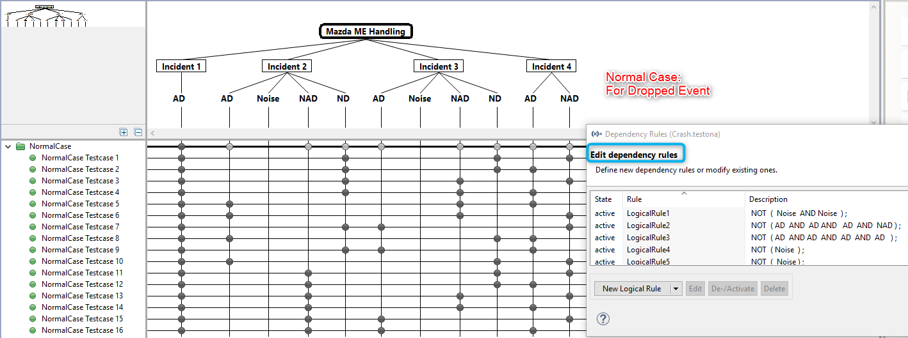
 | (=>) Output | Derivation of the test cases
 |  |  |  |  |  |  |  |  |  | Crash combination is chosen by testona |  |  |  |  |  |  |  |  |  |  |  |  |  |  |  |  |  |  |  |  |  |  |  |  |  |  |  |  |  |  |  |  |  |  |  |  |  |  |  |  | Crash choosen
 |  |  |  |  |  |  |  |  |  |  |  |  |  |  |  |  |  |  |  |  |  |  |  |  |  |  |  |  |  |  |  |  |  |  |  |  |  |  |  |  |  |  |  |  |  |  |  |  |  |  | Inc1 | Inc2 | Inc3 | Inc4 | Drop Event |  | Rec1 | Rec2 | Rec 3 |  |  | Crash Chosen
 |  |  |  |  |  |  |  |  |  |  |  |  |  |  |  |  |  |  | Inc1 | Inc2 | Inc3 | Inc4 | Drop Event | Rec1 | Rec2 | Rec 3 | TC chosen |  |  | Inc1 | Inc2 | Inc3 | Inc4 | Drop Event | Rec1 | Rec2 | Rec 3 |  |  |  |  |  |  |  |  |  |  |  |  |  | ND | ND | AD | AD | No |  | X | X | Mandatory Inc3 |  |  | Multi-EDR-Ext-Rear-ND-SideD-ND-Front-AD-SideP-AD;5
 |  |  |  |  |  |  |  |  |  |  |  |  |  |  |  |  |  |  | AD | ND | ND | AD NAD NAD | 2 | Inc1 | Inc4 | Inc3 |  |  |  | AD | AD | AD | AD | No | Inc1 | Inc2 | Inc3 |  |  |  |  |  |  |  |  |  |  |  |  |  | NAD | AD | NAD | ND | Inc1 |  | X | X | Mandatory Inc4 |  |  | RearNAD - RollAD - SideNAD -FrontND (Cust Request - CL 150)
 |  |  |  |  |  |  |  |  |  |  |  |  |  |  |  |  |  |  | AD | ND | AD | AD NAD NAD | 2 | Inc1 | Inc4 | Inc3 |  |  |  | NAD | AD | AD | ND | No | Inc1 | Inc2 | Inc3 |  |  |  |  |  |  |  |  |  |  |  |  |  | NAD | AD | ND | Noise | Inc3 |  | X | X | Mandatory Inc4 |  |  | Multi-EDR-RearNAD-FrontAD-SideND-FrontNoise;5
 |  |  |  |  |  |  |  |  |  |  |  |  |  |  |  |  |  |  | AD | ND NAD | NAD | AD NAD ND | 2 | Inc1 | Inc4 | Inc3 |  |  |  | NAD | AD | ND | Noise | No | Inc1 | Inc2 | Inc3 |  |  |  | Multi Event Handling
 |  |  |  |  |  |  |  |  |  |  |  |  |  |  |  |  |  |  | AD | AD | Noise | AD | No | Inc1 | Inc2 | Inc4 | Buffer Available |  |  | AD | NAD | NAD | ND | No | Inc1 | Inc2 | Inc3
 |  |  |  |  |  |  |  |  |  |  |  |  |  |  |  |  |  |  | AD | ND | Noise | AD | No | Inc1 | Inc2 | Inc4 | Buffer Available |  |  | AD | AD | NAD | ND | No | Inc1 | Inc2 | Inc3 |  |  |  | SYRS tag |  |  | Input |  |  |  |  |  |  |  |  |  | Output |  |  |  |  | Use case |  | TS Tag
 |  |  |  |  |  |  |  |  |  |  |  |  |  |  |  |  |  |  | AD | AD | NAD ND | AD NAD | 3 | Inc1 | Inc2 | Inc4 |  |  |  | AD | AD | AD | NND | No | Inc1 | Inc2 | Inc3 |  |  |  |  |  |  | IGN ON wait 8s | Supply Voltage | Inject Multi Crash |  | Wait time | Power off |  | Power On and Read all EDR Data |  |  | Record 1 (EDID = expected value) |  | Record 2 (EDID = expected value) | Record 3 (EDID = expected value)
 |  |  |  |  |  |  |  |  |  |  |  |  |  |  |  |  |  |  | AD | NAD | ND | NAD ND | 3 | Inc1 | Inc2 | Inc4 |  |  |  |  |  |  |  |  |  |  |  |  |  |  | SYRS |  |  | Normal Mode | Normal Voltage | RearNAD-FrontAD-SideND-FrontNoise |  | >15s | No |  | Send all 22 DIDs to read all EDR data |  |  | 1600 = Rear 45 = 1 Data Set 1 |  | 1600 = Front 45 = 2 Data Set 2 | 1600 = Side 45 = 3 Data Set 3 |  | Abnormal |  | 888
 |  |  |  |  |  |  |  |  |  |  |  |  |  |  |  |  |  |  | ND | NAD ND AD | ND NAD AD | NAD AD ND | 1 | Inc4 | Inc2 | Inc3 |  |  |  |  |  |  |  |  |  |  |  |  |  |  |  |  |  |  |  | RearNAD_RollAD_SideNAD_FrontND |  |  | No |  |  |  |  | 1600 = Rear 45 = 1 Data Set 1 |  | 1600 = Front 45 = 2 Data Set 2 | 1600 = Side 45 = 3 Data Set 3 |  | Abnormal |  | 1150
 |  |  |  |  |  |  |  |  |  |  |  |  |  |  |  |  |  |  | NAD | AD | NAD | AD | 1 | Inc4 | Inc2 | Inc3 |  |  |  |  |  |  |  |  |  |  |  |  |  |  |  |  |  |  |  | RearNAD-FrontAD-SideND-FrontNoise |  | t04 | Yes |  |  |  |  | Mand1 can be completed |  | Mand2 can be completed | 45 = 4 Data Set 4 |  | Abnormal Autarky |  | 1852
 |  |  |  |  |  |  |  |  |  |  |  |  |  |  |  |  |  |  |  |  |  |  |  |  |  |  |  |  |  |  |  |  |  |  |  |  |  |  |  |  |  |  |  |  |  | RearNAD_RollAD_SideNAD_FrontND |  |  | Yes |  |  |  |  | 45 = 4 Data Set 4 |  | Mand2 can be completed | Empty |  | Abnormal Autarky |  | 1151
 |  |  |  |  |  |  |  |  |  |  |  |  |  |  |  |  |  |  |  |  |  |  |  |  |  |  |  |  |  |  |  |  |  |  |  |  |  |  |  |  |  |  |  |  |  | Rear_ND_SideLND_Front_AD_SideRAD |  | >15s | No |  |  |  |  | 1600 = Side 45 = 4 Data Set 4 |  | 1600 = Side 45 = 2 Data Set 2 | 1600 = Front 45 = 3 Data Set 3 |  | Drop 1 |  | 889
 |  |  |  |  |  |  |  |  |  |  |  |  |  |  |  |  |  |  |  |  |  |  |  |  |  |  |  |  |  |  |  |  |  |  |  |  |  |  |  |  |  |  |  |  |  | FrontAD_SideND_FrontND_SideAD |  | >15s | No |  |  |  |  | 1600 = Front 45 = 1 Data Set 1 |  | 1600 = Side 45 = 4 Data Set 4 | 1600 = Front 45 = 3 Data Set 3 |  | Drop 2 |  | 890
 |  |  |  |  |  |  |  |  |  |  |  |  |  |  |  |  |  |  |  |  |  |  |  |  |  |  |  |  |  |  |  |  |  |  |  |  |  |  |  |  |  |  |  |  |  | FrtND_RearND_RolloverAD_SideLAD |  | >15s | No |  |  |  |  | 1600 = Side 45 = 4 Data Set 4 |  | 1600 = Rear 45 = 2 Data Set 2 | 1600 = Roll 45 = 3 Data Set 3 |  | Drop1 |  | 891
 |  |  |  |  |  |  |  |  |  |  |  |  |  |  |  |  |  |  |  |  |  |  |  |  |  |  |  |  |  |  |  |  |  |  |  |  |  |  |  |  |  |  |  |  |  | FrontAD_FrontNoise_SideAD_FrontAD |  | >15s | No |  |  |  |  | 1600 = Front 45 = 1 Data Set 1 |  | 1600 = Side 45 = 3 Data Set 3 | 1600 = Front 45 = 4 Data Set 4 |  | Buffer available |  | 892
 |  |  |  |  |  |  |  |  |  |  |  |  |  |  |  |  |  |  |  |  |  |  |  |  |  |  |  |  |  |  |  |  |  |  |  |  |  |  |  |  |  |  |  |  |  | FrontAD_SideLAD_FrontAD_SideRAD |  | >15s | No |  |  |  |  | 1600 = Front 45 = 1 Data Set 1 |  | 1600 = Side 45 = 2 Data Set 2 | 1600 = Front 45 = 3 Data Set 3 |  | Abnormal No buffer |  | 895
 |  |  |  |  |  |  |  |  |  |  |  |  |  |  |  |  |  |  |  |  |  |  |  |  |  |  |  |  |  |  |  |  |  |  |  |  |  |  |  |  |  |  |  |  |  | RearND_SideLND_FrontAD_SideRAD |  | t04 | Yes |  |  |  |  | Mand1 can be completed |  | Mand2 can be completed | 45 = 3 Data Set 3 |  | No Drop Autarky |  | 1043
 |  |  |  |  |  |  |  |  |  |  |  |  |  |  |  |  |  |  |  |  |  |  |  |  |  |  |  |  |  |  |  |  |  |  |  |  |  |  |  |  |  |  |  |  | Low Voltage | RearND_SideLND_Front_AD_SideRAD |  | >15s | No |  |  |  |  | 1600 = Side 45 = 4 Data Set 4 |  | 1600 = Side 45 = 2 Data Set 2 | 1600 = Front 45 = 3 Data Set 3 |  | Drop 1 |  | 815
 |  |  |  |  |  |  |  |  |  |  |  |  |  |  |  |  |  |  |  |  |  |  |  |  |  |  |  |  |  |  |  |  |  |  |  |  |  |  |  |  |  |  |  |  |  | FrtND_RearND_RolloverAD_SideLAD |  | >15s | No |  |  |  |  | 1600 = Side 45 = 4 Data Set 4 |  | 1600 = Rear 45 = 2 Data Set 2 | 1600 = Roll 45 = 3 Data Set 3 |  | Drop1 |  | 818
 |  |  |  |  |  |  |  |  |  |  |  |  |  |  |  |  |  |  |  |  |  |  |  |  |  |  |  |  |  |  |  |  |  |  |  |  |  |  |  |  |  |  |  |  |  | FrontND_FrontNAD_SideRAD_FrontAD |  | >15s | No |  |  |  |  | 1600 = Front 45 = 4 Data Set 4 |  | 1600 = Front 45 = 2 Data Set 2 | 1600 = Side 45 = 3 Data Set 3 |  | Drop2 |  | 889
 |  |  |  |  |  |  |  |  |  |  |  |  |  |  |  |  |  |  |  |  |  |  |  |  |  |  |  |  |  |  |  |  |  |  |  |  |  |  |  |  |  |  |  |  | High Voltage | RearND_SideLND_Front_AD_SideRAD |  | >15s | No |  |  |  |  | 1600 = Side 45 = 4 Data Set 4 |  | 1600 = Side 45 = 2 Data Set 2 | 1600 = Front 45 = 3 Data Set 3 |  | Drop 1 |  | 816
 |  |  |  |  |  |  |  |  |  |  |  |  |  |  |  |  |  |  |  |  |  |  |  |  |  |  |  |  |  |  |  |  |  |  |  |  |  |  |  |  |  |  |  |  |  | FrtND_RearND_RolloverAD_SideLAD |  | >15s | No |  |  |  |  | 1600 = Side 45 = 4 Data Set 4 |  | 1600 = Rear 45 = 2 Data Set 2 | 1600 = Roll 45 = 3 Data Set 3 |  | Drop1 |  | 814
 |  |  |  |  |  |  |  |  |  |  |  |  |  |  |  |  |  |  |  |  |  |  |  |  |  |  |  |  |  |  |  |  |  |  |  |  |  |  |  |  |  |  |  |  |  | FrontND_FrontNAD_SideRAD_FrontAD |  | >15s | No |  |  |  |  | 1600 = Front 45 = 4 Data Set 4 |  | 1600 = Front 45 = 2 Data Set 2 | 1600 = Side 45 = 3 Data Set 3 |  | Drop2 |  | 900

Use case 1 - Storage priority
Software Test Design Specification (SWTDS) - Finding Dependency (Storage Priority) |  |  |  |  |  |  |  |  |  |  |  |  |  |  |  |  |  |  |  |  |  | V2.1

1st step : Structure of this test item with external (controllable/measurable) inputs/outputs |  |  |  |  |  |  |  |  | Behaviour analysis (to find out scenarios) |  |  |  |  |  |  |  |  |  |  |  |  |  |  |  |  |  | Behaviour analysis (to find out scenarios) |  |  |  |  |  |  |  |  |  |  |  |  |  |  |  |  | Behaviour analysis (to find out scenarios)
EDR DCC
Use case 1: Store data with different event priority
(Storage order: Most recent last)
Storage Buffer 1 - 2 - 3
Lock/Unlock/Overwrite Information
Function : Contain crash data set of Crash X - Y - Z
- Crash threshold reached
- No storage buffer available
- No capture buffer available
Squib firing status
DSM $22
Data set (EDIDs)
Function : Report crash data set of each storage buffer $22
- Tester sent request
- At plant, garage...
Crash trigger
Crash information
Event management
Function : Detect and provide crash X, Y, Z...
Until crash trigger
IGN status
Power Supply
Function : Provide voltage condition
Before or During crash
Data status
Data Set X, Y, Z
Function : Provide environment data information
 |  |  |  |  |  |  |  |  |  | Event Type and Event threshold |  |  |  |  |  |  |  |  |  |  |  |  |  |  |  |  |  | Event timing chosen strictly with critical storage of multi event and 2 single events |  |  |  |  |  |  |  |  |  |  |  |  |  |  |  |  |  |  |  |  |  |  |  |  |  |  |  |  |  |  |  |  |  |  |  |  |  |  | Autarky happened during event 2 (Critical at t02, can happened at t6) |  |  |  |  |  |  |  |  |  |  |  |  |  |  |  |  |  |  |  |  |  |  | No crash data record in Mazda Plant mode

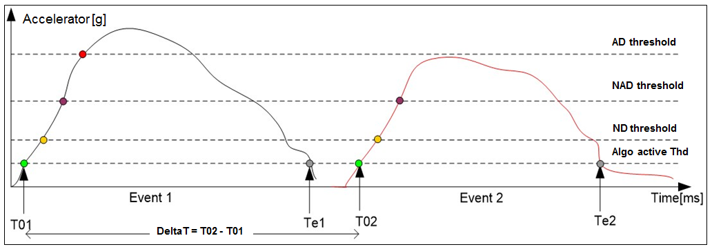
Incident 3 is optional
Incident 3 is optional
 |  |  |  |  |  |  |  |  |  |  |  |  |  |  |  |  |  |  |  |  |  |  |  |  |  |  |  | Threshold |  |  |  |  |  |  | 5s |  |  |  |  |  |  |  |  |  | Threshold |  |  |  |  |  |  |  |  |  |  |  |  |  |  |  |  |  |  |  |  |  |  |  | Threshold |  |  |  |  |  |  |  |  |  |  |  |  |  |  |  |  |  |  |  |  |  |  | Threshold
 |  |  |  |  |  |  |  |  |  |  |  |  |  |  |  |  |  |  |  |  |  |  |  |  |  |  |  |  |  |  |  |  |  |  |  |  |  |  |  |  |  |  |  |  |  |  |  |  |  |  | t13 = t3 - t1 |  |  |  |  |  |  |  |  |  |  |  |  |  |  |  |  |  |  |  |  |  |  |  | t02 - t01 < 5s |  |  |  |  |  |  |  |  |  |  |  |  |  |  |  |  |  |  |  |  |  |  | t02 - t01 < 5s
 |  |  |  |  |  |  |  |  |  |  |  |  |  |  |  |  |  |  |  |  |  |  |  |  |  |  |  |  | t1 |  |  | t2 t3 |  |  | t4 |  | t5 |  | t6 |  |  |  |  |  |  |  |  |  |  |  |  |  |  |  |  |  |  |  |  |  |  |  |  |  |  |  |  |  |  | t1 | t2 |  |  |  |  |  |  |  |  |  |  |  |  |  |  |  |  |  |  |  |  |  | t1 | t2
 |  |  |  |  |  |  |  |  |  |  |  |  |  |  |  |  |  |  |  |  |  |  |  |  |  |  |  |  |  |  | Incident 1 |  |  |  | Incident 2 |  |  |  | Incident 2 |  |  |  |  |  |  | Front AD crash Lock buffer 1 |  |  |  | Data Set 1 | Incident 1 |  |  | Data Set 2 |  | Incident 2 |  |  | Data Set 3 | Incident 3 |  |  |  |  |  |  |  |  |  |  |  |  |  |  |  | Autarky happened |  |  | t5 | t6 |  |  |  |  |  |  |  |  |  |  |  |  |  |  |  |  |  |  |  |  | t5 | t6
 |  |  |  |  |  |  |  |  |  |  |  |  |  |  |  |  |  |  |  |  |  |  |  |  |  |  |  |  |  |  |  |  |  |  |  |  |  |  |  |  |  |  |  |  |  |  |  |  |  |  |  |  |  |  |  |  |  |  |  |  |  |  |  |  |  |  |  |  |  |  | Incident 1 |  |  |  |  |  |  |  |  | Incident 2 |  |  | Incident 3 |  |  |  |  |  |  |  |  |  |  | Incident 1 |  |  |  |  |  |  |  | Incident 2 |  | Incident 3

Vx > 7.9 kmph
 |  |  |  |  |  |  |  |  |  |  |  |  |  |  |  |  |  |  |  |  |  |  |  |  |  |  |  |  |  |  | SoE1: t01 |  | EoE1: te1 |  |  |  |  |  | t01 + 5s |  |  | time (s) |  |  |  |  |  |  |  |  | t01 |  |  |  |  | t02 |  |  |  | t03 |  | time (s)
 |  |  |  |  |  |  |  |  |  |  |  |  |  |  |  |  |  |  |  |  |  |  |  |  |  |  |  |  |  |  |  |  |  |  |  |  |  |  |  |  |  |  |  |  |  |  |  |  |  |  |  |  |  |  |  |  |  |  |  |  |  |  |  |  |  |  |  |  |  |  | t01 |  | te1 |  |  |  |  |  |  | t02 |  |  | t03 |  | time (s) |  |  |  |  |  |  |  |  | t01 |  | te1 |  |  |  |  |  | t02 |  | t03 |  | time (s)
 |  |  |  |  |  |  |  |  |  |  |  |  |  |  |  |  |  |  |  |  |  |  |  |  |  |  |  | t1, t2 = t01 -/+ 20%(EoE1 - SoE1) |  |  |  |  |  |  |  |  |  | t5, t6 = t01 + 5s -/+ 20%(EoE1 - SoE1) |  |  |  |  |  |  |  |  |  |  |  |  |  |  |  |  |  |  |  |  |  |  |  |  |  |  |  |  | Abnormal when the IGN is off and the crash detected after => Cannot complete mandatory data
 |  |  |  |  |  |  |  |  |  |  |  |  |  |  |  |  |  |  |  |  |  |  |  |  |  |  |  | t3, t4 = te1 -/+ 20%(EoE1 - SoE1)
 |  |  |  |  |  |  |  |  |  |  |  |  |  |  |  |  |  |  |  |  |  |  |  |  |  |  |  |  |  |  |  |  |  |  |  |  |  |  |  |  |  |  |  |  |  | t13 > 5s: 2 events (multi 12 and single incident 3)
=> Abnormal Case: when Incident 1 is AD event, the data of incident 2 and 3 are not taken care
NOTE: Incident 3 can happened with any priority , the mandatory data of Incident 2 is taken care!
Note: In Mazda, the data storage is completed at around 5s
If the t02 - t01 > 5s, no matter Incident 1 severity, only incident 2 data is recorded
1. Using all mandatory EDIDs to validate that the value is non default
2. Using EDID 1000 to check the complete mandatory storage
3. Verify the time that data storage complete in autarky condition
Check that EDID 1000 = FF all record with all type of event
 |  |  |  |  |  |  |  |  |  |  |  |  |  |  |  |  |  |  |  |  |  |  |  |  |  |  |  | Boundary analysis: |  |  |  |  |  |  |  |  |  |  |  |  |  |  |  |  |  | t13< 5s: a multi event 3 incidents
1. Using EDID 45 for event number check:
- parallel event/single event/1st Incident => 0x01
- from 2nd incident => 0x02...
2. Using EDID 48 for Time form initial to current event
3. Using other NTHSA EDIDs to read the data recorded to NVM
(Sensor => 31, 32, 27; CAN => 91, 92, 95; Switch => 71, 77)
 |  |  |  |  |  |  |  |  |  |  |  |  |  |  |  |  |  |  |  |  |  |  |  |  |  |  |  | If Event 2: SoE2 happened at t1, t2, t3 => parallel event (1 record)
 |  |  |  |  |  |  |  |  |  |  |  |  |  |  |  |  |  |  |  |  |  |  |  |  |  |  |  | If Event 2: SoE2 happened at t4, t3, t5: 2 Multi event
 |  |  |  |  |  |  |  |  |  |  |  |  |  |  |  |  |  |  |  |  |  |  |  |  |  |  |  | If Event 2: SoE2 happened at t5, t6: 2 Single events |  |  |  |  |  |  |  |  |  |  |  |  |  |  |  |  |  | Inject a Front AD crash first to make sure that buffer 1 is locked; Whether the data in NVM 2, 3 are from Indident 1, 2 or 3 is depended on event severity; This is not depended on Event type
1. Using EDID 45 for event number check:
- parallel event/single event/1st Incident => 0x01
- from 2nd incident => 0x02...
2. Using EDID 48 for Time form initial to current event

1. Using EDID 1000 for data complete storage
2. Using EDID 1600 for event severity - direction
3. Using EDID 1601 for Event type
 |  |  |  |  |  |  |  |  |  | 1. Event reach to ND threshold: V> 7.9 kmph => Data shall be recorded, otherwise, no record
 |  |  |  |  |  |  |  |  |  | 2. Single and parallel event will be stored in 1 buffer
 |  |  |  |  |  |  |  |  |  | 3. Multi event will be stored in separate buffer

Squib Management
Function : Fire airbag

At squib fired
Central censor faulty ECU is in Idle mode, Init mode
 |  |  |  |  |  |  |  |  | Normal scenario - Check that data is recorded correctly basing on crash threshold |  |  |  |  |  |  |  |  |  |  |  |  |  |  |  |  |  | Normal scenario - Check that correct event type (parallel, multi) is recorded to NVM correctly |  |  |  |  |  |  |  |  |  |  |  |  |  |  |  |  | Normal scenario - Check that the storage is in correct order and overwrite is correct |  |  |  |  |  |  |  |  |  |  |  |  |  |  |  |  |  |  |  |  |  | Abnormal Scenario - Critical Storage mandatory data in autarky condition when multi event come close |  |  |  |  |  |  |  |  |  |  |  |  |  |  |  |  |  |  |  |  |  |  | Abnormal Scenario - In Mazda plant mode, there is no EDR data record
Functions (Test conditions) | Input (=>) | Detect crash | Aspects of this function
 |  |  | (1) Event active time |  |  |  |  |  |  |  |  | ON |  |  |  |  |  |  |  |  |  |  |  |  |  |  |  |  |  |  | ON
Normal driving mode
Init mode
Normal driving mode
Init mode
Normal driving mode
Init mode
Normal driving mode
Init mode
Normal driving mode
Init mode
Normal driving
Init mode
Mazda Plant mode
Init mode
Mazda Plant mode
 |  |  |  | T01_T02_T03_T04
 |  |  | (2) Event Type |  |  |  |  |  | IGN Volt | OFF |  |  |  |  |  |  |  |  |  |  |  |  |  |  |  |  | IGN Volt | OFF |  |  |  |  |  |  |  |  |  |  |  |  |  |  |  | ECU mode |  |  |  |  |  |  |  |  |  |  |  |  |  |  |  |  |  |  |  |  |  | ECU Mode |  |  |  |  |  |  |  |  |  |  |  |  |  |  |  |  |  |  |  |  |  |  | ECU Mode
 |  |  |  | Single
Event management
 |  |  |  | Parallel
Event Active Time
Event Direction
Event Severity
 |  |  |  | Multi
Sensor
Using Quate to simulate crashes
 |  |  | (3) Event severity |  |  |  |  |  |  | Severity Accerleration |  |  |  |  |  |  |  |  |  |  |  |  |  |  |  |  |  | Severity |  |  |  |  |  |  |  |  |  |  |  |  |  |  |  |  | Severity |  |  |  |  |  |  |  |  |  |  |  |  |  |  |  |  |  |  |  |  |  | Severity |  |  |  |  |  |  |  |  |  |  | Autarky |  |  |  |  |  |  |  |  |  |  |  | Severity |  |  |  |  |  |  |  |  |  | Autarky
 |  |  |  | Noise |  |  |  |  |  |  |  |  |  | Any time |  |  | Any time |  |  |  |  |  |  |  |  |  |  |  |  |  |  |  |  |  |  |  |  |  |  |  |  |  |  |  |  |  |  |  |  |  |  |  |  |  |  |  |  |  |  |  |  |  |  |  |  |  |  |  |  |  |  |  |  |  | <5s |  |  |  |  |  |  |  |  |  |  |  |  |  |  |  |  |  |  |  |  |  |  | <5s
 |  |  |  | ND |  |  |  |  | AD |  |  |  |  |  |  |  |  |  |  |  |  |  |  |  |  |  | AD |  |  |  |  |  |  |  |  |  |  |  |  |  |  |  |  | AD |  |  |  | Front AD |  |  |  | t31 any time |  |  |  |  |  |  |  |  |  |  |  |  |  | AD |  |  |  |  |  |  |  |  |  |  |  |  |  |  |  |  |  |  |  |  |  |  | AD
 |  |  |  | NAD |  |  |  |  | NAD |  | 8.1 kmph |  |  |  |  |  |  |  |  |  |  |  |  |  |  |  |  |  |  |  |  |  |  |  |  |  |  |  |  |  |  |  |  |  |  |  |  |  |  |  |  |  |  |  |  |  |  |  |  |  |  |  |  |  |  |  |  |  |  |  |  |  |  | Incident 1 NAD |  |  |  | Incident 2 NAD/ND/ Noise/ |  |  | Incident 3 AD |  |  |  |  |  |  |  |  |  |  |  |  |  |  |  | Incident 1 NAD |  |  | Incident 2 NAD/ND/ Noise/ |  |  | Incident 3 AD
 |  |  |  | AD |  |  |  |  | ND |  |  |  |  |  |  |  | Incident 2 |  |  |  | Incident 3 |  |  |  |  |  | NAD |  |  |  |  |  | Inc 2 |  |  |  | Inc 3 |  |  |  |  |  |  | NAD |  |  |  |  |  |  |  |  |  | Incident 2 |  |  |  | Incident 3 |  |  |  |  |  |  |  | NAD |  |  |  |  |  |  |  |  |  |  |  |  |  |  |  |  |  |  |  |  |  |  | NAD
To chose to make sure cover in all TCs
 |  |  | (4) Event Direction |  |  |  |  |  |  |  |  |  |  |  |  |  |  |  |  |  |  |  |  |  |  |  | ND |  |  |  |  |  |  |  |  |  |  |  |  |  |  |  |  | ND |  |  |  |  |  | Incident 1 |  |  |  |  |  |  |  |  |  |  |  |  |  |  |  | ND |  |  |  |  |  |  |  |  |  |  |  |  |  |  |  |  |  |  |  |  |  |  | ND
Fault record
AWL
Sensor Fault record, ECU is Idle
Crash cannot be detected
 |  |  |  | Front |  |  |  |  |  |  | 7.9 kmph |  |  | Incident 1 |  |  |  |  |  |  |  |  |  |  |  |  | Noise |  |  |  |  | Inc 1 |  |  |  |  |  |  |  |  |  |  |  | Noise |  |  |  |  |  |  |  |  |  |  |  |  |  |  |  |  |  |  |  |  |  | Noise |  |  |  |  |  |  |  |  |  |  |  |  |  |  |  |  |  |  |  |  |  |  | Noise
 |  |  |  | Side |  |  |  |  |  |  |  |  |  |  |  |  |  |  |  |  |  |  |  |  |  | Time (s) |  |  |  |  |  |  |  |  |  |  |  |  |  |  |  | Time (s) |  |  |  |  |  |  |  |  |  |  |  |  |  |  |  |  |  |  |  | Time (s)
 |  |  |  | Roll |  |  |  |  |  |  |  |  |  |  |  |  |  |  |  |  |  |  |  |  |  |  |  |  |  |  |  | t01 | t3 |  |  |  | t6/t5 |  |  |  |  |  |  |  |  |  |  |  |  |  |  |  |  |  |  |  |  |  |  |  |  |  |  |  |  |  |  |  |  |  |  |  |  | t01 |  |  |  | t02 |  |  | t03 |  |  |  |  |  |  |  |  |  |  |  |  |  |  |  | t01 |  |  | t02 |  |  | t03
 |  |  |  | Rear |  |  |  |  |  |  |  |  |  | Any Event type

IGN Voltage
Power supply
Control by TSG4
Normal driving mode
ECU is in Idle mode, Init mode
IGN value
Sensor Fault record, ECU is Idle
Crash cannot be detected
Autarky Time
Autarky Time
Init mode
Normal driving mode
Init mode
Normal driving mode
Init mode
Normal driving mode
Init mode
Normal driving mode
Init mode
Normal driving
Init mode
Mazda Plant mode
Init mode
Mazda Plant mode
 | Input (=>) | Power Supply | Aspects of this function
 |  |  | (1) IGN Volatge |  |  |  |  |  | Normal |  |  | ON |  |  |  |  |  |  |  |  |  |  |  |  |  |  | Normal, Low, High |  |  |  | ON |  |  |  |  |  |  |  |  |  |  |  |  | Normal, Low, High |  |  |  | ON |  |  |  |  |  |  |  |  |  |  |  |  |  |  |  |  |  | Normal |  |  |  | ON |  |  |  |  |  |  |  |  |  |  |  |  |  |  |  |  |  |  | Normal |  |  |  | ON
 |  |  |  | Low
 |  |  |  | Normal |  |  |  |  | ECU Mode | OFF |  |  |  |  |  |  |  |  |  |  |  |  |  |  |  |  | IGN Volt | OFF |  |  |  |  |  |  |  |  |  |  |  |  |  |  |  | IGN Volt | OFF |  |  |  |  |  |  |  |  |  |  |  |  |  |  |  |  |  |  |  |  | IGN Volt | OFF |  |  |  |  |  |  |  |  |  |  |  |  |  |  |  |  |  |  |  |  |  | IGN Volt | OFF
 |  |  |  | High
 |  |  | (2) System mode
 |  |  |  | Normal driving mode
 |  |  |  | Init mode
 |  |  |  | Idle mode
 |  |  |  | Plant mode
 |  |  |  | Autarky mode
ECU is in Idle mode, Init mode
 | Input (=>) | Squib management | Aspects of this function

Crash direction, severity
Squib managment
Squibs deployed time
 |  |  | (1) Squib deploy time |  |  |  |  |  |  |  |  |  |  |  |  |  |  |  |  |  |  |  |  |  |  |  |  | Squib deploy |  |  |  |  |  |  |  |  |  |  |  |  |  |  |  |  | Deploy |  |  |  |  |  |  |  |  |  |  |  |  |  |  |  |  |  |  |  |  |  | Severity |  |  |  |  |  |  |  |  |  |  |  |  |  |  |  |  |  |  |  |  |  |  | Severity
 |  |  |  |  |  |  |  |  |  | Squib deploy in each event
 |  |  |  | AB1FD | AB1RD | IC1FD | FS1FD | BT1FP | AD |  |  |  |  |  |  |  |  |  |  |  |  |  |  |  |  |  | AD |  |  |  |  |  |  |  |  |  |  |  |  |  |  |  |  |  |  |  |  | Front AD |  |  |  |  |  |  |  |  |  |  |  |  |  |  |  |  |  | AD |  |  |  |  |  |  |  |  |  |  |  |  |  |  |  |  |  |  |  |  |  |  | AD
 |  |  |  | AB1FP | AB1RP | IC1FP | SA1RD |  | NAD |  |  |  |  |  |  |  |  |  |  |  |  | 1601 = Front |  |  |  |  |  |  |  |  |  |  |  |  |  |  |  |  |  |  |  |  |  |  |  |  |  |  |  |  |  |  |  |  |  |  |  |  |  |  |  |  |  |  |  |  |  |  |  |  |  |  |  |  |  |  |  | Measured with LCT |  |  |  |  |  |  |  |  |  |  |  |  |  |  |  |  |  |  |  |  |  | Measured with LCT
 |  |  |  | AB2FD | AB2RD | SA1FD | SA1RP |  | ND |  |  |  |  |  |  |  | No deploy |  |  |  | No deploy |  |  |  |  |  | NAD |  |  |  |  |  | LCT |  |  |  | LCT |  |  |  |  |  |  |  |  |  |  |  |  |  |  |  |  | LCT measurement |  |  |  | LCT measurement |  |  |  |  |  |  |  | NAD |  |  |  |  |  |  |  |  |  |  |  |  |  |  |  |  |  |  |  |  |  |  | NAD
Control by TSG4, measured with LCT
 |  |  |  | AB2FP | AB2RP | SA1FP | BT1FD |  |  |  |  |  |  |  |  |  |  |  |  |  |  |  |  |  |  |  | ND |  |  |  |  |  |  |  |  |  |  |  |  |  |  |  |  |  |  |  |  |  |  | LCT measurement |  |  |  |  |  |  |  |  |  |  |  |  |  |  |  | ND |  |  |  |  |  |  |  |  |  |  |  |  |  |  |  |  |  |  |  |  |  |  | ND
 |  |  |  |  |  |  |  |  | Noise |  |  |  |  | No deploy |  |  |  |  |  |  |  |  |  |  |  |  | Noise |  |  |  |  | LCT |  |  |  |  |  |  |  |  |  |  |  |  |  |  |  |  |  |  |  |  |  |  |  |  |  |  |  |  |  |  |  |  |  | Noise |  |  |  |  |  |  |  |  |  |  |  |  |  |  |  |  |  |  |  |  |  |  | Noise
 |  |  |  |  |  |  |  |  |  |  |  |  |  |  |  |  |  |  |  |  |  |  |  |  |  | Time (s) |  |  |  |  |  |  |  |  |  |  |  |  |  |  |  | Time (s) |  |  |  |  |  |  |  |  |  |  |  |  |  |  |  |  |  |  |  | Time (s)
Squib firing current
Crash cannot be detected
Airbag will not deployed
 |  |  |  |  |  |  |  |  |  |  |  |  |  |  |  |  |  |  |  |  |  |  |  |  |  |  |  |  |  |  |  |  |  |  |  |  |  |  |  |  |  |  |  |  |  |  |  |  |  |  |  |  |  |  |  |  |  |  |  |  |  |  |  |  |  |  |  |  |  |  |  |  |  |  |  |  |  | t02 |  |  |  |  |  |  |  |  |  |  |  |  |  |  |  |  |  |  |  |  |  | t02

ECU is in Idle mode, Init mode
 | Input (=>) | CAN, Switch, Sensor Module (Data Set) | Aspects of this function

No faulty source
 |  |  | (1) Switch status |  |  |  |  |  |  |  |  |  |  |  |  |  |  |  |  |  |  |  |  |  |  |  |  |  |  |  |  |  |  |  |  |  |  |  |  |  |  |  |  |  |  |  |  |  |  |  |  |  |  |  |  |  |  |  |  |  |  |  |  |  |  |  |  |  |  |  |  |  |  |  |  |  | AWL |  |  |  |  |  |  |  |  |  |  |  |  |  |  |  |  |  |  |  |  |  | AWL
 |  |  |  | State 1 = Position A |  |  |  |  |  |  |  |  |  |  |  |  |  |  |  |  |  |  |  |  |  |  |  | Data Set |  |  |  |  |  |  |  |  |  |  |  |  |  |  |  |  | Data Set |  |  |  | AWL = 01 |  |  |  | AWL = 01 |  |  |  | AWL = 01 |  |  |  |  |  |  |  |  |  | Data Set |  |  |  |  |  |  |  |  |  | Switch status CAN Sensor data |  |  |  |  |  |  |  |  |  |  |  |  | Data Set |  |  |  |  |  |  |  |  | Switch status CAN Sensor data
 |  |  |  | State 2 = Position B |  |  |  |  |  | Data Set |  |  | Default value |  |  | Default value |  |  | Default value |  |  |  |  |  |  |  |  |  |  | Default value |  |  |  |  |  | Default value |  |  |  |  |  |  |  |  |  |  | DataSet |  | Switch1 = state 1 Switch2 = state 1 |  |  |  | Switch1 = state 1 Switch2 = state 2 |  |  |  | Switch1 = state 2 Switch2 = state 2
Data Set X, Y, Z
Environment data
 |  |  |  |  |  |  |  |  |  |  |  |  |  |  |  |  |  |  |  |  |  |  |  |  |  |  |  |  |  |  |  |  |  |  |  |  |  |  |  |  |  |  |  |  |  |  |  | Front AD |  |  |  |  |  |  |  |  |  |  |  |  |  |  |  |  |  | AD |  |  |  |  |  |  |  |  |  |  |  |  |  |  |  |  |  |  |  |  |  |  | AD
 |  |  | (2) Sensor simulation data from Quate |  |  |  |  |  |  |  |  |  |  |  |  |  |  |  |  |  |  |  |  |  |  |  |  |  |  |  |  |  |  |  |  |  |  |  |  |  |  |  |  |  |  |  |  |  |  |  |  |  |  |  |  |  |  |  |  |  |  |  |  |  |  |  |  |  |  |  |  |  |  |  |  |  |  | EDID 45 = 2 EDID 48 = t02 - t01 |  |  |  |  |  |  |  |  |  |  |  |  |  |  |  |  |  |  |  |  |  | EDID 45 = 2 EDID 48 = t02 - t01
 |  |  |  |  |  |  |  |  |  |  |  |  |  |  |  |  | Event type 2 |  |  |  | Event type 3 |  |  |  |  |  |  |  |  |  |  |  | Inc 2 |  |  |  | Inc 3 |  |  |  |  |  |  |  |  |  |  |  |  |  |  |  |  | Event direction 2 |  |  |  | Event direction 3 |  |  |  |  |  |  |  | NAD |  |  |  |  |  |  |  |  |  |  |  |  |  |  |  |  |  |  |  |  |  |  | NAD
Control by TSG4, Quate
 |  |  | (3) CAN data from CAN |  |  |  |  |  |  |  |  |  |  |  |  |  |  |  |  |  |  |  |  |  |  |  |  |  |  |  |  |  |  |  |  |  |  |  |  |  |  |  |  |  |  |  |  |  |  | Event direction 1 |  |  |  |  |  |  |  |  |  |  |  |  |  |  |  | ND |  |  |  |  |  |  |  |  |  |  |  |  |  |  |  |  |  |  |  |  |  |  | ND
 |  |  |  |  |  |  |  |  |  |  |  |  |  | Event type 1 |  |  |  |  |  |  |  |  |  |  |  |  |  |  |  |  |  | No deploy |  |  |  |  |  |  |  |  |  |  |  |  |  |  |  |  |  |  |  |  |  |  |  |  |  |  |  |  |  |  |  |  |  | Noise |  |  |  |  |  |  |  |  |  |  |  |  |  |  |  |  |  |  |  |  |  |  | Noise
 |  |  | (4) System WL AWL |  |  |  |  |  |  |  |  |  |  |  |  |  |  |  |  |  |  |  |  |  |  | Time (s) |  |  |  |  |  |  |  |  |  |  |  |  |  |  |  | Time (s) |  |  |  |  |  |  |  |  |  |  |  |  |  |  |  |  |  |  |  | Time (s)
Switch status not update correct data
 |  |  |  | ON
Status data
 |  |  |  | OFF

Data is in recording
Request time
>10 s
>10 s
 | (=>) Output | DSM report data set of crash in each storage buffer | Aspects of this function
 |  |  | (1) DSM response |  |  |  |  |  |  | DSM service (reporting part) |  |  |  |  |  |  |  |  |  |  |  |  |  |  |  |  |  | DSM service (reporting part) |  |  |  |  |  |  |  |  |  |  |  |  |  |  |  |  | DSM service (reporting part) |  |  |  |  |  |  |  |  |  |  |  |  |  |  |  |  |  |  |  |  |  | DSM service (reporting part) |  |  |  |  |  |  |  |  |  |  |  |  |  |  |  |  |  |  |  |  |  |  | DSM service (reporting part)
 |  |  |  |  |  |  |  |  |  |  |  |  |  |  |  |  |  |  |  |  |  | > 10s
DSM
 |  |  |  | For EDID 1061 Crash direction |  |  |  |  | REQ |  |  |  |  |  |  |  |  |  |  |  |  |  | 22 D9 F1 22 D9 0E 22 D9 F2 22 D9 3E 22 D9 F3 22 D9 BE |  |  |  | REQ |  |  |  |  |  |  |  |  |  |  |  |  | 22 D9 F1 22 DIDx1 22 D9 F2 22 DIDx2 22 D9 F3 22 DIDx3 |  |  |  | REQ |  |  |  |  |  |  |  |  |  |  |  |  |  |  |  | 22 D9 F1 22 DIDx1 22 D9 F2 22 DIDx2 22 D9 F3 22 DIDx3 |  |  |  |  |  | REQ |  |  |  |  |  |  |  |  |  |  |  |  |  |  |  |  |  |  | 22 D9 F1 22 DIDx1 22 D9 F2 22 DIDx2 22 D9 F3 22 DIDx3 |  |  |  | REQ |  |  |  |  |  |  |  |  |  |  |  |  |  |  |  |  | 22 D9 F1 22 DIDx1 22 D9 F2 22 DIDx2 22 D9 F3 22 DIDx3
Reported Data by test tool
 |  |  |  | For EDID 1000 Complete Data Storage
~ 50 ms
~ 50 ms
~ 50 ms
~ 50 ms
~ 50 ms
 |  |  |  | EDID 45, 48: ME number, Time from T1->Tn
 |  |  |  | EDID 75 AWL |  |  |  |  | PR |  |  |  |  |  |  |  |  |  |  |  |  |  |  |  | 62 D9 F1 …..EvType1... 62 D9 0E 01 00 62 D9 F2 …..EvType2... 62 D9 3E 01 00 62 D9 F3 …..FF... 62 D9 3E 00 00 |  | PR |  |  |  |  |  |  |  |  |  |  |  |  |  | 62 D9F1 Data1 62 DIDx1 Datax1 62 D9F2 Data2 62 DIDx2 Datax2 62 D9F3 Data3 62 DIDx3 Datax3 |  |  | PR |  |  |  |  |  |  |  |  |  |  |  |  |  |  |  |  |  | 62 D9F1 Data1 62 DIDx1 Datax1 62 D9F2 Data2 62 DIDx2 Datax2 62 D9F3 Data3 62 DIDx3 Datax3 |  |  |  | PR |  |  |  |  |  |  |  |  |  |  |  |  |  |  |  |  |  |  |  |  | 62 D9F1 Data1 62 DIDx1 Datax1 62 D9F2 Data2 62 DIDx2 Datax2 62 D9F3 Data3 62 DIDx3 Datax3 |  | PR |  |  |  |  |  |  |  |  |  |  |  |  |  |  |  |  |  |  | 62 D9F1 Data1 62 DIDx1 Datax1 62 D9F2 Data2 62 DIDx2 Datax2 62 D9F3 Data3 62 DIDx3 Datax3
Tester send $22 request
 |  |  |  | EDID 71, 77: BLFD, BLFP switch status
Response of $22 DIDx for crash directions and squibs firing time in each stored buffer
NRC 22
Data will not be read out
Depend on severity

 |  |  | (2) Storage Buffer |  |  |  |  |  |  | Recorded |  |  |  | Event type 2 |  |  | Event type 3 |  |  | Empty |  |  |  |  |  |  |  |  |  |  |  | Inc 1 + Inc 2 |  | Inc 3 |  | Empty |  |  |  |  |  |  |  |  |  |  |  |  |  | Front AD |  | Inc 1 state1 state1 |  |  | Inc 2 state 1 state 2 |  |  |  |  |  |  |  |  |  |  |  |  |  |  |  |  |  |  | Empty |  |  | Incident 2 Mandatory data |  |  | Empty |  |  |  |  |  |  |  |  |  |  |  |  |  |  |  |  | Empty |  | Incident 2 Mandatory data |  |  | Empty
 |  |  |  | 1
 |  |  |  | 2 |  |  |  |  |  | Storage Buffer |  |  |  |  |  |  |  |  |  |  |  |  |  |  |  |  |  | Storage Buffer |  |  |  |  |  |  |  |  |  |  |  |  |  |  |  |  | Storage Buffer |  |  |  |  |  |  |  |  |  |  |  |  |  |  |  |  |  |  |  |  |  |  | Storage Buffer |  |  |  |  |  |  |  |  |  |  |  |  |  |  |  |  |  |  |  |  |  |  | Storage Buffer
 |  |  |  | 3 |  |  |  |  |  |  |  |  |  | Buffer 1 |  |  | Buffer 2 |  |  | Buffer 3 |  |  |  |  |  |  |  |  |  |  |  | Buffer 1 |  | Buffer 2 |  | Buffer 3 |  |  |  |  |  |  |  |  |  |  |  |  |  | Buffer 1 |  | Buffer 2 |  |  | Buffer 3

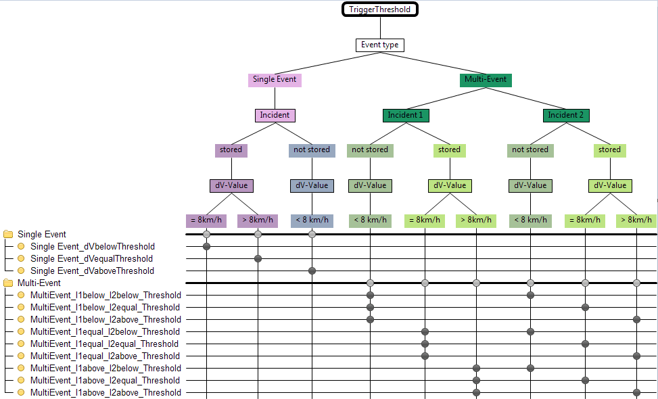
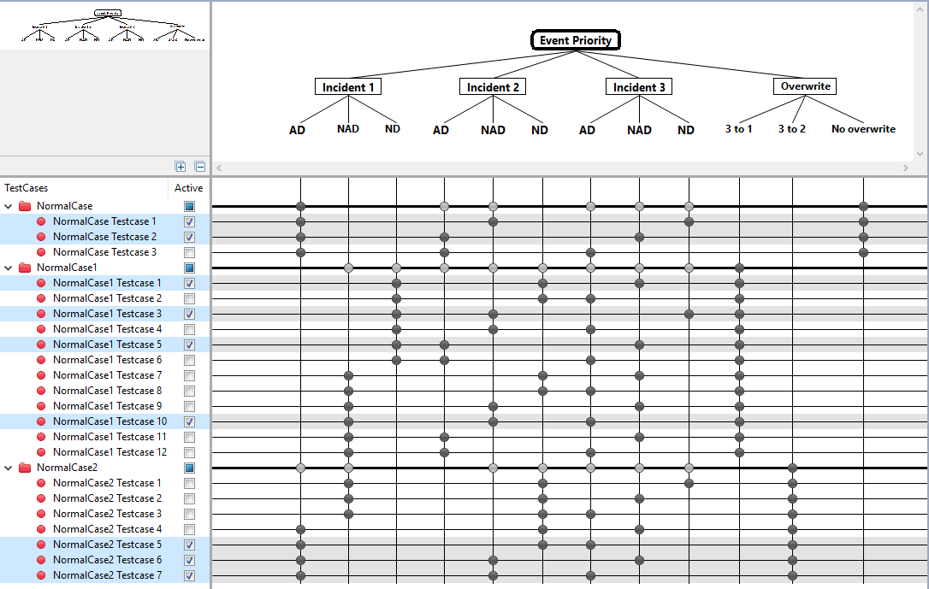
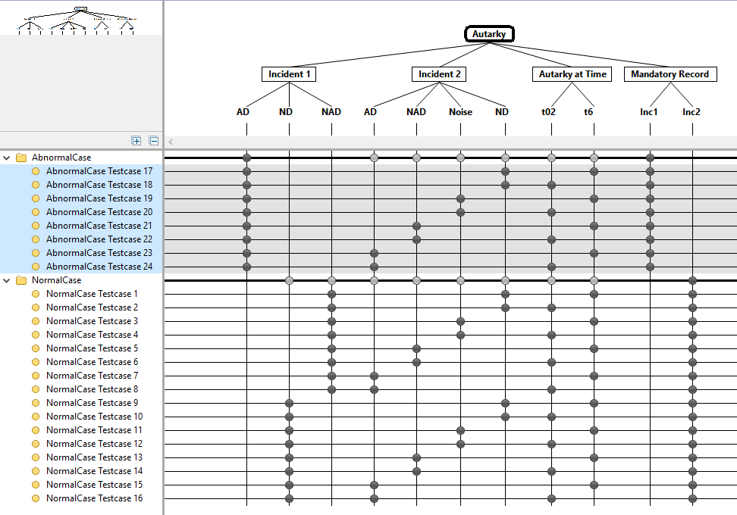
 | (=>) Output | Derivation of the test cases |  |  |  |  |  |  | Selection of event type can be single, parallel, multi with event threshold strict with testona tool:
 |  |  |  |  |  |  |  |  |  |  |  |  |  |  |  |  |  |  |  |  |  |  |  |  |  |  |  | Table 2: |  |  |  |  |  |  |  |  |  |  |  |  |  |  |  |  | Testona tool: Select 3 crashes with different types, severity and direction |  |  |  |  |  |  |  |  |  |  |  |  |  |  |  |  |  |  |  |  |  | Crash combination basing on the severity |  |  |  |  |  |  |  |  |  |  |  |  |  |  |  |  |  |  |  |  |  |  | Crash combination basing on the severity
 |  |  |  |  |  |  |  |  |  |  |  |  |  |  |  |  |  |  |  |  |  |  |  |  |  |  |  | SYRS tag |  | Input |  |  |  |  |  |  |  | Output |  |  |  |  | TS Tag |  |  |  |  |  |  |  |  |  |  |  |  |  |  |  |  |  |  |  |  |  |  |  |  |  |  |  |  |  |  |  |  |  |  |  |  |  |  |  |  |  |  |  |  |  |  | Table 5:
 |  |  |  |  |  |  |  |  |  |  |  |  |  |  |  |  |  |  |  |  |  |  |  |  |  |  |  |  |  | ECU Mode |  |  | Inject Crash |  |  |  |  | EDR 1 |  | EDR 2 | EDR 3
 |  |  |  |  |  |  |  |  |  |  |  |  |  |  |  |  |  |  |  |  |  |  |  |  |  |  |  | SYRS 241, 755 |  | Normal mode (12V) |  |  | Incident 2 come at t2 (CL_32) Side after Rear |  |  |  |  | EDID 45 => 0x01 EDID 48 => 0xFF |  | Empty | Empty |  | 275 |  |  |  |  |  |  |  |  |  |  |  |  |  |  |  |  |  |  |  |  |  |  |  |  |  |  |  |  |  |  |  |  |  |  |  |  |  |  |  |  |  |  |  |  |  |  | SYRS tag |  | Input |  |  |  |  |  |  |  |  |  |  |  | Output |  |  | TS Tag
 |  |  |  |  |  |  |  |  |  |  |  |  |  |  |  |  |  |  |  |  |  |  |  |  |  |  |  |  |  |  |  |  | Incident 2 come at t1 (CL_39) Side before Front |  |  |  |  | EDID 45 => 0x01 EDID 48 => 0xFF |  | Empty | Empty |  | 276 |  |  |  |  |  |  |  |  |  |  |  |  |  |  |  |  |  |  |  |  |  |  |  |  |  |  |  |  |  |  |  |  |  |  |  |  |  |  |  |  |  |  |  |  |  |  |  |  | ECU Mode |  |  | Inject Crash 1 |  |  | Wait time | Inject Crash 2 |  | Autarky at t02 |  | Read EDR | Record 1 | Record 2 | Record 3
 |  |  |  |  |  |  |  |  |  |  |  |  |  |  |  |  |  |  |  |  |  |  |  |  |  |  |  |  |  |  |  |  | Incident 2 come at t4 (CL_34) Side afer Front |  |  |  |  | EDID 45 => 0x01 EDID 48 => 0xFF |  | EDID 45 => 0x02 EDID 48 => >=0 | Empty |  | 277 |  |  |  |  |  |  |  |  |  |  |  |  |  |  |  |  |  |  |  |  |  |  |  |  |  |  |  |  |  |  |  |  |  |  |  |  |  |  |  |  |  |  |  |  |  |  | SYRS |  | Mazda Plant mode |  |  | Front AD |  |  | <5s | No |  | No |  | Read all data | all byte FF | all byte FF | all byte FF
 |  |  |  |  |  |  |  |  |  |  |  |  |  |  |  |  |  |  |  |  |  |  |  |  |  |  |  |  |  |  |  |  | Incident 2 come at t5 (CL_35) Front before Side |  |  |  |  | EDID 45 => 0x01 EDID 48 => 0xFF |  | EDID 45 => 0x02 EDID 48 => >=0 | Empty |  | 278 |  |  |  |  |  |  |  |  |  |  |  |  |  |  |  |  |  |  |  |  |  |  |  |  |  |  |  |  |  |  |  |  |  |  |  |  |  |  |  |  |  |  |  |  |  |  |  |  |  |  |  | Side AD |  |  |  | No |  | Yes
 |  |  |  |  |  |  |  |  |  |  |  |  |  |  |  |  |  |  |  |  |  |  |  |  |  |  |  |  |  |  |  |  | Incident 2 come at t6 (CL_36) Front before Side |  |  |  |  | EDID 45 => 0x01 EDID 48 => 0xFF |  | EDID 45 => 0x01 EDID 48 => 0xFF | Empty |  | 565 |  |  |  |  |  |  |  |  |  |  |  |  |  |  |  |  |  |  |  |  |  |  |  |  |  |  |  |  |  |  |  |  |  |  |  |  |  |  |  |  |  |  |  |  |  |  |  |  |  |  |  | Rollover AD |  |  |  | Side ND - Front AD |  | Np
 |  |  |  |  |  |  |  |  |  |  |  |  |  |  |  |  |  |  |  |  |  |  |  |  |  |  |  |  |  |  |  |  | Inc2, Inc3 come close at t4 each event (CL_54) Front Side Front |  |  |  |  | EDID 45 => 0x01 EDID 48 => 0xFF |  | EDID 45 => 0x02 EDID 48 => >=0 | EDID 45 => 0x03 EDID 48 => >=0 |  | 790 |  |  |  |  |  |  |  |  |  |  |  |  |  |  |  |  |  |  |  |  |  |  |  |  |  |  |  |  |  |  |  |  |  |  |  |  |  |  |  |  |  |  |  |  |  |  |  |  |  |  |  | Rear NAD |  |  |  | Side AD |  | Yes
 |  |  |  |  |  |  |  |  |  |  |  |  |  |  |  |  |  |  |  |  |  |  |  |  |  |  |  |  |  |  |  |  | Inc2 is noise, Inc3 come close at t4 each event (CL_56) Rear Side |  |  |  |  | EDID 45 => 0x01 EDID 48 => 0xFF |  | EDID 45 => 0x02 EDID 48 => >=0 | Empty |  | 911
 |  |  |  |  |  |  |  |  |  |  |  |  |  |  |  |  |  |  |  |  |  |  |  |  |  |  |  |  |  |  |  |  | Incident 2 come at t3 (Not found crash) |  |  |  |  | EDID 45 => 0x01 EDID 48 => 0xFF |  | Empty | Empty

 |  |  |  |  |  |  |  |  |  |  |  |  |  |  |  |  |  |  |  |  |  |  |  |  |  |  |  |  |  |  |  |  |  |  |  |  |  |  |  |  |  |  |  |  | Table 3:
 |  |  |  |  |  |  |  |  |  |  |  |  |  |  |  |  |  |  |  |  |  |  |  |  |  |  |  |  |  |  |  |  |  |  |  |  |  |  |  |  |  |  |  |  | SYRS tag |  | Input |  |  |  |  |  |  |  |  |  |  |  |  |  |  | Output |  |  | TS ID tag
 |  |  |  |  |  |  |  |  |  |  |  |  |  |  |  |  |  |  |  |  |  |  |  |  |  |  |  |  |  |  |  |  |  |  |  |  |  |  |  |  |  |  |  |  |  |  | ECU Mode | Inject Crash | Wait time | Switch Status Data Set | Inject crash 1 |  |  | Wait time | Switch Status Data Set |  | Inject Crash 2 | Wait time | Switch Status Data Set | Inject Crash 3 | Read EDR | EDR1 | EDR2 | EDR3
 |  |  |  |  |  |  |  |  |  | Table 1: |  |  |  |  |  |  |  |  |  |  |  |  |  |  |  |  |  |  |  |  |  |  |  |  |  |  |  |  |  |  |  |  |  |  | SYRS 488, 489 732 971 972 |  | Normal Voltage | Front AD | 6s | BLFD = PosA BLFP = PosA DataSet1 | Front_NAD |  |  | Any time | BLFD = PosA BLFP = PosB DataSet2 |  | Side_AD | Any time | BLFD = PosB BLFP = PosB DataSet3 | Front_ND | 15s 22 DIDx1,2,3 | 71 = posB 77 = posB DataSet | 71 = posA 77 = posB DataSet1 | 71 = posB 77 = posB DataSet2 | 452
 |  |  |  |  |  |  |  |  |  |  |  |  |  |  |  |  |  |  |  |  |  |  |  |  |  |  |  |  |  |  |  |  |  |  |  |  |  |  |  |  |  |  |  |  |  |  |  |  |  |  | Front_AD |  |  |  |  |  | Front_ND |  |  | Side_AD |  | 71 = posB 77 = posB DataSet | 71 = posA 77 = posB DataSet1 | 71 = posB 77 = posB DataSet3 | 453 |  | Table 4
 |  |  |  |  |  |  |  |  |  | SYRS tag |  | Input |  |  |  |  |  |  |  |  |  | Output |  |  |  | TS Tag |  |  |  |  |  |  |  |  |  |  |  |  |  |  |  |  |  |  |  |  |  |  |  |  | Front_ND |  |  |  |  |  | Front_NAD |  |  | Side_ND |  | 71 = posB 77 = posB DataSet | 71 = posB 77 = posB DataSet3 | 71 = posB 77 = posB DataSet2 | 561
 |  |  |  |  |  |  |  |  |  |  |  | ECU Mode |  |  | Inject Crash 1 |  |  | Wait time |  | Inject Crash 2 |  | Record 1 | Record 2 | Record 3 | Number of Record |  |  |  |  |  |  |  |  |  |  |  |  |  |  |  |  |  |  |  |  |  |  |  |  |  | Front_ND |  |  |  |  |  | Side_ND |  |  | Front_NAD |  | 71 = posB 77 = posB DataSet | 71 = posB 77 = posB DataSet3 | 71 = posB 77 = posB DataSet2 | 562 |  | SYRS tag |  | Input |  |  |  |  |  |  |  |  |  |  |  |  |  |  | Output |  |  |  | TS Tag
 |  |  |  |  |  |  |  |  |  | SYRS 767, 486 |  | Normal mode (12V) |  |  | Single Front Noise (DeltaV = 7.9 kph) |  |  | > 10s |  | No |  | Empty | Empty | Empty | 0 | 540 |  |  |  |  |  |  |  |  |  |  |  |  |  |  |  |  |  |  |  |  |  |  |  |  | Rear_NAD |  |  |  |  |  | Front_NAD |  |  | Front_AD |  | 71 = posB 77 = posB DataSet | 71 = posB 77 = posB DataSet3 | 71 = posB 77 = posB DataSet2 | 563 |  |  |  | ECU Mode |  |  | Inject Crash 1 |  |  | Wait time |  | Inject Crash 2 |  |  | Wait time |  | Power Off |  | Record 1 | Record 2 | Record 3
 |  |  |  |  |  |  |  |  |  |  |  |  |  |  | Single Front ND (DeltaV = 8.1 kph) |  |  |  |  |  |  | 1601 = Front | Empty | Empty | 1 | 541 |  |  |  |  |  |  |  |  |  |  |  |  |  |  |  |  |  |  |  |  |  |  |  |  | Front_AD |  |  |  |  |  | Front_NAD |  |  | Rear_NAD |  | 71 = posB 77 = posB DataSet | 71 = posA 77 = posB DataSet1 | 71 = posB 77 = posB DataSet3 | 564 |  | SYRS 936 603 780 |  | Normal mode (12V) |  |  | Single Front AD |  |  | <5s |  | Single Roll AD |  |  | t02 |  | Yes |  | Mandatory Inc1 | Empty | Empty |  | 1109
 |  |  |  |  |  |  |  |  |  |  |  |  |  |  | Multi Front Noise - Side Noise |  |  |  |  |  |  | Empty | Empty | Empty | 0 | 543 |  |  |  |  |  |  |  |  |  |  |  |  |  |  |  |  |  |  |  |  |  |  |  |  | Front_AD |  |  |  |  |  | ParallelFrontSide_AD |  |  | Rollover_AD |  | 71 = posB 77 = posB DataSet | 71 = posA 77 = posB DataSet1 | 71 = posB 77 = posB DataSet2 | 774 |  |  |  |  |  |  | Single Front AD |  |  | <5s |  | Parallel Roll AD - Side AD |  |  | t02 |  |  |  | Mandatory Inc1 | Empty | Empty |  | 1110
 |  |  |  |  |  |  |  |  |  |  |  |  |  |  | Multi Front Noise - Side ND |  |  | > 10s |  | No |  | 1601 = Side | Empty | Empty | 1 | 551 |  |  |  |  |  |  |  |  |  |  |  |  |  |  |  |  |  |  |  |  |  |  |  |  | Front_ND |  |  |  |  |  | Front_AD |  |  | Multi_SideND _FrontNAD |  | 71 = posB 77 = posB DataSet | 71 = posB 77 = posB DataSet3 | 71 = posB 77 = posB DataSet2 | 779
 |  |  |  |  |  |  |  |  |  |  |  |  |  |  | Multi Front ND - Side ND |  |  | > 10s |  | No |  | 1601 = Front | 1601 = Side | Empty | 2 | 547 |  |  |  |  |  |  |  |  |  |  |  |  |  |  |  |  |  |  |  |  |  |  |  |  | Front_AD |  |  |  |  |  | Rollover_AD |  |  | Rear_NAD |  | 71 = posB 77 = posB DataSet | 71 = posA 77 = posB DataSet1 | 71 = posB 77 = posB DataSet2 | 1141 |  |  |  |  |  |  | Single Roll AD |  |  | <5s |  | Single Front AD |  |  | t02 |  |  |  | Mandatory Inc1 | Empty | Empty |  | 1111
 |  |  |  |  |  |  |  |  |  |  |  |  |  |  | Multi Front ND - Side ND |  |  | > 10s |  | Single Front Noise (DeltaV = 7.9 kph) |  | 1601 = Front | 1601 = Side | Empty | 2 | 1143 |  |  |  |  |  |  |  |  |  |  |  |  |  |  |  |  |  |  |  |  | Low Voltage | FrontND | <5s | BLFD = PosB BLFP = PosB DataSet1 | SideAD |  |  | <5s | BLFD = PosB BLFP = PosB DataSet2 |  | FrontAD | <5s | BLFD = PosB BLFP = PosB DataSet3 | No |  | 71 = posB 77 = posB DataSet | 71 = posA 77 = posB DataSet1 | 71 = posB 77 = posB DataSet2 | 819 |  |  |  |  |  |  | Parallel Roll AD - Side AD |  |  | <5s |  | Single Front AD |  |  | t02 |  |  |  | Mandatory Inc1 | Empty | Empty |  | 1112
 |  |  |  |  |  |  |  |  |  |  |  |  |  |  | Multi Front ND - Side ND |  |  | > 10s |  | Single Front ND (DeltaV = 8.1 kph) |  | 1601 = Front | 1601 = Side | 1601 = Front | 3 | 1142 |  |  |  |  |  |  |  |  |  |  |  |  |  |  |  |  |  |  |  |  |  | Rollover ND |  |  | SideAD |  |  |  |  |  | FrontAD |  |  |  |  | 71 = posB 77 = posB DataSet | 71 = posA 77 = posB DataSet1 | 71 = posB 77 = posB DataSet2 | 756 |  |  |  |  |  |  | Front AD |  |  | <5s |  | Side AD |  |  | t02 + 20 ms |  |  |  | Mandatory Inc1 | Empty | Empty |  | 1113
 |  |  |  |  |  |  |  |  |  |  |  |  |  |  |  |  |  |  |  |  |  |  |  |  |  |  |  |  |  |  |  |  |  |  |  |  |  |  |  |  |  |  |  |  |  |  | High Voltage | FrontND |  |  | SideAD |  |  |  |  |  | FrontAD |  |  |  |  | 71 = posB 77 = posB DataSet | 71 = posA 77 = posB DataSet1 | 71 = posB 77 = posB DataSet2 | 818 |  |  |  |  |  |  | SideAD |  |  | <5s |  | Front NAD |  |  | t02 |  |  |  | Mandatory Inc1 | Empty | Empty |  | 1114
 |  |  |  |  |  |  |  |  |  |  |  |  |  |  |  |  |  |  |  |  |  |  |  |  |  |  |  |  |  |  |  |  |  |  |  |  |  |  |  |  |  |  |  |  |  |  |  | Rollover ND |  |  | SideAD |  |  |  |  |  | FrontAD |  |  |  |  | 71 = posB 77 = posB DataSet | 71 = posA 77 = posB DataSet1 | 71 = posB 77 = posB DataSet2 | 815 |  |  |  |  |  |  | Front ND |  |  | <5s |  | Side AD |  |  | t02 |  |  |  | Empty | Mandatory Inc2 | Empty |  | 1115
 |  |  |  |  |  |  |  |  |  |  |  |  |  |  |  |  |  |  |  |  |  |  |  |  |  |  |  |  |  |  |  |  |  |  |  |  |  |  |  |  |  |  |  |  |  |  |  |  |  |  |  |  |  |  |  |  |  |  |  |  |  |  |  |  |  |  |  |  |  |  |  | Front ND |  |  | <5s |  | Side AD |  |  | t02 + 30 ms |  |  |  | Empty | Mandatory Inc2 | Empty |  | 1116
 |  |  |  |  |  |  |  |  |  |  |  |  |  |  |  |  |  |  |  |  |  |  |  |  |  |  |  |  |  |  |  |  |  |  |  |  |  |  |  |  |  |  |  |  |  |  |  |  |  |  |  |  |  |  |  |  |  |  |  |  |  |  |  |  |  |  |  |  |  |  |  | Side ND |  |  | <5s |  | Front AD |  |  | t02 + 10 ms |  |  |  | Empty | Mandatory Inc2 | Empty |  | 1117

 |  |  |  |  |  |  |  |  |  |  |  |  |  |  |  |  |  |  |  |  |  |  |  |  |  |  |  |  |  |  |  |  |  |  |  |  |  |  |  |  |  |  |  |  |  |  |  |  |  |  |  |  |  |  |  |  |  |  |  |  |  |  |  |  |  |  |  |  |  |  |  | Front NAD |  |  |  |  | Side ND |  |  | t02 + 20 ms |  |  |  | Empty | Mandatory Inc2 | Empty |  | 1119
 |  |  |  |  |  |  |  |  |  |  |  |  |  |  |  |  |  |  |  |  |  |  |  |  |  |  |  |  |  |  |  |  |  |  |  |  |  |  |  |  |  |  |  |  |  |  |  |  |  |  |  |  |  |  |  |  |  |  |  |  |  |  |  |  |  |  |  |  |  |  |  | Front NAD |  |  |  |  | Rear NAD |  |  | t02 + 30 ms |  |  |  | Empty | Mandatory Inc2 | Empty |  | 1135
 |  |  |  |  |  |  |  |  |  |  |  |  |  |  |  |  |  |  |  |  |  |  |  |  |  |  |  |  |  |  |  |  |  |  |  |  |  |  |  |  |  |  |  |  |  |  |  |  |  |  |  |  |  |  |  |  |  |  |  |  |  |  |  |  |  |  |  |  |  |  |  | Front NAD |  |  |  |  | Side AD |  |  | t02 |  |  |  | Empty | Mandatory Inc2 | Empty |  | 1121
 |  |  |  |  |  |  |  |  |  |  |  |  |  |  |  |  |  |  |  |  |  |  |  |  |  |  |  |  |  |  |  |  |  |  |  |  |  |  |  |  |  |  |  |  |  |  |  |  |  |  |  |  |  |  |  |  |  |  |  |  |  |  |  |  |  |  |  |  |  |  |  | Front AD |  |  |  |  | Rear ND |  |  | t02 |  |  |  | Mandatory Inc1 | Empty | Empty |  | 1122
 |  |  |  |  |  |  |  |  |  |  |  |  |  |  |  |  |  |  |  |  |  |  |  |  |  |  |  |  |  |  |  |  |  |  |  |  |  |  |  |  |  |  |  |  |  |  |  |  |  |  |  |  |  |  |  |  |  |  |  |  |  |  |  |  |  |  |  |  |  |  |  | Parallel Side - Front |  |  | 0 |  | No |  |  | t01 |  |  |  | Mandatory Inc1 | Empty | Empty |  | 1123
 |  |  |  |  |  |  |  |  |  |  |  |  |  |  |  |  |  |  |  |  |  |  |  |  |  |  |  |  |  |  |  |  |  |  |  |  |  |  |  |  |  |  |  |  |  |  |  |  |  |  |  |  |  |  |  |  |  |  |  |  |  |  |  |  |  |  |  |  |  |  |  | Single Front AD |  |  |  |  | Multi Side ND - Front AD |  |  | t02 |  |  |  | Empty | Mandatory Inc2 - Side ND | Empty |  | 1125
 |  |  |  |  |  |  |  |  |  |  |  |  |  |  |  |  |  |  |  |  |  |  |  |  |  |  |  |  |  |  |  |  |  |  |  |  |  |  |  |  |  |  |  |  |  |  |  |  |  |  |  |  |  |  |  |  |  |  |  |  |  |  |  |  |  |  |  |  |  |  |  | Side ND |  |  |  |  | Front NAD |  |  | t02 + 40 ms |  |  |  | Empty | Mandatory Inc2 | Empty |  | 1126
 |  |  |  |  |  |  |  |  |  |  |  |  |  |  |  |  |  |  |  |  |  |  |  |  |  |  |  |  |  |  |  |  |  |  |  |  |  |  |  |  |  |  |  |  |  |  |  |  |  |  |  |  |  |  |  |  |  |  |  |  |  |  |  |  |  |  |  |  |  |  |  | Single Side AD |  |  | 0 |  |  |  |  | t01 |  |  |  | Mandatory Inc1 | Empty | Empty |  | 1127
 |  |  |  |  |  |  |  |  |  |  |  |  |  |  |  |  |  |  |  |  |  |  |  |  |  |  |  |  |  |  |  |  |  |  |  |  |  |  |  |  |  |  |  |  |  |  |  |  |  |  |  |  |  |  |  |  |  |  |  |  |  |  |  |  |  |  |  |  |  |  |  | Single Front AD |  |  | 0 |  |  |  |  | t01 + 40 ms |  |  |  | Mandatory Inc1 | Empty | Empty |  | 1128
 |  |  |  |  |  |  |  |  |  |  |  |  |  |  |  |  |  |  |  |  |  |  |  |  |  |  |  |  |  |  |  |  |  |  |  |  |  |  |  |  |  |  |  |  |  |  |  |  |  |  |  |  |  |  |  |  |  |  |  |  |  |  |  |  |  |  |  |  |  |  |  | Single Front AD Long > 300 |  |  |  |  |  |  |  | t01 + 280 ms |  |  |  | Mandatory Inc1 | Empty | Empty |  | 1129
 |  |  |  |  |  |  |  |  |  |  |  |  |  |  |  |  |  |  |  |  |  |  |  |  |  |  |  |  |  |  |  |  |  |  |  |  |  |  |  |  |  |  |  |  |  |  |  |  |  |  |  |  |  |  |  |  |  |  |  |  |  |  |  |  |  |  |  |  |  |  |  | Single FrontAD 250ms_to_300ms |  |  |  |  |  |  |  | t01 +160 ms |  |  |  | Mandatory Inc1 | Empty | Empty |  | 1130

Use case 3 - ParallelHandling
Software Test Design Specification (SWTDS) - Finding Dependency (Parallel Event Handling) |  |  |  |  |  |  |  |  |  |  |  |  |  |  |  |  |  |  |  |  |  |  |  |  |  |  |  |  |  |  |  |  |  |  |  |  |  |  |  |  |  | V2.1

EDR DCC
Use case 3: Store data with different event priority
(Storage order: Most recent last)
Storage Buffer 1 - 2 - 3
Lock/Unlock/Overwrite Information
Function : Contain crash data set of Crash X - Y - Z
- Crash threshold reached
- No storage buffer available
- No capture buffer available
Squib firing status
DSM $22
Data set (EDIDs)
Function : Report crash data set of each storage buffer $22
- Tester sent request
- At plant, garage...
Crash trigger
Crash Infor
Event management
Function : Detect and provide crash X, Y, Z...
Until crash trigger
IGN status
Power Supply
Function : Provide environment data
Before Algo Active
Switch status
Switch Status
Function : Provide switch status
1st step : Structure of this test item with external (controllable/measurable) inputs/outputs |  |  |  |  |  |  |  |  | Behaviour analysis (to find out scenarios) |  |  |  |  |  |  |  |  |  |  |  |  |  |  |  |  |  |  | Behaviour analysis (to find out scenarios)

 |  |  |  |  |  |  |  |  |  | This make sure parallel event with >= 2 incidents still recorded in 1 buffer |  |  |  |  |  |  |  |  |  |  |  |  |  |  |  |  |  |  | Static Rollover crash is considered as regular event in Mazda:

 |  |  |  |  |  |  |  |  |  |  |  |  |  |  |  |  |  |  |  |  |  |  |  |  |  |  |  |  | 1. Single Event => 1 buffer storage
 |  |  |  |  |  |  |  |  |  |  |  |  |  |  |  |  |  |  |  |  |  |  |  |  |  |  |  |  | 2. Parallel event of static and dynamic Roll => 1 buffer storage
 |  |  |  |  |  |  |  |  |  |  | Threshold |  |  |  |  |  |  |  |  |  |  |  |  |  |  |  |  |  |  | Threshold
 |  |  |  |  |  |  |  |  |  |  |  | t1 |  | t2 | t3 | t4 |  |  |  |  |  | t3
 |  |  |  |  |  |  |  |  |  |  |  |  |  |  |  |  |  |  | Incident 1 |  |  |  |  |  |  |  |  |  |  | t1 |  | t2 |  | t3
 |  |  |  |  |  |  |  |  |  |  |  |  |  |  |  |  |  |  |  | Incident 2 |  |  |  |  |  |  |  |  |  |  |  |  |  |  |  |  |  |  |  | Dynamic Roll (Firing) |  |  | Side AD/ND
 |  |  |  |  |  |  |  |  |  | ND |  |  |  |  |  |  |  |  |  |  |  |  |  |  |  |  |  |  | ND
 |  |  |  |  |  |  |  |  |  |  |  |  |  |  |  |  |  |  |  |  |  |  | Incident3 |  |  |  |  |  |  |  |  | Dynamic Roll (No Firing) |  |  | Static Roll/ Any event |  |  |  |  |  |  |  | Static Roll/ Any event

 |  |  |  |  |  |  |  |  |  |  |  |  | t01 | t02 | te1 |  | te2 |  |  |  |  |  |  |  | time (s) |  |  |  |  |  |  | t01 | t02 | te1 |  | te2 |  |  |  |  |  |  |  |  | time (s)

1. Noise event is also considered here to make sure that it will not affect recording of data
2. The second incident t02 can happen at t1, t2, t3, t4
3. The parallel event record information can be validated with
- EDID 45: event number
- EDID 1600: Event direction
- EDID 1601: Event direction and severity
- EDID 357: Operating time
 |  |  |  |  |  |  |  |  |  |  |  |  |  |  |  |  |  |  |  |  |  |  |  |  |  |  |  |  | 3. Multi Static Roll and Regular Event => still 2 buffers

Squib Management
Function : Fire airbag

At squib fired
Central censor faulty ECU is in Idle mode, Init mode
 |  |  |  |  |  |  |  |  | Normal scenario - >= 2 event in 1 algo active time |  |  |  |  |  |  |  |  |  |  |  |  |  |  |  |  |  |  | Abnormal scenario - parallel with static rollover is considered as a regular event
Functions (Test conditions) | Input (=>) | Detect crash | Aspects of this function
 |  |  | (1) Event active time |  |  |  |  |  |  |  |  | ON |  |  |  |  |  |  |  |  |  |  |  |  |  |  |  |  |  |  | ON
Normal driving mode
Init mode
Normal driving mode
Init mode
Normal driving mode
 |  |  |  | T01_T02_T03_T04
 |  |  | (2) Event Type |  |  |  |  |  | IGN Volt | OFF |  |  |  |  |  |  |  |  |  |  |  |  |  |  |  |  |  | IGN Volt | OFF
 |  |  |  | Single
Event management
 |  |  |  | Parallel
Event Active Time
Event Direction
Event Severity
 |  |  |  | Multi
Sensor
Using Quate to simulate crashes
 |  |  | (3) Event severity |  |  |  |  |  |  | Severity Accerleration |  |  |  |  |  |  |  |  |  |  |  |  |  |  |  |  |  |  | Severity Accerleration
 |  |  |  | Noise
 |  |  |  | ND |  |  |  |  | AD |  |  |  |  |  | Any direction |  |  | Side AD/ND |  |  | Event 2 |  |  |  |  |  |  | AD |  |  |  |  |  | Dynamic Roll (Firing) |  |  | Side AD/ND
 |  |  |  | NAD |  |  |  |  | NAD |  |  |  |  |  |  |  |  |  |  |  |  |  |  |  |  |  |  | NAD
 |  |  |  | AD |  |  |  |  | ND |  |  |  |  |  |  |  |  | Any Direction |  |  |  |  |  |  |  |  |  | ND |  |  |  |  |  |  |  |  | Static Roll/ Any event
 |  |  | (4) Event Direction
Fault record
AWL
Sensor Fault record, ECU is Idle
Crash cannot be detected
 |  |  |  |  |  |  |  |  |  |  |  |  |  |  |  |  |  |  |  |  |  |  |  |  | Time (s) |  |  |  |  |  |  |  |  |  |  |  |  |  |  |  |  |  |  |  | Time (s)
 |  |  |  |  |  |  |  |  |  |  |  |  |  |  | t01 | t02 | t03 |  |  |  | Event 2 |  |  |  |  |  |  |  |  |  |  |  |  | Event

IGN Voltage
Power supply
Control by TSG4
Normal driving mode
ECU is in Idle mode, Init mode
IGN value
Sensor Fault record, ECU is Idle
Crash cannot be detected
Init mode
Normal driving mode
Init mode
Normal driving mode
 | Input (=>) | Power Supply | Aspects of this function
 |  |  | (1) IGN Volatge |  |  |  |  |  | Normal |  |  | ON |  |  |  |  |  |  |  |  |  |  |  |  |  |  |  | Normal |  |  | ON
 |  |  |  | Low
 |  |  |  | Normal |  |  |  |  | ECU Mode | OFF |  |  |  |  |  |  |  |  |  |  |  |  |  |  |  |  |  | ECU Mode | OFF
 |  |  |  | High
 |  |  | (2) System mode
 |  |  |  | Normal driving mode
 |  |  |  | Init mode
 |  |  |  | Idle mode
 |  |  |  | Plant mode
 |  |  |  | Autarky mode
Env Data
Data Set X, Y, Z
Control through switch
No Source data Faults
ECU is in Idle mode, Init mode
IGN value
Sensor Fault record, ECU is Idle
Crash cannot be detected
 | Input (=>) | Sensor, Switch, Fault Management | Aspects of this function
 |  |  | (1) Switch status
 |  |  |  | Position A |  |  |  |  |  | Data Set |  | BLFD = PosB |  |  |  |  |  |  | BLFD = PosA |  |  |  |  |  |  |  |  |  | Data Set |  | Data Set1: Values of source, DeltaVx - DeltaVy, Roll angle
 |  |  |  | Position B
 |  |  | (2) Sensor simulation data from Quate |  |  |  |  |  |  |  |  |  |  |  | Any direction |  |  |  |  |  | Event 2 |  |  |  |  |  |  |  |  |  |  |  |  | Dynamic Roll (Firing) |  |  | Side AD/ND

 |  |  | (3) CAN data from CAN |  |  |  |  |  |  |  |  |  |  |  |  |  |  | Any direction |  |  |  |  |  |  |  |  |  |  |  |  |  |  |  |  |  |  | Static Roll/ Any event

 |  |  | (4) System WL AWL
 |  |  |  | ON |  |  |  |  |  |  |  |  |  |  |  |  |  |  |  |  |  |  |  |  | Time (s) |  |  |  |  |  |  |  |  |  |  |  |  |  |  |  |  |  |  |  | Time (s)
 |  |  |  | OFF |  |  |  |  |  |  |  |  |  |  | Event 1 |  |  |  |  |  | Event 2 |  |  |  |  |  |  |  |  |  |  |  |  | Event
ECU is in Idle mode, Init mode
 | Input (=>) | Squib management | Aspects of this function

Crash direction, severity
Squib managment
Squibs deployed time
 |  |  | (1) Squib deploy time
 |  |  |  |  |  |  |  |  |  | Squib deploy in each event |  |  |  |  |  |  |  |  |  |  |  |  |  |  |  |  |  |  | Squib deploy in each event
 |  |  |  | AB1FD | AB1RD | IC1FD | FS1FD | BT1FP | AD |  |  |  |  |  | Squib firing basing on LCT measurement |  |  |  |  |  | Squib firing basing on LCT measurement |  |  |  |  |  |  | AD |  |  |  |  |  | Squib firing time basing on LCT measurement
 |  |  |  | AB1FP | AB1RP | IC1FP | SA1RD |  | NAD |  |  |  |  |  |  |  |  |  |  |  |  |  |  |  |  |  |  | NAD
 |  |  |  | AB2FD | AB2RD | SA1FD | SA1RP |  | ND |  |  |  |  |  |  |  |  |  |  |  |  |  |  |  |  |  |  | ND
Control by TSG4, measured with LCT
 |  |  |  | AB2FP | AB2RP | SA1FP | BT1FD
 |  |  |  |  |  |  |  |  | Noise |  |  |  |  |  |  |  |  |  |  |  |  |  |  |  |  |  |  | Noise
 |  |  |  |  |  |  |  |  |  |  |  |  |  |  |  |  |  |  |  |  |  |  |  |  | Time (s) |  |  |  |  |  |  |  |  |  |  |  |  |  |  |  |  |  |  |  | Time (s)
Squib firing current
Crash cannot be detected
Airbag will not deployed
 |  |  |  |  |  |  |  |  |  |  |  |  |  |  | Event 1 |  |  |  |  |  | Event 2

Data is in recording
Request time
 | (=>) Output | DSM report data set of crash in each storage buffer | Aspects of this function
 |  |  | (1) DSM response |  |  |  |  |  |  | DSM service (reporting part) |  |  |  |  |  |  |  |  |  |  |  |  |  |  |  |  |  |  | DSM service (reporting part)
 |  |  |  |  |  |  |  |  |  |  |  |  |  |  |  |  |  |  |  |  |  |  | > 10s |  |  |  |  |  |  |  |  |  |  |  |  |  |  | > 10s
DSM
 |  |  |  | For EDID 1600 Crash direction |  |  |  |  | REQ |  |  |  |  |  |  |  |  |  |  |  |  |  |  | 22 D9 F1 22 D9 0E 22 D9 F2 22 D9 3E 22 D9 F3 22 D9 BE |  |  |  | REQ |  |  |  |  |  |  |  |  |  |  |  | 22 D9 F1 22 D9 0E 22 D9 F2 22 D9 3E 22 D9 F3 22 D9 BE
Reported Data by test tool
 |  |  |  | For EDID 1000 Complete Data Storage
~ 50 ms
~ 50 ms
 |  |  |  | Fore EDID 45 event number & 48: Time from t01 -> t0n
 |  |  | (2) Storage Buffer |  |  |  |  |  | PR |  |  |  |  |  |  |  |  |  |  |  |  |  |  |  |  |  | 62 D9 F1 .EvType1... 62 D9 0E 01 00 62 D9 F2..EvType2... 62 D9 3E 01 00 62 D9 F3 …..FF... 62 D9 3E 00 00 | PR |  |  |  |  |  |  |  |  |  |  |  |  |  |  | 62 D9 F1 .EvType1... 62 D9 0E 01 00 62 D9 F2..EvType2... 62 D9 3E 00 00 62 D9 F3 …..FF... 62 D9 3E 00 00
Tester send $22 request
 |  |  |  | 1
Response of $22 DIDx for crash directions and squibs firing time in each stored buffer
NRC 22
Data will not be read out
 |  |  |  | 2
 |  |  |  | 3

 |  |  |  |  |  |  |  |  |  | Recorded |  |  |  | Event 1 |  |  | Event 2 |  | No data |  |  |  |  |  |  |  |  |  | Recorded |  |  |  | Event Algo type Sensor |  |  | No data |  |  | No data

 |  |  |  |  |  |  |  |  |  | Storage Buffer |  |  |  |  |  |  |  |  |  |  |  |  |  |  |  |  |  |  | Storage Buffer
 |  |  |  |  |  |  |  |  |  |  |  |  |  | Buffer 1 |  |  | Buffer 2 |  | Buffer 3 |  |  |  |  |  |  |  |  |  |  |  |  |  | Buffer 1 |  |  | Buffer 2 |  |  | Buffer 3

 | (=>) Output | Derivation of the test cases
 |  |  |  |  |  |  |  |  |  | Combination of crashes |  |  |  |  |  |  |  |  |  |  |  |  |  |  |  |  |  |  | Combination of Static - Dynamic - Side Crashes

 |  |  |  |  |  |  |  |  |  | SYRS tag |  | Input |  |  |  |  |  |  |  |  | Output |  |  |  |  |  | TS Tag |  | SYRS tag |  | Input |  |  |  |  |  |  |  | Output |  |  |  |  |  | TS Tag
 |  |  |  |  |  |  |  |  |  |  |  | ECU Mode |  |  | Inject Crash |  |  |  | Wait time and Read EDR |  | Record 1 |  | Record 2 |  | Record 3 | No. Rec |  |  |  |  | ECU Mode |  |  | Inject Crash |  |  |  | Wait15s - Read EDR | Record 1 |  | Record 2 |  | Record 3 | No. Rec
 |  |  |  |  |  |  |  |  |  | SYRS 609, 613 |  | Normal mode (12V) |  |  | FrontND_SideActive_atFrontSoE (t1) |  |  |  | 15s Send 22 DIDx1, 22 DIDx2, 22 DIDx3 |  | 1600 = Front 45 = 1 |  | Empty |  | Empty | 1 | 377 |  | SYRS 842, 843 |  | Normal mode (12V) |  |  | Parallel_DynamicRoll_StatRoll |  |  |  | > 10s, 22 didx | 1600 = Roll Data Set 1 1601 = RollND |  | Empty |  | Empty | 1 | 925
 |  |  |  |  |  |  |  |  |  |  |  |  |  |  | SideND_FrontInactive_atSideSoE |  |  |  |  |  | 1601 = Side 45 = 1 |  | Empty |  | Empty | 1 | 378 |  |  |  |  |  |  | Parallel_StatRoll_DynamicRollND |  |  |  |  | 1600 = Roll Data Set 1 1601 = RollND |  | Empty |  | Empty | 1 | 926
 |  |  |  |  |  |  |  |  |  |  |  |  |  |  | SideND_FrontActive_atSideSoE |  |  |  |  |  | 1601 = Side 45 = 1 |  | Empty |  | Empty | 1 | 379 |  |  |  |  |  |  | Parallel_StatRoll_DynamicRollAD |  |  |  |  | 1600 = Roll Data Set 1 1601 = RollAD |  | Empty |  | Empty | 1 | 927
 |  |  |  |  |  |  |  |  |  |  |  |  |  |  | FrontND_reactivated_SideActive_atFrontSoE |  |  |  |  |  | 1600 = Front 45 = 1 |  | Empty |  | Empty | 1 | 380 |  |  |  |  |  |  | Parallel_DynamicRoll_StatRoll_SideND |  |  |  |  | 1600 = Roll Data Set 1 1601 = RollND-SideND |  | Empty |  | Empty | 1 | 928
 |  |  |  |  |  |  |  |  |  |  |  |  |  |  | Parallel_FrontND_SideND_afterFrontEoE |  |  |  |  |  | 1600 = Front 45 = 1 |  | Empty |  | Empty | 1 | 381 |  |  |  |  |  |  | Parallel_DynamicRollAD_StatRoll_SideAD |  |  |  |  | 1600 = Roll Data Set 1 1601 = RollND - SideAD |  | Empty |  | Empty | 1 | 929
 |  |  |  |  |  |  |  |  |  |  |  |  |  |  | Parallel_FrontND_SideND_beforeFrontEoE |  |  |  |  |  | 1600 = Front 45 = 1 |  | Empty |  | Empty | 1 | 382 |  |  |  |  |  |  | Single_StaticRoll |  |  |  |  | 1600 = Roll Data Set 1 1601 = RollND |  | Empty |  | Empty | 1 | 924
 |  |  |  |  |  |  |  |  |  |  |  |  |  |  | Parallel_SideND_FrontND_beforeSideEoE |  |  |  |  |  | 1600 = Side 45 = 1 |  | Empty |  | Empty | 1 | 383 |  |  |  |  |  |  | Multi_StatRoll_DynamicRoll |  |  |  |  | 1600 = Roll Data Set 1 1601 = RollND |  | 1600 = Roll Data Set 1 1601 = RollAD |  | Empty | 2 | 945
 |  |  |  |  |  |  |  |  |  |  |  |  |  |  | Parallel_SideND_FrontND_afterSideEoE |  |  |  |  |  | 1600 = Front 45 = 1 |  | Empty |  | Empty | 1 | 384 |  |  |  |  |  |  | Multi_DynamicRoll_StatRoll |  |  |  |  | 1600 = Roll Data Set 1 1601 = RollND |  | 1600 = Roll Data Set 1 1601 = RollAD |  | Empty | 2 | 946

Use case 4 - Freeze Buffer
Software Test Design Specification (SWTDS) - Finding Dependency (Freeze Buffer with Event severity) |  |  |  |  |  |  |  |  |  |  |  |  |  |  |  |  |  |  |  | V2.1

EDR DCC
Use case 4: Freeze memory when any squib/belt pretensioner deployed
(Normally, the AD crash lock buffer only)
Storage Buffer 1 - 2 - 3
Lock/Unlock/Overwrite Information
Function : Contain crash data set of Crash X - Y - Z
- Crash threshold reached
- No storage buffer available
- No capture buffer available
Squib firing status
DSM $22
Data set (EDIDs)
Function : Report crash data set of each storage buffer $22
- Tester sent request
- At plant, garage...
Crash trigger
Crash Infor
Event management
Function : Detect and provide crash X, Y, Z...
Until crash trigger
IGN status
Power Supply
Function : Provide environment data
Before Algo Active
Switch status
Switch Status
Function : Provide switch status
1st step : Structure of this test item with external (controllable/measurable) inputs/outputs |  |  |  |  |  |  |  |  | Behaviour analysis (to find out scenarios) |  |  |  |  |  |  |  |  |  |  |  |  |  |  |  |  | Behaviour analysis (to find out scenarios)

 |  |  |  |  |  |  |  |  |  | Event Type and Event threshold NAD but belt pretensioner deployed (Mazda specific)
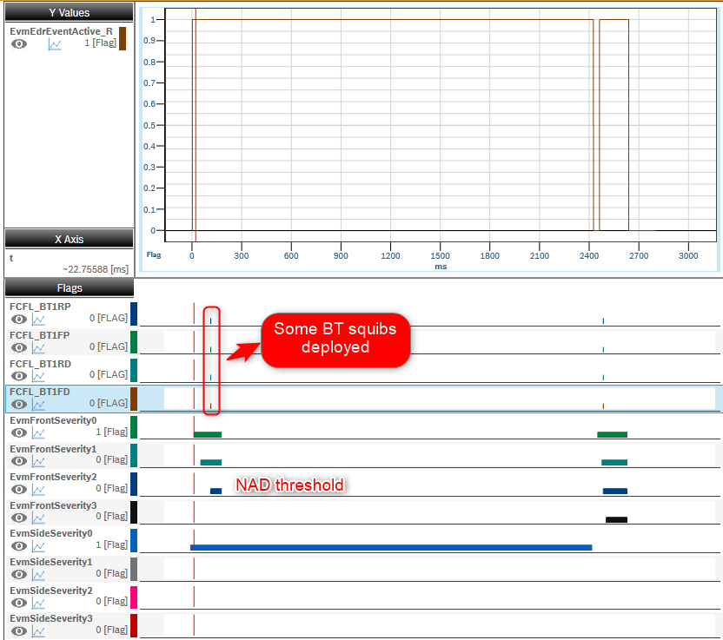
- Read status of squib deployed with LCT measurement
- Record should be locked. Read by: 'rb_dcc_HeaderPublic_st.RecordLockStatus_aen'
- Record should not be overwriten. Check by:
Read EDID 1600 for event type, EDID 77 for Switch status

1. There is no CD service to unlock the EDR Record
2. No CD service to Erase the record
3. NAD crash without squib deploy can be no lock
Read by: 'rb_dcc_HeaderPublic_st.RecordLockStatus_aen(i)' for record i

Squib Management
Function : Fire airbag

At squib fired
Central censor faulty ECU is in Idle mode, Init mode
 |  |  |  |  |  |  |  |  | Abnormal scenario - Storage buffer should be locked if any squib is deployed though event threshold is NAD |  |  |  |  |  |  |  |  |  |  |  |  |  |  |  |  | Normal scenario - Storage buffer locked basing on crash threshold
Functions (Test conditions) | Input (=>) | Detect crash | Aspects of this function
 |  |  | (1) Event active time |  |  |  |  |  |  |  | ON |  |  |  |  |  |  |  |  |  |  |  |  |  |  |  |  |  |  | ON
Normal driving mode
Init mode
Normal driving mode
Init mode
Normal driving mode
Init mode
Normal driving mode
 |  |  |  | T01_T02_T03_T04
 |  |  | (2) Event Type |  |  |  |  |  | IGN Volt | OFF |  |  |  |  |  |  |  |  |  |  |  |  |  |  |  | IGN Volt | OFF
 |  |  |  | Single
Event management
 |  |  |  | Parallel
Event Active Time
Event Direction
Event Severity
 |  |  |  | Multi
Sensor
Using Quate to simulate crashes
 |  |  | (3) Event severity |  |  |  |  |  |  | Severity Accerleration |  |  |  |  |  |  |  |  |  |  |  |  |  |  |  |  | Severity
 |  |  |  | Noise |  |  |  |  |  |  |  |  |  |  |  |  |  |  |  |  |  |  |  |  |  |  |  |  | BLFP = 'PositionB'
 |  |  |  | ND |  |  |  |  | AD |  |  |  |  | Incident 2 AD |  |  |  | Incident 3 AD |  |  | Incident 4 AD |  |  |  |  | AD |  |  |  |  |  |  |  | Incident 2 NAD |  |  |  |  | Incident 3 ND
 |  |  |  | NAD |  |  |  |  | NAD |  |  | Incident 1 NAD |  |  |  |  |  |  |  |  |  |  |  |  |  |  |  |  |  |  | Incident 1 AD
 |  |  |  | AD |  |  |  |  | ND |  |  |  |  |  |  |  |  |  |  |  |  |  |  |  |  | NAD
To chose to make sure cover in all TCs
 |  |  | (4) Event Direction |  |  |  |  |  |  |  |  |  |  |  |  |  |  |  |  |  |  |  |  |  |  | ND
Fault record
AWL
Sensor Fault record, ECU is Idle
Crash cannot be detected
 |  |  |  | Front |  |  |  |  |  |  |  |  |  |  |  |  |  |  |  |  |  |  |  |  |  | Noise
 |  |  |  | Side |  |  |  |  |  |  |  |  |  |  |  |  |  |  |  |  |  |  |  | Time (s) |  |  |  |  |  |  |  |  |  |  |  |  |  |  |  |  |  |  | Time (s)
 |  |  |  | Roll
 |  |  |  | Rear

IGN Voltage
Power supply
Control by TSG4
Normal driving mode
ECU is in Idle mode, Init mode
IGN value
Sensor Fault record, ECU is Idle
Crash cannot be detected
Normal driving mode
Init mode
Normal driving mode
Init mode
Normal driving mode
 | Input (=>) | Power Supply | Aspects of this function
 |  |  | (1) IGN Volatge |  |  |  |  |  | Normal |  | ON |  |  |  |  |  |  |  |  |  |  |  |  |  |  |  |  |  |  | ON
 |  |  |  | Low
 |  |  |  | Normal |  |  |  |  | ECU Mode | OFF |  |  |  |  |  |  |  |  |  |  |  |  |  |  |  | IGN Volt | OFF
 |  |  |  | High
 |  |  | (2) System mode
 |  |  |  | Normal driving mode
 |  |  |  | Init mode
 |  |  |  | Idle mode
 |  |  |  | Plant mode
 |  |  |  | Autarky mode
Env Data
Data Set X, Y, Z
Control through TSG4, Quate
No source fault
ECU is in Idle mode, Init mode, Faulty
Status data
Switch status not update correct data
 | Input (=>) | CAN, Switch, Sensor Module | Aspects of this function
 |  |  | (1) Switch status |  |  |  |  |  |  | Data Set |  |  |  |  |  |  |  |  |  |  |  |  |  |  |  |  | Data Set
 |  |  |  |  |  |  |  |  |  |  | BLFP = 'PositionB' |  |  |  |  |  | BLFP = 'PositionA' |  |  |  |  |  |  |  |  |  |  |  | Default value
 |  |  |  | Position A |  |  |  |  |  |  |  |  |  | Incident 2 AD |  |  |  | Incident 3 AD |  |  | Incident 4 Side AD (Choose #Front) |  |  |  |  |  |  |  |  |  |  |  |  | Incident 2 NAD |  |  |  |  | Incident 3 AD
 |  |  |  | Position B |  |  |  |  |  |  |  | Incident 1 Front NAD |  |  |  |  |  |  |  |  |  |  |  |  |  |  |  |  |  |  | Incident 1 AD

 |  |  |  |  |  |  |  |  |  |  |  |  |  |  |  |  |  |  |  |  |  |  |  | Time (s) |  |  |  |  |  |  |  |  |  |  |  |  |  |  |  |  |  | Time (s)

ECU is in Idle mode, Init mode
 | Input (=>) | Squib management | Aspects of this function

Crash direction, severity
Squibs deployed time by LCT tool
Squib managment
 |  |  | (1) Squib deploy time |  |  |  |  |  |  |  |  |  |  |  |  |  |  |  |  |  |  |  |  |  |  |  | Deploy
 |  |  |  |  |  |  |  |  |  | Squib deploy in each event |  |  |  |  |  |  |  |  |  |  |  |  |  |  |  |  |  |  | Lock status A |  |  | Lock status B |  |  |  | Lock status C |  |  |  |  | Lock status D
 |  |  |  | AB1FD | AB1RD | IC1FD | FS1FD | BT1FP | AD |  |  |  |  | Incident 2 AD |  |  |  | Incident 3 AD |  |  | Incident 4 AD |  |  |  |  |  |  |  |  |  |  |  |  | Incident 2 NAD |  |  |  |  | Incident 3 AD
 |  |  |  | AB1FP | AB1RP | IC1FP | SA1RD |  | NAD |  |  | BT1FD,… deployed |  |  |  |  |  |  |  |  |  |  |  |  |  |  |  |  |  |  | Deployed by LCT
 |  |  |  | AB2FD | AB2RD | SA1FD | SA1RP |  | ND
Control by TSG4, measured with LCT
 |  |  |  | AB2FP | AB2RP | SA1FP | BT1FD
 |  |  |  |  |  |  |  |  | Noise
 |  |  |  |  |  |  |  |  |  |  |  |  |  |  |  |  |  |  |  |  |  |  |  | Time (s) |  |  |  |  |  |  |  |  |  |  |  |  |  |  |  |  |  |  | Time (s)
Squib firing current
Crash cannot be detected
Airbag will not deployed

Data is in recording
Request time
 | (=>) Output | DSM report data set of crash in each storage buffer | Aspects of this function
 |  |  | (1) DSM response |  |  |  |  |  |  | DSM service (reporting part) |  |  |  |  |  |  |  |  |  |  |  |  |  |  |  |  | DSM service report
 |  |  |  |  |  |  |  |  |  |  |  |  |  |  |  |  |  |  |  |  |  |  | > 10s
DSM
 |  |  |  | For EDID 1600 Crash direction |  |  |  |  | REQ |  |  |  |  |  |  |  |  |  |  |  |  |  | 22 D9 F1 22 DIDx1 22 D9 F2 22 DIDx2 22 D9 F3 22 DIDx3
Reported Data by test tool
 |  |  |  | For EDID 1000 Complete Data Storage |  |  |  |  |  |  |  |  |  |  |  |  |  |  |  |  |  |  |  |  |  |  |  |  |  | Read lock status by PD
~ 50 ms
 |  |  |  |  |  |  |  |  |  |  |  |  |  |  |  |  |  |  |  |  |  |  |  |  |  |  |  |  |  |  |  |  | Read lock status by PD |  |  | Read lock status by PD |  |  |  | Read lock status by PD
 |  |  | (2) Storage Buffer |  |  |  |  |  | PR |  |  |  |  |  |  |  |  |  |  |  |  |  |  |  | 62 D9F1 Data1 62 DIDx1 Datax1 62 D9F2 Data2 62 DIDx2 Datax2 62 D9F3 Data3 62 DIDx3 Datax3
Tester send $22 request
 |  |  |  | 1
Response of $22 DIDx for crash directions and squibs firing time in each stored buffer
NRC 22
Data will not be read out
 |  |  |  | 2
 |  |  |  | 3

 |  |  |  |  |  |  |  |  |  |  |  | Incident 1 Locked Pos B Front |  | Incident2 Locked Pos B |  |  | Incident3 Locked Pos A |  |  |  |  |  |  |  |  |  |  |  |  |  | Incident 1 Locked |  | Incident2 Not Lock |  |  | Incident3 Locked

 |  |  |  |  |  |  |  |  |  | Storage Buffer Final |  |  |  |  |  |  |  |  |  |  |  |  |  |  |  |  |  | Storage Buffer
 |  |  |  |  |  |  |  |  |  |  |  | Buffer 1 |  | Buffer 2 |  |  | Buffer 3

 | (=>) Output | Derivation of the test cases
 |  |  |  |  |  |  |  |  |  | Table 1: Make sure the incident 4 is different type with incident 1 |  |  |  |  |  |  |  |  |  |  |  |  |  |  |  |  | Table 2: Select crash with all severity and direction

 |  |  |  |  |  |  |  |  |  | SYRS tag | Input |  |  |  | Output |  |  | Input |  |  |  | Output |  |  | TS Tag |  | SYRS tag |  | Input | Output | Input |  | Output | Input | Output | Input |  | Output | TS Tag
 |  |  |  |  |  |  |  |  |  |  | ECU Mode | Switch BLFD | Inject Crash |  | EDR 1 | EDR 2 | EDR 3 | Switch BLFD | Inject Crash 1 |  |  | EDR 1 | EDR 2 | EDR 3 |  |  |  |  | ECU Mode | Lock status A | Inject Crash 1 for 3 times |  | Lock status B | Reset ECU | Lock status C | Erase EDR | Inject Crash 2 for 3 times | Lock status D
 |  |  |  |  |  |  |  |  |  | SYRS320_558, 559 560 561 562 | Normal mode (12V) | PositionB | CL_61 (FrontNAD - Noise - Front AD) |  | - PosB - Locked = 3 - Front - Deployed | - PosB - Lock= 3 - Front - Deployed | - Empty - Lock= 1 | PositionA | CL_61 (FrontAD - Side AD) |  |  | - PosB - Locked = 3 - Front - Deployed | - PosB - Locked = 3 - Front - Deployed | - PosA - Locked = 3 - Front - Deployed | TS_EDR_1164 |  | SYRS320_253, 356, 357, 358, 359, 338 |  | Normal mode (12V) | Record 1 = 0 Record 2 = 0 Record 3 = 0 | Single Front AD |  | Record 1 = 3 Record 2 = 3 Record 3 = 3 | Yes | Record 1 = 3 Record 2 = 3 Record 3 = 3 | Yes | No | Record 1 = 0 Record 2 = 0 Record 3 = 0 | 806
 |  |  |  |  |  |  |  |  |  |  |  |  |  |  |  |  |  |  |  |  |  |  |  |  |  |  |  |  |  |  | Single Front NAD |  | Record 1 = 1 Record 2 = 1 Record 3 = 1 |  | Record 1 = 1 Record 2 = 1 Record 3 = 1 | No | No | Record 1 = 1 Record 2 = 1 Record 3 = 1 | 1105
 |  |  |  |  |  |  |  |  |  |  |  |  |  |  |  |  |  |  |  |  |  |  |  |  |  |  |  |  |  |  | Single Front ND |  | Record 1 = 1 Record 2 = 1 Record 3 = 1 |  | Record 1 = 1 Record 2 = 1 Record 3 = 1 |  | No | Record 1 = 1 Record 2 = 1 Record 3 = 1 | 807
 |  |  |  |  |  |  |  |  |  |  |  |  |  |  |  |  |  |  |  |  |  |  |  |  |  |  |  |  |  |  | Single Rear NAD |  | Record 1 = 1 Record 2 = 1 Record 3 = 1 |  | Record 1 = 1 Record 2 = 1 Record 3 = 1 |  | No | Record 1 = 1 Record 2 = 1 Record 3 = 1 | 1106
 |  |  |  |  |  |  |  |  |  |  |  |  |  |  |  |  |  |  |  |  |  |  |  |  |  |  |  |  |  |  | Single Front ND |  | Record 1 = 1 Record 2 = 1 Record 3 = 1 |  | Record 1 = 1 Record 2 = 1 Record 3 = 1 |  | SideLeft AD | Record 1 = 3 Record 2 = 3 Record 3 = 3 | 811

Figure to refer
Multi Event Handling type Drop Example

SoE4
SoE1
 |  |  |  | AD |  |  |  |  |  |  |  | Incident1 | Incident2 | Incident3 | Incident4 |  | Drop Event | Record 1 | Record 2 | Record 3
 | Events | Front | 1 |  |  | ND |  |  |  |  | Autarky | 1_AD | 2_ND | 3_AD | 4_Noise | covered by 1
 |  | Side |  |  | 2 |  |  | NAD/ND |  |  |  | 1_AD | 2_Noise | 3_AD | 4_ND | covered by 7
SoE 4- SoE1 < 5s
 |  | Rear |  |  |  |  | 3 |  |  | AD/NAD/ND |  | 1_AD | 2_AD | 3_ND | 4_Noise | 1 |  | 1_AD | 2_AD | 3_ND
 |  | Rollover |  |  |  |  |  |  | 4 |  |  | 1_AD | 2_AD | 3_Noise | 4_ND | covered by 5
Capture buffer 2 for Incident 4
 |  |  |  |  |  |  |  |  |  |  |  | 1_AD | 2_AD | 3_ND | 4_AD | covered by 6 | 3_ND dropped
 |  |  |  |  |  |  |  |  |  |  |  | 1_AD | 2_Noise | 3_ND | 4_AD | covered by 7
 | Capture Buffer | RAM1 |  |  |  |  |  |  |  |  |  | 1_AD | 2_ND | 3_AD | 4_AD | 2 | 2_ND dropped | 1_AD | 4_AD | 3_AD
 |  | RAM2 |  |  |  |  |  |  |  |  |  | 1_AD | 2_ND | 3_ND | 4_AD | 3 | 2_ND dropped | 1_AD | 4_AD | 3_ND
Allocate nvm2 for incident 4
 |  | RAM3 |  |  |  |  |  |  |  |  |  | 1_AD | 2_ND | 3_ND | 4_Noise | covered by 1
 |  |  |  |  |  |  |  |  |  |  |  | 1_AD | 2_AD | 3_AD | 4_Noise | covered by 1
 |  |  |  |  |  |  |  |  |  |  |  | 1_AD | 2_ND | 3_AD | 4_ND | 4 | 2_ND dropped | 1_AD | 4_ND | 3_AD
 | Storage Bufffer | NVM1 |  |  |  |  |  |  |  |  |  | 1_AD | 2_Noise | 3_ND | 4_ND | covered by 7
 |  | NVM2 |  |  |  |  |  |  |  |  |  | 1_AD | 2_ND | 3_Noise | 4_AD | 5 |  | 1_AD | 2_ND | 4_AD
 |  | NVM3 |  |  |  |  |  |  |  |  |  | 1_AD | 2_AD | 3_ND | 4_ND | 6 | 3_ND dropped | 1_AD | 2_AD | 4_ND
 |  |  |  |  |  |  |  |  |  |  |  | 1_AD | 2_AD | 3_Noise | 4_AD | covered by 5
 |  |  |  |  |  |  |  |  |  |  |  | 1_AD | 2_AD | 3_AD | 4_ND | covered by 8
 |  |  |  |  |  |  |  |  |  |  |  | 1_AD | 2_ND | 3_Noise | 4_ND | covered by 5
 |  |  |  |  |  |  |  |  |  |  |  | 1_AD | 2_Noise | 3_AD | 4_AD | 7 |  | 1_AD | 3_AD | 4_AD
 |  |  |  |  |  |  |  |  |  |  |  | 1_AD | 2_AD | 3_AD | 4_AD | 8 |  | 1_AD | 2_AD | 3_AD
 |  |  |  |  |  |  |  |  |  |  |  | 1_AD | 2_ND | 3_ND | 4_ND | covered by 2
 |  |  |  |  |  |  |  |  |  |  |  | 1_AD | 2_NAD | 3_ND | 4_AD | 5 | 3_ND dropped | 1_AD | 2_NAD | 4_AD


Algo active Thd
ND threshold
NAD threshold
AD threshold
DeltaT = T02 - T01
Accelerator [g]

Algo active Thd
ND threshold
NAD threshold
AD threshold
T02 - T01 <=5s
Accelerator [g]

