Overview-FindTC
Software Test Design Specification (SWTDS) - Overview |  |  |  |  |  |  |  |  |  |  | V2.1

A message authentication technology is introduced as a countermeasure against an attack injecting an unauthorized messag e to an in-vehicle network so as to affect vehicular safety and cause a dangerous event.
Project information |  |  | Feature for customer (Motivation, Scope, Purpose) |  |  |  |  |  | Document information
Product / Project | AB12 Mazda CustLib |  |  |  |  |  |  |  | Document Nr.
Test item | Security on communication (SecOC) |  |  |  |  |  |  |  | Author | External Ly Binh Tan
Review history |  |  |  |  |  |  |  |  | Time frame | July , 2022
Date on review | Review team |  |  |  |  |  |  |  | Test basis
2020-12-29 |  |  |  |  |  |  |  |  | Name |  | Baseline/Revision
 |  |  |  |  |  |  |  |  | SRS20_FVH_MazdaFvHandler |  | 10.3
 |  |  |  |  |  |  |  |  | SYRS477_AB12_Delta_SYRS_Feature_Security |  | 12.13
 |  |  |  |  |  |  |  |  | CRS515_Requirements Specification of Message Authentication |  | 10.16
 |  |  |  |  |  |  |  |  | CRS439_RCM-HEC_PADI_Control_unit_Interface_Specification__CustLib |  | 13.6
 |  |  |  |  |  |  |  |  | CRS377_RCM_Collision_Judgment_Signal__CustLib |  | 12.6
 |  |  |  |  |  |  |  |  | CRS522_G70S2_CANFD_D01g |  | 15.12
COM (Application)
Function : Provide FV and MAC for Tx message
FV and MAC
Tx message with MAC need to be transmitted
 |  |  |  |  |  |  |  |  | CRS516_Technical Requirement Specification for Message Authentication |  | 10.24
Visualization of the test design (overview)
COM (from Master ECU - CGW)
Function : Provide trip/reset counter
Trip counter
Reset counter
When Sync message received
1st step : Structure of this test item (Input, Function, Output) |  |  |  | 2nd step : Which information is exchanged? |  | 3rd step : When/where is this information exchanged? (Timing, Dynamic behaviour)

Freshness Value Handler

COM (Application)
Function : Provide Rx message data for application layer
Message ID and data
Rx message FV and MAC verify OK
COM (on CAN bus)
Function : Provide FV and MAC of Rx msg
FV and MAC signal of Rx msg
When Rx message with MAC received
Use case 1
Provide FV for Tx message

DEM
Function : Record failure information
Verify failure information
Rx message FV or MAC verify fail

HSM
Function : Store key
Key
After IGN On

Use case 2
Provide FV for Rx message

SYC
Function: Provide configuration for MAC/FvH feature
Dynamic bit: EnableSecOC
After change dynamic bit value

Hint to find test conditions in airbag system -> Please find details in the "Feature library". |  |  |  |  |  |  | Change history
Feature |  | Awareness keywords |  | Feature | Awarness keywords |  | Nr. | Change
ECU mode |  | Idle, Disposal, Autarky, Plant mode, transition |  | Inputs | Switch, Central/Peripheral sensor |  | 1 | Initial value
Power supply condition |  | High, Low, Normal, Fractuation |  | Outputs | Hardwired/CAN Crash output |  | 2 | Update for project unsupported FvH base on CR : 1439625
Fault recorder |  | Step-up/down, Next power-on cycle |  | Communication (CAN/LIN) | Diagnositc communication, Periodical signals |  | 3 | Update for dynamic bit support enable/disable MAC/Fvv feature base on CR:1471806
Indicator lamp |  | Airbag warning lamp, PADI ON/OFF lamp |  | Bosch/Customer plant | Plant mode operation, Customer plant features
Crash detection, Deployment |  | Disabling/Enabling algorithms, SCON |  | System configuration | Driver position (D/P or L/R), variant configuration
Crash recorder (EDR) |  | Trigger, Recording data/time/completion

Tx Message
Software Test Design Specification (SWTDS) - Finding Dependency |  |  |  |  |  |  |  |  |  |  |  |  |  |  | V2.1
Step 3: Think behaviours of this structure.
COM (from Master ECU - CGW)
Function : Provide trip/reset counter
Trip counter
Reset counter
When Sync message received
1st step : Structure of this test item with external (controllable/measurable) inputs/outputs |  |  |  |  |  |  |  |  | Behaviour analysis (to find out scenarios)

Freshness Value Handler
 |  |  |  |  |  |  |  |  |  | Check reference sheet
COM (Application)
Function : Provide FV and MAC for Tx message
FV and MAC
Tx message with MAC need to be transmitted

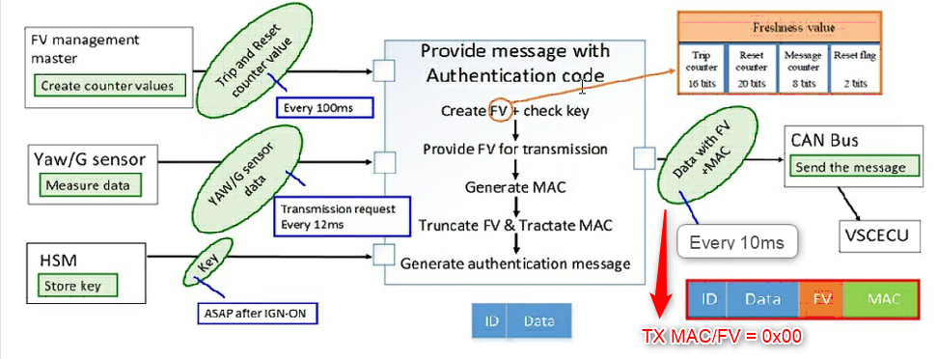

HSM
Function : Store key
Key
After IGN On

Use case 1
Provide FV for Tx message

SYC
Function: Provide configuration for MAC/FvH feature
Dynamic bit: EnableSecOC
After change dynamic bit value

Step 2: Think functions of this structure.

SDM locking SYC configure
 |  |  |  |  |  |  |  |  | Normal scenario |  |  |  |  |  |  | Reset counter MAX |  | Trip counter MAX condition
Functions (Test conditions) | Input (=>) |  | SYC configuration |  | Aspects of this function |  |  |  | Enable MAC/Fv |  |  | Disable MAC/Fv |  |  |  |  | Díable
 |  |  |  |  | (1) Value of dynamic bit

 |  |  |  |  | EnableSecOC = 1 is configured for supported project |  |  |  |  |  | ON |  |  | ON
 |  |  |  |  | EnableSecOC = 0 is configured for unsupported project
SYC
Priovide configuration for MAC/Fv feature through dynamic bit: EnableSecOC
Set dynamic bit
Clear dynamic bit
 |  |  |  |  |  |  |  |  |  | OFF |  |  | OFF
Set configure value
IG
IG

Enable/Disable
dynamic bit
 |  |  |  |  |  |  |  |  |  |  | 1 |  | 1

No SYC bit can't control for test
EnableSecOC
EnableSecOC
 |  |  |  |  |  |  |  |  |  |  |  |  |  | 0
 |  |  |  |  |  |  |  |  |  | 0
 |  | SYC configure read out

 | Input (=>) |  | HMS |  | Aspects of this function
No MAC key injected
MAC is key ready at IGN ON
(For now no Rqmt which related to the difference between Prototype and Non-prototype key in this use case is implemented yet.
Rqmt for No key case is also unclear.)
MAC is key ready at IGN ON
(For now no Rqmt which related to the difference between Prototype and Non-prototype key in this use case is implemented yet.
Rqmt for No key case is also unclear.)
MAC is key ready at IGN ON
(For now no Rqmt which related to the difference between Prototype and Non-prototype key in this use case is implemented yet.
Rqmt for No key case is also unclear.)
 |  |  |  |  |  | 1. No key
 |  |  |  |  |  | 2. Prototype key
 |  |  |  |  |  | 3. Non-prototype key
HMS
Provide key to calculate MAC

Set MAC key via
- Bosch Diag Tools.
- Customer Diagnostic

No MAC key provided

MAX condition sync message
No Sync message received since IGN ON
Valid sync message
Invalid sync message
 | Input (=>) |  | COM (Sync message from Master ECU) |  | Aspects of this function
Valid sync message
Invalid sync message
Trip counter
 |  |  |  |  |  | 1. No valid Sync message received since IGN on
 |  |  |  |  |  | 2. New trip/reset counter valid
 |  |  |  |  |  |  | NewFV > LastFV
COM
Handle latest trip counter and reset counter to create FV
Max-15 <= Old trip counter <= Max
 |  |  |  |  |  | 3. New trip/reset counter invalid
Trip counter
 |  |  |  |  |  |  | NewFV <= LastFV
Control value/status of Sync message on CAN
Trip counter
 |  |  |  |  |  | 4. Reset counter MAX
1 <= New counter <= 16
 |  |  |  |  |  | 5. Trip counter MAX condition
 |  |  |  |  |  |  | Max-15 <= Old trip counter <= Max
Trip counter
Reset counter
 |  |  |  |  |  |  | 1 <= New counter <= 16
Reset counter
Reset counter
Reset counter
MAX value 0xFFFFF
Init value of Trip/Reset counter are used to calculate

MAX condition sync message
Keep last valid trip counter
 | (=>) Output |  | COM (Transmit Tx message with MAC) |  | Aspects of this function
Actual Tx value + MAC/FV value (MAC/FV calculate with below info)
Actual Tx value + MAC/FV value (MAC/FV calculate with below info)
Actual Tx value + MAC/FV value (MAC/FV calculate with below info)
No MAC key injected
 |  |  |  |  |  |  |  |  | TX msg in case EnableSecOC = 1
 |  |  |  |  |  | 1. Cyclic Tx messages
 |  |  |  |  |  | 2. On event Tx messages |  |  |  |  |  |  |  |  |  |  |  |  | E

 |  |  |  |  |  | *Unsupport project is FV and MAC equal 0x00
COM
Provide calculated FV and MAC for Tx Message
Evaluate FV and MAC of Tx message on CAN bus
Calculated FV and MAC
Keep last valid trip counter
Trip counter
Trip counter
Trip counter
Init value = 0
New value
from sync msg

Keep last valid reset counter
Reset counter
Reset counter
Reset counter
Tx msg with MAC will not be transmitted
Init value = 0
New value
from sync msg

Keep increasing

Message counter (Keep MAX value if reset counter is MAX)
Message counter (reset to 0, then start increasing after each Tx message. Until it reaches MAX value and stay at MAX)

 |  |  |  |  |  |  |  |  | TX msg in case EnableSecOC = 0
Actual Tx value + MAC/FV = 0x00
Actual Tx value + MAC/FV = 0x00
Actual Tx value + MAC/FV = 0x00

Hint to find functions and scenarios
Function |  | External controlable inputs |  | External measurable output |  | Limit/Constraint |  | Timing
Scenario |  | Variation points |  | Recovery |  | Repeat

Rx Message
Software Test Design Specification (SWTDS) - Finding Dependency |  |  |  |  |  |  |  |  |  |  |  |  |  |  | V2.1 |  |  | V
Step 3: Think behaviours of this structure.
1st step : Structure of this test item with external (controllable/measurable) inputs/outputs |  |  |  |  |  |  |  |  | Behaviour analysis (to find out scenarios)
COM (from Master ECU - CGW)
Function : Provide trip/reset counter
Trip counter
Reset counter
When Sync message received
Freshness Value Handler
 |  |  |  |  |  |  |  |  |  | Check reference sheet

DEM
Function : Record failure information
Verify failure information
Rx message FV or MAC verify fail
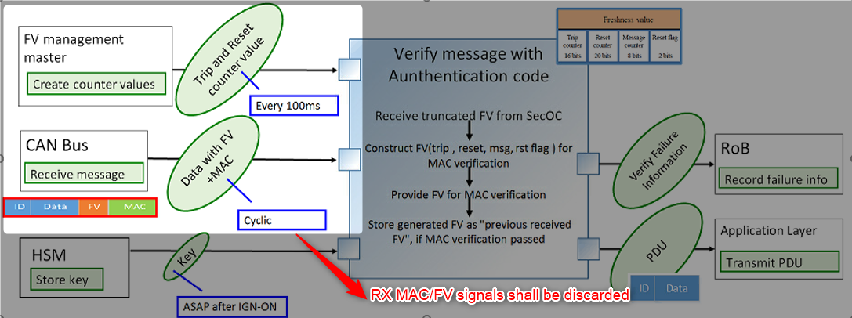

HSM
Function : Store key
Key
After IGN On

Use case 2
Provide FV for Rx message

SYC
Function: Provide configuration for MAC/FvH feature
Dynamic bit: EnableSecOC
After change dynamic bit value

Step 2: Think functions of this structure.
SDM locking SYC configure
 |  |  |  |  |  |  |  |  | Normal scenario |  |  |  |  |  |  | Trip MAX Value | Msg with MAC Verification FAIL |  | MAC Key FAIL
Functions (Test conditions) | Input (=>) |  | SYC configuration |  | Aspects of this function |  |  |  | Enable MAC/Fv |  |  | Disable MAC/Fv
 |  |  |  |  | (1) Value of dynamic bit

 |  |  |  |  | EnableSecOC = 1 is configured for support project |  |  |  |  |  | ON |  |  | ON
 |  |  |  |  | EnableSecOC = 0 is configured for unsupport project
SYC
Priovide configuration for MAC/Fv feature through dynamic bit: EnableSecOC
Set dynamic bit
Clear dynamic bit
 |  |  |  |  |  |  |  |  |  | OFF |  |  | OFF
Set configure value
IG
IG

Enable/Disable
Notification
 |  |  |  |  |  |  |  |  |  |  | 1 |  | 1

No SYC bit can't control for test
EnableSecOC
EnableSecOC
 |  |  |  |  |  |  |  |  |  |  |  |  |  | 0
 |  |  |  |  |  |  |  |  |  | 0
 |  | SYC configure read out

MAC key is ready at IGN ON
(For now no Rqmt which related to the difference between Prototype and Non-prototype key in this use case is implemented yet.
Rqmt for No key case is also unclear.)
MAC key is ready at IGN ON
(For now no Rqmt which related to the difference between Prototype and Non-prototype key in this use case is implemented yet.
Rqmt for No key case is also unclear.)
MAC key is ready at IGN ON
(For now no Rqmt which related to the difference between Prototype and Non-prototype key in this use case is implemented yet.
Rqmt for No key case is also unclear.)
MAC key is ready at IGN ON
(For now no Rqmt which related to the difference between Prototype and Non-prototype key in this use case is implemented yet.
Rqmt for No key case is also unclear.)
 | Input (=>) |  | HMS |  | Aspects of this function
No MAC key injected
 |  |  |  |  |  | 1. No key
 |  |  |  |  |  | 2. Prototype key
 |  |  |  |  |  | 3. Non-prototype key
HMS
Provide key to calculate MAC

Set MAC key via
- Bosch Diag Tools.
- Customer Diagnostic

No MAC key provided

IGN On + 260ms
IGN On + 3100ms
No Sync message received since IGN ON
Valid sync message
Invalid sync message
MAX condition sync message
Valid sync message
 | Input (=>) |  | COM (Sync message from Master ECU) |  | Aspects of this function

...
Trip counter
Trip counter
Sync msg MAC verification fail
Sync msg MAC verification OK
 |  |  |  |  |  | 1. No valid Sync message received since IGN on
 |  |  |  |  |  | 2. New trip/reset counter valid
 |  |  |  |  |  |  | NewFV > LastFV
COM
Handle latest trip counter and reset counter to create FV
Max-15 <= Old trip counter <= Max
 |  |  |  |  |  | 3. New trip/reset counter invalid
Trip counter
 |  |  |  |  |  |  | NewFV <= LastFV
Control value/status of Sync message on CAN
 |  |  |  |  |  | 4. Reset counter MAX
1 <= New counter <= 16
 |  |  |  |  |  | 5. Trip counter MAX condition
 |  |  |  |  |  |  | Max-15 <= Old trip counter <= Max
Trip counter
Reset counter
 |  |  |  |  |  |  | 1 <= New counter <= 16
Reset counter
Reset counter
Reset counter
 |  |  |  |  |  | 6. Wrong MAC during init time

Init value of Trip/Reset counter are used to calculate

IGN On + 260ms
IGN On + 3100ms
 | Input (=>) |  | COM (Rx message with MAC) |  | Aspects of this function
Bus off
 |  |  |  |  |  | 1. MAC verify OK
 |  |  |  |  |  | 2. MAC verify FAIL
x
0
y
1
2
3
4
5
6
7
x
0
y
1
2
3
4
5
6
7
x
0
y
1
2
3
4
5
6
7
x
0
y
1
x
y
0
1
0
1
2
3
4
5
6
7
8
9
7
8
9
COM
Verify FV and MAC of Rx message
Use init value of reset/trip counter to construct FV
Use received reset/trip counter to construct FV
Use init value of reset/trip counter to construct FV
Use received reset/trip counter to construct FV
Use received reset/trip counter to construct FV
Control value/status of Sync message on CAN
Use init value of reset/trip counter to construct FV
Use received reset/trip counter to construct FV

FV and MAC to compare
MAC VERIFY OK
MAC VERIFY OK
MAC VERIFY OK
MAC VERIFY FAIL

No Rx message received

5000ms
 | (=>) Output |  | DEM |  | Aspects of this function
 |  |  |  |  |  | *List of fault : |  |  |  | EnableSecOC = 1 |  |  |  |  |  | EnableSecOC = 1 | EnableSecOC = 1 |  | EnableSecOC = 1
 |  |  |  |  |  | rb_fvh_MacVerifyNotGood_flt
 |  |  |  |  |  | rb_fvh_MacKeyValueVerifyNotGood_flt
DTC 0xE40100 qualify
Message timeout flt qualify
 |  |  |  |  |  | rb_fvh_MacVerifyNotGoodBCMInfo_flt
DTC 0xE40000 qualify
 |  |  |  |  |  | rb_fvh_MacVerifyNotGoodCruiseMultiSwitch_flt
DEM
Handling faults
 |  |  |  |  |  | rb_fvh_MacVerifyNotGoodHVACInfo_flt
No fault qualify
No fault qualify
DTC 0xE40100 is not dequalified this PoC
Message timeout flt dequalify after valid message is received
 |  |  |  |  |  | rb_fvh_MacVerifyNotGoodWheelData_flt
Verify failure information
Fault handling
DTC 0xE40000 is not dequalified this PoC

 |  |  |  |  |  | * Support SecOC project : Fault qualify as normal

 |  |  |  |  |  | * Unsupport SecOC project : MAC Key fault not qualify in any case

 |  |  |  |  |  |  |  |  |  | EnableSecOC = 0 |  |  |  |  |  | EnableSecOC = 0 | EnableSecOC = 0 |  | EnableSecOC = 0

No fault qualify
No fault qualify
No fault qualify
No fault qualify

 | (=>) Output |  | COM (Application) |  | Aspects of this function
 |  |  |  |  |  |  |  |  |  | EnableSecOC = 1 |  |  |  |  |  | EnableSecOC = 1 | EnableSecOC = 1 |  | EnableSecOC = 1

 |  |  |  |  |  | * Support SecOC project : Message accept or discard in case by case

COM (Application)
Accept or Discard message
Message data is accepted
Message data is accepted
Message data is accepted
Message data is discarded
Message data is accepted
Message data is accepted
Verify result
 |  |  |  |  |  | * Unsupport SecOC project : message always accept (For project without support MAC/FV, the Mac/FV signal not pressent in Database but We can check slide impact by other feature)

Message data is accepted without authentic
Message data is accepted without authentic
Message data is accepted without authentic
Message data is accepted without authentic
 |  |  |  |  |  |  |  |  |  | EnableSecOC = 0 |  |  |  |  |  | EnableSecOC = 0 | EnableSecOC = 0 |  | EnableSecOC = 0

Hint to find functions and scenarios
Function |  | External controlable inputs |  | External measurable output |  | Limit/Constraint |  | Timing
Scenario |  | Variation points |  | Recovery |  | Repeat

Reference
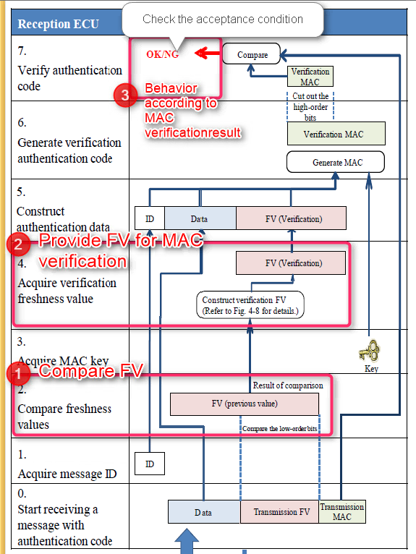
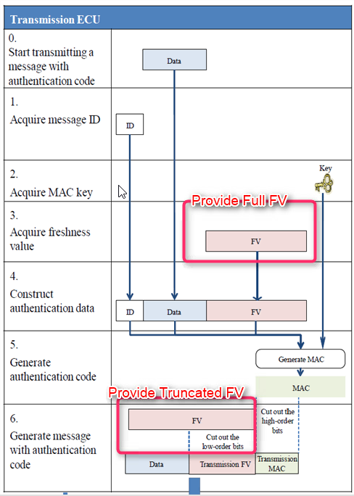
*Unsupport Project : | J34H, J34X
*Support Project : | J30S

FV Construction

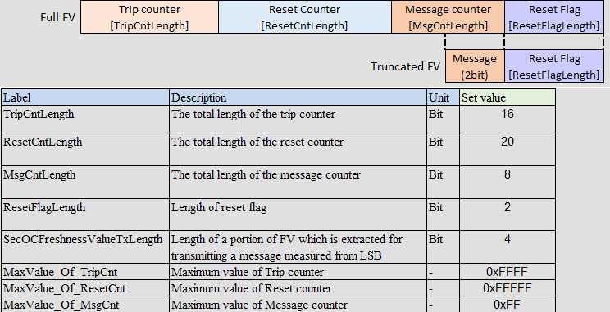

Providing FV for Tx message |  | Providing FV for Rx message

