Overview-TransmitFFDData
Software Test Design Specification (SWTDS) - Overview |  |  |  |  |  |  |  |  |  |  | V2.1

This usecase handle FFD data transmission when get trigger from Master ECU.
If there's failure in this feature, data cannot be provide correctly, which may lead to mislead in analysis and/or investigation.
Project information |  |  | Feature for customer (Motivation, Scope, Purpose) |  |  |  |  |  | Document information
Product / Project | Mazda |  |  |  |  |  |  |  | Document Nr.
Test item | Feature Vehicle Data Transfer |  |  |  |  |  |  |  | Author | Hoang Gia Nguyen (RBVH/EPS42)
Review history |  |  |  |  |  |  |  |  | Time frame | 2021-07-23
Date on review | Review team |  |  |  |  |  |  |  | Test basis
 |  |  |  |  |  |  |  |  | Name |  | Baseline/Revision
 |  |  |  |  |  |  |  |  | SRS22_VDT_VehicleDataTransfer_Custlib |  | 9.16
 |  |  |  |  |  |  |  |  | CRS550_Vehicle_Data_Transfer_Specification__CustLib |  | 4.1
 |  |  |  |  |  |  |  |  | CRS548_Signal_Connected_EDR_Trigger |  | 1.2

Visualization of the test design (overview)
1st step : Structure of this test item (Input, Function, Output) |  |  |  | 2nd step : Which information is exchanged? |  | 3rd step : When/where is this information exchanged? (Timing, Dynamic behaviour)

Vehicle Data Transfer (VDT)
SYC
Function : Provide configuration for VDT feature
Dynamic bit: rb_sycg_EnableConnectedEDR_e and WVTA (F190 and F196)
After Reset

EDR
Function : Provide EDR data
EDR data
After receive request from C-BCM
Notify collision event
Send notification to C-BCM

COM
Function : Start/Stop Transfering FFD data via CAN
FFD data in msg $500
Start sending within 500ms after request received.
Cyclic 50ms during transfer process

COM
Function : Send trigger from C-BCM
$4E6:-VDT_RCM_ODR1_Rq
$1 ON / $0 OFF
event : after receive trigger from msg $4E6/ cycle : 1000ms

Handle data transfer
Start/Stop data transfer base on trigger from C-BCM

Crash Protection
Function : Provide collision trigger
Collision trigger
Any crash happen

Hint to find test conditions in airbag system -> Please find details in the "Feature library". |  |  |  |  |  |  | Change history
Feature |  | Awareness keywords |  | Feature | Awarness keywords |  | Nr. | Change

Overview-CrashNotification
Software Test Design Specification (SWTDS) - Overview |  |  |  |  |  |  |  |  |  |  | V2.1

This use case send out a notification when EDR recording is complete, new EDR data is available to be transfer.
Master ECU will base on this notification to request transfer data.
If there's failure within this feature, Master ECU cannot aware of new EDR data to trigger transfer to update new data.
Project information |  |  | Feature for customer (Motivation, Scope, Purpose) |  |  |  |  |  | Document information
Product / Project | Mazda |  |  |  |  |  |  |  | Document Nr.
Test item | Feature Vehicle Data Transfer |  |  |  |  |  |  |  | Author | Hoang Gia Nguyen (RBVH/EPS42)
Review history |  |  |  |  |  |  |  |  | Time frame | 2021-07-23
Date on review | Review team |  |  |  |  |  |  |  | Test basis
 |  |  |  |  |  |  |  |  | Name |  | Baseline/Revision
 |  |  |  |  |  |  |  |  | SRS22_VDT_VehicleDataTransfer_Custlib |  | 9.16
 |  |  |  |  |  |  |  |  | CRS550_Vehicle_Data_Transfer_Specification__CustLib |  | 4.1
 |  |  |  |  |  |  |  |  | CRS548_Signal_Connected_EDR_Trigger |  | 1.2

Visualization of the test design (overview)
1st step : Structure of this test item (Input, Function, Output) |  |  |  | 2nd step : Which information is exchanged? |  | 3rd step : When/where is this information exchanged? (Timing, Dynamic behaviour)

SYC
Function : Provide configuration for VDT feature
Dynamic bit: rb_sycg_EnableConnectedEDR_e and WVTA (F190 and F196)
After Reset
Vehicle Data Transfer (VDT)

When Crash notification is disabled, crash notification signal always send value $0

After all EDR recording complete

Notify collision event
Send notification to C-BCM
$340:ConnectedEDRTrigger
EDR recording status (complete?)
COM
Function : Notify via CAN that EDR record completed
EDR
Function : Provide EDR recording status

When EDR record complete
(If no EDR record due to full locked or low priority, no notification is generated)

Handle data transfer
Start/Stop data transfer base on trigger from C-BCM
Collision trigger

Crash Protection
Function : Provide collision trigger

Any crash happen

Hint to find test conditions in airbag system -> Please find details in the "Feature library". |  |  |  |  |  |  | Change history
Feature |  | Awareness keywords |  | Feature | Awarness keywords |  | Nr. | Change

Overview-VDT-DSM priority
Software Test Design Specification (SWTDS) - Overview |  |  |  |  |  |  |  |  |  |  | V2.1

This usecase handles VDT and DSM priority tranmission.
If VDT is already in transmission, DSM will report busy mesage, VDT will continue to transmit FFD data
If DSM is reporting, FFD request will be ignored, DSM will continue to transmit DID data
Project information |  |  | Feature for customer (Motivation, Scope, Purpose) |  |  |  |  |  | Document information
Product / Project | Mazda |  |  |  |  |  |  |  | Document Nr.
Test item | Feature Vehicle Data Transfer |  |  |  |  |  |  |  | Author | Tran Trong Thuc (RBVH/EPS42)
Review history |  |  |  |  |  |  |  |  | Time frame | 2021-07-23
Date on review | Review team |  |  |  |  |  |  |  | Test basis
 |  |  |  |  |  |  |  |  | Name |  | Baseline/Revision
 |  |  |  |  |  |  |  |  | SRS22_VDT_VehicleDataTransfer_Custlib |  | 9.16
 |  |  |  |  |  |  |  |  | CRS550_Vehicle_Data_Transfer_Specification__CustLib |  | 4.1
 |  |  |  |  |  |  |  |  | CRS548_Signal_Connected_EDR_Trigger |  | 1.2

Visualization of the test design (overview)
1st step : Structure of this test item (Input, Function, Output) |  |  |  | 2nd step : Which information is exchanged? |  | 3rd step : When/where is this information exchanged? (Timing, Dynamic behaviour)

Vehicle Data Transfer (VDT)

$4E6:-VDT_RCM_ODR1_Rq
$1 ON / $0 OFF

FFD data

COM
Function : Send trigger from C-BCM
COM
Function : Send data of message $500

DSM-VDT priority handling
first come, first served

Which request comes first will have response first
Later request will be rejected, no response
Handle data transfer
Start/Stop data transfer base on trigger from C-BCM
event : after receive trigger from msg $4E6/ cycle : 1000ms
service $22 (EDR data)

DID data

Notify collision event
Send notification to C-BCM
DSM
Function : Send response data

DSM
Function : Send trigger DSM service

event : tester/operator triggers responses

Hint to find test conditions in airbag system -> Please find details in the "Feature library". |  |  |  |  |  |  | Change history
Feature |  | Awareness keywords |  | Feature | Awarness keywords |  | Nr. | Change

FindDependency-TransmitFFDData
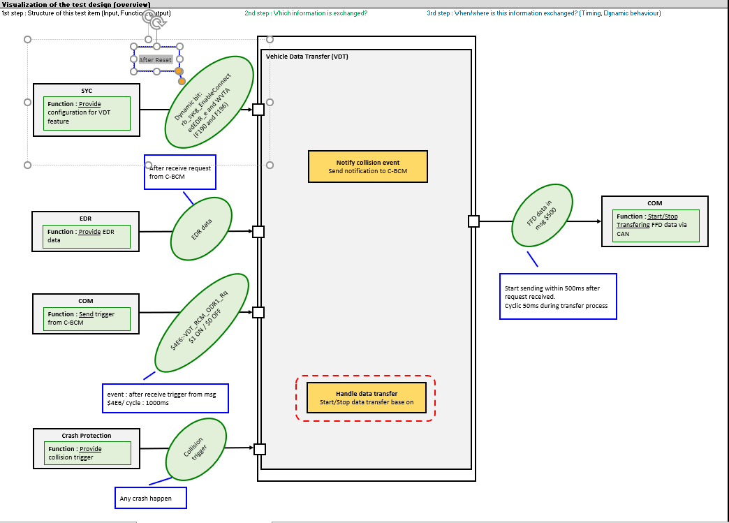

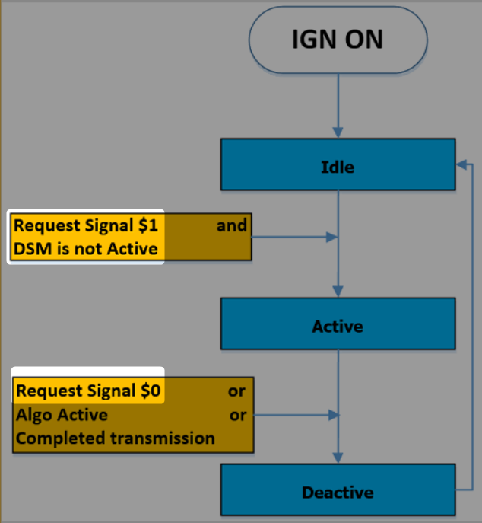
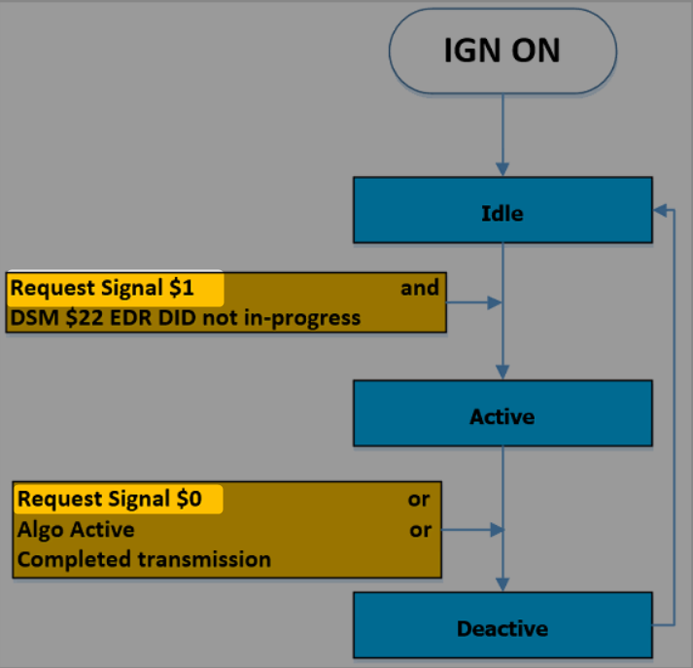
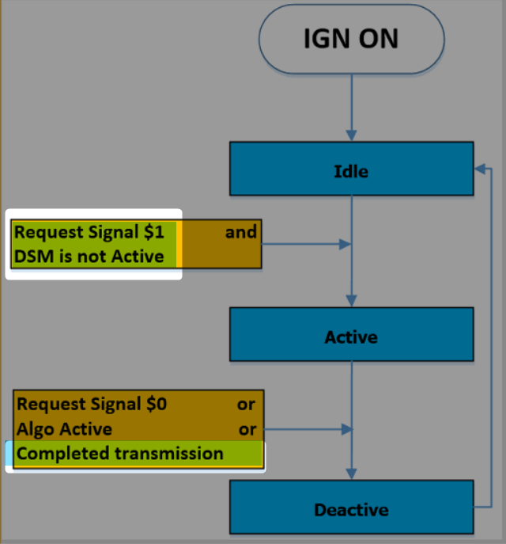
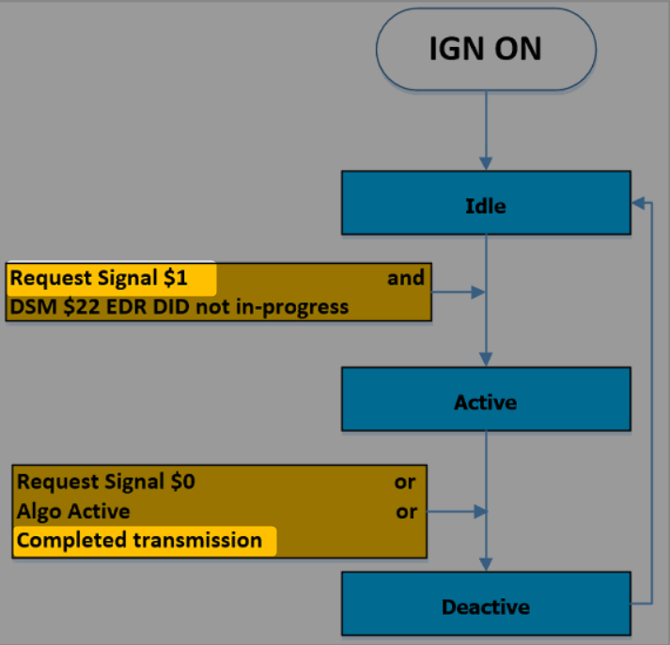
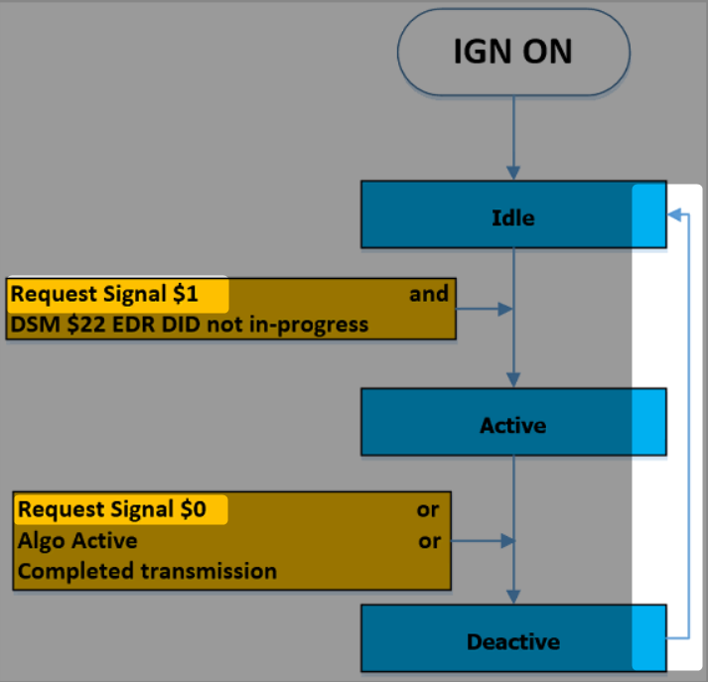
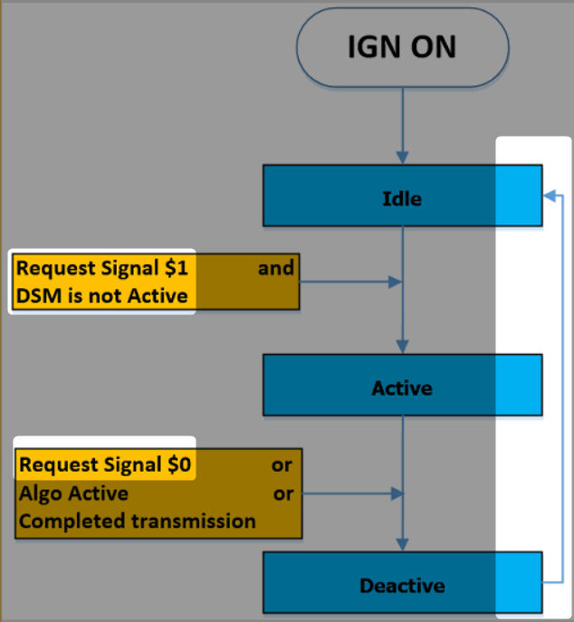
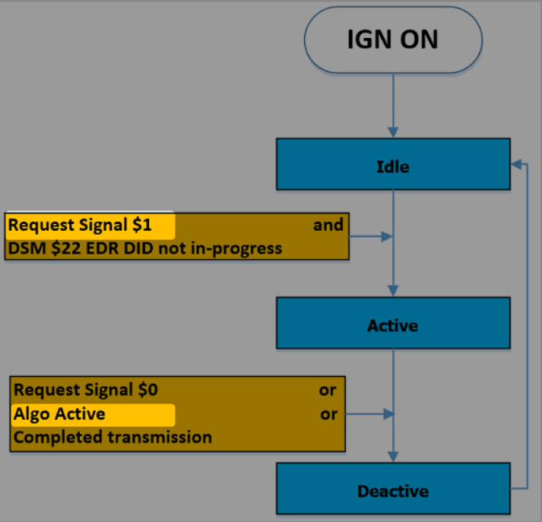

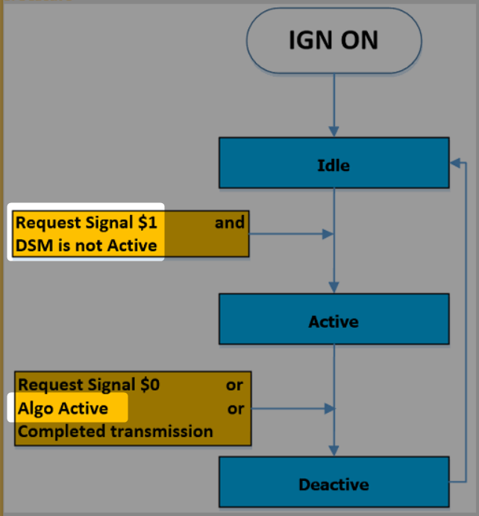

LACK OF RQMT

Without Hard Reset
 |  |  |  |  | Normal case (No off trigger) |  |  |  |  |  |  |  |  |  |  |  |  | Normal case (with off trigger) |  |  |  |  |  |  |  |  |  |  |  | Normal case (Repeat) |  |  |  |  |  |  |  |  |  |  |  |  |  | Abnormal case - Interrupted by another crash |  |  |  |  |  |  |  |  |  |  |  |  |  |  |  |  |  | Abnormal case - Interrupted by power OFF |  |  |  |  |  |  |  |  |  |  |  |  |  |  |  |  | Abnormal case - Trigger when EDR recording is still in Progress and EDR record interrupt by power OFF
Functions (Test conditions) | Input (=>) | SYC configuration | Aspects of this function
 |  |  | (1) Value of dynamic bit
 |  |  |  | Enable Crash Notification when configure value equal to 1 |  |  |  |  |  |  |  |  |  | 1 |  |  |  |  |  |  |  |  |  |  |  |  | 1 |  |  |  |  |  |  |  |  |  |  |  | 1 |  |  |  |  |  |  |  |  |  |  |  |  |  | 1 |  |  |  |  |  |  |  |  |  |  |  |  |  |  |  |  |  | 1 |  |  |  |  |  |  |  |  |  |  |  |  |  |  |  |  | 1
 |  |  |  | Disable Crash Notification when configure value equal to 0
 |  |  | (2) Value of WVTA |  |  | rb_sycg_EnableConnectedEDR_e |  |  |  | 0 |  |  |  |  |  |  |  |  | rb_sycg_EnableConnectedEDR_e |  |  |  | 0 |  |  |  |  |  |  |  | rb_sycg_EnableConnectedEDR_e |  |  |  | 0 |  |  |  |  |  |  |  |  |  | rb_sycg_EnableConnectedEDR_e |  |  |  | 0 |  |  |  |  |  |  |  |  |  |  |  |  |  | rb_sycg_EnableConnectedEDR_e |  |  |  | 0 |  |  |  |  |  |  |  |  |  |  |  |  | rb_sycg_EnableConnectedEDR_e |  |  |  | 0
SYC
Provide configuration for VDT feature through dynamic bit and WVTA rb_sycg_EnableConnectedEDR_e
 |  |  |  | Enable WVTA Condition when:
 |  |  |  | F190 ≠ 0x00/0xFF and F196 = 0x00/0xFF |  |  |  |  | 1 |  |  |  |  |  | 1 |  |  |  |  |  |  | 1 |  |  |  |  |  | 1 |  |  |  |  |  | 1 |  |  |  |  |  | 1 |  |  |  |  |  |  |  | 1 |  |  |  |  |  | 1 |  |  |  |  |  |  |  |  |  |  |  | 1 |  |  |  |  |  | 1 |  |  |  |  |  |  |  |  |  |  | 1 |  |  |  |  |  | 1
Set configure value
 |  |  |  | Disable WVTA Condition when:
 |  |  |  | F190 ≠ 0x00/0xFF and F196 ≠ 0x00/0xFF |  | WVTA Condition | 0 |  |  |  |  |  | 0 |  |  |  |  |  | WVTA Condition | 0 |  |  |  |  |  | 0 |  |  |  |  | WVTA Condition | 0 |  |  |  |  |  | 0 |  |  |  |  |  |  | WVTA Condition | 0 |  |  |  |  |  | 0 |  |  |  |  |  |  |  |  |  |  | WVTA Condition | 0 |  |  |  |  |  | 0 |  |  |  |  |  |  |  |  |  | WVTA Condition | 0 |  |  |  |  |  | 0
 |  |  |  | F190 = 0x00/0xFF and F196 ≠ 0x00/0xFF
 |  |  |  | F190 = 0x00/0xFF and F196 = 0x00/0xFF

Enable/Disable Notification
 |  |  |  |  |  |  | 1 |  |  |  |  |  |  |  |  |  |  |  |  | 1 |  |  |  |  |  |  |  |  |  |  |  | 1 |  |  |  |  |  |  |  |  |  |  |  |  |  | 1 |  |  |  |  |  |  |  |  |  |  |  |  |  |  |  |  |  | 1 |  |  |  |  |  |  |  |  |  |  |  |  |  |  |  |  | 1

SYC configure read out
WVTA not write
 |  |  |  |  |  | VDT Supression State |  |  |  |  |  |  |  |  |  | 0 |  |  | VDT Supression State |  |  |  |  |  |  |  |  |  | 0 |  | VDT Supression State |  |  |  |  |  |  |  |  |  | 0 |  |  |  | VDT Supression State |  |  |  |  |  |  |  |  |  | 0 |  |  |  |  |  |  |  | VDT Supression State |  |  |  |  |  |  |  |  |  | 0 |  |  |  |  |  |  | VDT Supression State |  |  |  |  |  |  |  |  |  | 0
 |  |  | (3) Without Hard Reset
 |  |  |  | WVTA not applicable

Algo deactivate (Idle/Sensor faults)
 | Input (=>) | Crash Protection | Aspects of this function
 |  |  | (1) Type of crash
 |  |  |  | Single
 |  |  |  | Parallel
 |  |  |  | Multi
Crash Protection
Detect crash and provide trigger to other module
 |  |  |  | No crash |  |  | Crash start |  |  | Crash end |  |  |  |  |  |  |  |  |  | Crash start |  |  | Crash end |  |  |  |  |  |  |  |  | Crash start |  |  | Crash end |  |  |  |  |  |  |  |  |  |  | 1st crash start |  |  | 1st crash end |  |  |  |  | Crash interrupt FFD start |  | Crash interrupt FFD end |  |  |  |  |  |  |  | Crash start |  |  | Crash end |  |  |  |  |  |  |  |  |  |  |  |  |  | Crash start |  | Crash end
 |  |  | (2) Severity of crash
Crash simulator (QuaTe)
 |  |  |  | ND
 |  |  |  | NAD |  | Normal |  | Crash |  | Normal |  |  |  |  |  |  |  |  | Normal |  | Crash |  | Normal |  |  |  |  |  |  |  | Normal |  | Crash |  | Normal |  |  |  |  |  |  |  |  |  | Normal |  | Crash |  | Normal |  |  |  |  |  | Crash |  |  |  |  |  |  |  | Normal |  | Crash |  | Normal |  |  |  |  |  |  |  |  |  |  |  |  | Normal |  | Crash |  | Normal
 |  |  |  | AD
 |  |  |  | Noise
 |  |  | (3) Autarky
Trigger & Information
 |  |  |  | Crash with Autarky

Crash fault record
No crash trigger

Recording in progress
 | Input (=>) | Event Data Recorder | Aspects of this function
 |  |  | (1) Crash information
 |  |  |  | Depend on the crash injected
Event Data Recorder
Record data of crash and provide for FFD data later when requested
 |  |  | (2) Environment state
 |  |  |  | Random environment state shall be created before crash injection
 |  |  |  | (This is content of EDR data: switch, COM, etc.) |  |  | Crash start |  |  | Crash end | EDR complete |  |  |  |  |  |  |  |  | Crash start |  |  | Crash end | EDR complete |  |  |  |  |  |  |  | Crash start |  |  | Crash end | EDR complete |  |  |  |  |  |  |  |  |  | 1st crash start |  |  | 1st crash end | EDR complete |  |  |  | Crash interrupt FFD start |  | Crash interrupt FFD end | EDR complete |  |  |  |  |  |  | Crash start |  |  | Crash end | EDR complete |  |  |  |  |  |  |  |  |  |  |  |  | Crash start |  | Crash end |  | EDR complete
EDR data
Crash trigger
Crash information
Evironment state
 |  |  |  |  |  | Normal |  | EDR recording |  |  |  | Normal |  |  |  |  |  |  | Normal |  | EDR recording |  |  |  | Normal |  |  |  |  |  | Normal |  | EDR recording |  |  |  | Normal |  |  |  |  |  |  |  | Normal |  | EDR recording |  |  |  | Normal |  |  |  | EDR recording |  |  |  |  |  |  |  | Normal |  | EDR recording |  |  |  | Normal |  |  |  |  |  |  |  |  |  |  | Normal |  | EDR recording |  |  |  | Normal

No EDR data provided

 | Input (=>) | Trigger from C-BCM | Aspects of this function
 |  |  | (1) Timing of trigger
 |  |  |  | ON when no FFD transmit
Trigger from C-BCM
$4E6:-VDT_RCM_ODR1_Rq
$1 ON / $0 OFF
 |  |  |  | ON during FFD transmit
 |  |  |  | OFF when no FFD transmit |  |  |  |  |  |  |  |  | ON |  |  |  |  |  |  |  |  |  |  |  |  | ON |  | OFF |  |  |  |  |  |  |  |  |  | ON | ON |  | ON |  |  |  |  |  |  |  |  |  |  | ON |  |  |  |  |  |  | ON |  |  |  |  |  |  |  |  |  |  | ON |  |  |  |  |  | ON |  |  |  |  |  |  |  | ON
 |  |  |  | OFF during FFD transmit
trigger
 |  |  |  | ON righ after FFD transmit finish
Control via RBS
 |  |  |  | OFF right after FFD transmit finish |  |  | Crash start |  |  | Crash end | EDR complete |  |  |  |  |  |  |  |  | Crash start |  |  | Crash end | EDR complete |  |  |  |  |  |  |  | Crash start |  |  | Crash end | EDR complete |  |  |  |  |  |  |  |  |  | 1st crash start |  |  | 1st crash end | EDR complete |  |  |  | Crash interrupt FFD start |  | Crash interrupt FFD end |  |  |  |  |  |  |  | Crash start |  |  | Crash end | EDR complete |  |  |  |  |  |  |  |  |  |  |  |  | Crash start |  | Crash end |  | EDR complete

CAN trace

Power off
Crash happen
 | (=>) Output | COM - FFD Data on CAN | Aspects of this function
 |  |  | (1) Messages timing
 |  |  |  | Start 100ms after trigger from C-BCM |  |  | Crash start |  |  | Crash end | EDR complete |  | Trigger ON |  |  | FFD transmit done |  |  |  | Crash start |  |  | Crash end | EDR complete |  | Trigger ON |  | Trigger OFF |  |  |  | Crash start |  |  | Crash end | EDR complete |  | Trigger ON |  | Trigger ON | FFD Complete | Triiger ON | FFD Complete |  |  | 1st crash start |  |  | 1st crash end | EDR complete |  | Trigger ON |  | Crash interrupt FFD start |  | Crash interrupt FFD end | EDR complete |  | Trigger ON |  | Transmission complete |  |  | Crash start |  |  | Crash end | EDR completed |  | Trigger ON |  | Power Off |  | Power ON |  | Trigger ON |  | Transmission complete |  |  | Crash start |  | Crash end | Trigger ON
COM - FFD data
FFD data in msg $500
 |  |  |  | Cyclic 50ms during process |  |  |  |  |  |  |  |  |  |  |  |  |  |  |  |  |  |  |  |  |  |  |  |  |  |  |  |  |  |  |  |  |  |  |  | Do nothing |  |  |  |  |  |  |  |  |  |  |  |  |  | Transmission interrupted |  |  |  |  |  |  |  |  |  |  |  |  |  |  |  |  |  | Transmission interrupted
 |  |  | (2) FFD transmit interupt
 |  |  |  | Power off during transmision
FFD data on CAN msg $500
 |  |  |  | Another crash happen |  | VDT Supression State = 1 | 1 |  |  |  |  |  |  |  |  |  |  |  | VDT Supression State = 1 | 1 |  |  |  |  |  |  |  |  |  |  | VDT Supression State = 1 | 1 |  |  |  |  |  |  |  |  |  |  |  |  | VDT Supression State = 1 | 1 |  |  |  |  |  |  |  |  |  |  |  |  |  |  |  |  | VDT Supression State = 1 | 1 |  |  |  |  |  |  |  |  |  |  |  |  |  |  |  | VDT Supression State = 1 | 1

EDR Data
 |  |  | (3) FFD on CAN |  |  | 0 |  |  |  |  |  |  |  |  |  |  |  |  | 0 |  |  |  |  |  |  |  |  |  |  |  | 0 |  |  |  |  |  |  |  |  |  |  |  |  |  | 0 |  |  |  |  |  |  |  |  |  |  |  |  |  |  |  |  |  | 0 |  |  |  |  |  |  |  |  |  |  |  |  |  |  |  |  | 0 |  |  |  |  | EDR complete
 |  |  | 1. Data number
 |  |  | 2. DID |  |  | Normal |  |  |  |  |  |  |  | FFD transmit with special format |  |  | Normal |  | Normal |  |  |  |  |  |  |  | FFD transmit with special format |  | Normal |  | Normal |  |  |  |  |  |  |  | FFD transmit with special format |  | Normal | FFD transmit with special format with in 100ms |  |  | Normal |  |  |  |  |  |  |  | FFD transmit with special format |  | Normal |  |  |  |  | FFD transmit with special format with in 500ms |  |  | Normal |  |  |  |  |  |  |  | FFD transmit with special format |  | Power OFF |  |  |  | FFD transmit with special format with in 500ms |  |  | Normal
 |  |  | 3. Data size |  |  |  |  |  |  |  |  |  |  |  |  |  |  |  |  |  |  |  |  |  |  |  |  |  |  |  |  |  |  |  |  |  |  |  |  |  |  |  |  |  |  |  |  |  |  |  |  |  |  |  |  |  |  | NO RESTART |  |  |  |  |  |  |  |  |  |  |  |  |  |  |  |  | NO RESTART |  |  |  |  |  |  |  |  |  | NO TRANSMISSION
 |  |  | 4. Checksum: calculate data from [first data of first DID - last data of this DID] based on Algorithm in CRS550, appendix D |  |  |  |  |  |  |  |  |  |  |  |  |  |  |  |  |  |  |  |  |  |  |  |  |  |  |  |  |  |  |  |  |  |  |  |  |  |  |  |  |  |  |  |  |  |  |  |  |  |  |  |  |  |  |  |  | (Should have data of 2nd crash)
 |  |  | 5. EDR data |  |  | VDT Supression State = 0 |  |  |  |  |  |  |  |  |  |  |  |  | VDT Supression State = 0 |  |  |  |  |  |  |  |  |  |  |  | VDT Supression State = 0 |  |  |  |  |  |  |  |  |  |  |  |  |  | VDT Supression State = 0 |  |  |  |  |  |  |  |  |  |  |  |  |  |  |  |  |  | VDT Supression State = 0 |  |  |  |  |  |  |  |  |  |  |  |  |  |  |  |  | VDT Supression State = 0
FFD Transmit stop
 |  |  | 6. FFD Data format: |  |  | 1 |  |  |  |  |  |  |  |  |  |  |  |  | 1 |  |  |  |  |  |  |  |  |  |  |  | 1 |  |  |  |  |  |  |  |  |  |  |  |  |  | 1 |  |  |  |  |  |  |  |  |  |  |  |  |  |  |  |  |  | 1 |  |  |  |  |  |  |  |  |  |  |  |  |  |  |  |  | 1
 |  |  | Normal Format |  |  |  | 0 |  |  |  |  |  |  |  |  |  |  |  |  | 0 |  |  |  |  |  |  |  |  |  |  |  | 0 |  |  |  |  |  |  |  |  |  |  |  |  |  | 0 |  |  |  |  |  |  |  |  |  |  |  |  |  |  |  |  |  | 0 |  |  |  |  |  |  |  |  |  |  |  |  |  |  |  |  | 0
 |  |  | Special Format (No crash/ EDR section has incomplete record/VDT disable)
 |  |  |  |  |  | Normal |  |  |  |  |  |  |  | FFD transmit with normal format |  |  | Normal |  | Normal |  |  |  |  |  |  |  | FFD transmit with normal format |  | Normal |  | Normal |  |  |  |  |  |  |  | FFD transmit with normal format |  | Normal | FFD transmit with normal format with in 100ms |  |  | Normal |  |  |  |  |  |  |  | FFD transmit with normal format |  | Normal |  |  |  |  | FFD transmit with normal format with in 500ms |  |  | Normal |  |  |  |  |  |  |  | FFD transmit with normal format |  | Power OFF |  |  |  | FFD transmit with normal format for Pre-Crash FFD transmit with special format for Pos-Crash |  |  | Normal
 |  |  |  |  |  |  |  |  |  |  |  |  |  |  |  |  |  |  |  |  |  |  |  |  |  |  |  |  |  |  |  |  |  |  |  |  |  |  |  |  |  |  |  |  |  |  |  |  |  |  |  |  |  |  |  |  |  | NO RESTART |  |  |  |  |  |  |  |  |  |  |  |  |  |  |  |  | NO RESTART |  |  |  |  |  |  |  |  |  | NO TRANSMISSION
 |  |  |  |  |  |  |  |  |  |  |  |  |  |  |  |  |  |  |  |  |  |  |  |  |  |  |  |  |  |  |  |  |  |  |  |  |  |  |  |  |  |  |  |  |  |  |  |  |  |  |  |  |  |  |  |  |  |  |  | (Should have data of 2nd crash)

 |  |  |  |  |  |  |  |  |  |  |  |  |  |  |  |  |  |  |  |  |  |  |  |  |  |  |  |  |  |  |  |  |  |  |  |  |  |  | FFD transmit with normal format

 |  |  |  |  |  |  |  |  |  |  |  |  |  |  |  |  |  |  |  |  |  |  |  |  |  |  |  |  |  |  |  |  |  |  |  |  |  |  |  |  |  |  |  |  |  |  |  |  |  |  |  |  |  | FFD transmit with normal format
 |  |  |  |  |  |  |  |  |  |  |  |  |  |  |  |  |  |  |  |  |  |  |  |  |  |  |  |  |  |  |  |  |  |  |  |  |  |  | FFD transmit with special format
 |  |  |  |  |  |  |  |  |  |  |  |  |  |  |  |  |  |  |  |  |  |  |  |  |  |  |  |  |  |  |  |  |  |  |  |  |  |  |  |  |  |  |  |  |  |  |  |  |  |  |  |  |  | FFD transmit with special format

FindDependency-CrashNoti
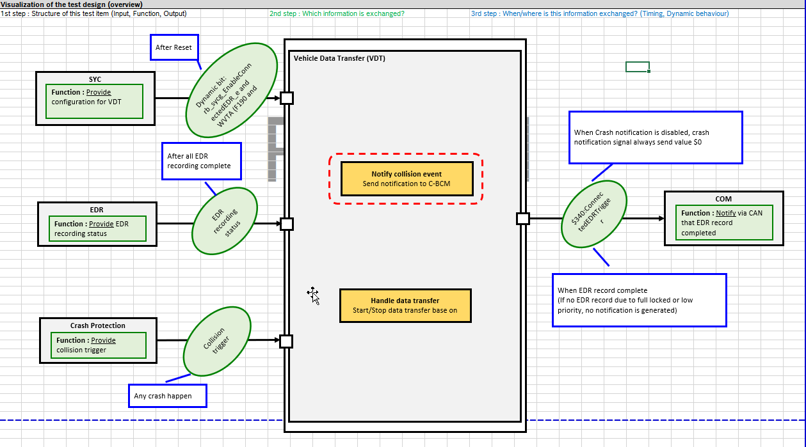
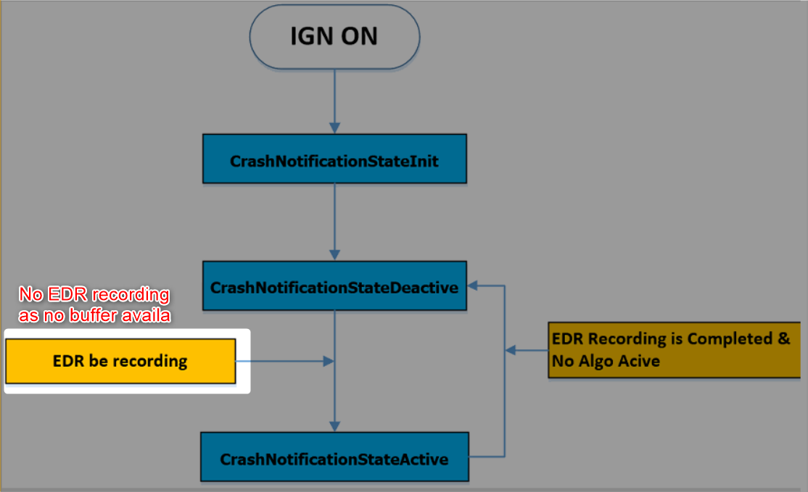
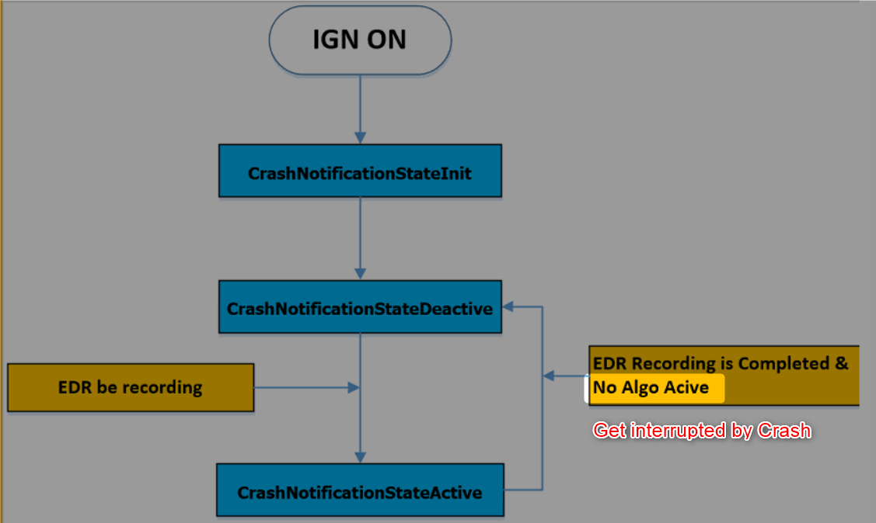
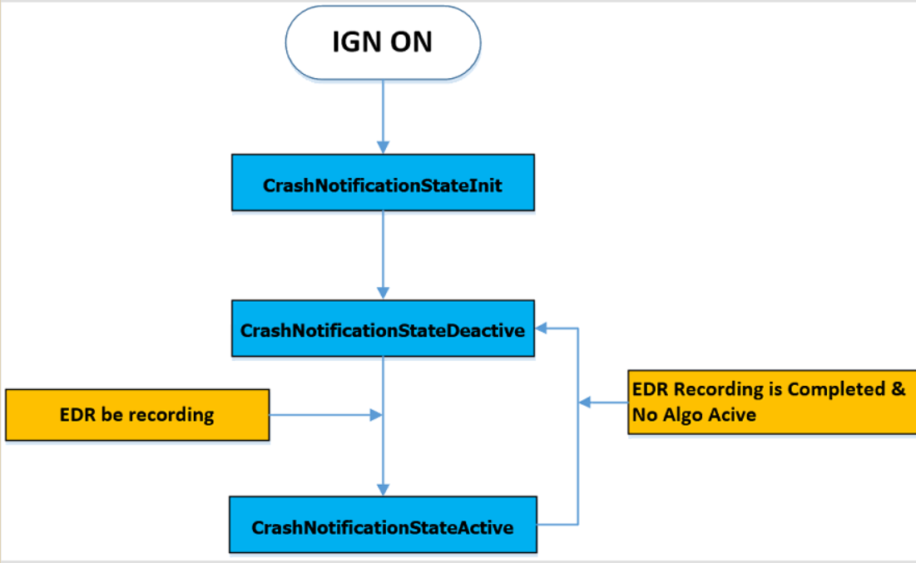

Without Hard Reset
 |  |  |  |  | Normal case |  |  |  |  |  |  |  |  |  |  |  |  |  |  |  | Abnormal case - EDR does not record crash info due to no buffer available |  |  |  |  |  |  |  |  |  |  |  |  | Abnormal case - Notification is interrupted by crash |  |  |  |  |  |  |  |  |  |  |  | Abnormal case - Autarky during crash |  |  |  |  |  |  |  |  |  |  | Abnormal case - Autarky just before / during notification
Functions (Test conditions) | Input (=>) | SYC configuration | Aspects of this function
 |  |  | (1) Value of dynamic bit
 |  |  |  | Enable Crash Notification when configure value equal to 1 |  |  |  |  |  |  |  |  |  | 1 |  |  |  |  |  |  |  |  |  |  |  |  |  |  |  | 1 |  |  |  |  |  |  |  |  |  |  |  |  | 1 |  |  |  |  |  |  |  |  |  |  | 1 |  |  |  |  |  |  |  |  |  |  |  | 1
 |  |  |  | Disable Crash Notification when configure value equal to 0
 |  |  | (2) Value of WVTA |  |  | rb_sycg_EnableConnectedEDR_e |  |  |  | 0 |  |  |  |  |  |  |  |  |  |  |  | rb_sycg_EnableConnectedEDR_e |  |  |  | 0 |  |  |  |  |  |  |  |  | rb_sycg_EnableConnectedEDR_e |  |  |  | 0 |  |  |  |  |  |  |  | rb_sycg_EnableConnectedEDR_e |  |  |  | 0 |  |  |  |  |  |  | rb_sycg_EnableConnectedEDR_e |  |  |  | 0
SYC
Provide configuration for VDT feature through dynamic bit and WVTA rb_sycg_EnableConnectedEDR_e
 |  |  |  | Enable WVTA Condition when:
 |  |  |  | F190 ≠ 0x00/0xFF and F196 = 0x00/0xFF |  |  |  |  | 1 |  |  |  |  |  | 1 |  |  |  |  |  |  |  |  |  | 1 |  |  |  |  |  | 1 |  |  |  |  |  |  | 1 |  |  |  |  |  | 1 |  |  |  |  |  | 1 |  |  |  |  | 1 |  |  |  |  |  | 1 |  |  |  |  |  | 1
Set configure value
 |  |  |  | Disable WVTA Condition when:
 |  |  |  | F190 ≠ 0x00/0xFF and F196 ≠ 0x00/0xFF |  | WVTA Condition | 0 |  |  |  |  |  | 0 |  |  |  |  |  |  |  |  | WVTA Condition | 0 |  |  |  |  |  | 0 |  |  |  |  |  | WVTA Condition | 0 |  |  |  |  |  | 0 |  |  |  |  | WVTA Condition | 0 |  |  |  |  | 0 |  |  |  |  | WVTA Condition | 0 |  |  |  |  |  | 0
 |  |  |  | F190 = 0x00/0xFF and F196 ≠ 0x00/0xFF
 |  |  |  | F190 = 0x00/0xFF and F196 = 0x00/0xFF

Enable/Disable Notification
 |  |  |  |  |  |  | 1 |  |  |  |  |  |  |  |  |  |  |  |  |  |  |  | 1 |  |  |  |  |  |  |  |  |  |  |  |  | 1 |  |  |  |  |  |  |  |  |  |  |  | 1 |  |  |  |  |  |  |  |  |  |  | 1
 |  |  | (3) Without hard Reset
 |  |  |  | WVTA not applicable |  | VDT Supression State |  |  |  |  |  |  |  |  |  | 0 |  |  |  |  |  | VDT Supression State |  |  |  |  |  |  |  |  |  | 0 |  |  | VDT Supression State |  |  |  |  |  |  |  |  |  | 0 |  | VDT Supression State |  |  |  |  |  |  |  |  | 0 |  | VDT Supression State |  |  |  |  |  |  |  |  |  | 0
SYC configure read out
WVTA not write

Algo deactivate (Idle/Sensor faults)
 | Input (=>) | Crash Protection | Aspects of this function
 |  |  | (1) Timing of crash
 |  |  |  | During ECU normal
 |  |  |  | Interrupt notification
Working under Autarky time
Crash Protection
Detect crash and provide trigger to other module
Crash simulator (QuaTe)
 |  |  |  |  |  |  |  |  |  |  |  |  |  |  |  |  |  |  |  |  |  |  |  |  |  |  |  |  |  |  |  |  |  |  |  | 1st crash start |  | 1st crash end |  | 2nd crash start |  | 2nd crash end |  |  |  |  |  |  |  | Autarky |  | Power recover |  |  |  |  |  |  |  |  |  | Power Off |  |  |  |  |  | Power recover
 |  |  |  |  |  |  | Crash start |  | Crash end |  |  |  |  |  | Crash start |  | Crash end |  |  |  |  |  | Crash start |  | Crash end |  |  |  |  |  | Crash start |  | Crash end

 |  |  |  |  |  | Normal |  | Crash | Normal |  |  |  |  |  |  | Crash | Normal |  |  |  |  | Normal |  | Crash | Normal |  |  |  |  |  |  | Crash | Normal |  | Normal |  | Crash | Normal |  |  | Crash | Normal |  |  |  |  | Normal |  | Crash |  | Power OFF |  | Normal |  |  |  |  | Normal |  | Crash |  | Normal | POWER DOWN |  |  |  |  | Normal

Trigger & Information

Crash fault record
No crash trigger

No new recording due to buffer handling (no avaliable buffer)
 | Input (=>) | Event Data Recorder | Aspects of this function

Event Data Recorder
Provide trigger when EDR recording complete
Working under Autarky time
 |  |  | (1) EDR record Availability
 |  |  |  | EDR is all empty ==> No trigger
 |  |  |  | EDR is all empty + Crash ==> Trigger notification
 |  |  |  | EDR has 1 empty record + Crash ==> Trigger notification |  |  |  |  |  |  |  |  |  |  |  |  |  |  |  |  |  |  |  |  |  |  |  |  |  |  |  |  |  |  |  |  |  |  |  |  |  |  |  |  |  |  |  | Crash happen |  | Autarky |  | Power recover |  |  |  |  |  |  | Crash happen |  |  | Power Off |  |  |  |  |  | Power recover
EDR complete trigger
 |  |  |  | EDR has 1 record NAD + AD Crash ==> Overwrite, Trigger notification |  |  |  |  |  |  |  |  |  |  |  |  |  |  |  |  |  |  |  |  |  |  |  |  |  |  |  |  |  |  |  | 1st crash start |  | 1st crash end |  | 2nd crash start |  | 2nd crash end
Crash trigger
Crash data
 |  |  |  | EDR has 1 record NAD + ND Crash ==> No recording, no trigger |  |  | Crash start |  | Crash end |  | EDR complete |  |  |  | Crash start |  | Crash end |  | EDR complete |  |  |  | Crash start |  | Crash end |  | EDR complete |  |  |  | Crash start |  | Crash end
 |  |  |  | EDR has full record AD + Crash ==> No recording, no trigger
 |  |  |  |  |  | Normal |  | EDR recording |  |  | Normal |  |  |  |  | EDR recording |  |  | Normal |  |  | Normal |  | EDR recording |  |  | Normal |  |  |  |  |  |  |  | Normal |  | EDR recording |  |  | Normal | EDR recording |  |  | Normal |  |  | Normal |  | EDR recording |  | Power OFF |  | Normal |  |  |  |  | Normal |  | EDR recording |  |  |  | POWER DOWN |  |  |  | Normal

 |  |  |  |  |  |  |  |  |  |  |  |  |  |  |  |  |  |  |  |  |  |  |  |  |  |  |  |  |  |  |  | No buffer available to store new crash

No complete trigger

Crash happen
 | (=>) Output | EDR complete notification | Aspects of this function
 |  |  | (1) Notification timing |  |  |  | Crash start |  | Crash end |  | EDR Complete |  |  |  | Crash start |  | Crash end |  | EDR Complete |  |  |  | Crash start |  | Crash end |  | EDR Complete |  |  |  | Crash start |  | Crash end |  |  | 1st crash start |  | 1st crash end | EDR complete | 2nd crash start |  | 2nd crash end |  | EDR complete |  |  |  | Crash happen |  | Autarky |  | Power recover |  |  |  |  |  |  | Crash happen |  |  | Power Off |  | EDR Record complete |  |  |  | Power recover
 |  |  |  | Change to $1 for 2 seconds then back to $0 |  |  |  |  |  |  |  |  |  |  |  |  |  |  |  |  |  |  |  |  |  |  |  |  |  |  |  |  |  |  |  |  |  |  |  |  |  |  |  |  |  |  |  | EDR start |  |  |  |  |  |  |  |  |  |  | EDR start
EDR complete notification
$340:ConnectedEDRTrigger
$340: RCM_EDRtype
 |  |  |  | RCM_EDRtype always $1 |  | $1 |  |  |  |  |  |  |  |  |  |  |  |  |  |  |  | $1 |  |  |  |  |  |  |  |  |  |  |  |  | $1 |  |  |  |  |  |  |  |  |  |  |  | $1 |  |  |  |  |  |  |  |  |  |  | $1

Notification on CAN $340
Working under Autarky time
 |  |  |  |  |  | VDT Supression State = 0 | $0 |  |  |  |  |  |  |  |  |  |  |  |  |  |  | VDT Supression State = 0 | $0 |  |  |  |  |  |  |  |  |  |  |  | VDT Supression State = 0 | $0 |  |  |  |  |  |  |  |  |  |  | VDT Supression State = 0 | $0
 |  |  |  |  |  |  |  |  |  |  |  |  |  |  |  |  |  |  |  |  |  |  |  |  |  |  |  |  |  |  |  |  |  |  |  |  |  |  |  | 2s |  |  |  | 2s |  |  |  |  |  |  |  |  |  |  |  |  |  | VDT Supression State = 0 | $0
 |  |  |  |  |  |  |  |  |  |  |  | 2s |  |  |  |  |  |  |  | 2s |  |  |  |  |  |  |  | 2s
EDR complete trigger
 |  |  |  |  |  |  |  |  |  |  | $1 |  |  |  |  |  |  |  | $1 |  |  |  |  |  |  |  | $1 |  |  |  |  |  |  |  |  |  |  |  |  | $1 |  |  |  | $1
 |  |  |  |  |  | $340:ConnectedEDRTrigger |  |  |  |  |  |  |  |  |  |  |  |  |  |  |  | $340:ConnectedEDRTrigger |  |  |  |  |  |  |  |  |  |  | No trigger ever send out |  | $340:ConnectedEDRTrigger |  |  |  |  |  |  |  |  |  |  |  | $340:ConnectedEDRTrigger
 |  |  |  |  |  |  |  |  |  | $0 |  |  |  |  |  |  |  | $0 |  |  |  |  |  |  |  | $0 |  |  |  |  | $0 |  |  |  |  |  |  |  | $0 |  |  |  | $0 |  |  |  |  | $0 |  |  |  |  | $0 |  |  |  |  |  |  |  |  |  |  |  | 2s

 |  |  |  |  |  |  |  |  |  |  |  |  |  |  |  |  |  |  |  |  |  |  |  |  |  |  |  |  |  |  |  |  |  |  |  |  |  |  |  |  |  |  |  |  |  |  |  |  |  |  |  |  |  |  |  |  |  | $340:ConnectedEDRTrigger |  |  |  |  |  | $1
 |  |  |  |  |  |  |  |  |  |  |  |  |  |  |  |  |  |  |  |  |  |  |  |  |  |  |  |  |  |  |  |  |  |  |  |  |  |  |  |  |  |  |  |  |  |  |  |  |  |  |  |  |  |  |  |  |  |  | $0 |  |  |  |  |  |  |  |  | $0
 |  |  |  |  |  |  |  |  |  |  |  |  |  |  |  |  |  |  |  |  |  |  |  |  |  |  |  |  |  |  |  |  |  |  |  |  |  |  |  |  |  |  |  |  |  |  |  |  |  |  |  |  |  |  |  |  |  |  |  |  |  |  |  |  |  |  |  | NO RESTART
Notification interrupted
 |  |  |  |  |  | VDT Supression State = 1 | $1 |  |  |  |  |  |  |  |  |  |  |  |  |  |  | VDT Supression State = 1 | $1 |  |  |  |  |  |  |  |  |  |  |  | VDT Supression State = 1 | $1 |  |  |  |  |  |  |  |  |  |  | VDT Supression State = 1 | $1 |  |  |  |  |  |  |  |  |  | VDT Supression State = 1 | $1

 |  |  |  |  |  | $0 |  |  |  |  |  |  |  |  |  |  |  |  |  |  |  | $0 |  |  |  |  |  |  |  |  |  |  |  |  | $0 |  |  |  |  |  |  |  |  |  |  |  | $0 |  |  |  |  |  |  |  |  |  |  | $0

 |  |  |  |  |  | $340:ConnectedEDRTrigger |  |  |  |  |  |  |  |  |  |  |  |  |  |  |  | $340:ConnectedEDRTrigger |  |  |  |  |  |  |  |  |  |  |  |  | $340:ConnectedEDRTrigger |  |  |  |  |  |  |  |  |  |  |  | $340:ConnectedEDRTrigger |  |  |  |  |  |  |  |  |  |  | $340:ConnectedEDRTrigger
 |  |  |  |  |  |  |  |  |  | $0 | $0 |  |  |  |  |  |  | $0 | $0 |  |  |  |  |  |  | $0 |  |  |  |  | $0 |  |  |  |  |  |  |  | $0 |  |  |  |  |  |  |  |  | $0 |  |  |  |  | $0 |  |  |  |  |  | $0 |  |  |  |  | $0 |  |  |  |  | $0
 |  |  |  |  |  |  |  |  |  |  |  |  |  |  |  |  |  |  |  |  |  |  |  |  |  |  |  |  |  |  |  |  |  |  |  |  |  |  |  |  |  |  |  |  |  |  |  |  |  |  |  |  |  |  |  |  |  |  |  |  |  |  |  |  |  |  |  | NO RESTART

FindDependency-VDT-DSM priority
VDT ON
Service $22
FFD
VDT ON
Service $22
non FFD

Message $500 data
DID data
Message $500 data
Positive response

Service $22 non EDR
Service $22 non FFD
VDT is active
VDT ON
VDT ON
Service $22
FFD
Negative response
VDT not active
Message $500 data
Positive response

Normal case (VDT comes first)
Normal case (DSM comes first)
Abnormal case (VDT comes first, DSM request non FFD data)
Abnormal case (DSM comes first, DSM request non FFD data)

VDT OFF
VDT ON
VDT ON
VDT OFF
VDT ON
DSM is reading DID
Functions (Test conditions) | Input (=>) | Trigger from C-CBM | Aspects of this function
 |  |  | (1) Trigger VDT transmission
 |  |  |  | Transmit FFD data when VDT_RCM_ODR1_Rq = 1
VDT ON
VDT ON
 |  |  |  | Stop ransmit FFD data when VDT_RCM_ODR1_Rq = 0

Trigger from C-CBM
$4E6:-VDT_RCM_ODR1_Rq
$1 ON / $0 OFF

Control via RBS
DCS state
DCS state
VDT Trigger

 |  |  |  |  | Idling | Busy |  | Idling |  |  |  |  |  |  |  | Idling | Busy |  | Idling

VDT not active
CAN trace

Service $22
FFD
Service $22 FFD
Service $22 FFD
Service $22 FFD
Service $22
non FFD
Service $22 non FFD
Service $22 non FFD
Service $22 non EDR
VDT is active
 | Input (=>) | DSM service | Aspects of this function
 |  |  | (1) DSM service $22
 |  |  |  | Response DID data when no VDT transmit
DSM service
Provide trigger when EDR recording complete
 |  |  |  | Response NRC 21 or NRC 22 when VDT request comes first
 |  |  |  | Response positve response when request non-EDR and non FFD

Control via DSM
DSM request

DCS state
DCS state

Negative response
 |  |  |  |  |  |  |  |  |  |  |  | Idling | Busy | Idling | Busy |  |  |  |  |  |  |  | Idling |  | Busy
DSM tool
Service $22 FFD
Service $22 non FFD

VDT
DSM
VDT
DSM
 | (=>) Output | EDR complete notification | Aspects of this function
 |  |  | (1) Priority handling
 |  |  |  | If VDT request comes first => transmit FFD data | Normal |  | VDT active |  |  | Normal |  | Normal | DID data |  | Normal | Normal |  | VDT active |  |  | Normal |  | Normal | Possitie response | Normal
DSM/VDT priority handling
FFD data mesage $500
DID data service $22
 |  |  |  | If DSM request comes first => transmit DID data
FFD data on CAN msg $500
Service $22
FFD
Service $22
FFD
DSM trigger
VDT transmission is active
VDT
VDT
VDT transmission is active
DSM
DSM
VDT trigger
 |  |  |  |  | Normal | NRC22 |  |  | NRC21 |  | Positive response | Normal |  |  | active | Normal | Postive response |  |  | Postive response |  | Positive response | Normal |  | active

DID data on DSM

Reference
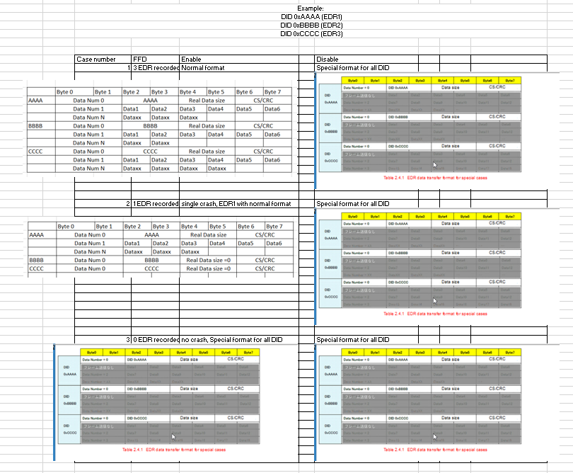

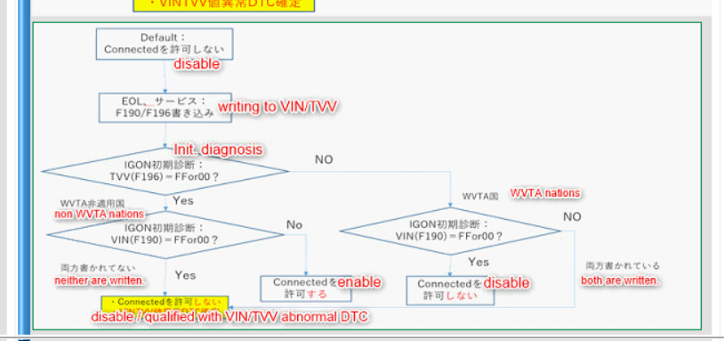

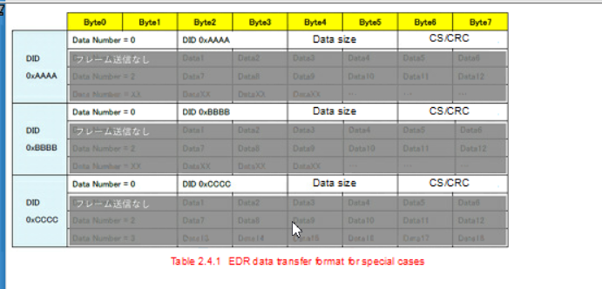

1st byte of F196 (TVV) | 1st byte of F190 (VIN) | WVTA Valid/Invalid | GDPR applicable
(TVV != (0xFF or 0x00)) | (VIN == (0xFF or 0x00)) | Valid | YES
(TVV == (0xFF or 0x00)) | (VIN != (0xFF or 0x00)) | Valid | NO
(TVV != (0xFF or 0x00)) | (VIN != (0xFF or 0x00)) | Invalid & fault present | YES
(TVV == (0xFF or 0x00)) | (VIN == (0xFF or 0x00)) | Invalid & fault present | YES

Dynamic bit | GDPR applicable | VDT condition
Enable | No | Enable (mean Not suppress)
Enable | Yes | Disable (mean suppressed)
Disable | No | Disable (mean suppressed)
Disable | Yes | Disable (mean suppressed)

Dynamic bit | 1st byte of F196 (TVV) | 1st byte of F190 (VIN) | VDT condition
Enable | (TVV != (0xFF or 0x00)) | (VIN == (0xFF or 0x00)) | Disable (mean suppressed)
Enable | (TVV == (0xFF or 0x00)) | (VIN != (0xFF or 0x00)) | Enable (mean suppressed)
Disable | (TVV != (0xFF or 0x00)) | (VIN != (0xFF or 0x00)) | Disable (mean suppressed) fault present
Disable | (TVV == (0xFF or 0x00)) | (VIN == (0xFF or 0x00)) | Disable (mean suppressed) fault present

