Overview
Reference:
doors://si-airbag-doors.de.bosch.com:36681/?version=2&prodID=0&urn=urn:telelogic::1-0000000000000000-M-00116300

Functionality to Check: In here, crash file/scenario is created basing on the funcitonality to check in EDR recording

Storage Manager
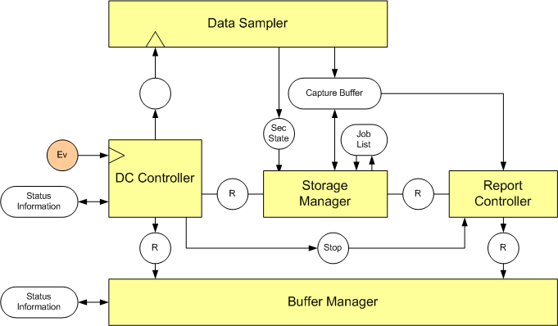
Event Priority
Lock Status
Trigger Threshold
Number of Records
Storage in Autarky
Memory Layout

Buffer Manager

Parallel Event Number
Third Event Handling
Multi Event Handling in Autarky
ME Critical Storage

Record Accuracy

Record Data Section
Consistency between recorded data and metadata

Note: In this document, the type of crash and the purpose for using this are explained
The crash scenario will be chosen basing on functionality check for EDR

Abbreviation:

X | don't care condition
ND/AD | Either ND or AD is ok for same output

Event Type Description

Explaination for DeltaT in column K13

Single Event:

DeltaT
Event End Tend
ALGO Start time - T0
Tn

 |  | time (ms)

DeltaT: is the durationf the the Event, which can ensure the recording of Data section

Multi Event:

Definition: Time between two events trigger thresholds is less than or equal to 5sec.
For testing purpose, the time here will be devived to 3 cases

Tn1
Tn2

T01
T02
Tend1
Tend2

Event-1
Event-2

DeltaT <=5sec

Algo Cycle
Algo Cycle

DeltaT: is the durationf the different time between two Algo active time of Event 1 and Event 2
Tn: The Impact Generation time of the event

Parallel Event:

T02 < Tend1

Tn1
Tn2

Time Zero-T0

T01
T02
Tend1
Tend 2

Incident 1
Incident 2

Algo Cycle

Common Crash
 | Purpose: This Matrix provides the information to check the need of the crash file request Reference: Crash List CA explaination Note: - In normal condition, the multi event and parallel event timing is not strictly required, but in the Autarky condition, the consideration of the Crash scenario would be taken care; - The record timing of each data section is estimated for reference, not required all scenario

 | PURPOSE | Crash Type | Crash Directivity | Crash Serverity | T0 (ms) | Tend (ms) | Event Duration - For Single Crash (Tend - T0) DeltaT = T02 - T01 (ms) - For ME | Detail Purpose of Crash | CA Crash List CA Crash name | Front AB | Side AB | Curtain AB | Knee AB | EPP AB | Belt Pretension AB
CA Available | GROUP 1: Checking Data Record Accuracy
Yes | 1. Checking the record data stored in NVM are (Example: In Generic EDID List) based on the threshold of the crash. Basic Data: Firing time, COM signal data, AWL, Switch Status, Sensor Ringbuffer Data, IGN Cycle 2. To check the record in all NVM Area for both regular and special Events 3. To check the number of event in one MultiEvent, to check number of the records 4. File Record Completion in Autarky Condition 5. To check the record behaviour of the combination of incidents with different severity (ME) | Single | Front | AD | X | X | 96 ms | Check data recording in common crash | Single_EDR_Front_Inflatable;5
Yes |  |  |  | Long Event AD |  |  | > 300 ms | - Makse sure the firing time of fired squib and data configured in section (T0 + 300 ms) is recorded correctly in Autarky condition (Power Cut at T0); - EDR data capturing check that static and ringbuffer EDIDs are captured for the right duration independent of event duration | Single_EDR_Front_AD_longer300ms;5 | < 300 ms since T0 |  |  |  |  | < 300 ms since T0
Yes |  |  |  | ND with DeltaV < 8kmph |  |  |  | Make sure no record happened and default value is reported | Single_EDR_Front_Noise_deltaV_7_9kph;5
Yes |  |  |  | ND with DeltaV >= 8kmph | X | X | X | Check threshold of ND crash that ND crash data is reorded correctly | Single_EDR_Front_ND_deltaV_8_1kph;5
Yes |  |  |  | EventType | X | X | X | This is for the 2nd stage deployment AB | Single_EDR_EventType_Front;5
Yes |  |  |  | ND |  |  |  | Common purpose | Single_EDR_Side_above_8kph_NoDeployment;5
Yes |  |  | Side | AD | X | X | X | Common purpose | Single_EDR_SideLeft_Inflatable;5
Yes |  |  |  | ND > 8kmph | X | X | X | EDR basic threshold exceeded | Single_EDR_Side_above_8kph_NoDeployment;5
Yes |  |  |  | ND | X | X | X | Common purpose | Single_EDR_Side_above_8kph_NoDeployment;5
Yes |  |  | Rear | NAD | X | X | X | Common purpose | Single_EDR_Rear_NonInflatable;5
Yes |  |  |  | ND > 8kmph | X | X | X | EDR basic threshold exceeded | Single_EDR_Rear_above_8kph_NoDeployment;5
Yes |  |  |  | ND | X | X | X | Common purpose | Single_EDR_Rear_above_8kph_NoDeployment;5
Yes |  |  | Rollover | AD | X | X | X | Common purpose | Single_EDR_Rollover_Inflatable;5
Yes |  |  |  | ND | X | X | X | Common purpose | Single_EDR_Rollover_NoDeployment;5
Yes |  |  | EPP | AD | X | X | X | Check basic data recorded for pedestrian Crash | Single_EDR_PedPro_Inflatable;5
Yes |  |  |  | ND | X | X | X | Common purpose | Single_EDR_PedPro_NoDeployment;5
 |  | Multi
No |  | 2 Event (2R) | Without Rose | AD - AD |  |  | DeltaT = [140, 240 ms] | - Event 2 record is started at the time Mandatary Data 1 in recording process - Detail about timing, mention detail in below: "Without Rose" -> "case 1"
Yes |  |  |  | AD - AD | T01 = 11.76 T02 = 314.26 | Tend1 = 188.26 Tend2 = 487.26 | DeltaT = [240 ms, 920 ms] | - Event 2 record is started at the time Mandatary Data 1 is completed and Non Mandatory Data 1 in recording process (Mostly to check the firing time of squib) - Detail about timing, mention detail in below: "Without Rose" -> "case 2" | Multi_EDR_Front_AD_Side_AD;5
No |  |  |  | AD - AD |  |  | DeltaT = [920 ms, 5000 ms] | - Event 2 record is started after record of Data Event 1 is completed - Detail about timing, mention detail in below: "Without Rose" -> "case 3"
Yes |  |  |  | AD - ND | T01 = 76.26 T02 = 189.26 | Tend1 = 173.76 Tend2 = 276.26 | DeltaT = [140, 240 ms] | - Event 2 record is started at the time Mandatary Data 1 in recording process - Detail about timing, mention detail in below: "Without Rose" -> "case 1" | Multi_EDR_Side_afterEoE_Front;5
Yes |  |  |  | AD - ND | T01 = 14.26 T02 = 475.76 | Tend1 = 187.76 Tend2 = 573.76 |  | - Event 2 record is started at the time Mandatary Data 1 is completed and Non Mandatory Data 1 in recording process - Detail about timing, mention detail in below: "Without Rose" -> "case 2" | Multi_EDR_SideAD_FrontND;5
Yes |  |  |  | AD - ND | T01 = 11.76 T02 = 4839.26 | Tend1 = 188.26.76 Tend2 = 5012.26 | DeltaT = [920 ms, 5000 ms] | - Event 2 record is started after record of Data Event 1 is completed - Detail about timing, mention detail in below: "Without Rose" -> "case 3" | Multi_EDR_Side_before5s_Front;5
No |  |  |  | ND - ND |  |  | DeltaT = [140 ms, 240 ms] | - Event 2 record is started at the time Mandatary Data 1 in recording process - Need to request this for Autarky condition - Detail about timing, mention detail in below: "Without Rose" -> "case 1"
No |  |  |  | ND - ND |  |  | DeltaT = [240 ms, 920 ms] | - Event 2 record is started at the time Mandatary Data 1 is completed and Non Mandatory Data 1 in recording process - Detail about timing, mention detail in below: "Without Rose" -> "case 2"
No |  |  |  | ND - ND |  |  | DeltaT = [920 ms, 5000 ms] | - Event 2 record is started after record of Data Event 1 is completed - Detail about timing, mention detail in below: "Without Rose" -> "case 3"
Yes |  |  |  | ND - AD | T01 = 139.76 T02 = 186.76 | Tend1 = 171.26 Tend2 = 363.76 | DeltaT = [140, 240 ms] | Event 2 record is started at the time Mandatary Data 1 in recording process - Detail about timing, mention detail in below: "Without Rose" -> "case 1" | Multi_EDR_Side_ND_Front_AD;5
No |  |  |  | AD - ND |  |  | DeltaT = [240 ms, 920 ms] | Event 2 record is started at the time Mandatary Data 1 is completed and Non Mandatory Data 1 in recording process - Detail about timing, mention detail in below: "Without Rose" -> "case 2"
No |  |  |  | AD - ND |  |  | DeltaT = [920 ms, 5000 ms] | Event 2 record is started after record of Data Event 1 is completed - Detail about timing, mention detail in below: "Without Rose" -> "case 3"
Yes; But only with NAD and ND or NAD and AD |  |  |  | AD - ND |  |  | T02 - Tend1 < 20 ms | Tend of 1st event and T0 of 2nd Event should have time difference very close (e.g. 10..20msec) to ensure that writing to NVM of one record is still ongoing and ECU busy with it; Make sure 2 records should be achieved | Multi_EDR_FrontNAD_SideDriverND;5
No |  |  | With Rose | Roll AD - AD |  |  | DeltaT = [140 ms, 270 ms] | Event 2 record is started at the time Mandatary Data 1 in recording process
No |  |  |  | Roll AD - ND |  |  | DeltaT = [270 ms, 4920 ms] | Event 2 record is started at the time Mandatary Data 1 is completed and Non Mandatory Data 1 in recording process - Detail about timing, mention detail in below: "With Rose" -> "case 1"
No |  |  |  | Roll ND - ND |  |  | DeltaT = [4920 ms, 5000 ms] | Event 2 record is started after record of Data Event 1 is completed - Detail about timing, mention detail in below: "With Rose" -> "case 2"
No |  |  |  | Any - Roll Any |  |  | DeltaT = [240 ms, 920 ms] | Event 2 record is started at the time Mandatary Data 1 is completed and Non Mandatory Data 1 in recording process - Detail about timing, mention detail in below: "With Rose" -> "case 3"
No |  |  |  | ND - AD Roll |  |  | T02 - Tend1 < 20 ms | Tend of 1st event and T0 of 2nd Event should have time difference very close (e.g. 10..20msec) to ensure that writing to NVM of one record is still ongoing and ECU busy with it
No |  | 2 Event (2S) | EPP | AD - AD |  |  | DeltaT = [140, 240 ms] | To check recording data in special buffer
No |  |  |  | AD - ND |  |  | DeltaT = [240 ms, 920 ms] | To check recording data in special buffer
No |  |  |  | ND - AD |  |  | DeltaT = [920 ms, 5000 ms] | To check recording data in special buffer
Yes |  | Mixed Event (R+S) | Without Rose | Epp - Any | T01 = 8.26 ms T02 =2212.76; T01 = 8.26 T02 = 1711.76 | Tend1 = 187.76 Tend2 = 891.26; Tend1 = 206.26 Tend2 = 1884.76 | DeltaT = [920 ms, 5000 ms] | This is to check the recording of special and regular event, then the time is not quite strict with these case | Multi_EDR_Pedestrian_AD_Rollover_AD;5 Multi_EDR_Pedestrian_AD_SideDriver_AD;5
Yes |  |  |  | Any - EPP | T01 = 14.26 T02 = 693.26 | Tend1 = 187.76 Tend2 = 891.26 | DeltaT = [240 ms, 920 ms] | Multi event pedestrian combined with normal regular | Multi_EDR_SidePassenger_AD_Pedestrian_AD;5
No |  |  | With Rose | Roll Any - EPP |  |  | DeltaT < 5000 ms | Multi event pedestrian combined with Rollover
Yes |  |  |  | EPP - Roll Any | T01 = 8.26 T02 = 2212.76 | Tend1 = 206.26 Tend2 = infinity | DeltaT = [270 ms, 4920 ms] | Multi event pedestrian combined with Rollover | Multi_EDR_Pedestrian_AD_Rollover_AD;5
No |  | 4 Event (2R - 2S) | Front - Side - EPP - EPP | AD - ND - AD - ND |  |  | Any time range | Check data record in 4 NVM Buffers
Yes | 1. To check the Mazda Recording of Parallel Event Data; The Data of the higher severity will be recorded; The firing time of both crash AD will be recorded 2. To check the Affecting on Autarky condition | Parallel | Front AD - EPP AD | AD - ND | x | x | T02 < Tend1 | Check that firing time of Front and EPP AB are recorded correctly at 2 separate recorded buffer | Parallel_EDR_Front_AD_Pedestrian_AD;5
No |  |  | Side ND - Rear NAD | ND - AD | x | x | T02 < Tend1
No |  |  | Roll AD - Roll ND | AD - ND | x | x | T02 < Tend1 | To check recording of related roll data
Yes |  |  | Rear ND - Side AD | ND - AD | x | x | T02 < Tend1 |  | Parallel_EDR_Rear_NonInflate_SideLeft_Inflate;5
No |  |  | EPP AD - Front ND | AD - ND | x | x | T02 < Tend1
Yes |  |  | Front AD - Side AD | AD - AD | x | x | T02 < Tend1 | Check that firing time of Front and Side AB are recorded correctly
Yes |  |  | Side ND - Front ND | ND - ND | x | x | T02 < Tend1 |  | Parallel_EDR_Front_NoDeploy_Side_NoDeploy;5 Parallel_EDR_Front_ND_Side_ND;5
No |  |  | Roll AD - EPP AD | AD - AD | x | x | T02 < Tend1 | Check that both EPP AB and other AB recorded correctly
No |  |  | Rear ND - Rear ND | ND - ND | x | x | T02 < Tend1
Yes |  |  | EPP AD - Roll ND | AD - ND | x | x | T02 < Tend1

 |  |  |  |  |  |  |  | FROM CCB:

 |  |  |  |  |  |  |  | Conclusion:

 | Event Timing preparation affect directly to the recording in adverse case like autarky, then the timing of DeltaT can be estimated basing on below estimation |  |  |  |  |  |  | All the Mandatory EDR data will be recorded in 380 ms from Algo active (T0).
 |  |  |  |  |  |  |  | All the EDR data will be recorded in 1440 ms from Algo active (T0) in case same RGB size fro NC/DC.
 |  |  |  |  |  |  |  | All the EDR data will be recorded in 1200 ms from Algo active (T0) in case different RGB size fro NC/DC.
 |  | Event 1 |  |  | Event 2
 |  |  |  |  |  |  |  | Note:
 |  |  |  |  |  |  |  | 1) Each block in the above diagram corresponds to 10ms.
 |  | ALGO1 active | Mandatory Data 1 |  | Non Mandatory Data 1 |  |  | 2) Using External EEPROM (32KB); speed fast 32

 |  |  | 380 ms |  | 1060 ms |  |  | Time (ms)

 | Regular Event |  | ALGO2 active

 | Without Rose: |  | 140 ms | Mandatory Data 2 |  | Non Mandatory Data 2
 | Case 1: Event 2 record is started at the time Mandatary Data 1 in recording process
 |  | => DeltaT = [0, 240 ms] |  |  | ALGO2 active | Mandatory Data 2 |  | Non Mandatory Data 2
 | Case 2: Event 2 record is started at the time Non Mandatory Data 1 in recording process
 |  | => DeltaT = [240 ms, 920 ms]
 | Case 3: Event 2 record is started at the time Data 1 is recorded completely |  |  |  |  |  |  | Mandatory Data 2 |  | Non Mandatory Data 2
 |  | => DeltaT = [920 ms, 5000 ms]
 | With Rose: |  |  |  |  |  |  | Conclusion:

 | Case 1: Event 2 record is started at the time Mandatary Data 1 in recording process |  |  |  |  |  |  | All the Mandatory EDR data will be recorded in 410 ms from Algo active (T0).
 |  | => DeltaT = [140 ms, 270 ms] |  |  |  |  |  | All the EDR data will be recorded in 5060 ms from Algo active (T0).
 | Case 2: Event 2 record is started at the time Non Mandatory Data 1 in recording process
 |  | => DeltaT = [270 ms, 4290 ms] |  |  |  |  |  | Note:
 | Case 3: Event 2 record is started at the time Mandatary Data 1 in recording process |  |  |  |  |  |  | 1) Each block in the above diagram corresponds to 10ms.
 |  | => DeltaT = [4290 ms, 5000 ms] | T0 + 300 | Deployment |  | EoE |  | 2) Using External EEPROM (32KB); speed fast 32
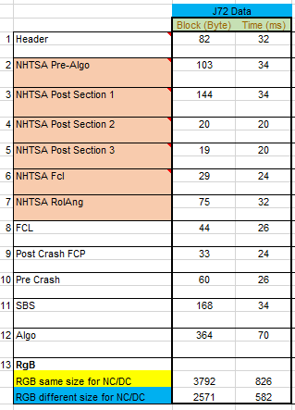
 |  | SoE
 |  | Mandatory Data 1 |  | Non Mandatory Data 1

 |  |  |  |  |  | Mandatory Data

 | Parallel/Multi Event Selection Pairwise
 |  |  | Parallel Event
 | Crash Direction:
 |  |  | Crash 1 Direction | Crash 1 Severity | Crash 2 Direction | Crash 2 Severity | Crash scenario
 | Front | 1 | 1 | 1 | 5 | 1 | Front AD - EPP AD
 | Side | 2 | 2 | 2 | 4 | 1 | Side ND - Rear NAD
 | Roll | 3 | 3 | 1 | 3 | 2 | Roll AD - Roll ND
 | Rear | 4 | 4 | 2 | 2 | 1 | Rear ND - Side AD
 | EPP | 5 | 5 | 1 | 1 | 2 | EPP AD - Front ND
 |  |  | 1 | 1 | 2 | 1 | Front AD - Side AD
 | Crash Severity: |  | 2 | 2 | 1 | 2 | Side ND - Front ND
 |  |  | 3 | 1 | 5 | 1 | Roll AD - EPP AD
 | AD | 1 | 4 | 2 | 4 | 2 | Rear ND - Roll ND
 | ND | 2 | 5 | 1 | 3 | 2 | Rear ND - Roll ND

 | Timing Consideration for Multi Event

 | DeltaT = [140, 240 ms] | 1 | This is used for ME recording check in Autarky condition
 | DeltaT = [240 ms, 920 ms] | 2 | Can be seen in the Autarky sheet for autarky condition
 | DeltaT = [920 ms, 5000 ms] | 3

Autarky Scenario
 | This sheet concentrate on the crash scenario to test the recording of data in autarky condition, the autarky happened at the T0 of the 2nd event
 | Case 1:
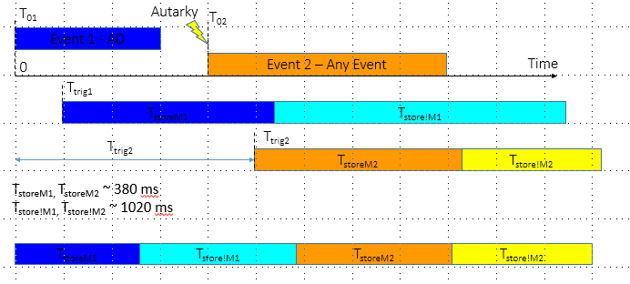

 | Case 2:
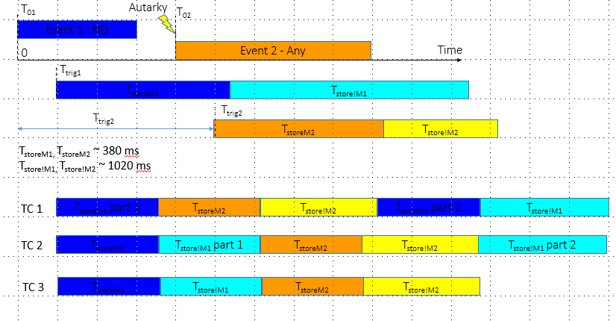

 | Multi Event with Autarky condition for EPP with Regular events

TC | Crash 1 Direction | Crash 1 Severity | Crash 2 Direction | Crash 2 Severity | Crash 2 Time | Crash scenario | Recording Event | Crashcode name in CA | Need to request
1 | 1 | 1 | 1 | 1 | 2 | AD1 - AD2 T2 | AD1 Mand + AD1 !Man part 1 | Multi_EDR_Front_AD_Side_AD;5
2 | 2 | 2 | 1 | 2 | 3 | EPP ND1 - ND2 T3 | ND2 Mand | Multi_EDR_Pedestrian_AD_SideDriver_AD;5 Multi_EDR_Pedestrian_AD_Rollover_AD;5
3 | 3 | 3 | 1 | 3 | 1 | EPP Any - Regular Any T1 => Random: EPP ND1 - AD2 T1 | AD2 Mand | No | Multi Pedestrian ND - Front AD
4 | 1 | 2 | 2 | 1 | 1 | ND2 - EPP AD2 T1 | EPP AD2 Mand | No | Multi Side ND - EPP AD
5 | 2 | 3 | 2 | 2 | 2 | EPP Any - EPP ND T2 => Random: EPP ND1 - EPP ND2 T2 | EPP ND2 Mand + !Man part 1 | No | Multi Pedestrian ND - Pedestrian ND
6 | 3 | 1 | 2 | 3 | 3 | Any AD - EPP Any T3 | Any AD1 | No | Multi Rollover AD - EPP AD
7 | 1 | 3 | 3 | 1 | 3 | Regular Any - Any AD T3 => Random: EPP AD1 - ND2 T2 | EPP AD1 | No | Multi Pedestrian AD - Rear ND T2
8 | 2 | 1 | 3 | 2 | 1 | EPP AD - Regular ND T1 | EPP AD 1 Mand | No | Multi Pedestrian AD - Roll ND T1
9 | 3 | 2 | 3 | 3 | 2 | Any ND - Any Any T2 => Random: ND1 - EPP AD2 | EPP AD2 Mand | No | Side ND - EPP AD

 | Note: This table folow pairwise testing method; Refer to the SRTP Matrix for the selection and reason

 | Direction:
 | Regular | 1
 | Special EPP | 2

 | Severity:
 | ND | 1
 | AD | 2

 | Crash 2 Time:
 | T1 | 1 | [140, 240 ms]
 | T2 | 2 | [240 ms, 920 ms]
 | T3 | 3 | [920 ms, 5000 ms]

