Overview-FindTC
Software Test Design Specification (SWTDS) - Overview |  |  |  |  |  |  |  |  |  |  | #REF!

Project information |  |  | Feature for customer (Motivation, Scope, Purpose) |  |  |  |  |  | Document information
Product / Project | AB12 / toyota 670B |  | The KMS (in field) is a feature to register an encryption key (=MAC key, Safe key) in the ECU safely by using a customer service tool in field. |  |  |  |  |  | Document Nr. | Version. 2.1
Test item | Key management |  |  |  |  |  |  |  | Author | Anna MIZOBUCHI (CC-PS/EPS1-JP)
Review history |  |  |  |  |  |  |  |  | Time frame | Feb, 2019
Date on review | Review team |  |  |  |  |  |  |  | Test basis
 | Refer to [Revision Record] sheet |  |  |  |  |  |  |  | Name |  | Baseline/Revision
 |  |  |  |  |  |  |  |  | CRS305_gnseckm_kyslv_rs |  | 13.0
 |  |  |  |  |  |  |  |  | AB12_SYRS_Feature_Security_TMC |  | 12.6
 |  |  |  |  |  |  |  |  | SRS_KMS_KeyManagement |  | 11.0

Visualization of the test design (overview)
1st step : Structure of this test item (Input, Function, Output) |  |  |  | 2nd step : Which information is exchanged? |  | 3rd step : When/where is this information exchanged? (Timing, Dynamic behaviour)

Key Management

Request
(phase 5 diag command)
Response to a request
(phase 5 diag command)

Customer Service Tool
Customer Service Tool
Update Encryption key in filed
Send a request
CAN Bus
CAN Bus
Check a result

Requested timing
Requested timing

Safe key
Voltage

Safe key number
(no specific timing)
Requested timing
Diag tool
Power Supply

Set a safe key
Set a safe key number
Supply a voltage

Hint to find test conditions in airbag system -> Please find details in the "Feature library". |  |  |  |  |  |  | Change history
Feature |  | Awareness keywords |  | Feature | Awarness keywords |  | Nr. | Change
ECU mode |  | Idle, Disposal, Autarky, Plant mode, transition |  | Inputs | Switch, Central/Peripheral sensor |  | 1 | Refer to [Revision Record] sheet
Power supply condition |  | High, Low, Normal, Fractuation |  | Outputs | Hardwired/CAN Crash output
Fault recorder |  | Step-up/down, Next power-on cycle |  | Communication (CAN/LIN) | Diagnositc communication, Periodical signals
Indicator lamp |  | Airbag warning lamp, PADI ON/OFF lamp |  | Bosch/Customer plant | Plant mode operation, Customer plant features
Crash detection, Deployment |  | Disabling/Enabling algorithms, SCON |  | System configuration | Driver position (D/P or L/R), variant configuration
Crash recorder (EDR) |  | Trigger, Recording data/time/completion

Sequence
Request for single key update start
Request for responding single key update result (SID$31 + SF$03 + RID$1010)
Test scope

Response for Safe Key Reading Request
(Phase 5: SID$62 + DID$010B + SafeKeyNum[16byte])
 | Request and acquire a safe key number (to get Key update information from key management center)
 | ==> | Request for a safe key number
 | <== | Safe key number
 |  | (Within 200 ms after receiving a request for safe key number)

 | Update a single key and read the single key update result
 | ==> | Key update information (M1, M2, M3)
 |  | "Request for single key update start"
Response for Request for responding single key update start
(SID$71 + $01 + RID$1010 + Status, M4/M5=all"0")
 | <== | Key update result (KeyUpdateStatus, M4, M5)
 |  | (Within 100 ms after receiving Key update information)

Response for Request for responding single key update result
(SID$71 + DID$1010 + normal end: 0x02 + M4/M5)
 | Request a single key update result and read the single key update result
 | ==> | Request for a single key update result
 |  | "Request for responding single key update result"
 | <== | Key update result (KeyUpdateStatus, M4, M5)
 |  | (Within 100 ms after receiving Request for a single key update result)
5th response: SF$03 missing (In SRS)

u

FindDependency
Software Test Design Specification (SWTDS) - Finding Dependency |  |  |  |  |  |  |  |  |  |  |  |  |  |  |  |  |  |  | V2.1

1st step : Structure of this test item with external (controllable/measurable) inputs/outputs |  |  |  |  |  |  |  |  |  |  | Behaviour analysis (to find out scenarios)
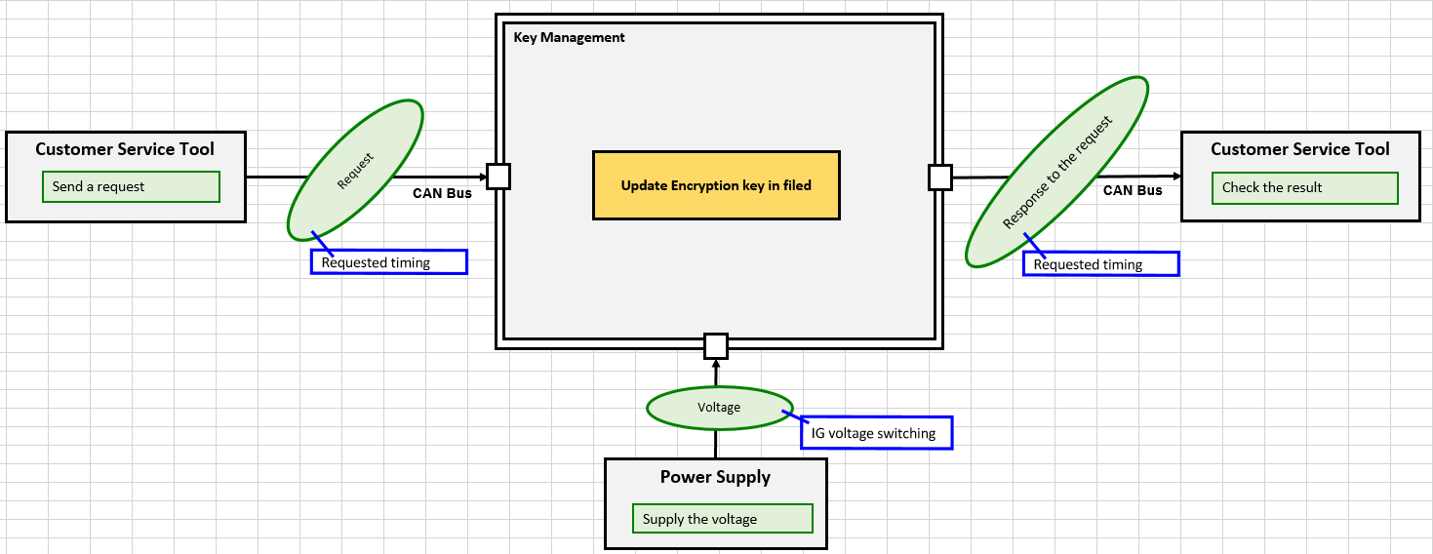
Variation point
ECU mode
- Init mode <== checking for only 1 request is enough
- Idle mode
- Normal driving
- ECO mode cyclic
- Disposal
- crash
- autarky
Step 3: Think behaviours of this structure.
 |  |  |  |  |  |  |  |  |  |  |  | Event |  | Ready for key update state |  |  | Note:
 |  |  |  |  |  |  |  |  |  |  |  |  | Key updating completed successfully |  | 8.0v < Voltage < 16.0v |  |  | Initial state can't be changed in the test.
 |  |  |  |  |  |  |  |  |  |  |  |  | Key updating completed unsuccessfully |  | AND |  |  | - S1
 |  |  |  |  |  |  |  |  |  |  |  |  | Timeout |  | ECU mode is Normal Driving |  |  | - S2
 |  |  |  |  |  |  |  |  |  |  |  |  | IGN-OFF during the routine |  | AND |  |  | - S3
 |  |  |  |  |  |  |  |  |  |  |  |  |  |  | single key updating failure counter < [KeyUpdatePenalty] |  |  | - S4
 |  |  |  |  |  |  |  |  |  |  |  |  |  |  |  |  |  | - None
possible...?
 |  |  |  |  |  |  |  |  |  |  |  |  |  | Not ready for key update state
 |  |  |  |  |  |  |  |  |  |  |  |  |  |  | NOT | {
 |  |  |  |  |  |  |  |  |  |  |  |  |  |  |  | 8.0v < Voltage < 16.0v
 |  |  |  |  |  |  |  |  |  |  |  |  |  |  |  | AND
Variation point
Power supply voltage
- low
- normal
- IGN-OFF during the routine
- IGN-OFF during the routine HERE???
 |  |  |  |  |  |  |  |  |  |  |  |  |  |  |  | ECU mode is Normal Driving
 |  |  |  |  |  |  |  |  |  |  |  |  |  |  |  | AND
 |  |  |  |  |  |  |  |  |  |  |  |  |  |  |  | single key updating failure counter < [KeyUpdatePenalty]
 |  |  |  |  |  |  |  |  |  |  |  |  |  |  |  | }

Step 2: Think functions of this structure.

S2
S3
Request for single key update start
S1
Key update result (KeyUpdateStatus, M4, M5)
= S2
Request for single key update start
Key update result (KeyUpdateStatus, M4, M5)
S1
Request for single key update start
Request for responding single key update result (SID$31 + SF$03 + RID$1010)
Key update result (KeyUpdateStatus, M4, M5)
Functions (Test conditions) | Input (=>) |  | Supply a voltage |  | Aspects of this function |  |  |  |  |  | Normal scenario (An intial state is S1) |  |  |  |  |  | Scenario variation (Abnormal cases)
 |  |  |  |  | Voltage
 |  |  |  |  |  | Low | 0 < Voltage < 8
Variation point
- Receiving
- Identification of ECU subject to MAC key registration
- Safe key number reading request
- Slave session switching
- Request for single key update start
- Request for responding single key update result
- Session transfer
- Nothing
- (Command to tell "I'm arrive")
 |  |  |  |  |  | Normal | 8< Voltage <16
 |  |  |  |  |  | None | Voltage =0 | : which simply means ECU is OFF.
Power supply
Variation point
- Detect garbling (garbling number is impossible)
- Can't read out
==> Negative response (NRC22)
S1
Not required
Variation point
- Unusual format
Voltage
Rqmt_SRS288
Request for single key update start
Key update result (KeyUpdateStatus, M4, M5)
Rqmt_SRS163, 228
Ready for key update
Variation point
- Receiving "Request for single key update start" when "Not ready for key update"
- After session transfer from Sx
- Not receiving "Request for single key update start"

Rqmt_SRS163
Variation point
- Not ready for key update
Consequence
Can't read out
==> Negative response (NRC22)
Rqmt_SRS288
Read out a safe key number
Rqmt_SRS2311, 238
Read out a safe key number

Negative response in detail? ==>
Response for safe key reading request (SafeKeyNum)
= safe key number
Variation point
- Receiving
- Identification of ECU subject to MAC key registration
- Safe key number reading request
- Slave session switching
- Request for single key update start
- Request for responding single key update result
- Session transfer
- Nothing
- (Command to tell "I'm arrive")
Request for single key update start
Key update result (KeyUpdateStatus, M4, M5)
- Tool disconnected
- Tool power supply cut down
Positive response
Variation point
- Receiving
- Identification of ECU subject to MAC key registration
- Safe key number reading request
- Slave session switching
- Request for single key update start
- Request for responding single key update result
- Session transfer
- Nothing
- (Command to tell "I'm arrive")
 | Input (=>) |  | Send a request |  | Aspects of this function
 |  |  |  |  | Request command (Focused in CRS for KMS)
 |  |  |  |  |  | Safe key number reading request
Variation point
M1, M2, M3
- calculated by using safe key number
- safe key number is not used <== applying all 0 is enough
 |  |  |  |  |  | Request for single key update start
 |  |  |  |  |  | Request for responding single key update result
Custmer service tool
 |  |  |  |  |  | Session transfer
 |  |  |  |  | General request command (Used in the MAC key provisioning sequence in field)
 |  |  |  |  |  | Identification of ECU subject to MAC key registration
Request
Variation point
- Key updating completed unsuccessfully
==> increment single key updating failure counter
==> changes to S4
- if [SingleKeyUpdate_TimeOut] has passed after receiving the request
==> increment single key updating failure counter ?!
==> Terminate key updating AND changes to S4.
 |  |  |  |  |  | Slave session switching
 |  |  |  |  | General other diag command
CompRqmt
 |  |  |  |  |  | (No diag command for the forced termination) [referred to UDS* in ISO14229-1 @NormMaster]
 |  |  |  |  |  |  |  |  | *UDS = Unified Diagnostic Services
S2
Variation point
- Ends unsuccessfully
 |  |  |  |  |  | (There is no priority in SID.)
No communication
<==what is it?
<== where is it defined???
Consequence
Not ready for key update
==> Negative response (NRC22)
Rqmt_SRS311, 238
Rqmt_SRS228
= 0x00
 |  |  |  |  | No command from a diag tool
 |  |  |  |  |  | A command to tell that "I'm arrive" comes from a diag tool
Key updating completed successfully
Variation point
- Receiving
- Identification of ECU subject to MAC key registration
- Safe key number reading request
- Slave session switching
- Request for single key update start
- Request for responding single key update result
- Session transfer
- Nothing
- (Command to tell "I'm arrive")
Request for single key update start
Key update result (KeyUpdateStatus, M4, M5)
 |  |  |  |  |  | No command at all (Rqmt for airbag ECU to define the duration to be judged as "the tool is dead"?) (usually 5 sec)
Positive response
Key update processing
Key update processing
- Tool disconnected
- Tool power supply cut down
receives after Key update processing ends successfully (=S3)
Not required
 | (=>) Output |  | Check a result |  | Aspects of this function
 |  |  |  |  | Response to a request (Focused in CRS for KMS)
 |  |  |  |  |  | Safe key number
Variation point
- Unusual format
S3
Rqmt_SRS268
 |  |  |  |  |  | Key update result (KeyUpdateStatus, M4, M5)
 |  |  |  |  | Response to a general request (Used in the MAC key provisioning sequence in field)
Custmer service tool
<==what is it exactly?
Request for responding single key update result (SID$31 + SF$03 + RID$1010)
Variation point
Receiving the request when S1, S2
==> do nothing
S3 or S4
==> Delete(or initialize to 0) M1, M2, M3, M4, M5
 |  |  |  |  |  | Response
CompRqmt
 |  |  |  |  |  | Response of switching result
Response to a request
Key update result (KeyUpdateStatus, M4, M5)
Rqmt_SRS281
Rqmt_SRS268
= S3
= Generated values during key updating
Key update result (KeyUpdateStatus, M4, M5)
= S1
= 0x00
Positive response
Variation point
Key update comlpeted AND ERC_NO_ERROR, M4, M5 can be read out
==> S3
Key update comlpeted AND ERC_NO_ERROR, M4, M5 can't be read out
==> S4
Consequence
Ends unsuccessfully
==> S4
Not ready for key update
==> S1
Positive response
CompRqmt
CompRqmt
No communication
Consequence
Receive the request when S1
==> Positive response
the state, M4=M5=0
Receive the request when S2 OR S4
==> Positive response
the state, M4=M5=0
Variation point
- receives RequestForSingleKeyUpdateStart when NotReadyForKeyUpddate and KeyUpdate didn't happen (=S1)
- receives before Key update processing ends (=S2)
- receives after Key update processing ends unsuccessfully (=S4)
Delete M1, M2, M3, M4, M5

Rqmt_SRS278, 284

Hint to find functions and scenarios
Function |  | External controlable inputs |  | External measurable output |  | Limit/Constraint |  |  |  | Timing
Scenario |  | Variation points |  | Recovery |  | Repeat

Preparation_OLD
Calculator needs to be set with Hexadecimal !!

 | Safe Key
 | 128 bit |  |  |  |  |  |  |  |  |  | 3.1 | 3.2 | 3.3
 |  |  |  |  |  |  |  |  |  |  | 8 | 8 | 6
 |  |  |  |  |  |  |  |  |  |  | 36 | 29 | 36
SafeKey | Safe key (New) | Safe Key (Default) | M1M2M3_SafeKey | M4M5_SafeKey |  |  |  |  |  |  |  | 1
 | Hexadecimal (32 digits) | Hexadecimal (32 digits) |  |  |  |  |  |  |  | Number of TCs | 44 | 38 | 42 | 124
ExistInList | 0x22 22 22 22 22 22 22 22 22 22 22 22 22 22 22 22 | 0x00 00 00 00 00 00 00 00 00 00 00 00 00 00 00 00 | 00 00 00 00 00 00 00 00 00 00 00 00 00 00 00 11 df 2e 9e 35 d9 5b 84 90 20 70 ef f6 e5 35 4f c9 2e 26 4d 95 26 46 4f 01 eb 42 78 14 55 43 3b 0f d9 8a ee aa b6 2c 82 22 98 36 2d 36 aa 78 9c e8 | 00 00 00 00 00 00 00 00 00 00 00 00 00 00 00 11 d8 12 b2 f6 4f 24 89 20 d1 d3 36 01 ba 62 f2 c6 20 8b ad 6e 53 0f 34 f1 1d 2c 55 15 5a f6 41 54
NotExistInList | 0x22 22 22 22 22 22 22 22 22 22 22 22 22 22 22 21 | 0x00 00 00 00 00 00 00 00 00 00 00 00 00 00 00 00 | 00 00 00 00 00 00 00 00 00 00 00 00 00 00 00 11 df 2e 9e 35 d9 5b 84 90 20 70 ef f6 e5 35 4f c9 5a e1 59 b1 41 07 8b bf f1 08 9e a7 7b 16 09 4b ef 8c 2f be 53 ee eb f0 1b f8 33 f3 66 f1 43 08 | 00 00 00 00 00 00 00 00 00 00 00 00 00 00 00 11 df c7 43 91 78 07 ce d9 10 f2 f2 93 9f 5b 46 5c 28 18 5f 29 37 15 9b 21 56 23 da 29 e5 ee ac 48
NotStored | 0x00 00 00 00 00 00 00 00 00 00 00 00 00 00 00 00 | 0x00 00 00 00 00 00 00 00 00 00 00 00 00 00 00 00 | 00 00 00 00 00 00 00 00 00 00 00 00 00 00 00 11 df 2e 9e 35 d9 5b 84 90 20 70 ef f6 e5 35 4f c9 05 9a 2d db 9c 0b d6 6e 46 76 f1 ed 20 a2 fb 4b d7 de 58 59 52 79 bc 3e cc c4 a1 38 75 1f da 0e | 00 00 00 00 00 00 00 00 00 00 00 00 00 00 00 11 c0 ce 52 2d a0 55 ab 38 72 3d 55 83 20 a7 27 97 47 b5 3f c8 bf 2c 85 f4 ba ee 21 94 7c ec 54 34

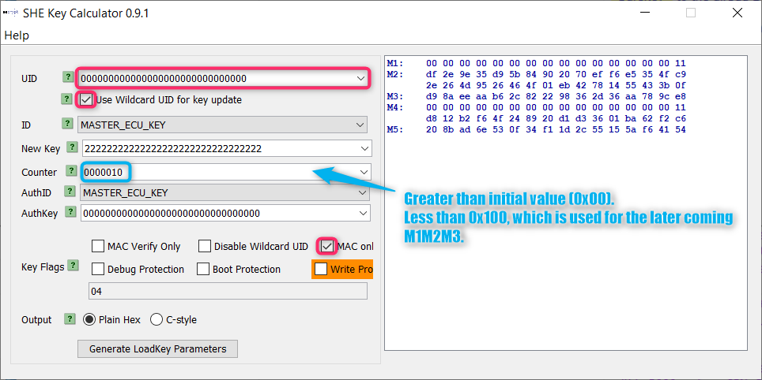
 |  |  |  |  | 3.1 | 3.2 | 3.3 | Number of TCs
ExistInList |  |  |  | xx xx xx xx xx xx xx xx xx xx xx xx xx xx xx 11 d8 12 b2 f6 4f 24 89 20 d1 d3 36 01 ba 62 f2 c6 xx xx xx xx xx xx xx xx xx xx xx xx xx xx xx xx | 21 | 19 | 42 | 82 | M4M5_SafeKey = @('71', '03', '10', '10', '02', '11', 'D8', '12', 'B2', 'F6', '4F', '24', '89', '20', 'D1', 'D3', '36', '01', 'BA', '62', 'F2', 'C6')
 |  |  |  | xx xx xx xx xx xx xx xx xx xx xx xx xx xx xx 11 df c7 43 91 78 07 ce d9 10 f2 f2 93 9f 5b 46 5c xx xx xx xx xx xx xx xx xx xx xx xx xx xx xx xx | 9 | 9 | 0 | 18 | M4M5_SafeKey = @('71', '03', '10', '10', '02', '11', 'df', 'c7', '43', '91', '78', '07', 'ce', 'd9', '10', 'f2', 'f2', '93', '9f', '5b', '46', '5c')
 |  |  |  | xx xx xx xx xx xx xx xx xx xx xx xx xx xx xx 11 c0 ce 52 2d a0 55 ab 38 72 3d 55 83 20 a7 27 97 xx xx xx xx xx xx xx xx xx xx xx xx xx xx xx xx | 14 | 10 | 0 | 24 | M4M5_SafeKey = @('71', '03', '10', '10', '02', '11', 'C0', 'CE', '52', '2D', 'A0', '55', 'AB', '38', '72', '3D', '55', '83', '20', 'A7', '27', '97')
 |  |  |  |  |  |  |  | 124
New Safe Key |  |  |  | 00 00 00 00 00 00 00 00 00 00 00 00 00 00 01
 |  |  |  | xx xx xx xx xx xx xx xx xx xx xx xx xx xx xx
 |  |  |  | xx xx xx xx xx xx xx xx xx xx xx xx xx xx xx
 |  |  |  | xx xx xx xx xx xx xx xx xx xx xx xx xx xx xx xx
Old Safe Key

 |  |  |  | 5
 |  |  |  | 15 | byte
 |  |  |  | 17
 |  |  |  | 16

 |  |  |  |  | Safe Key
 |  |  |  | 3.1 | 'ExistInList | 'NotExistInList | 'NotStored
 |  |  |  | 3.2 | 'ExistInList | 'NotExistInList | 'NotStored
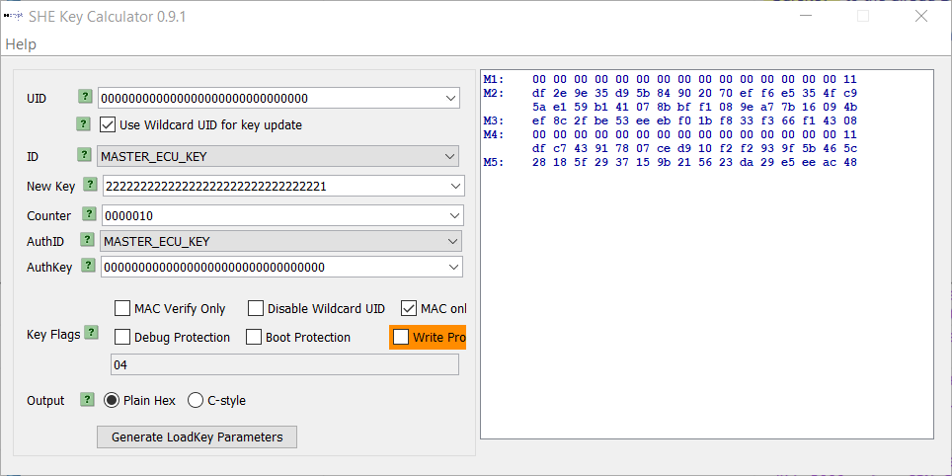
NotExistInList |  |  |  | 3.3 | 'ExistInList

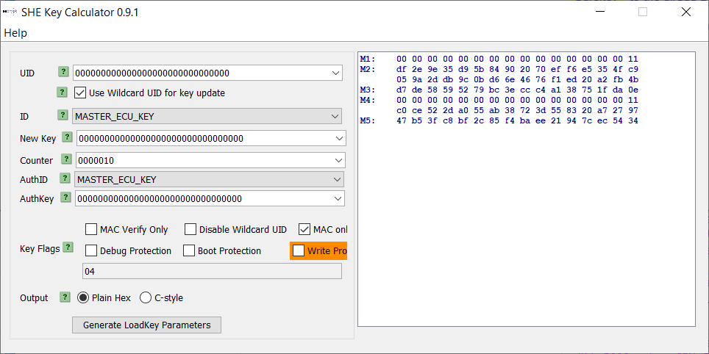
NotStored

Preparation_NEW
Changed
 | Calculator needs to be set with Hexadecimal !!

 |  | Safe Key
 |  | 128 bit |  |  |  |  |  |  |  |  | 3.1 | 3.2 | 3.3
 |  |  |  |  |  |  |  |  |  |  | 8 | 8 | 6
 |  |  |  |  |  |  |  |  |  |  | 36 | 29 | 36
 | SafeKey | Safe key (New) | Safe Key (Default) | M1M2M3_SafeKey | M4M5_SafeKey |  |  |  |  |  |  | 1
 |  | Hexadecimal (32 digits) | Hexadecimal (32 digits) |  |  |  |  |  |  | Number of TCs | 44 | 38 | 42 | 124
 | ExistInList | 0x22 22 22 22 22 22 22 22 22 22 22 22 22 22 22 22 | 0x00 00 00 00 00 00 00 00 00 00 00 00 00 00 00 00 | 00 00 00 00 00 00 00 00 00 00 00 00 00 00 00 11 9b 9a 14 62 58 ef 30 9b fe 0b 19 f9 7d 04 4a ce 6c 60 2e 21 b0 4b 26 8f 42 75 b5 bb 66 8d 2b 4a cf d4 2f 3b 1a c2 17 15 f2 ac 24 45 5f d6 94 4a | 00 00 00 00 00 00 00 00 00 00 00 00 00 00 00 11 d8 12 b2 f6 4f 24 89 20 d1 d3 36 01 ba 62 f2 c6 20 8b ad 6e 53 0f 34 f1 1d 2c 55 15 5a f6 41 54
 | NotExistInList | 0x22 22 22 22 22 22 22 22 22 22 22 22 22 22 22 21 | 0x00 00 00 00 00 00 00 00 00 00 00 00 00 00 00 00 | 00 00 00 00 00 00 00 00 00 00 00 00 00 00 00 11 9b 9a 14 62 58 ef 30 9b fe 0b 19 f9 7d 04 4a ce 6d 89 f3 d8 15 14 a0 ca 08 f6 d6 e6 4e 92 cc 2a 51 05 e1 02 40 79 c6 8c f5 1a a0 bc f9 51 6c 4a | 00 00 00 00 00 00 00 00 00 00 00 00 00 00 00 11 df c7 43 91 78 07 ce d9 10 f2 f2 93 9f 5b 46 5c 28 18 5f 29 37 15 9b 21 56 23 da 29 e5 ee ac 48
 | NotStored | 0x00 00 00 00 00 00 00 00 00 00 00 00 00 00 00 00 | 0x00 00 00 00 00 00 00 00 00 00 00 00 00 00 00 00 | 00 00 00 00 00 00 00 00 00 00 00 00 00 00 00 11 9b 9a 14 62 58 ef 30 9b fe 0b 19 f9 7d 04 4a ce d3 7d 50 53 b9 fd c4 5a a7 2b 38 e1 c0 6b 0b f4 fb f8 de 3f f8 2c 0c 24 9b 18 69 b7 95 1b 6d ec | 00 00 00 00 00 00 00 00 00 00 00 00 00 00 00 11 c0 ce 52 2d a0 55 ab 38 72 3d 55 83 20 a7 27 97 47 b5 3f c8 bf 2c 85 f4 ba ee 21 94 7c ec 54 34

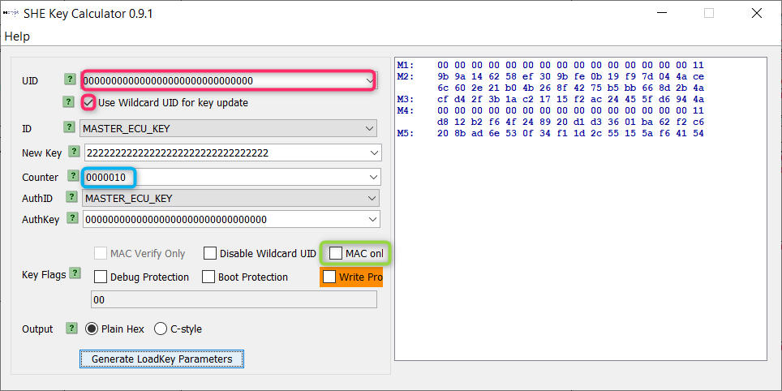
 |  |  |  |  |  | 3.1 | 3.2 | 3.3 | Number of TCs
 | ExistInList |  |  |  | xx xx xx xx xx xx xx xx xx xx xx xx xx xx xx 11 d8 12 b2 f6 4f 24 89 20 d1 d3 36 01 ba 62 f2 c6 xx xx xx xx xx xx xx xx xx xx xx xx xx xx xx xx | 21 | 19 | 42 | 82
 |  |  |  |  | xx xx xx xx xx xx xx xx xx xx xx xx xx xx xx 11 df c7 43 91 78 07 ce d9 10 f2 f2 93 9f 5b 46 5c xx xx xx xx xx xx xx xx xx xx xx xx xx xx xx xx | 9 | 9 | 0 | 18
 |  |  |  |  | xx xx xx xx xx xx xx xx xx xx xx xx xx xx xx 11 c0 ce 52 2d a0 55 ab 38 72 3d 55 83 20 a7 27 97 xx xx xx xx xx xx xx xx xx xx xx xx xx xx xx xx | 14 | 10 | 0 | 24
 |  |  |  |  |  |  |  |  | 124
 | New Safe Key |  |  |  | 00 00 00 00 00 00 00 00 00 00 00 00 00 00 01
 |  |  |  |  | xx xx xx xx xx xx xx xx xx xx xx xx xx xx xx
 |  |  |  |  | xx xx xx xx xx xx xx xx xx xx xx xx xx xx xx
 |  |  |  |  | xx xx xx xx xx xx xx xx xx xx xx xx xx xx xx xx
 | Old Safe Key

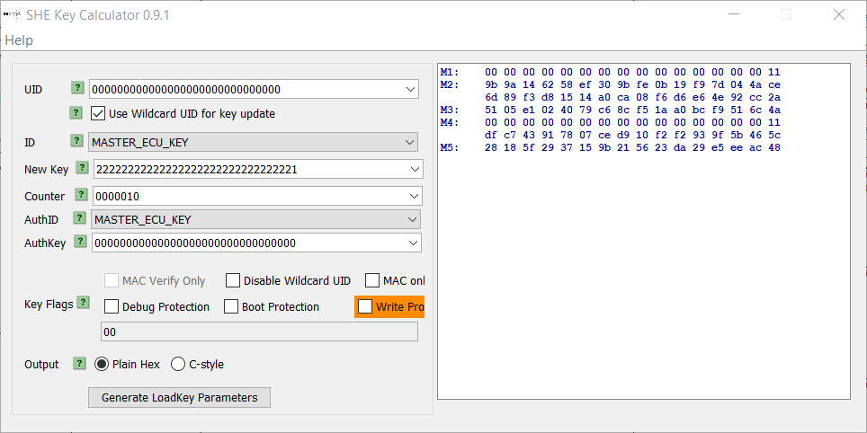
 | NotExistInList

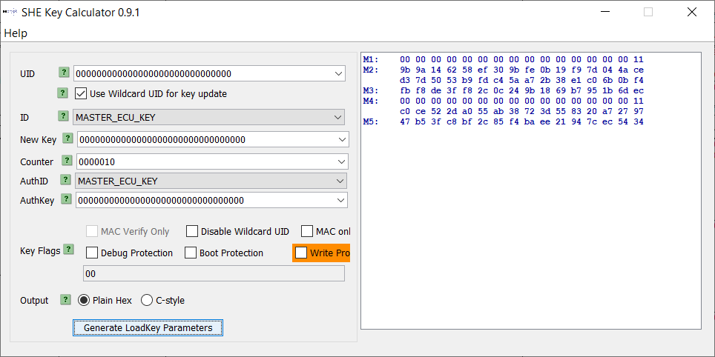
 | NotStored

3.1
Calculator needs to be set with Hexadecimal !!

 | MAC Key
 | 128 bit

 | MAC key (New) | Safe Key (Default) | M1M2M3_SafeKey | M4M5_SafeKey
 | Hexadecimal (32 digits) | Hexadecimal (32 digits)
SingleKeyUpdateStart_set | 0x99 99 99 99 99 99 99 99 99 99 99 99 99 99 99 99 | 0x22 22 22 22 22 22 22 22 22 22 22 22 22 22 22 22 | 00 00 00 00 00 00 00 00 00 00 00 00 00 00 00 41 2f e6 ac f2 eb 76 37 25 73 44 e1 a3 0b e7 d2 c3 67 c4 aa 4a fa 7f b9 7a 37 1a dc 3b b8 7e b0 04 9e 7e e2 2a 71 27 06 3c f1 b1 fb d2 3f 16 a4 39 | 00 00 00 00 00 00 00 00 00 00 00 00 00 00 00 41 3a 70 60 54 e9 99 c3 7d 86 01 93 19 0a 74 79 34 3b 35 1c 8b 14 df fa c6 42 fb 54 29 79 d4 36 9f
 |  |  | 00 00 00 00 00 00 00 00 00 00 00 00 00 00 00 41 2f e6 ac f2 eb 76 37 25 73 44 e1 a3 0b e7 d2 c3 67 c4 aa 4a fa 7f b9 7a 37 1a dc 3b b8 7e b0 04 00 00 00 00 00 00 00 00 00 00 00 00 00 00 00 00
SingleKeyUpdateStart | 0x99 99 99 99 99 99 99 99 99 99 99 99 99 99 99 99 | 0x00 00 00 00 00 00 00 00 00 00 00 00 00 00 00 00 | 00 00 00 00 00 00 00 00 00 00 00 00 00 00 00 41 d1 4b fe 7e 59 1e ad e3 ac f4 46 d3 a4 96 d1 f6 d4 f7 52 ba 9f 15 fa 66 21 a4 bd 54 53 56 a1 f7 0c cc 01 06 28 56 25 5d 89 bf ca 7d 5b 5c 9e a3 | 00 00 00 00 00 00 00 00 00 00 00 00 00 00 00 41 3a 70 60 54 e9 99 c3 7d 86 01 93 19 0a 74 79 34 3b 35 1c 8b 14 df fa c6 42 fb 54 29 79 d4 36 9f

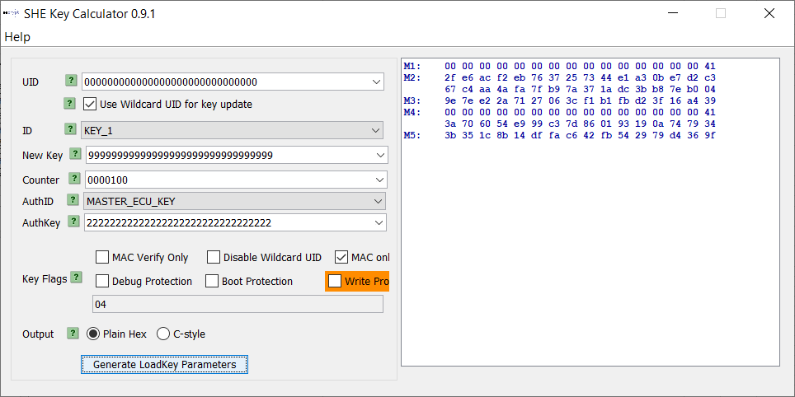
SingleKeyUpdateStart_set

New MAC Key

Safe Key

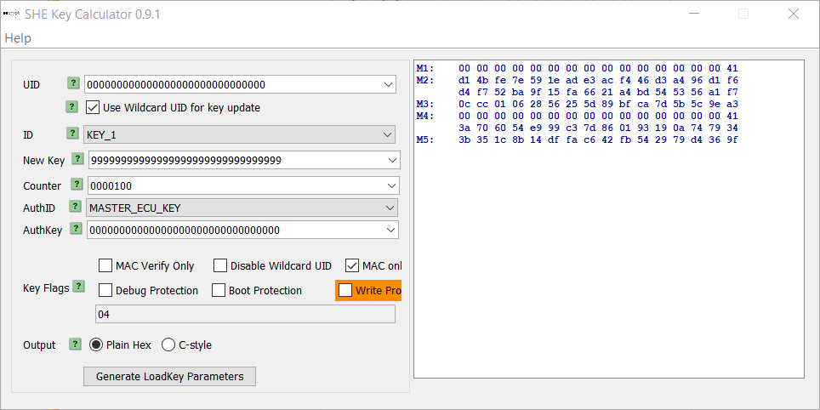
SingleKeyUpdateStart

3.2-3.3
Calculator needs to be set with Hexadecimal !!

 |  | MAC Key
 |  | 128 bit
 |  |  |  |  |  | Same as 3.1NEW
 |  |  |  |  |  | GeneratedValues
 |  | MAC key (New) | Safe Key (Default) | M1M2M3_SafeKey | M4M5_SafeKey
 |  | Hexadecimal (32 digits) | Hexadecimal (32 digits)
SingleKeyUpdateStart_set |  | 0x99 99 99 99 99 99 99 99 99 99 99 99 99 99 99 99 | 0x22 22 22 22 22 22 22 22 22 22 22 22 22 22 22 22 | 00 00 00 00 00 00 00 00 00 00 00 00 00 00 00 41 2f e6 ac f2 eb 76 37 25 73 44 e1 a3 0b e7 d2 c3 67 c4 aa 4a fa 7f b9 7a 37 1a dc 3b b8 7e b0 04 9e 7e e2 2a 71 27 06 3c f1 b1 fb d2 3f 16 a4 39 | 00 00 00 00 00 00 00 00 00 00 00 00 00 00 00 41 3a 70 60 54 e9 99 c3 7d 86 01 93 19 0a 74 79 34 3b 35 1c 8b 14 df fa c6 42 fb 54 29 79 d4 36 9f
 |  |  |  | 00 00 00 00 00 00 00 00 00 00 00 00 00 00 00 41 2f e6 ac f2 eb 76 37 25 73 44 e1 a3 0b e7 d2 c3 67 c4 aa 4a fa 7f b9 7a 37 1a dc 3b b8 7e b0 04 00 00 00 00 00 00 00 00 00 00 00 00 00 00 00 00
SingleKeyUpdateStart | Calculated_Correct | 0x99 99 99 99 99 99 99 99 99 99 99 99 99 99 99 99 | 0x22 22 22 22 22 22 22 22 22 22 22 22 22 22 22 22 | 00 00 00 00 00 00 00 00 00 00 00 00 00 00 00 41 2f e6 ac f2 eb 76 37 25 73 44 e1 a3 0b e7 d2 c3 67 c4 aa 4a fa 7f b9 7a 37 1a dc 3b b8 7e b0 04 9e 7e e2 2a 71 27 06 3c f1 b1 fb d2 3f 16 a4 39 | 00 00 00 00 00 00 00 00 00 00 00 00 00 00 00 41 3a 70 60 54 e9 99 c3 7d 86 01 93 19 0a 74 79 34 3b 35 1c 8b 14 df fa c6 42 fb 54 29 79 d4 36 9f
 | Calculated_Wrong |  | 0x33 33 33 33 33 33 33 33 33 33 33 33 33 33 33 33 | 00 00 00 00 00 00 00 00 00 00 00 00 00 00 00 41 09 ca 35 53 45 84 08 99 ce f8 5b 5a 52 80 db 03 f6 3b 2d 2e c3 c1 8f 18 e8 02 c8 53 38 6b e9 a8 05 df 0c 36 2f 26 8b 08 fc c5 dd b6 6b f7 bc ef | 00 00 00 00 00 00 00 00 00 00 00 00 00 00 00 41 3a 70 60 54 e9 99 c3 7d 86 01 93 19 0a 74 79 34 3b 35 1c 8b 14 df fa c6 42 fb 54 29 79 d4 36 9f
 | NotCalculated |  |  | 00 00 00 00 00 00 00 00 00 00 00 00 00 00 00 41 2f e6 ac f2 eb 76 37 25 73 44 e1 a3 0b e7 d2 c3 67 c4 aa 4a fa 7f b9 7a 37 1a dc 3b b8 7e b0 04 9e 7e e2 2a 71 27 06 3c f1 b1 fb d2 3f 16 a4 00

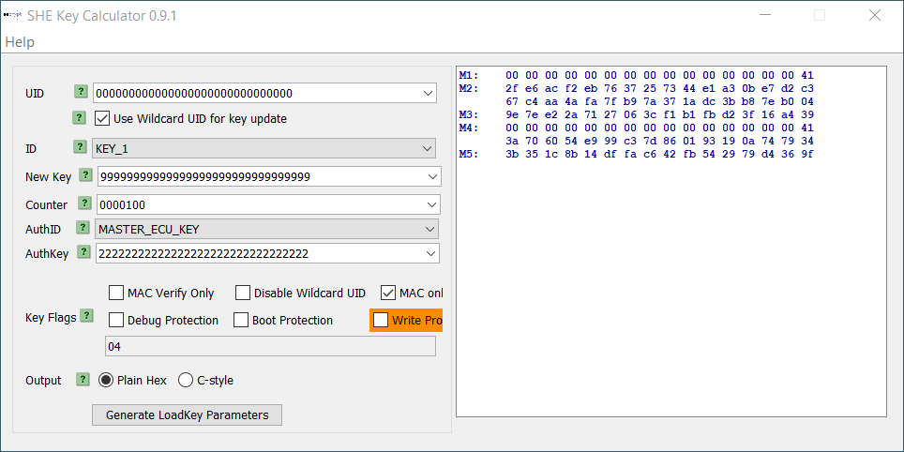
 | Calculated_Correct

 | New MAC Key

 | Safe Key


 | Calculated_Wrong

Ref
oxoo
oxo1
oxFF
oxo1
oxFF
...
oxo2

0s IGN_ON

StartRoutine

within 200ms
within 100ms
Update key
within 100ms
Delete key update information and key update results

0 IGN_ON
SafeKeyNumberRequest
Response
0 IGN_ON
StartRoutine
RequestRoutineResult

within 200ms

 | 0x02 normal end

...
...
oxoo
0 =< voltage <8
oxoo
oxo1
oxoo
oxo1
oxo2
oxoo
oxo1
oxFF
oxo1
oxFF
oxo2
oxoo
oxo1
oxFF
oxoo
oxo1
oxFF
oxo1
oxFF
oxFF
oxoo
oxo1
oxo2
within 100ms
Update key
oxoo
< KeyUpdatePenalty

0s IGN_ON
0s IGN_ON
0s IGN_ON
0s IGN_ON
0s IGN_ON
0s IGN_ON
0s IGN_ON
0s IGN_ON
StartRoutine
0 IGN_ON
StartRoutine
RequestRoutineResult
StartRoutine
StartRoutine
StartRoutine
StartRoutine
StartRoutine
StartRoutine
StartRoutine
StartRoutine
StartRoutine
600ms
SingleKeyUpdate_timeOut=600ms

...
 | 0xFF abnormal end
oxoo
oxo1
oxFF
oxo1
oxFF
oxFF
oxoo
oxo2
...
oxoo
oxo1
oxFF
within 100ms
oxoo
oxo1
oxFF
oxo1
oxFF
oxo2
oxoo
oxo1
oxoo
oxo1
oxo2
oxo1
within 100ms
0s IGN_ON
0s IGN_ON
oxoo
oxo1
oxoo
within 100ms
within 100ms
0s IGN_ON
StartRoutine
within 100ms
Update key
within 100ms
within 100ms
0s IGN_ON
StartRoutine
Negative Response
StartRoutine
0s IGN_ON
0s IGN_ON
StartRoutine
StartRoutine
0s IGN_ON
0s IGN_ON
StartRoutine
StartRoutine
Negative Response
SingleKeyUpdate_timeOut=600ms
StartRoutine
StartRoutine
Negative Response
StartRoutine
positive Response
0 IGN_ON
StartRoutine
RequestRoutineResult
StartRoutine
positive Response
RequestRoutineResult
positive Response
200ms
...
oxoo
oxo1
oxFF
oxo1
oxFF
oxFF
within 100ms

oxoo
oxo1
oxFF
0s IGN_ON
oxoo
oxo1
oxoo
oxo1
oxo2
oxoo
oxo1
oxo2
within 100ms
within 100ms
within 100ms
within 100ms
positive Response
0x01 Under routine control
oxoo
0s IGN_ON
within 100ms
0s IGN_ON
0s IGN_ON
0s IGN_ON
RequestRoutineResult
positive Response
StartRoutine
RequestRoutineResult
StartRoutine
Negative Response
StartRoutine
0s IGN_ON
RequestRoutineResult
positive Response
StartRoutine
positive Response
StartRoutine
SingleKeyUpdate_timeOut=600ms

StartRoutine
Negative Response

...
oxoo
oxo1
oxFF
oxo1
oxFF
oxo2
within 100ms

0s IGN_ON

RequestRoutineResult
positive Response

Sheet1
Norrmal case |  | State |  | Action
 |  | Before | After
1 | Identification of ECU subject to MAC key registration
2 | Safe key number reading request
<==初期値S1?
<== start with S3??
3 | Slave session switching
4 | Request for single key update start | S1 | S2
5 | Request for responding single key update result | S3 |  | Send a positive response
 |  |  | S3 | Delete (Reset) the key updae info and key update result

deleted
Software Test Design Specification (SWTDS) - Overview |  |  |  |  |  |  |  |  |  |  | #REF!

Project information |  |  | Feature for customer (Motivation, Scope, Purpose) |  |  |  |  |  | Document information
Product / Project | AB12 / toyota 670B |  | The KMS (in field) is a feature to register an encryption key (=MAC key, Safe key) in the ECU safely by using a customer service tool in field. |  |  |  |  |  | Document Nr. | Version. 2
Test item | Key management |  |  |  |  |  |  |  | Author | Anna MIZOBUCHI (CC-PS/EPS1-JP)
Review history |  |  |  |  |  |  |  |  | Time frame | Feb, 2019
Date on review | Review team |  |  |  |  |  |  |  | Test basis
 | Refer to [Revision Record] sheet |  |  |  |  |  |  |  | Name |  | Baseline/Revision
 |  |  |  |  |  |  |  |  | SRS_FVH_ToyotaFvHandler |  | 9.2
 |  |  |  |  |  |  |  |  | AB12_SYRS_Feature_Security_TMC |  | 12.6
 |  |  |  |  |  |  |  |  | CRS305_gnseckm_kyslv_rs |  | 12.3

Visualization of the test design (overview)
1st step : Structure of this test item (Input, Function, Output) |  |  |  | 2nd step : Which information is exchanged? |  | 3rd step : When/where is this information exchanged? (Timing, Dynamic behaviour)

Within 200 ms after receiving
a request for safe key number

Request for
a safe key number
Requested timing
Safe key number

Customer Service Tool
Key Management
Customer Service Tool

Request
a safe key number
(to get Key update information from key management center)
Acquire
the sefe key number
(to get Key update information
from key management center)

"Request for single key update start"
CAN Bus
Key update result
KeyUpdateStatus, M4, M5
CAN Bus

Key update information
???
Update Encryption key in filed
Update
a single key
Request for
a single key update result
"Request for responding single key update result"
M1, M2, M3
CAN Bus
Read
the single key update result
CAN Bus
Key update result
KeyUpdateStatus, M4, M5

Request
a single key update result
CAN Bus

CAN Bus

Within 100 ms after receiving Key update information
???
Voltage

IG voltage switching
Within 100 ms after receiving
Request for single key update result
Power Supply

Supply the voltage

Hint to find test conditions in airbag system -> Please find details in the "Feature library". |  |  |  |  |  |  | Change history
Feature |  | Awareness keywords |  | Feature | Awarness keywords |  | Nr. | Change
ECU mode |  | Idle, Disposal, Autarky, Plant mode, transition |  | Inputs | Switch, Central/Peripheral sensor |  | 1 | Refer to [Revision Record] sheet
Power supply condition |  | High, Low, Normal, Fractuation |  | Outputs | Hardwired/CAN Crash output
Fault recorder |  | Step-up/down, Next power-on cycle |  | Communication (CAN/LIN) | Diagnositc communication, Periodical signals
Indicator lamp |  | Airbag warning lamp, PADI ON/OFF lamp |  | Bosch/Customer plant | Plant mode operation, Customer plant features
Crash detection, Deployment |  | Disabling/Enabling algorithms, SCON |  | System configuration | Driver position (D/P or L/R), variant configuration
Crash recorder (EDR) |  | Trigger, Recording data/time/completion

deleted2
Software Test Design Specification (SWTDS) - Finding Dependency |  |  |  |  |  |  |  |  |  |  |  |  |  |  |  |  |  |  | V2.1

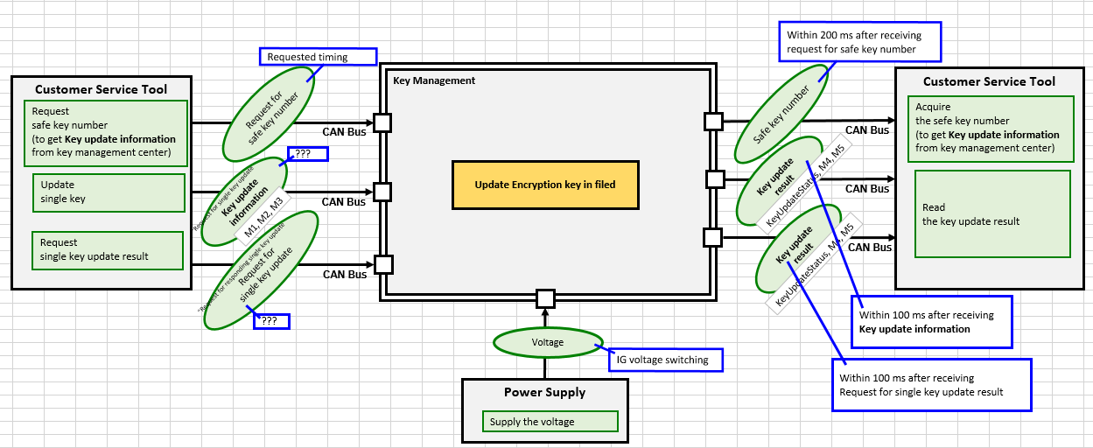
1st step : Structure of this test item with external (controllable/measurable) inputs/outputs |  |  |  |  |  |  |  |  |  | Behaviour analysis (to find out scenarios)
 |  |  |  |  |  |  |  |  |  | Scenario 1
 |  |  |  |  |  |  |  |  |  | Scenaio 1-1 | Scenaio 1-2 | Scenario 2 | Scenario 3-1 | Scenario 3-2 | Scenario 3-3 | Scenario 4-1 | Scenario 4-2 | Scenario 4-3
Step 3: Think behaviours of this structure.
 |  |  |  |  |  |  |  |  |  | KeyUpdateStatus is 0x00 (Routine not implemented) | KeyUpdateStatus is 0x00 | KeyUpdateStatus is 0x01 (Under routine control) | KeyUpdateStatus is 0x02 (Routine coontrol completed) Normal end | KeyUpdateStatus is 0x02 (Routine coontrol completed) Normal end | KeyUpdateStatus is 0x02 (Routine coontrol completed) Normal end | KeyUpdateStatus is 0xFF (Routine coontrol completed) Abnormal end | KeyUpdateStatus is 0xFF (Routine coontrol completed) Abnormal end | KeyUpdateStatus is 0xFF (Routine coontrol completed) Abnormal end

 |  |  |  |  |  |  |  |  |  | condition1: | condition2:
 |  |  |  |  |  |  |  |  |  | KeyUpdatePenalty < threshould | Low voltage etc.. |  | condition1: | condition2: | condition3: | condition1: | condition2: | condition3:
 |  |  |  |  |  |  |  |  |  | 8 < Voltage < 16 |  |  | KeyUpdatePenalty < threshould | Low voltage etc.. | KeyUpdatePenalty >= threshould | - Key update doesn't complete after receiving StartKeyUpdate_TimeOut | Key update is failed | KeyUpdatePenalty >= threshould
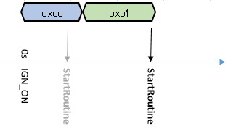
 |  |  |  |  |  |  |  |  |  |  |  |  | 8 < Voltage < 16 |  |  |  | Low voltage etc..
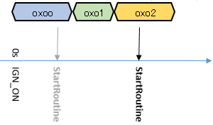
 |  |  |  |  |  |  |  |  |  |  |  |  |  |  |  | - KeyUpdatePenalty < threshould
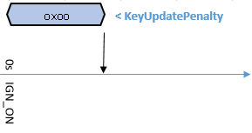
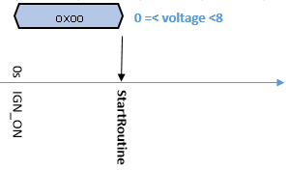
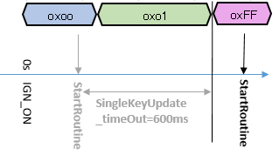
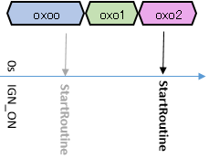
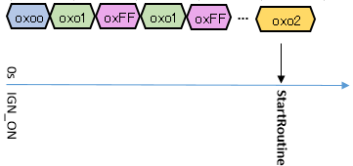
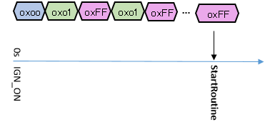

Step 2: Think functions of this structure.

Functions (Test conditions) | Input (=>) |  | Request a safe key number |  | (=>) Output | Acquire the safe key number | Aspects of this function
Power on
Safe key number can't be read out by MKS
Power on
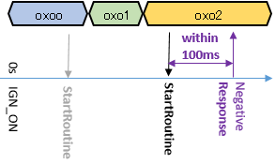
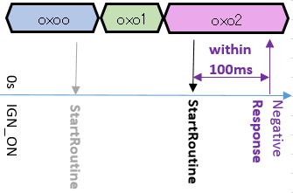
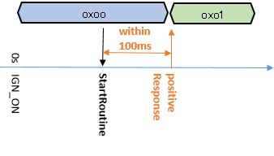
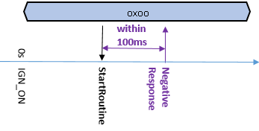
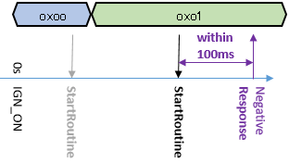
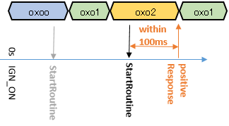
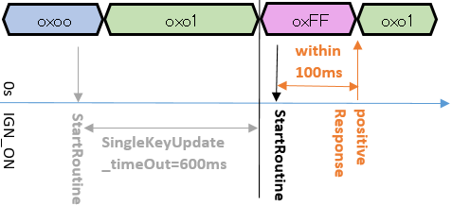
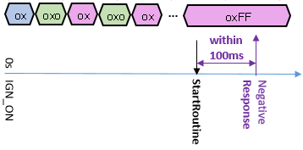

Custmer service tool
Custmer service tool
Safe key number
- within 200 ms after receiving a request for safe key number
"Request for single key update start"
Send a request command for a safe key number from the user interface
Request for
a safe key number
Key update information

Negative response
- within 200 ms after receiving a request for safe key number
What happens after negative response?
CANoe
NRC22?

 | Input (=>) |  | Update a single key |  | (=>) Output | Read the single key update result | Aspects of this function
a
Power on
Power on

Custmer service tool
Custmer service tool
Key update result
- within 100 ms after receiving Key update information
"Request for single key update start"
Safe key number
- within 200 ms after receiving a request for safe key number
"Request for single key update start"
Request for
a single key update result
Key update infomration

Negative response
- within 100 ms after receiving Key update information

CANoe

 | (=>) Output |  | Request a single key update result |  |  |  | Aspects of this function
 |  |  | Read the single key update result
Power On
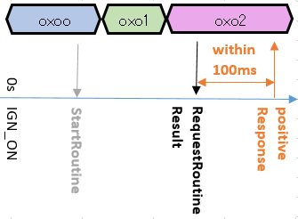
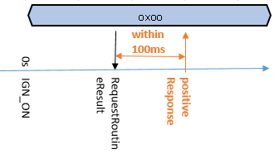
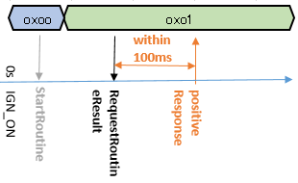
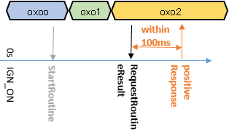
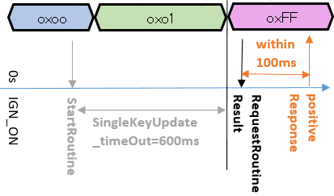
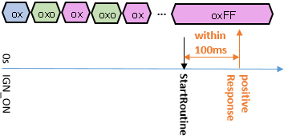

Custmer service tool
Safe key number

Request result

Hint to find functions and scenarios
Function |  | External controlable inputs |  | External measurable output |  |  |  | Limit/Constraint | Timing
Scenario |  | Variation points |  | Recovery |  |  |  | Repeat

deleted3
 |  |  |  |  |  |  |  |  |  |  | #REF!

Step 3: Think behaviours of this structure.
 |  | Event |  | ECU mode |  | Ready for key update state |  |  | Scenario
 |  |  | Key updating completed successfully |  | Normal driving |  | 8.0v < Voltage < 16.0v |  |  | a case where a "request for single key update start" comes a few times???
 |  |  | Key updating completed unsuccessfully |  |  |  | ECU mode is Normal Driving
 |  |  | Timeout |  |  |  | single key updating failure counter < [KeyUpdatePenalty] |  | No need to consider?
 |  |  | IGN-OFF during the routine |  |  |  |  |  |  | initial state is set to "nothing"
 |  |  |  |  |  | Not ready for key update state
 |  |  | low battery |  |  |  | NOT | {
 |  |  | idle mode |  |  |  |  | 8.0v < Voltage < 16.0v
 |  |  |  |  |  |  |  | AND
 |  |  |  |  |  |  |  | ECU mode is Normal Driving
 |  |  |  |  |  |  |  | AND
 |  |  |  |  |  |  |  | single key updating failure counter < [KeyUpdatePenalty]
 |  |  |  |  |  |  |  | }

 | Normal scenario (An intial state is S1)
S2
S3
Request for single key update start
S1
Key update result (KeyUpdateStatus, M4, M5)
= S2
S2
Request for single key update start
Request for responding single key update result (SID$31 + SF$03 + RID$1010)
S2
Key update result (KeyUpdateStatus, M4, M5)
S2
Request for single key update start
Request for responding single key update result (SID$31 + SF$03 + RID$1010)
S3
Key update result (KeyUpdateStatus, M4, M5)
S2
Request for single key update start
Request for responding single key update result (SID$31 + SF$03 + RID$1010)
S4
Key update result (KeyUpdateStatus, M4, M5)
S1
Request for single key update start
Request for responding single key update result (SID$31 + SF$03 + RID$1010)
Key update result (KeyUpdateStatus, M4, M5)

Not testable
Variation point
- Normal format
- Unusual format
Variation point
- Detect garbling
- Can't read out
==> Negative response (NRC22)
Variation point
- Normal format (=with no data)
- Unusual format
Session transfer command
Variation point
- Not ready for key update
Variation point
- Not ready for key update
Session transfer command
Variation point
- Not ready for key update
Session transfer command
Variation point
- Not ready for key update
Rqmt_SRS2311, 238
Rqmt_SRS288

Not testable
Variation point
- Positive response
- safe key number
- data corruption
- no data
NonFuncRqmt (SRS)
- start response within 200 ms after receiving the request
Rqmt_SRS163, 228
Ready for key update
Rqmt_SRS230
Ready for key update
Rqmt_SRS232
Ready for key update
Ready for key update
Variation point
- Receiving "Request for single key update start" when "Not ready for key update"
- After session transfer from Sx
- Not receiving "Request for single key update start"
(IG-OFF)
(IG-OFF)
(IG-OFF)
Rqmt_SRS234
CompRqmt
terminate key updating
AND
changes to S1
CompRqmt
CompRqmt
Consequence
Not ready for key update
==> Negative response (NRC22)
Rqmt_SRS288
Read out a safe key number
changes to S1
changes to S1
Rqmt_SRS163
Response for safe key reading request (SafeKeyNum)
= safe key number

Positive response
Variation point
- Normal format
- with M1, M2, M3
- without M1, M2, M3
- Unusual format
Not testable
Variation point
- Normal format
- Unusual format
Key update processing

Not testable
Variation point
- Positive response
- key update status, M4, M5
- data corruption
- no data
Variation point
- Ends unsuccessfully
==> increment single key updating failure counter
==> changes to S4
- if [SingleKeyUpdate_TimeOut] has passed after receiving the request
==> increment single key updating failure counter ?!
==> Terminate key updating AND changes to S4.
NonFuncRqmt (SRS)
- start response within 100 ms after receiving the request
CompRqmt

Consequence
Not ready for key update
==> Negative response (NRC22)
Rqmt_SRS279
Consequence
Not ready for key update
==> Negative response (NRC22)
Rqmt_SRS282

Consequence
Not ready for key update
==> Negative response (NRC22)
Rqmt_SRS311, 238
Rqmt_SRS228
= 0x00
Rqmt_SRS230
Rqmt_SRS232
Rqmt_SRS234
= S2
= 0x00
= S2
= 0x00
Positive response
Positive response
Negative response
Positive response
Key update processing
Consequence
Not Ready for key update
==> stays as S3
Key update processing
Key update processing
Consequence
Not Ready for key update
==> stays as S4
NonFuncRqmt (SRS)
- complete the key update processing within 200 ms after receiving the request
receives after Key update processing ends successfully (=S3)
S3
S3
S3
Not testable
Variation point
- Normal format (=with no data)
- Unusual format
Rqmt_SRS268
Variation point
- Normal format
- Unusual format
Request for responding single key update result (SID$31 + SF$03 + RID$1010)
Variation point
Receiving the request when S1, S2
==> do nothing
S3 or S4
==> Delete(or initialize to 0) M1, M2, M3, M4, M5
CompRqmt
Not testable
Variation point
- Positive response
- key update status, M4, M5
- data corruption
- no data
Key update result (KeyUpdateStatus, M4, M5)
Rqmt_SRS281
Rqmt_SRS281
Rqmt_SRS268
= S3
= Generated values during key updating
Key update result (KeyUpdateStatus, M4, M5)
= S3
= Generated values during key updating
Rqmt_SRS281
Key update result (KeyUpdateStatus, M4, M5)
Rqmt_SRS281
Key update result (KeyUpdateStatus, M4, M5)
Key update result (KeyUpdateStatus, M4, M5)
= S3
= Generated values during key updating
= S3
= Generated values during key updating
= S1
= 0x00
Positive response
Positive response
Variation point
Key update comlpeted AND ERC_NO_ERROR, M4, M5 can be read out
==> S3
Key update comlpeted AND ERC_NO_ERROR, M4, M5 can't be read out
==> S4
Positive response
Positive response
Positive response
CompRqmt
CompRqmt
Delete M1, M2, M3, M4, M5
Consequence
Receive the request when S2 OR S4
==> Positive response
the state, M4=M5=0
Rqmt_SRS278, 284
Variation point
- receives before Key update processing ends (=S2)
- receives after Key update processing ends unsuccessfully (=S4)

Timing

