Overview-FindTC
Software Test Design Specification (SWTDS) - Overview |  |  |  |  |  |  |  |  |  |  | V2.1

Project information |  |  | Feature for customer (Motivation, Scope, Purpose) |  |  |  |  |  | Document information
Product / Project | AB12 / toyota 670B |  | Customer update encryption keys in multiple ECUs in a vehicle with same key. 1. ECU receive Key update request from Customer Key Provisioning Tool 2. ECU receive Key update information from Master ECU 3. ECU update own retained key 4. ECU receive Key verification request from Customer Key Provisioning Tool 5. ECU receive Key verification information from Master ECU 6. ECU verify the updated key |  |  |  |  |  | Document Nr. | Version.1
Test item | Key management (cust plant) |  |  |  |  |  |  |  | Author | Shuzo OCHI (CC-PS/EPS1-JP),HannaJennifer(CCPS/ESA-PE2-RBEI)
Review history |  |  |  |  |  |  |  |  | Time frame | Aug, 2019 & Oct,2020
Date on review | Review team |  |  |  |  |  |  |  | Test basis
 | Refer to [Revision Record] sheet |  |  |  |  |  |  |  | Name |  | Baseline/Revision
 |  |  |  |  |  |  |  |  | CRS305_gnseckm_kyslv_rs |  | 13.3
 |  |  |  |  |  |  |  |  | AB12_SYRS_Feature_Security_TMC |  | 12.6
 |  |  |  |  |  |  |  |  | SRS_KMS_KeyManagement |  | 11.0
 |  |  |  |  |  |  |  |  | AB12_SYRS_Feature_Security_TMC |  | 21.0
Visualization of the test design (overview)
1st step : Structure of this test item (Input, Function, Output) |  |  |  | 2nd step : Which information is exchanged? |  | 3rd step : When/where is this information exchanged? (Timing, Dynamic behaviour)

Master ECU
Distribute Key information
to all the slave ECUs
.
Key info.
(CAN)
Triggerd by Customer Key Provisioning Tool
Diagnostic Event Manager (DEM)
DTC
Diagnostic communication
(DTC Read request)

Key management

CAN Bus
Record DTC

Update encryption key in the customer plant

Customer Key Provisioning Tool
Update keys in ECUs
.
request
(phase 5 diag)
Depends on the tool operation
Verify encryption key in the customer plant

CAN Bus
Customer Key Provisioning Tool
Check the result
.
Response
(phase 5 diag)
Requested timing

CAN Bus

System mode
Voltage
ECU mode and Power supply condition should be considered!
(no specific timing)

System mode
Power Supply
(no specific timing)

Control System Mode
Supply a voltage

Hint to find test conditions in airbag system -> Please find details in the "Feature library". |  |  |  |  |  |  | Change history
Feature |  | Awareness keywords |  | Feature | Awarness keywords |  | Nr. | Change
ECU mode |  | Idle, Disposal, Autarky, Plant mode, transition |  | Inputs | Switch, Central/Peripheral sensor |  | 1 | Refer to [Revision Record] sheet
Power supply condition |  | High, Low, Normal, Fractuation |  | Outputs | Hardwired/CAN Crash output |  | 9 | plant key update/verification routine
Fault recorder |  | Step-up/down, Next power-on cycle |  | Communication (CAN/LIN) | Diagnositc communication, Periodical signals
Indicator lamp |  | Airbag warning lamp, PADI ON/OFF lamp |  | Bosch/Customer plant | Plant mode operation, Customer plant features
Crash detection, Deployment |  | Disabling/Enabling algorithms, SCON |  | System configuration | Driver position (D/P or L/R), variant configuration
Crash recorder (EDR) |  | Trigger, Recording data/time/completion

ECU
DEM

Power
Supply
Power
Manager
KeyMgmt

System
Mode

DSM
COM
PROD

PDUR

CAN

BOSCH
Diag

Customer Key Provisioning Tool
Master
ECU

FindDependency
Software Test Design Specification (SWTDS) - Finding Dependency |  |  |  |  |  |  |  |  |  |  |  |  |  |  |  |  |  | V2.1

1st step : Structure of this test item with external (controllable/measurable) inputs/outputs |  |  |  |  |  |  |  | Behaviour analysis (to find out scenarios)

Step 3: Think behaviours of this structure.

Step 2: Think functions of this structure.
BLACK BOX
 |  |  |  |  |  |  |  | Normal scenario | Scenario variation (Abnormal cases) | Normal scenario | Scenario variation (Abnormal cases) | Normal scenario | Scenario variation (Abnormal cases) | Normal scenario | Scenario variation (Abnormal cases) | Normal scenario | Scenario variation (Abnormal cases)
Functions (Test conditions) | Input (=>) |  | <Update encryption key > |  | Aspects of this function
 |  |  |  |  | Customer Key Provisioning Tool
 |  |  |  |  | is a customer's tool and black box
See "Matrix" sheet
 |  |  |  |  | from BOSCH ECU point of view.

Customer Key Provisioning Tool
 |  |  |  |  | (1)Key update request
 |  |  |  |  |  | Request for multiple key update start
 |  |  |  |  |  | Request for multiple key verification start
 |  |  |  |  |  | Read-out of verification result
Key update request
 |  |  |  |  |  | Deletion of diagnostics information
 |  |  |  |  |  | Stop Routine
 |  |  |  |  |  | RequestRoutineResults
 |  |  |  |  |  | StartRoutine with a different RID
 |  |  |  |  |  | Nothing

(*Red characters are failure case)

BLACK BOX
 | Input (=>) |  | <Update encryption key > |  | Aspects of this function
 |  |  |  |  | Mater ECU
 |  |  |  |  | is a other supplier's ECU and black box
 |  |  |  |  | from BOSCH ECU point of view.
 |  |  |  |  | (1)Key update information
 |  |  |  |  |  | Correct data (safe key)
Master ECU
 |  |  |  |  |  | Correct data (MAC key)
 |  |  |  |  |  | Wrong data (all the sending data are same)
 |  |  |  |  |  | Wrong data (sending data are diverse)
See "KeyUpdateInfoPattern" for the details
 |  |  |  |  |  | Less data than threshold
Key update info.
 |  |  |  |  |  | (faster than 20ms) Wrong cyclic time
 |  |  |  |  |  | Nothing
 |  |  |  |  | (2)Key verify information
 |  |  |  |  |  | Correct data (safe key)
 |  |  |  |  |  | Correct data (MAC key)
 |  |  |  |  |  | Wrong data (all the sending data are same)
 |  |  |  |  |  | Wrong data (sending data are diverse)
 |  |  |  |  |  | Less data than threshold
 |  |  |  |  |  | (faster than 20ms) Wrong cyclic time
 |  |  |  |  |  | Nothing
 | Input (=>) |  | <Update encryption key > |  | Aspects of this function

 |  |  |  |  | (1)System Mode
 |  |  |  |  |  | Normal Driving Mode
 |  |  |  |  |  | Plant Mode
 |  |  |  |  |  | others
System mode

BOSCH diagnostic

System Mode

 | Input (=>) |  | <Update encryption key > |  | Aspects of this function

 |  |  |  |  | (1) Power supply
 |  |  |  |  |  | Normal range(8.0v < Voltage < 16.0v)
 |  |  |  |  |  | Out of normal range

Power supply

Adjust voltage level

Power supply

BLACK BOX
Nothing
or
Verification result
 | (=>) Output |  | <Update encryption key > |  | Aspects of this function
 |  |  |  |  | Customer Key Provisioning Tool
 |  |  |  |  | is a customer's tool and black box
 |  |  |  |  | from BOSCH ECU point of view.

 |  |  |  |  | (1) Verification result (response)
Customer Key Provisioning Tool

 | (=>) Output |  | <Update encryption key > |  | Aspects of this function

 |  |  |  |  | (1)

DTC
Diagnostic Event Manager (DEM)
No DTC

DTC is recorded

BOSCH diagnostic

Hint to find functions and scenarios
Function |  | External controlable inputs |  | External measurable output |  | Limit/Constraint | Timing
Scenario |  | Variation points |  | Recovery |  | Repeat

Matrix
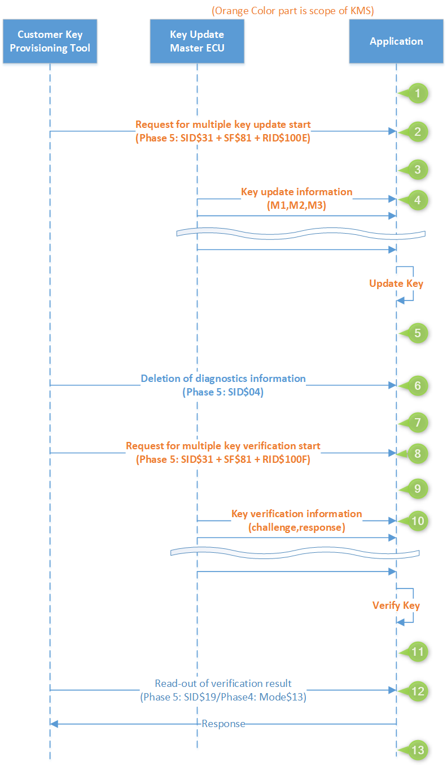
 |  | 1 | 2 | 3 | 4 | 5 | 6 | 7 | 8 | 9 | 10 | 11 | 12 | 13
System Mode | Normal Driving Mode
 | Plant Mode
 | others
Power supply | Normal range
Suppress a positive response message
 | Out of normal range
 | Short break

Key update request | Request for multiple key update start
 | Request for multiple key verification start
 | Read-out of verification result
 | Deletion of diagnostics information
 | Stop Routine
 | RequestRoutineResults
 | StartRoutine with different RID
 | Session Transfer
 | Nothing
Key update information | Correct data (safe key)
See "KeyUpdateInfoPattern" for the details
 | Correct data (MAC key)
 | Wrong data (all the sending data are same)
 | Wrong data (sending data are diverse)
 | Less data than threshold
 | (faster than 20ms) Wrong cyclic time
 | Nothing
Key verify information | Correct data (safe key)
 | Correct data (MAC key)
 | Wrong data (all the sending data are same)
 | Wrong data (sending data are diverse)
 | Less data than threshold
 | (faster than 20ms) Wrong cyclic time
 | Nothing

Suppress a positive response message

KMS_SpecificationInformation
Scenario1 : Sending the Transmission and switching of specification Information request in physical & Functional Addressing Modes |  |  |  |  |  |  |  |  |  |  |  |  |  |  | Scenario2 : Sending the Transmission and checking of specification Information request in Physical & Functional Addressing Modes

Transmission and switching/checking of specification Information (31 01 10 07/31 01 10 08) in physical & Functional Modes
Positive/No Response

Transmission and checking/switching of specification Information (31 01 10 08/31 01 10 07) in physical & Functional Modes
Positive/No Response

CRS Tag | ECU mode | Multiple Key Update Request | Specification Information Request | CAN | Delete Request | Multiple Key verification Request | CAN | Read DTC | Multiple Key update Response | Specification Information Response | Delete Response | Multiple Key verification Response | No DTC Recorded | TS Tag | CRS Tag | ECU mode | Multiple Key Update Request | CAN | Delete Request | Multiple Key verification Request | Specification Information Request | CAN | Read DTC | Multiple Key update Response | Delete Response | Multiple Key verification Response | Specification Information Response | No DTC Recorded | TS Tag
CRS305_1484 CRS305_1487 | Normal & Faultfree | 31 81 10 0E | Send 31 01 10 07 in physical Addressing mode | Send 3 sets of 8 CAN messages(CGW1S11 - CGW1S18 with M1,M2,M3 values) | 14 FF FF FF | 31 81 10 0F | Send 3 sets of 5 CAN messages(CGW1S21 - CGW1S25) | 19 02 08 in physical Addressing mode | No Response | 71 01 10 07 | No Response | No Response | 59 02 FB |  | CRS305_1484 CRS305_1487 | Normal & Faultfree | 31 81 10 0E | Send 3 sets of 8 CAN messages(CGW1S11 - CGW1S18 with M1,M2,M3 values) | 14 FF FF FF | 31 81 10 0F | Send 31 01 10 08 in physical Addressing mode | Send 3 sets of 5 CAN messages(CGW1S21 - CGW1S25) | 19 02 08 in physical Addressing mode | No Response | No Response | No Response | 71 01 10 08 | 59 02 FB

 |  |  | send 31 01 10 07 in functional Addressing mode |  |  |  |  |  |  | No Response |  |  |  |  |  |  |  |  |  |  | Send 31 01 10 08 in functional Addressing mode |  |  |  |  |  | No Response

 |  |  | Send 31 01 10 08 in physical Addressing mode |  |  |  |  |  |  | 71 01 10 08 |  |  |  |  |  |  |  |  |  |  | Send 31 01 10 07 in physical Addressing mode |  |  |  |  |  | 71 01 10 07

 |  |  | Send 31 01 10 08 in functional Addressing mode |  |  |  |  |  |  | No Response |  |  |  |  |  |  |  |  |  |  | Send 31 01 10 07 in functional Addressing mode |  |  |  |  |  | No Response

CAN
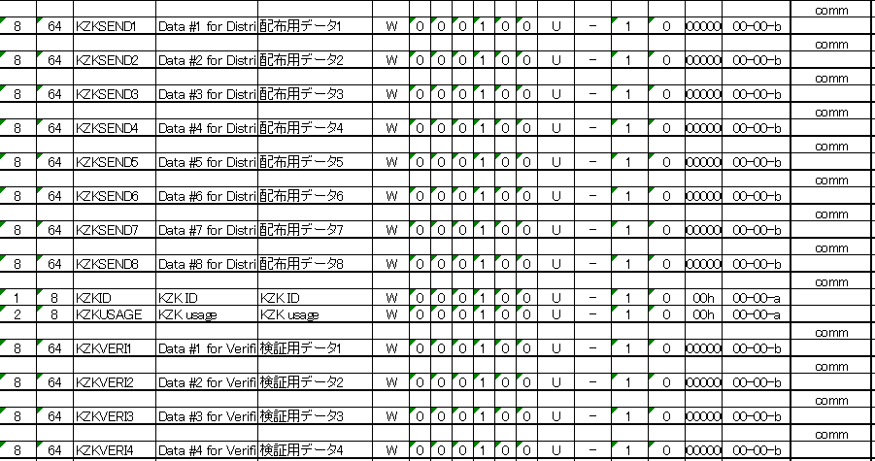

KeyUpdateInfoPattern
 |  |  |  |  |  |  |  |  |  |  |  |  |  |  |  |  |  |  |  |  |  |  |  |  |  |  |  |  |  |  |  |  |  |  |  |  |  |  |  |  |  |  |  |  |  |  | Testona file name

 |  |  |  |  |  |  |  |  |  |  |  |  |  |  |  |  |  |  |  |  |  |  |  |  |  |  |  |  |  |  |  |  |  |  |  |  |  |  |  |  |  |  | Update |  | Verify |  | OneReplacement | Update |  | Verify |  | Testona file name
 |  |  |  |  |  |  |  |  |  |  |  |  |  |  |  |  |  |  |  |  |  |  |  |  |  |  |  |  |  |  |  |  |  |  |  |  |  |  |  |  |  |  | Fix key update info | Update key | Fix key verify info | Verify key |  | OneReplacement_UpdateInfo_Same | OneReplacement_UpdateInfo_Diverse | OneReplacement_VerifyInfo_Same | OneReplacement_VerifyInfo_Diverse
Ochi | OOO |  | Correct data
 |  |  | Send a bunch of data (CAN ID 013 - 01A) 5 times or more |  |  |  |  |  |  |  |  |  |  |  |  |  |  |  |  |  |  |  |  |  |  |  |  |  |  |  |  |  |  |  |  |  |  |  |  |  |  |  | Succeed | Succeed | Succeed | Succeed | ECP_ReadyForUpdate_AllCorrect ECP_NotReadyForUpdate_AllCorrect

 |  |  |  |  | <Correct> |  |  |  | <Correct> |  |  | <Correct> |  | <Correct> |  | <Correct> |  | <Correct> |  | <Correct> |  | <Correct> |  | <Correct> |  | <Correct> |  |  | <Correct> |  | <Correct> |  | <Correct> |  |  |  | <Correct>
 |  |  |  |  | CAN ID |  |  |  | CAN ID |  |  | CAN ID |  | CAN ID |  | CAN ID |  | CAN ID |  | CAN ID |  | CAN ID |  | CAN ID |  | CAN ID |  |  | CAN ID |  | CAN ID |  | CAN ID |  |  |  | CAN ID
 |  |  |  |  | 013 |  |  |  | 014 |  |  | 015 |  | 016 |  | 017 |  | 018 |  | 019 |  | 01A |  | 013 |  | 014 |  |  | 01A |  | 013 |  | 014 |  |  |  | 01A

 |  |  |  |  |  |  | 20ms

Ochi | XXX |  | Wrong data all (all the sending data are same)

 |  |  | Send a bunch of data (CAN ID 013 - 01A) 3 times or more |  |  |  |  |  |  |  |  |  |  |  |  |  |  |  |  |  |  |  |  |  |  |  |  |  |  |  |  |  |  |  |  |  |  |  |  |  |  |  | Succeed | Fail | Succeed | Fail |  | WrongData_All

 |  |  |  |  | <Wrong> |  |  |  | <Wrong> |  |  | <Wrong> |  | <Wrong> |  | <Wrong> |  | <Wrong> |  | <Wrong> |  | <Wrong> |  | <Wrong> |  | <Wrong> |  |  | <Wrong> |  | <Wrong> |  | <Wrong> |  |  |  | <Wrong>
 |  |  |  |  | CAN ID |  |  |  | CAN ID |  |  | CAN ID |  | CAN ID |  | CAN ID |  | CAN ID |  | CAN ID |  | CAN ID |  | CAN ID |  | CAN ID |  |  | CAN ID |  | CAN ID |  | CAN ID |  |  |  | CAN ID
 |  |  |  |  | 013 |  |  |  | 014 |  |  | 015 |  | 016 |  | 017 |  | 018 |  | 019 |  | 01A |  | 013 |  | 014 |  |  | 01A |  | 013 |  | 014 |  |  |  | 01A
 |  |  |  |  |  |  |  |  |  |  |  |  |  |  |  |  |  |  |  |  |  |  |  |  |  |  |  |  |  |  |  |  |  |  |  |  |  |  |  |  |  |  | Succeed | Succeed | Succeed | Fail |  |  |  | WrongData_All

 |  |  |  |  |  |  | 20ms

Ochi | OX1X2(O) |  | Wrong data (sending data are diverse) with defferent pattern

 |  |  | Send a bunch of data (CAN ID 013 - 01A) 3 times or more |  |  |  |  |  |  |  |  |  |  |  |  |  |  |  |  |  |  |  |  |  |  |  |  |  |  |  |  |  |  |  |  |  |  |  |  |  |  |  | Fail | - | Fail | - |  |  | WrongData_DiffPattern

 |  |  |  |  | <Pattern1> |  |  |  | <Pattern1> |  |  | <Pattern1> |  | <Pattern1> |  | <Pattern1> |  | <Pattern1> |  | <Pattern1> |  | <Pattern1> |  | <Pattern2> |  | <Pattern2> |  |  | <Pattern2> |  | <Pattern3> |  | <Pattern3> |  |  |  | <Pattern3>
 |  |  |  |  | CAN ID |  |  |  | CAN ID |  |  | CAN ID |  | CAN ID |  | CAN ID |  | CAN ID |  | CAN ID |  | CAN ID |  | CAN ID |  | CAN ID |  |  | CAN ID |  | CAN ID |  | CAN ID |  |  |  | CAN ID
 |  |  |  |  | 013 |  |  |  | 014 |  |  | 015 |  | 016 |  | 017 |  | 018 |  | 019 |  | 01A |  | 013 |  | 014 |  |  | 01A |  | 013 |  | 014 |  |  |  | 01A
 |  |  |  |  |  |  |  |  |  |  |  |  |  |  |  |  |  |  |  |  |  |  |  |  |  |  |  |  |  |  |  |  |  |  |  |  |  |  |  |  |  |  | Succeed | Succeed | Fail | - |  |  |  |  | WrongData_DiffPattern

 |  |  |  |  |  |  | 20ms

(Mizobuchi in Testona) | OOXO |  | Correct data sending discontinuously
 |  |  | Send a bunch of data (CAN ID 013 - 01A) 3 times but not continuously |  |  |  |  |  |  |  |  |  |  |  |  |  |  |  |  |  |  |  |  |  |  |  |  |  |  |  |  |  |  |  |  |  |  |  |  |  |  |  | Fail | - | Fail | - |  |  | CorrectData_Discontinuously

 |  |  |  |  | <Correct> |  |  |  | <Correct> |  |  | <Correct> |  | <Correct> |  | <Correct> |  | <Correct> |  | <Correct> |  | <Correct> |  | <Correct> |  | <Correct> |  |  | <Correct> |  | <Pattern1> |  | <Pattern1> |  | <Pattern1> |  |  |  | <Correct> |  | <Correct> |  | (Not continuously 3 times)
 |  |  |  |  | CAN ID |  |  |  | CAN ID |  |  | CAN ID |  | CAN ID |  | CAN ID |  | CAN ID |  | CAN ID |  | CAN ID |  | CAN ID |  | CAN ID |  |  | CAN ID |  | CAN ID |  | CAN ID |  | CAN ID |  |  |  | CAN ID |  | CAN ID
 |  |  |  |  | 013 |  |  |  | 014 |  |  | 015 |  | 016 |  | 017 |  | 018 |  | 019 |  | 01A |  | 013 |  | 014 |  |  | 01A |  | 013 |  | 014 |  | 01A |  |  |  | 013 |  | 01A
 |  |  |  |  |  |  |  |  |  |  |  |  |  |  |  |  |  |  |  |  |  |  |  |  |  |  |  |  |  |  |  |  |  |  |  |  |  |  |  |  |  |  | Succeed | Succeed | Fail | - |  |  |  |  | CorrectData_Discontinuously

 |  |  |  |  |  |  |  |  |  |  |  |  |  |  |  |  |  |  |  |  |  |  |  |  |  |  |  |  |  |  |  |  |  |  |  |  |  |  |  |  |  |  |  |  | (Not continuously 3 times)
 |  |  |  |  |  |  | 20ms

(Mizobuchi in Testona) | Others: OOO |  | Wrong data one data (One data is wrong but it send 3 times)
 | 1 data : XXX
 |  |  | Send a bunch of data (CAN ID 013 - 01A) 3 times or more |  |  |  |  |  |  |  |  |  |  |  |  |  |  |  |  |  |  |  |  |  |  |  |  |  |  |  |  |  |  |  |  |  |  |  |  |  |  |  | Succeed | Fail | Succeed | Fail |  | WrongData_Onedata

 |  |  |  |  | <Correct> |  |  |  | <Wrong> |  |  | <Correct> |  | <Correct> |  | <Correct> |  | <Correct> |  | <Correct> |  | <Correct> |  | <Correct> |  | <Wrong> |  |  | <Correct> |  | <Correct> |  | <Wrong> |  |  |  | <Correct>
 |  |  |  |  | CAN ID |  |  |  | CAN ID |  |  | CAN ID |  | CAN ID |  | CAN ID |  | CAN ID |  | CAN ID |  | CAN ID |  | CAN ID |  | CAN ID |  |  | CAN ID |  | CAN ID |  | CAN ID |  |  |  | CAN ID
 |  |  |  |  | 013 |  |  |  | 014 |  |  | 015 |  | 016 |  | 017 |  | 018 |  | 019 |  | 01A |  | 013 |  | 014 |  |  | 01A |  | 013 |  | 014 |  |  |  | 01A
 |  |  |  |  |  |  |  |  |  |  |  |  |  |  |  |  |  |  |  |  |  |  |  |  |  |  |  |  |  |  |  |  |  |  |  |  |  |  |  |  |  |  | Succeed | Succeed | Fail | - |  |  |  | WrongData_Onedata

 |  |  |  |  |  |  | 20ms

Mizobuchi | Others: OOO(O) | always--> once | Wrong data one data different pattern (One data is wrong at 1 time)
 | 1 data : OXX(O)
 |  |  | Send a bunch of data (CAN ID 013 - 01A) 3 times or more |  |  |  |  |  |  |  |  |  |  |  |  |  |  |  |  |  |  |  |  |  |  |  |  |  |  |  |  |  |  |  |  |  |  |  |  |  |  |  | Fail | - | Succeed | Fail |  |  | WrongData_OneDataDiffPattern

 |  |  |  |  |  | <Correct> |  |  |  | <Correct> |  |  | <Correct> |  | <Correct> |  | <Correct> |  | <Correct> |  | <Correct> |  | <Correct> |  | <Correct> |  | <Wrong> |  |  | <Correct> |  | <Correct> |  | <Correct> |  |  |  | <Correct>
 |  |  |  |  |  | CAN ID |  |  |  | CAN ID |  |  | CAN ID |  | CAN ID |  | CAN ID |  | CAN ID |  | CAN ID |  | CAN ID |  | CAN ID |  | CAN ID |  |  | CAN ID |  | CAN ID |  | CAN ID |  |  |  | CAN ID
 |  |  |  |  |  | 013 |  |  |  | 014 |  |  | 015 |  | 016 |  | 017 |  | 018 |  | 019 |  | 01A |  | 013 |  | 014 |  |  | 01A |  | 013 |  | 014 |  |  |  | 01A
 |  |  |  |  |  |  |  |  |  |  |  |  |  |  |  |  |  |  |  |  |  |  |  |  |  |  |  |  |  |  |  |  |  |  |  |  |  |  |  |  |  |  | Succeed | Succeed | Fail | - |  |  |  |  | WrongData_OneDataDiffPattern

 |  |  |  |  |  |  |  | 20ms

 |  |  | Not send one data one time(Collect data is sent 2 times and not send the data)

 |  |  | Send a bunch of data (CAN ID 013 - 01A) 3 times or more |  |  |  |  |  |  |  |  |  |  |  |  |  |  |  |  |  |  |  |  |  |  |  |  |  |  |  |  |  |  |  |  |  |  |  |  |  |  |  | Fail | - | Succeed | Fail |  |  | NoSend_OneData

 |  |  |  |  | <Correct> |  |  |  | <Correct> |  |  | <Correct> |  | <Correct> |  | <Correct> |  | <Correct> |  | <Correct> |  | <Correct> |  | <Correct> |  | <Correct> |  |  | <Correct> |  | <Not send> |  | <Correct> |  |  |  | <Correct>
 |  |  |  |  | CAN ID |  |  |  | CAN ID |  |  | CAN ID |  | CAN ID |  | CAN ID |  | CAN ID |  | CAN ID |  | CAN ID |  | CAN ID |  | CAN ID |  |  | CAN ID |  | CAN ID |  | CAN ID |  |  |  | CAN ID
 |  |  |  |  | 013 |  |  |  | 014 |  |  | 015 |  | 016 |  | 017 |  | 018 |  | 019 |  | 01A |  | 013 |  | 014 |  |  | 01A |  | 013 |  | 014 |  |  |  | 01A
 |  |  |  |  |  |  |  |  |  |  |  |  |  |  |  |  |  |  |  |  |  |  |  |  |  |  |  |  |  |  |  |  |  |  |  |  |  |  |  |  |  |  | Succeed | Succeed | Fail | - |  |  |  |  | NoSend_OneData

 |  |  |  |  |  |  | 20ms

 |  |  | Wrong data one data after pass(Send wrong data after collect data send certain times)

Fix the all data
 |  |  | Send a bunch of data (CAN ID 013 - 01A) more than 3 |  |  |  |  |  |  |  |  |  |  |  |  |  |  |  |  |  |  |  |  |  |  |  |  |  |  |  |  |  |  |  |  |  |  |  |  |  |  |  | Succeed | Succeed | Succeed | Succeed |  |  | WrongData_AfterPass

 |  |  |  |  | <Correct> |  |  |  | <Correct> |  |  | <Correct> |  | <Correct> |  | <Correct> |  | <Correct> |  | <Correct> |  | <Correct> |  | <Correct> |  | <Correct> |  |  | <Correct> |  | <Correct> |  | <Correct> |  |  | <Correct> |  |  |  | <Wrong> | <Correct> | <Correct>
 |  |  |  |  | CAN ID |  |  |  | CAN ID |  |  | CAN ID |  | CAN ID |  | CAN ID |  | CAN ID |  | CAN ID |  | CAN ID |  | CAN ID |  | CAN ID |  |  | CAN ID |  | CAN ID |  | CAN ID |  |  | CAN ID |  |  |  | CAN ID | CAN ID | CAN ID
 |  |  |  |  | 013 |  |  |  | 014 |  |  | 015 |  | 016 |  | 017 |  | 018 |  | 019 |  | 01A |  | 013 |  | 014 |  |  | 01A |  | 013 |  | 014 |  |  | 01A |  |  |  | 013 | 014 | 01A
 |  |  |  |  |  |  |  |  |  |  |  |  |  |  |  |  |  |  |  |  |  |  |  |  |  |  |  |  |  |  |  |  |  |  |  |  |  |  |  |  |  |  | Succeed | Succeed | Succeed | Succeed |  |  |  |  | WrongData_AfterPass

 |  |  |  |  |  |  | 20ms

Ochi | OO |  | Less data than threshold

 |  |  | Send a bunch of data (CAN ID 013 - 01A) only 2 times |  |  |  |  |  |  |  |  |  |  |  |  |  |  |  |  |  |  |  |  |  |  |  |  |  |  |  |  |  |  |  |  |  |  |  |  |  |  |  | Fail | - | Succeed | Fail |  | LessDataThanThreshold

 |  |  |  |  | <Correct> |  |  |  | <Correct> |  |  | <Correct> |  | <Correct> |  | <Correct> |  | <Correct> |  | <Correct> |  | <Correct> |  | <Correct> |  | <Correct> |  |  | <Correct> |  |  |  |  |  |  |  |  |  |  |  |  |  | (Less than 3 times)
 |  |  |  |  | CAN ID |  |  |  | CAN ID |  |  | CAN ID |  | CAN ID |  | CAN ID |  | CAN ID |  | CAN ID |  | CAN ID |  | CAN ID |  | CAN ID |  |  | CAN ID
 |  |  |  |  | 013 |  |  |  | 014 |  |  | 015 |  | 016 |  | 017 |  | 018 |  | 019 |  | 01A |  | 013 |  | 014 |  |  | 01A
 |  |  |  |  |  |  |  |  |  |  |  |  |  |  |  |  |  |  |  |  |  |  |  |  |  |  |  |  |  |  |  |  |  |  |  |  |  |  |  |  |  |  | Succeed | Succeed | Fail | - |  |  |  | LessDataThanThreshold

 |  |  |  |  |  |  | 20ms

Ochi | OOO, 10ms |  | (faster than 20ms) Wrong cyclic time

 |  |  | Send a bunch of data (CAN ID 013 - 01A) 5 times or more |  |  |  |  |  |  |  |  |  |  |  |  |  |  |  |  |  |  |  |  |  |  |  |  |  |  |  |  |  |  |  |  |  |  |  |  |  |  |  | Fail | - | Succeed | Fail |  | WrongCyclicTime

 |  |  |  |  | <Correct> |  |  |  | <Correct> |  |  | <Correct> |  | <Correct> |  | <Correct> |  | <Correct> |  | <Correct> |  | <Correct> |  | <Correct> |  | <Correct> |  |  | <Correct> |  | <Correct> |  | <Correct> |  |  |  | <Correct> |  |  |  |  |  | (Too short interval)
 |  |  |  |  | CAN ID |  |  |  | CAN ID |  |  | CAN ID |  | CAN ID |  | CAN ID |  | CAN ID |  | CAN ID |  | CAN ID |  | CAN ID |  | CAN ID |  |  | CAN ID |  | CAN ID |  | CAN ID |  |  |  | CAN ID
 |  |  |  |  | 013 |  |  |  | 014 |  |  | 015 |  | 016 |  | 017 |  | 018 |  | 019 |  | 01A |  | 013 |  | 014 |  |  | 01A |  | 013 |  | 014 |  |  |  | 01A
 |  |  |  |  |  |  |  |  |  |  |  |  |  |  |  |  |  |  |  |  |  |  |  |  |  |  |  |  |  |  |  |  |  |  |  |  |  |  |  |  |  |  | Succeed | Succeed | Fail | - |  |  |  | WrongCyclicTime

 |  |  |  |  |  |  | 10ms

 |  |  |  | different order |  |  |  |  |  |  |  |  |  |  |  |  |  |  |  |  |  |  |  |  |  |  |  |  |  |  |  |  |  |  |  |  |  |  |  |  |  |  | Fail | - | Succeed | Fail |  | WrongMsgOrderGroup

 |  |  |  |  | <Correct> |  |  |  | <Correct> |  |  | <Correct> |  | <Correct> |  | <Correct> |  | <Correct> |  | <Correct> |  | <Correct> |  | <Correct> |  | <Correct> |  | <Correct> | <Correct> |  | <Correct> |  | <Correct> |  |  |  | <Correct>
 |  |  |  |  | CAN ID |  |  |  | CAN ID |  |  | CAN ID |  | CAN ID |  | CAN ID |  | CAN ID |  | CAN ID |  | CAN ID |  | CAN ID |  | CAN ID |  | CAN ID | CAN ID |  | CAN ID |  | CAN ID |  |  |  | CAN ID
 |  |  |  |  | 013 |  |  |  | 014 |  |  | 013 |  | 014 |  | 013 |  | 014 |  | 015 |  | 016 |  | 016 |  | 016 |  | 015 | 016 |  | 017 |  | 018 |  |  |  | 01A

 |  |  |  |  |  |  | 10ms

 |  |  |  |  |  |  |  |  |  |  |  |  |  |  |  |  |  |  |  |  |  |  |  |  |  |  |  |  |  |  |  |  |  |  |  |  |  |  |  |  |  |  | Succeed | Succeed | Fail | - |  |  |  | WrongMsgOrderGroup
 |  |  |  |  |  |  |  |  |  | 013 | 014 |  | x 3times
 |  |  |  |  |  |  |  |  |  | 015 | 016 |  | x 3times
 |  |  |  |  |  |  |  |  |  | 017 | 018 |  | x 3times
 |  |  |  |  |  |  |  |  |  | 019 | 01A |  | x 3times

 |  |  | Time out of one feature (Key update or Key varification)

 |  |  | Send a bunch of data (CAN ID 013 - 01A) 3 times or more |  |  |  |  |  |  |  |  |  |  |  |  |  |  |  |  |  |  |  |  |  |  |  |  |  |  |  |  |  |  |  |  |  |  |  |  |  |  |  | Fail | - | Succeed | Fail |  | TimeOut_OneFeature

 |  |  |  |  | <Correct> |  |  |  | <Correct> |  |  | <Correct> |  | <Correct> |  | <Correct> |  | <Correct> |  | <Correct> |  | <Correct> |  | <Correct> |  | <Correct> |  |  | <Correct> |  | Time |  | <Correct> |  |  |  | <Correct>
 |  |  |  |  | CAN ID |  |  |  | CAN ID |  |  | CAN ID |  | CAN ID |  | CAN ID |  | CAN ID |  | CAN ID |  | CAN ID |  | CAN ID |  | CAN ID |  |  | CAN ID |  | CAN ID |  | CAN ID |  |  |  | CAN ID
 |  |  |  |  | 013 |  |  |  | 014 |  |  | 015 |  | 016 |  | 017 |  | 018 |  | 019 |  | 01A |  | 013 |  | 014 |  |  | 01A |  | 013 |  | 014 |  |  |  | 01A |  |  |  |  |  | Succeed | Succeed | Fail | - |  |  |  |  | TimeOut_OneFeature

 |  |  |  |  |  |  | 250ms

-> Please apply the same way to Key Verification Information

Coverage
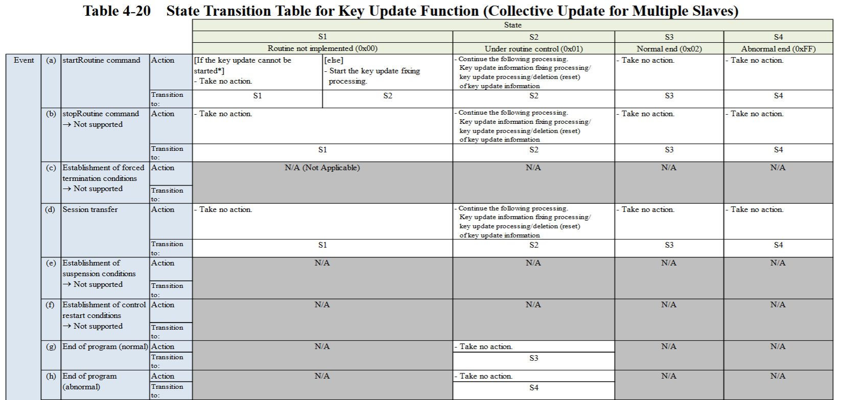
 |  |  |  |  | What to test
 |  |  |  |  |  |  |  |  |  |  |  |  |  |  |  |  |  |  |  |  |  |  | If updated? |  | Important?

 |  |  |  |  | Update |  |  | AddReq1 | AddReq2 | AddReq3 |  | Req3 | Verify |  |  |  |  |  |  |  | Req6 | Send AuthMsg | Read RoB
 |  |  |  |  | Req1 |  | Req2 |  |  |  |  |  | Req4 |  | Req5
 | S1 | [else] | Req | Ready | StartUpdate |  | UpdateInfo_Correct_MAC | - | - | - |  | DeleteDTC | StartVerify |  | VerifyInfo_Correct_MAC |  |  |  |  |  | ReadDTC | AuthMsg | Read RoB | 1
 |  |  | Res |  | (StartUpdate, Enter S2) |  | (Update successfully) | - | - | - |  | Response | (StartVerify) |  | (Verify successfully) |  |  |  |  |  | No DTC | - | No RoB |  |  | Verified successfully | Successfully updated | If not updated, verification fails and DTC recorded, RoB recorded.
 |  | [Can't be started] | Req | NotReady | StartUpdate |  | UpdateInfo_Correct_MAC | - | - | - | Ready | DeleteDTC | StartVerify |  | VerifyInfo_Correct_MAC |  |  |  |  |  | ReadDTC | AuthMsg | Read RoB | 2
 |  |  | Res |  | (No action, Keep S1) |  | (No action) | - | - | - |  | Response | (StartVerify) |  | (Verify in fail) |  |  |  |  |  | DTC | - | RoB |  |  | Verified in fail | Not updated | If updated, verification succeeds and DTC not recorded, RoB not recorded.
Not required because with this we can't tell if it was already in S2 or not before giving this request. Without this, at least we can check if it was not in S2.
 |  | Take no action | Req | Ready | StopRoutine_Update SessionTransfer IGN-OFF, IGN-ON RequestRoutineResult_Update | StartUpdate | UpdateInfo_Correct_MAC | - | - | - |  | DeleteDTC | StartVerify |  | VerifyInfo_Correct_MAC |  |  |  |  |  | ReadDTC | AuthMsg | Read RoB | 3 | not S2
 |  |  | Res |  |  | (StartUpdate, Enter S2) | (No action) | - | - | - |  | Response | (StartVerify) |  | (Verify in fail) |  |  |  |  |  | DTC | - | RoB |  |  | Verified in fail | Not updated | If updated, verification succeeds and DTC not recorded, RoB not recorded.
 |  |  | Req |  | (No action, Keep S1) | StartUpdate | UpdateInfo_Correct_MAC |  |  |  |  | DeleteDTC | StartVerify |  | VerifyInfo_Correct_MAC |  |  |  |  |  | ReadDTC | AuthMsg | Read RoB | 4 | S1 (or S2)
 |  |  | Res |  |  | (StartUpdate, Enter S2) | (Update successfully) |  |  |  |  | Response | (StartVerify) |  | (Verify successfully) |  |  |  |  |  | No DTC | - | No RoB |  |  | Verified successfully | Successfully updated | If not updated, verification fails and DTC recorded, RoB recorded.
Timing difficult???
 | S2 | Continue | Req | Ready | StartUpdate |  | UpdateInfo_Correct_MAC | StartUpdate StopRoutine_Update SessionTransfer RequestRoutineResult_Update | - | - |  | DeleteDTC | StartVerify |  | VerifyInfo_Correct_MAC |  |  |  |  |  | ReadDTC | AuthMsg | Read RoB | 5
 |  |  |  |  |  |  | (Update successfully) | (Continue) | - | - |  | Response | (StartVerify) |  | (Verify successfully) |  |  |  |  |  | No DTC | - | No RoB |  |  | Verified successfully | Successfully updated | If not continue, verificatin may fail and DTC recorded, RoB recorded.
 |  |  | Res |  | (StartUpdate, Enter S2) |  | UpdateInfo_Wrong_MAC | StartUpdate StopRoutine_Update SessionTransfer RequestRoutineResult_Update | - | - |  | DeleteDTC | StartVerify |  | VerifyInfo_Correct_MAC |  |  |  |  |  | ReadDTC | AuthMsg | Read RoB | 6
 |  |  |  |  |  |  | (Update in fail) | (Continue) | - | - |  | Response | (StartVerify) |  | (Verify in fail) |  |  |  |  |  | DTC | - | RoB |  |  | Verified in fail | Not updated | If not continue, verificatin will fail and DTC recorded, RoB recorded.
 |  | Cancel | Req | Ready | StartUpdate |  | UpdateInfo_Wrong_MAC #1 | IGN-OFF, IGN-ON | StartUpdate | UpdateInfo_Correct_MAC |  | DeleteDTC | StartVerify |  | VerifyInfo_Correct_MAC |  |  |  |  |  | ReadDTC | AuthMsg | Read RoB | 7 | #1: anything is fine.
 |  |  |  |  |  |  | (Update in fail) | (Cancel, Enter S1) | (StartUpdate, Enter S2) | (Update successfully) |  | Response | (StartVerify) |  | (Verify successfully) |  |  |  |  |  | No DTC | - | No RoB |  |  | Verified successfully | Successfully updated | If not updated, verification fails and DTC recorded, RoB recorded.
 |  |  |  |  |  |  | UpdateInfo_Correct_MAC | IGN-OFF, IGN-ON |  |  |  | DeleteDTC | StartVerify |  | VerifyInfo_Correct_MAC |  |  |  |  |  | ReadDTC | AuthMsg | Read RoB | 8
 |  |  |  |  |  |  | (Update successfully) | (Cancel, Enter S1) |  |  |  | Response | (StartVerify) |  | (Verify in fail) |  |  |  |  |  | DTC | - | RoB |  |  | Verified in fail | Update canceled | If update not canceled, verification succeeds and DTC not recorded, RoB not recorded.
 |  |  |  |  |  |  | UpdateInfo_Wrong_MAC | IGN-OFF, IGN-ON |  |  |  | DeleteDTC | StartVerify |  | VerifyInfo_Correct_MAC |  |  |  |  |  | ReadDTC | AuthMsg | Read RoB | 9
 |  |  |  |  |  |  | (Update in fail) | (Cancel, Enter S1) |  |  |  | Response | (StartVerify) |  | (Verify in fail) |  |  |  |  |  | DTC | - | RoB |  |  | Verified in fail | Update canceled | If update not canceled, verification fails and DTC recorded, RoB recorded.
 |  |  |  |  |  |  | UpdateInfo_Correct_MAC | TimeOut | StartUpdate | UpdateInfo_Correct_MAC |  | DeleteDTC | StartVerify |  | VerifyInfo_Correct_MAC |  |  |  |  |  | ReadDTC | AuthMsg | Read RoB | 10
 |  |  | Res |  | (StartUpdate, Enter S2) |  | (Update successfully) | (Cancel, Enter S4) | (No action, Keep S4) | (No action) |  | Response | (StartVerify) |  | (Verify in fail) |  |  |  |  |  | DTC | - | RoB |  |  | Verified in fail | Update canceled | If not enter S4, verification succeeds and DTC not recorded, RoB not recorded.
 |  |  |  |  |  |  | UpdateInfo_Correct_MAC | TimeOut | - | - |  | DeleteDTC | StartVerify |  | VerifyInfo_Correct_MAC |  |  |  |  |  | ReadDTC | AuthMsg | Read RoB | 11
 |  |  |  |  |  |  | (Update successfully) | (Cancel, Enter S4) | - | - |  | Response | (StartVerify) |  | (Verify in fail) |  |  |  |  |  | DTC | - | RoB |  |  | Verified in fail | Update canceled | If update not canceled, verification succeeds and DTC not recorded, RoB not recorded.
S3 |  | Take no action | Req | Ready | StartUpdate |  | UpdateInfo_Correct_MAC | - | StartUpdate | UpdateInfo_Wrong_MAC |  | DeleteDTC | StartVerify |  | VerifyInfo_Correct_MAC |  |  |  |  |  | ReadDTC | AuthMsg | Read RoB | 12 | S3 or S4
 |  |  |  |  |  |  |  | - | (No action, Keep S3) | (No action) |  | Response | (StartVerify) |  | (Verify successfully) |  |  |  |  |  | No DTC | - | No RoB |  |  | Verified successfully | Not updated | If updated, verification fails and DTC recorded, RoB recorded.
 |  |  |  |  |  |  |  | StopRoutine_Update SessionTransfer RequestRoutineResult_Update | - | UpdateInfo_Wrong_MAC |  | DeleteDTC | StartVerify |  | VerifyInfo_Correct_MAC |  |  |  |  |  | ReadDTC | AuthMsg | Read RoB | 13 | not S2
 |  |  | Res |  | (StartUpdate, Enter S2) |  | (Update successfully) (No action, Enter S3) |  | - | (No action) |  | Response | (StartVerify) |  | (Verify successfully) |  |  |  |  |  | No DTC | - | No RoB |  |  | Verified successfully | Not updated | If updated, verification fails and DTC recorded, RoB recorded.
 |  |  |  |  |  |  |  | (No action, Keep S3) | StartUpdate | UpdateInfo_Wrong_MAC |  | DeleteDTC | StartVerify |  | VerifyInfo_Correct_MAC |  |  |  |  |  | ReadDTC | AuthMsg | Read RoB | 14 | S3 or S4 (or S2)
 |  |  |  |  |  |  |  |  | (No action, Keep S3) | (No action) |  | Response | (StartVerify) |  | (Verify successfully) |  |  |  |  |  | No DTC | - | No RoB |  |  | Verified successfully | Not updated | If updated, verification fails and DTC recorded, RoB recorded.
 |  |  |  |  |  |  |  | IGN-OFF, IGN-ON | StartUpdate | UpdateInfo_Wrong_MAC |  | DeleteDTC | StartVerify |  | VerifyInfo_Correct_MAC |  |  |  |  |  | ReadDTC | AuthMsg | Read RoB | 15
 |  |  |  |  |  |  |  | (No action, Enter S1) | (StartUpdate, Enter S2) | (Update in fail) |  | Response | (StartVerify) |  | (Verify in fail) |  |  |  |  |  | DTC | - | RoB |  |  | Verified in fail | Updated in fail | If not updated, verification succeeds and DTC not recorded, RoB not recorded.
S4 |  |  | Req | Ready | StartUpdate |  | UpdateInfo_Wrong_MAC | - | StartUpdate | UpdateInfo_Correct_MAC |  | DeleteDTC | StartVerify |  | VerifyInfo_Correct_MAC |  |  |  |  |  | ReadDTC | AuthMsg | Read RoB | 16 | not S1
 |  |  |  |  |  |  |  | - | (No action, Keep S4) | (No action) |  | Response | (StartVerify) |  | (Verify in fail) |  |  |  |  |  | DTC | - | RoB |  |  | Verified in fail | Not updated | If updated, verification succeeds and DTC not recorded, RoB not recorded.
 |  |  |  |  |  |  |  | StopRoutine_Update SessionTransfer RequestRoutineResult_Update | - | UpdateInfo_Correct_MAC |  | DeleteDTC | StartVerify |  | VerifyInfo_Correct_MAC |  |  |  |  |  | ReadDTC | AuthMsg | Read RoB | 17 | not S2
 |  |  | Res |  | (StartUpdate, Enter S2) |  | (Update in fail) (No action, Enter S4) |  | - | (No action) |  | Response | (StartVerify) |  | (Verify in fail) |  |  |  |  |  | DTC | - | RoB |  |  | Verified in fail | Not updated | If updated, verification succeeds and DTC not recorded, RoB not recorded.
 |  |  |  |  |  |  |  | (No action, Keep S4) | StartUpdate | UpdateInfo_Correct_MAC |  | DeleteDTC | StartVerify |  | VerifyInfo_Correct_MAC |  |  |  |  |  | ReadDTC | AuthMsg | Read RoB | 18 | not S1
 |  |  |  |  |  |  |  |  | (No action, Keep S4) | (No action) |  | Response | (StartVerify) |  | (Verify in fail) |  |  |  |  |  | DTC | - | RoB |  |  | Verified in fail | Not updated | If updated, verification succeeds and DTC not recorded, RoB not recorded.
 |  |  |  |  |  |  |  | IGN-OFF, IGN-ON | StartUpdate | UpdateInfo_Correct_MAC |  | DeleteDTC | StartVerify |  | VerifyInfo_Correct_MAC |  |  |  |  |  | ReadDTC | AuthMsg | Read RoB | 19
 |  |  |  |  |  |  |  | (No action, Enter S1) | (StartUpdate, Enter S2) | (Update successfully) |  | Response | (StartVerify) |  | (Verify successfully) |  |  |  |  |  | No DTC | - | No RoB |  |  | Verified successfully | Successfully updated | If not updated, verification fails and DTC recorded, RoB recorded.
 | S1 | [else] | Req | Ready | StartUpdate |  | UpdateInfo_Correct_MAC | - | - | - |  | DeleteDTC | StartVerify |  | VerifyInfo_Wrong_MAC |  |  |  |  |  | ReadDTC | AuthMsg | Read RoB | 20
 |  |  | Res |  | (StartUpdate, Enter S2) |  | (Update successfully) | - | - | - |  | Response | (StartVerify, Enter S2) |  | (Verify in fail) |  |  |  |  |  | DTC | - | No RoB |  |  | Verified in fail | Successfully updated | If not verified, DTC not recorded.
 |  | [Can't be started] | Req | Ready | StartUpdate |  | UpdateInfo_Wrong_MAC | - | - | - | NotReady | DeleteDTC | StartVerify |  | VerifyInfo_Correct_MAC |  |  |  |  |  | ReadDTC | AuthMsg | Read RoB | 21 | OK
 |  |  | Res |  | (StartUpdate, Enter S2) |  | (Update in fail) | - | - | - |  | Response | (No action, Keep S1) |  | (No action) |  |  |  |  |  | No DTC | - | RoB |  |  | Not Verified | Updated in fail | If verified, DTC recorded.
 |  | Take no action | Req | Ready | StartUpdate |  | UpdateInfo_Correct_MAC |  |  |  |  | DeleteDTC | StopRoutine_Verify SessionTransfer IGN-OFF, IGN-ON RequestRoutineResult_Verify |  | VerifyInfo_Wrong_MAC |  |  |  |  |  | ReadDTC | AuthMsg | Read RoB | 22 | OK
 |  |  |  |  |  |  |  |  |  |  |  | Response |  |  | (No action) |  |  |  |  |  | No DTC | - | No RoB |  |  | Not Verified | Successfully updated | If verified, DTC recorded.
 |  |  | Res |  | (StartUpdate, Enter S2) |  | (Update successfully) | - | - | - |  | DeleteDTC | (No action, Keep S1) | StartVerify | VerifyInfo_Wrong_MAC |  |  |  |  |  | ReadDTC | AuthMsg | Read RoB | 23 | OK
 |  |  |  |  |  |  |  | - | - | - |  | Response |  | (StartVerify, Enter S2) | (Verify in fail) |  |  |  |  |  | DTC | - | No RoB |  |  | Verified in fail | Successfully updated | If not verified, DTC not recorded.
 | S2 | Continue | Req | Ready | StartUpdate |  | UpdateInfo_Correct_MAC | - | - | - |  | DeleteDTC | StartVerify |  | VerifyInfo_Wrong_MAC | StartVerify StopRoutine_Verify SessionTransfer RequestRoutineResult_Verify |  |  |  |  | ReadDTC | AuthMsg | Read RoB | 24 | OK
 |  |  |  |  |  |  |  | - | - | - |  |  |  |  | (Verify in fail) | (Continue, Keep S2) |  |  |  |  | DTC | - | No RoB |  |  | Verified in fail | Successfully updated | If not verified, DTC not recorded.
 |  |  | Res |  | (StartUpdate, Enter S2) |  | (Update successfully) |  |  |  |  | Response | (StartVerify, Enter S2) |  | VerifyInfo_Correct_MAC | StartVerify StopRoutine_Verify SessionTransfer RequestRoutineResult_Verify |  |  |  |  | ReadDTC | AuthMsg | Read RoB | 25 | OK
 |  |  |  |  |  |  |  |  |  |  |  |  |  |  | (Verify successfully) | (Continue, Keep S2) |  |  |  |  | No DTC | - | No RoB |  |  | Verified successfully | Successfully updated | If not verified, something recorded? (DTC like when TimeOut?)
 |  | Cancel | Req | Ready | StartUpdate |  | UpdateInfo_Correct_MAC | - | - | - |  | DeleteDTC | StartVerify |  | VerifyInfo_Correct_MAC | IGN-OFF, IGN-ON | ReadDTC |  | StartVerify | VerifyInfo_Wrong_MAC | ReadDTC | AuthMsg | Read RoB | 26 | OK
 |  |  |  |  |  |  |  | - | - | - |  |  |  |  | (Verify successfully) | (Cancel, Enter S1) | No DTC |  | (StartVerify, Enter S2) | (Verify in fail) | DTC | - | No RoB |  |  | Verified in fail | Successfully updated | If not verified, DTC not recorded.
 |  |  |  |  |  |  |  |  |  |  |  |  |  |  | VerifyInfo_Correct_MAC | IGN-OFF, IGN-ON | ReadDTC |  |  |  | ReadDTC | AuthMsg | Read RoB | 27 | OK
 |  |  |  |  |  |  |  |  |  |  |  |  |  |  | (Verify successfully) | (Cancel, Enter S1) | No DTC |  |  |  | No DTC | - | No RoB |  |  | Verification canceled | Successfully updated | If not canceled, verification succeeds and DTC not recorded.
 |  |  |  |  |  |  |  |  |  |  |  |  |  |  | VerifyInfo_Wrong_MAC | IGN-OFF, IGN-ON | ReadDTC |  |  |  | ReadDTC | AuthMsg | Read RoB | 28 | OK
 |  |  | Res |  | (StartUpdate, Enter S2) |  | (Update successfully) |  |  |  |  |  |  |  | (Verify in fail) | (Cancel, Enter S1) | No DTC |  |  |  | No DTC | - | No RoB |  |  | Verification canceled | Successfully updated | If not canceled, verification fails and DTC recorded.
 |  |  |  |  |  |  |  | - | - | - |  | Response | (StartVerify, Enter S2) |  | VerifyInfo_Correct_MAC | TimeOut | ReadDTC | DeleteDTC | StartVerify | VerifyInfo_Wrong_MAC | ReadDTC | AuthMsg | Read RoB | 29 | OK | Verification canceled
 |  |  |  |  |  |  |  | - | - | - |  |  |  |  | (Verify successfully) | (Cancel, Enter S4, DTC) | DTC | Response | (No action, Keep S4) | (No action) | No DTC | - | No RoB |  |  | Not Verified | Successfully updated | If verified, DTC recorded.
 |  |  |  |  |  |  |  |  |  |  |  |  |  |  | VerifyInfo_Wrong_MAC | TimeOut |  |  |  |  | ReadDTC | AuthMsg | Read RoB | 30 | OK
 |  |  |  |  |  |  |  |  |  |  |  |  |  |  | (Verify in fail) | (Cancel, Enter S4, DTC) |  |  |  |  | No DTC | - | No RoB |  |  | Verification canceled | Successfully updated | If not canceled, verification fails and DTC recorded.
S3 |  | Take no action | Req | Ready | StartUpdate |  | UpdateInfo_Correct_MAC | - | - | - |  | DeleteDTC | StartVerify |  | VerifyInfo_Correct_MAC | - | - | - | StartVerify | VerifyInfo_Wrong_MAC | ReadDTC | AuthMsg | Read RoB | 31 | OK | Verified successfully
 |  |  |  |  |  |  |  | - | - | - |  |  |  |  |  | - | - | - | (No action, Keep S3) | (No action) | No DTC | - | No RoB |  |  | Not Verified | Successfully updated | If verified, DTC recorded.
 |  |  |  |  |  |  |  | - | - | - |  |  |  |  |  | StopRoutine_Verify SessionTransfer RequestRoutineResult_Verify | ReadDTC | - |  | VerifyInfo_Wrong_MAC | ReadDTC | AuthMsg | Read RoB | 32 | Check it was other than S2. | Verified successfully
 |  |  | Res |  | (StartUpdate, Enter S2) |  | (Update successfully) | - | - | - |  | Response | (StartVerify, Enter S2) |  | (Verify successfully) (No action, Enter S3) |  | No DTC | - |  | (No action) | No DTC | - | No RoB |  |  | Not Verified | Successfully updated | If verified, DTC recorded.
 |  |  |  |  |  |  |  |  |  |  |  |  |  |  |  | (No action, Keep S3) | ReadDTC |  | StartVerify | VerifyInfo_Wrong_MAC | ReadDTC | AuthMsg | Read RoB | 33 | Check it was not S1. | Verified successfully
 |  |  |  |  |  |  |  |  |  |  |  |  |  |  |  |  | No DTC |  | (No action, Keep S3) | (No action) | No DTC | - | No RoB |  |  | Not Verified | Successfully updated | If verified, DTC recorded.
 |  |  |  |  |  |  |  | - | - | - |  |  |  |  |  | IGN-OFF, IGN-ON | ReadDTC | DeleteDTC | StartVerify | VerifyInfo_Wrong_MAC | ReadDTC | AuthMsg | Read RoB | 34 | OK
 |  |  |  |  |  |  |  | - | - | - |  |  |  |  |  | (No action, Enter S1) | No DTC | Response | (StartVerify, Enter S2) | (Verify in fail) | DTC | - | No RoB |  |  | Verified in fail | Successfully updated | If not verified, DTC not recorded.
S4 |  | Record DTC | Req | Ready | StartUpdate |  | UpdateInfo_Correct_MAC | - | - | - |  | DeleteDTC | StartVerify |  | VerifyInfo_Wrong_MAC | - | ReadDTC | DeleteDTC | StartVerify | VerifyInfo_Wrong_MAC | ReadDTC | AuthMsg | Read RoB | 35 | OK | Verified in fail
 |  |  |  |  |  |  |  | - | - | - |  |  |  |  |  | - | DTC | Response | (No action, Keep S4) | (No action) | No DTC | - | No RoB |  |  | Not Verified | Successfully updated | If verified, DTC recorded.
 |  |  |  |  |  |  |  | - | - | - |  |  |  |  |  | StopRoutine_Verify SessionTransfer RequestRoutineResult_Verify | ReadDTC | DeleteDTC | - | VerifyInfo_Wrong_MAC | ReadDTC | AuthMsg | Read RoB | 36 | Check it was other than S2. | Verified in fail
 |  |  |  |  |  |  |  | - | - | - |  | Response | (StartVerify, Enter S2) |  | (Verify in fail) (Record DTC, Enter S4) |  | DTC | Response | - | (No action) | No DTC | - | No RoB |  |  | Not Verified | Successfully updated | If verified, DTC recorded.
 |  |  | Res |  | (StartUpdate, Enter S2) |  | (Update successfully) |  |  |  |  |  |  |  |  | (No action, Keep S4) | ReadDTC | DeleteDTC | StartVerify | VerifyInfo_Wrong_MAC | ReadDTC | AuthMsg | Read RoB | 37 | Check it was not S1. | Verified in fail
 |  |  |  |  |  |  |  |  |  |  |  |  |  |  |  |  | DTC | Response | (No action, Keep S4) | (No action) | No DTC | - | No RoB |  |  | Not Verified | Successfully updated | If verified, DTC recorded.
 |  |  |  |  |  |  |  | - | - | - |  |  |  |  |  | IGN-OFF, IGN-ON | - | - |  | VerifyInfo_Wrong_MAC | ReadDTC | AuthMsg | Read RoB | 38 | not S2 | Verified in fail
 |  |  |  |  |  |  |  | - | - | - |  |  |  |  |  |  | - | - |  | (No action) | No DTC | - | No RoB |  |  | Not Verified | Successfully updated | If verified, DTC recorded.
 |  |  |  |  |  |  |  | - | - | - |  |  |  |  |  | (No action, Enter S1) | - | - | StartVerify | VerifyInfo_Wrong_MAC | ReadDTC | AuthMsg | Read RoB | 39 | S1 (or S2) | Verified in fail
 |  |  |  |  |  |  |  | - | - | - |  |  |  |  |  |  | - | - | (StartVerify, Enter S2) | (Verify in fail) | DTC | - | No RoB |  |  | Verified in fail | Successfully updated | If not verified, DTC not recorded.

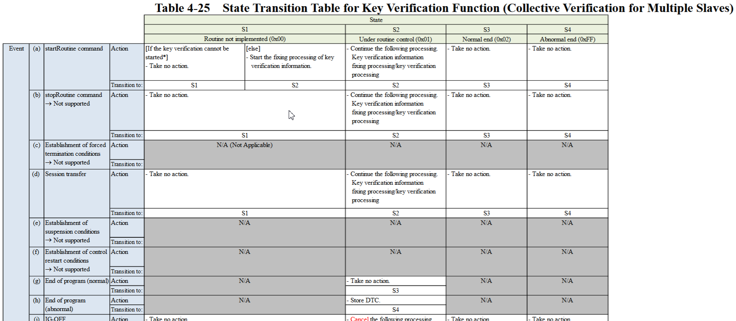

 |  |  |  |  |  |  |  |  |  |  |  |  |  |  |  |  |  |  |  | Verify_Correct | No DTC
 |  |  |  |  |  |  |  |  |  |  |  |  |  |  |  |  |  |  |  | Verify_Wrong | DTC
 |  |  |  |  |  |  |  |  |  |  |  |  |  |  |  |  |  |  |  | NotVeriffy_Corerct | No DTC
 |  |  |  |  |  |  |  |  |  |  |  |  |  |  |  |  |  |  |  | NotVeriffy_Wrong | No DTC

M1M2M3_MACKEY
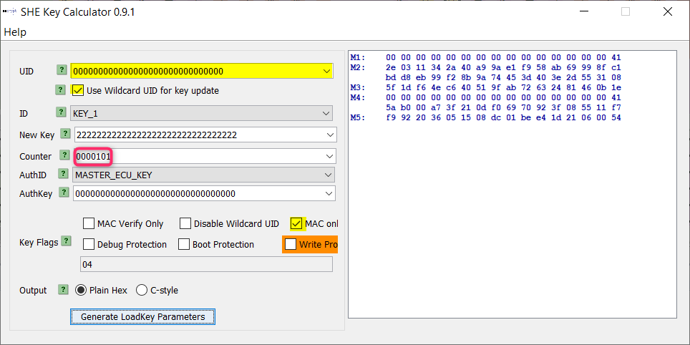
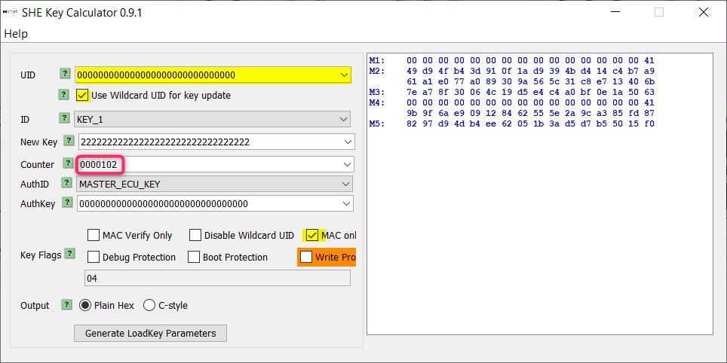
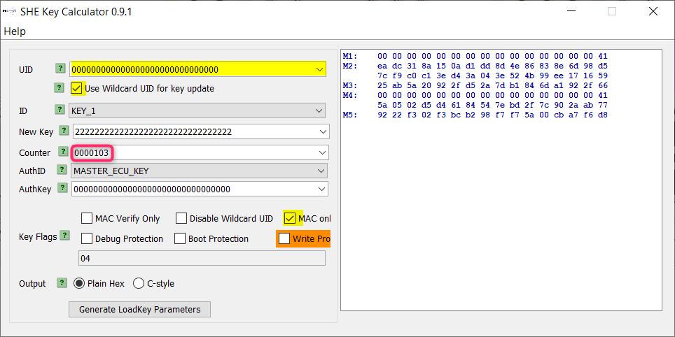
Calculator needs to be set with Hexadecimal !!

 |  |  | Safe Key
 |  |  | 128 bit

MAC Key | Req | "Counter" | MAC key (New) | MAC Key (Default) | Safe Key | M1M2M3 | M4M5
 |  |  | Hexadecimal (32 digits) | Hexadecimal (32 digits)
Correct | Req1 | 100 | 0x22 22 22 22 22 22 22 22 22 22 22 22 22 22 22 22 | (0xFF FF FF FF FF FF FF FF FF FF FF FF FF FF FF FF) | 0x00 00 00 00 00 00 00 00 00 00 00 00 00 00 00 00 | 00 00 00 00 00 00 00 00 00 00 00 00 00 00 00 41 d1 4b fe 7e 59 1e ad e3 ac f4 46 d3 a4 96 d1 f6 27 d3 dd e0 71 6c 9e 85 41 d0 1b 89 7d 69 7a 92 81 7f d3 21 e3 d1 f6 13 74 c1 7d d6 43 6e bd db
 | Req2 | 101 |  |  |  | 00 00 00 00 00 00 00 00 00 00 00 00 00 00 00 41 2e 03 11 34 2a 40 a9 9a e1 f9 58 ab 69 99 8f c1 bd d8 eb 99 f2 8b 9a 74 45 3d 40 3e 2d 55 31 08 5f 1d f6 4e c6 40 51 9f ab 72 63 24 81 46 0b 1e
 | Req4 | 102 |  |  |  | 00 00 00 00 00 00 00 00 00 00 00 00 00 00 00 41 49 d9 4f b4 3d 91 0f 1a d9 39 4b d4 14 c4 b7 a9 61 a1 e0 77 a0 89 30 9a 56 5c 31 c8 e7 13 40 6b 7e a7 8f 30 06 4c 19 d5 e4 c4 a0 bf 0e 1a 50 63
 | Req5 | 103 |  |  |  | 00 00 00 00 00 00 00 00 00 00 00 00 00 00 00 41 ea dc 31 8a 15 0a d1 dd 8d 4e 86 83 8e 6d 98 d5 7c f9 c0 c1 3e d4 3a 04 3e 52 4b 99 ee 17 16 59 25 ab 5a 20 92 2f d5 2a 7d b1 84 6d a1 92 2f 66
Wrong |  |  | 0x22 22 22 22 22 22 22 22 22 22 22 22 22 22 22 22 | NA | 0x00 00 00 00 00 00 00 00 00 00 00 00 00 00 00 00 | 00 00 00 00 00 00 00 ff 00 00 00 00 00 00 00 ff 00 00 00 00 00 00 00 ff 00 00 00 00 00 00 00 ff 00 00 00 00 00 00 00 ff 00 00 00 00 00 00 00 ff 00 00 00 00 00 00 00 ff 00 00 00 00 00 00 00 ff

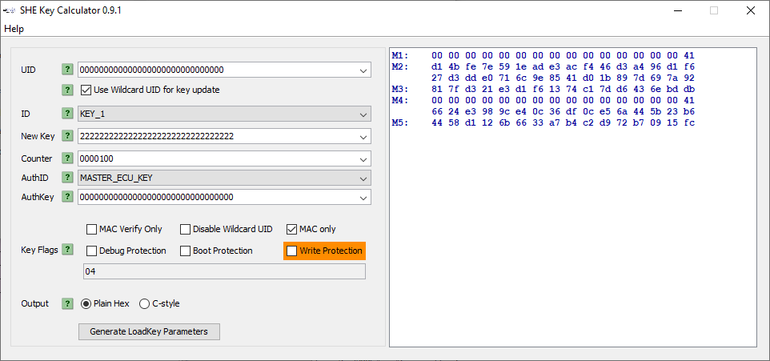

 |  | ExistInList

 |  | Key_1 = MAC key
 |  | New MAC Key

 |  | Safe Key

M1M2M3_DummyKey_OLD
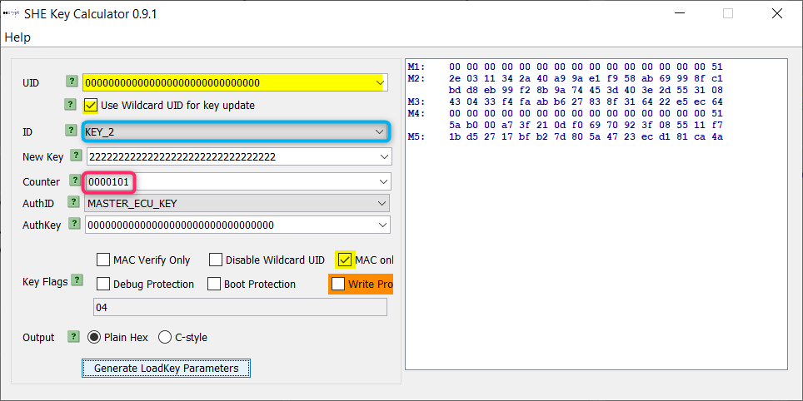
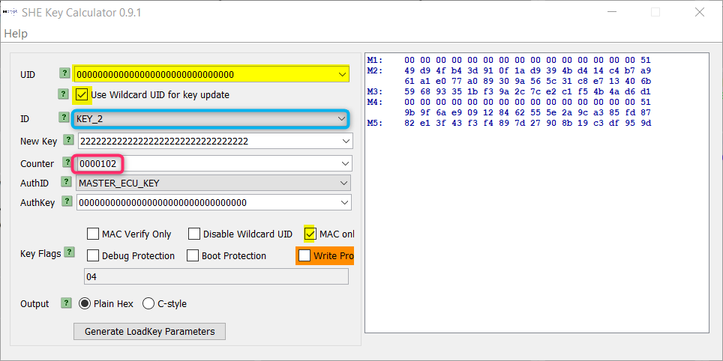
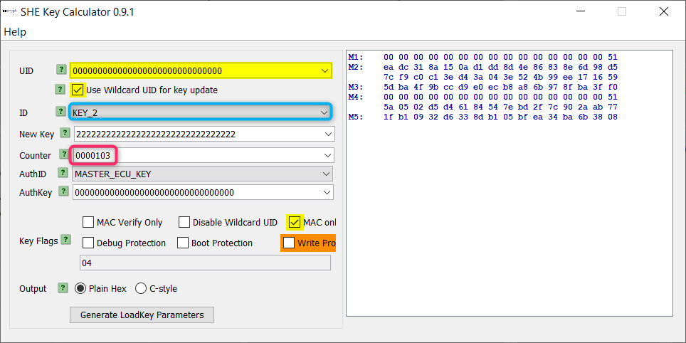
Calculator needs to be set with Hexadecimal !!

 |  |  | Safe Key
 |  |  | 128 bit

MAC Key | Req | "Counter" | Dummy key (New) | Dummy Key (Default) | Safe Key | M1M2M3
 |  |  | Hexadecimal (32 digits) | Hexadecimal (32 digits) |  |  | Not used because they don't exist in Testona and don't need to be executed.
Correct | Req1 | 100 | 0x22 22 22 22 22 22 22 22 22 22 22 22 22 22 22 22 | - | 0x00 00 00 00 00 00 00 00 00 00 00 00 00 00 00 00 | 00 00 00 00 00 00 00 00 00 00 00 00 00 00 00 51 d1 4b fe 7e 59 1e ad e3 ac f4 46 d3 a4 96 d1 f6 27 d3 dd e0 71 6c 9e 85 41 d0 1b 89 7d 69 7a 92 94 17 cc b3 e8 9a 82 9d b0 7e f3 24 6a 5f 7c d5
 | Req2 | 101 |  |  |  | 00 00 00 00 00 00 00 00 00 00 00 00 00 00 00 51 2e 03 11 34 2a 40 a9 9a e1 f9 58 ab 69 99 8f c1 bd d8 eb 99 f2 8b 9a 74 45 3d 40 3e 2d 55 31 08 43 04 33 f4 fa ab b6 27 83 8f 31 64 22 e5 ec 64
 | Req4 | 102 |  |  |  | 00 00 00 00 00 00 00 00 00 00 00 00 00 00 00 51 49 d9 4f b4 3d 91 0f 1a d9 39 4b d4 14 c4 b7 a9 61 a1 e0 77 a0 89 30 9a 56 5c 31 c8 e7 13 40 6b 59 68 93 35 1b f3 9a 2c 7c e2 c1 f5 4b 4a d6 d1
 | Req5 | 103 |  |  |  | 00 00 00 00 00 00 00 00 00 00 00 00 00 00 00 51 ea dc 31 8a 15 0a d1 dd 8d 4e 86 83 8e 6d 98 d5 7c f9 c0 c1 3e d4 3a 04 3e 52 4b 99 ee 17 16 59 5d ba 4f 9b cc d9 e0 ec b8 a8 6b 97 8f ba 3f f0



 |  | Dummy Key

 |  | Safe Key

M1M2M3_DummyKey_NEW
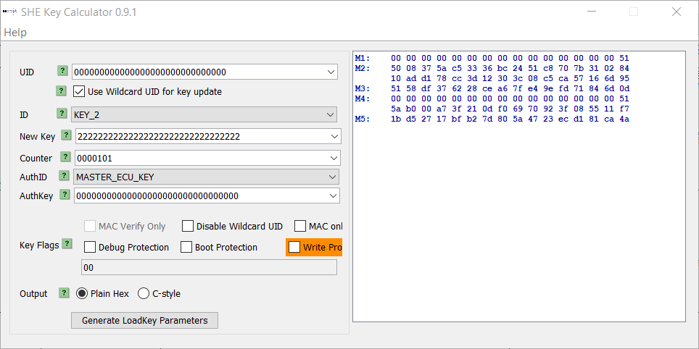
Changed
Calculator needs to be set with Hexadecimal !!

 |  |  | Safe Key
 |  |  | 128 bit

MAC Key | Req | "Counter" | Dummy key (New) | Dummy Key (Default) | Safe Key | M1M2M3
 |  |  | Hexadecimal (32 digits) | Hexadecimal (32 digits) |  |  | Not used because they don't exist in Testona and don't need to be executed.
Correct | Req1 | 100 | 0x22 22 22 22 22 22 22 22 22 22 22 22 22 22 22 22 | - | 0x00 00 00 00 00 00 00 00 00 00 00 00 00 00 00 00
 | Req2 | 101 |  |  |  | 00 00 00 00 00 00 00 00 00 00 00 00 00 00 00 51 50 08 37 5a c5 33 36 bc 24 51 c8 70 7b 31 02 84 10 ad d1 78 cc 3d 12 30 3c 08 c5 ca 57 16 6d 95 51 58 df 37 62 28 ce a6 7f e4 9e fd 71 84 6d 0d
 | Req4 | 102
 | Req5 | 103

 |  | Dummy Key

 |  | Safe Key

