FltRecording&ReportingOverview
Software Test Design Specification (SWTDS) - Overview

The Fault manager feature to memorized DTC and vehicle condition information to support customer reading vehicle information after system failure occured.
Project information |  |  | Feature for customer (Motivation, Scope, Purpose) |  |  |  |  |  | Document information
Product / Project | Mazda_J72IPM6 |  |  |  |  |  |  |  | Document Nr. | [DEM] Fault Management
Test item | [DEM] Fault Management |  |  |  |  |  |  |  | Author | Luu Duc Trong Nhan (RBVH/ESS2)
Review history |  |  |  |  |  |  |  |  | Time frame | 2019-05-14
Date on review | Review team |  |  |  |  |  |  |  | Test basis
May 2019 | Kasahara Yoichi |  |  |  |  |  |  |  | Name |  | Baseline/Revision
 |  |  |  |  |  |  |  |  | CRS555_Detailed_Specifications_of_SAS_Unit__J72IPM6 |  | 13.0
 |  |  |  |  |  |  |  |  | SRS04_DEM_DeltaDiagnosticEventManager_J72IPM6 |  | 3.5
 |  |  |  |  |  |  |  |  | SYRS313_SSDS_SnapShot__CustLib |  | 11.0
 |  |  |  |  |  |  |  |  | CRS553_Engineering Specification for AIR BAG Sensor |  | 14.0
Visualization of the test design (overview)
1st step : Structure of this test item (Input, Function, Output) |  |  |  | 2nd step : Which information is exchanged? |  | 3rd step : When/where is this information exchanged? (Timing, Dynamic behaviour)
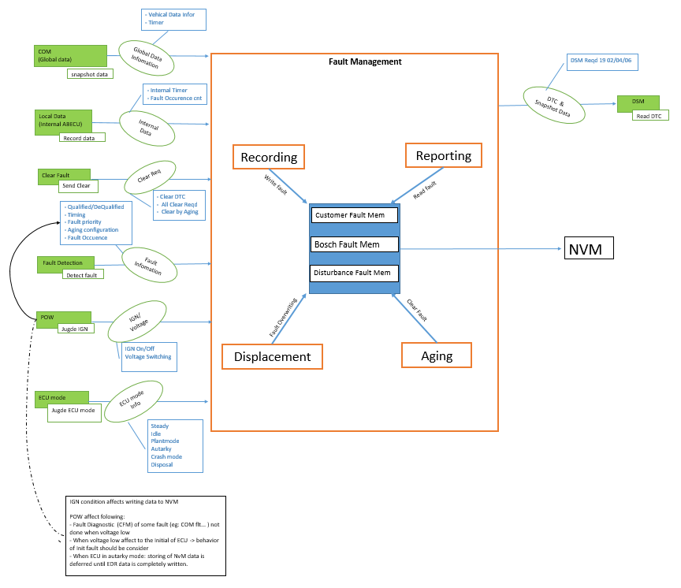

- Resistance value of each squib and connector.
- sensor fault code
- Request signal value and received status value about W/L, PADI

Hint to find test conditions in airbag system -> Please find details in the "Feature library". |  |  |  |  |  |  | Change history
Feature |  | Awareness keywords |  | Feature | Awarness keywords
ECU mode |  | Idle, Disposal, Autarky, Plant mode, transition |  | Inputs | Switch, Central/Peripheral sensor |  | 1 | Add Aging and Displacement func
Power supply condition |  | High, Low, Normal, Fractuation |  | Outputs | Hardwired/CAN Crash output |  | 2 | Add more information exchanged in Local data
Fault recorder |  | Step-up/down, Next power-on cycle |  | Communication (CAN/LIN) | Diagnositc communication, Periodical signals
Indicator lamp |  | Airbag warning lamp, PADI ON/OFF lamp |  | Bosch/Customer plant | Plant mode operation, Customer plant features
Crash detection, Deployment |  | Disabling/Enabling algorithms, SCON |  | System configuration | Driver position (D/P or L/R), variant configuration
Crash recorder (EDR) |  | Trigger, Recording data/time/completion

FltRecording&ReportingDenpenden
Software Test Design Specification (SWTDS) - Finding Dependency

1st step : Structure of this test item with external (controllable/measurable) inputs/outputs |  |  |  |  | Behaviour analysis (to find out scenarios)
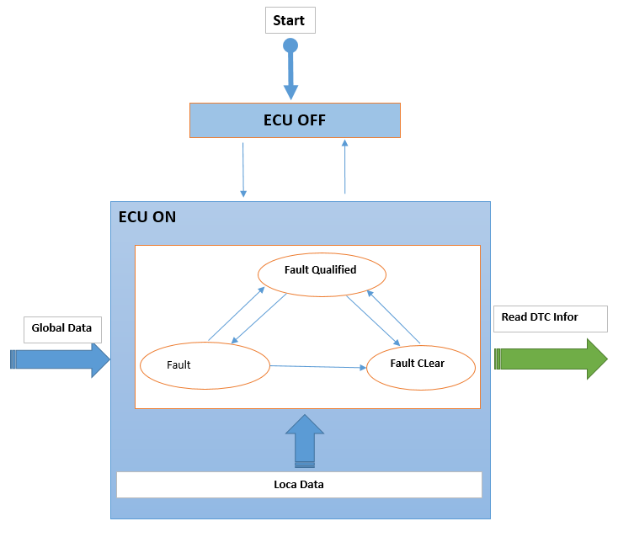
Step 3: Think behaviours of this structure.
Mentioned in SWTDS overview sheet

Step 2: Think functions of this structure.
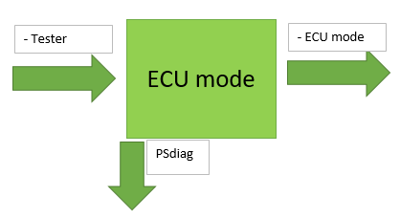
 |  |  |  |  | Normal 0: To verify snapshot datas when fault quali/dequali/Cleared |  | Normal 1: To verify snapshot datas when ECU enter Idle Mod |  |  |  | Normal 2:To check Snapshot data when Multi Fault with same DTC | Normal 3:To check Snapshot data when ECU reset Multi time | Normal 4: To verify snapshot datas when data change during quali/dequali time |  | Normal 4: To verify snapshot datas Fault Qualified Autarky time | AbNormal 1: send ClearREQ with Non-erasble Flt present |  | AbNormal 2: To verify snapshot datas stored when Invalid data/Msg time out |  | AbNormal 3: To Check Distub Fault |  |  | AbNormal 4: Additional fault created when Max Nbr fault resent in CFM |  | Normal : Check Record data after Fault clear by Aging
Functions (Test conditions) | Input (=>) | ECU mode | Aspects of this function
 |  |  | 1. ECU mode
 |  |  |  | Steady
 |  |  |  | Idle
 |  |  |  | Autarky
 |  |  |  | Crash mode: | Steady state |  | Steady state |  |  | Idle | Steady state | Steady state | Steady state |  | Consider Fault Qualified in Crash Mode/Normal Mode | Steady state |  | Steady state |  | Steady state |  |  | Steady state |  | Steady state
 |  |  |  | Disposal: not yet implemented
 |  |  |  | Plant mode: consider below
 |  |  |  |  |  |  |  |  |  |  |  |  |  |  |  |  |  |  |  |  |  |  |  |  |  |  |  | `

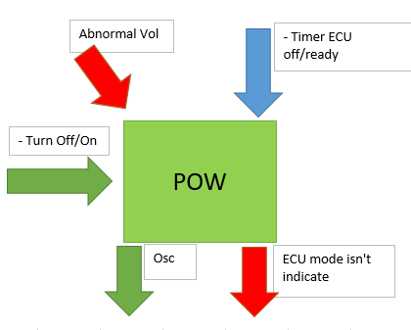
 | Input (=>) | POW Power supply condition | Aspects of this function
 |  |  | 1. Voltage range
 |  |  |  | Low: 7V |  |  |  |  |  |  |  |  |  |  |  |  |  |  |  |  |  |  |  |  |  | Triger Reset ECU multiTime utill more than Aging counter max of fault reached
Reset 1st
 |  |  |  | Hight: 17V
Reset 2nd
Reset n time
 |  |  |  | Nomal: 12V |  | Reset |  |  | Reset |  |  |  |  |  |  |  | Reset |  | Reset
 |  |  | 2. Timer to ECU ready/off
 |  |  |  | Timer to ECU ready: >4s
 |  |  |  | Timer to ECU Off: >4s

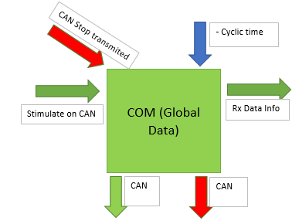
 | Input (=>) | Global Data | Aspects of this function
 |  |  | 1. Output: Rx Data Info |  |  |  |  |  |  |  |  |  |  | `
 |  |  |  | Valid value (min/max)
 |  |  |  | Invalid value
Data 1
Data 2
Data 3
Data 4
Data 1
Data 3
Data 4
Data 3
Data 2
Msg No-recieved
Data 1
Data 2
Data 3
Data 1
Data 2
Data 2
Data 1
Data 2
Data 3
Data 1
Data 1
Data 1
Data 2
Data 3
Data 1
Invalid Data
Data 3
Data 1
Data 1
Data 1
Data 1
Data 1
Msg Stop transmit
 |  |  | 2. Condition to Stop transmit
 |  |  |  | Bus-off
 |  |  |  | Time Out
 |  |  |  | Voltage low

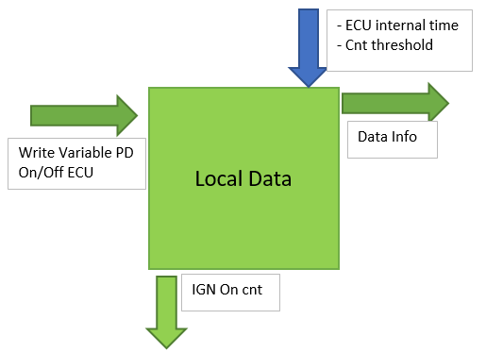
 | Input (=>) | Local Data | Aspects of this function
 |  |  | 1. Output
 |  |  |  | Note: Can not stimulate Internal Timer
Timer reset - Increase
 |  |  |  | Fault Occurrence time
- increase
- increase
 |  |  | 2. Power On counter
Timer Increase
Timer restart
- increase
Timer Increase
Timer restart
- increase
timer increase
Timer Increase
Timer reset - Increase
Timer reset - Increase
- increase
- increase
- increase
Timer Increase
Timer restart
- increase
- increase
- increase
- increase
 |  |  | 3. ECU reset
 |  |  |  | Soft reset
 |  |  |  | Hard reset

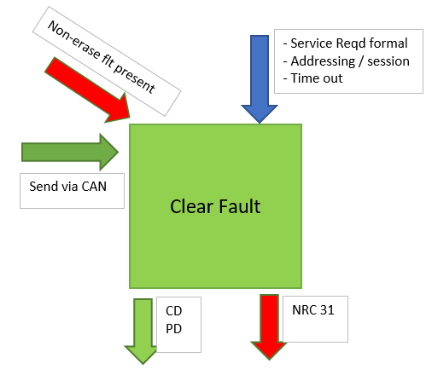
 | Input (=>) | Clear Fault | Aspects of this function
 |  |  | 1. Non-erased Internal fault

Clear
Clear
Clear
Clear
Clear
Clear
 |  |  | 2. Clear Reqd
 |  |  |  | All clear
 |  |  |  | CD reqd
Clear
 |  |  |  | Clear by Aging

 |  |  |  |  |  |  |  |  |  |  |  |  |  |  |  |  |  |  |  |  |  | qualified threshold
Qualified
Qualified
Dequalified
Qualified
Qualified
Qualified
NRC
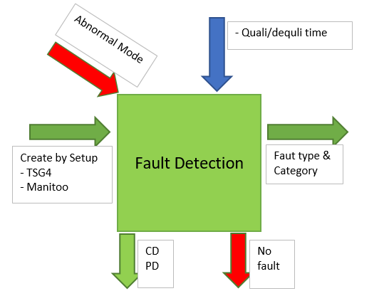
Flt 1
Flt 1
 | Input (=>) | Fault Detection | Aspects of this function |  |  |  |  | Critical Fault |  |  |  |  |  |  |  |  |  |  |  |  | Remove faul condiion
 |  |  | 1. Fault create |  |  |  |  |  |  |  |  |  |  |  |  | Non-Eraserble Flt
 |  |  | 2. Abnormal Mode
Qualified
 |  |  |  | Plant Mode |  |  |  |  |  |  |  |  |  |  |  |  |  |  |  |  |  |  | 20 fault present | Create (20+1) fault | Qualified/Dequalifed Fault |  | Fault clear |  | Fault re.qulified
Dequalified
 |  |  |  | Fault Nbr max in FM
Flt 2
 |  |  | 3. Fault Category
De Qualified
 |  |  |  | Internal: ereaser and Non-ereaser
 |  |  |  | External fault
De Qualified
Dequalified
 |  |  |  | Cyclic fault
 |  |  |  | Init Fault
 |  |  | Under plant mode, faults in the ACU are storage inhibited hence no snapshot data is recorded.

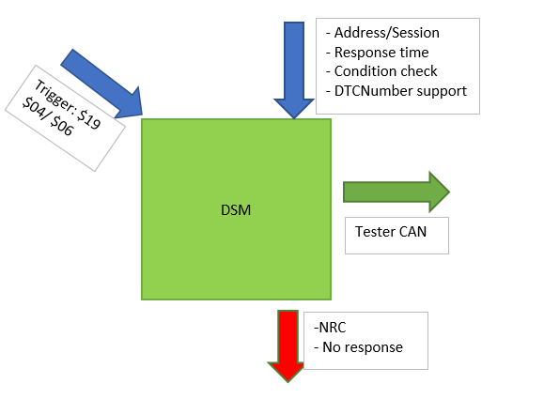
 | (=>) Output | DSM | Aspects of this function
 |  |  | 1. DSM service
 |  |  |  | 19 04 XX XX XX
 |  |  |  | 19 06 XX XX XX

0
1
4
1
1
 |  |  | NOTE: No need conside NRC/No-Response case, this covered by DSM testing
2
3
4
1
2
1
2
3
4
1
2
3
4
1
2
3
1
2
3
2
3
4
2
3
4
5
1
Fault(20 +1)DTC
 |  |  |  |  | Observe point |  |  |  |  |  | Observe point | Observe point | Observe point |  | Observe point | Observe point |  | Observe point |  | Observe point |  |  | Observe point |  | Observe point
 |  |  |  |  | Repeat this scenarios with abnormal votage |  |  |  |  |  |  | Observe DTC/Fault occurrence time info when fault qualified/dequalified after Reset Observe The Snapshot data when Fault quli/dequali multi time |  |  |  | NOTE: Combine this Scenarios with <Normal1> in one test definition in TS |  |  |  | #Note: Distub FM record but CFM no record
 |  |  |  |  | Repeat this scenarios with Crash mode(create Crash fault)

SnapshotData
 |  |  | DEFINITION

1. Document refer
Nbr | Doc. Name |  | Rev | Link |  |  |  |  |  |  |  | Remark
1 | SRS04_DEM_MazdaDiagnosticEventManager |  | 3.3 | https://si-airbag-doors-dwa.de.bosch.com:8443/dwa/rm/urn:rational::1-0000000000000000-O-789-00288aca?doors.view=0000000c
2 | TS_DEM_DiagnosticEventManager |  | 5 | https://si-airbag-doors-dwa.de.bosch.com:8443/dwa/rm/urn:rational::1-0000000000000000-O-52-00288b16?doors.view=00000001 |  |  |  |  |  |  |  | CoC's TS
3 | TS_DEM_DiagnosticEventManager (CA) |  | 4.3 | https://si-airbag-doors-dwa.de.bosch.com:8443/dwa/rm/urn:rational::1-0000000000000000-O-52-0004baae?doors.view=00000001 |  |  |  |  |  |  |  | CA's TS
2. Snapshot Data
Data |  |  | Length (byte) | DID | Type | CAN ID | CAN signal | Remark
1) Global Real Time |  |  | 4 | DD00 | 1 | 0x40A | GlobalRealTime
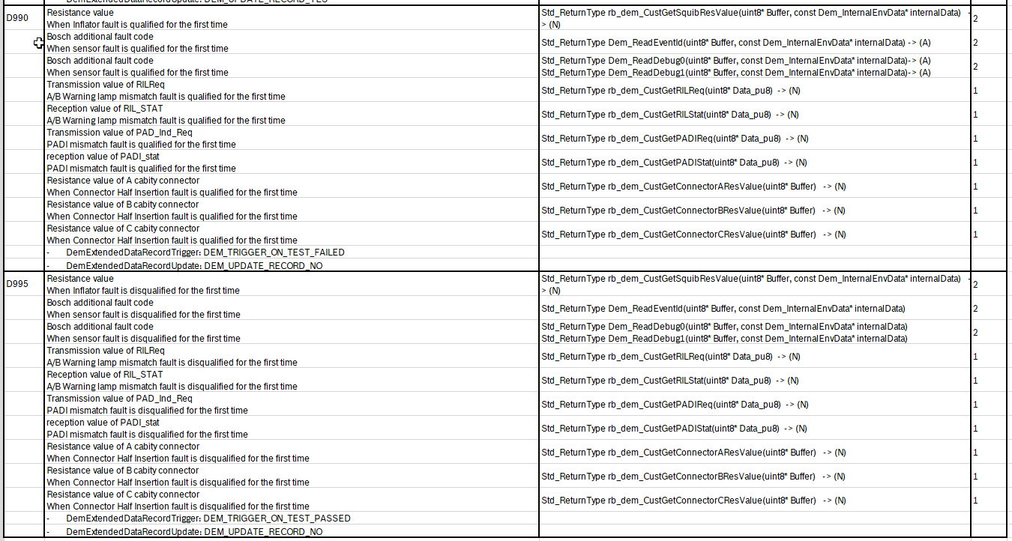
2) Total Distance |  |  | 3 | DD01 | 1 |  | Total_Distance
3) Main ECU Voltage Supply |  |  | 1 | DD02 | 1 |  | MECU_supply_voltage
4) Outside temperature |  |  | 1 | DD05 | 1 |  | Out_car_temperature
5) Power Mode |  |  | 1 | DD06 | 1 |  | PwMdeExtern_D_Actl
6) RunningStatusDiag |  |  | 2 | DCE0 | 1 |  | RunningStatus_Diag
7) IG_OnTimer |  |  | 2 | DCE1 | 1 |  | IG_OnTimer
8) SOC(StateOfCharge) |  |  | 1 | DCE2 | 1 |  | State_Of_Charge
9) ECU Power Supply Voltage |  |  | 1 | D111 | 1 | -- |  | API rb_pomm_GetVbatVoltageALL()
10) LastTimeFaultDetect |  |  | 4 | D960 | 2 | 0x40A | Global_Real_Time | Update on last time qualification
11) LastTimeFaultClear |  |  | 4 | D961 | 3 |  | Global_Real_Time | Update on last time dequalification
12) FaultOccurrenceTimes |  |  | 1 | D962 | 2
13) FirstTimeFaultDetect |  |  | 2 | D963 | 1 | 0x40A | IG_OnTimer
14) LastTimeFaultDectect (in Key On Cycle) |  |  | 2 | D964 | 2 |  | IG_OnTimer
15) LastTimeFaultClear (in Key On Cycle) |  |  | 2 | D965 | 3 |  | IG_OnTimer
16) FirstTimeFaultDetect(Internal) |  |  | 4 | D9C7 | 1 | -- |  | API rb_tim_OptGetEcuOpTime()
17) LastTimeFaultDetect(Internal) |  |  | 4 | D9C8 | 2 | -- |  | API rb_tim_OptGetEcuOpTime()
18) LastTimeFaultClear(Internal) |  |  | 4 | D9C9 | 3 | -- |  | API rb_tim_OptGetEcuOpTime()
20) Extra data at first time fault detected |  |  | 13 | D990 | 1 | -- |  | For each type of fault, only one specific data will be logged. Check table.
21) Extra data at first time fault cleared |  |  | 13 | D995 | 4 | -- |  | For each type of fault, only one specific data will be logged. Check table.

3. Extended Data
Data |  |  | Length (byte) | RecNbr | CAN ID | CAN signal | Remark
Aging Counter |  |  | 1 | 0x02
Fault Detection Counter |  |  | 1 | 0x10

 |  |  | Snapshot Data

1. To verify snapshot datas when fault quali/dequali/Cleared
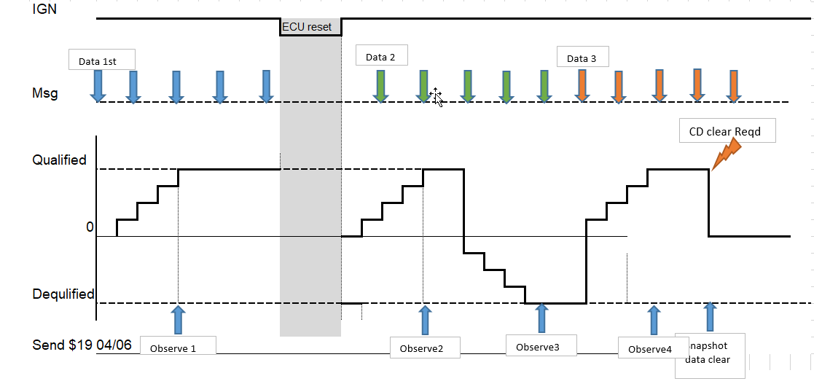

a. Freeze Frame Data/Snapshot data when fault qualified/dequalified

SRS ID | Precondition |  |  | INPUT1 |  |  | OUTPUT1 |  |  | INPUT2 | OUTPUT2 |  |  | INPUT3 |  | OUTPUT3 |  | INPUT4 | OUTPUT4 |  | INPUT5 | OUTPUT5 |  | INPUT6 | OUTPUT6 |  | INPUT7 | OUTPUT7 |  |  | TS ID | Remark
 | System | ECU mode | Voltage | Event condition | Value (Phys) | Create fault | Fault status | Read snapshot data (hex value) |  | Remove fault condition | Fault status | Read snapshot data |  | Event condition | Value1 | Read snapshot data |  | Create fault | Read snapshot data |  | Remove fault | Read snapshot data |  | Reset ECU | Read snapshot data |  | Create Fault 1 | Read Fault1 | Read snapshot data
735 734 736 737 738 739 740 741 688 749 692 703 750 707 751 748 789 800 809 1179 1276 1277 1278 1279 1280 1273 1275 1282 1281 1283 1284 | No fault in System | Normal mode | 13V | Change value of 'GlobalRealTime' signal | 10 | rb_sqm_HighsidePowerstageAB1FD_flt | 0bxxxx1x11 | DD00 | 00000064 | rb_sqm_HighsidePowerstageAB1FD_flt | 0bxxxx1x10 | DD00 | 00000064 | Change value of 'GlobalRealTime' signal | 15 | DD00 | 00000064 | rb_sqm_HighsidePowerstageAB1FD_flt | DD00 | 00000064 | rb_sqm_HighsidePowerstageAB1FD_flt | DD00 | 00000064 | Reset ECU | DD00 | 00000064 | rb_sqm_HighsidePowerstageAB2FD_flt | 0bxxxx1x11 | DD00 | 00000064 | 1460 | Create base on CA TS Fault's DTC and Fault1's DTC must be the same For mapping test design in Picture and Matrix: Data 1 – INPUT 1 (First time fault qualified) Data 2 – INPUT 3 (Second time fault qualified) Data 3 – INPUT 5 (Second time fault disqualified) Reset- INPUT6
 |  |  |  | Change value of 'Total_Distance' signal | 50 |  |  | DD01 | 000032 |  |  | DD01 | 000032 | Change value of 'Total_Distance' signal | 55 | DD01 | 000032 |  | DD01 | 000032 |  | DD01 | 000032 |  | DD01 | 000032 |  |  | DD01 | 000032 | 1461
 |  |  |  | Change value of 'MECU_supply_voltage' signal | 10 |  |  | DD02 | 28 |  |  | DD02 | 28 | Change value of 'MECU_supply_voltage' signal | 15 | DD02 | 28 |  | DD02 | 28 |  | DD02 | 28 |  | DD02 | 28 |  |  | DD02 | 28 | 2334
 |  |  |  | Change value of 'Out_car_temperature' signal | 35 |  |  | DD05 | 4B |  |  | DD05 | 4B | Change value of 'Out_car_temperature' signal | 40 | DD05 | 4B |  | DD05 | 4B |  | DD05 | 4B |  | DD05 | 4B |  |  | DD05 | 4B | 2335
 |  |  |  | Change value of 'PwMdeExtern_D_Actl' signal | 1 |  |  | DD06 | 01 |  |  | DD06 | '01 | Change value of 'PwMdeExtern_D_Actl' signal | 6 | DD06 | '01 |  | DD06 | '01 |  | DD06 | '01 |  | DD06 | '01 |  |  | DD06 | '01 | 2336
 |  |  |  | Change value of 'RunningStatus_Diag' signal | 10 |  |  | DCE0 | 000A |  |  | DCE0 | 000A | Change value of 'RunningStatus_Diag' signal | 15 | DCE0 | 000A |  | DCE0 | 000A |  | DCE0 | 000A |  | DCE0 | 000A |  |  | DCE0 | 000A | 2337
 |  |  |  | Change value of 'IG_OnTimer' signal | 60 |  |  | DCE1 | 0E10 |  |  | DCE1 | 0E10 | Change value of 'IG_OnTimer' signal | 65 | DCE1 | 0E10 |  | DCE1 | 0E10 |  | DCE1 | 0E10 |  | DCE1 | 0E10 |  |  | DCE1 | 0E10 | 2338
 |  |  |  | Change value of 'State_Of_Charge' signal | 15 |  |  | DCE2 | 1E |  |  | DCE2 | 1E | Change value of 'State_Of_Charge' signal | 20 | DCE2 | 1E |  | DCE2 | 1E |  | DCE2 | 1E |  | DCE2 | 1E |  |  | DCE2 | 1E | 2339
 |  |  |  | Change Voltage | 8V |  |  | D111 | 50 |  |  | D111 | 50 | Change Voltage | 13V | D111 | 50 |  | D111 | 50 |  | D111 | 50 |  | D111 | 50 |  |  | D111 | 50 | 2340
 |  |  |  | Change value of 'GlobalRealTime' signal | 10 |  |  | D960 | 00000064 |  |  | D960 | 00000064 | Change value of 'GlobalRealTime' signal | 15 | D960 | 00000064 |  | D960 | 00000096 |  | D960 | 00000096 |  | D960 | 00000096 |  |  | D960 | 00000096 | 2356
 |  |  |  | Change value of 'GlobalRealTime' signal | 10 |  |  | D961 | 00000000 (Default value) |  |  | D961 | 00000064 | Change value of 'GlobalRealTime' signal | 15 | D961 | 00000064 |  | D961 | 00000064 |  | D961 | 00000096 |  | D961 | 00000096 |  |  | D961 | 00000096 | 2357
 |  |  |  | -- | -- |  |  | D962 | 01 |  |  | D962 | 01 | -- | -- | D962 | 01 |  | D962 | 02 |  | D962 | 02 |  | D962 | 02 |  |  | D962 | 02 | 2358
 |  |  |  | Change value of 'IG_OnTimer' signal | 60 |  |  | D963 | 0E10 |  |  | D963 | 0E10 | Change value of 'IG_OnTimer' signal | 65 | D963 | 0E10 |  | D963 | 0E10 |  | D963 | 0E10 |  | D963 | 0E10 |  |  | D963 | 0E10 | 2359
 |  |  |  | Change value of 'IG_OnTimer' signal | 60 |  |  | D964 | 0E10 |  |  | D964 | 0E10 | Change value of 'IG_OnTimer' signal | 65 | D964 | 0E10 |  | D964 | 0F3C |  | D964 | 0F3C |  | D964 | 0F3C |  |  | D964 | 0F3C | 2360
 |  |  |  | Change value of 'IG_OnTimer' signal | 60 |  |  | D965 | 0000 (Default value ) |  |  | D965 | 0E10 | Change value of 'IG_OnTimer' signal | 65 | D965 | 0E10 |  | D965 | 0E10 |  | D965 | 0F3C |  | D965 | 0F3C |  |  | D965 | 0F3C | 2361
 |  |  |  | -- | -- |  |  | D9C7 | FirstTimeFaultQualify |  |  | D9C7 | FirstTimeFaultQualify | -- | -- | D9C7 | FirstTimeFaultQualify |  | D9C7 | FirstTimeFaultQualify |  | D9C7 | FirstTimeFaultQualify |  | D9C7 | FirstTimeFaultQualify |  |  | D9C7 | FirstTimeFaultQualify | 2362
 |  |  |  | -- | -- |  |  | D9C8 | LastTimeFaultQualify |  |  | D9C8 | LastTimeFaultQualify | -- | -- | D9C8 | LastTimeFaultQualify |  | D9C8 | LastTimeFaultQualify |  | D9C8 | LastTimeFaultQualify |  | D9C8 | LastTimeFaultQualify |  |  | D9C8 | LastTimeFaultQualify | 2363
 |  |  |  | -- | -- |  |  | D9C9 | Default value |  |  | D9C9 | Last Time Fault Disqualify | -- | -- | D9C9 | Last Time Fault Disqualify |  | D9C9 | Last Time Fault Disqualify |  | D9C9 | Last Time Fault Disqualify |  | D9C9 | Last Time Fault Disqualify |  |  | D9C9 | Last Time Fault Disqualify | 2364
 | No fault in System | Normal mode | 13V | Change value of 'GlobalRealTime' signal | 10 | rb_coa_PCMLostCommunication_flt (DTC: $C10000) (Qualification Condition: Stop transmission of 0x202 EngVehicleSpThrottle message for 5000ms continuosly) | 0bxxxx1x11 | DD00 | 00000064 | rb_coa_PCMLostCommunication_flt (Start transmission of 0x202) | 0bxxxx1x10 | DD00 | 00000064 | Change value of 'GlobalRealTime' signal | 15 | DD00 | 00000064 | rb_coa_PCMLostCommunication_flt (DTC: $C10000) (Qualification Condition: Stop transmission of 0x202 EngVehicleSpThrottle message for 5000ms continuosly) | DD00 | 00000064 | rb_coa_PCMLostCommunication_flt (DTC: $C10000) (Qualification Condition: Stop transmission of 0x202 EngVehicleSpThrottle message for 5000ms continuosly) | DD00 | 00000064 | Reset ECU | DD00 | 00000064 | rb_coa_PCMCommunicationQfInvalid_flt (DTC: $C10000) (Qualification Condition : Transmit 0x202 EngVehicleSpThrottle message and set Qf signal (VehVActlEng_D_Qf) value is $0:Faulty for 400ms continuosly.) | 0bxxxx1x11 | DD00 | 00000064 | 2374 | Create base on CA TS Fault's DTC and Fault1's DTC must be the same
 |  |  |  | Change value of 'Total_Distance' signal | 50 |  |  | DD01 | 000032 |  |  | DD01 | 000032 | Change value of 'Total_Distance' signal | 55 | DD01 | 000032 |  | DD01 | 000032 |  | DD01 | 000032 |  | DD01 | 000032 |  |  | DD01 | 000032 | 2375
 |  |  |  | Change value of 'MECU_supply_voltage' signal | 10 |  |  | DD02 | 28 |  |  | DD02 | 28 | Change value of 'MECU_supply_voltage' signal | 15 | DD02 | 28 |  | DD02 | 28 |  | DD02 | 28 |  | DD02 | 28 |  |  | DD02 | 28 | 2376
 |  |  |  | Change value of 'Out_car_temperature' signal | 35 |  |  | DD05 | 4B |  |  | DD05 | 4B | Change value of 'Out_car_temperature' signal | 40 | DD05 | 4B |  | DD05 | 4B |  | DD05 | 4B |  | DD05 | 4B |  |  | DD05 | 4B | 2377
 |  |  |  | Change value of 'PwMdeExtern_D_Actl' signal | 1 |  |  | DD06 | 01 |  |  | DD06 | '01 | Change value of 'PwMdeExtern_D_Actl' signal | 6 | DD06 | '01 |  | DD06 | '01 |  | DD06 | '01 |  | DD06 | '01 |  |  | DD06 | '01 | 2378
 |  |  |  | Change value of 'RunningStatus_Diag' signal | 10 |  |  | DCE0 | 000A |  |  | DCE0 | 000A | Change value of 'RunningStatus_Diag' signal | 15 | DCE0 | 000A |  | DCE0 | 000A |  | DCE0 | 000A |  | DCE0 | 000A |  |  | DCE0 | 000A | 2379
 |  |  |  | Change value of 'IG_OnTimer' signal | 60 |  |  | DCE1 | 0E10 |  |  | DCE1 | 0E10 | Change value of 'IG_OnTimer' signal | 65 | DCE1 | 0E10 |  | DCE1 | 0E10 |  | DCE1 | 0E10 |  | DCE1 | 0E10 |  |  | DCE1 | 0E10 | 2380
 |  |  |  | Change value of 'State_Of_Charge' signal | 15 |  |  | DCE2 | 1E |  |  | DCE2 | 1E | Change value of 'State_Of_Charge' signal | 20 | DCE2 | 1E |  | DCE2 | 1E |  | DCE2 | 1E |  | DCE2 | 1E |  |  | DCE2 | 1E | 2381
 |  |  |  | Change Voltage | 10V |  |  | D111 | 64 |  |  | D111 | 64 | Change Voltage | 13V | D111 | 64 |  | D111 | 64 |  | D111 | 64 |  | D111 | 64 |  |  | D111 | 64 | 2382
 |  |  |  | Change value of 'GlobalRealTime' signal | 10 |  |  | D960 | 00000064 |  |  | D960 | 00000064 | Change value of 'GlobalRealTime' signal | 15 | D960 | 00000064 |  | D960 | 00000096 |  | D960 | 00000096 |  | D960 | 00000096 |  |  | D960 | 00000096 | 2365
 |  |  |  | Change value of 'GlobalRealTime' signal | 10 |  |  | D961 | 00000000 (Default value) |  |  | D961 | 00000064 | Change value of 'GlobalRealTime' signal | 15 | D961 | 00000064 |  | D961 | 00000064 |  | D961 | 00000096 |  | D961 | 00000096 |  |  | D961 | 00000096 | 2366
 |  |  |  | -- | -- |  |  | D962 | 01 |  |  | D962 | 01 | -- | -- | D962 | 01 |  | D962 | 02 |  | D962 | 02 |  | D962 | 02 |  |  | D962 | 02 | 2367
 |  |  |  | Change value of 'IG_OnTimer' signal | 60 |  |  | D963 | 0E10 |  |  | D963 | 0E10 | Change value of 'IG_OnTimer' signal | 65 | D963 | 0E10 |  | D963 | 0E10 |  | D963 | 0E10 |  | D963 | 0E10 |  |  | D963 | 0E10 | 2368
 |  |  |  | Change value of 'IG_OnTimer' signal | 60 |  |  | D964 | 0E10 |  |  | D964 | 0E10 | Change value of 'IG_OnTimer' signal | 65 | D964 | 0E10 |  | D964 | 0F3C |  | D964 | 0F3C |  | D964 | 0F3C |  |  | D964 | 0F3C | 2369
 |  |  |  | Change value of 'IG_OnTimer' signal | 60 |  |  | D965 | 0000 (Default value ) |  |  | D965 | 0E10 | Change value of 'IG_OnTimer' signal | 65 | D965 | 0E10 |  | D965 | 0F3C |  | D965 | 0F3C |  | D965 | 0F3C |  |  | D965 | 0F3C | 2370
 |  |  |  | -- | -- |  |  | D9C7 | FirstTimeFaultQualify |  |  | D9C7 | FirstTimeFaultQualify | -- | -- | D9C7 | FirstTimeFaultQualify |  | D9C7 | FirstTimeFaultQualify |  | D9C7 | FirstTimeFaultQualify |  | D9C7 | FirstTimeFaultQualify |  |  | D9C7 | FirstTimeFaultQualify | 2371
 |  |  |  | -- | -- |  |  | D9C8 | LastTimeFaultQualify |  |  | D9C8 | LastTimeFaultQualify | -- | -- | D9C8 | LastTimeFaultQualify |  | D9C8 | LastTimeFaultQualify |  | D9C8 | LastTimeFaultQualify |  | D9C8 | LastTimeFaultQualify |  |  | D9C8 | LastTimeFaultQualify | 2372
 |  |  |  | -- | -- |  |  | D9C9 | Default value |  |  | D9C9 | Last Time Fault Disqualify | -- | -- | D9C9 | Last Time Fault Disqualify |  | D9C9 | Last Time Fault Disqualify |  | D9C9 | Last Time Fault Disqualify |  | D9C9 | Last Time Fault Disqualify |  |  | D9C9 | Last Time Fault Disqualify | 2373
 | No fault in System | Normal mode | 13V | Change value of 'GlobalRealTime' signal | 10 | rb_csem_InitGroup2SmaMain_flt | 0bxxxx1x11 | DD00 | 00000064 | rb_csem_InitGroup2SmaMain_flt | 0bxxxx1x10 | DD00 | 00000064 | Change value of 'GlobalRealTime' signal | 15 | DD00 | 00000064 | rb_csem_InitGroup2SmaMain_flt | DD00 | 00000064 | rb_csem_InitGroup2SmaMain_flt | DD00 | 00000064 | Reset ECU | DD00 | 00000064 | rb_csem_InitGroup1SmaMain_flt | 0bxxxx1x11 | DD00 | 00000064 | 2383 | Create base on CA TS Fault's DTC and Fault1's DTC must be the same
 |  |  |  | Change value of 'Total_Distance' signal | 50 |  |  | DD01 | 000032 |  |  | DD01 | 000032 | Change value of 'Total_Distance' signal | 55 | DD01 | 000032 |  | DD01 | 000032 |  | DD01 | 000032 |  | DD01 | 000032 |  |  | DD01 | 000032 | 2384
 |  |  |  | Change value of 'MECU_supply_voltage' signal | 10 |  |  | DD02 | 28 |  |  | DD02 | 28 | Change value of 'MECU_supply_voltage' signal | 15 | DD02 | 28 |  | DD02 | 28 |  | DD02 | 28 |  | DD02 | 28 |  |  | DD02 | 28 | 2385
 |  |  |  | Change value of 'Out_car_temperature' signal | 35 |  |  | DD05 | 4B |  |  | DD05 | 4B | Change value of 'Out_car_temperature' signal | 40 | DD05 | 4B |  | DD05 | 4B |  | DD05 | 4B |  | DD05 | 4B |  |  | DD05 | 4B | 2386
 |  |  |  | Change value of 'PwMdeExtern_D_Actl' signal | 1 |  |  | DD06 | 01 |  |  | DD06 | '01 | Change value of 'PwMdeExtern_D_Actl' signal | 6 | DD06 | '01 |  | DD06 | '01 |  | DD06 | '01 |  | DD06 | '01 |  |  | DD06 | '01 | 2387
 |  |  |  | Change value of 'RunningStatus_Diag' signal | 10 |  |  | DCE0 | 000A |  |  | DCE0 | 000A | Change value of 'RunningStatus_Diag' signal | 15 | DCE0 | 000A |  | DCE0 | 000A |  | DCE0 | 000A |  | DCE0 | 000A |  |  | DCE0 | 000A | 2388
 |  |  |  | Change value of 'IG_OnTimer' signal | 60 |  |  | DCE1 | 0E10 |  |  | DCE1 | 0E10 | Change value of 'IG_OnTimer' signal | 65 | DCE1 | 0E10 |  | DCE1 | 0E10 |  | DCE1 | 0E10 |  | DCE1 | 0E10 |  |  | DCE1 | 0E10 | 2389
 |  |  |  | Change value of 'State_Of_Charge' signal | 15 |  |  | DCE2 | 1E |  |  | DCE2 | 1E | Change value of 'State_Of_Charge' signal | 20 | DCE2 | 1E |  | DCE2 | 1E |  | DCE2 | 1E |  | DCE2 | 1E |  |  | DCE2 | 1E | 2390
 |  |  |  | Change Voltage | 8V |  |  | D111 | 50 |  |  | D111 | 50 | Change Voltage | 13V | D111 | 50 |  | D111 | 50 |  | D111 | 50 |  | D111 | 50 |  |  | D111 | 50 | 2391
 |  |  |  | Change value of 'GlobalRealTime' signal | 10 |  |  | D960 | 00000064 |  |  | D960 | 00000064 | Change value of 'GlobalRealTime' signal | 15 | D960 | 00000064 |  | D960 | 00000096 |  | D960 | 00000096 |  | D960 | 00000096 |  |  | D960 | 00000096 | 2392
 |  |  |  | Change value of 'GlobalRealTime' signal | 10 |  |  | D961 | 00000000 (Default value) |  |  | D961 | 00000064 | Change value of 'GlobalRealTime' signal | 15 | D961 | 00000064 |  | D961 | 00000064 |  | D961 | 00000064 |  | D961 | 00000064 |  |  | D961 | 00000064 | 2393
 |  |  |  | -- | -- |  |  | D962 | 01 |  |  | D962 | 01 | -- | -- | D962 | 01 |  | D962 | 02 |  | D962 | 02 |  | D962 | 02 |  |  | D962 | 02 | 2394
 |  |  |  | Change value of 'IG_OnTimer' signal | 60 |  |  | D963 | 0E10 |  |  | D963 | 0E10 | Change value of 'IG_OnTimer' signal | 65 | D963 | 0E10 |  | D963 | 0E10 |  | D963 | 0E10 |  | D963 | 0E10 |  |  | D963 | 0E10 | 2395
 |  |  |  | Change value of 'IG_OnTimer' signal | 60 |  |  | D964 | 0E10 |  |  | D964 | 0F3C | Change value of 'IG_OnTimer' signal | 65 | D964 | 0F3C |  | D964 | 0F3C |  | D964 | 0F3C |  | D964 | 0F3C |  |  | D964 | 0F3C | 2396
 |  |  |  | Change value of 'IG_OnTimer' signal | 60 |  |  | D965 | 0000 (Default value ) |  |  | D965 | 0E10 | Change value of 'IG_OnTimer' signal | 65 | D965 | 0E10 |  | D965 | 0E10 |  | D965 | 0E10 |  | D965 | 0E10 |  |  | D965 | 0E10 | 2397
 |  |  |  | -- | -- |  |  | D9C7 | FirstTimeFaultQualify |  |  | D9C7 | FirstTimeFaultQualify | -- | -- | D9C7 | FirstTimeFaultQualify |  | D9C7 | FirstTimeFaultQualify |  | D9C7 | FirstTimeFaultQualify |  | D9C7 | FirstTimeFaultQualify |  |  | D9C7 | FirstTimeFaultQualify | 2398
 |  |  |  | -- | -- |  |  | D9C8 | LastTimeFaultQualify |  |  | D9C8 | LastTimeFaultQualify | -- | -- | D9C8 | LastTimeFaultQualify |  | D9C8 | LastTimeFaultQualify |  | D9C8 | LastTimeFaultQualify |  | D9C8 | LastTimeFaultQualify |  |  | D9C8 | LastTimeFaultQualify | 2399
 |  |  |  | -- | -- |  |  | D9C9 | Default value |  |  | D9C9 | Last Time Fault Disqualify | -- | -- | D9C9 | Last Time Fault Disqualify |  | D9C9 | Last Time Fault Disqualify |  | D9C9 | Last Time Fault Disqualify |  | D9C9 | Last Time Fault Disqualify |  |  | D9C9 | Last Time Fault Disqualify | 2400
1179 1188 1191 1194 1197 1200 1207 1203 1210 1213 1226 1229 1232 1235 1238 1241 1244 1247 1250 1253 | No fault in System | Normal mode | 13V | -- | -- | Squib fault | 0bxxxx1x11 | D990 | (Byte 1-2) = resistance value S1 | Squib fault | 0bxxxx1x10 | D990 | The same in output 1 | -- | -- | D990 | The same in output 1 | Squib fault | D990 | The same in output 1 | Squib fault | D990 | The same in output 1 | Reset ECU | D990 | The same in output 1 | NA | NA | NA | NA | 2461 | During testing, specific fault name not change. INPUT7 and OUTPUT7 not applicable for D990 and D995
 |  |  |  | -- | -- |  |  | D995 | (Byte 1-2) == 0 |  |  | D995 | (Byte 1-2) = resistance value S2 | -- | -- | D995 | The same in output 2 |  | D995 | The same in output 2 |  | D995 | The same in output 2 |  | D995 | The same in output 2 |  |  | NA | NA | 2468
 |  |  |  | -- | -- | Sensor fault |  | D990 | (Byte 3-4) = bosch fault code '(Byte 5-6) = bosch additional fault code | Sensor fault |  | D990 | The same in output 1 | -- | -- | D990 | The same in output 1 | Sensor fault | D990 | The same in output 1 | Sensor fault | D990 | The same in output 1 |  | D990 | The same in output 1 |  |  | NA | NA | 2462 2489
 |  |  |  | -- | -- |  |  | D995 | (Byte 3-4) == 0 '(Byte 5-6) == 0 |  |  | D995 | (Byte 3-4) = bosch fault code '(Byte 5-6) = bosch additional fault code | -- | -- | D995 | The same in output 2 |  | D995 | The same in output 2 |  | D995 | The same in output 2 |  | D995 | The same in output 2 |  |  | NA | NA | 2469 2490
 |  |  |  | -- | -- | A/B Warning Lamp mismatch fault |  | D990 | (Byte 7) == RILReq mismatch value '(Byte 8) == RIL_STAT mismatch value | A/B Warning Lamp mismatch fault |  | D990 | The same in output 1 | -- | -- | D990 | The same in output 1 | A/B Warning Lamp mismatch fault | D990 | The same in output 1 | A/B Warning Lamp mismatch fault | D990 | The same in output 1 |  | D990 | The same in output 1 |  |  | NA | NA | 2463
 |  |  |  | -- | -- |  |  | D995 | (Byte 7) == 0 '(Byte 8) == 0 |  |  | D995 | (Byte 7) == RILReq = RIL_STAT= = non-mismatch value '(Byte 8) == RIL_STAT=RILReq= non-mismatch value | -- | -- | D995 | The same in output 2 |  | D995 | The same in output 2 |  | D995 | The same in output 2 |  | D995 | The same in output 2 |  |  | NA | NA | 2470
 |  |  |  | -- | -- | PADI mismatch fault |  | D990 | (Byte 9) == PAD_Ind_Req mismatch value '(Byte 10) == PADI_STAT mismatch value | PADI mismatch fault |  | D990 | The same in output 1 | -- | -- | D990 | The same in output 1 | PADI mismatch fault | D990 | The same in output 1 | PADI mismatch fault | D990 | The same in output 1 |  | D990 | The same in output 1 |  |  | NA | NA | 2464
 |  |  |  | -- | -- |  |  | D995 | (Byte 9) == 0 '(Byte 10) == 0 |  |  | D995 | (Byte 9) == PAD_Ind_Req = PADI_STAT = non-mismatch value '(Byte 10) == PADI_STAT = PAD_Ind_Req = non-mismatch value | -- | -- | D995 | The same in output 2 |  | D995 | The same in output 2 |  | D995 | The same in output 2 |  | D995 | The same in output 2 |  |  | NA | NA | 2471
 |  |  |  | -- | -- | Connector A Half Insertion fault |  | D990 | (Byte 11) = resistance value of switch A1 | Connector A Half Insertion fault |  | D990 | The same in output 1 | -- | -- | D990 | The same in output 1 | Connector A Half Insertion fault | D990 | The same in output 1 | Connector A Half Insertion fault | D990 | The same in output 1 |  | D990 | The same in output 1 |  |  | NA | NA | 2465
 |  |  |  | -- | -- |  |  | D995 | (Byte 11) == 0 |  |  | D995 | (Byte 11) = resistance value of switch A2 | -- | -- | D995 | The same in output 2 |  | D995 | The same in output 2 |  | D995 | The same in output 2 |  | D995 | The same in output 2 |  |  | NA | NA | 2472
 |  |  |  | -- | -- | Connector B Half Insertion fault |  | D990 | (Byte 12) = resistance value of switch B1 | Connector B Half Insertion fault |  | D990 | The same in output 1 | -- | -- | D990 | The same in output 1 | Connector B Half Insertion fault | D990 | The same in output 1 | Connector B Half Insertion fault | D990 | The same in output 1 |  | D990 | The same in output 1 |  |  | NA | NA | 2495
 |  |  |  | -- | -- |  |  | D995 | (Byte 12) == 0 |  |  | D995 | (Byte 12) = resistance value of switch B2 | -- | -- | D995 | The same in output 2 |  | D995 | The same in output 2 |  | D995 | The same in output 2 |  | D995 | The same in output 2 |  |  | NA | NA | 2496
 |  |  |  | -- | -- | Connector C Half Insertion fault |  | D990 | (Byte 13) = resistance value of switch C1 | Connector C Half Insertion fault |  | D990 | The same in output 1 | -- | -- | D990 | The same in output 1 | Connector C Half Insertion fault | D990 | The same in output 1 | Connector C Half Insertion fault | D990 | The same in output 1 |  | D990 | The same in output 1 |  |  | NA | NA | 2494
 |  |  |  | -- | -- |  |  | D995 | (Byte 13) == 0 |  |  | D995 | (Byte 13) = resistance value of switch C2 | -- | -- | D995 | The same in output 2 |  | D995 | The same in output 2 |  | D995 | The same in output 2 |  | D995 | The same in output 2 |  |  | NA | NA | 2497

b. Extended data
SRS ID | ECU mode | Fault | Extended Data | DID | CAN ID | CAN signal | TS ID | technique | Remark
1256 1265 | Normal | External/Internal Init/Cyclic | Refer to Sheet DataDefinition - Table "3. Extended Data" |  |  |  | 531 533 534 536 537 539 | Use case | Covered by CoC's TS:: TS: TS_DEM_DiagnosticEventManager - 0.11 Link: https://si-airbag-doors-dwa.de.bosch.com:8443/dwa/rm/urn:rational::1-0000000000000000-M-000e9b0a?doors.view=00000001 This scenarios cover normal value/ max/min

 |  | Firing Fault |  |  |  |  | 541
 |  | COM timeout |  |  |  |  | 540
 |  | High/Low Voltage |  |  |  |  | 532/544
 |  | Sensor Fault |  |  |  |  | 587
 |  | Config fault |  |  |  |  | 588
 |  | WL fault |  |  |  |  | 698
 |  | PADI fault |  |  |  |  | 699

#NOTE : Reuse test scenarios from CoC's TS with specific Mazda Data-DID

c. Freeze Frame Data/Snapshot data after fault is cleared
SRS ID | Precondition |  |  | INPUT1 |  |  | OUTPUT1 |  |  | INPUT2 | OUTPUT2 |  |  | INPUT3 | OUTPUT3 |  | TS ID | Remark
 | System | ECU mode | Voltage | Event condition | Value | Create fault | Fault status | Read snapshot data |  | Remove fault condition | Fault status | Read snapshot data |  | Clear fault by CD/ Aging | Read snapshot data
735 734 736 737 738 739 740 741 688 749 692 703 750 707 751 748 789 800 809 1179 1276 1277 1278 1279 1280 1273 1275 1282 1281 1283 1284 | No fault in System | Normal mode | 13V | Change value of 'GlobalRealTime' signal | 10 | rb_sqm_HighsidePowerstageAB1FD_flt | 0bxxxx1x11 | DD00 | 00000064 | rb_sqm_HighsidePowerstageAB1FD_flt | 0bxxxx1x10 | DD00 | 00000064 | Yes | 19 04 DTC(*) 00 |  | 2407 | (*) DTC of fault
 |  |  |  | Change value of 'Total_Distance' signal | 50 |  |  | DD01 | 000032 |  |  | DD01 | 000032 | Yes |  |  | 2408
 |  |  |  | Change value of 'MECU_supply_voltage' signal | 10 |  |  | DD02 | 28 |  |  | DD02 | 28 | Yes |  |  | 2409
 |  |  |  | Change value of 'Out_car_temperature' signal | 35 |  |  | DD05 | 4B |  |  | DD05 | 4B | Yes |  |  | 2410
 |  |  |  | Change value of 'PwMdeExtern_D_Actl' signal | 1 |  |  | DD06 | 01 |  |  | DD06 | '01 | Yes |  |  | 2411
 |  |  |  | Change value of 'RunningStatus_Diag' signal | 10 |  |  | DCE0 | 000A |  |  | DCE0 | 000A | Yes |  |  | 2412
 |  |  |  | Change value of 'IG_OnTimer' signal | 60 |  |  | DCE1 | 0E10 |  |  | DCE1 | 0E10 | Yes |  |  | 2413
 |  |  |  | Change value of 'State_Of_Charge' signal | 15 |  |  | DCE2 | 1E |  |  | DCE2 | 1E | Yes |  |  | 2414
 |  |  |  | Change Voltage | 8V |  |  | D111 | 50 |  |  | D111 | 50 | Yes |  |  | 2415
 |  |  |  | Change value of 'GlobalRealTime' signal | 10 |  |  | D960 | 00000064 |  |  | D960 | 00000064 | Yes |  |  | 2416
 |  |  |  | Change value of 'GlobalRealTime' signal | 10 |  |  | D961 | 00000000 (Default value) |  |  | D961 | 00000064 | Yes |  |  | 2417
 |  |  |  | -- | -- |  |  | D962 | 01 |  |  | D962 | 01 | Yes |  |  | 2418
 |  |  |  | Change value of 'IG_OnTimer' signal | 60 |  |  | D963 | 0E10 |  |  | D963 | 0E10 | Yes |  |  | 2419
 |  |  |  | Change value of 'IG_OnTimer' signal | 60 |  |  | D964 | 0E10 |  |  | D964 | 0F3C | Yes |  |  | 2420
 |  |  |  | Change value of 'IG_OnTimer' signal | 60 |  |  | D965 | 0000 (Default value ) |  |  | D965 | 0E10 | Yes |  |  | 2421
 |  |  |  | -- | -- |  |  | D9C7 | FirstTimeFaultQualify |  |  | D9C7 | FirstTimeFaultQualify | Yes |  |  | 2422
 |  |  |  | -- | -- |  |  | D9C8 | LastTimeFaultQualify |  |  | D9C8 | LastTimeFaultQualify | Yes |  |  | 2423
 |  |  |  | -- | -- |  |  | D9C9 | Default value |  |  | D9C9 | Last Time Fault Disqualify | Yes |  |  | 2424
 | No fault in System | Normal mode | 13V | Change value of 'GlobalRealTime' signal | 10 | rb_coa_PCMLostCommunication_flt | 0bxxxx1x11 | DD00 | 00000064 | rb_sqm_HighsidePowerstageAB1FD_flt | 0bxxxx1x10 | DD00 | 00000064 | Yes | 19 04 DTC(*) 00 |  | 2425 | (*) DTC of fault
 |  |  |  | Change value of 'Total_Distance' signal | 50 |  |  | DD01 | 000032 |  |  | DD01 | 000032 | Yes |  |  | 2426
 |  |  |  | Change value of 'MECU_supply_voltage' signal | 10 |  |  | DD02 | 28 |  |  | DD02 | 28 | Yes |  |  | 2427
 |  |  |  | Change value of 'Out_car_temperature' signal | 35 |  |  | DD05 | 4B |  |  | DD05 | 4B | Yes |  |  | 2428
 |  |  |  | Change value of 'PwMdeExtern_D_Actl' signal | 1 |  |  | DD06 | 01 |  |  | DD06 | '01 | Yes |  |  | 2429
 |  |  |  | Change value of 'RunningStatus_Diag' signal | 10 |  |  | DCE0 | 000A |  |  | DCE0 | 000A | Yes |  |  | 2430
 |  |  |  | Change value of 'IG_OnTimer' signal | 60 |  |  | DCE1 | 0E10 |  |  | DCE1 | 0E10 | Yes |  |  | 2431
 |  |  |  | Change value of 'State_Of_Charge' signal | 15 |  |  | DCE2 | 1E |  |  | DCE2 | 1E | Yes |  |  | 2432
 |  |  |  | Change Voltage | 10V |  |  | D111 | 64 |  |  | D111 | 64 | Yes |  |  | 2433
 |  |  |  | Change value of 'GlobalRealTime' signal | 10 |  |  | D960 | 00000064 |  |  | D960 | 00000064 | Yes |  |  | 2434
 |  |  |  | Change value of 'GlobalRealTime' signal | 10 |  |  | D961 | 00000000 (Default value) |  |  | D961 | 00000064 | Yes |  |  | 2435
 |  |  |  | -- | -- |  |  | D962 | 01 |  |  | D962 | 01 | Yes |  |  | 2436
 |  |  |  | Change value of 'IG_OnTimer' signal | 60 |  |  | D963 | 0E10 |  |  | D963 | 0E10 | Yes |  |  | 2437
 |  |  |  | Change value of 'IG_OnTimer' signal | 60 |  |  | D964 | 0E10 |  |  | D964 | 0F3C | Yes |  |  | 2438
 |  |  |  | Change value of 'IG_OnTimer' signal | 60 |  |  | D965 | 0000 (Default value ) |  |  | D965 | 0E10 | Yes |  |  | 2439
 |  |  |  | -- | -- |  |  | D9C7 | FirstTimeFaultQualify |  |  | D9C7 | FirstTimeFaultQualify | Yes |  |  | 2440
 |  |  |  | -- | -- |  |  | D9C8 | LastTimeFaultQualify |  |  | D9C8 | LastTimeFaultQualify | Yes |  |  | 2441
 |  |  |  | -- | -- |  |  | D9C9 | Default value |  |  | D9C9 | Last Time Fault Disqualify | Yes |  |  | 2442
 | No fault in System | Normal mode | 13V | Change value of 'GlobalRealTime' signal | 10 | rb_csem_InitGroup2SmaMain_flt | 0bxxxx1x11 | DD00 | 00000064 | rb_csem_InitGroup2SmaMain_flt | 0bxxxx1x10 | DD00 | 00000064 | Yes | DD00 | 00000064 | 2443 | Create base on CA TS Fault's DTC and Fault1's DTC must be the same
 |  |  |  | Change value of 'Total_Distance' signal | 50 |  |  | DD01 | 000032 |  |  | DD01 | 000032 | Yes | DD01 | 000032 | 2444
 |  |  |  | Change value of 'MECU_supply_voltage' signal | 10 |  |  | DD02 | 28 |  |  | DD02 | 28 | Yes | DD02 | 28 | 2445
 |  |  |  | Change value of 'Out_car_temperature' signal | 35 |  |  | DD05 | 4B |  |  | DD05 | 4B | Yes | DD05 | 4B | 2446
 |  |  |  | Change value of 'PwMdeExtern_D_Actl' signal | 1 |  |  | DD06 | 01 |  |  | DD06 | '01 | Yes | DD06 | '01 | 2447
 |  |  |  | Change value of 'RunningStatus_Diag' signal | 10 |  |  | DCE0 | 000A |  |  | DCE0 | 000A | Yes | DCE0 | 000A | 2448
 |  |  |  | Change value of 'IG_OnTimer' signal | 60 |  |  | DCE1 | 0E10 |  |  | DCE1 | 0E10 | Yes | DCE1 | 0E10 | 2449
 |  |  |  | Change value of 'State_Of_Charge' signal | 15 |  |  | DCE2 | 1E |  |  | DCE2 | 1E | Yes | DCE2 | 1E | 2450
 |  |  |  | Change Voltage | 8V |  |  | D111 | 50 |  |  | D111 | 50 | Yes | D111 | 50 | 2451
 |  |  |  | Change value of 'GlobalRealTime' signal | 10 |  |  | D960 | 00000064 |  |  | D960 | 00000064 | Yes | D960 | 00000064 | 2452
 |  |  |  | Change value of 'GlobalRealTime' signal | 10 |  |  | D961 | 00000000 (Default value) |  |  | D961 | 00000064 | Yes | D961 | 00000064 | 2453
 |  |  |  | -- | -- |  |  | D962 | 01 |  |  | D962 | 01 | Yes | D962 | 01 | 2454
 |  |  |  | Change value of 'IG_OnTimer' signal | 60 |  |  | D963 | 0E10 |  |  | D963 | 0E10 | Yes | D963 | 0E10 | 2455
 |  |  |  | Change value of 'IG_OnTimer' signal | 60 |  |  | D964 | 0E10 |  |  | D964 | 0F3C | Yes | D964 | 0F3C | 2456
 |  |  |  | Change value of 'IG_OnTimer' signal | 60 |  |  | D965 | 0000 (Default value ) |  |  | D965 | 0E10 | Yes | D965 | 0E10 | 2457
 |  |  |  | -- | -- |  |  | D9C7 | FirstTimeFaultQualify |  |  | D9C7 | FirstTimeFaultQualify | Yes | D9C7 | FirstTimeFaultQualify | 2458
 |  |  |  | -- | -- |  |  | D9C8 | LastTimeFaultQualify |  |  | D9C8 | LastTimeFaultQualify | Yes | D9C8 | LastTimeFaultQualify | 2459
 |  |  |  | -- | -- |  |  | D9C9 | Default value |  |  | D9C9 | Last Time Fault Disqualify | Yes | D9C9 | Last Time Fault Disqualify | 2460
1179 1188 1191 1194 1197 1200 1207 1203 1210 1213 1226 1229 1232 1235 1238 1241 1244 1247 1250 1253 1124 | No fault in System | Normal mode | 13V | -- | -- | Squib fault | 0bxxxx1x11 | D990 | (Byte 1-2) = resistance value S1 | Squib fault | 0bxxxx1x10 | D990 | The same in output 1 | Yes | 19 04 DTC(*) 00 |  | 2475 | (*) DTC of fault During testing, specific fault name not change.
 |  |  |  | -- | -- |  |  | D995 | (Byte 1-2) == 0 |  |  | D995 | (Byte 1-2) = resistance value S2 | Yes |  |  | 2482
 |  |  |  | -- | -- | Sensor fault |  | D990 | (Byte 3-4) = bosch fault code '(Byte 5-6) = bosch additional fault code | Sensor fault |  | D990 | The same in output 1 | Yes |  |  | 2476
 |  |  |  | -- | -- |  |  | D995 | (Byte 3-4) == 0 '(Byte 5-6) == 0 |  |  | D995 | (Byte 3-4) = bosch fault code '(Byte 5-6) = bosch additional fault code | Yes |  |  | 2483
 |  |  |  | -- | -- | A/B Warning Lamp mismatch fault |  | D990 | (Byte 7) == RILReq mismatch value '(Byte 8) == RIL_STAT mismatch value | A/B Warning Lamp mismatch fault |  | D990 | The same in output 1 | Yes |  |  | 2477
 |  |  |  | -- | -- |  |  | D995 | (Byte 7) == 0 '(Byte 8) == 0 |  |  | D995 | (Byte 7) == RILReq = RIL_STAT= = non-mismatch value '(Byte 8) == RIL_STAT=RILReq= non-mismatch value | Yes |  |  | 2484
 |  |  |  | -- | -- | PADI mismatch fault |  | D990 | (Byte 9) == PAD_Ind_Req mismatch value '(Byte 10) == PADI_STAT mismatch value | PADI mismatch fault |  | D990 | The same in output 1 | Yes |  |  | 2478
 |  |  |  | -- | -- |  |  | D995 | (Byte 9) == 0 '(Byte 10) == 0 |  |  | D995 | (Byte 9) == PAD_Ind_Req = PADI_STAT = non-mismatch value '(Byte 10) == PADI_STAT = PAD_Ind_Req = non-mismatch value | Yes |  |  | 2485
 |  |  |  | -- | -- | Connector A Half Insertion fault |  | D990 | (Byte 11) = resistance value of switch A1 | Connector A Half Insertion fault |  | D990 | The same in output 1 | Yes |  |  | 2479
 |  |  |  | -- | -- |  |  | D995 | (Byte 11) == 0 |  |  | D995 | (Byte 11) = resistance value of switch A2 | Yes |  |  | 2486
 |  |  |  | -- | -- | Connector B Half Insertion fault |  | D990 | (Byte 12) = resistance value of switch B1 | Connector B Half Insertion fault |  | D990 | The same in output 1 | Yes |  |  | 2479
 |  |  |  | -- | -- |  |  | D995 | (Byte 12) == 0 |  |  | D995 | (Byte 12) = resistance value of switch B2 | Yes |  |  | 2486
 |  |  |  | -- | -- | Connector C Half Insertion fault |  | D990 | (Byte 13) = resistance value of switch C1 | Connector C Half Insertion fault |  | D990 | The same in output 1 | Yes |  |  | 2479
 |  |  |  | -- | -- |  |  | D995 | (Byte 13) == 0 |  |  | D995 | (Byte 13) = resistance value of switch C2 | Yes |  |  | 2486

2. To verify snapshot datas stored when Invalid data/Msg time out

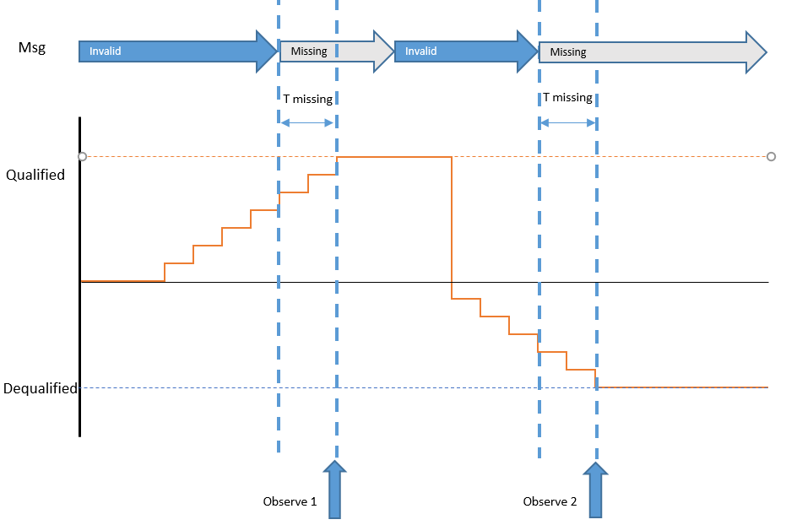

 |  |  |  |  |  |  |  |  |  |  |  |  |  |  | ,

SRS ID | ECU Mode | Fault | Snapshot data to control | Value |  | Timeout condition | T missing | Observe 1 | Observe 2 | TS ID | Remark
1276 1277 1278 1279 1280 1275 1282 1281 692 707 | Normal | Squib openline | Signals of 0x40A | Invalid data (max range) |  | Missing | < 5s | 0x40A data = raw CAN value | 0x40A data = raw CAN value | 2330
 |  | Squib openline | Signals of 0x40A |  |  | Missing | > 5s | 0x40A data = invalid value | 0x40A data = invalid value | 2331
 |  | Squib cross coupling | Signals of 0x40A |  |  | Missing | since IGN On | 0x40A data = init value | 0x40A data = init value | 2332
 |  | Squib openline | Signals of 0x40A |  |  | Bus off | > 5s | 0x40A data = invalid | 0x40A data = invalid | 2333

3. To check Snapshot data recoded when signal data change during quali time of Fault
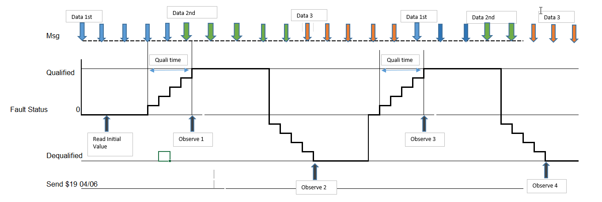

a. Freeze Frame Data
SRS ID | ECU mode | Fault | FreezeFrameData + Extended Data |  |  | Stimulate data |  | Fault Stattus (1) | Stimulate data | Fault stt | Observe 1 | Fault Stattus (5) | Wait (ms) (6) | Stimulate data (7) | Fault stt (8) | Observe 2 | TS ID | technique | Remark
562 585 592 606 613 620 634 641 650 658 667 676 814 692 707 683 983 984 1149 1158 1167 1176 | IGN on and wait ECU in Steady state | Squib fault | See definition |  |  | Data1 |  | Condition Created | Data2 | Qualified | Data2 | Condition Removed | 500 | Data 3 | Dequalified | Data 3 | 569 | Use case

4. To check Snapshot data when Multi Fault with same DTC

a. Freeze Frame Data
SRS ID | ECU mode | Fault | FreezeFrameData + Extended Data |  |  | Stimulate data | Fault | Observe 1 | Stimulate data | Fault | Observe 2 | Stimulate data | Fault | Observe 4 | Stimulate data | Fault | Observe 5 | Stimulate data | TS | technique | Remark
562 585 592 606 613 620 634 641 650 658 667 676 814 692 707 683 983 984 1149 1158 1167 1176 | IGN on and wait ECU in Steady state | Any external fault with same DTC | See definition |  |  | Data1 | Qualified Fault1 | -- | Data2 | Qualified Fault2 | Data2 | Data3 | Dequalified Fault1 | -- | Data4 | Deualified Fault2 | Data 1 | Data5 | 500 | usecase | Note: don't need observe Freeze frame data at "Observe 1/4", covered by "Observe 2/5" #Update: Recored data of llast event will be report for read DTC info

#NOTE: The faults with same DTC
DTC | BOSCH fault name |  |  | Remark
0x80A009 | rb_ocs_OCSECUerror_flt
 | rb_ocs_IndeterminateOCSCondition_flt

#Update: Recored data of llast event will be report for read DTC info

5. To check Fault Occurrence Time
a. Purpose: To check if fault occurrence is more than configured value, the fault entry update shall be written after triggered at reset or PowerDown.
SRS ID | Fault | Extended Data | DID | CAN ID | CAN signal | Fault Status Qualified/Dequalified | Fault Occurrence Time | Fault Status Qualified/Dequalified | Fault Occurrence Time | Fault Status Qualified/Dequalified | Fault Occurrence Time | Reset ECU | Fault Status Qualified/Dequalified | Fault Occurrence Time | TS ID | Remark
751 | Any fault | Fault Occurrence Time | D962 | -- | -- | First time | 1 | (255th)time | 255 | (255 th +1)time | 255 | -- | (255 +1)time | 1 | 494 571 572 | Covered by CA's TS: TS: TS_DEM_DiagnosticEventManager - 3.102 - part: Customer Fault Memory - Fault Occurences Link:https://si-airbag-doors-dwa.de.bosch.com:8443/dwa/rm/urn:rational::1-0000000000000000-O-1766-0004baae?doors.view=00000001 #NOTE: CA's TS test scenario to check occurrence time by read Variables using PD, need to be update read fault occurence by read DEM - DID using DSM base on configured value of Mazda Project # Ocurrence time Max: 255/ Min 0

b. Purpose: To check fault occurrence if multi fault with same DTC qualified -> Covered by Table 4b

6 . To check Additional fault created when Max Nbr fault resent in CFM
SRS ID | ECU mode | Fault type | Data type | Stimulate data | FaultNbr | snap shot data & extended data | Stimulate data | Fault | snap shot data & extended data | TS | technique | Remark
735 734 736 737 738 739 740 741 742 743 744 745 746 747 814 748 789 | Normal | External Firing Fault Com TimeOut Internal.. | SnapshotData -Refer to Sheet DataDefinition - Table 2 | Data1 | 20 | Recorded | Data2 | New fault(21) | same as previous | 556 | Use Case

749 750 751 752 753 800 809 |  |  | ExtendedData- Refer to Sheet DataDefinition - Table 3 | Data1 | 20 |  | Data2 | New fault(21) |  |  | Use Case

7. To check Distub Fault
SRS ID | ECU mode | Fault type | Data type | Stimulate data | Fault Condition | Wait (ms) | Fault Condition | Distub FM check bu PD and CD | snap shot data & extended data | TS | technique | Remark
735 734 736 737 738 739 740 741 742 743 744 745 746 747 814 748 789 | Normal | External Device | SnapshotData -Refer to Sheet DataDefinition - Table 2 | Data1 | Created | Before Fault qualified | Remove | Record | 0 | 550 574 | Use Case

749 750 751 752 753 800 809 |  |  | ExtendedData- Refer to Sheet DataDefinition - Table 3 | Data1

8 .To check the snapshot data recoding by creating fault enter idle mode
a. Snapshot data
SRS ID | ECU mode | Fault | FreezeFrameData |  |  | Stimulate data | Fault | Sys reaction | Stimulate data | Fault | Observe Snapshot data | Remark
562 585 592 606 613 620 634 641 650 658 667 676 814 692 707 683 983 984 1149 1158 1167 1176 | IGN on and wait ECU in Steady state | Any Critical Fault mke ECU enter Idle mode | See definition |  |  | Data1 | Qualified | ECU reset and Enter IIdlemode | Data2 | Dequalified | Data 2

9. To check Fault qualified In autarky
a. Snapshot data
SRS ID | ECU mode | Fault | FreezeFrameData + Extended Data |  |  | Stimulate data | IGN | Fault | IGN | Stimulate data | Fault | Observe Snapshot data | Fault | Observe Snapshot data | Remark
735 | IGN on and wait ECU in Steady state | Any External Fault | See definition |  |  | Data1 | IGN Off | Qualified | IGN on | Data2 | Re - Qualified | Data 1 | Dequalified | Data 1
734
736
737
738
739
740
741
742
743
744
745
746
747
814
748
789

10. To verify Data Record after fault clear by Aging

SRS ID | ECU mode | Fault | Data record |  |  | Stimulate data | Fault | Observe Snapshot data | Fault | Reset ECU |  |  | Fault | Observe Snapshot data | TS | technique | Remark
735 734 736 737 738 739 740 741 742 743 744 745 746 747 814 748 789 | Steady | Extenal Fault | Snapshot |  |  | Data1 | Qualified | Recorded | Dequlified | Triger Reset ECU multiTime utill more than Aging counter max of fault reached |  |  | Clear | Empty | 514 573 575 |  | Combine Table 10 to Table 3 -> Test definition in TS
749 750 751 752 753 800 809 |  |  | Extended

11. To verify Data Record after ECU reset multi time

SRS ID | ECU mode | Fault | Data |  |  | Stimulate data (1) | Fault (2) | Snapshot data/extended (3) | Reset ECU | Action |  |  | TS | technique | Remark
735 734 736 737 738 739 740 741 742 743 744 745 746 747 814 748 789 | Steady | Extenal Fault | Snapshot |  |  | Data1 | Qualified | Recorded | Reset | Repeat step 1-4 with difference data at step 1 each time reset. Observe/evalue new data recorded |  |  | 583 584 585 | Use case
749 750 751 752 753 800 809 |  |  | Extended |  |  |  |  |  |  |  |  |  |  | Use case

12. To check Fault Occurrence Time in NVM
Purpose: To check if fault occurrence is more than configured value, the fault entry update shall be written to NVM only after triggered at reset or PowerDown.
SRS ID | Fault | RAM memory address | NVM memory address | Configured parameter |  | Fault Status Qualified/Dequalified | Fault Occurrence Time in RAM/NVM | Fault Status Qualified/Dequalified | Fault Occurrence Time in NVM | Fault Status Qualified/Dequalified | Fault Occurrence Time in NVM | Reset ECU | Fault Occurrence Time in NVM |  | TS ID | Remark
526 | Squib openline | mBfmRecords(0).occurrences | EVMEM_LOC_0 | DemImmediateNvStorageLimit = 10 |  | Less than configured value (<DemImmediateNvStorageLimit) | RAM=9 NVM=9 | Equal to configured value (=DemImmediateNvStorageLimit) | RAM=10 NVM=10 | More than configured value (=DemImmediateNvStorageLimit +1) | RAM=11 NVM=10 | -- | RAM=11 NVM=11 |  | 1772 | Remove this table because it is covered by CA

13. To check the maximum posible entries in fault memory.
Purpose: To check the maximum posible type of fautl can stored in fault memory.
SRS ID | Fault | Maximum configured value |  |  |  | Fault Status Qualified/Dequalified |  | Check Fault type in BFM and PFM |  | TS ID |  |  |  |  |  | Remark
1125 | Create any fault | 20 |  |  |  | Create fault more than configured value (>20 fault type) |  | number of fault type equal to Configured value = 20 |  | 1732

Displacement
 | Displacement
 | 1. Fault Displacement, Memory Overflow

SRS ID | Nbr | Faults created full PFM |  |  | Additional fault | Faults recorded in Primary Fault memory |  | TS_ID | Remark
991 986 | 1 | ('IAHP','IPHP','EALP','EPLP') |  |  | Internal_HighPriority_1 | ('IAHP','IPHP','EALP','Event') |  | 1481
988 986 | 2 | ('IAHP','EALP') |  |  | Internal_LowPriority_2 | ('IAHP','Event') |  | 1482
991 986 | 3 | ('IAHP','IPHP','EALP','EPLP') |  |  | External_LowPriority_1 | ('IAHP','IPHP','EALP','Event') |  | 1484
989 986 | 4 | ('IAHP','EALP') |  |  | External_LowPriority_2 | ('IAHP','EALP') |  | 1485
990 986 | 5 | ('IAHP','IPHP') |  |  | External_LowPriority_3 | ('IAHP','IPHP') |  | 1483

IAHP = Internal Active High Priority
IPHP = Internal Passive High Priority
EALP = External Active Low Priority
EPLP = External Passive Low Priority
 |  |  |  | NOTE
 |  |  |  | (*) : All internal fault with High priority: 1

 |  |  |  | Fault select
Nbr | IAHp |  | IPHp |  |  |  | EALp |  |  | EPLp | additional fault | Result
1 | rb_psem_InternalCommUFSD_flt rb_psem_InternalCommUFSP_flt rb_psem_InternalCommUFSC_flt rb_psem_InternalCommPASFD_flt rb_psem_InternalCommPASFP_flt |  | rb_psem_InternalCommPASMD_flt rb_psem_InternalCommPASRC_flt rb_psem_InternalCommPASMP_flt rb_psem_InternalCommPPSFD_flt rb_psem_InternalCommPPSFP_flt |  |  |  | rb_psem_OpenLineUFSD_flt rb_psem_OpenLineUFSP_flt rb_sqm_SquibResistanceOpenBT1RD_flt rb_sqm_SquibResistanceOpenBT1RP_flt rb_sqm_SquibResistanceOpenSA1FD_flt |  |  | rb_sqm_SquibResistanceOpenSA1FP_flt rb_sqm_SquibResistanceOpenSA1RD_flt rb_sqm_SquibResistanceOpenSA1RP_flt rb_sqm_SquibResistanceOpenIC1FD_flt rb_sqm_SquibResistanceOpenIC1FP_flt | rb_pom_PowerPlausiSystemAsic1_flt | rb_sqm_SquibResistanceOpenSA1FP_flt overwrote by rb_pom_PowerPlausiSystemAsic1_flt
3 | rb_psem_InternalCommUFSD_flt rb_psem_InternalCommUFSP_flt rb_psem_InternalCommUFSC_flt rb_psem_InternalCommPASFD_flt rb_psem_InternalCommPASFP_flt rb_psem_InternalCommPASMD_flt rb_psem_InternalCommPASRC_flt rb_psem_InternalCommPASMP_flt rb_psem_InternalCommPPSFD_flt rb_psem_InternalCommPPSFP_flt |  |  |  |  |  | rb_psem_OpenLineUFSD_flt rb_psem_OpenLineUFSP_flt rb_sqm_SquibResistanceOpenBT1RD_flt rb_sqm_SquibResistanceOpenBT1RP_flt rb_sqm_SquibResistanceOpenSA1FD_flt rb_sqm_SquibResistanceOpenSA1FP_flt rb_sqm_SquibResistanceOpenSA1RD_flt rb_sqm_SquibResistanceOpenSA1RP_flt rb_sqm_SquibResistanceOpenIC1FD_flt rb_sqm_SquibResistanceOpenIC1FP_flt |  |  |  | rb_pom_PowerPlausiSystemAsic1_flt | rb_psem_OpenLineUFSD_flt overwrote by rb_pom_PowerPlausiSystemAsic1_flt
4 | rb_psem_InternalCommUFSD_flt rb_psem_InternalCommUFSP_flt rb_psem_InternalCommUFSC_flt rb_psem_InternalCommPASFD_flt rb_psem_InternalCommPASFP_flt |  | rb_psem_InternalCommPASMD_flt rb_psem_InternalCommPASRC_flt rb_psem_InternalCommPASMP_flt rb_psem_InternalCommPPSFD_flt rb_psem_InternalCommPPSFP_flt |  |  |  | rb_psem_OpenLineUFSD_flt rb_psem_OpenLineUFSP_flt rb_sqm_SquibResistanceOpenBT1RD_flt rb_sqm_SquibResistanceOpenBT1RP_flt rb_sqm_SquibResistanceOpenSA1FD_flt |  |  | rb_sqm_SquibResistanceOpenSA1FP_flt rb_sqm_SquibResistanceOpenSA1RD_flt rb_sqm_SquibResistanceOpenSA1RP_flt rb_sqm_SquibResistanceOpenIC1FD_flt rb_sqm_SquibResistanceOpenIC1FP_flt | rb_sqm_SquibResistanceOpenAB1FD_flt | rb_sqm_SquibResistanceOpenSA1FP_flt overwrote by rb_sqm_SquibResistanceOpenAB1FD_flt
5 | rb_psem_InternalCommUFSD_flt rb_psem_InternalCommUFSP_flt rb_psem_InternalCommUFSC_flt rb_psem_InternalCommPASFD_flt rb_psem_InternalCommPASFP_flt rb_psem_InternalCommPASMD_flt rb_psem_InternalCommPASRC_flt rb_psem_InternalCommPASMP_flt rb_psem_InternalCommPPSFD_flt rb_psem_InternalCommPPSFP_flt |  |  |  |  |  | rb_psem_OpenLineUFSD_flt rb_psem_OpenLineUFSP_flt rb_sqm_SquibResistanceOpenBT1RD_flt rb_sqm_SquibResistanceOpenBT1RP_flt rb_sqm_SquibResistanceOpenSA1FD_flt rb_sqm_SquibResistanceOpenSA1FP_flt rb_sqm_SquibResistanceOpenSA1RD_flt rb_sqm_SquibResistanceOpenSA1RP_flt rb_sqm_SquibResistanceOpenIC1FD_flt rb_sqm_SquibResistanceOpenIC1FP_flt |  |  |  | rb_sqm_SquibResistanceOpenAB1FD_flt | No replacement is observed
5 | rb_psem_InternalCommUFSD_flt rb_psem_InternalCommUFSP_flt rb_psem_InternalCommUFSC_flt rb_psem_InternalCommPASFD_flt rb_psem_InternalCommPASFP_flt rb_psem_InternalCommPASMD_flt rb_psem_InternalCommPASRC_flt rb_psem_InternalCommPASMP_flt rb_psem_InternalCommPPSFD_flt rb_psem_InternalCommPPSFP_flt |  | rb_wdm_InitTestFail_flt rb_wdm_DisAlpRemainsDisabled_flt rb_wdm_WrongInitValWdStatus_flt rb_wdm_Wd2WrongCheckword_flt rb_wdm_Wd3WrongCheckword_flt rb_wdm_WDFaultMasterWD1_flt rb_wdm_WDFaultMasterWD2_flt rb_wdm_WDFaultMasterWD3_flt rb_wdm_WDFaultSlave1_flt rb_wdm_WDFltCntOverflow_flt |  |  |  |  |  |  |  | rb_sqm_SquibResistanceOpenAB1FD_flt | No replacement is observed

Aging
 |  | Fault Aging
 |  | 1. Fault Aging
 |  | Aging counter of a fault indicates the number of IGN ON cycles, after the recorded fault in snapshot memory in EEPROM is disqualified.

 |  | When the aging counter reach the aging threshold that is configurable.
 |  | For Mazda project, it will be configured to 64.
 |  | Note:
 |  | - Internal fault (erasable or non-erasable) shall not be aged
 |  | - Fault status bit3 (confirmedDTC) is set to zero.
 |  | - Fault Snapshot data is also cleared at the same time.

 |  | oh
a. Fault Aging
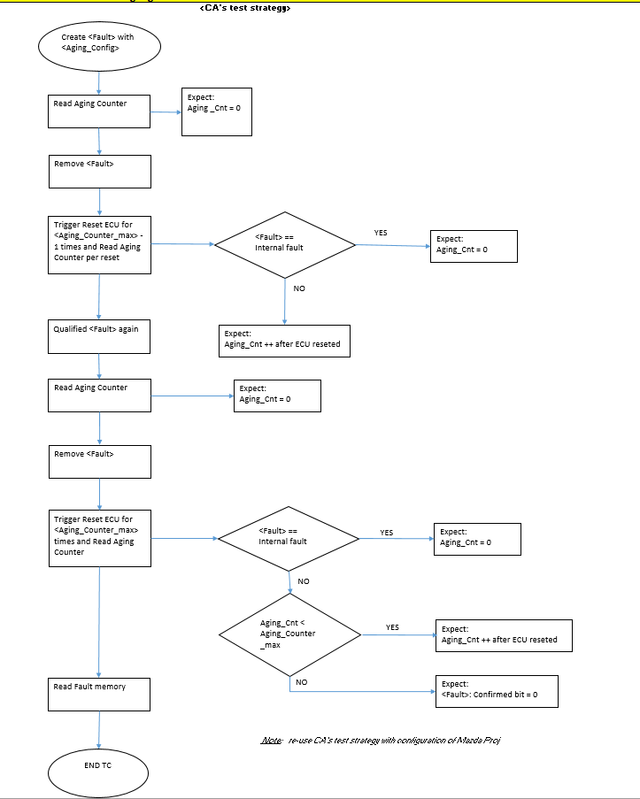

 | CA configuration |  |  | Mazda configuration
 | Max value: 40 |  |  | Max value: 64

 | SRS_ID |  | <Fault> |  | Aging_Max | TS_ID | Remark
 | 418 419 |  | Internal', 'External', 'ErasableInternal' |  |  | 626 | #CA TC (combination)
 |  |  | Squib fault |  | 64 | 644
 |  |  | Sensor fault |  | 64 | 645
 |  |  | Switch fault |  | 64 | 647
 |  |  | COM fault |  | 64 | 649
 |  |  | Voltage LOW/HIGH |  | 64 | 650/646
 |  |  | Fring Fault |  | 64 | 648
 |  |  | ErasableInternal |  | 1 | 651
 |  |  | NonErasableInternal |  | 1 | 652

b. Immediate Aging
 | SRS_ID |  | <Fault> |  | Fault Status | Read Fault | Fault Status | Read Fault | TS_ID
 |  |  | Any fault with 'DemAgingCycleCounterThreshhold' is 0. |  | Qualified | Stored | Dequalified | Cleared | 633

