Overview
SRTP Matrix Mazda Event Data Recorder

Abbriviation:

AD | Airbag Deployment | NVM | Non Volatile Memory
BT | Belt tensioner | PAD | Passenger Airbag Deactivation
CO | Crash Output | PADS | Passenger Airbag Deactivation Switch
CP | Crash Protection | PFE | Prefire-ESP
CREIS | Crash Injection | PedPro | Pedestrian Protection
CRI | Crash Reaction Injection | PP | Pedestrian Protection
CT | Crash Telegram | RMP | "Rechner-Mess-Platz" (test equipment)
DCI | Dynamic Crash Injection | SCI | Static Crash Injection
EDID | Event Data Identifier | SDTP | Software design test Plan
EDR | Event Data Recorder | SoE | Start of Event
EoE | End of Event | SRS | Software Requirement Specification
FCL | Fire Control Logical | STAC | Stand Alone CREIS (test equipment for CREIS)
<FLTmand> | mandatory/expected fault with status | SW | Software
FltMem | Fault Memory | SYRS | System Requirement Specification
HLD | High level test case design | SYS | System
HV | High Voltage | TC | test case
HW | Hardware | TCD | Technical Customer Document
MDS | Tool for Algo/Application Simulation | TR | Test Report
NAD | Non-Airbag Deployment | TS | test Specification
ND | No Deployment | TTF | Time-To-Fire (required by OEM)
 |  | VDS | Vehicle Dynamics Sensor
References:

Overview:
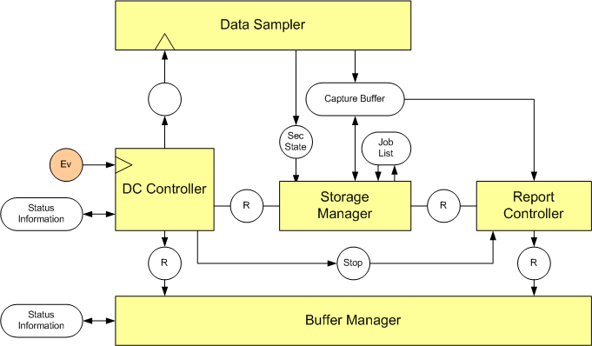

* AddWork Flow to here

Note:

1. Some signatures used in SRTP matrix

ND_ND: | A Multi Event with No deployed event followed by a No deployed event

Event Priority and Lock Status
1. Aim of the Test: I. Event Priority: To check Event Priority and Lock and Unlocked Buffers; Evaluation: Read EDR record to Check that the records were stored according to priority (Higher Priority will overwrite the oldest, lower priority unlocked Buffer) II. Lock Status: To check the lock status of different crashes 2. Confirmation Points: - There are only 2 crash thresholds in Mazda (NA, AD) 3. Condition considered: - Voltage range operation - Switch status which is taken from physical 4. Testing techniques: - Decision table testing - Pairwise testing - State-based testing - Equivalence class 5. Dependency: - ALGO crash threshold - Note: In Mazda Event Priority, the RearNAD is not existed and also Data never be locked, this is considered as the ND Event commonly

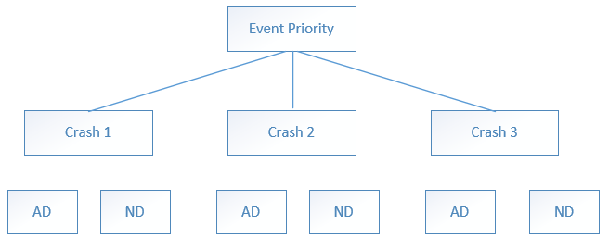
I. Event Priority

A. Set of test case for regular event
Input Conditions/TCs | 1 | 2 | 3 | 4 | 5 | 6 | 7 | 8
Crash 1 | AD | AD | AD | AD | ND | ND | ND | ND
Crash 2 | AD | AD | ND | ND | ND | ND | AD | AD
Crash 3 | AD | ND | AD | ND | ND_ND | AD | ND | AD
Autarky = 'true' at Crash 3 | No/Yes | x | No/Yes | x | x | No/Yes | x | x |  | Before Test: Inject DeploymentCrashCode = ('Single_EDR_PedPro_Inflatable;5','Single_EDR_PedPro_NoDeployment;5')
Actions |  |  |  |  |  |  |  |  |  | Inject a number of crash AD to ensure that the 2 buffer for regular event are left
Overwrite Buffer 1 | No | No | No | No | Yes | Yes | Yes | Yes
Overwrite Buffer 2 | No | No | Yes | Yes | No | No | No | No |  | 1 | 2 | 3 | 4
Record 1 | AD (Crash 1) | AD (Crash 1) | AD (Crash 1) | AD (Crash 1) | ND (Crash 3) | AD (Crash 3) | ND (Crash 3) | AD (Crash 3) |  | Free | Free | AD | AD
Record 2 | AD (Crash 2) | AD (Crash 2) | AD (Crash 3) | ND (Crash 3) | ND (Crash 2) | ND (Crash 2) | AD (Crash 2) | AD (Crash 2)
Record 3 | x | x | x | x | x | x | x | x
Record 4 | x | x | x | x | x | x | x | x
TCs to select | OK*2 | covered in 1 | OK*2 | covered in 4 | OK*2 | OK*2 | covered in 6 | covered in 6 |  | 8 test cases with Both Autarky and No Autarky
B. Set of test case for special event (EPP)
Input Conditions/TCs | 1 | 2 | 3 | 4 | 5 | 6 | 7 | 8
Crash 1 (EPP) | AD | AD | AD | AD | ND | ND | ND | ND |  | Before Test: Inject DeploymentCrashCode = ('Single_EDR_Front_Inflatable;5','Single_EDR_SideLeft_Inflatable;5')
Crash 2 (EPP) | AD | AD | ND | ND | ND | ND | AD | AD |  | Inject a number of crash AD to ensure that the 2 buffer for special event are left
Crash 3 (EPP) | AD | ND | AD | ND | ND_ND | AD | ND | AD
Autarky = 'true' at Crash 3 | No/Yes | x | No/Yes | x | x | No/Yes | x | x
Actions |  |  |  |  |  |  |  |  |  | 1 | 2 | 3 | 4
Overwrite Buffer 3 | No | No | No | No | Yes | Yes | Yes | Yes |  | AD | AD | Free | Free
Overwrite Buffer 4 | No | No | Yes | Yes | No | No | No | No
Record 1 | x | x | x | x | x | x | x | x
Record 2 | x | x | x | x | x | x | x | x
Record 3 | AD (Crash 1) | AD (Crash 1) | AD (Crash 1) | AD (Crash 1) | ND (Crash 3) | AD (Crash 3) | ND (Crash 3) | AD (Crash 3)
Record 4 | AD (Crash 2) | AD (Crash 2) | AD (Crash 3) | ND (Crash 3) | ND (Crash 2) | ND (Crash 2) | AD (Crash 2) | AD (Crash 2)
TCs to select | OK*2 | covered in 1 | OK*2 | covered in 4 | OK*2 | OK*2 | covered in 6 | covered in 6 |  | 8 test cases with Both Autarky and No Autarky

*Note: In here, the Switch State BLFD and BLFP as well as the Squib Firing Times are used to verify the event priority and the locking buffer of Events
The autarky test case are checked for each condition, by default, the autarky happened at the 3rd time Crash Injection

II. Lock Status
Purpose: To check the locking status and transition of lock status state
This can be taken from CA; the crash scenario is need to be updated

Evaluation:
- Verify the variable each time a crash is injected: LockStatusVariable ='rb_dcc_HeaderPublic_st.RecordLockStatus_aen'
Variable = 0 | Empty
Variable = 1 | NoLock
Variable = 3 | Lock

SRS ID | SYRS ID | ECU Mode | Lock Status | Inject crash 1 | Record Lock status | Inject crash 2 | Record Lock status | Inject crash 2 | Record 3 | Record 4 | TS ID
 |  | Normal | No locked | Single_EDR_SideRight_Inflatable;5' |  | Single_EDR_Front_Inflatable;5' |  | Single_EDR_Front_Inflatable;5' |  |  | 515 516 637 638 (CA Available)
 |  |  |  | Single_EDR_EPP_NonInflatable;5' |  | Single_EDR_EPP_Inflatable;5' |  | Single_EDR_EPP_Inflatable;5' |  |  | (Specific Mazda EPP 2 area)

Multi Event Handling
Buffer Manager check Storage Buffer Available
EVM
Capture Buffer Available
Drop the oldest and lowest severity event
Y
N
New Event
Y
Allocate Buffer for New Event and start capturing
Storage Buffer
EDR
Trigger
Abort New Event
N
Buffer Manager
Capture Buffer Manager
Storage Buffer Manager
1. Aim of the Test: To check whether the multi-event handling is working as configured or not. In Mazda, the EDR_ME_HANDLING = 'MEHandlingType_Drop' In case EDR_ME_HANDLING is configured to MEHandlingType_Drop. Case 1: If an Event occurs and no buffer is available to capture the data of the Event, the EDR shall drop capture and storage of a preceeding not locked Event. Case 2: If more than two capture buffers are available (but occupied) the selection of the capture buffer to drop should be: - first lowest priority then - oldest captured Event 2. Confirmation Points: - There are only 2 crash thresholds in Mazda (NA, AD) - In Autarky Condition: Some restrains to the ME handling is mostly provided as: Multi_ND_AD - Autarky at AD - EDR should report mandatory of AD) Multi_AD_ND - Autarky at ND - EDR should report mandatory of AD) 3. Condition considered: - Voltage range operation - Switch status which is taken from physical 4. Testing techniques: - Decision table testing - Pairwise testing - State-based testing - Equivalence class 5. Dependency: - ALGO crash threshold - Note: In Mazda Event Priority, the RearNAD is not existed and also Data never be locked, this is considered as the ND Event commonly

ME Handling Drop Type Work Flow

 | I. Without Autarky

 | INPUT |  |  |  |  |  | ACTION (Drop Capture and Storage Buffer) |  |  |  | OUPUT (Record in Storage Buffer)
Group | Incident 1 | Incident 2 | Incident 3 | Incident 4 | Incident 5 | Incident 6 | Drop Buffer 1 | Drop Buffer 2 | Drop Buffer 3 | Drop Buffer 4 | Record 1 (Regular) | Record 2 (Regular) | Record 3 (EPP) | Record 4 (EPP) | TC
1 | 1_ND | 2_ND/AD | 3_ND EPP | 4_ND/AD EPP | 5_ND/AD | x | Yes | No | No | No | 5_ND/AD | 2_ND/AD | 3_ND EPP | 4_ND EPP
 | 1_ND EPP | 2_ND/AD EPP | 3_ND | 4_ND/AD | 5_ND/AD | x | Yes | No | No | No | 5_ND/AD | 4_ND/AD | Empty | 2_ND/AD EPP | Yes
 | 1_ND | 2_ND/AD | 3_ND EPP | 4_ND/AD EPP | 5_ND/AD EPP | x | Yes | No | No | No | Empty | 2_ND/AD | 5_ND/AD EPP | 4_ND/AD EPP
 | 1_ND EPP | 2_ND/AD EPP | 3_ND | 4_ND/AD | 5_ND/AD EPP | x | Yes | No | No | No | 3_ND | 4_ND/AD | 5_ND/AD EPP | 2_ND/AD EPP
 | 1_AD | 2_AD | 3_ND EPP | 4_ND/AD EPP | 5_ND/AD | x | No | No | No | No | 1_AD | 2_AD | 3_ND EPP | 4_ND/AD EPP
 | 1_ND/AD | 2_ND/AD | 3_AD EPP | 4_AD EPP | 5_ND/AD EPP | x | No | No | No | No | 1_ND/AD | 2_ND/AD | 3_AD EPP | 4_AD EPP
 | 1_ND | 2_ND/AD | 3_ND EPP | 4_ND/AD EPP | 5_ND/AD EPP | 6_ND/AD | Yes | No | Release | No | 6_ND/AD | 2_ND/AD | 5_ND/AD EPP | 4_ND/AD EPP | Yes
 | 1_ND EPP | 2_AD EPP | 3_ND | 4_ND/AD | (5_ND/AD) // (6_ND/AD EPP) |  | Yes | No | Yes | No | (5_ND/AD) | 4_ND/AD | 6_ND/AD EPP | 2_AD EPP | Yes
 | 1_ND | 2_ND EPP | 3_ND EPP | 4_ND/AD EPP | 5_ND/AD | x | Yes | No | No | No | Empty | 5_ND/AD | 4_ND/AD EPP | 3_ND EPP | Yes
 | 1_ND | 2_ND EPP | 3_ND EPP | 4_ND/AD EPP | 5_ND/AD EPP | x | Yes | No | No | No | Empty | Empty | 4_ND/AD EPP | 5_ND/AD EPP
2 | 1_ND | 2_ND EPP | 3_ND EPP | 4_ND/AD EPP | 5_ND/AD | 6_ND/AD | Yes | Yes | No | No | 6 | 5 | 4 | 3
 | 1_ND | 2_ND EPP | 3_ND EPP | 4_ND EPP | 5_ND/AD EPP | 6_ND/AD EPP | Yes | Yes | No | No | Empty | Empty | 6 | 5 | Yes
 | 1_AD | 2_AD EPP | 3_ND EPP | 4_AD EPP | 5_ND | 6_ND/AD | No | No | Yes | No | 1 | 6 | 2 | 4 | Yes
 | 1_AD | 2_AD EPP | 3_ND EPP | 4_AD EPP | 5_ND EPP | 6_ND/AD EPP | No | No | No | No | 1 | Empty | 2 | 4
 | 1_AD | 2_AD EPP | 3_ND EPP | 4_ND EPP | 5_ND/AD | 6_ND/AD EPP | No | No | Yes | Yes | 1 | 5 | 2 | 6 | Yes
 | 1_AD | 2_AD EPP | 3_ND EPP | 4_ND EPP | (5_ND/AD) // (6_ND/AD EPP) |  | No | No | Yes | Yes | 1 | 5 | 2 | 6
 | 1_ND EPP | 2_ND | 3_ND | 4_ND/AD | 5_ND/AD | x | Yes | No | No | No | 5_ND/AD | 3_ND | Empty | Empty | Yes
 | 1_ND EPP | 2_ND | 3_ND | 4_ND/AD | 5_ND/AD EPP | x | Yes | No | No | No | 4 | 3 | Empty | 5
3 | 1_ND EPP | 2_ND | 3_AD | 4_ND | 5_ND | 6_ND/AD | Yes | Yes | No | No | 6 | 3 | Empty | Empty | Yes
 | 1_ND EPP | 2_ND | 3_AD | 4_ND | 5_ND/AD EPP | 6_ND/AD EPP | Yes | Yes | No | No | 4 | 3 | 6 | 5
 | 1_AD EPP | 2_ND | 3_ND | 4_ND | 5_ND/AD | 6_ND/AD | No | Release | Yes | No | 6 | 5 | 1 | Empty
 | 1_AD EPP | 2_ND | 3_ND | 4_ND/AD | 5_ND EPP | 6_ND/AD EPP | No | Release | Yes | No | 4 | Empty | 1 | 6 | Yes
 | 1_AD EPP | 2_ND | 3_ND | 4_ND/AD | 5_ND/AD | 6_ND/AD EPP | No | Release | Release | No | 4 | 5 | 1 | 6 | Yes
 | 1_ND EPP | 2_ND | 3_ND | 4_ND/AD | (5_ND/AD) // (6_ND/AD EPP) |  | Yes | Release | No | No | 4 | 5 | 1 | 6
 | 1_ND EPP | 2_ND | 3_ND | 4_ND/AD | 5_ND/AD | x | Yes | No | No | No | 4 | 5 | Empty | Empty | Yes
 | 1_AD EPP | 2_ND | 3_ND | 4_ND/AD | 5_ND/AD EPP | x | No | Yes | No | No | 4 | 2 | 1 | 5

 | II. With Autarky (Autarky happened at the Incident 5 T0 or Incident 6 T0): The Crash Severity of EPP AD is set to lower severity compared with regular Event severity AD

INPUT |  |  |  |  |  |  | ACTION (Drop Capture and Storage Buffer) |  |  |  | OUPUT (Record in Storage Buffer)
Autarky at | Incident 1 | Incident 2 | Incident 3 | Incident 4 | Incident 5 | Incident 6 | Drop Buffer 1 | Drop Buffer 2 | Drop Buffer 3 | Drop Buffer 4 | Record 1 (Regular) | Record 2 (Regular) | Record 3 (EPP) | Record 4 (EPP) | Remark
T05 | 1_ND EPP | 2_ND/AD EPP | 3_ND | 4_ND | 5_ND/AD | x | Yes | No | No | No | 5 | x | x | x | Record 3 should contain 1
T05 | 1_ND/AD | 2_ND/AD | 3_ND EPP | 4_AD EPP | 5_ND/AD EPP | x | No | No | No | No | x | x | x | 4_AD EPP
T06 | 1_ND | 2_ND/AD | 3_ND EPP | 4_ND/AD EPP | 5_ND/AD EPP | 6_ND/AD | Yes | No | Yes | No | 6_ND/AD | x | x | x
T05 | 1_ND EPP | 2_AD EPP | 3_ND | 4_AD | (5_ND/AD) // (6_ND/AD EPP) |  | No | No | No | No | x | 4_ND/AD | x | x
T05 | 1_ND | 2_ND EPP | 3_ND EPP | 4_ND/AD EPP | 5_ND/AD | x | Yes | No | No | No | x | 5_ND/AD | x | x
T06 | 1_ND | 2_ND EPP | 3_ND EPP | 4_ND EPP | 5_ND EPP | 6_ND/AD EPP | Yes | Yes | No | No | x | x | 6 | x
T06 | 1_AD | 2_AD EPP | 3_ND EPP | 4_AD EPP | 5_ND | 6_ND/AD | No | No | Yes | No | x | 6 | x | x
T06 | 1_AD | 2_AD EPP | 3_ND EPP | 4_ND EPP | 5_ND | 6_ND/AD EPP | No | No | Yes | Yes | x | x | x | 6
T05 | 1_ND EPP | 2_ND | 3_ND | 4_AD | 5_ND/AD | x | No | No | No | No | 4_AD | 3_ND | x | x
T06 | 1_ND EPP | 2_ND | 3_AD | 4_ND | 5_ND | 6_ND/AD | Yes | Yes | No | No | 6_ND/AD | x | x | x
T05 | 1_AD EPP | 2_ND | 3_ND | 4_AD | 5_ND | 6_ND/AD EPP | No | No | No | No | 4 | x | x | 6
T05 | 1_ND EPP | 2_ND | 3_ND | 4_ND | 5_ND/AD | x | Yes | No | No | No | x | 5 | x | x

 | Note:
 |  | Incident 1 |  | Incident 2 |  | Incident 3 |  | Incident 4 |  | Incident 5 |  | Incident 6
 |  | DeltaT = T06 - T01 < 1020 ms (If not, the drop of capture buffer will not be appied since the store of the 1st incident is completed and the capture buffer is released)

 | Some important scenarios:
 | TC 2+3: 4 record should be fully stored, but now, 1 record is empty

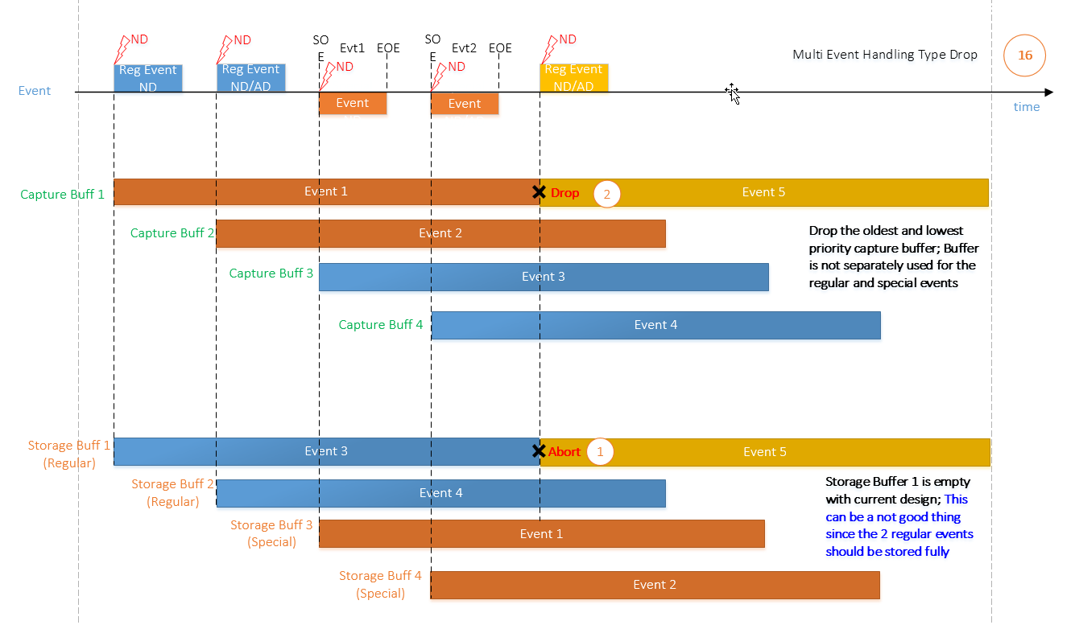
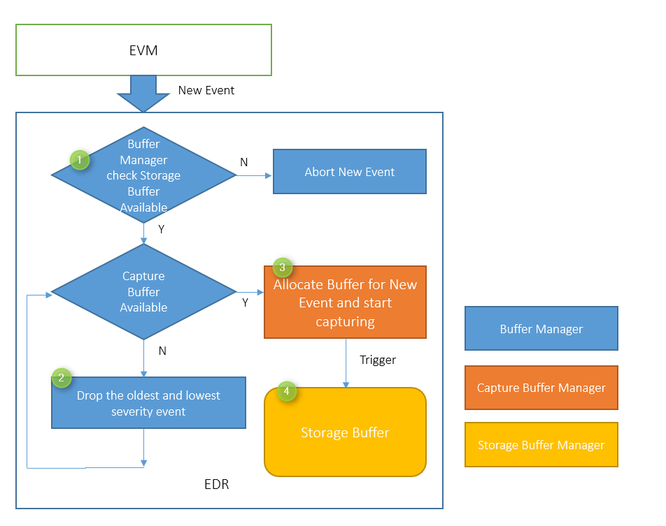

 | TC7:
 | NEW DESIGN |  |  |  |  |  |  |  |  |  |  | OLD DESIGN

Autarky
1. TC purpose: When power down occurs during a crash (at SoE there was still power), mandatory EDR data has to be stored up to t(SoE) + 300ms. - Stimulation and Measurement: Combined crash scenario of two incidents occuring closely one after the other (multi-event timing) is injected. Autarky occurs at T0 of second incident. For different types of multievents, the expected storage of EDR is as follows 1) For single event, mandatory data must be stored 2) For multi-event, if the preceding is an airbag deployment, the current event does not have to be stored and mandaory data of airbag deployment should be stored 3) For multi-event, if the preceding is any other than airbag deployment, then the current autarky event mandatory data has to be stored while the preceding event mandatory data does not have to be stored 2. Confirmation Points: - There are only 2 crash thresholds in Mazda (NA, AD) - In Autarky Condition: Some restrains to the ME handling is mostly provided as: Multi_ND_AD - Autarky at AD - EDR should report mandatory of AD) Multi_AD_ND - Autarky at ND - EDR should report mandatory of AD) 3. Condition considered: - The combination of the regular and special Event - The record depend directly on the preceeding Event like Multi AD_EPP-AD => Then this cae, the AD still be recorded in Autarky since EPP currently is lower priority compared with Regular events - The timing which Event 2 happened (T1, T2, T3) compare with the time for storing data of event 1 4. Testing techniques: - Decision table testing - Pairwise testing - Equivalence class 5. Dependency: - ALGO crash threshold - Note: In Mazda Event Priority, the RearNAD is not existed and also Data never be locked, this is considered as the ND Event commonly

1) Worst case scenario: Two events occuring directly one after the other, first event is not yet finished with storing mandatory data. At T0 of second Event, autarky occurs. This is described with the T1 condition

2) Define equivalence classes for crash events.
2a) Regular and special events --> special event could also include a parallel regular event
2b) No deployment, non-airbag deployment and airbag deployment events

 | Here:
T1: | TtrigE2 <= T01 + TstoreM1 |  |  |  |  |  |  | [140, 240 ms]
T2: | T01+ TstoreM1 <TtrigE2 <= Tend1 + TstoreM1 + Tstore!M1 |  |  |  |  |  |  | [240 ms, 920 ms]
T3: | TtrigE2 > Tend1 + TstoreM1 + Tstore!M1 |  |  |  |  |  |  | [920 ms, 5000 ms]
TstoreM1: | time for complete recording of Mandatory Event 1
Tstore!M1: | time for complete recording Non Mandatory Event 1

Case 1: Event 1 - AD and Event 2: Any Event (Complete Mandatory M1)

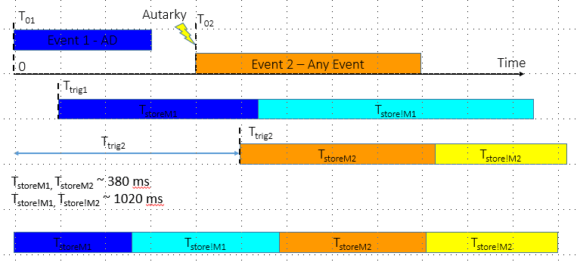

Case 2: Event 1 - ND and Event 2: Any Event (ND/ AD) (Complete Mandatory M2)

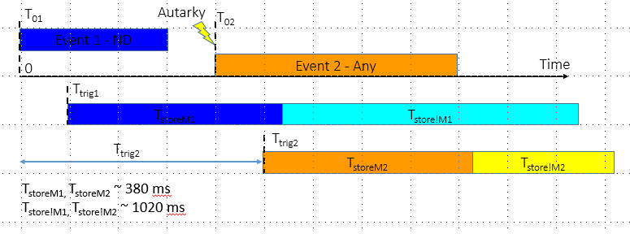

Pairwise testing for chosen crashcode scenario

TC | Crash 1 Direction | Crash 1 Severity | Crash 2 Direction | Crash 2 Severity | Crash 2 Time | Crash scenario | Recording Event | Crashcode name in CA
1 | 1 | 1 | 1 | 1 | 2 | AD1 - AD2 T2 | AD1 Mand + AD1 !Man part 1 | Multi_EDR_Front_AD_Side_AD;5
2 | 2 | 2 | 1 | 2 | 3 | EPP ND1 - ND2 T3 | ND2 Mand | Multi_EDR_Pedestrian_AD_SideDriver_AD;5 Multi_EDR_Pedestrian_AD_Rollover_AD;5
3 | 3 | 3 | 1 | 3 | 1 | EPP Any - Regular Any T1 => Random: EPP ND1 - AD2 T1 | AD2 Mand | No
4 | 1 | 2 | 2 | 1 | 1 | ND2 - EPP AD2 T1 | EPP AD2 Mand | No
5 | 2 | 3 | 2 | 2 | 2 | EPP Any - EPP ND T2 => Random: EPP ND1 - EPP ND2 T2 | EPP ND2 Mand + !Man part 1 | No
6 | 3 | 1 | 2 | 3 | 3 | Any AD - EPP Any T3 | Any AD1 | No
7 | 1 | 3 | 3 | 1 | 3 | Regular Any - Any AD T3 => Random: EPP AD1 - ND2 T2 | EPP AD1 | No
8 | 2 | 1 | 3 | 2 | 1 | EPP AD - Regular ND T1 | EPP AD 1 Mand | No
9 | 3 | 2 | 3 | 3 | 2 | Any ND - Any Any T2 => Random: ND1 - EPP AD2 | EPP AD2 Mand | No

SRS ID | ECU mode | Crashcode Injection | Autarky at Time | Record 1 | Record 2 | Record 3 | Record 4 | TS ID
 | Normal Mode |  | T02

Discussion and Comment
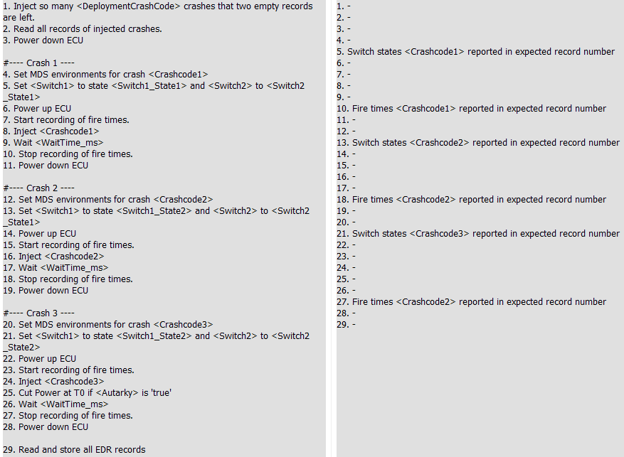
I. Event Priority

CA Test Definition

