OverView
Mazda J72A IMP6
VDS_MazdaVehicleDynamicSensor SRTP Matrix

Purpose of this document
This document is created for Vehicle dynamic sensor SRTP(software requirement test plan) to test all possible and robust scenarios .

VDS Application Function
Vehicle Dynamic Sensors (VDS) provide high resolution data about the inertial movement of the car which are used for: ⦁ MRCC - Mazda Radar Cruise Control ⦁ HLA - Hill Launch Assit for i-Stop Control ⦁ RSC - Roll Stability Control In Mazda J72A IMP6 project, these sensors are integrated in to the Airbag ECU to form Integrated Restraints Control Module (iRCM).

Functionality of VDS Application
1.Monitoring rolling counter.
2. Control CAN communication when IG voltage drop or iRCM failure.
3.Fault diagnosis for sensor out of range.
4. VDS is to collect the sensor data,process it,check it ,covert it and send the data via CAN.

B1 sample Scope
1.Function: VDS Data Handling

VDS Interface
--> VDS module will cyclically take input from "Sensor Filter handler" , "Power Manager", "BSW Manager", "Central Sensor Manager" and "DEM".
--> Output will be reflected by "COM Application".
--> iRCM shall transmit sensor converted data and sensor signal state (Yaw Rate, Lateral Acceleration, Temperature) through CAN message ID: 75 (_RCM_Yaw_Rate).
--> iRCM shall transmit sensor converted data and sensor signal state (Roll Rate, Longitudinal Acceleration) through CAN message ID: 76 (_RCM_Roll_Rate).
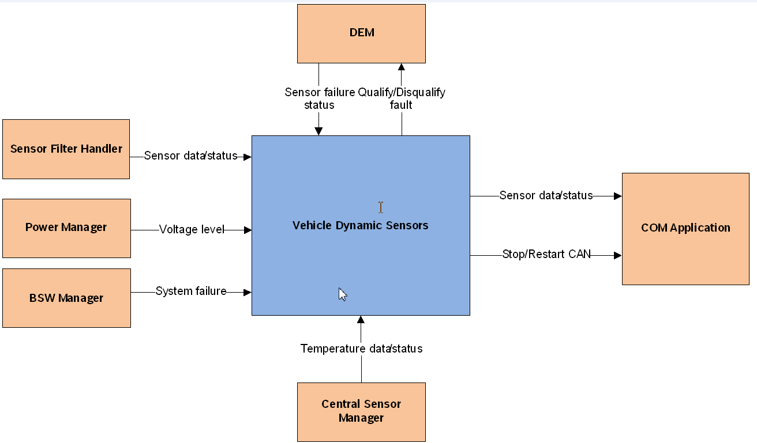

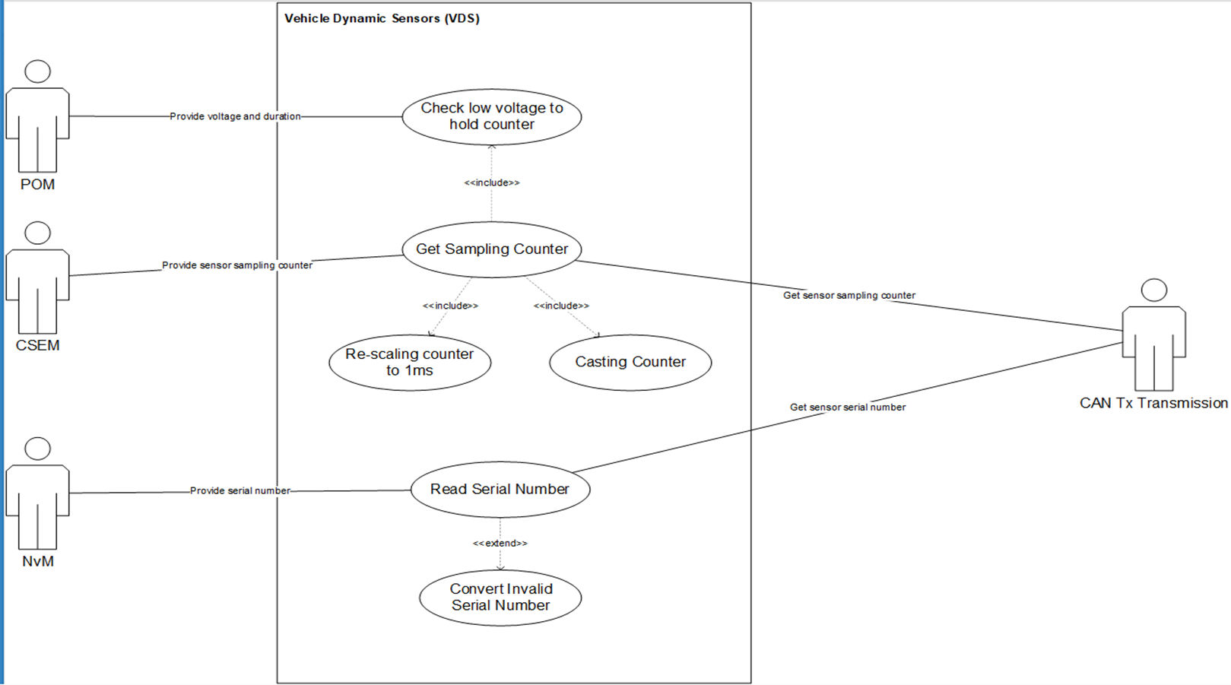

VDS Signals:
_RCM_Yaw_Rate.Signal_State_Yaw_Rate(75)
_RCM_Yaw_Rate.Lateral_Acceleration(75)
_RCM_Yaw_Rate.Temperature(75)
_RCM_Roll_Rate.Longitudinal_Acceleration(76)
_RCM_Yaw_Rate.Rolling_Counter_Yaw_Rate (75)
_RCM_Roll_Rate.Rolling_Counter_Roll_Rate (76)
_RCMSerialNumber (CAN ID 454)

Abbreviations
iRCM: Integrated Restraints Control Module
VDS: Vehicle Dynamic Sensors
BCS: Brake Control System
CAN: Control Area Network
HS-CAN: High Speed CAN
CSEM: Central Sensor Manager
DEM: Diagnosis Event Manager
SFH: Sensor Filter Handler
BSW: Basic Software
POM: Power Management
DEM: Diagnostic Event Manager

Test Design Technique

Use Case Testing : |  | Use Case Testing, is a technique that helps identify test cases that cover the entire system, on a transaction by transaction basis from start to the finishing point.
 |  | Boundary value analysis.

Change Format Message in J72IPM6 |  |  |  |  |  |  | Reference J30A

 |  | J72IPM6 | Size (Bits) | Meaning | Position | Remark |  | J30A | Size (Bits) | Meaning | Position
 |  | 75 _RCM_Yaw_Rate | 64 |  |  |  |  | 070:RCM_Yaw_Rate_MAC | 64
 |  | Rolling counter Yaw Rate | 8 |  | Byte 1 Bit0-7 |  |  | ID070_E2E_CRCProfile2 | 8 |  | Byte 1 Bit0-7
 |  | Signal State - Lateral Acceleration | 2 | $0: Valid $1: Invalid $2: Potentially Invalid $3: Invalid Initialize | Byte2 Bit0-1 |  |  | Signal_State_Yaw_Rate | 2 | $0: Valid $1: Invalid $2: Potentially Invalid $3: Invalid Initialize | Byte2 Bit0-1
 |  | Signal State - Yaw rate | 2 | $0: Valid $1: Invalid $2: Potentially Invalid $3: Invalid Initialize | Byte2 Bit2-3 |  |  | Reserved | 2 |  | Byte2 Bit2-3
 |  | Signal State - Temperature | 2 |  | Byte2 Bit4-5 | Signal state temperature is always 0 |  | ID070_E2E_CNTProfile2 | 4 |  | Byte2 Bit4-7
 |  | Reserved | 2 |  | Byte2 Bit6-7 |  |  | Yaw_Rate | 16 |  | Byte3 Bit0-7 Byte4 Bit0-7
 |  | Lateral Acceleration | 16 |  | Byte3 Bit0-7 Byte4 Bit0-7 |  |  | RCM_Yaw_Rate_FVTx | 4 |  | Byte5 Bit0-3
 |  | Yaw rate | 16 |  | Byte5 Bit0-7 Byte6 Bit0-7 |  |  | RCM_Yaw_Rate_MACTx | 28 |  | Byte5 Bit4-7 Byte6 Bit0-7 Byte7 Bit0-7 Byte8 Bit0-7
 |  | Temperature | 8 |  | Byte7 Bit0-7 | Temperature is always 0x7D |  | 071:RCM_Late_Acc_MAC | 64
 |  | Reserved | 8 |  | Byte 8 Bit0-7 |  |  | ID071_E2E_CRCProfile2 | 8 |  | Byte1 Bit0-7
 |  | 76 _RCM_Roll_Rate | 64 |  |  |  |  | Signal_State_Lateral_Acceleration | 2 | $0: Valid $1: Invalid $2: Potentially Invalid $3: Invalid Initialize | Byte2 Bit0-1
 |  | Rolling counter Roll Rate | 8 |  | Byte 1 Bit0-7 |  |  | Reserved | 2 |  | Byte2 Bit2-3
 |  | Signal State - Longitudinal Acceleration | 2 | $0: Valid $1: Invalid $2: Potentially Invalid $3: Invalid Initialize | Byte2 Bit0-1 |  |  | ID071_E2E_CNTProfile2 | 4 |  | Byte2 Bit4-7
 |  | Signal State Roll Rate (Optinal) | 2 | $0: Valid $1: Invalid $2: Potentially Invalid $3: Invalid Initialize | Byte2 Bit2-3 | Signal State Roll Rate is always 0 |  | Lateral_Acceleration | 16 |  | Byte3 Bit0-7 Byte4 Bit0-7
 |  | Reserved | 4 |  | Byte2 Bit4-7 |  |  | RCM_Late_Acc_FVTx | 4 |  | Byte5 Bit0-3
 |  | Longitudinal Acceleration | 16 |  | Byte3 Bit0-7 Byte4 Bit0-7 |  |  | RCM_Late_Acc_MACTx | 28 |  | Byte5 Bit4-7 Byte6 Bit0-7 Byte7 Bit0-7 Byte8 Bit0-7
 |  | Roll Rate (Optinal) | 16 |  | Byte5 Bit0-7 Byte6 Bit0-7 | Roll Rate is always 0x7530 |  | 072:RCM_Long_Acc_MAC | 64
 |  | Reserved | 16 |  | Byte7 Bit0-7 Byte8 Bit0-7 |  |  | ID072_E2E_CRCProfile2 | 8 |  | Byte1 Bit0-7
 |  | 454 _RCMSerialNumber | 64 |  |  |  |  | Signal_State_Longitudinal_Acceleration | 2 | $0: Valid $1: Invalid $2: Potentially Invalid $3: Invalid Initialize | Byte2 Bit0-1
 |  | RCMSerialNoByte0 | 8 |  | Byte 0 Bit0-7 |  |  | Reserved | 2 |  | Byte2 Bit2-3
 |  | RCMSerialNoByte1 | 8 |  | Byte 1 Bit0-7 |  |  | ID072_E2E_CNTProfile2 | 4 |  | Byte2 Bit4-7
 |  | RCMSerialNoByte2 | 8 |  | Byte 2 Bit0-7 |  |  | Longitudinal_Acceleration | 16 |  | Byte3 Bit0-7 Byte4 Bit0-7
 |  | RCMSerialNoByte3 | 8 |  | Byte 3 Bit0-7 |  |  | RCM_Long_Acc_FVTx | 4 |  | Byte5 Bit0-3
 |  | RCMSerialNoByte4 | 8 |  | Byte 4 Bit0-7 |  |  | RCM_Long_Acc_MACTx | 28 |  | Byte5 Bit4-7 Byte6 Bit0-7 Byte7 Bit0-7 Byte8 Bit0-7
 |  | RCMSerialNoByte5 | 8 |  | Byte 5 Bit0-7
 |  | RCMSerialNoByte6 | 8 |  | Byte 6 Bit0-7
 |  | RCMSerialNoByte7 | 8 |  | Byte 7 Bit0-7

Note: Color meaning:

 | SRS tag
 | Input for Test Case
 | Out put for Test Case
 | TS tag or Remark

