OverView
Mazda_Gen7
VDS_MazdaVehicleDynamicSensor_RollingCounter_SerialNumberHandling SRTP Matrix

Purpose of this document
This document is created for Vehicle dynamic sensor - Rolling Counter, Serial Number Handling SRTP (software requirement test plan) to test all possible and robust scenarios .

VDS Application Function
Vehicle Dynamic Sensors (VDS) provide high resolution data about the inertial movement of the car which are used for: --> MRCC - Mazda Radar Cruise Control --> HLA - Hill Launch Assit for i-Stop Control --> RSC - Roll Stability Control

Functionality of VDS Application
1. Monitoring rolling counter.
2. Control CAN communication when IG voltage drop or iRCM failure.
3. Fault diagnosis for sensor out of range.
4. VDS is to collect the sensor data,process it,check it ,covert it and send the data via CAN.

C sample Scope
Function: VDS Rolling Counter Handling, Serial Number Handling

VDS Interface
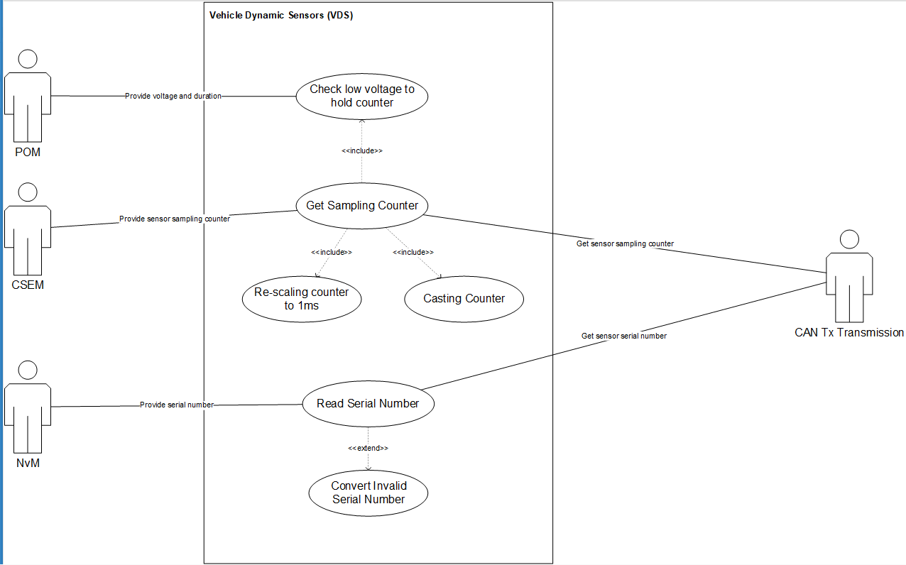

Test Design Technique

Use Case Testing : | Use Case Testing, is a technique that helps identify test cases that cover the entire system, on a transaction by transaction basis from start to the finishing point.

RollingCounter
Rolling Counter Handling

Purpose:
To check VDS module shall handle a rolling counter which is incremented every data aquisition to indicate that sensor data sampling still running.

Confirmation points:
Check Rolling Counter Value observed by Rolling Counter Signals in _RCM_Yaw_Rate message (0x75) and _RCM_Roll_Rate message (0x76) in different Conditions.

Conditions considered:
1. Normal Mode
2. Idle Mode
3. Abnormal Voltage
4. Faulty Condition

Voltage Dependency:
1. Set Voltage as 12V
2. Set Abnormal Voltage
3. Set ECU OFF and check Autarky Mode

Testing Technique:
Use Case Testing

Note: Operation Voltage mode:
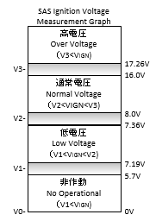

 |  | https://si-airbag-doors-dwa.de.bosch.com:8443/dwa/rm/urn:rational::1-0000000000000000-O-711-0012b8ae?doors.view=00000002

Scenario 1.1 : Check Rolling Counter CAN Signal size and value

SRS_Tag | Precondition |  | Input |  |  |  | Output (after each Reset)
 | ECU Mode | Voltage | Wait Time from IGN ON (*1) | Test Time (*2) | Reset ECU | Wait Time and Test Time | Rolling Counter Valu observed by Rolling Counter Signals in _RCM_Yaw_Rate message (0x75) and _RCM_Roll_Rate message (0x76)
 |  |  |  |  |  |  | Size | Value
SRS_VDS_346 | Normal | Normal | Wait until CAN stared (<= 250 ms) | 500 ms | No | No | 8 bits | Counting up In boundary [0x00 - 0xFF]
SRS_VDS_369 |  |  |  |  | Yes | No change from *1 and *2
SRS_VDS_368 |  | Low | Wait until rolling counter is counted up (< 500 ms) | 10 s | No | No
SRS_VDS_370 |  |  |  |  | Yes | No change from *1 and *2
SRS_VDS_371 |  | High | 30s (random time after Initialization of Sensor) | 20 s | Yes

Scenario 1.2 : Check behavior in faulty condition

SRS_Tag | Precondition |  | Input |  |  |  | Output
 | ECU Mode | Voltage | Wait Time from IGN ON (*1) | Test Time (*2) | Create Sensor Fault |  | Rolling Counter Value observed by Rolling Counter Signals in _RCM_Yaw_Rate message (0x75) and _RCM_Roll_Rate message (0x76)
 |  |  |  |  | Fault Name | Fault Qualification | Value
SRS_VDS_386 | Normal | Normal | Wait until CAN stared (<= 250 ms) | 10 ms | No fault | No | 1st CAN Transmission: 0x00
 |  |  |  |  | rb_csem_MonPermBGYawSensor_flt | Qualified in previous IGN cycle
 |  |  |  |  | rb_csem_MonPermBGRollSensor_flt
SRS_VDS_384 |  |  |  | 250 ms | No fault | No | Within < 250 ms from CAN Started: 0x00
 |  |  |  |  | rb_csem_MonPermInitYawSensor_flt | Qualified in previous IGN cycle
 |  |  |  |  | rb_csem_MonPermInitRollSensor_flt
SRS_VDS_401 |  |  | Wait until rolling counter is counted up (< 500 ms) | 255 ms | No fault | No | In boundary [00x00-0xFF], tolerance +/-10: Beginning value 0x00, couting up to 0xFF by +10 every 10ms
 |  |  |  |  | rb_csem_MonPermAccYLgChl_flt | Qualified in previous IGN cycle
 |  |  |  |  | rb_csem_MonTempAccXLgChl_flt
SRS_VDS_376 |  | Low | 15s (random time after rolling counter counted up ) | 510 ms | No fault | No | In boundary [00x00-0xFF], tolerance +/-10: couting up by +10 every 10ms , reset to 0x0 for 2 times
SRS_VDS_383 |  |  | 30s (random time after rolling counter counted up ) | 1020 ms | No fault | No | In boundary [00x00-0xFF], tolerance +/-10: couting up by +10 every 10ms , reset to 0x0 for 4 times
 |  |  |  | 10200 ms | rb_csem_MonPermBGYawSensor_flt | Qualified in test time | In boundary [00x00-0xFF], tolerance +/-10: couting up by +10 every 10ms , reset to 0x0 for 40 times
 |  |  |  |  | rb_csem_MonPermBGRollSensor_flt | Qualified in test time
SRS_VDS_377 |  |  | 60s (random time after rolling counter counted up ) | 10200 ms | rb_csem_MonPermAccYLgChl_flt | Qualified in test time | In boundary [00x00-0xFF], tolerance +/-10: couting up by +10 every 10ms , reset to 0x0 for 40 times
 |  |  |  |  | rb_csem_MonTempAccYLgChl_flt | Qualified and Dis-qualified in test time
 |  |  |  |  | rb_csem_MonPermYawRateLfChl_flt | Qualified in test time
 |  |  |  |  | rb_csem_MonTempYawRateLfChl_flt | Qualified and Dis-qualified in test time
 |  | High |  |  | rb_csem_MonPermAccXLgChl_flt | Qualified in test time
 |  |  |  |  | rb_csem_MonTempAccXLgChl_flt | Qualified and Dis-qualified in test time
 |  |  |  |  | rb_csem_MonPermRollRateLfChl_flt | Qualified in test time
 |  |  |  |  | rb_csem_MonTempRollRateLfChl_flt | Qualified and Dis-qualified in test time
 |  |  |  |  | rb_csem_MonPermInitYawSensor_flt | Qualified in Init time
 |  |  |  |  | rb_csem_MonPermInitRollSensor_flt | Qualified in Init time

Scenario 1.3 : Check behavior in Bus Off condition

SRS_Tag | Precondition |  | Input |  |  |  | Output
 | ECU Mode | Voltage | Wait Time from IGN ON | TestTime1 | TestTime2 | TestTime3 | Rolling Counter Valu observed by Rolling Counter Signals in _RCM_Yaw_Rate message (0x75) and _RCM_Roll_Rate message (0x76)
 |  |  |  |  | Stop CAN |  | Test Time 1 | Test Time 2 |  | Test Time 3
SRS_VDS_378 | Normal | Normal | 15s (random time after rolling counter counted up ) | 5 s | < 1000 ms | 5 s | Counting up to ValueA | No CAN Transmission |  | In boundary [00x00-0xFF], tolerance +/-10: Counting up with Beginning value [ValueA+TestTime2]
 |  | Low | 30s (random time after rolling counter counted up ) |  | > 1000 ms
 |  | High | 60s (random time after rolling counter counted up ) |  | > 5000 ms

Scenario 1.4 : Check behavior with different VDS Signal State

SRS_Tag | Precondition |  | Input |  |  |  | Output
 | ECU Mode | Voltage | Wait Time from IGN ON | TestTime |  |  | Rolling Counter Valu observed by Rolling Counter Signals in _RCM_Yaw_Rate message (0x75) and _RCM_Roll_Rate message (0x76)
 |  |  |  | Create Signal State Condition |  | Time | Test Time 1
 |  |  |  | Signal States in _RCM_Yaw_Rate (0x75) | Signal States in _RCM_Roll_Rate (0x076)
SRS_VDS_380 | Normal | Normal | 15s (random time after rolling counter counted up ) | Invalid | Valid | > 10000 ms | In boundary [00x00-0xFF], tolerance +/-10: couting up by +10 every 10ms
 |  | Low | 30s (random time after rolling counter counted up ) | Valid | Invalid
 |  | High | 60s (random time after rolling counter counted up ) | Invalid | Invalid

Scenario 1.5 : Check behavior in Autarky mode

SRS_Tag | Precondition |  | Input |  |  | Rolling Counter Signal Data Range
 | ECU Mode | Voltage | Wait Time from IGN ON | IGN OFF and wait for WaitTime (ms) | IGN ON | Rolling Counter Valu observed by Rolling Counter Signals in _RCM_Yaw_Rate message (0x75) and _RCM_Roll_Rate message (0x76)

SRS_VDS_405 | Normal | Normal | 15s (random time after rolling counter counted up ) | WaitTime < 150 ms | Yes | In boundary [00x00-0xFF], tolerance +/-10: Still couting up despite of WaitTime
 | Normal | Low | 30s (random time after rolling counter counted up ) | WaitTime >= 150ms | No | In boundary [00x00-0xFF], tolerance +/-10: counting up within 150ms, stop couting up after 150ms
SRS_VDS_408 | Normal | High | 60s (random time after rolling counter counted up ) | 150ms < WaitTime < Autaky time | Yes | In boundary [00x00-0xFF], tolerance +/-10: counting up within 150ms to ValueA, stop couting up after 150ms, and Restart transmitting at 250ms after IGN ON, beginning with value <ValueA+150+250>

Scenario 1.6 : Check behavior in Autarky mode with mutiple event

SRS_Tag | Precondition |  | Input 1 |  |  | Input 2 |  | Rolling Counter Signal Data Range
 | ECU Mode | Voltage | Wait Time from IGN ON | 1st IGN OFF and wait for WaitTime1 | 1st IGN ON | 2nd IGN OFF and wait for WaitTime2 | 2nd IGN ON | _RCM_Yaw_Rate message (0x75) | _RCM_Roll_Rate message (0x76)

SRS_VDS_405 | Normal | Normal | 15s (random time after rolling counter counted up ) | WaitTime1 <= 150 ms | Yes | WaitTime2 <= 150 ms | Yes | In boundary [00x00-0xFF], tolerance +/-10: Still couting up despite of WaitTime
SRS_VDS_408 | Normal | Low | 60s (random time after rolling counter counted up ) | 150ms < WaitTime1 < Autaky time | Yes - and wait for WaitTimeOn1 < 250ms | 150ms < WaitTime2 < Autaky time | Yes - and wait for WaitTimeOn2 >= 250 | In boundary [00x00-0xFF], tolerance +/-10:
 |  |  |  |  |  |  |  | - Count up within 150ms from 1st IGN OFF to ValueA
 |  | High |  |  | Yes - and wait for WaitTimeOn1 >= 250ms |  |  | - Continue couting up afer 250ms from 2nd IGN ON with beginning value <ValueA+WaitTimeOn1+150+WaitTimOn2>

Scenario 1.7: Check Rolling Counter CAN Signal Transmission in Idle mode

SRS_Tag | Precondition |  | Input |  | Output
 | ECU Mode | Voltage | Wait Time from IGN ON (*1) | Test Time (*2) | Rolling Counter Valu observed by Rolling Counter Signals in _RCM_Yaw_Rate message (0x75) and _RCM_Roll_Rate message (0x76)

SRS_VDS_399 | Idle | Normal | Wait until CAN stared (<= 250 ms) | 500 ms | No Tranmission
 |  | Low | Wait until rolling counter is counted up (< 500 ms) | 10 s
 |  | High | 30s (random time after Initialization of Sensor) | 20 s

