2.Summary
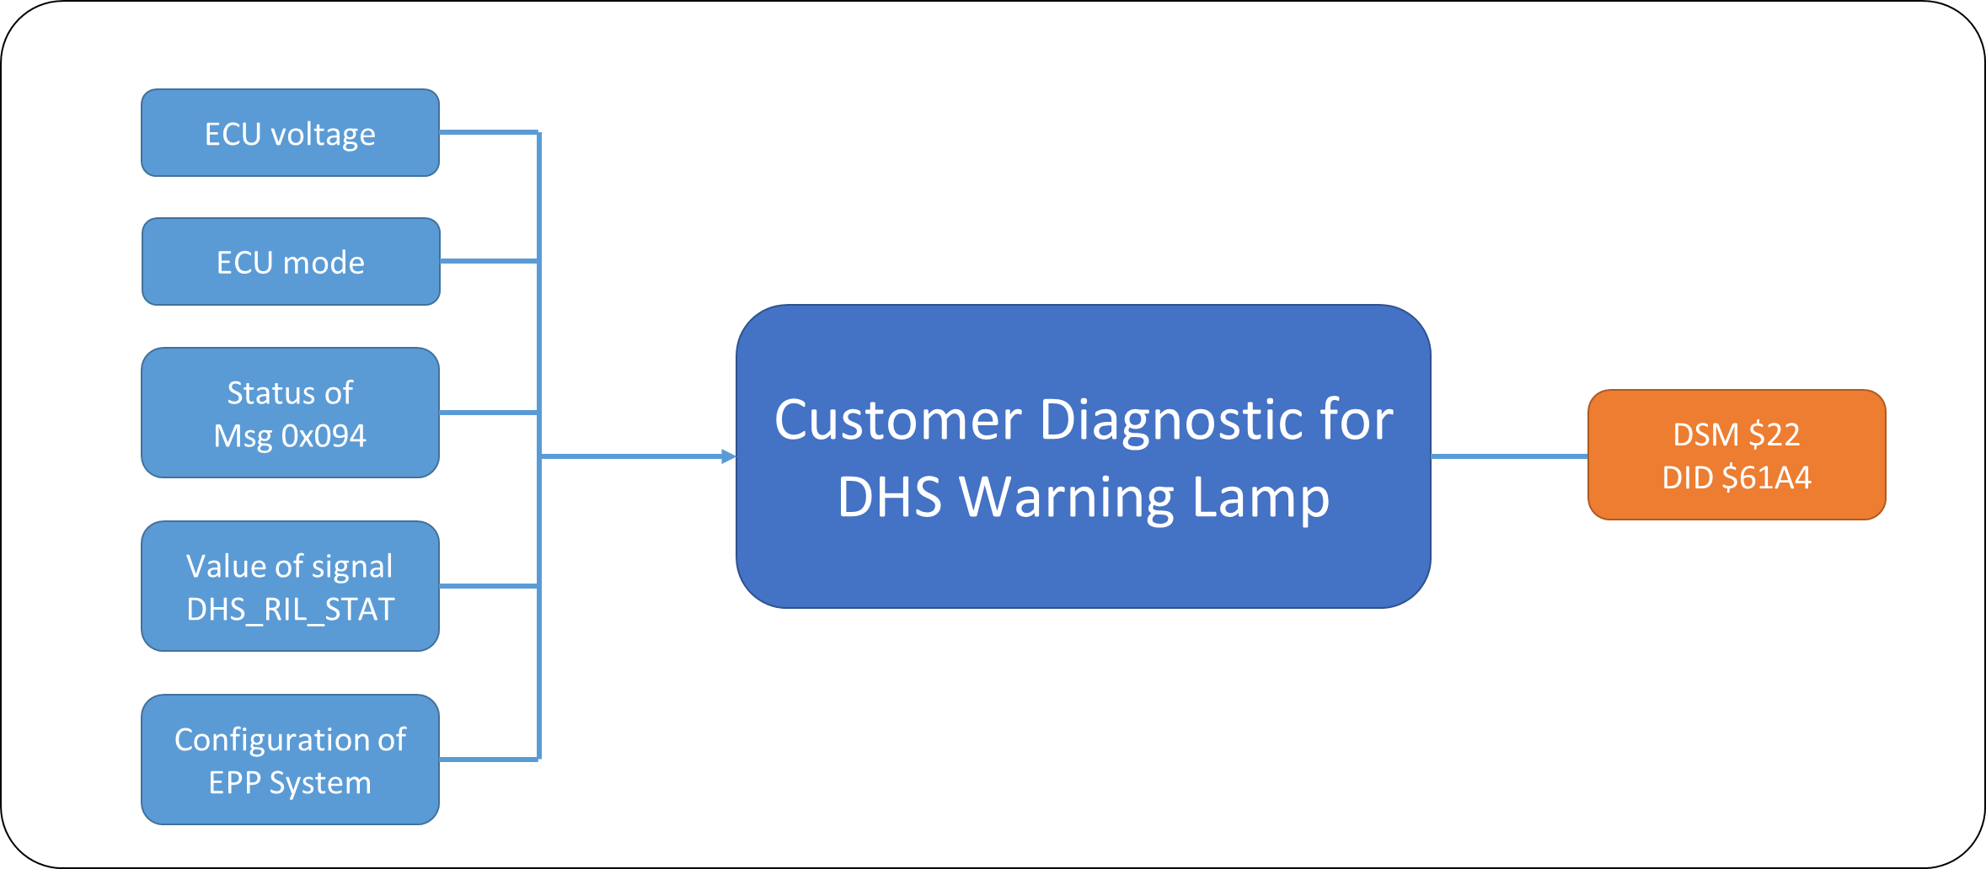
Mazda AB12_DHSWLIndicatorMgt SRTP Matrix

<Purpose>
The document is created for DHS Warning Lamp Indicator Management SRTP to test all possible and robust test scenarios

Test scenarios covered under each section is listed below

Part 1
SRTP Section | DESCRIPTION | SHEET
Initialization | To check behaviour of DHSWL Mgt module at the time of Initialization and prove out time To check the Mazda plant mode | 3.Initialization and Steady State
Power Down | To check the DHSWL value when the Autarky is appeared | 4. Power down
Power Down | Additional scenarios for the WIM in power down mode in table c and table d | 4. Power down

ECU mode
DEM
Mazda Plant mode
System config
Mazda Warning Indicator Management
HEC
PSEM
Bus-off condition, …
Faulty condition, …
CAN bus
DHSWL

Part 2
SRTP Section | DESCRIPTION | SHEET
DHS Warning Lamp Not Operation Fault | Check DSHWL Not Operation Fault in different conditions. | 5. NotOperationFault
MisMatch Fault | Check DSHWL MisMatch Fault in different conditions. | 6. MisMatch Fault

Part 3
SRTP Section | DESCRIPTION | SHEET
Customer Diagnostic for DHS Warning Lamp | Check DSM service response for DID: $61A4 - DHS Warning lamp | 7.Customer diagnostic

7.Customer diagnostic
Customer Diagnostic for DHS Warning Lamp (DID: $61A4)
Confirmation point:
 | Check DSM service response for DID: $61A4 - DHS Warning lamp

Conditions considered:
 | 1. Value of DHS_RIL_STAT is updated
 | 2. Lossing message 0x094 from IG ON
 | 3. Fault related to Msg 0x094 qualified/dequalified
 | 4. EPP is deconfigured

Voltage Dependency:
 | 1. Normal voltage
 | 2. Abnormal voltage: High/Low

Testing Technique:
 | Equivalence partitioning

Table 1. Check DID $61A4 when value of DHS_RIL_STAT is updated

Confirmation Point: DID $61A4 shall response last received value of DHS_RIL_STAT

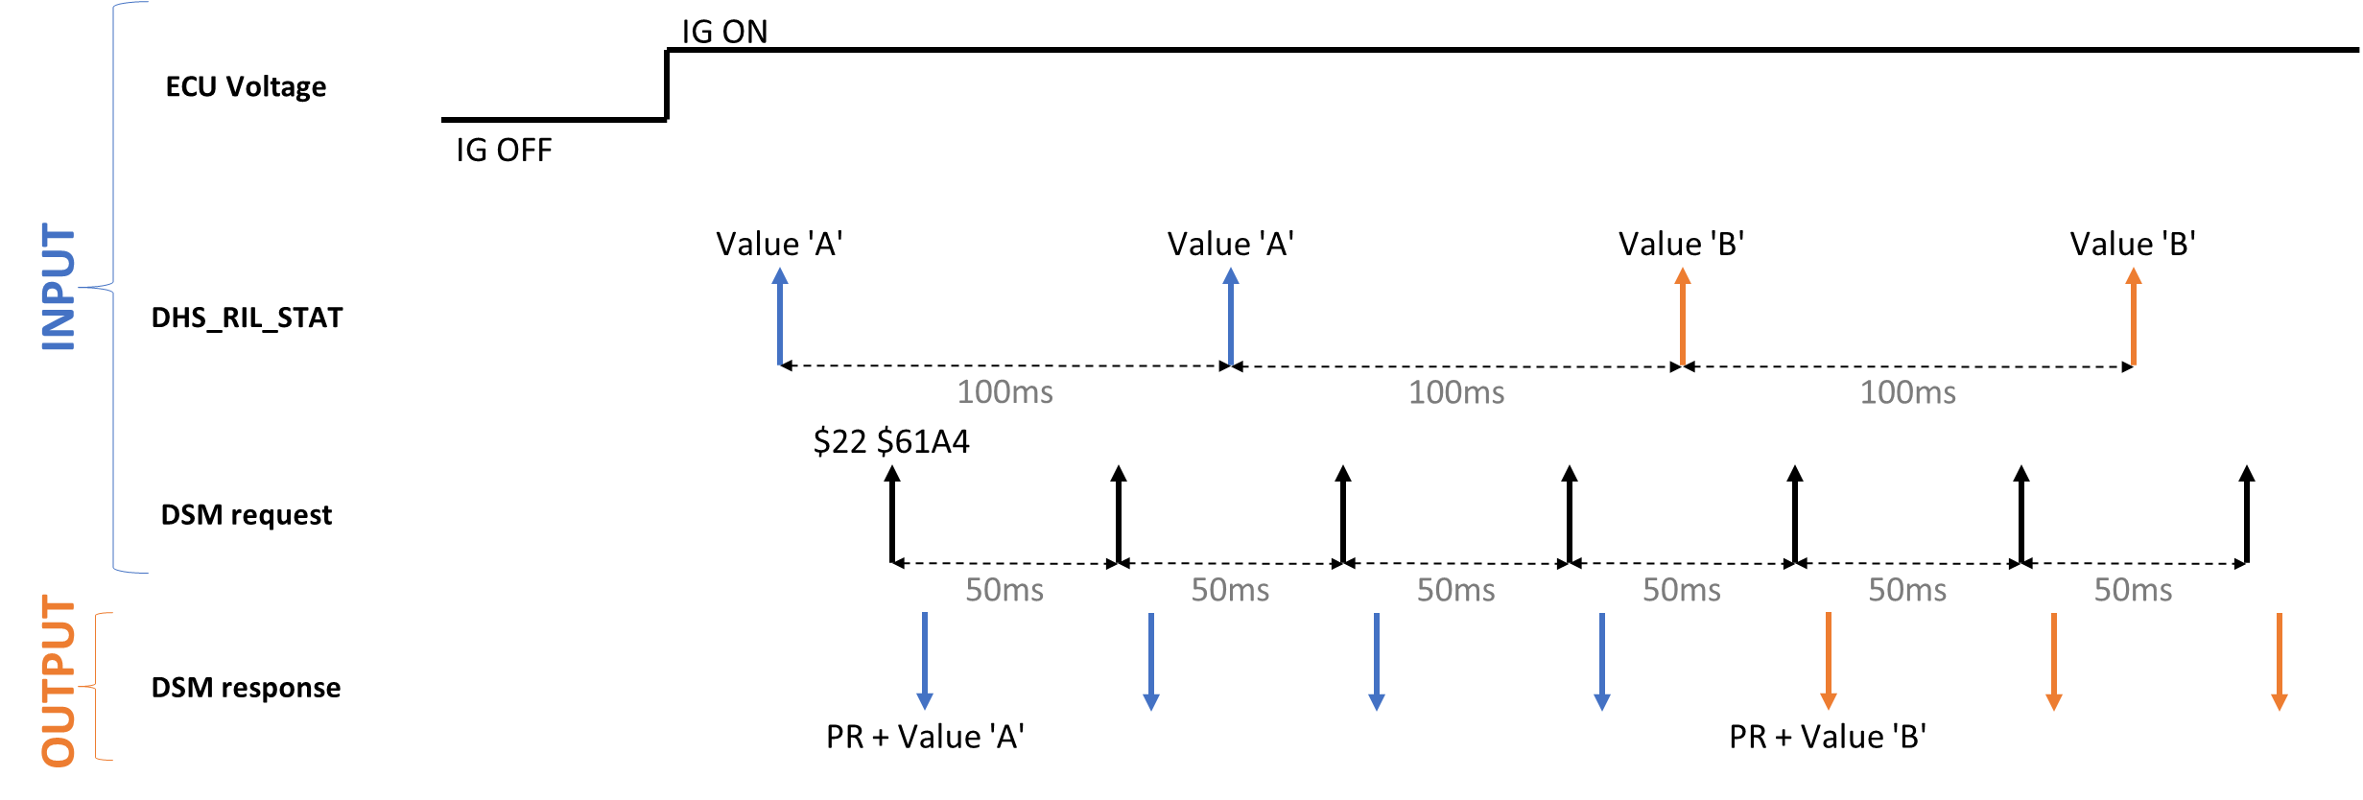

SRS Tag | Precondition |  |  | Input 1 |  |  |  | Output 1 |  |  | Input 2 |  |  |  |  | Output 2 |  | TS Tag
 | EPP configured | ECU mode | Voltage | Value of DHS_RIL_STAT | DSM request |  |  | DSM response |  |  | Value of DHS_RIL_STAT |  | DSM request |  |  | DSM response
SRS05_10597, 10598, 10599, 10600, 10603 | Yes | Normal Driving | Normal | $0 | $22 $61A4 Continously send request for each 50ms |  |  | $62 $61A4 + 00 00 00 00 00 00 00 |  |  | $1 |  | $22 $61A4 Continously send request for each 50ms |  |  | $62 $61A4 + 00 00 00 01 00 00 00 |  | TS_DHSWL_1290
 |  |  |  | $2 |  |  |  | $62 $61A4 + 00 00 00 02 00 00 00 |  |  | $3 |  |  |  |  | $62 $61A4 + 00 00 00 03 00 00 00 |  | TS_DHSWL_1291
 |  |  |  | $4 |  |  |  | $62 $61A4 + 00 00 00 04 00 00 00 |  |  | $5 |  |  |  |  | $62 $61A4 + 00 00 00 05 00 00 00 |  | TS_DHSWL_1292
 |  |  |  | $6 |  |  |  | $62 $61A4 + 00 00 00 06 00 00 01 |  |  | $7 |  |  |  |  | $62 $61A4 + 00 00 00 07 00 00 01 |  | TS_DHSWL_1295
 |  |  | High | $1 |  |  |  | $62 $61A4 + 00 00 00 01 00 00 00 |  |  | $0 |  |  |  |  | $62 $61A4 + 00 00 00 00 00 00 00 |  | TS_DHSWL_1293
 |  |  | Low | $3 |  |  |  | $62 $61A4 + 00 00 00 03 00 00 00 |  |  | $2 |  |  |  |  | $62 $61A4 + 00 00 00 02 00 00 00 |  | TS_DHSWL_1294

Table 2. Check DID $61A4 when lossing message 0x094 from IG ON

Confirmation Point: DID $61A4 shall response all $00 when lossing message 0x094 from IG ON

2.a) Normal Scenario: Fault TimeOut can be qualified - Normal/High Voltage |  |  |  |  |  |  |  |  |  |  |  |  |  |  |  | 2.b) Abnormal Scenario: Fault TimeOut cannot be qualified - Low Voltage (<10V) or Plant Mode 10

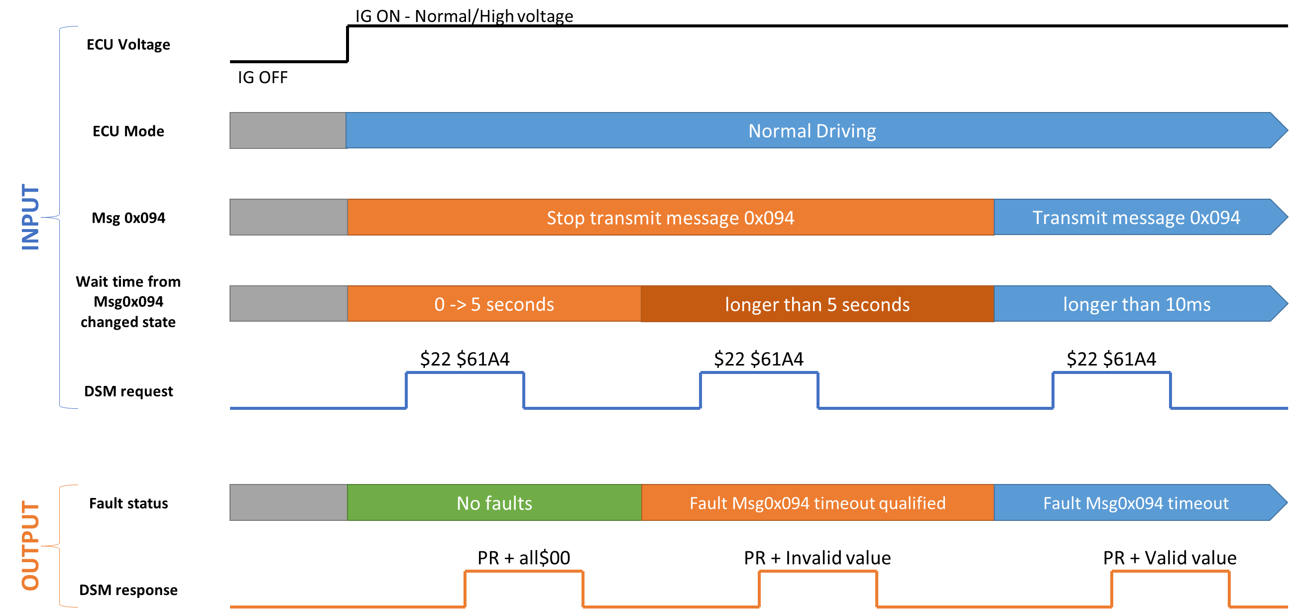
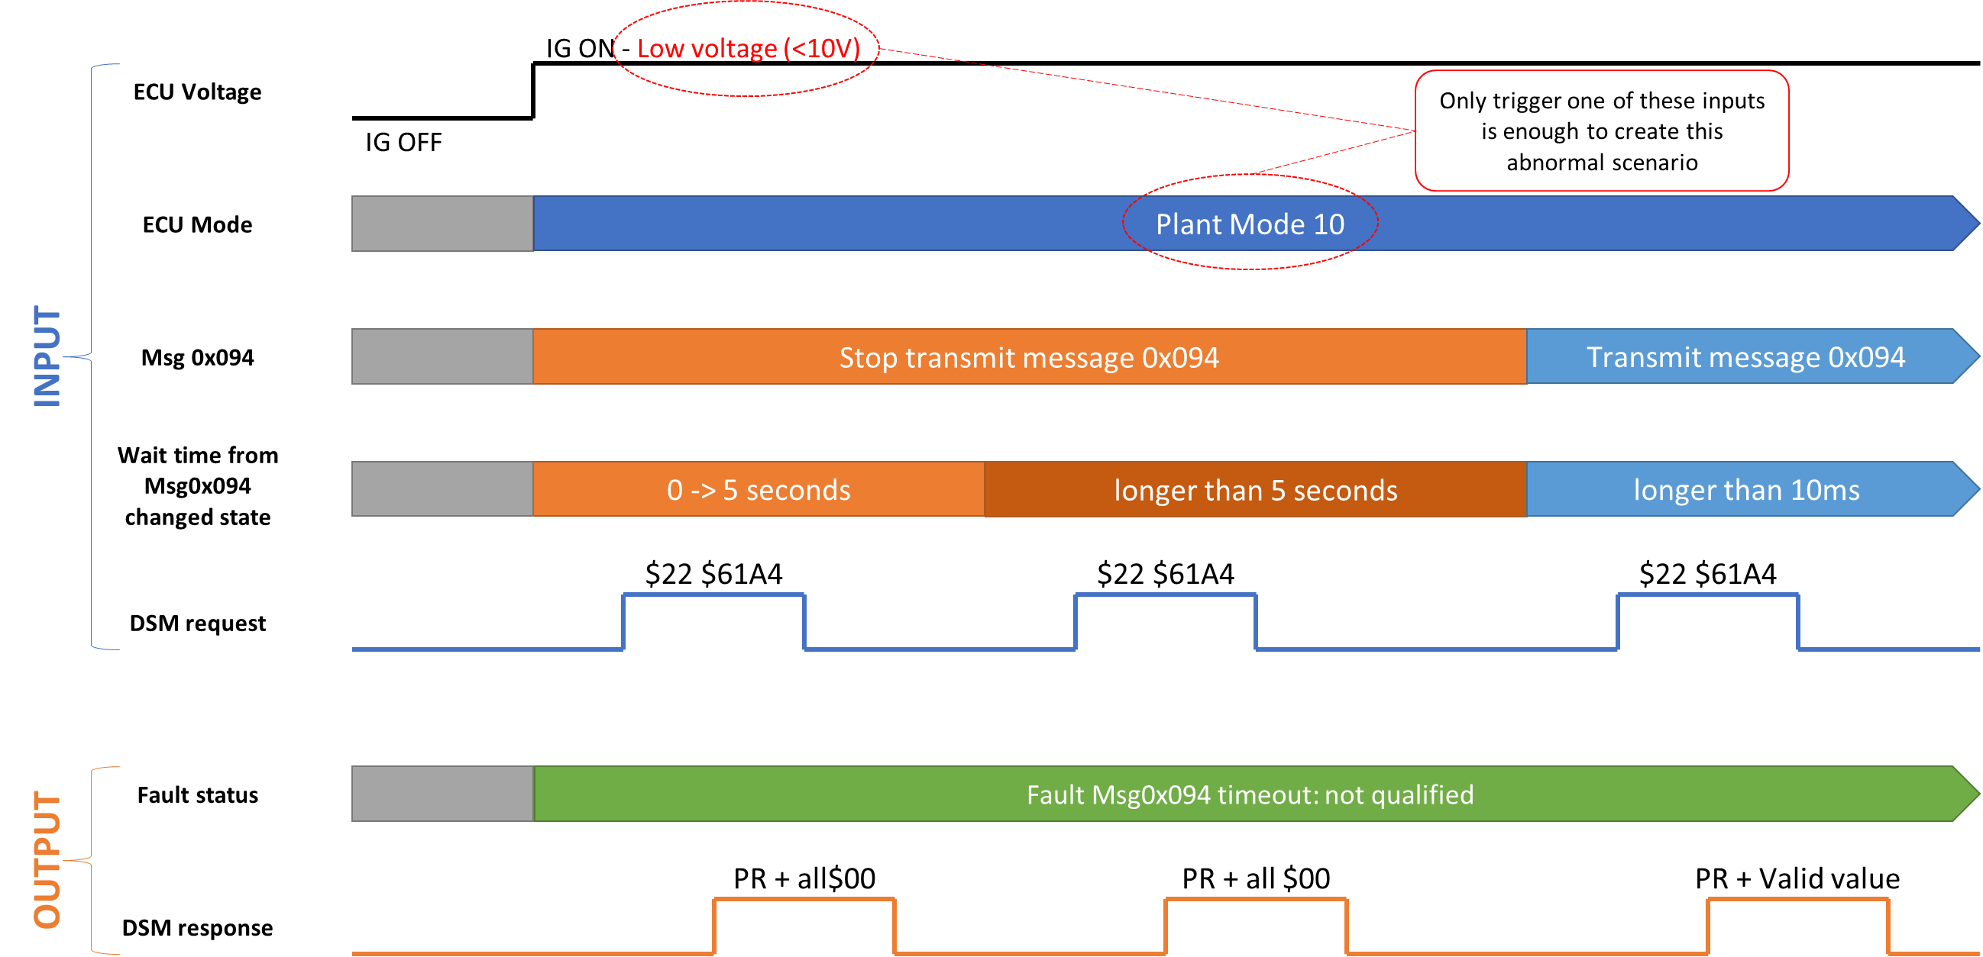

SRS Tag | Precondition |  |  | Input 1 |  |  |  | Output 1 |  |  |  | Input 2 |  |  | Output 2 |  |  |  |  | Input 3 |  |  |  |  | Output 3 |  |  |  |  | Test scenario | TS Tag
 | EPP configured | ECU mode | Voltage | Msg 0x094 | Wait time | DSM request |  | Fault memory |  | DSM response |  | Wait time | DSM request |  | Fault memory |  |  | DSM response |  | Msg 0x094 | Value of DHS_RIL_STAT | Wait time | DSM request |  | Fault memory |  |  | DSM response
SRS05_10597, 10598, 10599, 10600, 10604, 10669 | Yes | Normal Driving | Normal | Stop transmit | 3000ms | $22 $61A4 |  | No fault recorded |  | $62 $61A4 + all $00 |  | 4500ms* | $22 $61A4 |  | Fault 'rb_coa_CruiseMultiSwtchLostComm_flt': qualified |  |  | $62 $61A4 + 00 00 00 FF 00 00 00 |  | Allow to transmit | $1 | 200ms | $22 $61A4 |  | Fault 'rb_coa_CruiseMultiSwtchLostComm_flt': dequalified |  |  | $62 $61A4 + 00 00 00 01 00 00 00 |  | Normal scenario: 2a | TS_DHSWL_1267
 |  |  | High |  |  |  |  |  |  |  |  |  |  |  |  |  |  |  |  |  | $3 |  |  |  |  |  |  | $62 $61A4 + 00 00 00 03 00 00 00 |  |  | TS_DHSWL_1268
 |  |  | Low |  |  |  |  |  |  |  |  |  |  |  | No fault recorded |  |  | $62 $61A4 + 00 00 00 00 00 00 00 |  |  | $5 |  |  |  | No fault recorded |  |  | $62 $61A4 + 00 00 00 05 00 00 00 |  | Abnormal scenario: 2b | TS_DHSWL_1269
 |  | PlantMode 10 | Normal |  |  |  |  |  |  |  |  |  |  |  |  |  |  |  |  |  | $2 |  |  |  |  |  |  | $62 $61A4 + 00 00 00 02 00 00 00 |  |  | TS_DHSWL_1270

 |  |  |  |  |  |  |  |  |  |  |  | *NOTE: After send command to trigger turn on ECU, ECU might take some time to receive command and start to init (about 2 seconds). So we need to wait more than 7 seconds to qualified the fault (2 seconds to turn on ECU, 5 seconds for qualified time)

Table 3. Check DID $61A4 when fault related to Msg 0x094 qualified/dequalified

Confirmation Point: DID $61A4 shall response invalid value when faults related to message 0x094 is qualified

3.a) Normal Scenario: Fault related to Msg0x094 can be qualified - Normal/High Voltage |  |  |  |  |  |  |  |  |  |  |  |  |  |  |  |  |  |  | 3.b) Abnormal Scenario: Fault related to Msg0x094 cannot be qualified - Low Voltage (<10V) or Plant Mode 10

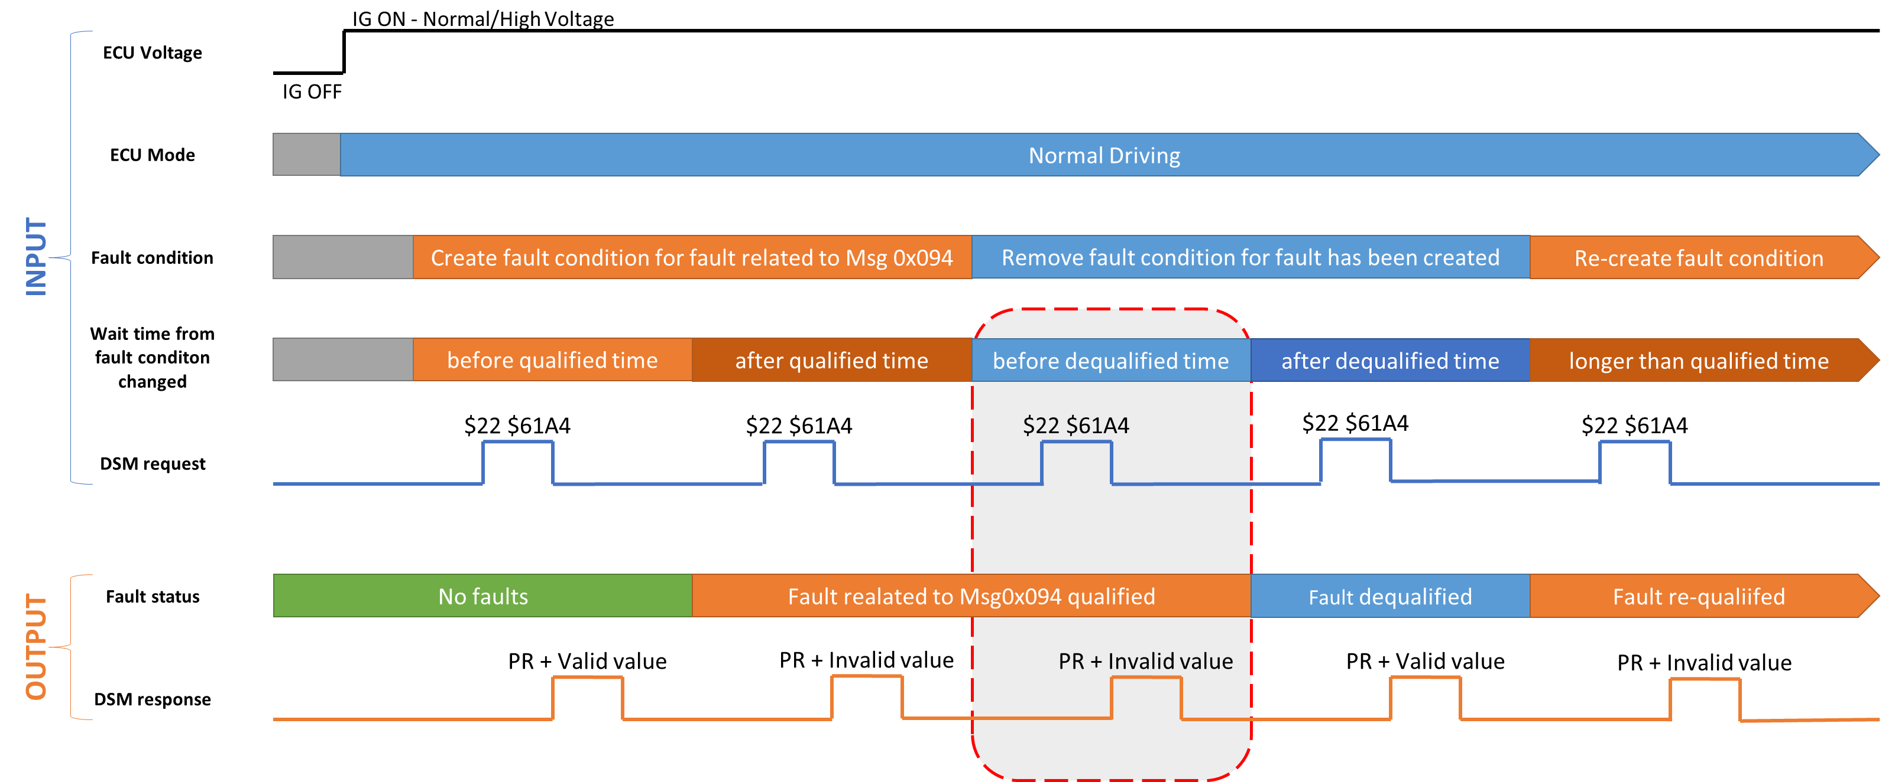
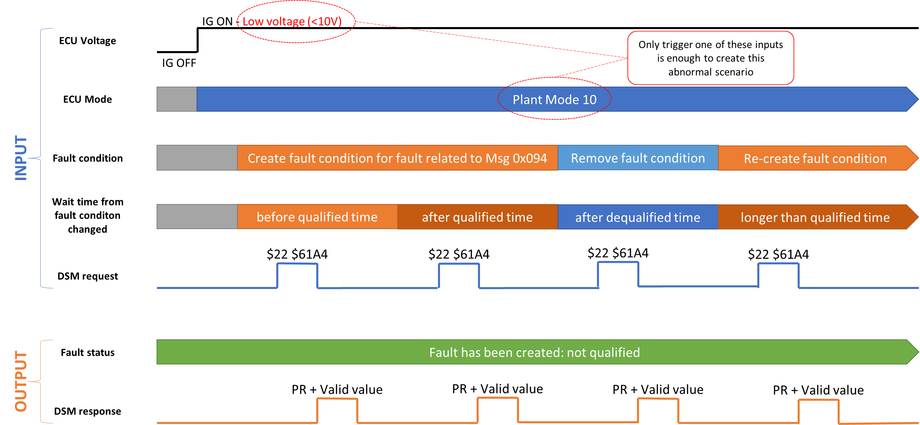

 |  |  |  |  |  |  |  |  |  | *NOTE: Because dequalified time for faults related to Msg 0x094 are very small (Immediately or 10ms), this output not be able to observed from RBT

SRS Tag | Precondition |  |  | Input 1 |  |  |  |  |  |  |  | Output 1 |  |  |  |  |  |  |  | Input 2 |  |  |  |  |  | Output 2 |  |  | Input 3 |  |  |  |  | Output 3 |  | Test Scenario | TS Tag
 | EPP configured | ECU mode | Voltage | Value of DHS_RIL_STAT | Create fault condition |  |  |  | Wait time T0 | Wait time T1 | DSM request | Fault memory 0 (after T0) |  | DSM response 0 (after T0) |  |  | Fault memory 1 (after T1) | DSM response 1b (after T1b) |  | Value of DHS_RIL_STAT | Remove fault condition |  |  | Wait time T2 | DSM request | Fault memory 2 (after T2) | DSM response 2 (after T2) |  | Re-create fault condition |  |  | Wait time T3 | DSM request | Fault memory 3 (after T3) | DSM response 3 (after T3)
SRS05_10597, 10598, 10599, 10600, 10669 | Yes | Normal Driving | Normal | $1 | DTC 0xC15600: stop transmit msg 0x094 |  |  |  | 3000ms | 2500ms | $22 $61A4 | No fault recorded |  | $62 $61A4 + 00 00 00 01 00 00 00 |  |  | DTC 0xC15600: qualified | $62 $61A4 + 00 00 00 FF 00 00 00 |  | $2 | DTC 0xC15600: transmit msg 0x094 |  |  | 200ms | $22 $61A4 | DTC 0xC15600: dequalified | $62 $61A4 + 00 00 00 02 00 00 00 |  | DTC 0xC15600: stop transmit msg 0x094 |  |  | 5000ms | $22 $61A4 | DTC 0xC15600: qualified | $62 $61A4 + 00 00 00 FF 00 00 00 | Normal scenario: 3a | TS_DHSWL_1271
 |  |  |  | $2 | DTC 0xC15641: transmit wrong checksum of msg 0x094 |  |  |  |  |  |  |  |  | $62 $61A4 + 00 00 00 02 00 00 00 |  |  | DTC 0xC15641: qualified |  |  | $3 | DTC 0xC15641: transmit correct checksum of msg 0x094 |  |  |  |  | DTC 0xC15641: dequalified | $62 $61A4 + 00 00 00 03 00 00 00 |  | DTC 0xC15641: transmit wrong checksum of msg 0x094 |  |  |  |  | DTC 0xC15641: qualified |  |  | TS_DHSWL_1272
 |  |  |  | $3 | DTC 0xC15682: transmit wrong counter of msg 0x094 |  |  |  |  |  |  |  |  | $62 $61A4 + 00 00 00 03 00 00 00 |  |  | DTC 0xC15682: qualified |  |  | $4 | DTC 0xC15682: transmit correct counter of msg 0x094 |  |  |  |  | DTC 0xC15682: dequalified | $62 $61A4 + 00 00 00 04 00 00 00 |  | DTC 0xC15682: transmit wrong counter of msg 0x094 |  |  |  |  | DTC 0xC15682: qualified |  |  | TS_DHSWL_1273
 |  |  |  | $4 | DTC 0xC15602: transmit wrong MAC/FV of msg 0x094 |  |  |  |  |  |  |  |  | $62 $61A4 + 00 00 00 04 00 00 00 |  |  | DTC 0xC15602: qualified |  |  | $5 | DTC 0xC15602: transmit correct MAC/FV of msg 0x094 |  |  |  |  | DTC 0xC15602: dequalified | $62 $61A4 + 00 00 00 05 00 00 00 |  | DTC 0xC15602: transmit wrong MAC/FV of msg 0x094 |  |  |  |  | DTC 0xC15602: qualified |  |  | TS_DHSWL_1274
 |  |  | High | $5 | DTC 0xC15641: transmit wrong checksum of msg 0x094 |  |  |  |  |  |  |  |  | $62 $61A4 + 00 00 00 05 00 00 00 |  |  | DTC 0xC15641: qualified |  |  | $0 | DTC 0xC15641: transmit correct checksum of msg 0x094 |  |  |  |  | DTC 0xC15641: dequalified | $62 $61A4 + 00 00 00 00 00 00 00 |  | DTC 0xC15641: transmit wrong checksum of msg 0x094 |  |  |  |  | DTC 0xC15641: qualified |  |  | TS_DHSWL_1275
 |  |  |  | $1 | DTC 0xC15682: transmit wrong counter of msg 0x094 |  |  |  |  |  |  |  |  | $62 $61A4 + 00 00 00 01 00 00 00 |  |  | DTC 0xC15682: qualified |  |  | $0 | DTC 0xC15682: transmit correct counter of msg 0x094 |  |  |  |  | DTC 0xC15682: dequalified | $62 $61A4 + 00 00 00 00 00 00 00 |  | DTC 0xC15682: transmit wrong counter of msg 0x094 |  |  |  |  | DTC 0xC15682: qualified |  |  | TS_DHSWL_1276
 |  |  | Low | $2 | DTC 0xC15602: transmit wrong MAC/FV of msg 0x094 |  |  |  |  |  |  |  |  | $62 $61A4 + 00 00 00 02 00 00 00 |  |  | DTC 0xC15602: qualified** |  |  | $1 | DTC 0xC15602: transmit correct MAC/FV of msg 0x094 |  |  |  |  | DTC 0xC15602: dequalified | $62 $61A4 + 00 00 00 01 00 00 00 |  | DTC 0xC15602: transmit wrong MAC/FV of msg 0x094 |  |  |  |  | DTC 0xC15602: qualified |  |  | TS_DHSWL_1277
 |  |  |  | $3 | DTC 0xC15600: stop transmit msg 0x094 |  |  |  |  |  |  |  |  | $62 $61A4 + 00 00 00 03 00 00 00 |  |  | No fault recorded | $62 $61A4 + 00 00 00 03 00 00 00 |  | $2 | DTC 0xC15600: transmit msg 0x094 |  |  |  |  | No fault recorded | $62 $61A4 + 00 00 00 02 00 00 00 |  | DTC 0xC15600: stop transmit msg 0x094 |  |  |  |  | No fault recorded | $62 $61A4 + 00 00 00 02 00 00 00 | Abormal scenario: 3b | TS_DHSWL_1278
 |  |  |  | $4 | DTC 0xC15641: transmit wrong checksum of msg 0x094 |  |  |  |  |  |  |  |  | $62 $61A4 + 00 00 00 04 00 00 00 |  |  |  | $62 $61A4 + 00 00 00 04 00 00 00 |  | $3 | DTC 0xC15641: transmit correct checksum of msg 0x094 |  |  |  |  |  | $62 $61A4 + 00 00 00 03 00 00 00 |  | DTC 0xC15641: transmit wrong checksum of msg 0x094 |  |  |  |  |  | $62 $61A4 + 00 00 00 03 00 00 00 |  | TS_DHSWL_1279
 |  |  |  | $5 | DTC 0xC15682: transmit wrong counter of msg 0x094 |  |  |  |  |  |  |  |  | $62 $61A4 + 00 00 00 05 00 00 00 |  |  |  | $62 $61A4 + 00 00 00 05 00 00 00 |  | $4 | DTC 0xC15682: transmit correct counter of msg 0x094 |  |  |  |  |  | $62 $61A4 + 00 00 00 04 00 00 00 |  | DTC 0xC15682: transmit wrong counter of msg 0x094 |  |  |  |  |  | $62 $61A4 + 00 00 00 04 00 00 00 |  | TS_DHSWL_1280
 |  | PlantMode 10 | Normal | $1 | DTC 0xC15600: stop transmit msg 0x094 |  |  |  |  |  |  |  |  | $62 $61A4 + 00 00 00 01 00 00 00 |  |  |  | $62 $61A4 + 00 00 00 01 00 00 00 |  | $3 | DTC 0xC15600: transmit msg 0x094 |  |  |  |  |  | $62 $61A4 + 00 00 00 03 00 00 00 |  | DTC 0xC15600: stop transmit msg 0x094 |  |  |  |  |  | $62 $61A4 + 00 00 00 03 00 00 00 |  | TS_DHSWL_1281
 |  |  |  | $2 | DTC 0xC15641: transmit wrong checksum of msg 0x094 |  |  |  |  |  |  |  |  | $62 $61A4 + 00 00 00 02 00 00 00 |  |  |  | $62 $61A4 + 00 00 00 02 00 00 00 |  | $4 | DTC 0xC15641: transmit correct checksum of msg 0x094 |  |  |  |  |  | $62 $61A4 + 00 00 00 04 00 00 00 |  | DTC 0xC15641: transmit wrong checksum of msg 0x094 |  |  |  |  |  | $62 $61A4 + 00 00 00 04 00 00 00 |  | TS_DHSWL_1282
 |  |  |  | $3 | DTC 0xC15682: transmit wrong counter of msg 0x094 |  |  |  |  |  |  |  |  | $62 $61A4 + 00 00 00 03 00 00 00 |  |  |  | $62 $61A4 + 00 00 00 03 00 00 00 |  | $5 | DTC 0xC15682: transmit correct counter of msg 0x094 |  |  |  |  |  | $62 $61A4 + 00 00 00 05 00 00 00 |  | DTC 0xC15682: transmit wrong counter of msg 0x094 |  |  |  |  |  | $62 $61A4 + 00 00 00 05 00 00 00 |  | TS_DHSWL_1283

 |  |  |  |  |  |  |  |  |  |  |  |  |  |  |  |  | **NOTE: Fault wrong MAC/FV doesn't have voltage dependency → It can be qualified/dequalified even in Low Voltage condition

Table 4. Check DID $61A4 when EPP system is deconfigured

Confirmation Point: When EPP is deconfigued, DID $61A4 shall response invalid value in all condition

SRS Tag | Precondition |  |  |  |  |  | Input 1 |  |  |  |  |  |  |  | Output 1 |  |  |  | TS Tag
 | EPP configured | ECU mode | Voltage | Fault status precondition |  |  | Value of DHS_RIL_STAT |  | Create condition |  |  |  | Wait time | DSM request | Fault memory |  | DSM response
SRS05_10597, 10598, 10599, 10600, 10602 | No | Normal Driving | Normal | No fault |  |  | $0 |  | No fault |  |  |  | 3000ms | $22 $61A4 | No fault recorded |  | $62 $61A4 + 00 00 00 FF 00 00 00 |  | TS_DHSWL_1284
 |  |  |  | No fault |  |  | $1 |  | Lost message 0x094 from IG On |  |  |  |  |  | No fault recorded |  |  |  | TS_DHSWL_1285
 |  |  |  | Qualified DTC 0xC15600: stop transmit msg 0x094 |  |  | $2 |  | DTC 0xC15600: transmit msg 0x094 |  |  |  |  |  | DTC 0xC15600: dequalified |  |  |  | TS_DHSWL_1286
 |  |  |  | Qualified DTC 0xC15641: wrong checksum of msg 0x094 |  |  | $3 |  | DTC 0xC15641: transmit correct checksum of msg 0x094 |  |  |  |  |  | DTC 0xC15641: dequalified |  |  |  | TS_DHSWL_1287
 |  |  |  | Qualified DTC 0xC15682: wrong counter of msg 0x094 |  |  | $4 |  | DTC 0xC15682: transmit correct counter of msg 0x094 |  |  |  |  |  | DTC 0xC15682: dequalified |  |  |  | TS_DHSWL_1288
 |  |  |  | Qualified DTC 0xC15602: wrong MAC/FV of msg 0x094 |  |  | $5 |  | DTC 0xC15602: transmit correct MAC/FV of msg 0x094 |  |  |  |  |  | DTC 0xC15602: dequalified |  |  |  | TS_DHSWL_1289

