Overview_ADAS
Software Test Design Specification (SWTDS) - Overview (Finding test conditions)

Project information |  |  | Feature for customer (Motivation, Scope, Purpose) |  |  |  |  | Document information
Product / Project | AB12/Mazda Gen7 |  | To generate the crash related information to CAN CO signals in different conditions of ECU |  |  |  |  | Document Nr. | 1
Test item | ADAS feature |  |  |  |  |  |  | Author | Nguyen Minh Dang (MS/EPS42-CC)
Review history |  |  |  |  |  |  |  | Time frame | 08 August, 2022
Date on review | Review team |  |  |  |  |  |  | Test basis
 |  |  |  |  |  |  |  | Name |  | Baseline/Revision
 |  |  |  |  |  |  |  | SRS01_CO_MazdaCrashOutput__CustLib |  | 1.54
 |  |  |  |  |  |  |  | SYRS579_ADAS_Signal_Request_Specification__CustLib |  | 13.6
 |  |  |  |  |  |  |  | CRS545_ADAS_Signal_request_specification__CustLib |  | 12.4
 |  |  |  |  |  |  |  | CRS522_G70S2_CANFD_D01g_withVehicle_MNOS_RCM__CustLib |  | 16.2
Visualization of the test design (overview)

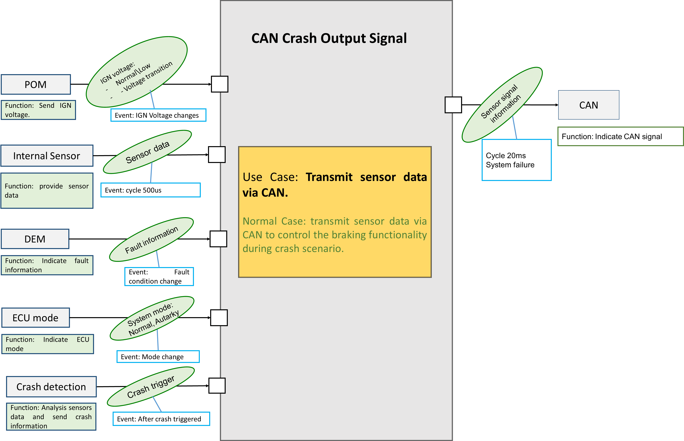

Hint to find test conditions in airbag system -> Please find details in the "Feature library". |  |  |  |  |  | Change history
Feature |  | Awareness keywords |  | Feature | Awarness keywords | Nr. | Change
Power supply condition |  | High, Low, Normal, Fractuation |  | Inputs | Central/Peripheral sensor | 1 | Nguyen Thuy Duong
Fault recorder |  | Step-up/down, Next power-on cycle |  | Outputs | CAN Crash Output
Communication (CAN/LIN) |  | Diagnositc communication |  | Bosch/Customer plant | Plant mode operation, Customer plant features
ECU mode |  | Idle, Disposal, Autarky, Plant mode, transition |  | Comapplication | Bus off condition handling
Crash detection, Deployment |  | Disabling/Enabling algorithms, SCON

Overview_CAN_HVcut
Software Test Design Specification (SWTDS) - Overview (Finding test conditions)

Project information |  |  | Feature for customer (Motivation, Scope, Purpose) |  |  |  |  | Document information
Product / Project | AB12/Mazda Gen7 |  | To generate the crash related information to CAN CO signals in different conditions of ECU |  |  |  |  | Document Nr. | 1
Test item | CO feature |  |  |  |  |  |  | Author | Nguyen Thuy Duong (MS/EPS42-CC)
Review history |  |  |  |  |  |  |  | Time frame | 12 April, 2022
Date on review | Review team |  |  |  |  |  |  | Test basis
 |  |  |  |  |  |  |  | Name |  | Baseline/Revision
 |  |  |  |  |  |  |  | CRS377_RCM_Collision_Judgment_Signal__CustLib |  | 12.5
 |  |  |  |  |  |  |  | CRS522_G70S2_CANFD_D01g_withVehicle_MNOS_RCM__CustLib |  | 15.7
 |  |  |  |  |  |  |  | SYRS318_SSDS_DTC__CustLib |  | 13.3

Visualization of the test design (overview)

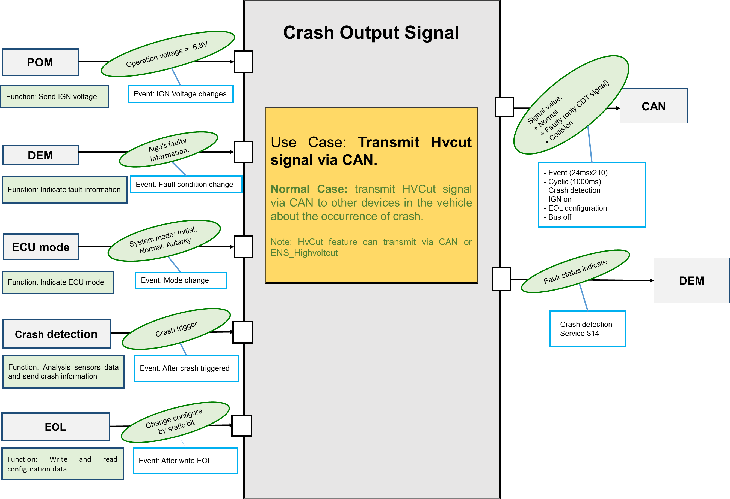

Hint to find test conditions in airbag system -> Please find details in the "Feature library". |  |  |  |  |  | Change history
Feature |  | Awareness keywords |  | Feature | Awarness keywords | Nr. | Change
Power supply condition |  | High, Low, Normal, Fractuation |  | Inputs | Central/Peripheral sensor | 1 | Nguyen Thuy Duong
Fault recorder |  | Step-up/down, Next power-on cycle |  | Outputs | CAN/ Hard wire Crash Output
Communication (CAN/LIN) |  | Diagnositc communication |  | Bosch/Customer plant | Plant mode operation, Customer plant features
ECU mode |  | Idle, Disposal, Autarky, Plant mode, transition |  | Comapplication | Bus off condition handling
Crash detection, Deployment |  | Disabling/Enabling algorithms, SCON

FindDependency_ADAS
Software Test Design Specification (SWTDS) - Finding Dependency

Step 1: Structure of this test item with external (controllable/measurable) inputs/outputs |  |  |  |  |  |  | Normal Case: transmit sensor data via CAN to control the braking functionality during crash scenario.
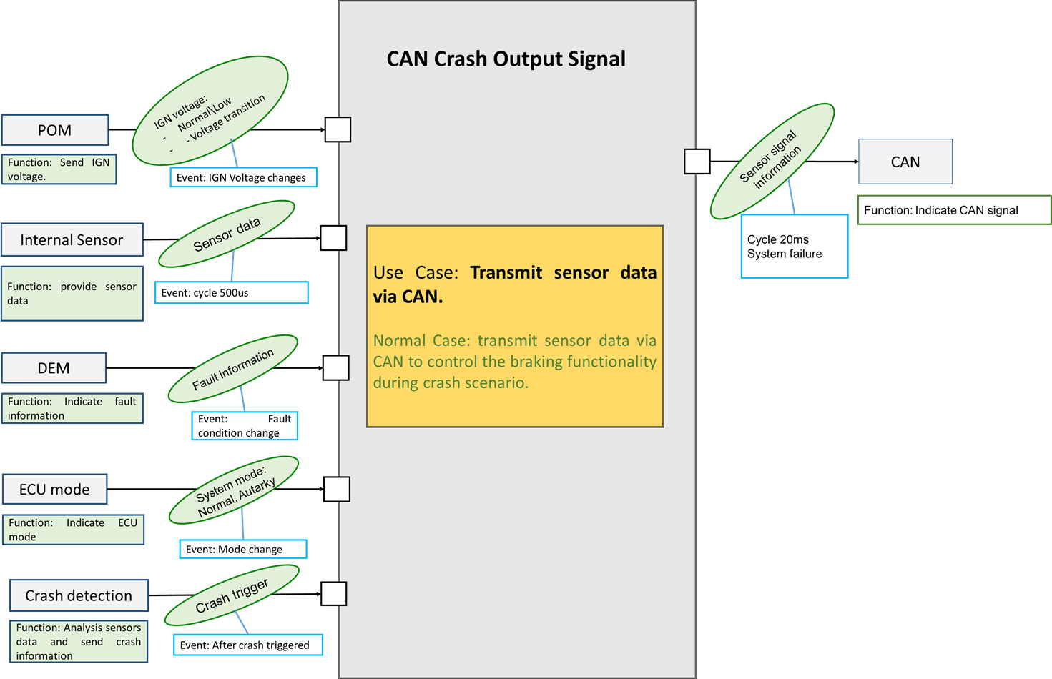
12V
0V
Voltage
Intial
Normal
Crash
ECU state
Data source from SW:
SAS_dVx_AACN
SAS_dVy_AACN
0xFE
0xFE
Actual value
Step 3: Think behaviours of this structure.

Data source from ALGO:
SAS_dVx_Event
0xFFFE
Actual value
0xFE

SAS_Gx, SAS_Gy
0x3FE
Actual value

SAS_Gz
0x3FFE
Actual value

SAS_dVx_Periodic, SAS_dVy_Periodic
0xFFFE
Actual value

 |  |  |  |  |  | Polarity of ADAS signals: |  | X-axis value shall be positive if a rear crash is injected and negative if a front crash is injected
 |  |  |  |  |  |  |  | Y-axis value shall be positive if a left side crash is injected and negative if a right side crash is injected
 | Step 2: Think function of this structure.
Functions (Test conditions) | Input (=>) | Send power status | Aspects of this function |  |  |  |  | Scenario 1 - Normal case: Send sensor data after inject crash. |  |  |  | Scenario 2 - Abrormal case: Send sensor data vith different ECU mode.

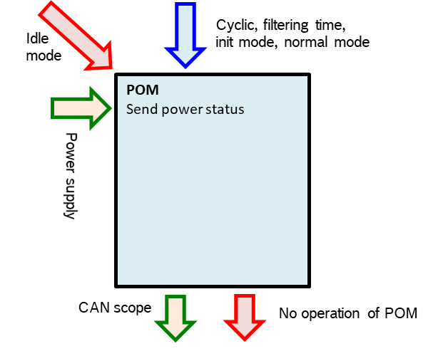
 |  |  |  |  |  | SAS_dVx_AACN, SAS_dVy_AACN and SAS_dVx_Event should be transmit actual value from T0 to T0 +300ms then transmit initial value |  |  |  |  | SAS_dVx_AACN, SAS_dVy_AACN and SAS_dVx_Event should be transmit initial value in initial/steady mode.
 |  |  |  |  |  | SAS_Gx, SAS_Gy, SAS_Gz, SAS_dVx_Periodic, SAS_dVy_Periodic should transmit actual value after initial time |  |  |  |  | SAS_Gx, SAS_Gy, SAS_Gz, SAS_dVx_Periodic, SAS_dVy_Periodic should be transmit initial value in initial mode and actual value in normal mode.
 |  |  |  | (1) Power suply: |  | * In case of 1st event shorter than 300ms (T02-T01<300ms), AACN signals will transmit actual value from T01 -> T01 + 300ms |  |  |  |  | When after trigger turn off ECU and voltage is down below 6.3V, SAS_dVx_AACN, SAS_dVy_AACN, SAS_dVx_Event, SAS_Gx, SAS_Gy, SAS_Gz, SAS_dVx_Periodic, SAS_dVy_Periodic should be transmit Invalid value.
Voltage
12V
20ms
 |  |  |  |  | Normal
0V
1st event
2nd event
12V
 |  |  |  |  | Low
Voltage
< 6.3V
 |  |  |  |  | High
Initial
Steady
0V
Init
Steady
Autarky
Init
Steady
T01
T02
SAS_dVx_AACN , SAS_dVy_AACN
0xFE
0xFE
0xFF
0xFE
Actual value
0xFE
Actual value
0xFE
SAS_dVx_AACN , SAS_dVy_AACN
0xFE
0xFE
300ms
300ms
0xFFFF
SAS_dVx_Event
0xFE
0xFE
0xFFFE
0xFFFE
0xFFFE
Actual value
0xFFFE
Actual value
0xFFFE
SAS_dVx_Event
300ms
300ms
Actual Value
0x3FF
Actual Value
0x3FE
SAS_Gx, SAS_Gy
0x3FE
Actual value
SAS_Gx, SAS_Gy
0x3FE

Actual Value
0x3FFF
Actual Value
 | Input (=>) | Indicate ECU mode | Aspects of this function
SAS_Gz
0x3FFE
ECU Mode
Indicate ECU mode
IGN ON + No fault
Voltage [>6.7] V
PS Diag
Abnormal voltage
ECU mode isn't indicated
0x3FFFE
Actual value
SAS_Gz
0x3FFE
SAS_dVx_Periodic, SAS_dVy_Periodic
Actual Value
0xFFFF
Actual Value
0xFFFE
Actual value
SAS_dVx_Periodic, SAS_dVy_Periodic
0xFFFE
 |  |  |  | (1) System mode:
 |  |  |  |  | Init
 |  |  |  |  | Steady
0xFFFE
 |  |  |  |  | Autarky

 |  |  |  |  |  |  |  | Scenario 3 - Abormal case: Send sensor data with different voltage |  |  |  |  | Scenario 4 - Abrormal case: Send invalid value (0xFF) when sensor fault (*) is qualified.

18V
Voltage
0V
12V
 |  |  |  |  |  | SAS_dVx_AACN, SAS_dVy_AACN and SAS_dVx_Event should be transmit initial value with Normal voltage |  |  |  |  | SAS_dVx_AACN, SAS_dVy_AACN, SAS_dVx_Event, SAS_Gx, SAS_Gy, SAS_Gz, SAS_dVx_Periodic, SAS_dVy_Periodic should be transmit invalid value after sensor fault (*) is qualified.
 |  |  |  |  |  | SAS_Gx, SAS_Gy, SAS_Gz, SAS_dVx_Periodic, SAS_dVy_Periodic should be transmit initial value with Normal voltage |  |  |  |  | (*) One of list fault in cell I70
 |  |  |  |  |  | When Voltage < 6.3V, SAS_dVx_AACN, SAS_dVy_AACN and SAS_dVx_Event should be transmit Invalid value

12V
6V
12V
Initial
Steady
Initial
Steady
Voltage
0V
Qualified
Reset ECU
0xFF
Sensor fault
No qualified
Dequalified
SAS_dVx_AACN , SAS_dVy_AACN
0xFE
0xFE
 | Input (=>) | Provide sensor data | Aspects of this function
Internal Sensor
Provide sensor data
IGN on + no fault
CAN trace
Normal mode, Crash injection
Invalid value is obtained.
Sensor fault
SAS_dVx_AACN , SAS_dVy_AACN
0xFE
0xFF
0xFE
0xFF
0xFE
 |  |  |  | (1) Sensor fault
 |  |  |  |  | rb_csem_InitGroup1SmaMain_flt
 |  |  |  |  | rb_csem_InitGroup1SmaPlausi_flt
 |  |  |  |  | rb_csem_InitGroup2SmaMain_flt
 |  |  |  |  | rb_csem_InitGroup2SmaPlausi_flt
 |  |  |  |  | rb_csem_InitGroup3SmaMain_flt
 |  |  |  |  | rb_csem_InitGroup3SmaPlausi_flt
 |  |  |  |  | rb_csem_InitGroup4SmaMain_flt
 |  |  |  |  | rb_csem_InitGroup4SmaPlausi_flt
 |  |  |  |  | rb_csem_CyclRTMonSmaMain_flt
 |  |  |  |  | rb_csem_CyclRTMonSmaPlausi_flt
 |  |  |  |  | rb_csem_SignalMonCtrlMain_flt
 |  |  |  |  | rb_csem_SignalMonCtrlPlausi_flt
 |  |  |  |  | rb_algi_CustCtrlMainSensorSDP_flt

 |  |  |  | (2) Crash injection
 |  |  |  |  | Single
 |  |  |  |  | Paralle
 |  |  |  |  | Muilti |  |  |  |  | Scenario 5 - Abnormal case: keep transmit invalid value when qualified sensor fault then inject crash |  | Scenario 6 - Abrormal case: Trigger autarky after inject crash

 | Input (=>) | Indicate fault information | Aspects of this function |  |  | SAS_dVx_AACN, SAS_dVy_AACN, SAS_dVx_Event, SAS_Gx, SAS_Gy, SAS_Gz, SAS_dVx_Periodic, SAS_dVy_Periodic should be transmit invalid value and keep this value after inject crash until sensor fault is remove |  |  |  |  | SAS_dVx_AACN, SAS_dVy_AACN, SAS_dVx_Event, SAS_Gx, SAS_Gy, SAS_Gz, SAS_dVx_Periodic, SAS_dVy_Periodic should be transmit invalid value after power down below 6.3V.
DEM
Indicate fault information
Fault qualify
CAN trace, PS Diag
DEM condition
No fault recorded
Power down, Mazda plant mode
12V
Crash injecttion
Voltage
0V
12V
1st Event
2nd Event
Voltage
< 6.3V
0V
 |  |  |  | (1) DEM condition :
 |  |  |  |  | Normal mode
 |  |  |  |  | Qualification time
Initial
Steady
Init
Steady
Autarky
3s
Qualified
Dequalified
0xFF
Sensor fault
No qualified
5s
SAS_dVx_AACN , SAS_dVy_AACN
0xFE
Actual value
0xFF
Actual value
SAS_dVx_AACN , SAS_dVy_AACN
0xFE
0xFE

T02
T02+300

 | Input (=>) | Analysis sensors data and send crash information | Aspects of this function
Crash Detection
Analysis sensors data and send crash information
IGN on + no fault
CAN trace
Normal mode, Crash injection
Invalid value is obtained.
Sensor fault

 |  |  |  | (1) Sensor fault
 |  |  |  |  | rb_csem_InitGroup1SmaMain_flt
 |  |  |  |  | rb_csem_InitGroup1SmaPlausi_flt
 |  |  |  |  | rb_csem_InitGroup2SmaMain_flt
 |  |  |  |  | rb_csem_InitGroup2SmaPlausi_flt
 |  |  |  |  | rb_csem_InitGroup3SmaMain_flt
 |  |  |  |  | rb_csem_InitGroup3SmaPlausi_flt
 |  |  |  |  | rb_csem_InitGroup4SmaMain_flt
 |  |  |  |  | rb_csem_InitGroup4SmaPlausi_flt
 |  |  |  |  | rb_csem_CyclRTMonSmaMain_flt
 |  |  |  |  | rb_csem_CyclRTMonSmaPlausi_flt
 |  |  |  |  | rb_csem_SignalMonCtrlMain_flt
 |  |  |  |  | rb_csem_SignalMonCtrlPlausi_flt
 |  |  |  |  | rb_algi_CustCtrlMainSensorSDP_flt

 |  |  |  | (2) Crash injection
 |  |  |  |  | Single
 |  |  |  |  | Paralle |  |  |  | Scenario 7 - Abormal case: Send sensor data when bus off condition happen
 |  |  |  |  | Muilti
 | (=>) Output | Indicate CAN signal | Aspects of this function |  |  | After Bus off recover SAS_dVx_AACN and SAS_dVy_AACN should be transmit normal.
Trigger :
Inject crash
CAN trace
CAN
Indicate CAN signal
Can't transmit
CAN signal
-Voltage: >6.3V
- cyclic 20ms
- No Bus off
12V
After Bus off recover
Bus off
Initial
Steady
 |  |  |  | (1) Signal transmition
 |  |  |  |  | SAS_dVx_AACN
 |  |  |  |  | SAS_dVy_AACN
0V
 |  |  |  |  | SAS_dVx_Event
Voltage
 |  |  |  |  | SAS_Gx
SAS_dVx_AACN , SAS_dVy_AACN
0xFE
0xFE
 |  |  |  |  | SAS_Gy
 |  |  |  |  | SAS_Gz
 |  |  |  |  | SAS_dVx_Periodic
 |  |  |  |  | SAS_dVy_Periodic

 |  |  | Note: | Regardless of steering configuration, The signs of ADAS signal
 |  |  |  | is the same for RHD and LHD config

Matrix_ADAS
 | 1. Aim of the test: Check SAS_Gx, SAS_Gy, SAS_Gz, SAS_dVx_Periodic, SAS_dVy_Periodic, SAS_dVx_AACN, SAS_dVy_AACN, SAS_dVx_Event signal when trigger crash
 | 2. Confirmation point:
 | In Initial and Normal state: - SAS_dVx_AACN, SAS_dVy_AACN and SAS_dVx_Event signal should be transmit initial value. - SAS_Gx, SAS_Gy, SAS_Gz, SAS_dVx_Periodic and SAS_dVy_Periodic should transmit initial value within 1050ms after fisrt message transmit then transmit actual value.
 | After inject crash (T0 to T0+300ms): SSAS_Gx, SAS_Gy, SAS_Gz, SAS_dVx_Periodic, SAS_dVy_Periodic, SAS_dVx_AACN, SAS_dVy_AACN, SAS_dVx_Event should be transmit actual value of sensor in 300ms via CAN Message when the following crashes are triggered: Front, SideLeft, SideRight, Rear.
 | After inject crash (>T0+300ms): - SAS_dVx_AACN, SAS_dVy_AACN and SAS_dVx_Event signal should be transmit initial value. - SAS_Gx, SAS_Gy, SAS_Gz, SAS_dVx_Periodic and SAS_dVy_Periodic should be transmit actual value.

 | 3. Condition considered:
 | pre -condition: ECU mode, voltage, fault or not

 | Type of collision: single, parallel, multi collision

 | 4. Testing techniques: use cases
 | 5. Dependency:
 | - SAS_Gx, SAS_Gy, SAS_Gz, SAS_dVx_Periodic, SAS_dVy_Periodic, SAS_dVx_AACN, SAS_dVy_AACN, SAS_dVx_Event signal is not relevant to HW.
 | - Voltage V<6.3V, SAS_Gx, SAS_Gy, SAS_Gz, SAS_dVx_Periodic, SAS_dVy_Periodic, SAS_dVx_AACN, SAS_dVy_AACN, SAS_dVx_Event signal should be transmit invalid value (0xFF).
 | - If list fault in below is qualified, SAS_Gx, SAS_Gy, SAS_Gz, SAS_dVx_Periodic, SAS_dVy_Periodic, SAS_dVx_AACN, SAS_dVy_AACN, SAS_dVx_Event signal should be transmit invalid value(0xFF)

 | Fault type | Fault name |  |  |  | Note
 | Sensor fault | rb_csem_InitGroup1SmaMain_flt |  |  |  | Create in manitoo setup
 |  | rb_csem_InitGroup1SmaPlausi_flt
 |  | rb_csem_InitGroup2SmaMain_flt
 |  | rb_csem_InitGroup2SmaPlausi_flt
 |  | rb_csem_InitGroup3SmaMain_flt
 |  | rb_csem_InitGroup3SmaPlausi_flt
 |  | rb_csem_InitGroup4SmaMain_flt
 |  | rb_csem_InitGroup4SmaPlausi_flt
 |  | rb_csem_CyclRTMonSmaMain_flt
 |  | rb_csem_CyclRTMonSmaPlausi_flt
 |  | rb_csem_SignalMonCtrlMain_flt
 |  | rb_csem_SignalMonCtrlPlausi_flt
 | SDP fault | rb_algi_CustCtrlMainSensorSDP_flt |  |  |  | Request Algo team

Table 1: Check sensor data when collision not happened

 | a) (Scenario 2) Check sensor data in different mode

 | SRS ID | Precondition |  | Input 1 | Output 1 |  | Input 2 | Output 2 |  | Input 3 | Output 3 |  | TS ID | Remark
 |  | ADAS feature | Systeam | Set ECU Mode and IGN On | Signal Observation |  | Set ECU mode | Signal Observation |  | Set ECU mode | Signal Observation
 |  |  |  |  | SAS_dVx_AACN, SAS_dVy_AACN, SAS_dVx_Event | SAS_Gx, SAS_Gy, SAS_Gz, SAS_dVx_Periodic, SAS_dVy_Periodic |  | SAS_dVx_AACN, SAS_dVy_AACN, SAS_dVx_Event | SAS_Gx, SAS_Gy, SAS_Gz, SAS_dVx_Periodic, SAS_dVy_Periodic |  | SAS_dVx_AACN, SAS_dVy_AACN, SAS_dVx_Event | SAS_Gx, SAS_Gy, SAS_Gz, SAS_dVx_Periodic, SAS_dVy_Periodic |  |  | minhd@ng1
 | 1165 1166 1241 1247 1183 1184 1188 1189 1193 1194 1207 1208 1214 1215 1221 1222 1229 1230 1236 1237 | Support | No fault in system | Normal | Initial value | Initial value within 1050ms then actual value in normal state | Autarky | Initial value then Invalid value when IGN voltage falls below 6.3V | Actual value then Invalid value when IGN voltage falls below 6.3V | Normal | Initial value | Initial value within 1050ms then actual value in normal state | 2249
 |  |  |  | Plant mode |  |  |  |  |  |  |  |  | 2250

 | *Note: Actual value of signal SAS_Gx, SAS_Gy, SAS_Gz, SAS_dVx_Periodic, SAS_dVy_Periodic in case not inject crash will not handle by RBT, only need to evaluate: actual value different with initial and invald value
 | b) (Scenario 3) Check sensor data in different voltage

 | SRS ID | Precondition |  | Input 1 | Output 1 |  | Input 2 | Output 2 |  | Input 3 | Output 3 |  | Input 4 | Output 4 |  | TS ID | Remark
 |  | ADAS feature | Systeam | IGN On with voltage | Signal Observation |  | Set Voltage | Signal Observation |  | Set Voltage | Signal Observation |  | Set Voltage | Signal Observation
 |  |  |  |  | SAS_dVx_AACN, SAS_dVy_AACN, SAS_dVx_Event | SAS_Gx, SAS_Gy, SAS_Gz, SAS_dVx_Periodic, SAS_dVy_Periodic |  | SAS_dVx_AACN, SAS_dVy_AACN, SAS_dVx_Event | SAS_Gx, SAS_Gy, SAS_Gz, SAS_dVx_Periodic, SAS_dVy_Periodic |  | SAS_dVx_AACN, SAS_dVy_AACN, SAS_dVx_Event | SAS_Gx, SAS_Gy, SAS_Gz, SAS_dVx_Periodic, SAS_dVy_Periodic |  | SAS_dVx_AACN, SAS_dVy_AACN, SAS_dVx_Event | SAS_Gx, SAS_Gy, SAS_Gz, SAS_dVx_Periodic, SAS_dVy_Periodic
 | 1162 1163 1241 1247 1183 1184 1188 1189 1193 1194 1207 1208 1214 1215 1221 1222 1229 1230 1236 1237 | Support | No fault in system | 12V | Initial value | Initial value within 1050ms then actual value in normal state | 18V | Initial value | Actual value in normal state | 6V | Invalid value | Invalid value | 8V | Initial value | Actual value in normal state | 2314

 | *Note: Actual value of signal SAS_Gx, SAS_Gy, SAS_Gz, SAS_dVx_Periodic, SAS_dVy_Periodic in case not inject crash will not handle by RBT, only need to evaluate: actual value different with initial and invald value
Table 2 (Scenario 1): Check sensor data after inject single/paralle crash.

 | SRS ID | Precondition |  |  |  |  | Input 1 | Output 1 |  | Input 2 | Output 2 |  |  |  |  |  | TS ID | Remark
 |  | System | Steering configuration | ADAS Feature | Voltage | ECU Mode | IGN On and wait for | Signal Observation |  | Inject crash | Signal Observation
 |  |  |  |  |  |  |  | SAS_dVx_AACN, SAS_dVy_AACN, SAS_dVx_Event | SAS_Gx, SAS_Gy, SAS_Gz, SAS_dVx_Periodic, SAS_dVy_Periodic |  | SAS_Gx, SAS_dVx_Periodic, SAS_dVx_AACN | SAS_dVx_Event | SAS_Gy, SAS_dVy_Periodic, SAS_dVy_AACN | SAS_Gz | SAS_dVx_AACN, SAS_dVy_AACN, SAS_dVx_Event | SAS_Gx, SAS_Gy, SAS_Gz, SAS_dVx_Periodic, SAS_dVy_Periodic
 |  |  |  |  |  |  |  |  |  |  | Value of CAN signal with duration 300ms from T0 |  |  |  | After 300ms from T0
 | 1411 1413 1415 1241 1390 1391 1180 1181 1182 1396 1185 1186 1187 1397 1190 1191 1192 1398 1204 1205 1206 1399 1211 1212 1213 1400 1218 1219 1220 1394 1226 1227 1228 1378 1233 1234 1385 1401 1392 1148 1149 1151 1382 1418 1419 1420 1421 1422 | No fault in system | LHD | Support | Normal Voltage | Normal | Initial completed | Initial value | Initial value within 1050ms then actual value in normal state | Single_EDR_Front_AD_longer300ms;5 | Actual negative value in crash state | Actual negative value in crash state | Actual value in crash state | Actual value in crash state | Initial value | Actual value in normal state | 2259
 |  |  |  |  |  |  |  |  |  | Single_EDR_SideRight_Inflatable;5 | Actual value in crash state | Initial value | Actual negative value in crash state |  |  |  | 2260
 |  |  |  |  |  |  |  |  |  | Single_EDR_Rear_NonInflatable;5 | Actual positive value in crash state | Actual positive value in crash state | Actual value in crash state |  |  |  | 2261
 |  |  |  |  |  |  |  |  |  | Single_EDR_Front_NonInflatable;5 | Actual negative value in crash state | Actual negative value in crash state | Actual value in crash state |  |  |  | 2438
 |  |  |  |  |  |  |  |  |  | Single_EDR_SideLeft_Inflatable;5 | Actual value in crash state | Initial value | Actual positive value in crash state |  |  |  | 2262
 |  |  |  |  |  |  |  |  |  | Single_EDR_Rollover_Inflatable;5 | Actual value in crash state | Initial value | Actual value in crash state |  |  |  | 2263
 |  |  |  |  |  |  |  |  |  | Single_EDR_Front_above_8kph_NoDeployment;5 | Actual negative value in crash state | Actual negative value in crash state | Actual value in crash state |  |  |  | 2264
 |  |  |  |  |  |  |  |  |  | Single_EDR_Rear_above_8kph_NoDeployment;5 | Actual positive value in crash state | Actual positive value in crash state | Actual value in crash state |  |  |  | 2265
 |  |  |  |  |  |  |  |  |  | Parallel_EDR_Rollover_Inflate_SideLeft_Inflte;5 | Actual value in crash state | Initial value | Actual value in crash state |  |  |  | 2316
 |  |  |  |  |  |  |  |  |  | Parallel_EDR_Front_Inflate_SideLeft_Inflate;5 | Actual negative value in crash state | Actual negative value in crash state | Actual value in crash state |  |  |  | 2317
 |  |  |  |  |  |  |  |  |  | Parallel_EDR_Front_ND_Side_Active_beforeFrontSoE;5 | Actual negative value in crash state | Actual negative value in crash state | Actual value in crash state |  |  |  | 2475
 | 1411 1413 |  | RHD |  |  |  |  |  |  | Single_EDR_SideRight_Inflatable;5 | Actual value in crash state | Initial value | Actual negative value in crash state |  |  |  | 2594
 |  |  |  |  |  |  |  |  |  | Single_EDR_Rear_NonInflatable;5 | Actual positive value in crash state | Actual positive value in crash state | Actual value in crash state |  |  |  | 2595
 |  |  |  |  |  |  |  |  |  | Parallel_EDR_Front_Inflate_SideLeft_Inflate;5 | Actual negative value in crash state | Actual negative value in crash state | Actual value in crash state |  |  |  | 2596

 | *Note: Actual value of signal SAS_Gx, SAS_Gy, SAS_Gz, SAS_dVx_Periodic, SAS_dVy_Periodic in case not inject crash will not handle by RBT, only need to evaluate: actual value different with initial and invald value
Table 3 (Scenario 1): Check sensor data after inject Multi crash.

 | SRS ID | Precondition |  |  |  |  | Input 1 | Output 1 |  | Input 2 |  | Output 2 |  |  |  |  |  |  |  | TS ID | Remark
 |  | System | ADAS Feature | Steering configuration | Voltage | ECU Mode | IGN On and wait for | Signal Observation |  | Inject crash | T0, Tend of crash | Signal Observation
 |  |  |  |  |  |  |  | SAS_dVx_AACN, SAS_dVy_AACN, SAS_dVx_Event | SAS_Gx, SAS_Gy, SAS_Gz, SAS_dVx_Periodic, SAS_dVy_Periodic |  |  | SAS_Gx, SAS_dVx_Periodic | SAS_dVx_AACN | SAS_dVy_AACN | SAS_dVx_Event | SAS_Gy, SAS_dVy_Periodic | SAS_Gz | SAS_dVx_AACN, SAS_dVy_AACN, SAS_dVx_Event | SAS_Gx, SAS_Gy, SAS_Gz, SAS_dVx_Periodic, SAS_dVy_Periodic
 |  |  |  |  |  |  |  |  |  |  |  | Value of CAN signal from T0 to Tend of last event |  |  |  |  |  | After 300ms from T0 of last event
 | 1411 1413 1415 1241 1387 1389 1390 1391 1180 1181 1182 1396 1185 1186 1187 1397 1190 1191 1192 1398 1204 1205 1206 1399 1211 1212 1213 1400 1218 1219 1220 1394 1226 1227 1228 1378 1233 1234 1385 1401 1392 1148 1149 1151 1382 1418 1419 1420 1421 1422 | No fault in system | Support | LHD | Normal Voltage | Normal | Initial completed | Initial value | Initial value within 1050ms then actual value in normal state | Multi_EDR_Front_AD_Side_AD;5 | 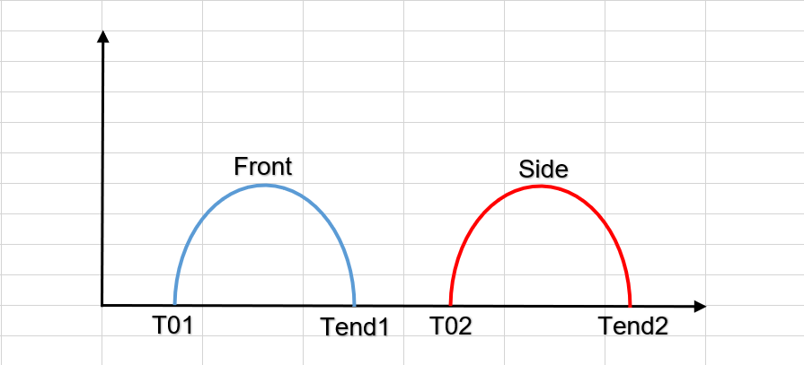 T01: 11.76ms Tend1: 188.26ms T02: 314.26ms Tend2: 487.26ms | Actual value in crash (2 time) - 1st time: T01 -> Tend1 (negative) - 2nd time: T02 -> Tend2 | Actual value in crash (2 time) - 1st time: T01 -> T01 + 300ms (negative - Tend1 -> T01 +300ms: last valid value) - 2nd time: T02 -> T02 + 300ms | Actual value in crash (2 time) - 1st time: T01 -> T01 + 300ms - 2nd time: T02 -> T02 + 300ms (positive - Tend2 -> T02 +300ms: last valid value) | Actual negative value in crash (1 time): T01 -> T01 + 300ms (Tend1 -> T01 +300ms: last valid value) | Actual value in crash (2 time) - 1st time: T01 -> Tend1 - 2nd time: T02 -> Tend2 (negative) | Actual value in crash state | Initial value | Actual value in normal state | 2271
 |  |  |  |  |  |  |  |  |  | Multi_EDR_TwoSingle_Side_after5s_Front;5 |  T01: 11.76ms Tend1: 188.26ms T02: 5114.76ms Tend2: 5287.76ms | Actual value in crash (2 time) - 1st time: T01 -> Tend1 (negative) - 2nd time: T02 -> Tend2 | Actual value in crash (2 time) - 1st time: T01 -> T01 + 300ms (negative - Tend1 -> T01 +300ms: last valid value) - 2nd time: T02 -> T02 + 300ms | Actual value in crash (2 time) - 1st time: T01 -> T01 + 300ms - 2nd time: T02 -> T02 + 300ms (positive - Tend2 -> T02 +300ms: last valid value) | Actual negative value in crash (1 time): T01 -> T01 + 300ms (Tend1 -> T01 +300ms: last valid value) | Actual value in crash (2 time) - 1st time: T01 -> Tend1 - 2nd time: T02 -> Tend2 (positive) |  |  |  | 2272
 |  |  |  |  |  |  |  |  |  | Multi_EDR_Extended_Front_ND_Side_AD_Front_AD;6 | T01: 43.76ms Tend1: 126.76ms T02: 139.76ms Tend2: 200.76ms T03: 256.76ms Tend3: 433.75ms | Actual value in crash (3 time): - 1st time: T01 -> Tend1 (negative) - 2nd time: T02 -> Tend2 - 3rd time: T03 -> Tend3 (negative) | Actual value in crash (3 time): - 1st time: T01 -> T02 (negative - Tend1 -> T02: last valid value) - 2nd time: T02 -> T03 - 3rd time: T03 -> T03 + 300ms (negative - Tend3 -> T03 +300ms: last valid value) | Actual value in crash (3 time): - 1st time: T01 -> T02 - 2nd time: T02 -> T03 (positve - Tend2 -> T03: last valid value) - 3rd time: T03 -> T03 + 300ms | Actual negative value in crash (2 time): - 1st time: T01 -> T03 (Tend1 -> T03: last valid value) - 2nd time: T03 -> T03 + 300ms (Tend3 -> T03 +300ms: last valid value) | Actual value in crash (3 time): - 1st time: T01 -> T02 - 2nd time: T02 -> T03 (positve) - 3rd time: T03 -> Tend3 |  |  |  | 2273
 |  |  |  |  |  |  |  |  |  | Multi_EDR_Front_AD_Rear_ND;5 | 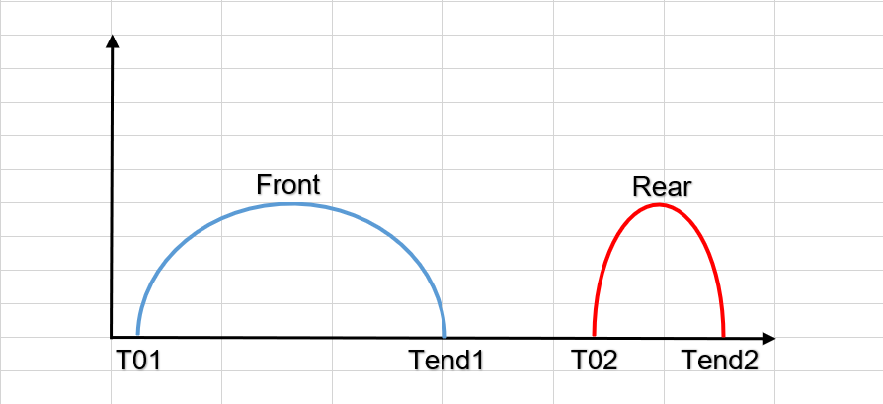 T01: 11.76ms Tend1: 188.26ms T02: 311.26ms Tend2: 335.76.26ms | Actual value in crash (2 time): - 1st time: T01 -> Tend1 (negative) - 2nd time: T02 -> Tend2 (positive) | Actual value in crash (2 time): - 1st time: T01 -> T02 (negative - Tend1 -> T02: last valid value) - 2nd time: T02 -> T02 + 300ms (positive - Tend2 -> T02 +300ms: last valid value) | Actual value in crash (2 time): - 1st time: T01 -> T02 - 2nd time: T02 -> T02 + 300ms | Actual negative value in crash (1 time): T01 -> T02 (Tend1 -> T02: last valid value) Actual positive value in crash (1 time): T02 -> T02 + 300ms (Tend2 -> T02 +300ms: last valid value) | Actual value in crash (2 time): - 1st time: T01 -> Tend1 - 2nd time: T02 -> Tend2 |  |  |  | 2274
 |  |  |  |  |  |  |  |  |  | Multi_EDR_Front_AD_Noise_Front_AD;5 |  T01: 2.26ms Tend1: 2425.26ms T02: 11.76ms Tend2: 188.26ms T03: 2461.76ms Tend3: 2638.26ms | Actual value in crash (2 time): - 1st time: T02-> Tend2 (negative) - 2nd time: T03 -> Tend3 (negative) | Actual value in crash (2 time): - 1st time: T02-> T02 + 300ms (negative - Tend2 -> T02 +300ms: last valid value) - 2nd time: T03 -> T03 + 300ms (negative - Tend3 -> T03 +300ms: last valid value) | Actual value in crash (2 time): - 1st time: T02-> T02 + 300ms - 2nd time: T03 -> T03 + 300ms | Actual negative value in crash (2 time): - 1st time: T02-> T02 + 300ms (Tend2 -> T02 +300ms: last valid value) - 2nd time: T03 -> T03 + 300ms (Tend3 -> T03 +300ms: last valid value) | Actual value in crash (2 time): - 1st time: T02-> Tend2 - 2nd time: T03 -> Tend3 |  |  |  | 2318
 |  |  |  |  |  |  |  |  |  | Multi_EDR_FrontAD_FrontND_SideNoise_FrontAD;5 | T01 = 201.76ms Tend1 = 378.26ms T02 = 511.26ms Tend2 = 608.76ms T03 = 1201.76ms Tend3 = 1824.76ms T04 = 1995.76ms Tend4 = 2172.26ms | Actual value in crash (4 time): - 1st time: T01-> Tend1 (negative) - 2nd time: T02 -> Tend2 (negative) - 3rd time: T03 -> Tend3 - 4th time: T04 -> Tend4 (negative) | Actual value in crash (3 time): - 1st time: T01-> T01 + 300ms (negative - Tend1 -> T01 +300ms: last valid value) - 2nd time: T02 -> T02 + 300ms (negative - Tend2 -> T02 +300ms: last valid value) - 3rd time: T04 -> T04 + 300ms (negative - Tend4 -> T04 +300ms: last valid value) | Actual value in crash (3 time): - 1st time: T01-> T01 + 300ms - 2nd time: T02 -> T02 + 300ms - 3rd time: T04 -> T04 + 300ms | Actual negative value in crash (3 time): - 1st time: T01-> T01 + 300ms (Tend1 -> T01 +300ms: last valid value) - 2nd time: T02 -> T02 + 300ms (Tend1 -> T01 +300ms: last valid value) - 3rd time: T04 -> T04 + 300ms (Tend4 -> T04 +300ms: last valid value) | Actual value in crash (3 time): - 1st time: T01-> Tend1 - 2nd time: T02 -> Tend2 - 3rd time: T03 -> Tend3 - 4th time: T04 -> Tend4 |  |  |  | 2319
 |  |  |  |  |  |  |  |  |  | Multi_EDR_Front_NAD_Noise_Front_AD;5 | T01 = 2.26ms Tend1 = 2425.26ms T02 = 22.76ms Tend2 = 187.76ms T03 = 2461.76ms Tend3 = 2638.26ms | Actual value in crash (2 time): - 1st time: T02-> Tend2 (negative) - 2nd time: T03 -> Tend3 (negative) | Actual value in crash (2 time): - 1st time: T02-> T02 + 300ms (negative - Tend2 -> T02 +300ms: last valid value) - 2nd time: T03 -> T03 + 300ms (negative - Tend3 -> T03 +300ms: last valid value) | Actual value in crash (2 time): - 1st time: T02-> T02 + 300ms - 2nd time: T03 -> T03 + 300ms | Actual negative value in crash (2 time): - 1st time: T02-> T02 + 300ms (Tend2 -> T02 +300ms: last valid value) - 2nd time: T03 -> T03 + 300ms (Tend3 -> T03 +300ms: last valid value) | Actual value in crash (2 time): - 1st time: T02-> Tend2 - 2nd time: T03 -> Tend3 |  |  |  | 2439
 |  |  |  |  |  |  |  |  |  | Multi_EDR_Front_Front | 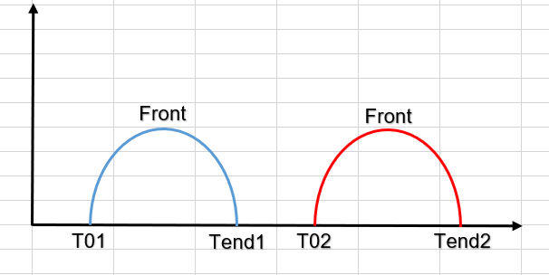 T01 = Tend1 = T02 = Tend2 = | Actual value in crash (2 time) - 1st time: T01 -> Tend1 (negative) - 2nd time: T02 -> Tend2 (negative) | Actual value in crash (2 time) - 1st time: T01 -> T02 (negative - Tend1 -> T02: last valid value) - 2nd time: T02 -> T02 + 300ms (negative) | Actual value in crash (2 time) - 1st time: T01 -> T02 (Tend1 -> T02: last valid value) - 2nd time: T02 -> T02 + 300ms | Actual negative value in crash (2 time): - 1st time: T01 -> Tend1 - 2nd time: T02 -> Tend12 | Actual value in crash (2 time) - 1st time: T01 -> Tend1 - 2nd time: T02 -> Tend2 |  |  |  | 2477
 |  |  |  |  |  |  |  |  |  | Multi_EDR_Side_Side | 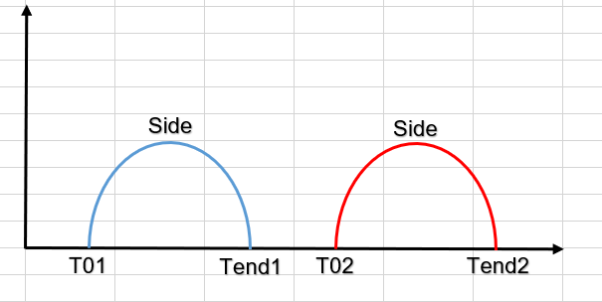 T01 = Tend1 = T02 = Tend2 = | Actual value in crash (2 time) - 1st time: T01 -> Tend1 - 2nd time: T02 -> Tend2 | Actual value in crash (2 time) - 1st time: T01 -> T02 (Tend1 -> T02: last valid value) - 2nd time: T02 -> T02 + 300ms | Actual value in crash (2 time) - 1st time: T01 -> T02 (negative - Tend1 -> T02: last valid value) - 2nd time: T02 -> T02 + 300ms (negative) | Actual value in crash (2 time): - 1st time: T01 -> Tend1 - 2nd time: T02 -> Tend12 | Actual value in crash (2 time) - 1st time: T01 -> Tend1 (negative) - 2nd time: T02 -> Tend2 (negative) |  |  |  | 2478
 | 1411 1413 |  |  | RHD |  |  |  |  |  | Multi_EDR_Front_AD_Side_AD;5 | T01: 11.76ms Tend1: 188.26ms T02: 314.26ms Tend2: 487.26ms | Actual value in crash (2 time) - 1st time: T01 -> Tend1 (negative) - 2nd time: T02 -> Tend2 | Actual value in crash (2 time) - 1st time: T01 -> T01 + 300ms (negative - Tend1 -> T01 +300ms: last valid value) - 2nd time: T02 -> T02 + 300ms | Actual value in crash (2 time) - 1st time: T01 -> T01 + 300ms - 2nd time: T02 -> T02 + 300ms (positive - Tend2 -> T02 +300ms: last valid value) | Actual negative value in crash (1 time): T01 -> T01 + 300ms (Tend1 -> T01 +300ms: last valid value) | Actual value in crash (2 time) - 1st time: T01 -> Tend1 - 2nd time: T02 -> Tend2 (negative) |  |  |  | 2597

 | *Note: Actual value of signal SAS_Gx, SAS_Gy, SAS_Gz, SAS_dVx_Periodic, SAS_dVy_Periodic in case not inject crash will not handle by RBT, only need to evaluate: actual value different with initial and invald value
Table 4 (Scenario 4): Check Invalid value of sensor signal when qualify sensor fault

 | SRS ID | Precondition |  |  |  | Input 1 | Output 1 |  | Input 2 |  |  | Output 2 |  |  | Input 3 | Output 3 |  |  | Input 4 | Output 4 |  |  | TS ID | Remark
 |  | System | ADAS Feature | Voltage | ECU Mode | IGN On and wait for | Signal Observation |  | Create Fault | Fault type | Wait Time | Signal Observation |  | Fault status | Reset ECU | Signal Observation |  | Fault status | Remove Fault | Signal Observation |  | Fault status
 |  |  |  |  |  |  | SAS_dVx_AACN, SAS_dVy_AACN, SAS_dVx_Event | SAS_Gx, SAS_Gy, SAS_Gz, SAS_dVx_Periodic, SAS_dVy_Periodic |  |  |  | SAS_dVx_AACN, SAS_dVy_AACN, SAS_dVx_Event | SAS_Gx, SAS_Gy, SAS_Gz, SAS_dVx_Periodic, SAS_dVy_Periodic |  |  | SAS_Gx, SAS_Gy, SAS_Gz, SAS_dVx_Periodic, SAS_dVy_Periodic | SAS_dVx_Event, SAS_dVx_AACN, SAS_dVy_AACN |  |  | SAS_dVx_AACN, SAS_dVy_AACN, SAS_dVx_Event | SAS_Gx, SAS_Gy, SAS_Gz, SAS_dVx_Periodic, SAS_dVy_Periodic
 | 1168 1169 1170 1416 1417 1423 1424 1425 1426 1427 | No fault in system | Support | Normal Voltage | Normal | Initial completed | Initial Value | Initial value within 1050ms then actual value | rb_csem_InitGroup1SmaMain_flt | Init | 2s | Initial Value | Actual value in normal state | No qualified | Yes | In initial state: Initial Value (transmit upto 1050ms) then Actual value (From 1050ms to 5s) In steady state: Invalid value | In initial state: Initial Value (transmit upto 5s) In steady state: Invalid value | Qualified | rb_csem_InitGroup1SmaMain_flt | Initial Value | Initial value within 1050ms then actual value in normal state | No Qualified | 2280
 |  |  |  |  |  |  |  |  | rb_csem_InitGroup1SmaPlausi_flt |  | 2s |  |  |  |  |  |  |  | rb_csem_InitGroup1SmaPlausi_flt |  |  |  | 2281
 |  |  |  |  |  |  |  |  | rb_csem_InitGroup2SmaMain_flt |  | 2s |  |  |  |  |  |  |  | rb_csem_InitGroup2SmaMain_flt |  |  |  | 2282
 |  |  |  |  |  |  |  |  | rb_csem_InitGroup2SmaPlausi_flt |  | 2s |  |  |  |  |  |  |  | rb_csem_InitGroup2SmaPlausi_flt |  |  |  | 2283
 |  |  |  |  |  |  |  |  | rb_csem_InitGroup3SmaMain_flt |  | 2s |  |  |  |  |  |  |  | rb_csem_InitGroup3SmaMain_flt |  |  |  | 2324
 |  |  |  |  |  |  |  |  | rb_csem_InitGroup3SmaPlausi_flt |  | 2s |  |  |  |  |  |  |  | rb_csem_InitGroup3SmaPlausi_flt |  |  |  | 2325
 |  |  |  |  |  |  |  |  | rb_csem_InitGroup4SmaMain_flt |  | 2s |  |  |  |  |  |  |  | rb_csem_InitGroup4SmaMain_flt |  |  |  | 2326
 |  |  |  |  |  |  |  |  | rb_csem_InitGroup4SmaPlausi_flt |  | 2s |  |  |  |  |  |  |  | rb_csem_InitGroup4SmaPlausi_flt |  |  |  | 2327
 |  |  |  |  |  |  |  |  | rb_csem_CyclRTMonSmaMain_flt | cyclic | 90ms | Invalid Value | Invalid Value | Qualified |  |  |  |  | rb_csem_CyclRTMonSmaMain_flt |  |  |  | 2320
 |  |  |  |  |  |  |  |  | rb_csem_CyclRTMonSmaPlausi_flt |  | 90ms |  |  |  |  |  |  |  | rb_csem_CyclRTMonSmaPlausi_flt |  |  |  | 2321
 |  |  |  |  |  |  |  |  | rb_simc_SignalMonCtrlMain_flt |  | 10s |  |  |  |  |  |  |  | rb_csem_SignalMonCtrlMain_flt |  |  |  | 2322
 |  |  |  |  |  |  |  |  | rb_simc_SignalMonCtrlPlausi_flt |  | 5s |  |  |  |  |  |  |  | rb_csem_SignalMonCtrlPlausi_flt |  |  |  | 2323
 |  |  |  |  |  |  |  |  | rb_algi_CustCtrlMainSensorSDP_flt |  | 2s |  |  |  |  |  |  |  | rb_algi_CustCtrlMainSensorSDP_flt |  |  |  | 2328

 | *Note: Actual value of signal SAS_Gx, SAS_Gy, SAS_Gz, SAS_dVx_Periodic, SAS_dVy_Periodic in case not inject crash will not handle by RBT, only need to evaluate: actual value different with initial and invald value
Table 5 (Scenario 5): Check Invalid value of sensor signal when qualify sensor fault then inject crash.

 | SRS ID | Precondition |  |  |  | Input 1 | Output 1 |  | Input 2 | Output 2 | Input 3 | Output 3 | Input 4 | Output 4 |  | Input 5 | Output 5 |  |  |  |  |  | TS ID | Remark
 |  | System | ADAS Feature | Voltage | ECU Mode | IGN On and wait for | Signal Observation |  | Qualify Fault | Signal Observation: SAS_dVx_AACN, SAS_dVy_AACN, SAS_dVx_Event, SAS_Gx, SAS_Gy, SAS_Gz, SAS_dVx_Periodic, SAS_dVy_Periodic | Inject crash | Signal Observation: SAS_dVx_AACN, SAS_dVy_AACN, SAS_dVx_Event, SAS_Gx, SAS_Gy, SAS_Gz, SAS_dVx_Periodic, SAS_dVy_Periodic | Remove fault | Signal Observation |  | Inject crash | Signal Observation
 |  |  |  |  |  |  | SAS_dVx_AACN, SAS_dVy_AACN, SAS_dVx_Event | SAS_Gx, SAS_Gy, SAS_Gz, SAS_dVx_Periodic, SAS_dVy_Periodic |  |  |  |  |  | SAS_dVx_AACN, SAS_dVy_AACN, SAS_dVx_Event | SAS_Gx, SAS_Gy, SAS_Gz, SAS_dVx_Periodic, SAS_dVy_Periodic |  | SAS_Gx, SAS_dVx_Periodic, SAS_dVx_AACN | SAS_dVx_Event | SAS_Gy, SAS_dVy_Periodic, SAS_dVy_AACN | SAS_Gz | SAS_dVx_AACN, SAS_dVy_AACN, SAS_dVx_Event | SAS_Gx, SAS_Gy, SAS_Gz, SAS_dVx_Periodic, SAS_dVy_Periodic
 |  |  |  |  |  |  |  |  |  |  |  |  |  |  |  |  | Value of CAN signal with duration 300ms from T0 |  |  |  | After 300ms from T0
 | 1168 1169 1170 1241 1416 1417 1423 1424 1425 1426 1427 | No fault in system | Support | Normal Voltage | Normal | Initial completed | Initial Value | Initial value within 1050ms then actual value in normal state | rb_csem_InitGroup1SmaMain_flt | Invalid Value | Front AD | Invalid Value | rb_csem_InitGroup1SmaMain_flt | Initial Value | Initial value within 1050ms then actual value in normal state | Front AD | Actual negative value in crash state | Actual negative value in crash state | Actual value in crash state | Actual value in crash state | Initial Value | Actual Value in normal state | 2329
 |  |  |  |  |  |  |  |  | rb_csem_InitGroup1SmaPlausi_flt |  | Left side |  | rb_csem_InitGroup1SmaPlausi_flt |  |  | Left side | Actual value in crash state | Initial Value | Actual positive value in crash state |  |  |  | 2330
 |  |  |  |  |  |  |  |  | rb_csem_InitGroup2SmaMain_flt |  | Right Side |  | rb_csem_InitGroup2SmaMain_flt |  |  | Right Side | Actual value in crash state | Initial Value | Actual negative value in crash state |  |  |  | 2331
 |  |  |  |  |  |  |  |  | rb_csem_InitGroup2SmaPlausi_flt |  | Rear |  | rb_csem_InitGroup2SmaPlausi_flt |  |  | Rear | Actual positive value in crash state | Actual positive value in crash state | Actual value in crash state |  |  |  | 2332
 |  |  |  |  |  |  |  |  | rb_csem_InitGroup3SmaMain_flt |  | Rollover |  | rb_csem_InitGroup3SmaMain_flt |  |  | Rollover | Actual value in crash state | Initial Value | Actual value in crash state |  |  |  | 2333
 |  |  |  |  |  |  |  |  | rb_csem_InitGroup3SmaPlausi_flt |  | Front AD |  | rb_csem_InitGroup3SmaPlausi_flt |  |  | Front AD | Actual negative value in crash state | Actual negative value in crash state | Actual value in crash state |  |  |  | 2334
 |  |  |  |  |  |  |  |  | rb_csem_InitGroup4SmaMain_flt |  | Left side |  | rb_csem_InitGroup4SmaMain_flt |  |  | Left side | Actual value in crash state | Initial Value | Actual positive value in crash state |  |  |  | 2335
 |  |  |  |  |  |  |  |  | rb_csem_InitGroup4SmaPlausi_flt |  | Right Side |  | rb_csem_InitGroup4SmaPlausi_flt |  |  | Right Side | Actual value in crash state | Initial Value | Actual negative value in crash state |  |  |  | 2336
 |  |  |  |  |  |  |  |  | rb_csem_CyclRTMonSmaMain_flt |  | Rear |  | rb_csem_CyclRTMonSmaMain_flt |  |  | Rear | Actual positive value in crash state | Actual positive value in crash state | Actual value in crash state |  |  |  | 2337
 |  |  |  |  |  |  |  |  | rb_csem_CyclRTMonSmaPlausi_flt |  | Rollover |  | rb_csem_CyclRTMonSmaPlausi_flt |  |  | Rollover | Actual value in crash state | Initial Value | Actual value in crash state |  |  |  | 2338
 |  |  |  |  |  |  |  |  | rb_csem_SignalMonCtrlMain_flt |  | Front AD |  | rb_csem_SignalMonCtrlMain_flt |  |  | Front AD | Actual negative value in crash state | Actual negative value in crash state | Actual value in crash state |  |  |  | 2339
 |  |  |  |  |  |  |  |  | rb_csem_SignalMonCtrlPlausi_flt |  | Left side |  | rb_csem_SignalMonCtrlPlausi_flt |  |  | Left side | Actual value in crash state | Initial Value | Actual positive value in crash state |  |  |  | 2340
 |  |  |  |  |  |  |  |  | rb_algi_CustCtrlMainSensorSDP_flt |  | Right Side |  | rb_algi_CustCtrlMainSensorSDP_flt |  |  | Right Side | Actual value in crash state | Initial Value | Actual negative value in crash state |  |  |  | 2341

 | *Note: Actual value of signal SAS_Gx, SAS_Gy, SAS_Gz, SAS_dVx_Periodic, SAS_dVy_Periodic in case not inject crash will not handle by RBT, only need to evaluate: actual value different with initial and invald value
Table 6 (Scenaria 6): Check sensor data when trigger autarky after inject crash.

 | SRS ID | Precondition |  |  |  | Input 1 | Output 1 |  | Input 2 |  | Output 2 |  |  |  |  | TS ID | Remark
 |  | System | ADAS Feature | Voltage | ECU Mode | IGN On and wait for | Signal Observation |  | Inject crash | Trigger turn off ECU at T0 with filtering time = 20ms | Signal Observation
 |  |  |  |  |  |  | SAS_dVx_AACN, SAS_dVy_AACN, SAS_dVx_Event | SAS_Gy, SAS_dVy_Periodic, SAS_dVy_AACN |  |  | SAS_Gx, SAS_dVx_Periodic, SAS_dVx_AACN | SAS_dVx_Event | SAS_Gy, SAS_dVy_Periodic, SAS_dVy_AACN | SAS_Gz | SAS_dVx_AACN, SAS_dVy_AACN, SAS_dVx_Event, SAS_Gx, SAS_Gy, SAS_Gz, SAS_dVx_Periodic, SAS_dVy_Periodic
 |  |  |  |  |  |  |  |  |  |  | Value of CAN signal until Voltage 6.3V |  |  |  | After Voltage <6.3V
 | 1241 1247 1165 1166 | No fault in system | Support | Normal Voltage | Normal | Initial completed | Initial Value | Initial value within 1050ms then actual value in normal state | Single_EDR_Front_AD_longer300ms;5 | Yes | Actual negative value in crash state | Actual negative value in crash state | Actual value in crash state | Actual value in crash state | Invalid Value | 2342
 |  |  |  |  |  |  |  |  | Single_EDR_SideRight_Inflatable;5 | Yes | Actual value in crash state | Initial value | Actual negative value in crash state |  |  | 2343
 |  |  |  |  |  |  |  |  | Single_EDR_Rear_NonInflatable;5 | Yes | Actual positive value in crash state | Actual positive value in crash state | Actual value in crash state |  |  | 2344
 |  |  |  |  |  |  |  |  | Single_EDR_SideLeft_Inflatable;5 | Yes | Actual value in crash state | Initial value | Actual positive value in crash state |  |  | 2345
 |  |  |  |  |  |  |  |  | Single_EDR_Rollover_Inflatable;5 | Yes | Actual value in crash state | Initial value | Actual value in crash state |  |  | 2346
 |  |  |  |  |  |  |  |  | Single_EDR_Front_above_8kph_NoDeployment;5 | Yes | Actual negative value in crash state | Actual negative value in crash state | Actual value in crash state |  |  | 2347
 |  |  |  |  |  |  |  |  | Single_EDR_Rear_above_8kph_NoDeployment;5 | Yes | Actual positive value in crash state | Actual positive value in crash state | Actual value in crash state |  |  | 2348
 |  |  |  |  |  |  |  |  | Parallel_EDR_Rollover_Inflate_SideLeft_Inflte;5 | Yes | Actual value in crash state | Initial value | Actual value in crash state |  |  | 2349
 |  |  |  |  |  |  |  |  | Parallel_EDR_Front_Inflate_SideLeft_Inflate;5 | Yes | Actual negative value in crash state | Actual negative value in crash state | Actual value in crash state |  |  | 2350

 | *Note: Actual value of signal SAS_Gx, SAS_Gy, SAS_Gz, SAS_dVx_Periodic, SAS_dVy_Periodic in case not inject crash will not handle by RBT, only need to evaluate: actual value different with initial and invald value
Table 7 (Scenario 7): Send sensor data when bus off condition happen

 | SRS ID | Precondition |  |  |  | Input 1 |  |  | Input 2 |  | Output 2 |  | Input 3 | Output 3 |  | TS ID | Remark
 |  | System | ADAS Feature | Voltage | ECU Mode | IGN On and wait for | Create condition | Wait time | Create condition | Wait Time | Signal Observation |  | Remove Bus off | Signal Observation
 |  |  |  |  |  |  |  |  |  |  | SAS_dVx_AACN, SAS_dVy_AACN, SAS_dVx_Event | SAS_Gx, SAS_Gy, SAS_dVx_Periodic, SAS_dVy_Periodic, SAS_Gz |  | SAS_dVx_AACN, SAS_dVy_AACN, SAS_dVx_Event | SAS_Gx, SAS_Gy, SAS_dVx_Periodic, SAS_dVy_Periodic, SAS_Gz
 | 1162 1163 1165 1166 1168 1169 1170 | No fault in system | Support | Normal Voltage | Normal | Initial completed | -- | 2s | Bus off | 5s | Initial value | Actual value in normal state then can not obtain signal since bus off happen | Remove Bus off and wait until completed recovery time (2s) | Initial Value | Actual value in normal state | 2307
 |  |  |  |  |  |  | Sensor fault |  | Bus off |  | Invalid value then can not obtain signal since bus off happen | Invalid value then can not obtain signal since bus off happen |  | Invalid Value | Invalid Value | 2308
 |  |  |  |  |  |  | Bus off |  | Inject crash |  | -- | -- |  | Initial Value | Actual value in normal state | 2351
 |  |  |  |  |  |  | Inject singer front crash |  | Bus off |  | Actual value in crash state then can not obtain signal since bus off happen | Actual value in crash state then can not obtain signal since bus off happen |  | Initial Value | Actual value in normal state | 2353
 |  |  |  |  |  |  | Bus off |  | Sensor fault |  | -- | -- |  | Invalid Value | Invalid Value | 2352

 | *Note: Actual value of signal SAS_Gx, SAS_Gy, SAS_Gz, SAS_dVx_Periodic, SAS_dVy_Periodic in case not inject crash will not handle by RBT, only need to evaluate: actual value different with initial and invald value

FindDependency_CAN_HvCut
Software Test Design Specification (SWTDS) - Finding Dependency

Step 1: Structure of this test item with external (controllable/measurable) inputs/outputs |  |  |  |  |  |  |  |  |  |  |  |  |  |  |  |  |  |  |  | Behaviour analysis (to find our scenarios)

Step 3: Think behaviours of this structure.
 |  |  |  |  |  |  |  |  |  |  |  |  |  |  |  |  |  |  | Normal voltage (>6.8V)
 |  |  |  |  |  |  |  |  |  |  |  |  |  |  | Voltage |  |  | 0V

 |  |  |  |  |  |  |  |  |  |  |  |  |  |  | ECU mode |  |  |  | Initial state | Steady state | Crash detected

 |  |  |  |  |  |  |  |  |  |  |  |  |  |  |  |  |  |  | <=250ms

 |  |  |  |  |  |  |  |  |  |  |  |  |  |  | CDT/CDT_HV |  |  |  |  | Normal value | Collision value | Normal value

 |  |  |  |  |  |  |  |  |  |  |  |  |  |  |  |  |  |  |  |  | 24ms*210 time

 |  |  |  |  |  |  |  |  |  |  |  | Scenario 1 - Normal case: CAN HVCut signal transmit after IGN on (Matrix_HVCut: Table 1)

 |  |  |  |  |  |  |  |  |  |  |  |  | After initial completed, Normal signal = '000b' is transmited with cycle =1000ms on CDT and CDT_HV signal.
 |  |  |  |  |  |  |  |  |  |  |  |  | - Variant point for volatge : High/Normal/Low (<8, > 6.8V), normal operate for this feature
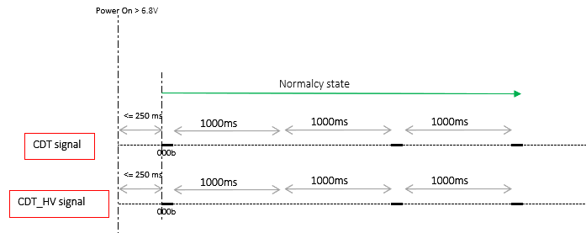

 | Step 2: Think function of this structure.
Functions (Test conditions) | Input (=>) | Send power status | Aspects of this function

POM
Send power status
Power supply
Voltage [>6.8] V
CAN scope
Idle mode
No operation of POM
 |  |  |  | (1) Power suply:
 |  |  |  |  | Operation voltage > 6.8V
 |  |  |  |  | Operation voltage < 6.8: system is not stable => not consider in test case.

 |  |  |  |  |  |  |  |  |  |  |  | Scenario 2 - Abnormal case: CAN HVCut signal transmit after System failure (Matrix_HVCut:Table 2)

 |  |  |  |  |  |  |  |  |  |  |  |  | After Failure is detected (disable all Algo), CDT signal transmits faulty value ='010b' and CDT_HV signal continues to transmit normal value ='000b'. If Crash is triggered during Abnormal judgment state, CDT signal should be continuous transmit faulty value = '010b' and CDT_HV signal should be continuous transmit normal value ='000b'.

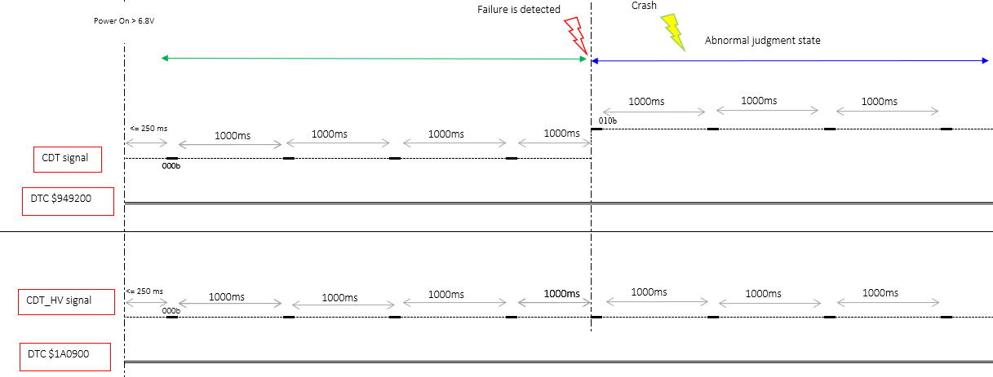

 | Input (=>) | Indicate ECU mode | Aspects of this function

ECU Mode
Indicate ECU mode
IGN ON + No fault
Voltage [>6.8] V
PS Diag
Abnormal voltage
ECU mode isn't indicated
 |  |  |  | (1) System mode:
 |  |  |  |  | Initial
 |  |  |  |  | Steady
 |  |  |  |  | Autarky

 |  |  |  |  |  |  |  |  |  |  |  | Scenario 3 - Normal case: CAN HVCut signal transmit after inject crash. (Matrix_HVCut:Table 3)

 |  |  |  |  |  |  |  |  |  |  |  |  | After crash detected, CDT and CDT_HV transmit collision value ='101b' for 24ms x 210 time then back to normal value ='000b'.
 |  |  |  |  |  |  |  |  |  |  |  |  | After first message transmited (24ms), DTC $949200 and $1A0900 should be qualified.
 | Input (=>) | Indicate fault information | Aspects of this function
DEM
Indicate fault information
Fault qualify
CAN trace, PS Diag
DEM condition
No fault recorded
Power down, Mazda plant mode

 |  |  |  | (1) DEM condition :
 |  |  |  |  | Fault condition of ALL Algo (qualify all faults in below)
 |  |  |  |  | rb_csem_InitGroup1SmaMain_flt
 |  |  |  |  | rb_psem_OpenLinePASFD_flt
 |  |  |  |  | rb_psem_OpenLinePASMD_flt
 |  |  |  |  | rb_psem_OpenLinePPSFD_flt
 |  |  |  |  | rb_psem_OpenLinePASFP_flt
 |  |  |  |  | rb_psem_OpenLinePASMP_flt
 |  |  |  |  | rb_psem_OpenLinePPSFP_flt

Volage
Crash Detection
Analysis sensors data and send crash information
IGN on + no fault
CAN trace
Normal mode, Crash injection
Faulty value is obtained (only on CDT signal )
Faulty condition of Algo
 |  |  |  |  |  |  |  |  |  |  |  | Scenario 4 - Normal case: CAN HVCut signal transmit after inject multi crash. (Matrix_HVCut:Table 4)
 | Input (=>) | Indicate fault information | Aspects of this function
 |  |  |  |  |  |  |  |  |  |  |  |  | - If SAS detects a new collision to transmit 101b state while it is transmitting 101b state on CDT/CDT_HV, it shall continue transmission of the state,101b for 24ms x 210 times defined for the older colission. After the SAS completes the defined transmission of 101b state, it shall start another transmission of the state, 101b 24ms x 210 times for the newer detected collision.

 |  |  |  | (1) Faulty condition of Algo : |  |  |  |  |  |  |  |  | - Even DTC is stored, collision signal state shall be generated.
 |  |  |  |  | FrontRear
 |  |  |  |  | Left Side
 |  |  |  |  | Right Side
 |  |  |  |  | Rollover

 |  |  |  | (2) Crash injection
 |  |  |  |  | Single
 |  |  |  |  | Paralle
 |  |  |  |  | Muilti

 | Input (=>) | Indicate configure status | Aspects of this function
EOL
Indicate configure status
IGN on + no fault
PS Diag
EOL Static bit
Can not update static bit
Power down

 |  |  |  | (1) EOL Static bit

 |  |  |  | Stic bit | rb_sycg_ENSHvCutSupported_e |  | 0 | 0 | 1 | 1 |  | Scenario 5 - Abormal case: HVCutoff Signal with BusOff present (Matrix_HVCut: Table 7)
 |  |  |  | Dynamic | rb_sycg_CDTCrashOutput_e |  | 0 | 1 | 0 | 1
 |  |  |  | Message | 0x3B1 |  | no transmit | Default value transmit | no transmit | transmit actual value |  |  | After Bus of recovery, normal value is obtained.

 | (=>) Output | Indicate CAN signal | Aspects of this function

(1), (2) Can't transmit CAN signal
(3) Faulty value
CAN
Crash occurence
CAN trace
Trigger : Inject crash
- Voltage: >6.8V
- Configure/Deconfigure
- Cyclic 20ms
- Crash reaches threshold
- Event 24ms x210 time
(1) Power down
(2) Bus off
(3) Faulty condition of all Algo
 |  |  |  | (1) Signal transmition

 |  |  |  |  | Signal name | Normal | Faulty | Collision
 |  |  |  |  | CDT | 000b | 010b | 101b
 |  |  |  |  | CDT_HV | 000b | 000b | 101b |  |  |  | Scenario 6 - Abrormal case: HVCut And FuelCut signal in Autarky (Matrix_HVCut: Table 10)

 |  |  |  |  |  |  |  |  |  |  |  |  |  | After autarky happen, CAN HvCut signal shall continue output as long as possible.

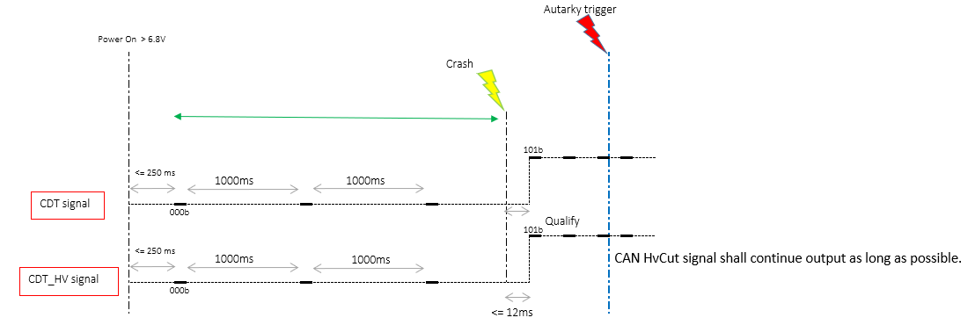

 | (=>) Output | Indicate fault information | Aspects of this function

No fault record
DEM
Create fault condition
Read fault status
Trigger : Inject crash
DEM condition
Power down, Mazda plant mode
 |  |  |  | (1) Read fault status
 |  |  |  |  | PS Diag
 |  |  |  |  | Service $19

 |  |  |  | (2) DEM condition

 |  |  |  |  | DTC number | Fault name | Fault condition |  |  | Overwrite | Requalify after clear $14
 |  |  |  |  | $1A0900 | rb_co_HVCutCrashDetectionOutput_flt | Completes 24ms x 1 time transmission of CDT_HV:101b or ENS_Highvoltcut generates 60ms x 3 times (180ms) which comes first. |  |  | No | Yes
 |  |  |  |  |  |  |  |  |  |  |  | Scenario 7 - Abrormal case: CAN HvCut DTC with CD ClearDTCRequest (Matrix_HVCut: Table 9)
 |  |  |  |  | $949200 | rb_co_CDTCrashDetectionOutput_flt | Completes 24ms x 1 time transmission of CDT:101b |  |  | No | Yes
 |  |  |  |  |  |  |  |  |  |  |  |  | If DTC $949200/$1A0900 is cleared by service 0x14: ClearDiagnosticInformation, this DTC can be stored again.

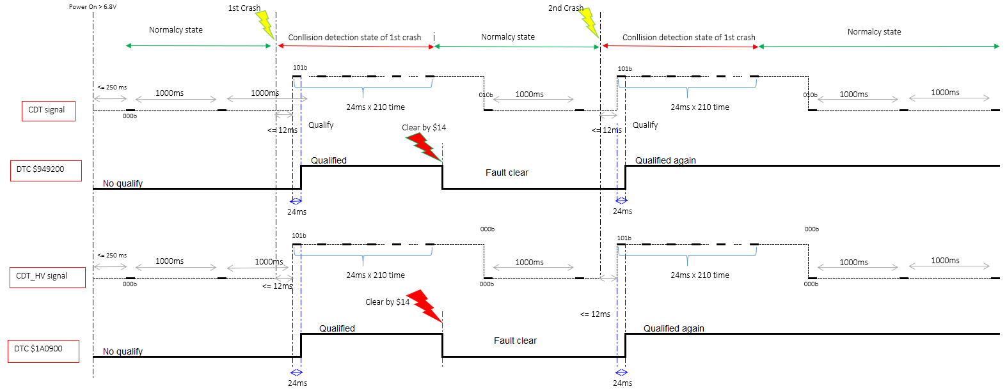

 |  |  |  |  |  |  |  |  |  |  |  | Scenario 8 - Abrormal case: CAN HvCut DTC with ECU reset (Matrix_HVCut: Table 8)

 |  |  |  |  |  |  |  |  |  |  |  |  | After reset ECU, CAN HvCut DTC still qualified.

 |  |  |  |  |  |  |  |  |  |  |  | Scenario 9 - Abrormal case: CAN HvCut DTC with ECU reset (Matrix_HVCut: Table 8)

 |  |  |  |  |  |  |  |  |  |  |  |  | Faulty condition is satisfied during transmitting collision state. Collision value will continue to transmit for 24ms x 210 time and then transmit Failure value (only on CDT signal)

 |  |  |  |  |  |  |  |  |  |  |  | Scenario 10 - Abrormal case: Check behavior of HvCut after change configuration (Table 7 in "Configuration_HW_CAN" sheet of SRTPMatrix_CO_MazdaCrashOutput.xlsx )

 |  |  |  |  |  |  |  |  |  |  |  |  | The signal CDT of message $3B1 can be control by static/dynamic bit

 |  |  |  |  |  |  |  |  |  |  |  |  |  | Behaviors of 3B1 msg | rb_sycg_CDTCrashOuptut_e | rb_syco_AOutCrashOutput3_e | rb_sycg_ENSHvCutSupported_e
 |  |  |  |  |  |  |  |  |  |  |  |  |  | No transmit | 0 | N/A | N/A
 |  |  |  |  |  |  |  |  |  |  |  |  |  | Transmit w/ actual | 1 | 1 | 1
 |  |  |  |  |  |  |  |  |  |  |  |  |  | Transmit w/ default | 1 | 1 | 0
 |  |  |  |  |  |  |  |  |  |  |  |  |  | Transmit w/ default | 1 | 0 | N/A

 |  |  |  |  |  |  |  |  |  |  |  |  | Notes:
 |  |  |  |  |  |  |  |  |  |  |  |  | Transmit w/ actual: CDT crashoutput signal is enable
 |  |  |  |  |  |  |  |  |  |  |  |  | Transmit w/ default: CDT crashoutputsignal is disable
 |  |  |  |  |  |  |  |  |  |  |  |  | No transmit: CDT crashoutputsignal is not transmission

Matrix_HVCut
1. Aim of the test: Generate the HVCut Signal in different ECU condition and Collision mode
2. Confimation Point:
- Init mode & Normal mode: CDT signal transmit value ='000b' ; CDT_HV signal transmit value ='000b' with cycle = 1000ms.
- Faulty condition (All Algo is disable): CDT signal transmit value ='010b' ; CDT_HV signal transmit value ='000b' with cycle = 1000ms.
- Collision detected: CDT signal transmit value ='101b' ; CDT_HV signal transmit value ='101b' for 24ms x 210 time
- If internal failure detected leading to ITM cancel, value ='000b' is transmitted
3. Condition considered
- Voltage
- ECU mode
- Bus off
- Abnormal condition of collision detection failure system
- Autarky
- ECU time
4. Testing techniques
- Equivalence partitioning + pairwise testing
5. Dependency
- Voltage > 6.8, CAN signal need working normal.

Table 1: Check HV cut off singnal in normal mode (Scenario1)

SRS ID | PRECONDITION |  |  | OUTPUT |  | INPUT | OUTPUT |  | INPUT |  |  | TS ID | Remark
 | CAN HVCut Configure | IGN On with Normal voltage and Set ECU Mode | Observe Signal during 10s since IGN On | Signal Observation in next 3s |  | Set Voltage | Signal Observation in next 3s |  | Set Voltage | Signal Observation in next 3s
 |  |  |  | CDT | CDT_HV |  | CDT | CDT_HV |  | CDT | CDT_HV
1304 1335 1311 1312 1313 1314 1342 1343 1344 1345 | Configured | Normal | During Init | 000b | 000b | 7V | 000b | 000b | 18 V | 000b | 000b | 1609 | CAN HvCut feature is configured when both static bit and CDT Dynamic Control bit are enabled. + Static bit: "rb_sycg_ENSHvCutSupported_e" + CDT Dynamic Control bit: "rb_sycg_CDTCrashOutput_e"
 |  |  | After Init till 10s | 000b | 000b |  | 000b | 000b |  | 000b | 000b
1304 1335 1311 1312 1313 1314 1342 1343 1344 1345 |  | Idle | During Init | 000b | 000b |  | 000b | 000b |  | 000b | 000b | 1610
 |  |  | After Init till 10s | 000b | 000b |  | 000b | 000b |  | 000b | 000b
1304 1335 1311 1312 1313 1314 1342 1343 1344 1345 |  | Disposal | During Init | 000b | 000b |  | 000b | 000b |  | 000b | 000b | 1611
 |  |  | After Init till 10s | 000b | 000b |  | 000b | 000b |  | 000b | 000b
1304 1335 1311 1312 1313 1314 1342 1343 1344 1345 874 |  | Mazda Plant | During Init | 000b | 000b |  | 000b | 000b |  | 000b | 000b | 1612
 |  |  | After Init till 10s | 000b | 000b |  | 000b | 000b |  | 000b | 000b

Table 2: Check HVCutoff signal when Collision detection system Faulty detected and in autarky condition (Scenario2)

SRS ID | PRECONDITION |  | INPUT | INPUT | OUTPUT |  | INPUT | OUTPUT |  | INPUT | OUTPUT |  | INPUT | OUTPUT |  | TS ID | Remark
 | CAN HvCut Configure | Set ECU Mode and IGN On | Set voltage | System Failure creation | Signal Observation |  | Set voltage | Signal Observation |  | Set voltage | Signal Observation |  | IGN Off | Signal Observation
 |  |  |  |  | CDT | CDT_HV |  | CDT | CDT_HV |  | CDT | CDT_HV |  | CDT | CDT_HV
1304 1335 1326 1327 1329 | Configured | Normal | 12V | Fault condition of Front/Rear Algo | 000b |  | 7V | 000b |  | 18V | 000b |  | Yes | 000b |  | 1626 | Detection system faulty in ecu phase Fault condition of FrontRear/Rollover Algo (qualify fault: rb_csem_InitGroup1SmaMain_flt) Fault condition of Left Side Algo (qualify fault: 'rb_psem_OpenLinePASFD_flt', 'rb_psem_OpenLinePASMD_flt', 'rb_psem_OpenLinePPSFD_flt') Fault condition of ALL Algo (qualify all faults: 'rb_csem_InitGroup1SmaMain_flt', 'rb_psem_OpenLinePASFD_flt', 'rb_psem_OpenLinePASMD_flt', 'rb_psem_OpenLinePPSFD_flt', 'rb_psem_OpenLinePASFP_flt', 'rb_psem_OpenLinePASMP_flt', 'rb_psem_OpenLinePPSFP_flt') CAN HvCut feature is configured when both static bit and CDT Dynamic Control bit are enabled. + Static bit: "rb_sycg_ENSHvCutSupported_e" + CDT Dynamic Control bit: "rb_sycg_CDTCrashOutput_e"
 |  |  | 7V | Fault condition of Left Side Algo | 000b |  | 12V | 000b |  | 18V | 000b |  |  | 000b |  | 1627
 |  |  | 18V | Fault condition of Rollover Algo | 000b |  | 7V | 000b |  | 12V | 000b |  |  | 000b |  | 1628
 |  |  | 12V | Fault condition of All Algo | 010b | 000b | 18V | 010b | 000b | 7V | 010b | 000b |  | 010b | 000b | 1629

Table 3: Check HVCut signal in crash detection condition (Scenario3)

SRS ID | PRECONDITION |  |  | OUTPUT |  | INPUT |  | OUTPUT |  |  | TS ID | Remark
 | CAN HVCut Configure | Set Voltage and IGN On | Wait time since IGN On | CDT | CDT_HV | Crash detected | Delay time | CDT and CDT_HV for 24ms x 210 time | CDT and CDT_HV after 1st of 24ms x 210 time | DTC $949200 and DTC $1A0900 read afer first message
1309 1340 | Configured | 13V | During Init | 000b | 000b | Single Front AD | 0 | 000b | 000b | No Fault | 1643 | CAN HvCut feature is configured when both static bit and CDT Dynamic Control bit are enabled. + Static bit: "rb_sycg_ENSHvCutSupported_e" + CDT Dynamic Control bit: "rb_sycg_CDTCrashOutput_e"
1316 1317 1318 1321 1347 1348 1349 1353 |  |  | After Init | 000b | 000b | Single Front AD | 12 ms | 101b | 000b | Qualified | 1826
 |  |  | After Init | 000b | 000b | Single SideL AD | 12 ms | 101b | 000b | Qualified | 1645
 |  |  | After Init | 000b | 000b | Single Rear NAD | 12 ms | 101b | 000b | Qualified | 1644
 |  |  | After Init | 000b | 000b | Single Rollover AD | 12 ms | 101b | 000b | Qualified | 1647
 |  |  | After Init | 000b | 000b | Single Front NAD | 12 ms | 000b | 000b | No Fault | 1648
 |  |  | After Init | 000b | 000b | Single SideR AD | 12 ms | 101b | 000b | Qualified | 1646

Table 4: Check HV cut off signal after inject multiple crash (Scenario4)
SRS ID | PRECONDITION |  |  | INPUT |  | OUTPUT |  |  |  |  |  |  |  | TS ID | Remark
 | HVCut Configure | Set Voltage and IGN On and wait till steady state | Wait time since IGN On | Crash Detected (T_Threshold) |  | Delay time | CDT and CDT_HV signal | Time Duration | CDT and CDT_HV after Time Duration | Time Duration 1 | CDT and CDT_HV after Time Duration 1 till next 24ms x 210 | CDT and CDT_HV till next 10s | DTC $949200 and DTC $1A0900 read afer 24 ms since T_threshold+12 ms
1316 1317 1318 1321 1347 1348 | Configured | 13V | Initial completed | Multi_EDR_Front_AD_Side_AD;5 |  | 12 ms | 101b | 24ms x 210 time | 101b | 24ms x 210 time | 000b | 000b | Qualified | 2363 | CAN HvCut feature is configured when both static bit and CDT Dynamic Control bit are enabled. Configured + Static bit: "rb_sycg_ENSHvCutSupported_e" + CDT Dynamic Control bit: "rb_sycg_CDTCrashOutput_e"
 |  |  |  | Multi_EDR_Front_AD_Rear_ND;5 |  |  |  |  | 000b |  | 000b |  |  | 2365
 |  |  |  | Multi_EDR_SideAD_FrontND;5 |  |  |  |  | 000b |  | 000b |  |  | 2366
 |  |  |  | Multi_EDR_Extended_Rollover_ND_Side_AD_Front_AD;5 |  |  |  |  | 101b |  | 000b |  |  | 2367
 |  |  |  | Multi_EDR_TwoSingle_Side_after5s_Front;5 |  |  |  |  | 000b | ~ 40ms | 101b |  |  | 2368
 |  |  |  | Crash1= Single Front AD the wait time = 7s then inject Crash 2: Single Front AD |  |  |  |  | 000b | ~5.5s | 101b |  |  | 1667
 |  |  |  | Parallel Front AD - Side AD |  |  |  |  | 101b | 24ms x 210 time | 000b |  |  | 2369
 |  |  |  | Parallel RolloverAD_SideLeftAD |  |  |  |  | 101b |  | 000b |  |  | 2370
 |  |  |  | ParallelRolloverAD_Front |  |  |  |  | 101b |  | 000b |  |  | 2371
 |  |  |  | Parallel Rear_SideLAD |  |  |  |  | 101b |  | 000b |  |  | 2372

Table 5: Check HV cut off transition crash to JFS signal (Scenario3)

SRS ID | PRECONDITION |  |  | INPUT | OUTPUT |  | INPUT | OUTPUT |  | TS ID | Remark
 | CAN HvCut Configure | Set Voltage and IGN On and wait till steady state | Wait time since IGN On | Crash Detected (At T_AD) | Delay time since T_AD | CDT and CDT_HV for 2000s | System Failure creation | CDT and CDT_HV for 3040ms | CDT and CDT_HV after 3040ms
1304 1335 1319 1321 1350 | Configured | 13V | Steady | Single Front AD | 12 ms | 101b | Rollover Algo | 101b | 000b;000b | 1697 | Detection system faulty in ecu phase Fault condition of FrontRear/Rollover Algo (qualify fault: rb_csem_InitGroup1SmaMain_flt) Fault condition of Left Side Algo (qualify fault: 'rb_psem_OpenLinePASFD_flt', 'rb_psem_OpenLinePASMD_flt', 'rb_psem_OpenLinePPSFD_flt') Fault condition of Right Side Algo: (qualify fault: 'rb_psem_OpenLinePASFP_flt', 'rb_psem_OpenLinePASMP_flt', 'rb_psem_OpenLinePPSFP_flt',) Fault condition of ALL Algo (qualify all faults: 'rb_csem_InitGroup1SmaMain_flt', 'rb_psem_OpenLinePASFD_flt', 'rb_psem_OpenLinePASMD_flt', 'rb_psem_OpenLinePPSFD_flt', 'rb_psem_OpenLinePASFP_flt', 'rb_psem_OpenLinePASMP_flt', 'rb_psem_OpenLinePPSFP_flt') CAN HvCut feature is configured when both static bit and CDT Dynamic Control bit are enabled. Configured + Static bit: "rb_sycg_ENSHvCutSupported_e" + CDT Dynamic Control bit: "rb_sycg_CDTCrashOutput_e"
 |  |  |  |  |  |  | All Algo |  | 010b, 000b | 2354
 |  |  |  | Single Front ND | 0ms | 000b | ALL Algo | 000b | 010b, 000b | 2362
 |  |  |  | Single Side Left AD | 12ms | 101b | FrontRear Algo | 101b | 000b;000b | 1699
 |  |  |  | Single Side Right AD |  |  | Right Side Algo |  | 000b;000b | 1700
 |  |  |  |  |  |  | All Algo |  | 010b, 000b | 2355
 |  |  |  | Single Rear NAD |  |  | FrontRear Algo |  | 000b;000b | 1703
 |  |  |  |  |  |  | All Algo |  | 010b, 000b | 2356
 |  |  |  | Single Roll AD |  |  | Right Side Algo |  | 000b;000b | 1708
 |  |  |  |  |  |  | All Algo |  | 010b, 000b | 2357

Table 6: Check HV cut off transition JFS signal to Crash signal (Scenario2)

SRS ID | PRECONDITION |  |  | INPUT | OUTPUT | INPUT | OUTPUT |  |  | TS ID | Remark
 | CAN HvCut Configure | Set Voltage and IGN On and wait till steady state | Wait time since IGN On | System Failure creation | CDT and CDT_HV for 2s | Crash Detected (At T0) | Delay time since T0 | CDT and CDT_HV for 5,04s | CDT and CDT_HV 5.04s till 10s
1304 1335 1326 1327 1329 | Configured | 13V | >8s | FrontRear Algo | 000b; 000b | Rear NAD | 0ms | 000b, 000b | 000b; 000b | 2358 | Detection system faulty in ecu phase Fault condition of FrontRear/Rollover Algo (qualify fault: rb_csem_InitGroup1SmaMain_flt) Fault condition of Left Side Algo (qualify fault: 'rb_psem_OpenLinePASFD_flt', 'rb_psem_OpenLinePASMD_flt', 'rb_psem_OpenLinePPSFD_flt') Fault condition of Right Side Algo: (qualify fault: 'rb_psem_OpenLinePASFP_flt', 'rb_psem_OpenLinePASMP_flt', 'rb_psem_OpenLinePPSFP_flt',) Fault condition of ALL Algo (qualify all faults: 'rb_csem_InitGroup1SmaMain_flt', 'rb_psem_OpenLinePASFD_flt', 'rb_psem_OpenLinePASMD_flt', 'rb_psem_OpenLinePPSFD_flt', 'rb_psem_OpenLinePASFP_flt', 'rb_psem_OpenLinePASMP_flt', 'rb_psem_OpenLinePPSFP_flt') CAN HvCut feature is configured when both static bit and CDT Dynamic Control bit are enabled. Configured + Static bit: "rb_sycg_ENSHvCutSupported_e" + CDT Dynamic Control bit: "rb_sycg_CDTCrashOutput_e"
 |  |  |  | Right Side Algo | 000b; 000b | Left Side AD | 12 ms | 101b, 101b | 000b; 000b | 2359
 |  |  |  | Left Side Algo | 000b; 000b | Left Side AD | 0 ms | 000b, 000b | 000b; 000b | 2360
 |  |  |  | Rollover Algo | 000b; 000b | Front AD | 12 ms | 101b, 101b | 000b; 000b | 1724
 |  |  |  | All Algo | 010b; 000b | Rollover | 0 | 010b, 000b | 010b, 000b | 2361

Table 7: Check HV cut off signal when Busoff present (Scenario5)
Case 1: Bus off condition appears during transmitting collision value='101b' (After crash injection) and recover Bus off before 5.04s => collision value='101b' still transmit after bus off recover till 5.04s
Case 2: Bus off condition appears during transmitting collision value='101b' (After crash injection) and recover Bus off after 5.04s => collision value='101b' will never be transmitted again
Case 3: Bus off condition appears before crash injection and recover after crash injected < 5.04s => collision value='101b' will transmitted till 5.04s
Case 4: Bus off condition appears before crash injection and recover after crash injected > 5.04s => collision value='101b' will never be transmitted again
Case 5: Bus off condition appears before crash injection and recover after crash injected < 5.04s then bus off again => collision value='101b' will be transmitted again and fault also qualified

SRS ID | PRECONDITION |  |  |  | INPUT |  |  |  | OUTPUT |  |  | INPUT |  |  |  | OUTPUT |  | INPUT | OUTPUT |  |  |  | TS ID | Remark
 | HW Hvcut pin | HVCut Configure | Set Voltage and IGN On and wait till steady state | Wait time since IGN On | Bus off Condition | Wait Time1 | Crash Detected (At T0) | Wait Time2 | CDT and CDT_HV | Time Duration of CDT and CDT_HV signal after crash detected | DTC $949200 and DTC $1A0900 | Bus off Condition | Wait Time3 | Bus off Condition | Wait Time4 | CDT and CDT_HV signal | Time Duration of CDT and CDT_HV signal since Bus off recovery | Wait Time5 | CDT and CDT_HV | Time Duration of CDT and CDT_HV signal | CDT and CDT_HV till next 10s | DTC $949200
1304 1335 1289 1320 1351 | Deconfigure ENS HvCut by static bit | Configured | 13V | 8s | No | 1 s | Single Front AD | 500ms | 101b | Time2 | Qualified | Create Bus off | 1s | Remove Bus off | Recovery Bus off time (~ 1,5s to 2s) | --- | Time3 + Time4 | 5.04s - (Time2+ Time3 + Time4) | 101b | Time5 | 000b | Qualified | 1736 | CAN HvCut feature is configured when both static bit and CDT Dynamic Control bit are enabled. + Static bit: "rb_sycg_ENSHvCutSupported_e" + CDT Dynamic Control bit: "rb_sycg_CDTCrashOutput_e"
 |  |  |  |  | No | 1 s | Single Side Left AD | 2 s | 101b |  | Qualified | Create Bus off | 4s | Remove Bus off | Recovery Bus off time (~ 1,5s to 2s) | --- | Time3 + Time4 | 5.04s - (Time2+ Time3 + Time4) | 000b | Time5 | 000b | Qualified | 1738
 |  |  |  |  | Yes | 2 s | Single Rear NAD | 1 s | ---- |  | No qualify | Remove Bus off | 0s | No (Recovered) | Recovery Bus off time (~ 1,5s to 2s) | --- | Time3 + Time4 | 5.04s - (Time2+ Time3 + Time4) | 101b | Time5 | 000b | Qualified | 1854
 |  |  |  |  | Yes | 2 s | Single Front AD | 4600ms | ---- |  | No qualify | Remove Bus off | 0s | No (Recovered) | Recovery Bus off time (~ 1,5s to 2s) | --- | Time3 + Time4 | 5.04s - (Time2+ Time3 + Time4) | 000b | Time5 | 000b | No Qualified | 1855
 |  |  |  |  | Yes | 2 s | Single Side Right AD | 100ms | ---- |  | No qualify | Remove Bus off | After recovery time wait 100ms | Create Bus off for 500ms then remove Bus off | Recovery Bus off time (~ 1,5s to 2s) | --- | Time3 + Time4 | 5.04s - (Time2+ Time3 + Time4) | 101b | Time6 | 000b | Qualified | 1739

Table 8: CAN HvCut DTC with ECU reset (Scenario 8)

SRS ID | PRECONDITION |  |  | INPUT |  | OUTPUT | INPUT | OUTPUT | INPUT |  | OUTPUT | TS ID | Remark
 | Support CAN HvCut | Set Voltage and IGN On | Wait time | Crash Injection | Wait time | DTC $949200 and DTC $1A0900 | IGN Reset | DTC $949200 and DTC $1A0900 | Crash Detected at T0 | Wait time | DTC $949200 and DTC $1A0900
1304 1335 1318 1349 | configured | 13 V | 8 s | Single Front AD | 2s | 0bxxxx1x11 | Yes | 0bxxxx1x01 | Single Side AD | 2s | 0bxxxx1x01 | 1762 | CAN HvCut feature is configured when both static bit and CDT Dynamic Control bit are enabled. + Static bit: "rb_sycg_ENSHvCutSupported_e" + CDT Dynamic Control bit: "rb_sycg_CDTCrashOutput_e"
 |  |  |  | Single Side AD | 2s | 0bxxxx1x11 |  | 0bxxxx1x01 | Single Rollover AD | 2s | 0bxxxx1x01 | 1763

Table 9: CAN HvCut DTC with CAN HvCut DTC with CD ClearDTCRequest (Scenario7)

SRS ID | PRECONDITION |  |  | INPUT |  | OUTPUT | INPUT | OUTPUT | INPUT |  | OUTPUT | TS ID | Remark
 | Support CAN HvCut | Set Voltage and IGN On | Wait time | Crash Injection | Wait time | DTC $949200 and DTC $1A0900 | Clear $14 | DTC $949200 and DTC $1A0900 | Crash Detected at T0 | Wait time | DTC $949200 and DTC $1A0900
1304 1335 1318 1349 | configured | 13 V | 8 s | Single Front AD | 2s | 0bxxxx1x11 | Yes | 0bxxxx0000 | Single Side AD | 2s | 0bxxxx1x11 | 1773 | CAN HvCut feature is configured when both static bit and CDT Dynamic Control bit are enabled. + Static bit: "rb_sycg_ENSHvCutSupported_e" + CDT Dynamic Control bit: "rb_sycg_CDTCrashOutput_e"
 |  |  |  | Single Side AD | 2s | 0bxxxx1x11 |  | 0bxxxx0000 | Single Rollover AD | 2s | 0bxxxx1x11 | 1774

Table10: HVCut And FuelCut signal in Autarky (Scenario6)

SRS ID | PRECONDITION |  |  | INPUT |  |  | OUTPUT | TS ID | Remark
 | Support CAN HvCut | Set Voltage and IGN On | Wait time | Crash Injection | Wait time | IGN Off | CDT and CDT_HV signal
1304 1335 870 | configured | 13 V | Initial completed | Single Front AD | 100ms | Yes | Collision value= '101b' continue output as long as possible. | 1784 | CAN HvCut feature is configured when both static bit and CDT Dynamic Control bit are enabled. + Static bit: "rb_sycg_ENSHvCutSupported_e" + CDT Dynamic Control bit: "rb_sycg_CDTCrashOutput_e"

Table 11: CAN CO signal with ITM check not end

SRS ID | PRECONDITION | INPUT |  |  |  | OUTPUT | TS ID | Remark
 | Support CAN HvCut | Set Voltage and IGN On | Wait time | Create fault make ITM not end | Wait time | CDT and CDT_HV signal
1304 1335 | configured | 13 V | 1 s | Yes | 20s | 000b | 1821 | CAN HvCut feature is configured when both static bit and CDT Dynamic Control bit are enabled. Configured + Static bit: "rb_sycg_ENSHvCutSupported_e" + CDT Dynamic Control bit: "rb_sycg_CDTCrashOutput_e"

Table 12: CAN HvCut DTC with CANCO DTC HW faultty

SRS ID | PRECONDITION |  |  | INPUT |  |  |  | OUTPUT |  | TS ID | Remark
 | Support HvCut | Set Voltage and IGN On | Wait time | HW CO faulty | Crash Injecttion | Bus off condition last till the 5500ms since T0 | Wait time since T_threshold | DTC $949200 | DTC $1A0900
1318 1349 | configured | Normal voltage | Initial completed | ENS1 No Fault | Single Front AD | No | 2000ms | 0bxxxx1x11 | 0bxxxx1x11 | 2373 | DTC 0x1A0900 fault code of CDT HV Qualification time 1*24ms (or ENS_Highvoltcut generates 60msx3 times) CAN HvCut feature is configured when both static bit and CDT Dynamic Control bit are enabled. Configured + Static bit: "rb_sycg_ENSHvCutSupported_e" + CDT Dynamic Control bit: "rb_sycg_CDTCrashOutput_e"
 |  |  |  | ENS1 Short2GND | Single Side AD | No |  | 0bxxxx1x11 | 0bxxxx1x11 | 2374
 |  |  |  | ENS1 No Fault | Single Rear NAD | Yes |  | 0b00000000 | 0bxxxx1x11 | 2375
 |  |  |  | ENS1 Short2GND | Single Rollover AD | Yes |  | 0b00000000 | 0b00000000 | 2376

Table 13: Check CAN HvCut signal when CAN HvCut is not configure

SRS ID | PRECONDITION |  |  | INPUT |  | OUTPUT | OUTPUT | TS ID | Remark
 | Support CAN HvCut signal | Set Voltage and IGN On | Wait time | HW CO faulty | Wait time | CDT and CDT_HV signal | DTC $949200 and $1A0900
1304 1307 1335 1338 | No | Normal voltage | Initial completed | Normal | 5s | 000b | No qualified | TBD | This table is removed. This table will be covered in sheet Configuration_HW_CAN of SRTPMatrix_CO_MazdaCrashOutput.
 |  |  |  | Fauty condition All Algo |  |  |  | TBD
 |  |  |  | Inject Single Front AD |  |  |  | TBD

Table 14: HVCutoff Signal behavior with Voltage transition after crash detected. (Scenario3)

SRS ID | PRECONDITION |  | INPUT |  |  |  |  |  |  |  | OUTPUT |  |  | TS ID | Remark
 | CAN HVCut Configure | Set Voltage and IGN On | Crash detected | Wait Time1 | Set voltage | Wait Time2 | Set voltage | Wait Time3 | Set voltage | Wait Time4 | CDT and CDT_HV for 24ms x 210 time | CDT and CDT_HV after 1st of 24ms x 210 time | DTC $949200 and DTC $1A0900
1304 1335 | Configured | 13V | Single Front AD | 1s | 13 | 1s | 7 | 1s | 18 | 10s | 101b | 000b | Qualified | 1750 | CAN HvCut feature is configured when both static bit and CDT Dynamic Control bit are enabled. Configured + Static bit: "rb_sycg_ENSHvCutSupported_e" + CDT Dynamic Control bit: "rb_sycg_CDTCrashOutput_e"
 |  |  |  |  | 7 |  | 18 |  | 13 |  |  |  |  | 1751
 |  |  |  |  | 18 |  | 13 |  | 7 |  |  |  |  | 1752

Overview
Test Design Specification - Overview (Finding test conditions)

Project information |  |  |  |  |  |  | Feature for customer (Motivation, Scope, Purpose) |  |  |  |  |  |  | Document information
Product / Project |  |  | Mazda AB12 |  |  |  | To generate the crash related information to CAN CO signals in different conditions of ECU |  |  |  |  |  |  | Document Nr.
Test item |  |  | CAN Crash Output |  |  |  |  |  |  |  |  |  |  | Author | Nguyen Thuy Duong
Review history |  |  |  |  |  |  |  |  |  |  |  |  |  | Time frame | Mar, 2021
Date on review |  |  | Review team |  |  |  |  |  |  |  |  |  |  | Test basis
 |  |  |  |  |  |  |  |  |  |  |  |  |  | Name |  | Baseline/Revision
 |  |  |  |  |  |  |  |  |  |  |  |  |  | SRS_CO_MazdaCrashOutputAB12 |  | 1.28
 |  |  |  |  |  |  |  |  |  |  |  |  |  | CRS377_RCM Collision Judgment Signal |  | 9.22
 |  |  |  |  |  |  |  |  |  |  |  |  |  | SRS03_COAT_MazdaComSignalTable |  | 462
 |  |  |  |  |  |  |  |  |  |  |  |  |  | CRS52_RCM Collision Judgment Signal |  | 9.5
Visualization of the test design (overview)
1st step : Structure of this test item (Input, Function, Output) |  |  |  |  |  |  |  | 2nd step : Which information is exchanged? |  |  | 3rd step : When/where is this information exchanged? (Timing, Dynamic behaviour)

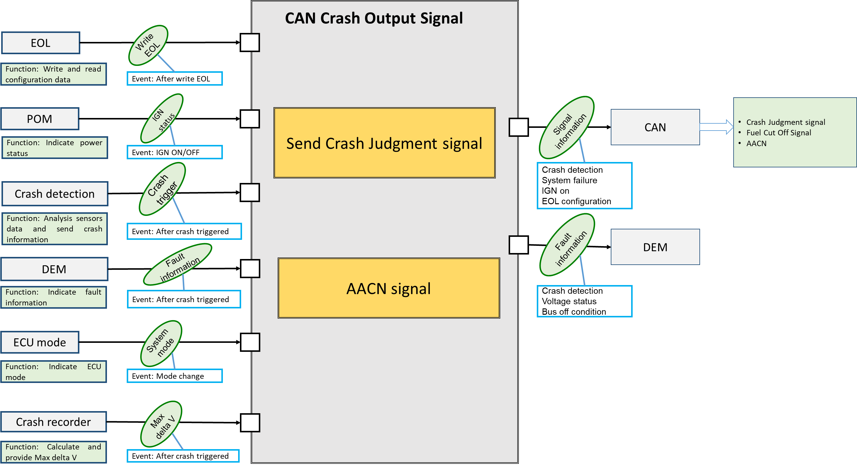

Hint to find test conditions in airbag system -> Please find details in the "Feature library". |  |  |  |  |  |  |  |  |  |  |  | Change history
Feature |  |  |  |  | Awareness keywords |  |  |  | Feature | Awarness keywords |  | Nr. | Change
ECU mode |  |  |  |  | Idle, Disposal, Autarky, Plant mode, transition |  |  |  | Inputs |  |  | 1 | RTC 1: Review the CAN CO generation
Power supply condition |  |  |  |  | High, Low, Normal, Fractuation |  |  |  | Outputs | Hardwired/CAN Crash output |  | 2 | RTC 2: Updated for the bus off failure case
Fault recorder |  |  |  |  | Step-up/down, Next power-on cycle |  |  |  | Communication (CAN/LIN) | Diagnositc communication, Periodical signals |  | 3 | RTC 3: Dependency between faults condition Bus off and HW fault affected to DTCs
Crash detection, Deployment |  |  |  |  | Disabling/Enabling algorithms, SCON |  |  |  | Bosch/Customer plant | Plant mode operation, Customer plant features |  | 4 | RTC 4: The update of the SRS_CO_870 in case voltage threshold to transmit CO CAN signal
Comapplication |  |  |  |  | Bus off condition handling |  |  |  | System configuration | Driver position (D/P or L/R), variant configuration

CAN CO signal Overview
Message | ID | Signal | length | Phys Value | Description | Static bit
Crash Judgment signal |  |  |  |  |  | rb_sycg_CustIsCrashOutputMessage04ASupported_e
RCMStatusMessage_2_MAC | 0x4A | threshould_over_fst | 2 bit | $1 | COLLISION_YES
 |  |  |  | $2 | COLLISION_NO_INITIALVALUECONFI
 |  | RCMStatusMessage_2_MACTx | 28 bit | 0.0 to 2.68435455E8 | valid range
 |  | RCMStatusMessage_2_FVTx | 4 bit | 0.0 to 15.0 | valid range
crashoutput_MAC | 0x33E | Threshold_over_front | 2 bit | $0 | Normal | rb_sycg_CustIsCrashOutputMessage340and33ESupported_e
 |  |  |  | $1 | Faulty
 |  |  |  | $2 | Threshold_over
 |  |  |  | $3 | Not_equiped
 |  | Threshold_over_side_Driver | 2 bit | $0 | Normal
 |  |  |  | $1 | Faulty
 |  |  |  | $2 | Threshold_over
 |  |  |  | $3 | Not_equiped
 |  | Threshold_over_side_passenger | 2 bit | $0 | Normal
 |  |  |  | $1 | Faulty
 |  |  |  | $2 | Threshold_over
 |  |  |  | $3 | Not_equiped
 |  | Threshold_over_rear | 2 bit | $0 | Normal
 |  |  |  | $1 | Faulty
 |  |  |  | $2 | Threshold_over
 |  |  |  | $3 | Not_equiped
 |  | Threshold_over_rollover | 2 bit | $0 | Normal
 |  |  |  | $1 | Faulty
 |  |  |  | $2 | Threshold_over
 |  |  |  | $3 | Not_equiped
 |  | Threshold_over_rollover_static | 1 bit | $0 | Normal, Faulty, Not_equiped
 |  |  |  | $1 | Threshold_over
 |  | FuelCutoffReq | 4 bit | $0 | $0: Not equipped or Not cofigured
 |  |  |  | $5 | $5: Unknown
 |  |  |  | $6 | $6: Fuel_Enabled
 |  |  |  | $A | $A: Fuel_Disabled
 |  |  |  | $C | $C: Reserved
 |  |  |  | $F | $F: Invalid
 |  | RcmStat_B_Actl | 1 bit | $0 | INITIALIZING
 |  |  |  | $1 | NORMAL
 |  | crashoutput_MACTx | 28 bit | 0.0 to 2.68435455E8 | valid range
 |  | crashoutput_FVTx | 4 bit | 0.0 to 15.0 | valid range
 |  | ID33E_No_Cs | 8 bit | 0.0 to 255.0 | valid range
 |  | ID33E_No_Cnt | 4 bit | 0.0 to 15.0 | valid range
crashoutput_brk_MAC | 0x33F | ID33F_E2E_CRCProfile2 |  | 0.0 to 255.0
 |  | Threshold_over_front_brk | 2 bit | $0 | Normal
 |  |  |  | $1 | Faulty
 |  |  |  | $2 | Threshold_over
 |  |  |  | $3 | Not_equiped
 |  | Threshold_over_side_Driver_brk | 2 bit | $0 | Normal
 |  |  |  | $1 | Faulty
 |  |  |  | $2 | Threshold_over
 |  |  |  | $3 | Not_equiped
 |  | Threshold_over_side_pass_brk | 2 bit | $0 | Normal
 |  |  |  | $1 | Faulty
 |  |  |  | $2 | Threshold_over
 |  |  |  | $3 | Not_equiped
 |  | Threshold_over_rear_brk | 2 bit | $0 | Normal
 |  |  |  | $1 | Faulty
 |  |  |  | $2 | Threshold_over
 |  |  |  | $3 | Not_equiped
 |  | Threshold_over_rollover_brk | 2 bit | $0 | Normal
 |  |  |  | $1 | Faulty
 |  |  |  | $2 | Threshold_over
 |  |  |  | $3 | Not_equiped
 |  | ID33F_E2E_CNTProfile2 | 4 bit | 0.0 to 15.0
 |  | RcmStat_B_Actl_brk | 1 bit | $0 | INITIALIZING
 |  |  |  | $1 | NORMAL
 |  | crashoutput_MACTx | 28 bit | 0.0 to 268435455.0 | valid range
 |  | crashoutput_FVTx | 4 bit | 0.0 to 15.0 | valid range
AACN |  |  |  |  |  | NONE
Longitudinal_Lateral_deltaV | 0x342 | Maximum_Lateral_deltaV_1 | 8 bit | 0x00~0xC8 | Normal Range
 |  |  | 8 bit | 0xFE | Initial Value
 |  | Maximum_Longitudinal_deltaV_1 | 8 bit | 0x00~0xC8 | Normal Range
 |  |  | 8 bit | 0xFE | Initial Value
 |  | Maximum_Lateral_deltaV_2 | 8 bit | 0x00~0xC8 | Normal Range
 |  |  | 8 bit | 0xFE | Initial Value
 |  | Maximum_Longitudinal_deltaV_2 | 8 bit | 0x00~0xC8 | Normal Range
 |  |  | 8 bit | 0xFE | Initial Value

Fault Logging Check
1. Aim of the test: To check the fault logging of CAN crash output
2. Confimation Point:
- to check the qualification time of the Faults of CO CAN when the Crash is injected
3. Condition considered
- Voltage
- ECU mode
- Failure condition in CAN bus
- Abnormla condition of collision detection failure system
- ECU time
- The Fault status is read by using Customer diagnostic
4. Testing techniques
- Equivalence partitioning + pairwise testing
- Decision table
5. Dependency
- Voltage>6.3, CAN signal cannot transmitted (In CRS, the V threshold = 7V)

NOTE: Deconfigure HW HV cutoff to before check DTC logging for CAN HV cutoff
Table 1: Check DTC logging all Fault of the CAN CO
SRS ID | Configure Fuel Cut off | Set Voltage and IGN On | Wait time | Crash Detected at T0 |  | Wait time T1 | DTC $9A5500 and Fault Counter Read | DTC：$1A0900 and Fault Counter Read | DTC $943A00 and Fault Counter Read | DTC $920600 (Fuel Cut) | Wait time T2 | DTC：$1A0900 and Fault Counter Read | DTC $943A00 and Fault Counter Read | DTC $920600 (Fuel Cut) | IGN Reset | DTC $9A5500 and Fault Counter Read | DTC：$1A0900 and Fault Counter Read | DTC $943A00 and Fault Counter Read | DTC $920600 (Fuel Cut) | Crash Detected at T0 |  | Wait time T1 | DTC $9A5500 and Fault Counter Read | Wait time T2 | DTC：$1A0900 and Fault Counter Read | DTC $943A00 and Fault Counter Read | DTC $920600 (Fuel Cut) | TS ID | Remark
787, 828, 831, 858 | Yes | 13 V | 8 s | Single Front AD |  | 30 ms | 0bxxxx1x11 | 0bxxxx0000 | 0bxxxx0000 | 0bxxxx0000 | 570 ms | 0bxxxx1x11 | 0bxxxx1x11 | 0bxxxx1x11 | Yes | 0bxxxx1x01 | 0bxxxx1x01 | 0bxxxx1x01 | 0bxxxx1x01 | Single Front AD |  | 30 ms | 0bxxxx1x11 | 570 ms | 0bxxxx1x11 | 0bxxxx1x11 | 0bxxxx1x11 | 3.2.4.1 | Use CD read fault memory cyclic after crash injected to check qual-time of DTC
787, 828, 831, 858 |  | 7.8 V |  | Single Side AD |  | 30 ms | 0bxxxx1x11 | 0bxxxx0000 | 0bxxxx0000 | 0bxxxx0000 | 570 ms | 0bxxxx1x11 | 0bxxxx1x11 | 0bxxxx1x11 |  | 0bxxxx1x01 | 0bxxxx1x01 | 0bxxxx1x01 | 0bxxxx1x01 | Single Side AD |  | 30 ms | 0bxxxx1x11 | 570 ms | 0bxxxx1x11 | 0bxxxx1x11 | 0bxxxx1x11
787, 828, 831, 858 |  | 17 V |  | Single Rear NAD |  | 30 ms | 0bxxxx1x11 | 0bxxxx0000 | 0bxxxx0000 | 0bxxxx0000 | 570 ms | 0bxxxx1x11 | 0bxxxx1x11 | 0bxxxx1x11 |  | 0bxxxx1x01 | 0bxxxx1x01 | 0bxxxx1x01 | 0bxxxx1x01 | Single Rear NAD |  | 30 ms | 0bxxxx1x11 | 570 ms | 0bxxxx1x11 | 0bxxxx1x11 | 0bxxxx1x11
787, 828, 831, 858 |  | 10 V |  | Single Rollover AD |  | 30 ms | 0bxxxx1x11 | 0bxxxx0000 | 0bxxxx0000 | 0bxxxx0000 | 570 ms | 0bxxxx1x11 | 0bxxxx1x11 | 0bxxxx1x11 |  | 0bxxxx1x01 | 0bxxxx1x01 | 0bxxxx1x01 | 0bxxxx1x01 | Single Rollover AD |  | 30 ms | 0bxxxx1x11 | 570 ms | 0bxxxx1x11 | 0bxxxx1x11 | 0bxxxx1x11
787, 828, 831, 858 | No | 13 V |  | Single Front AD |  | 30 ms | 0bxxxx1x11 | 0bxxxx0000 | 0bxxxx0000 | 0bxxxx0000 | 570 ms | 0bxxxx1x11 | 0bxxxx1x11 | 0b00000000 |  | 0bxxxx1x01 | 0bxxxx1x01 | 0bxxxx1x01 | 0b00000000 | Single Front AD |  | 30 ms | 0bxxxx1x11 | 570 ms | 0bxxxx1x11 | 0bxxxx1x11 | 0b00000000
787, 828, 831, 858 |  | 7.8 V |  | Single Side AD |  | 30 ms | 0bxxxx1x11 | 0bxxxx0000 | 0bxxxx0000 | 0bxxxx0000 | 570 ms | 0bxxxx1x11 | 0bxxxx1x11 | 0b00000000 |  | 0bxxxx1x01 | 0bxxxx1x01 | 0bxxxx1x01 | 0b00000000 | Single Side AD |  | 30 ms | 0bxxxx1x11 | 570 ms | 0bxxxx1x11 | 0bxxxx1x11 | 0b00000000
787, 828, 831, 858 |  | 17 V |  | Single Rear NAD |  | 30 ms | 0bxxxx1x11 | 0bxxxx0000 | 0bxxxx0000 | 0bxxxx0000 | 570 ms | 0bxxxx1x11 | 0bxxxx1x11 | 0b00000000 |  | 0bxxxx1x01 | 0bxxxx1x01 | 0bxxxx1x01 | 0b00000000 | Single Rear NAD |  | 30 ms | 0bxxxx1x11 | 570 ms | 0bxxxx1x11 | 0bxxxx1x11 | 0b00000000
787, 828, 831, 858 |  | 10 V |  | Single Rollover AD |  | 30 ms | 0bxxxx1x11 | 0bxxxx0000 | 0bxxxx0000 | 0bxxxx0000 | 570 ms | 0bxxxx1x11 | 0bxxxx1x11 | 0b00000000 |  | 0bxxxx1x01 | 0bxxxx1x01 | 0bxxxx1x01 | 0b00000000 | Single Rollover AD |  | 30 ms | 0bxxxx1x11 | 570 ms | 0bxxxx1x11 | 0bxxxx1x11 | 0b00000000

Table 2: Check DTC requalified due to the clear fault by CD is implemented

SRS ID | Configure Fuel Cut off | Set Voltage and IGN On | Wait time | Crash Detected at T0 |  | Wait time T1 | DTC $9A5500 and Fault Counter Read | Wait time T2 | DTC：$1A0900 and Fault Counter Read | DTC $943A00 and Fault Counter Read | DTC $920600 (Fuel Cut) | Clear Fault by CD after 400 ms and wait 1s | DTC $9A5500 and Fault Counter Read | DTC：$1A0900 and Fault Counter Read | DTC $943A00 and Fault Counter Read | DTC $920600 (Fuel Cut) | Wait time T1 | DTC $9A5500 and Fault Counter Read | Wait time T2 | DTC：$1A0900 and Fault Counter Read | DTC $943A00 and Fault Counter Read | DTC $920600 (Fuel Cut) | TS ID | Remark
787, 828, 831, 858 | Yes | 13 V | 8 s | Single Front AD |  | 30 ms | 0bxxxx1x11 | 570 ms | 0bxxxx1x11 | 0bxxxx1x11 | 0bxxxx1x11 | Yes | 0bxxxx0000 | 0bxxxx0000 | 0bxxxx0000 | 0bxxxx0000 | 30 ms | 0bxxxx1x11 | 570 ms | 0bxxxx1x11 | 0bxxxx1x11 | 0bxxxx1x11 | 3.2.4.2 | Use CD read fault memory cyclic after crash injected to check qual-time of DTC
787, 828, 831, 858 |  | 7.8 V |  | Single Side AD |  | 30 ms | 0bxxxx1x11 | 570 ms | 0bxxxx1x11 | 0bxxxx1x11 | 0bxxxx1x11 |  | 0bxxxx0000 | 0bxxxx0000 | 0bxxxx0000 | 0bxxxx0000 | 30 ms | 0bxxxx1x11 | 570 ms | 0bxxxx1x11 | 0bxxxx1x11 | 0bxxxx1x11
787, 828, 831, 858 |  | 17 V |  | Single Rear NAD |  | 30 ms | 0bxxxx1x11 | 570 ms | 0bxxxx1x11 | 0bxxxx1x11 | 0bxxxx1x11 |  | 0bxxxx0000 | 0bxxxx0000 | 0bxxxx0000 | 0bxxxx0000 | 30 ms | 0bxxxx1x11 | 570 ms | 0bxxxx1x11 | 0bxxxx1x11 | 0bxxxx1x11
787, 828, 831, 858 |  | 10 V |  | Single Rollover AD |  | 30 ms | 0bxxxx1x11 | 570 ms | 0bxxxx1x11 | 0bxxxx1x11 | 0bxxxx1x11 |  | 0bxxxx0000 | 0bxxxx0000 | 0bxxxx0000 | 0bxxxx0000 | 30 ms | 0bxxxx1x11 | 570 ms | 0bxxxx1x11 | 0bxxxx1x11 | 0bxxxx1x11

Table 3: Check the dependency between CAN CO DTC and HW CO DTC
This table check to make sure the fault DTC qualification is correct or not since the combination of bus off and HW Faulty condition come

SRS ID | HW CO faulty | Set Voltage and IGN On | Wait time | Bus off condition last till the 4500 ms since T0 | Crash Detected at T0 |  | Wait time | DTC 943A00 Ecall | DTC 1A0900 HV cut | DTC 9A5500 | DTC 920600 Fuel Cut | TS ID | Remark
828, 831, 787, 277, 296 | ENS1 Fault ENS2 Normal ENS3 Normal | 13 V | 8 s | No | Single Front AD |  | 600 ms | 0bxxxx1x11 | 0bxxxx1x11 | 0bxxxx1x11 | 0bxxxx1x11 | 3.2.4.3
828, 831, 787, 277, 296 | ENS1 Fault ENS2 Fault ENS3 Normal | 7.8 V | 8s | No | Single Side AD |  | 600 ms | 0bxxxx1x11 | 0bxxxx1x11 | 0bxxxx1x11 | 0bxxxx1x11
828, 831, 787, 277, 296 | ENS1 Fault ENS2 Fault ENS3 Fault | 17 V | 8s | Yes | Single Rear NAD |  | 600 ms | 0b00000000 | 0b00000000 | 0b00000000 | 0b00000000
828, 831, 787, 277, 296 | ENS1 Normal ENS2 Fault ENS3 Fault | 10 V | 8s | Yes | Single Rollover AD |  | 600 ms | 0b00000000 | 0bxxxx1x11 | 0b00000000 | 0b00000000
828, 831, 787, 277, 296 | ENS1 Normal ENS2 Normal ENS3 Fault | 7.8 V | 8s | No | Single Side AD |  | 600 ms | 0bxxxx1x11 | 0bxxxx1x11 | 0b00000000 | 0b00000000
828, 831, 787, 277, 296 | ENS1 Normal ENS2 Fault ENS3 Fault | 17 V | 8s | No | Single Front AD |  | 600 ms | 0bxxxx1x11 | 0bxxxx1x11 | 0bxxxx1x11 | 0bxxxx1x11
828, 831, 787, 277, 296 | ENS1 Fault ENS2 Normal ENS3 Normal | 10 V | 8s | Yes | Single Rollover AD |  | 600 ms | 0bxxxx1x11 | 0b00000000 | 0b00000000 | 0b00000000

Note: - Basing on the decision technique to choose the valid condition; This also not care about the qualification time since each time qualification and requalified characteristics are verified in separate TCs - The Fault can be choosen different for each TCs as Short2Bat or Shot2Gnd Faults

Decision table tetsing techniques:

Conditions: |  | TC1 | TC2 |  | TC3 | TC4 | TC5 |  |  | TC6 |  |  | TC7
ENS 1 Fault Before Crash |  | Y | Y | Y | Y | N | N | N | N | N | N | N | Y
ENS 2 Fault Before Crash |  | N | Y | Y | Y | Y | N | N | N | Y | Y | N | N
ENS 3 Fault Before Crash |  | N | N | Y | Y | Y | Y | N | N | Y | N | Y | N
Bus off Fault Before Crash |  | N | N | N | Y | Y | Y | Y | N | N | N | N | Y
Actions:
943A00 Ecall qualified (HW+ CAN) |  | Y | Y | Y | N | N | Y | Y | Y | Y | Y | Y | Y
1A0900 HVCut qualified (HW+CAN) |  | Y | Y | Y | N | Y | Y | Y | Y | Y | Y | Y | N
9A5500 (CAN - 10 ms)
920600 Fuel Cut (CAN)

There are no cases for 2 CAN fault qualified but the other is not, then it is not necessary to listed all case

HV CutOff graph
Graph 1: Inject multiple crashs same type
Crash 1st
Crash 2nd
a. 1sr Crash -> (delay <5s) -> 2nd Crash
3s

IGN

HV cut off

250ms
ITM
30*100ms
50*100ms

Qualified
DTC
6*100ms
NOTE: Crash 1st and Crash 2nd same type

b. 1sr Crash -> (delay >5s) -> 2nd Crash
Crash 1st
Crash 2nd
>5s

IGN

HV cut off

250ms
ITM
50*100ms
50*100ms

Qualified
DTC
6*100ms
NOTE: Crash 1st and Crash 2nd same type

Graph 2: Inject multiple crashs different type
Crash TypeA
Crash TypeB
a. 1sr Crash -> (delay <5s) -> 2nd Crash
3s

IGN

HVcutoff_SigA

50*100ms

HVcutoff_SigB

250ms
ITM
50*100ms

Qualified
DTC
6*100ms

Crash TypeA
Crash TypeB
b. 1sr Crash -> (delay >5s) -> 2nd Crash
>5s

IGN

HVcutoff_SigA

50*100ms

HVcutoff_SigB

250ms
ITM
50*100ms

Qualified
DTC
6*100ms

Graph 3: Colision signal with Bus off condition

bus off for 3s
a. Condition 1
CAN bus
Crash

IGN

CAN no transmitted
HV cut off
3*100ms
30*100ms
3*100ms
250ms
ITM
50*100ms
Qualified
DTC

bus off for >5s
b. Condition 2
CAN bus
Crash

IGN

CAN no transmitted
HV cut off
6*100ms
250ms
ITM
50*100ms

Qualified
DTC

Graph 4: DTC qualification in abnormal condition
Crash 1st
Crash 2nd

IGN
init
Colision
Colision

Normal
Normal
Normal
HV cut off

250ms
ITM
All Clear
Qualified
Qualified again

DTC
6*100ms
6*100ms

FuelCutOff Signal
1. Aim of the test: Generate the signal in FuelCutoffReq Signal
2. Confimation Point:
- Init mode & Normal mode, Idle mode: Fuel Cut Off Signal FuelCutoffReq = $6 (separate the normal and init time basing on RcmStat_B_Actl Signal
- SAS shall transmit $A:Fuel_Disabled signal within 12ms from timing when it makes a decision of collision.
- In collision detection failure detected (Abnormal mode), transmit $5
- If internal failure detected leading to ITM cancel, $6 is transmitted
- The
3. Condition considered
- Voltage
- ECU mode
- Failure condition in CAN bus
- Abnormal condition of collision detection failure system
- ECU time
4. Testing techniques
- Equivalence partitioning + pairwise testing
5. Dependency
- Voltage>6.3, CAN signal cannot transmitted (In CRS, the V threshold = 7V)

Table 1: Check FuelCutOff signal in different ECU mode and Vbat condition till V < 7V
SRS ID | Fuel Cuoff Configure | Set ECU Mode and IGN On | Observe Signal during 10s since IGN On | Signal Observation |  | Set Voltage | Signal Observation in next 3s |  | TS ID | Remark
 |  |  |  | RcmStat_B_Actl | FuelCutoffReq |  | RcmStat_B_Actl | FuelCutoffReq
779, 771, 770, | Configured | Normal | During Init | $0 | $6 | 6.8 V | No Signal | No Signal | 1601 | There is normal signal generation for Idle mode, Plant mode, Disposal mode also
779 , 771, 770,782, 784 |  |  | After Init till 10s | $1 | $6 |  | No Signal | No Signal
712 , 771, 770 |  | Idle | During Init | $0 | $6 | 6.8 V | No Signal | No Signal | 1602
712 , 771, 770 |  |  | After Init till 10s | $1 | $5 |  | No Signal | No Signal
711 , 771, 770 |  | Disposal | During Init | $0 | $6 | 6.8 V | No Signal | No Signal | 1603
711 , 771, 770 |  |  | After Init till 10s | $1 | $6 |  | No Signal | No Signal
707 , 771, 770 |  | Plant | During Init | $0 | $6 | 6.8 V | No Signal | No Signal | 1604
707 , 771, 770 |  |  | After Init till 10s | $1 | $6 |  | No Signal | No Signal
879, 771, 770 | No configured | Normal | During Init | $0 | $0 | 6.8 V | No Signal | No Signal | 1605
879 771, 770 |  |  | After Init till 10s | $1 | $0 |  | No Signal | No Signal
712, 771, 770 |  | Idle | During Init | $0 | $0 | 6.8 V | No Signal | No Signal | 1606
712, 771, 770 |  |  | After Init till 10s | $1 | $0 |  | No Signal | No Signal
711, 771, 770 |  | Disposal | During Init | $0 | $0 | 6.8 V | No Signal | No Signal | 1607
711, 771, 770 |  |  | After Init till 10s | $1 | $0 |  | No Signal | No Signal
707, 771, 770 |  | Plant | During Init | $0 | $0 | 6.8 V | No Signal | No Signal | 1608
707, 771, 770 |  |  | After Init till 10s | $1 | $0 |  | No Signal | No Signal
Note: The init and normal of the FuelCutoffReq is basing on RcmStat; after RCmStat = $1 then FuelCutoff = $0

Table 2: Check FuelCutOff signal when Collision detection system Faulty detected and in autarky condition

SRS ID | Fuel Cuoff Configure | Set ECU Mode and IGN On | Wait for time | Signal Observation |  | System Failure creation | Signal Observation |  | IGN Off | FuelCutoffReq till autarky end | TS ID | Remark
 |  |  |  | RcmStat_B_Actl | FuelCutoffReq |  | RcmStat_B_Actl | FuelCutoffReq
796, 793 | Configured | Normal | 2s | $0 | $6 | Fault for ITM check not end | $0 | $6 | Yes | $6 | 1820 | Detection system faulty in ecu phase
792, 794, 793 |  |  | During Init | $0 | $6 | Disable Front Algo | $1 | $5 |  | $5 | 1622
792, 794, 793 |  |  | During Init | $0 | $6 | Disable Side Algo | $1 | $5 |  | $5
792, 794, 793 |  |  | After Init -> 8s | $1 | $6 | Disable Rear Algo | $1 | $5 |  | $5 | 1623
792, 795, 793 |  |  | After Init -> 8s | $1 | $6 | Disable Roll Algo | $1 | $5 |  | $5 | 1624
792, 795, 793 |  |  | > 8s | $1 | $6 | Disable Complete Algo | $1 | $5 |  | $5 | 1625

Table 3: Check FuelCutOff signal in crash detection condition

SRS ID | Fuel Cuoff Configure | Set Voltage and IGN On | Wait time since IGN On | RcmStat_B_Actl | FuelCutoffReq | Crash detected | Delay time | FuelCutoffReq for 5s | FuelCutoffReq after 5s till 10s | DTC $920600 read afer 600 ms since T0+12 ms | TS ID | Remark
397 | Configured | 13V | During Init | $0 | $6 | Any Crash | 0 | $6 | $6 | 0bxxxx0000 | 1518 | FuelCutoffReq transmit Fuel_Disable ($A) for 10 cycles, then back to Fuel_Enable ($6)
397, 398 |  |  | After Init | $1 | $6 | Single Front AD | 12 ms | $A | $6 | Qualified | 1635
397, 398 |  |  | After Init | $1 | $6 | Single Side AD | 12 ms | $A | $6 | Qualified | 1636
397, 398 |  |  | After Init | $1 | $6 | Single Rear NAD | 12 ms | $A | $6 | Qualified | 1637
397, 398 |  |  | After Init | $1 | $6 | Single Rollover AD | 12 ms | $A | $6 | Qualified | 1638
397, 398 |  |  | After Init | $1 | $6 | Parallel Front AD - Side AD | 12 ms | $A | $6 | Qualified | 1639
397, 398 |  |  | After Init | $1 | $6 | Parallel RolloverAD_SideLeftAD | 12 ms | $A | $6 | Qualified | 1640
397, 398 |  |  | After Init | $1 | $6 | ParallelRolloverAD_Front | 12 ms | $A | $6 | Qualified | 1641
397, 398 |  |  | After Init | $1 | $6 | ParallelSideLAD_Rear | 12 ms | $A | $6 | Qualified | 1642
397, 398 |  |  | After Init | $1 | $6 | Front Crash with Autarky at T0 | 12 ms | $A | --- | Qualified |  | In case the autarky time is long enough for > 600 ms

Table 4: Check FuelCutOff signal with multiple crash
T02
T01

SRS ID | Fuel Cuoff Configure | Set Voltage and IGN On and wait till steady state | Wait time since IGN On | RcmStat_B_Actl & FuelCutoffReq | Crash Detected | Delay time | FuelCutoffReq | Time Duration | DTC $920600 read afer 600 ms | FuelCutoffReq after Time Duration | Time Duration 1 | FuelCutoffReq after Time Duration 1 till next 5s | FuelCutoffReq till next 10s | TS ID | Remark
787, 788, 789, 786, 886 | Configured | 13V | 8s | $1; $6 | Multi_EDR_Front_AD_Side_AD;5 | 12 ms | $A | 5302.5 ms | Qualified | $6 | 0 | $6 | $6 | part 3.2.3.4.2 | Fuel Cutoff signal = Disabled ($A) since T01 of the first incidents and also continue fo 5s since T02 of the second incident in a multi event
787, 788, 789, 786, 886 |  |  | 8s | $1; $6 | Multi_EDR_Front_AD_Rear_ND;5 | 12 ms | $A | 5299.5 ms | Qualified | $6 | 0 | $6 | $6
787, 788, 789, 786, 886 |  |  | 8s | $1; $6 | Multi_EDR_SideAD_FrontND;5 | 12 ms | $A | 5461.5 ms | Qualified | $6 | 0 | $6 | $6
787, 788, 789, 786, 886 |  |  | 8s | $1; $6 | Multi_EDR_Extended_Rollover_ND_Side_AD_Front_AD;5 | 12 ms | $A | 5187 ms | Qualified | $6 | 0 | $6 | $6
787, 788, 789, 786, 886 |  |  | 8s | $1; $6 | Multi_EDR_TwoSingle_Side_after5s_Front;5 | 12 ms | $A | 5000 ms | Qualified | $6 | 126.52 ms | $A | $6 |  | This is 2 incident which separate > 5s

*Note: the duration time is basing on the time different between T02 - T01

Table 5: Check FuelCutOff signal trasition and DTC logging when CAN bus is in failure condition
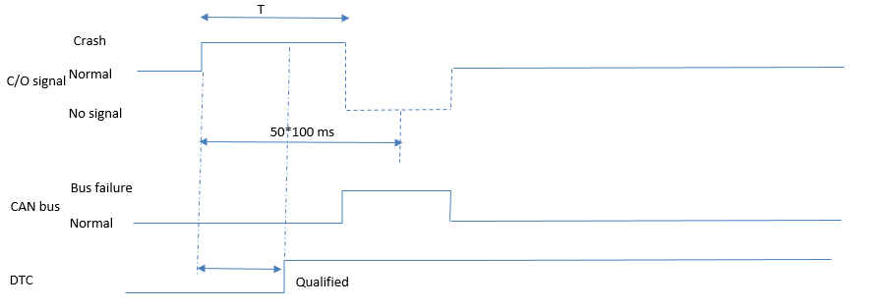

Case 1: Bus off condition appears during transmitting $A (Disabled) (After crash injection) and recover Bus off before 5s => $A still transmit after bus off recover till 5s
Case 2: Bus off condition appears during transmitting $A (Disabled) (After crash injection) and recover Bus off after 5s => $A will never be transmitted again
Case 3: Bus off condition appears before crash injection and recover after crash injected < 5s => $A will transmitted till 5s
Case 4: Bus off condition appears before crash injection and recover after crash injected > 5s => $A will never be transmitted again
Case 5: Bus off condition appears before crash injection and recover after crash injected < 5s then bus off again => $A will be transmitted again and fault also qualified
SRS ID | HW Configure | Fuel Cuoff Configure | Set Voltage and IGN On and wait till steady state | Wait time since IGN On | RcmStat_B_Actl & FuelCutoffReq | Bus off Condition | Duration of bus off | Crash Detected (At T0) | Delay time since T0 | FuelCutoffReq | Time Duration | DTC $920600 | Bus off Condition | Time Duration 1 | FuelCutoffReq | Bus off Condition | FuelCutoffReq | Time Duration 2 | Bus off Condition | FuelCutoffReq till next 400 ms | FuelCutoffReq till next 10s | DTC $920600 | TS ID | Remark
739, 714, 738 | No Configured | Configured | 13V | 8s | $1; $6 | No | 1 s | Single Front AD | 12 ms | $A | 490 ms | 0b00000000 | Yes | 3000 ms | --- | No (Recovered) | $A | 1510 ms | No | $6 | $6 | Qualified | 1731
739, 714, 738 |  |  |  | 8s | $1; $6 | No | 1 s | Single Front ND | 12 ms | $A | 600 ms | Qualified | Yes | 3000 ms | --- | No (Recovered) | $A | 1400 ms | No | $6 | $6 | Qualified
739, 714, 738 |  |  |  | 8s | $1; $6 | No | 2 s | Single Side Left AD | 12 ms | $A | 2000 ms | Qualified | Yes | 3000 ms | --- | No (Recovered) | $6 | --- | No | $6 | $6 | Qualified | 1732
739, 714, 738 |  |  |  | 8s | $1; $6 | Yes | 2 s | Single Rear NAD | 0 | ---- | 2000 ms | ---- | No (Recovered) | 3000 ms | $A | No | $A | 2000 ms | No | $6 | $6 | Qualified | 1733
739, 714, 739 |  |  |  | 8s | $1; $6 | Yes | 2 s | Single Front AD | 0 | ---- | 0 ms | ---- | No (Recovered) | 300 ms | $A | Yes | --- | 2300 ms | No | $A | $6 | Qualified | 1852
739, 714, 739 |  |  |  | 8s | $1; $6 | Yes | 2 s | Single Side Right AD | 0 | ---- | 4550 ms | ---- | No (Recovered) | 450 ms | $A | No | $6 | --- | No | $6 | $6 | 0b00000000 | 1853
739, 714, 738 |  |  |  | 8s | $1; $6 | Yes | 2 s | Single Roll AD | 0 | ---- | 2000 ms | ---- | No (Recovered) | 5000 ms | $6 | No | $6 | --- | No | $6 | $6 | 0b00000000 | 1734

Table 6: Check FuelCutOff signal transition from Crash signal to Failure signal

SRS ID | Fuel Cuoff Configure | Set Voltage and IGN On and wait till steady state | Wait time since IGN On | RcmStat_B_Actl & FuelCutoffReq | Crash Detected (At T0) | Delay time since T0 | FuelCutoffReq for 2s | System Failure creation | FuelCutoffReq for 3s | FuelCutoffReq after 3s | TS ID | Remark
787, 788 | Configured | 13V | Steady | $1; $6 | Single Front AD | 12 ms | $A | Disable Side Algo | $A | $5 | 1679 | (*)FuelCutoffReq transmit Fuel_Disable ($A) for T2 cycles, then back to Unknow ($5)
787, 788 |  | 17 V |  | $1; $6 | Single Front ND | 12 ms | $A | Disable Front Algo | $A | $5 | 1680
787, 788 |  | 7.5 V |  | $1; $6 | Single Side Left AD | 12 ms | $A | Disable Side Algo | $A | $5 | 1681
787, 788 |  | 13V |  | $1; $6 | Single Rear NAD | 12 ms | $A | Disable Roll Algo | $A | $5 | 1682
787, 788 |  | 17 V |  | $1; $6 | Single Side Right AD | 12 ms | $A | Disable Rear Algo | $A | $5 | 1683
787, 788 |  | 7.5 V |  | $1; $6 | Single Roll AD | 12 ms | $A | Disable Complete Algo | $A | $5 | 1684

Table 7: Check FuelCutOff signal trasition from Failure signal to Crash signal

SRS ID | Fuel Cuoff Configure | Set Voltage and IGN On and wait till steady state | Wait time since IGN On | RcmStat_B_Actl & FuelCutoffReq | System Failure creation | FuelCutoffReq for 2s | Crash Detected (At T0) | Delay time since T0 | FuelCutoffReq for 5s | FuelCutoffReq after 5s till 10s | TS ID | Remark
787, 788 | Configured | 13V | 4s | $1; $6 | Disable Front Algo | $5 | Side Crash | 12 ms | $A | $5 | 1716
787, 788 |  |  | 5s | $1; $6 | Disable Side Algo | $5 | Front Crash | 12 ms | $A | $5 | 1717
787, 788 |  |  | 6s | $1; $6 | Disable Rear Algo | $5 | Roll Crash | 12 ms | $A | $5 | 1718
787, 788 |  |  | 7s | $1; $6 | Disable Roll Algo | $5 | Rear Crash | 12 ms | $A | $5 | 1719
787, 788 |  |  | 8s | $1; $6 | Disable Complete Algo | $5 | Multi Front AD - Side AD | 0 | $5 | $5 | 1720
787, 788 |  |  | 4s | $1; $6 | Disable Front Algo | $5 | Front Crash | 0 | $5 | $5 |  | Covered by TC above
787, 788 |  |  | 5s | $1; $6 | Disable Side Algo | $5 | Side Crash | 0 | $5 | $5
787, 788 |  |  | 6s | $1; $6 | Disable Rear Algo | $5 | Rear Crash | 0 | $5 | $5
787, 788 |  |  | 7s | $1; $6 | Disable Roll Algo | $5 | Roll Crash | 0 | $5 | $5

Overview_CrashJudgmentSignal
Test Design Specification - Overview (Finding test conditions)

Project information |  |  |  |  |  | Feature for customer (Motivation, Scope, Purpose) |  |  |  |  |  |  | Document information
Product / Project |  |  | Mazda AB12 |  |  | To generate the crash related information to CAN CO signals in different conditions of ECU |  |  |  |  |  |  | Document Nr.
Test item |  |  | CAN Crash Output |  |  |  |  |  |  |  |  |  | Author | Nguyen Thuy Duong
Review history |  |  |  |  |  |  |  |  |  |  |  |  | Time frame | Mar, 2021
Date on review |  |  | Review team |  |  |  |  |  |  |  |  |  | Test basis
 |  |  |  |  |  |  |  |  |  |  |  |  | Name |  | Baseline/Revision
 |  |  |  |  |  |  |  |  |  |  |  |  | SRS_CO_MazdaCrashOutputAB12 |  | 1.28
 |  |  |  |  |  |  |  |  |  |  |  |  | CRS377_RCM Collision Judgment Signal |  | 9.22
 |  |  |  |  |  |  |  |  |  |  |  |  | SRS03_COAT_MazdaComSignalTable |  | 462
 |  |  |  |  |  |  |  |  |  |  |  |  | CRS52_RCM Collision Judgment Signal |  | 9.5
 |  |  |  |  |  |  |  |  |  |  |  |  | CRS401_TCU CRASH OUTPUT COMMUNICATION SPECIFICATION |  | 16.1
Visualization of the test design (overview)
1st step : Structure of this test item (Input, Function, Output) |  |  |  |  |  |  | 2nd step : Which information is exchanged? |  |  | 3rd step : When/where is this information exchanged? (Timing, Dynamic behaviour)
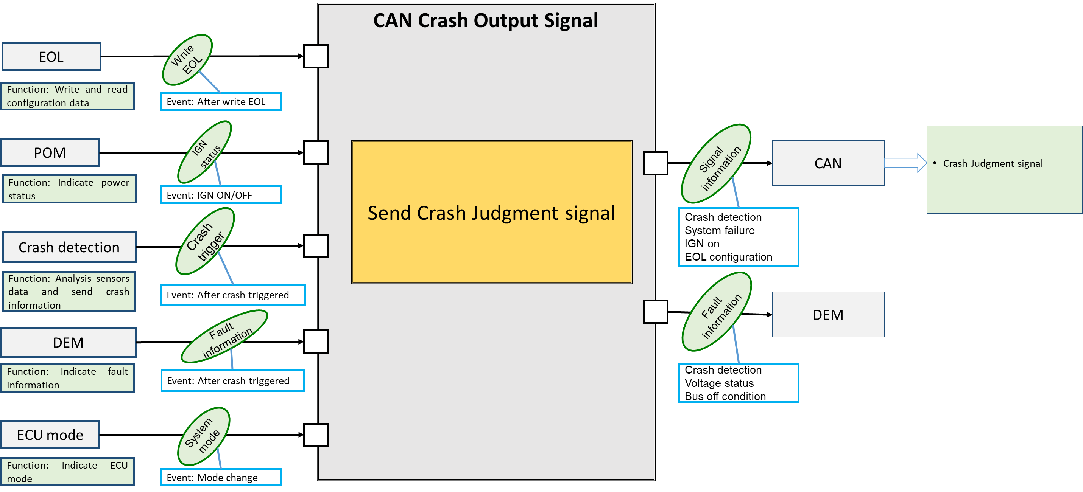

Hint to find test conditions in airbag system -> Please find details in the "Feature library". |  |  |  |  |  |  |  |  |  |  | Change history
Feature |  |  |  |  | Awareness keywords |  |  | Feature | Awarness keywords |  | Nr. | Change
ECU mode |  |  |  |  | Idle, Disposal, Autarky, Plant mode, normal, Failure |  |  | Inputs
Power supply condition |  |  |  |  | High, Low, Normal, Fractuation |  |  | Outputs | Hardwired/CAN Crash output
Fault recorder |  |  |  |  | Step-up/down, Next power-on cycle |  |  | Communication (CAN/LIN) | Diagnositc communication, Periodical signals
Crash detection, Deployment |  |  |  |  | Disabling/Enabling algorithms, SCON |  |  | Bosch/Customer plant | Plant mode operation, Customer plant features
Comapplication |  |  |  |  | Bus off condition handling |  |  | System configuration | Driver position (D/P or L/R), variant configuration

CAN CO signal Overview
Message | ID | Signal | length | Phys Value | Description
RCMStatusMessage_2_MAC | 0x4A | threshould_over_fst | 2 bit | $1 | COLLISION_YES
 |  |  |  | $2 | COLLISION_NO_INITIALVALUECONFI
 |  | RCMStatusMessage_2_MACTx | 28 bit | 0.0 to 2.68435455E8 | valid range
 |  | RCMStatusMessage_2_FVTx | 4 bit | 0.0 to 15.0 | valid range
crashoutput_MAC | 0x33E | Threshold_over_front | 2 bit | $0 | Normal
 |  |  |  | $1 | Faulty
 |  |  |  | $2 | Threshold_over
 |  |  |  | $3 | Not_equiped
 |  | Threshold_over_side_Driver | 2 bit | $0 | Normal
 |  |  |  | $1 | Faulty
 |  |  |  | $2 | Threshold_over
 |  |  |  | $3 | Not_equiped
 |  | Threshold_over_side_passenger | 2 bit | $0 | Normal
 |  |  |  | $1 | Faulty
 |  |  |  | $2 | Threshold_over
 |  |  |  | $3 | Not_equiped
 |  | Threshold_over_rear | 2 bit | $0 | Normal
 |  |  |  | $1 | Faulty
 |  |  |  | $2 | Threshold_over
 |  |  |  | $3 | Not_equiped
 |  | Threshold_over_rollover | 2 bit | $0 | Normal
 |  |  |  | $1 | Faulty
 |  |  |  | $2 | Threshold_over
 |  |  |  | $3 | Not_equiped
 |  | Threshold_over_rollover_static | 1 bit | $0 | Normal, Faulty, Not_equiped
 |  |  |  | $1 | Threshold_over
 |  | FuelCutoffReq | 4 bit | $0 | $0: Not equipped or Not cofigured
 |  |  |  | $5 | $5: Unknown
 |  |  |  | $6 | $6: Fuel_Enabled
 |  |  |  | $A | $A: Fuel_Disabled
 |  |  |  | $C | $C: Reserved
 |  |  |  | $F | $F: Invalid
 |  | RcmStat_B_Actl | 1 bit | $0 | INITIALIZING
 |  |  |  | $1 | NORMAL
 |  | crashoutput_MACTx | 28 bit | 0.0 to 2.68435455E8 | valid range
 |  | crashoutput_FVTx | 4 bit | 0.0 to 15.0 | valid range
 |  | ID33E_No_Cs | 8 bit | 0.0 to 255.0 | valid range
 |  | ID33E_No_Cnt | 4 bit | 0.0 to 15.0 | valid range
crashoutput_brk_MAC | 0x33F | ID33F_E2E_CRCProfile2 |  | 0.0 to 255.0
 |  | Threshold_over_front_brk | 2 bit | $0 | Normal
 |  |  |  | $1 | Faulty
 |  |  |  | $2 | Threshold_over
 |  |  |  | $3 | Not_equiped
 |  | Threshold_over_side_Driver_brk | 2 bit | $0 | Normal
 |  |  |  | $1 | Faulty
 |  |  |  | $2 | Threshold_over
 |  |  |  | $3 | Not_equiped
 |  | Threshold_over_side_passenger_brk | 2 bit | $0 | Normal
 |  |  |  | $1 | Faulty
 |  |  |  | $2 | Threshold_over
 |  |  |  | $3 | Not_equiped
 |  | Threshold_over_rear_brk | 2 bit | $0 | Normal
 |  |  |  | $1 | Faulty
 |  |  |  | $2 | Threshold_over
 |  |  |  | $3 | Not_equiped
 |  | Threshold_over_rollover_brk | 2 bit | $0 | Normal
 |  |  |  | $1 | Faulty
 |  |  |  | $2 | Threshold_over
 |  |  |  | $3 | Not_equiped
 |  | ID33F_E2E_CNTProfile2 | 4 bit | 0.0 to 15.0
 |  | RcmStat_B_Actl_brk | 1 bit | $0 | INITIALIZING
 |  |  |  | $1 | NORMAL
 |  | crashoutput_MACTx | 28 bit | 0.0 to 268435455.0 | valid range
 |  | crashoutput_FVTx | 4 bit | 0.0 to 15.0 | valid range

SCR_DoorUnlock E-Call
1. Aim of the test: Generate the CAN signals which indicate the collision threshold is reach or not
2. Confimation Point:
- Init mode & Normal mode, Idle mode: $0 should be transmitted
- SAS shall transmit $A:Fuel_Disabled signal within 12ms from timing when it makes a decision of collision.
- In collision detection failure detected (Abnormal mode), transmit $2: Threshold_over for 5s the return to normal $0;
threshold_over_fst shall be transmitted 30 ms; These signal transmission will be repeated if another crash is detected
- If internal failure detected leading to ITM cancel, $0 is transmitted
- Collision detected: $2 is transmitted in corresponding signal
3. Condition considered
- Voltage
- ECU mode
- Failure condition in CAN bus
- Abnormla condition of collision detection failure system
- ECU time
4. Testing techniques
- Equivalence partitioning + pairwise testing
5. Dependency
- Voltage>6.3, CAN signal cannot transmitted (In CRS, the V threshold = 7V)
Note: threshold_over_(front/sideD/sideP/rear/roll/rollstatic) represent for 6 signals in message 0x341
1. Aim of the test: Generate the CAN signals which indicate the collision threshold is reach or not
2. Confimation Point:
- Init mode & Normal mode, Idle mode: $0 should be transmitted
- SAS shall transmit $A:Fuel_Disabled signal within 12ms from timing when it makes a decision of collision.
- In collision detection failure detected (Abnormal mode), transmit:
+ $2: threshold_over(front/sideD/sidep/roll/rear) for 5s the return to normal $0;
+ $1: threshold_over_rollover_static for 5s the return to normal $0;
+ threshold_over_fst shall be transmitted 30 ms; In case a static rollover crash is detected, threshold_over_fst shall be not transmited.
=> These signal transmission will be repeated if another crash is detected
3. Condition considered
- Voltage
- ECU mode
- Failure condition in CAN bus
- Abnormla condition of collision detection failure system
- ECU time
4. Testing techniques
- Equivalence partitioning + pairwise testing
5. Dependency
- Voltage<6, CAN signal cannot transmitted (SYRS310_SWControl_on_power_transition, version 19.6 https://si-airbag-doors-dwa.de.bosch.com:8443/dwa/rm/urn:rational::1-0000000000000000-O-355-001d5949?doors.view=00000003)
Note: threshold_over_(front/sideD/sideP/rear/roll/rollstatic) represent for 6 signals in message 0x341

Table 1: Check CAN signal different ECU mode and Vbat condition till V < 7V |  |  |  | TS updated

SRS ID | Threshold over Crash Output Configure | Set ECU Mode and IGN On | Observe Signal during 10s since IGN On | Signal refer for Init/ Normal state |  | RCMStatusMessage_2_MAC (0x4A) | crashoutput_MAC (0x33E) |  | crashoutput_brk_MAC (0x33F) | Set Voltage | Signal refer for Init/ Normal state |  | RCMStatusMessage_2_MAC (0x4A) | crashoutput_MAC (0x33E) | crashoutput_brk_MAC (0x33F) | Set Voltage | Signal refer for Init/ Normal state |  | RCMStatusMessage_2_MAC (0x4A) | crashoutput_MAC (0x33E) | crashoutput_brk_MAC (0x33F) | TS ID | Remark
 |  |  |  | RcmStat_B_Actl | RcmStat_B_Actl_brk | threshold_over_fst | threshold_over_(front/sideP/sideD/rollover /rear) | Threshold_over_rollover_static | threshold_ovr_(front/sideD/sideP/rollover /rear)_brk |  | RcmStat_B_Actl | RcmStat_B_Actl_brk | threshold_over_fst | threshold_over_(front/sideD/sideP/roll /rear/rollstatic) | threshold_ovr_(front/sideD/sideP/rollover /rear)_brk |  | RcmStat_B_Actl | RcmStat_B_Actl_brk | threshold_over_fst | threshold_over_(front/sideD/sideP/roll /rear/rollstatic) | threshold_ovr_(front/sideD/sideP/rollover /rear)_brk
820, 880, 821, 822, 823, 1045, 1046, 1047, 1048, 1049, 1050 | Configured | Normal | During Init | $0 | $0 | Not transmit | $0 | $0 | $0 | 6V | No Signal | No Signal | Not transmit | No Signal | No Signal | 18V | No Signal | No Signal | Not transmit | No Signal | No Signal | 1496
820, 880, 821, 822, 823, 1045, 1046, 1047, 1048, 1049, 1050 |  |  | After Init till 10s | $1 | $1 | Not transmit | $0 | $0 | $0 |  | No Signal | No Signal | Not transmit | No Signal | No Signal |  | No Signal | No Signal | Not transmit | No Signal | No Signal
840, 903, 1045, 1046, 1047, 1048, 1049, 1050 |  | Idle | During Init | $0 | $0 | Not transmit | $0 | $0 | $0 |  | No Signal | No Signal | Not transmit | No Signal | No Signal |  | No Signal | No Signal | Not transmit | No Signal | No Signal | 1497
840, 903, 1045, 1046, 1047, 1048, 1049, 1050 |  |  | After Init till 10s | $1 | $1 | Not transmit | $0 | $0 | $0 |  | No Signal | No Signal | Not transmit | No Signal | No Signal |  | No Signal | No Signal | Not transmit | No Signal | No Signal
889, 1045, 1046, 1040, 1048, 1049, 1050 |  | Disposal | During Init | $0 | $0 | Not transmit | $0 | $0 | $0 |  | No Signal | No Signal | Not transmit | No Signal | No Signal |  | No Signal | No Signal | Not transmit | No Signal | No Signal | 1498
889, 1045, 1046, 1040, 1048, 1049, 1050 |  |  | After Init till 10s | $1 | $1 | Not transmit | $0 | $0 | $0 |  | No Signal | No Signal | Not transmit | No Signal | No Signal |  | No Signal | No Signal | Not transmit | No Signal | No Signal
874, 1045, 1046, 1040, 1048, 1049, 1050 |  | Plant | During Init | $0 | $0 | Not transmit | $0 | $0 | $0 |  | No Signal | No Signal | Not transmit | No Signal | No Signal |  | No Signal | No Signal | Not transmit | No Signal | No Signal | 1499
874, 1045, 1046, 1040, 1048, 1049, 1050 |  |  | After Init till 10s | $1 | $1 | Not transmit | $0 | $0 | $0 |  | No Signal | No Signal | Not transmit | No Signal | No Signal |  | No Signal | No Signal | Not transmit | No Signal | No Signal
819, 1045, 1046, 1040, 1048, 1049, 1050 | No configured | Normal | During Init | $0 | $0 | Not transmit | $3 | $0 | $3 |  | No Signal | No Signal | Not transmit | No Signal | No Signal |  | No Signal | No Signal | Not transmit | No Signal | No Signal | 1500
819, 1045, 1046, 1040, 1048, 1049, 1050 |  |  | After Init till 10s | $1 | $1 | Not transmit | $3 | $0 | $3 |  | No Signal | No Signal | Not transmit | No Signal | No Signal |  | No Signal | No Signal | Not transmit | No Signal | No Signal
819, 1045, 1046, 1040, 1048, 1049, 1050 |  | Idle | During Init | $0 | $0 | Not transmit | $3 | $0 | $3 |  | No Signal | No Signal | Not transmit | No Signal | No Signal |  | No Signal | No Signal | Not transmit | No Signal | No Signal | 1501
819, 1045, 1046, 1040, 1048, 1049, 1050 |  |  | After Init till 10s | $1 | $1 | Not transmit | $3 | $0 | $3 |  | No Signal | No Signal | Not transmit | No Signal | No Signal |  | No Signal | No Signal | Not transmit | No Signal | No Signal
819, 1045, 1046, 1040, 1048, 1049, 1050 |  | Disposal | During Init | $0 | $0 | Not transmit | $3 | $0 | $3 |  | No Signal | No Signal | Not transmit | No Signal | No Signal |  | No Signal | No Signal | Not transmit | No Signal | No Signal | 1502
819, 1045, 1046, 1040, 1048, 1049, 1050 |  |  | After Init till 10s | $1 | $1 | Not transmit | $3 | $0 | $3 |  | No Signal | No Signal | Not transmit | No Signal | No Signal |  | No Signal | No Signal | Not transmit | No Signal | No Signal
819, 1045, 1046, 1040, 1048, 1049, 1050 |  | Plant | During Init | $0 | $0 | Not transmit | $3 | $0 | $3 |  | No Signal | No Signal | Not transmit | No Signal | No Signal |  | No Signal | No Signal | Not transmit | No Signal | No Signal | 1503
819, 1045, 1046, 1040, 1048, 1049, 1050 |  |  | After Init till 10s | $1 | $1 | Not transmit | $3 | $0 | $3 |  | No Signal | No Signal | Not transmit | No Signal | No Signal |  | No Signal | No Signal | Not transmit | No Signal | No Signal
Note: The init and normal of the signal is basing on RcmStat; after RCmStat = $1 then normal state of signal should be transmitted

Table 2: Check CAN signal when Collision detection system Faulty detected and in autarky condition

SRS ID | Threshold over Crash Output Configure | Set ECU Mode and IGN On | Wait for time | Signal Observation |  | RCMStatusMessage_2_MAC (0x4A) | crashoutput_MAC (0x33E) | crashoutput_brk_MAC (0x33F) | System Failure creation | Signal Observation |  | RCMStatusMessage 2 (CAN Id 0x4A) | crashoutput_MAC (0x33E) | crashoutput_brk_MAC (0x33F) | IGN Off | crashoutput_MAC (0x33E) | crashoutput_brk_MAC (0x33F) | TS ID | Remark
 |  |  |  | RcmStat_B_Actl | RcmStat_B_Actl_brk | threshold_over_fst | threshold_over_(front/sideP/sideD/roll /rear/rollstatic) | threshold_ovr_(front/sideD/sideP/roll /rear)_brk |  | RcmStat_B_Actl | RcmStat_B_Actl_brk | threshold_over_fst | threshold_over_(front/sideD/sideP/roll /rear/rollstatic) | threshold_ovr_(front/sideD/sidep/roll /rear)_brk |  | threshold_over_(front/sideD/sideP/roll /rear/rollstatic) | threshold_ovr_(front/sideD/sidep/roll /rear)_brk
1036, 1037, 1039 , 1040, 1041, 907, 906, 1042, 1045, 1046, 1047, 1048, 1049, 1050 | Configured | Normal | 2s | $0 | $0 | Not transmit | $0 | $0 | Fault for ITM check not end | $0 | $0 | Not transmit | $0 | $0 | Yes | $0 | $0 | 1822 | Detection system faulty in ecu phase. Updated for Change Request 1091338. Change condition to create System Failure by create fault. The list fault please refer the CCB document.
1036, 1037, 1039 , 1040, 1041, 907, 906, 1042, 1045, 1046, 1047, 1048, 1049, 1050 |  |  | During Init | $0 | $0 | Not transmit | $0 | $0 | Fault condition of Front/Rear Algo (qualify fault: rb_csem_InitGroup1SmaMain_flt) | $1 | $1 | Not transmit | $1/$0/$0/$0/$1/$0 | $1/$0/$0/$0/$1 |  | $1 | $1 | 1509
1036, 1037, 1039 , 1040, 1041, 907, 906, 1042, 1045, 1046, 1047, 1048, 1049, 1050 |  |  | During Init | $0 | $0 | Not transmit | $0 | $0 | Fault condition of Left Side Algo (qualify fault: 'rb_psem_OpenLinePASFD_flt', 'rb_psem_OpenLinePASMD_flt', 'rb_psem_OpenLinePPSFD_flt') | $1 | $1 | Not transmit | $0/$1/$0/$0/$0/$0 | $0/$1/$0/$0/$0 |  | $1 | $1
1036, 1037, 1039 , 1040, 1041, 907, 906, 1042, 1045, 1046, 1047, 1048, 1049, 1050 |  |  | After Init -> 8s | $1 | $1 | Not transmit | $0 | $0 | Fault condition of Right Side Algo (qualify fault: 'rb_psem_OpenLinePASFP_flt', 'rb_psem_OpenLinePASMP_flt', 'rb_psem_OpenLinePPSFP_flt') | $1 | $1 | Not transmit | $0/$0/$1/$0/$0/$0 | $0/$0/$1/$0/$0 |  | $1 | $1 | 1510
1036, 1037, 1039 , 1040, 1041, 907, 906, 1042, 1045, 1046, 1047, 1048, 1049, 1050 |  |  | After Init -> 8s | $1 | $1 | Not transmit | $0 | $0 | Fault condition of Roll over Algo (qualify fault: 'rb_csem_MonPermRollRateLfChl_flt') | $1 | $1 | Not transmit | $0/$0/$0/$1/$0/$0 | $0/$0/$0/$1/$0 |  | $1 | $1 | 1511
1036, 1037, 1039 , 1040, 1041, 907, 906, 1042, 1045, 1046, 1047, 1048, 1049, 1050 |  |  | > 8s | $1 | $1 | Not transmit | $0 | $0 | Fault condition of FrontRear, Left side, right side, rollover Algo (qualify all faults: 'rb_csem_InitGroup1SmaMain_flt', 'rb_psem_OpenLinePASFD_flt', 'rb_psem_OpenLinePASMD_flt', 'rb_psem_OpenLinePPSFD_flt', 'rb_psem_OpenLinePASFP_flt', 'rb_psem_OpenLinePASMP_flt', 'rb_psem_OpenLinePPSFP_flt', 'rb_csem_MonPermRollRateLfChl_flt' ) | $1 | $1 | Not transmit | $1/$1/$1/$1/$1/$0 | $1/$1/$1/$1/$1 |  | $1 | $1 | 1512

Note: Signal will be observed for 10s each time

Table 3: Check CAN signal in single crash detection condition |  |  |  | TS updated

SRS ID | Threshold over Crash Output Configure | Set Voltage and IGN On | Wait time since IGN On | RcmStat_B_Actl | RcmStat_B_Actl_brk | threshold_over_fst | threshold_over_(front/sideD/sideP/roll /rear/rollstatic) | threshold_ovr_(front/sideD/sideP/roll /rear)_brk | Crash Detected | threshold_over_fst for 30 ms since T0 | threshold_over_(front/sideD/sideP/rear /roll/rollstatic) for 5s since T0 | threshold_ovr_(front/sideD/sideP/rear /roll)_brk for 5s since T0 | threshold_over_(front/sideD/sideP/roll /rear/rollstatic) after 5s | threshold_ovr_(front/sideD/sideP/roll /rear)_brk after 5s | DTC $9A5500 after T0 10 ms | DTC $943A00 after T0 600 ms | TS ID | Remark
826, 828, 881, 954, 830, 831, 1045, 1046, 1047, 1048, 1049, 1050 | Configured | 13V | During Init | $0 | $0 | Not transmit | $0 | $0 | Any Crash | Not transmit | $0 | $0 | $0 | $0 | Not qualified | Not qualified | 1518 | Invalid_finding of Kasahara-san
826, 828, 881, 954, 830, 831, 1045, 1046, 1047, 1048, 1049, 1050 |  |  | After Init | $1 | $1 | Not transmit | $0 | $0 | Any Crash | $1 | $2/$0/$0/$0/$0/$0 | $2/$0/$0/$0/$0 | $0 | $0 | Qualified | Qualified
826, 828, 881, 954, 830, 831, 1045, 1046, 1047, 1048, 1049, 1050 |  |  | After Init | $1 | $1 | Not transmit | $0 | $0 | Single Front AD | $1 | $2/$0/$0/$0/$0/$0 | $2/$0/$0/$0/$0 | $0 | $0 | Qualified | Qualified | 1824 | The RCM_2 message is on event message then when T02 happened, the signal should transmitted for 30 ms again
826, 828, 881, 954, 830, 831, 1045, 1046, 1047, 1048, 1049, 1050 |  |  | After Init | $1 | $1 | Not transmit | $0 | $0 | Single DR Side AD | $1 | $0/$2/$0/$0/$0/$0 | $0/$2/$0/$0/$0 | $0 | $0 | Qualified | Qualified | 1520
826, 828, 881, 954, 830, 831, 1045, 1046, 1047, 1048, 1049, 1050 |  |  | After Init | $1 | $1 | Not transmit | $0 | $0 | Single PGR Side AD | $1 | $0/$0/$2/$0/$0/$0 | $0/$0/$2/$0/$0 | $0 | $0 | Qualified | Qualified | 1521
826, 828, 881, 954, 830, 831, 1045, 1046, 1047, 1048, 1049, 1050 |  |  | After Init | $1 | $1 | Not transmit | $0 | $0 | Single Rear NAD | $1 | $0/$0/$0/$2/$0/$0 | $0/$0/$0/$2/$0 | $0 | $0 | Qualified | Qualified | 1519
826, 828, 881, 954, 830, 831, 1045, 1046, 1047, 1048, 1049, 1050 |  |  | After Init | $1 | $1 | Not transmit | $0 | $0 | Single Rollover AD | $1 | $0/$0/$0/$0/$2/$0 | $0/$0/$0/$0/$2 | $0 | $0 | Qualified | Qualified | 1522
826, 828, 881, 954, 830, 831, 1045, 1046, 1047, 1048, 1049, 1050 |  |  | After Init | $1 | $1 | Not transmit | $0 | $0 | Parallel Front AD - DRV Side AD | $1 | $2/$2/$0/$0/$0/$0 | $2/$2/$0/$0/$0 | $0 | $0 | Qualified | Qualified | 1525 | The $2 is transmitted 5s + T02 - T01
...

Sheet1
 | T0 | Tend
Single_EDR_Front_Inflatable_Stage1;5 | 18.26 | 188.26
Single_EDR_SideLeft_Inflatable;5 | 14.26 | 187.76
Single_EDR_SideRight_Inflatable;5 | 14.26 | 187.76
Single_EDR_Rollover_Inflatable;5 | 428.76
Single_EDR_Rear_NonInflatable;5 | 17.76 | 278.76
Single_EDR_Front_AD_longer300ms;5 | 5.76 | 328.26

1000 ms

300 ms
Taacn1
11.25

300 ms
313.75
Taacn2

Faulty_Combination
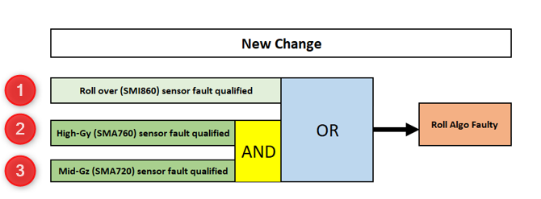
Table 1 Faulty condition combination
The table 1 is created by CRS401_589
Purpose: create combination of sensor fault to check algo behavior

Input |  |  | Output
Algo | Combination marked by number | Combination marked by sensor name | Result | Roll algo
Roll | 1 | SMI860 | Roll algo is disable
 | 2 | SMA760 | Roll algo is not disable
 | 3 | SMA720 | Roll algo is not disable
 | 2,3 | SMA760 AND SMA720 | Roll algo is disable
 | 1,2 | SMA860 OR SMA760 | Roll algo is disable
 | 1,3 | SMI860 OR SMA720 | Roll algo is disable
 | 1,2,3 | SMI860 OR (SMA720 AND SMA760) | Roll algo is disable

SideLeft | 1,2,3 | (PASMD AND PASFD) AND PPSFD | Side Left algo is disable
 | 1,2,4 | (PASMD AND PASFD) AND SMA760 | Side Left algo is disable | SideLeft algo
 | 3,4 | PPSFD AND SMA760 | Side Left algo is not disable
 | 2,3,4 | PASMD AND PPSFD AND SMA760 | Side Left algo is disable
 | 1,2 | PASMD AND PASFD | Side Left algo is not disable
...

Fuel Cut
Crash detected

IGN | Init | Steady state

FuelCutOff signal | Fuel_Enabled |  | Fuel_Disabled (50 cycles) | Fuel_Enabled

6 cycles
No Qualified
Qualified
DTC $920600

1st Crash detected
2nd Crash detected
Case 1

IGN | Init | Steady state

FuelCutOff signal | Fuel_Enabled |  | Fuel_Disabled ( less than 50 cycles) | Fuel_Disabled ( 50 cycles) | Fuel_Enabled

Qualified
6 cycles

DTC $920600

1st Crash detected
2nd Crash detected
Case 2

IGN | Init | Steady state

FuelCutOff signal | Fuel_Enabled |  | Fuel_Disabled ( 50 cycles) | Fuel_Enabled | Fuel_Disabled ( 50 cycles) | Fuel_Enabled

Qualified
6 cycles

DTC $920600

1st Crash detected
1st ALGO disable detected

IGN | Init | Steady state

FuelCutOff signal | Fuel_Enabled |  | Fuel_Disabled for 50 cycles |  | Unknown

Qualified
6 cycles

DTC $920600

1st ALGO disable detected
2nd Crash detected

IGN | Init | Steady state

FuelCutOff signal | Fuel_Enabled |  | Unknown

T
Crash

Normal
C/O signal

No signal
50*100 ms

Bus failure
CAN bus
Normal

DTC
Qualified

Graph
Power Supplies
(Power Management)
IG
- ON
- OFF
Voltage
IG
IG
- ON
- OFF
Crash Algo
(Crash Output)
algo active status
Crash Event
Send HS-CAN Crash Output Signal
Send CAN HV-cut off Signal
Send Fuel Cut off signal
Send Crash Jugdment signal
Signal Infomation
- HV Cut Off
- Fuel Cut off
- Judgement Crash signal
CAN

DEM
(Diagnostic Event Manager)
- Voltage status
- Crash Event
Fault info

ECU Mode
(Crash Output)
System Mode

AACN
...
925, 926, 927 930, 931, 933 | 12 V | Configured | Normal | 8 seconds | Single_EDR_Front_AD_longer300ms;5 | before T0 + 300 ms | No transmit | No transmit | After T0 + 300ms | Max Delta V1 | Initial value | 10 cycles | 2117
925, 926, 927 930, 931, 933 |  |  |  |  | Single_EDR_Rear_NonInflatable;5 |  |  |  |  |  |  |  | 2119
925, 926, 927 930, 931, 933 |  |  |  |  | Single_EDR_Rollover_Inflatable;5 |  |  |  |  |  |  |  | 2121
925, 926, 927 930, 931, 933 |  |  |  |  | Single_EDR_Front_above_8kph_NoDeployment;5 |  |  |  |  | No transmit | No transmit |  | 2122
925, 926, 927 930, 931, 933 |  |  |  |  | Single_EDR_PedPro_Inflatable;5 |  |  |  |  |  |  |  | 2604
925, 926, 927 930, 931, 933 | 12 V | Deconfiged |  | 8 seconds | Single_EDR_StaticRoll_Detected;5 | T0 + 200 ms | No transmit | No transmit | T0 + 300 ms | No transmit | No transmit |  | Will be updated later

Table 3: Check Delta V signal when collision signal is detected for multiple events
SRS ID | Set Voltage | AACN | Set ECU Mode and IGN On | Wait for time | Inject Multi crash |  |  | 1st crash happened at T01 | 1st crash AD threshold at | AACN should transmit At T01 (After T01 + 300 ms) | Signal Observation for 1st crash
 |  |  |  |  |  |  |  |  |  |  | Max Delta V1 longitunal / Lateral | Max Delta V2 longitunal / Lateral | Number of cycle for first crash

crash 1 = Front AD
crash 2 = Side AD
crash 1 = Front AD
crash 2 = Side AD
crash 1 = rear ND
crash 2 = side ND
crash 3 = front AD
crash 4 = Side right AD
926, 927, 929, 934, 935, 936, 960, 961, 962 | 12 V | Configured | Normal | 8 seconds | Multi_EDR_Front_AD_Side_AD;5 | 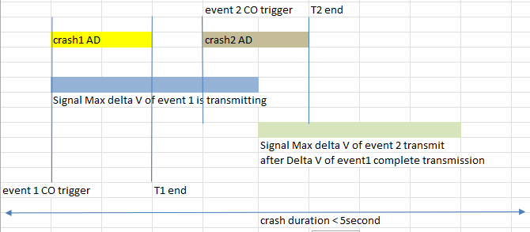 |  | 11.76 ms | T01 + 33 ms | After T01 + 300 ms | Max Delta V of 1st crash | Initial value | 10 cycles
 |  |  |  |  | Multi_EDR_TwoSingle_Side_after5s_Front;5 | 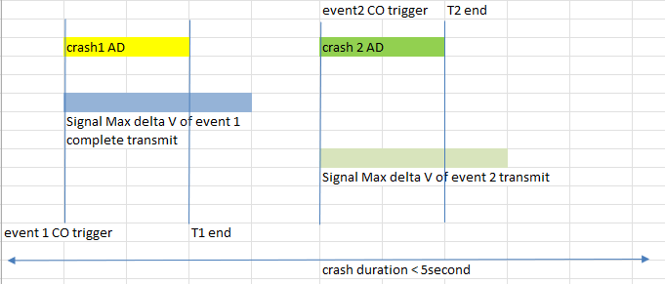 |  | 10.75 ms | T01 + 34.5 ms |  | Max Delta V of 1st crash | Initial value | 10 cycles
 |  |  |  |  | Multi_EDR_Ext_Rear_ND_SideD_ND_Front_AD_SideP_AD;5 | 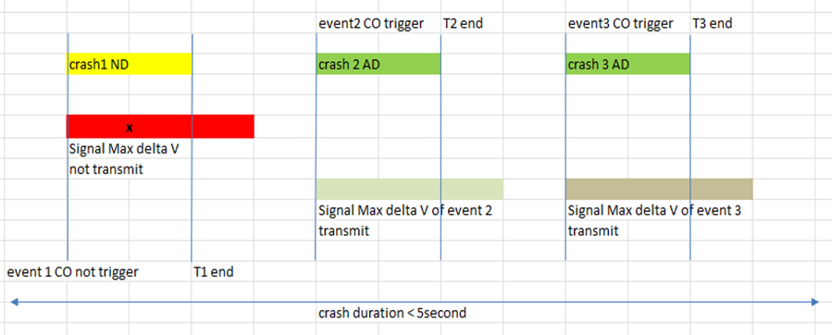 |  | 121.26ms | No AD threshold |  | No transmit | No transmit | NA
crash 1 = Side left AD
crash 2 = Front AD
crash 3 = Side Right AD
 |  |  |  |  | Multi_EDR_SideLeftAD_FrontAD_SideRightAD;5 | 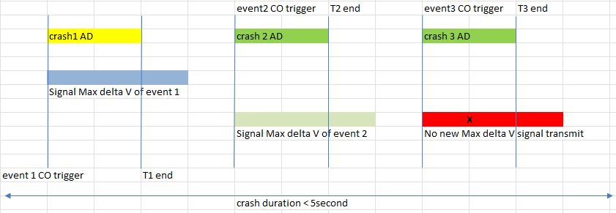 |  | 503.25 ms | T01 + 65.5 ms |  | Max Delta V of 1st crash | Initial value | 10 cycles
crash 1 = Front ND
crash 2 = Side AD
crash 3 = Front AD
 |  |  |  |  | Multi_EDR_Extended_Front_ND_Side_AD_Front_AD;6 |  |  | 42.75 ms | No AD threshold |  | No transmit | No transmit | NA
crash 1 = FrontAD parallel with noise
crash 2 = Front AD
 |  |  |  |  | Multi_EDR_Front_AD_Noise_Front_AD;5 |  |  | 1.76ms | T01+43ms |  | Max Delta V of 1st crash | Intial value | 10 cycles | 2461.76 | T02 + 34ms |  | Max Delta V of 1st crash | Max Delta V of 2nd crash | 10 cycles | No transmit | No transmit |  | No transmit | No transmit | NA | No transmit | No transmit |  | No transmit | No transmit | NA | 2206
crash 1 = rear NAD
crash 2 = side left AD
crash 3 = front AD
crash 4 = side right ND
crash 5 = rollover AD
 |  |  |  |  | Multi_EDR_RearNAD_SideD_AD_FrtAD_SideP_ND_RollAD;1 |  |  | 17.76ms | T01+100ms |  | Max delta V of 1st crash | Initial value | 10 cycles | 414.26 ms | T02+26ms |  | Max delta V1 of 1st crash | Max deltaV of 2nd crash | 10 cycles | 711.26 ms | T03 + 34ms |  | No transmit | No transmit | NA | 1077.26ms | No AD threshold |  | No transmit | No transmit | NA | 2607
crash 1 = SideLeft AD
crash 2 = Front AD
crash 3 = SideRight AD
 |  |  |  |  | Multi_EDR_SideLeftAD_FrontAD_SideRightAD;1 |  |  | 512ms | 512ms |  | Max Delta V of 1st crash | Initial value | 10 cycles | 752 ms | 752 ms |  | Max Delta V of 1st crash | Max Delta V of 2nd crash | 10 cycles | No transmit |  |  | No transmit | No transmit | NA | No transmit | No transmit |  | No transmit | No transmit | NA | 2608
crash 1 = Front ND
crash 2 = SideND
crash 3 = EPP AD
crash 4 = Front AD
crash 5 = Side ND
crash 6 = Front AD
 |  |  |  |  | Multi_EDR_Ext_FrND_SideND_EPPAD_FrAD_SiND_FrAD |  |  | TBD | TBD |  | No transmit | No transmit | NA | TBD | TBD |  | No transmit | No transmit | NA | TBD | TBD |  | Max Delta V of 3rd crash | Initial value | 10 cycles | TBD | TBD |  | Max Delta V of 3rd crash | Max Delta V of 4th crash | 10 cycles | 2609

Table 4: Multi event followed by single crash
SRS ID | Set Voltage | AACN | Set ECU Mode and IGN On | Wait for time | Inject Multi crash | 1st AD crash happened at T01 Event trigger AD for EPP crash not mention | AACN should transmit at T1 (After T01 + 300 ms) | Signal Observation |  |  | 2nd AD crash happened at T02 Event trigger AD for EPP crash not mention | AACN should transmit at T2 (After T02 + 300 ms) | Signal Observation |  |  | Wait for time | Inject crash | Second AD crash happended at T03 Event trigger AD for EPP crash not mention | AACN should start transmit atT3 After (T03 + 300ms) | Signal Observation |  |  | Second AD crash happended at T04 Event trigger AD for EPP crash not mention | AACN should transmit at T4 After (T04 + 300ms) | Signal Observation |  |  | Scenario description |  | TS ID | Remark
 |  |  |  |  |  |  |  | Max Delta V1 longitunal / Lateral | Max Delta V2 longitunal / Lateral | Number of cycle for first crash |  |  | Max Delta V1 longitunal / Lateral | Max Delta V2 longitunal / Lateral | Number of cycle for second crash |  |  |  |  | Max Delta V1 longitunal / Lateral | Max Delta V2 longitunal / Lateral | Number of cycle for first crash |  |  | Max Delta V1 longitunal / Lateral | Max Delta V2 longitunal / Lateral | Number of cycle for second crash

crash 1 = rear ND
crash 2 = side ND
crash 3 = front AD
crash 4 = Side right AD
crash 1 = front ND
crash 2 = sideleft AD
crash 3 = side ND
crash 1 = front AD
crash 2 = sideLeft AD
crash 3 = Front AD
crash 4 = side right AD
crash 5 = front AD
926, 927, 929, 932, 934, 936, 960, 961, 962 | 12 V | Configured | Normal | 8 seconds | Multi_EDR_Ext_Rear_ND_SideD_ND_Front_AD_SideP_AD;5 | 1052.26 ms | After T01 + 300 ms | Max Delta V of crash 3 | Initial value | 10 cycles | 1414 ms | After T02 + 300 ms | Max Delta V of crash 3 | Max Delta V of crash 4 | 10 cycles | more than 6 second | Single_EDR_Front_Inflatable;5 | 11.76ms | After T03 + 300 ms | Max Delta V of single crash | Initial value | 10 cycles | N.A | N.A | N.A | N.A | N.A |  |  | 2214 | Refer to table 9 for values of Max delta V of each crash event
 |  |  |  |  | Multi_EDR_FrontND_SideLeftAD_SideRightND;5 | 801.26 ms |  | Max Delta V of crash 2 | Initial value | 10 cycles | No AD threshold | No transmit | No transmit | No transmit | N.A |  | Single_EDR_Rollover_Inflatable;8 | 1078ms |  | Max Delta V of single crash | Initial value | 10 cycles | N.A | N.A | N.A | N.A | N.A |  |  | 2215
 |  |  |  |  | Multi_EDR_FrontAD_SideLAD_FrontAD_SideRAD_FrontAD | 201.26 ms |  | Max Delta V of crash 1 | Initial value | 10 cycles | 501.76 | After T02 + 300 ms | Max Delta V of crash 1 | Max delta V of crash 2 | 10 cycles |  | Single_EDR_Front_Inflatable;5 | 11.76ms |  | No transmit | No transmit | N.A | N.A | N.A | N.A | N.A | N.A | 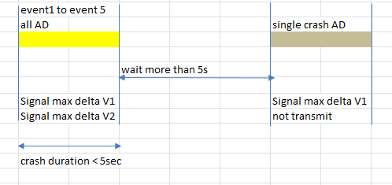 |  | 2610
crash 1 = Front AD
crash 2 = Side AD
 |  |  |  |  | Multi_EDR_Front_AD_Side_AD;5 | 11.76ms |  | Max Delta V of crash 1 | Initial value | 10 cycles | 314.26 ms | 'After T02 + 300 ms | Max Delta V of crash 1 | Max delta V of crash 2 | 10 cycles |  | Multi_EDR_RearNAD_SideD_ND_SideD_AD_FrtAD_SideP_ND | 17.76 ms |  | Max Delta V of first NAD crash | Initial value | 10 cycles | 714.26ms | After T04 + 300ms | Max Delta V of first NAD crash | Max Delta V of second AD crash (AD overwritten NAD for NVM slot) | 10 cycles | 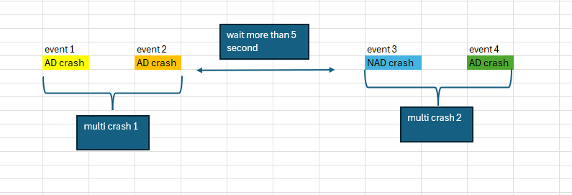 |  | 2611
crash 1 = Front AD
crash 2 = Side AD
 |  |  |  |  | Multi_EDR_Front_AD_Side_AD;5 | 11.76ms |  | Max Delta V of crash 1 | Initial value | 10 cycles | 314.26 ms | 'After T02 + 300 ms | Max Delta V of crash 1 | Max delta V of crash 2 | 10 cycles |  | Multi_EDR_SideLeftAD_FrontAD_SideRightAD;5 | 17.76 ms |  | Max Delta V of first AD crash | Initial value | 10 cycles | 714.26ms | After T04 + 300ms | No transmit, because 3 NVM is full | No transmit, because 3 NVM is full | N.A |  |  | 2612
crash 1 = Side AD
crash 2 = Rear ND
 |  |  |  |  | Multi_EDR_SideAD_RearND;1 | 63.26 ms |  | Max Delta V of crash 1 | Initial value | 10 cycles | No AD threshold | No transmit | No transmit | No transmit | N.A |  | Multi_EDR_SideAD_RearND;1 | 63.26 ms |  | Max Delta V of single crash | Initial value | 10 cycles | N.A | N.A | N.A | N.A | N.A |  |  | 2613
crash 1 = Front ND
crash 2 = SideND
crash 3 = EPP AD
crash 4 = Front AD
crash 5 = Side ND
crash 6 = Front AD
 |  |  |  |  | Multi_EDR_Ext_FrND_SideND_EPPAD_FrAD_SiND_FrAD | TBD |  | Max Delta V of crash 1 AD | Initial value | 10 cycles | TBD | 'After T02 + 300 ms | Max Delta V of crash 1 AD | Max Delta V of crash 2 AD | 10 cycles |  | Single_EDR_SideLeft_Inflatable;5 | 14.76ms |  | Max Delta V of single crash 3 AD | Initial value | 10 cycles | N.A | N.A | N.A | N.A | N.A |  |  | 2614

Table 5: Check Delta V signal when collision signal is detected for parallel event

SRS ID | Set Voltage | AACN | Set ECU Mode and IGN On | Wait for time | Inject Parallel crash |  | AT T1 | Signal Observation |  | AT T2 | Signal Observation |  |  | TS ID | Remark
 |  |  |  |  |  |  |  | Max Delta V1 | Max Delta V2 |  | Max Delta V1 | Max Delta V2 | Number of cycles

crash 1 = RolloverAD
crash 2 = Sideleft AD
crash 1 = Front ND
crash 2 = Side ND
crash 1 = frontAD
crash 2 = rollover AD
926, 927, 934 | 12 V | Configured | Normal | 8 seconds | Parallel_EDR_Rollover_Inflate_SideLeft_Inflte;5 | 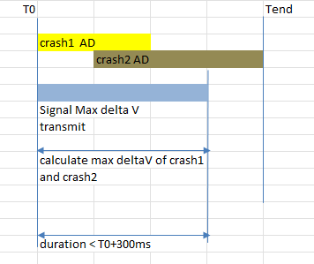 | Before T0+300ms | No transmit | No transmit | After T0 + 300 ms | Max Delta V1 | Initial value | 10 | 2168 | Refer to table 9 for values of Max delta V of each crash event
926, 927, 934 |  |  |  |  | Parallel_EDR_Front_NoDeploy_Side_NoDeploy;5 |  |  | No transmit | No transmit |  | No transmit | Initial value |  | 2169
926, 927, 934 |  |  |  |  | Parallel_EDR_Rollover_Inflate_Front_Inflate;5 |  |  | No transmit | No transmit |  | Max delta V1 | Initial value |  | 2170
crash 1 = rearNAD
crash 2 = sideLeftAD
926, 927, 934 |  |  |  |  | Parallel_EDR_Rear_NonInflate_SideLeft_Inflate;5 |  |  | No transmit | No transmit |  | Max delta V1 | Initial value
crash 1 = front noise
crash 2 = side ND
crash 3 = FrontAD
926, 927, 934 |  |  |  |  | Parallel_EDR_Noise_SideRtND_FrtAD_FireAfter300ms;5 | 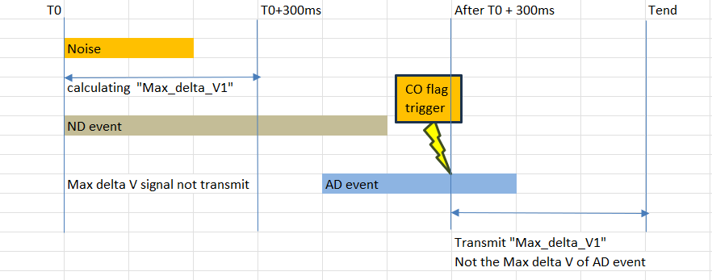 |  | No transmit | No transmit |  | Max delta V1 | Initial value
crash 1 = Front AD
crash 2 = EPP AD
926, 927, 934 |  |  |  |  | Parallel_EDR_Front_AD_Pedestrian_AD;5 | 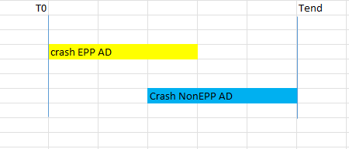 |  | No transmit | No transmit |  | Max delta V1 | Initial value

Table 6: Check Delta V signal when bus-off happens
SRS ID | Set Voltage | AACN | Set ECU Mode and IGN On | Wait for time | Inject Crash | Bus off condition | AT T1 | Signal Observation |  | Removed Bus off after bus off happened (Tb) | Bus off recory time (Tr) | Remaining time to observe AACN
 |  |  |  |  |  |  | T1 < T0 + 300 ms | Max Delta V1 | Max Delta V2 |  |  | (T = 300ms + 1000ms - Tb - Tr)

926, 927, 956 | 12 V | Configured | Normal | 8 seconds | Single_EDR_Front_Inflatable;5 | Bus off | T0 + 200 ms | No transmit | No transmit | 200 ms | Wait for recovery time | 1100 ms - Tr | T0 + 500 ms | Max Delta V1 | 0xFE
 |  |  |  | 8 seconds | Single_EDR_SideRight_Inflatable;5 | Bus off | T0 + 200 ms | No transmit | No transmit | 1000 ms | Wait for recovery time | 300 ms - Tr | T0 + 1300 ms | No transmit | No transmit
 |  |  |  | 8 seconds | Single_EDR_Rear_NonInflatable;5 | Bus off | T0 + 200 ms | No transmit | No transmit | 500 ms | Wait for recovery time | 800 ms - Tr | T0 + 800 ms | Max Delta V1 | 0xFE
 |  |  |  | 8 seconds | Single_EDR_StaticRoll_Detected;5 | Bus off | T0 + 200 ms | No transmit | No transmit | 300 ms | Wait for recovery time | 1000 ms - Tr | T0 + 300 ms | No transmit | No transmit
...
 | Set Voltage | AACN | Set ECU Mode and IGN On | Wait for time | Crash scenario | Create Autarky condition when |  |  |  | Signal Observation |  | TS ID | Remark
 |  |  |  |  |  |  |  |  |  | Max Delta V1 Longitunal / Lateral | Max Delta V2 Longitual / Lateral

Normal autarky
Normal autarky
Normal autarky
 | 12 V | Configured | Normal | ECU steady | Single_EDR_Front_Inflatable;5 | T0 | 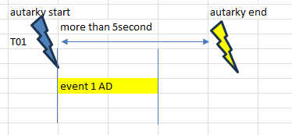 |  |  | Max Delta V1 | 0xFE | 2192 | TAD = T airbag deploy
 |  |  |  |  | Single_EDR_SideLeft_Inflatable;5 | T0 + 100 | 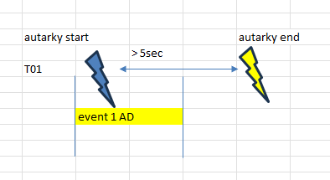 |  |  | Max Delta V1 | 0xFE | 2193
 |  |  |  |  | Single_EDR_Rear_NonInflatable;5 | T0 |  |  |  | Max Delta V1 | 0xFE | 2194
 |  |  |  |  | Single_EDR_StaticRoll_Detected;5 | T0 + 300 |  |  |  | No transmit | No transmit | 2195
Monentory autarky
 |  |  |  |  | Multi_EDR_Front_AD_Side_AD;5 | starts before T02 and end before T02 | 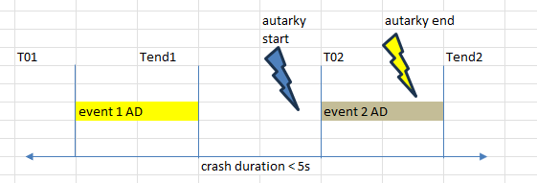 |  |  | Max Delta V of crash 1 | Max Delta V of crash 2 | 2617
Monentory autarky
 |  |  |  |  |  | before T01 and end before Tend2 | 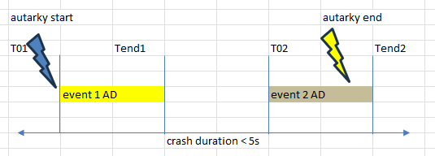 |  |  | Max Delta V of crash 1 | Max Delta V of crash 2 | 2618
Monentory autarky
 |  |  |  |  |  | starts and end between T01 and Tend1 | 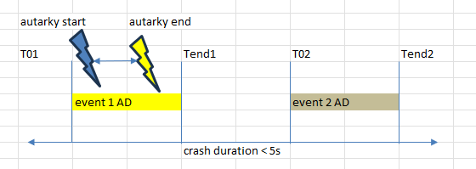 |  |  | Max Delta V of crash 1 | Max Delta V of crash 2 | 2619
Monentory autarky
 |  |  |  |  |  | starts after T01 and end after Tend2 | 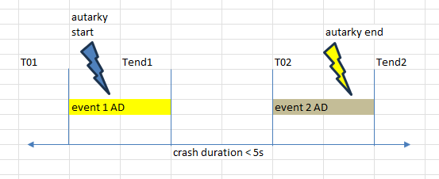 |  |  | Max Delta V of crash 1 | Max Delta V of crash 2 | 2620
Monentory autarky
 |  |  |  |  |  | starts and ends after Tend2 of the crash |  |  |  | Max Delta V of crash 1 | Max Delta V of crash 2 | 2621
...
 | Max delta V values (km/h)
 | ECU X | ECU Y | ECUY_lowg | ECUZ_lowg
 | -155
 |  | -151.6
 | 151.6
 | -151.5
 |  | -151.6
 |  |  | 53 | -2.65
...

